Sheet2
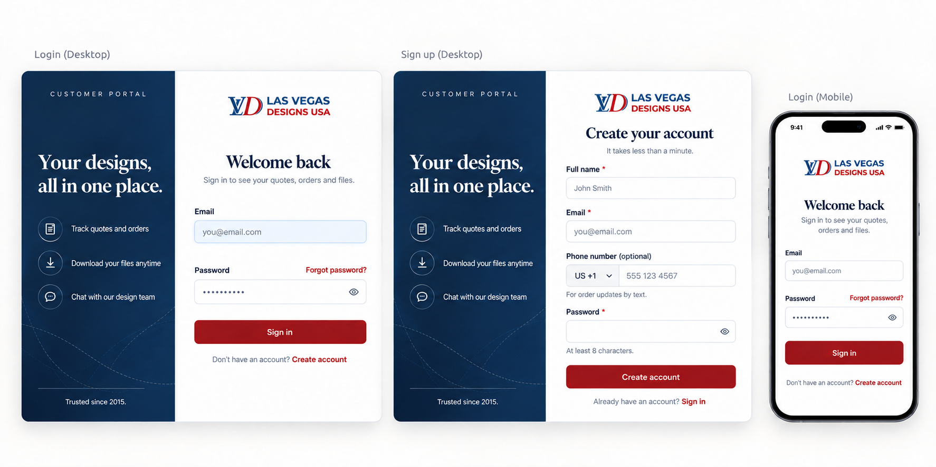

 | Split screen: left navy panel, right white form side.
 | Hide the left panel. Show only logo + form, like the phone in the mockup.

 | Sign up

 | Fields in order: Full name *, Email *, Phone number (optional), Password *.
 | Phone: country code dropdown, default US +1. Save the number with the country code.
 | Password: show “At least 8 characters.” Show a red error if shorter.
 | Placeholders as in the mockup.
 | make no mandatry too

1- | Group duplicates. Same type of update for the same order = one row. Example: two “New message” rows become “2 new messages”.

 |  | shluld be like this

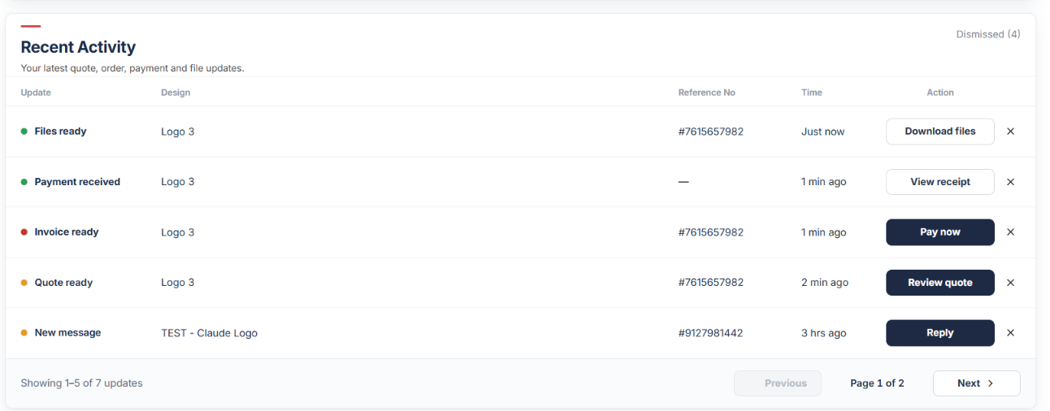

 |  |  | 1- | please brinf Deisgn to the left there is so much gap in between ref no and the deisgn
 |  |  | 2- | So for every task which customers needs to do we will put ornage dot and for everyhting which doesn’t required its input we will put grren dot
 |  |  |  | e.g | quote ready needds customer input so ornage, pay meeds in put so orange, same message reply needs or anage
 |  |  |  | green | lest say payment received, files ready, order stared, revsion started, all green

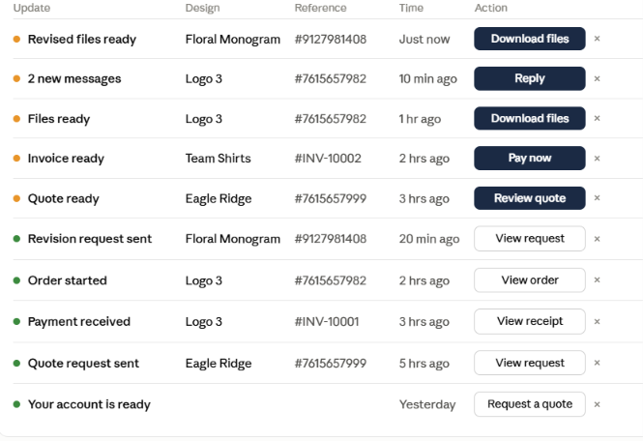

 |  |  |  |  |  | lets say after customer has review or donwlaod staus must need to be change here
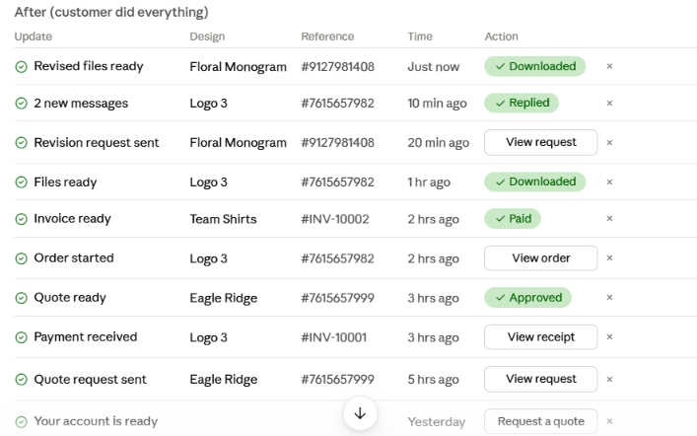

 |  |  |  |  |  |  | Sorting

 |  |  |  |  | We have rule here

 |  |  |  | 1. Orange = top. Things he must do always stay at the top.
 |  |  |  | 2. Everything else = below, newest first.
 |  |  |  | 3. When he does an orange thing, it turns ✅ and moves down to where its time fits.
 |  |  |  | 4. When he opens a green thing, it turns ✅ and stays where it is.
 |  |  |  | 5. Something new comes in: orange goes to the very top, green goes right under the orange ones.

 |  |  |  |  |  |  |  | Final guidleine

 |  |  |  | New row: colored dot + bold text.
 |  |  |  | Done/seen row: green check icon + normal text.
 |  |  |  | 🟠 Orange dot = customer must do something. 🟢 Green dot = info, nothing to do.
 |  |  |  | Dark button = action (Review quote, Pay now, Reply, Download files).
 |  |  |  | Outline button = open anytime (View receipt, View order, View request). Same before and after.
 |  |  |  | Green pill when done: Approved, Paid, Replied, Read, Downloaded.

 |  |  |  | When a row is done

 |  |  |  | Orange rows: only when the customer acts (approve, pay, reply, download).
 |  |  |  | Green rows: when the customer opens or clicks it.

 |  |  |  | Sorting

 |  |  |  | 1. Orange rows always on top, newest first.
 |  |  |  | 2. Everything else below, newest first.
 |  |  |  | 3. Orange row done → turns ✅ and moves down to its time spot.
 |  |  |  | 4. Green row opened → turns ✅, stays in place.
 |  |  |  | 5. New orange → very top. New green → right under the orange rows.

 |  |  |  | Messages

 |  |  |  | One row per order chat. New message on same order: same row turns orange again, fresh time, back to top.
 |  |  |  | Different orders = separate rows.

 |  |  |  |  |  |  | Setting

 |  |  | No hoop sizes (you wanted 4x4, 5x7 etc. with add / remove) |  |  |  |  |  |  | like we had last time but ofrget to add
 |  |  | Saved file formats (DST, PES) don’t get ticked on the quote form
 |  |  | Format list should match what’s on the quote forms (STL, 3MF missing on CNC/3D) |  |  |  |  |  |  |  |  | add in format for CNC and add

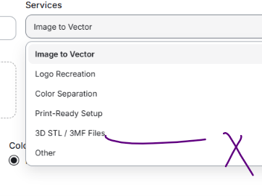

 |  |  |  |  |  |  |  |  | remove from vector format

 |  |  |  |  |  |  |  |  |  | instaead add '3D Printing fles ) in cnc quote page

 |  |  |  |  |  |  | Quote form

 |  |  |  | “Save as draft” exists but no place to find drafts later |  |  |  |  |  |  | pleasse fix

