Course info
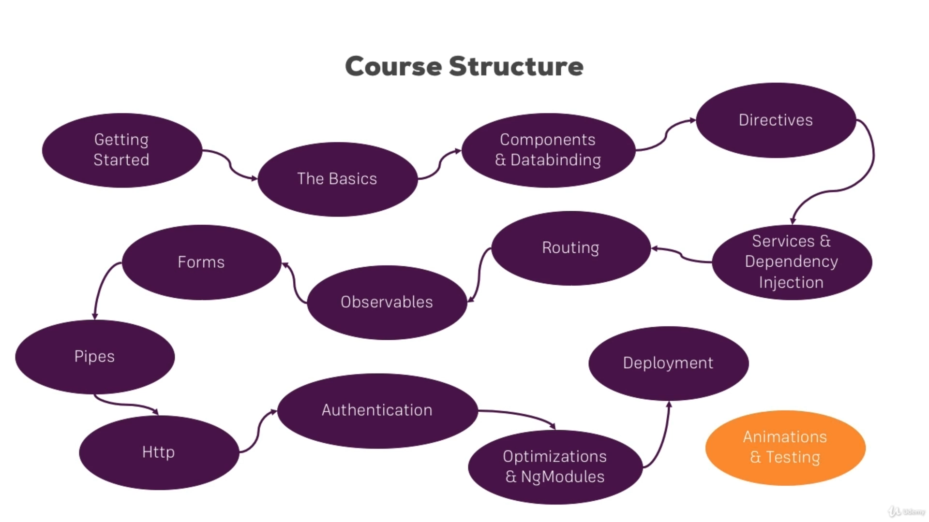

Angular Intro & Setup
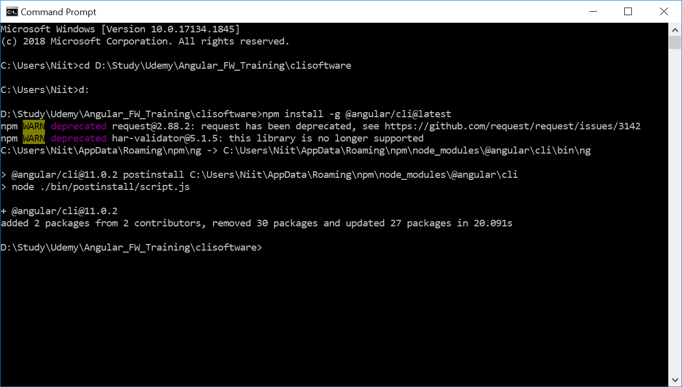

Before installing Angular CLI, it is necessary to install latest NodeJS software.

The installation of npm and angular cli is stored in the following paths in local machine

C:\Users\Niit\AppData\Roaming\npm
C:\Users\Niit\AppData\Roaming\npm\node_modules\@angular\cli

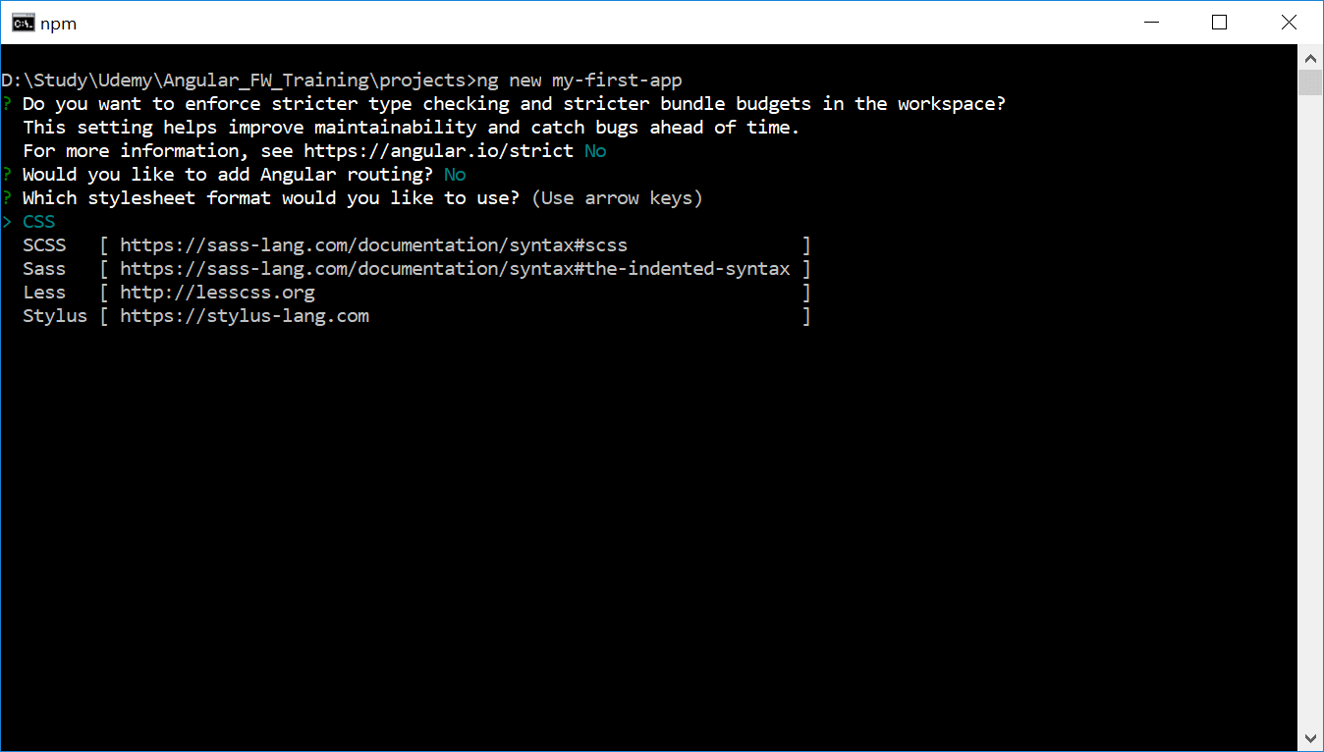

Create Project my-first-app

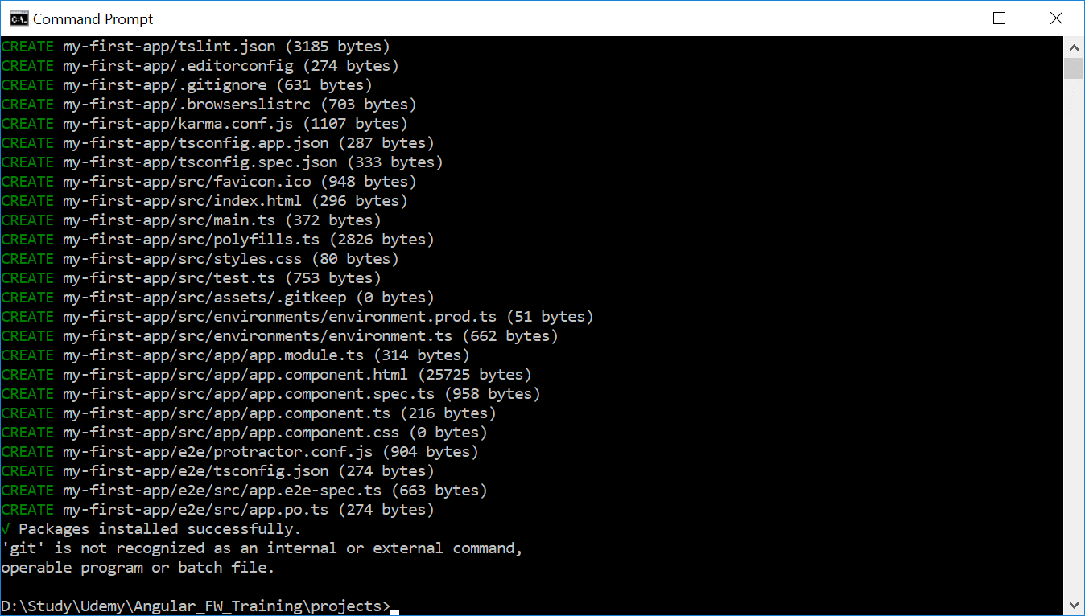

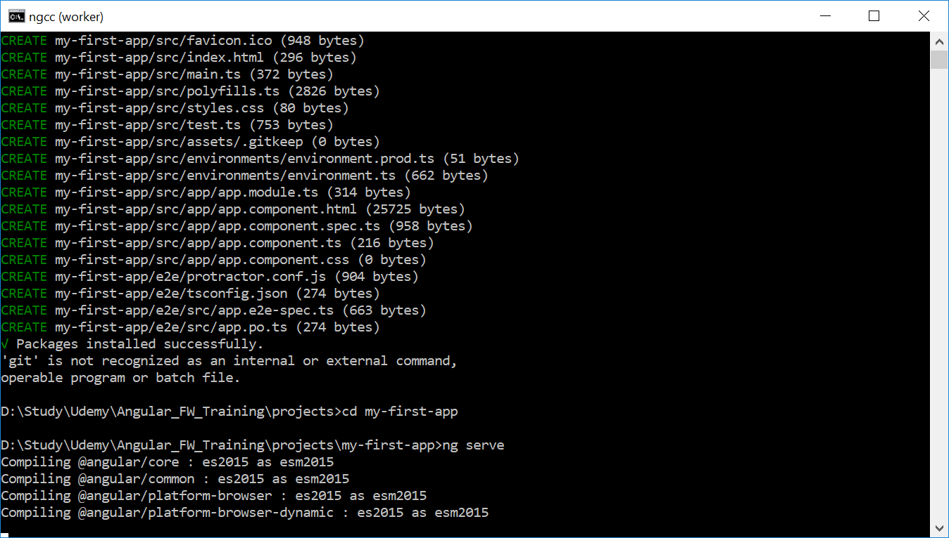

Start the application created

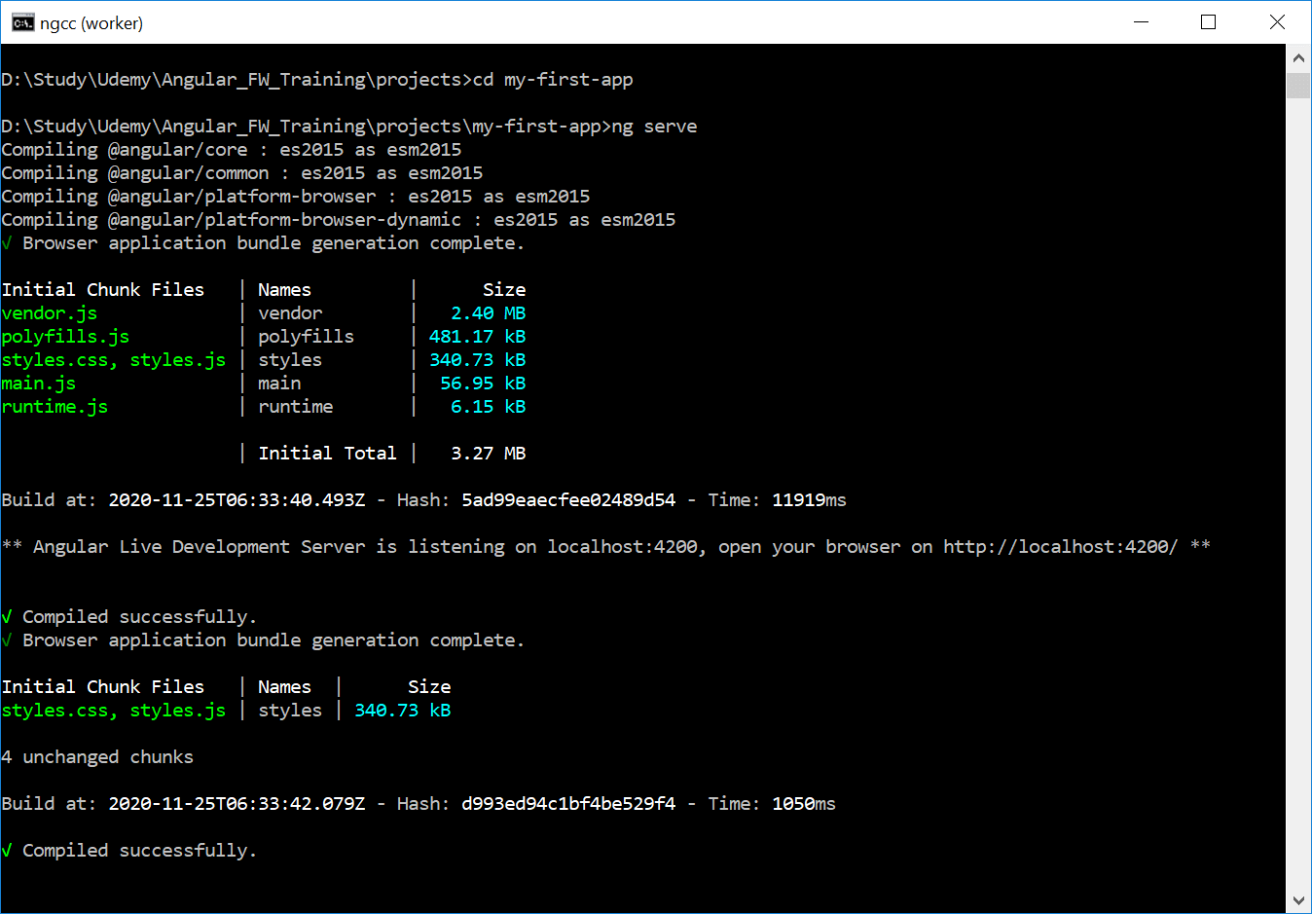

Application starts by default at port 4200 after the necessary compilation.

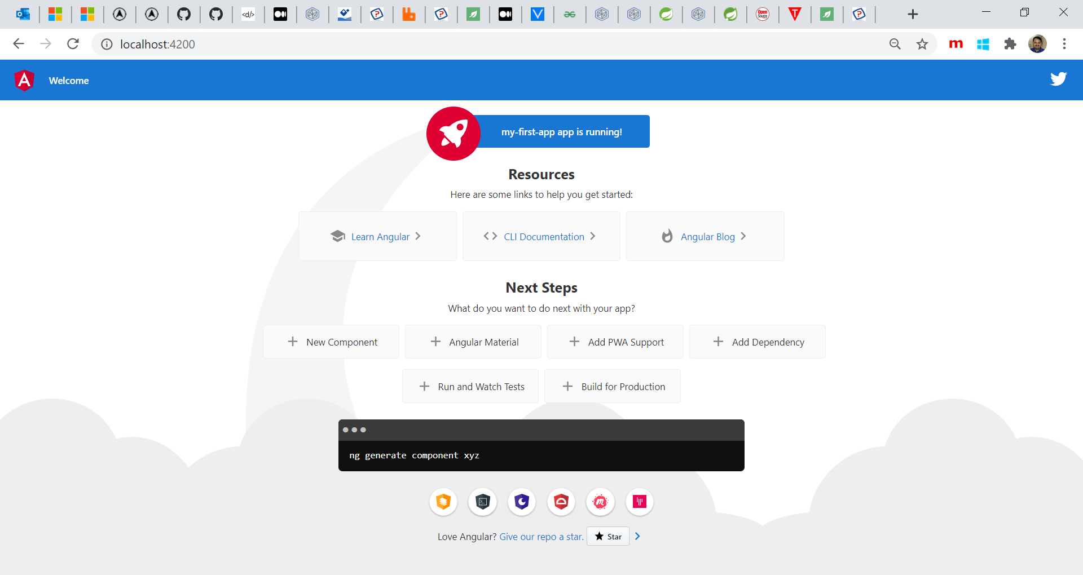

The running Angular application showing default page

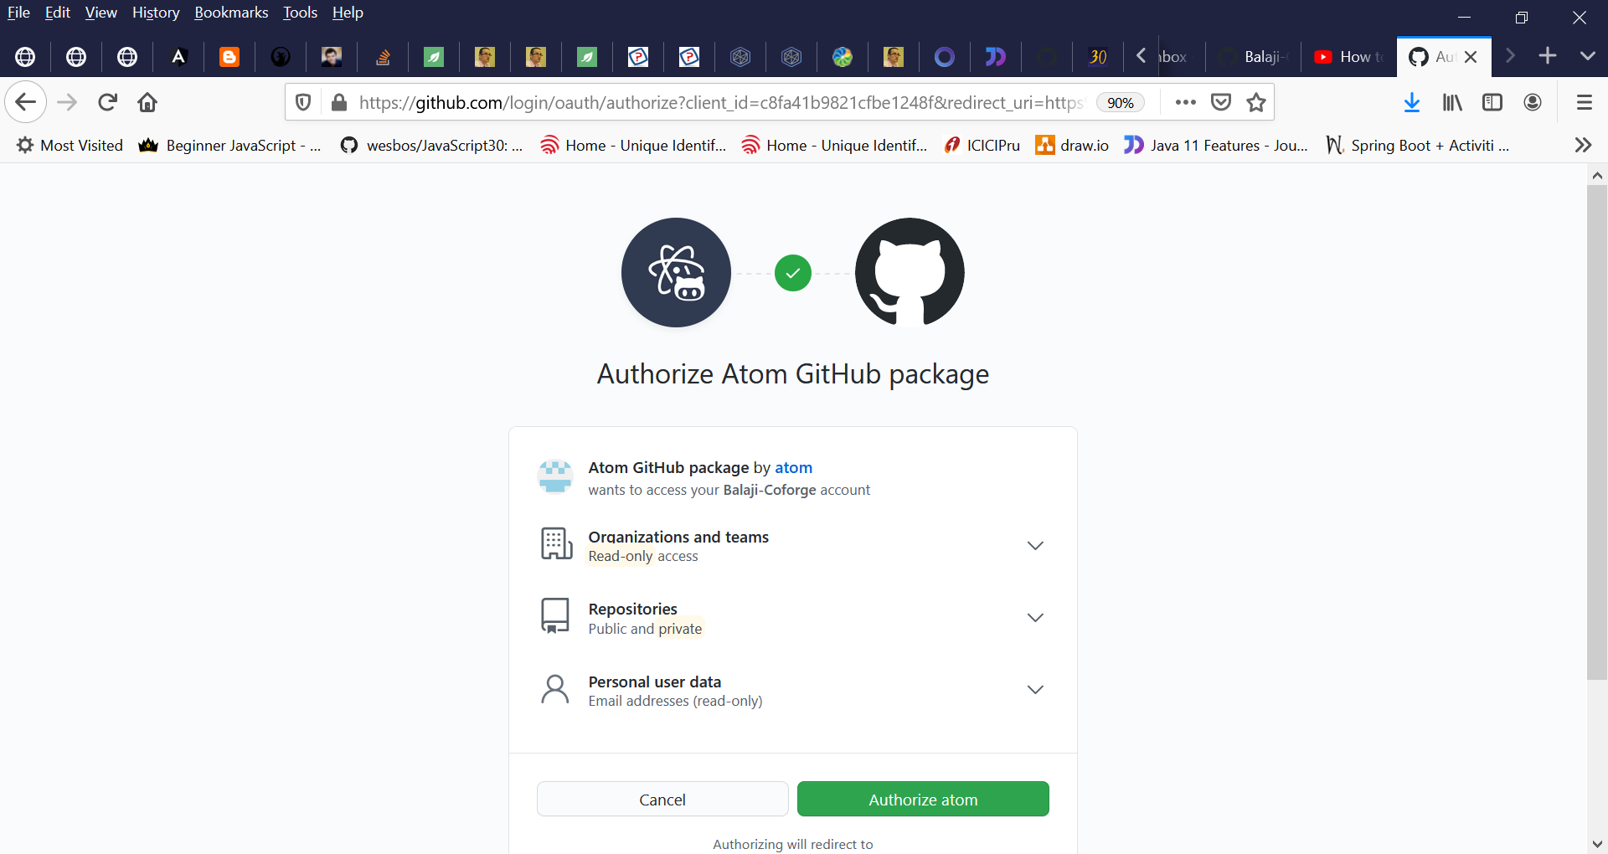

 |  | Connecting Atom with GitHub

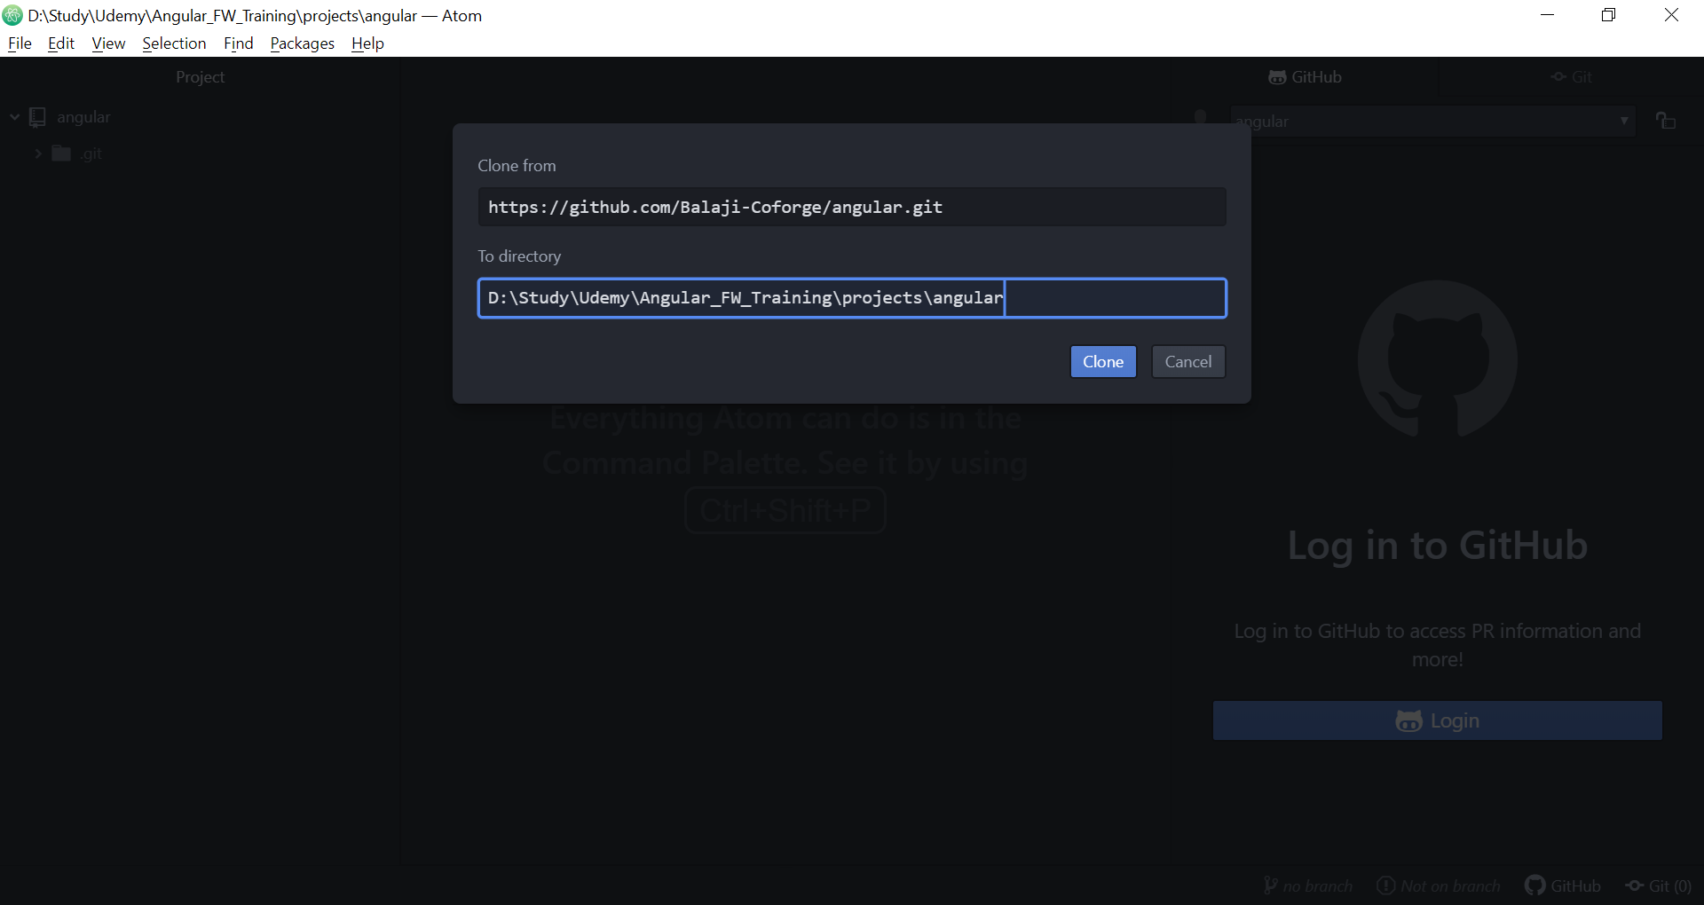

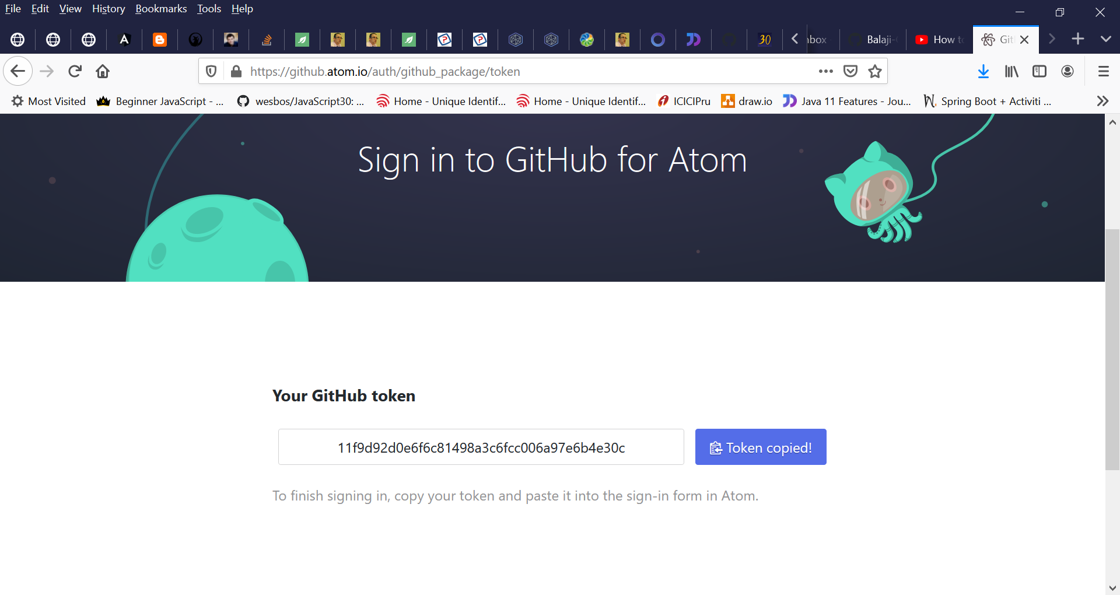

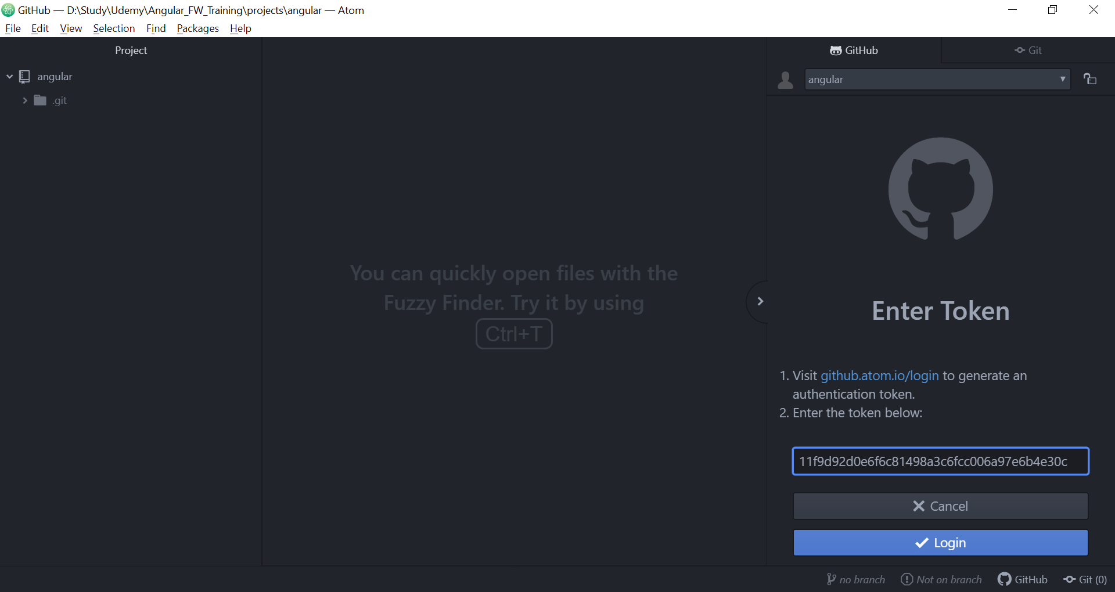

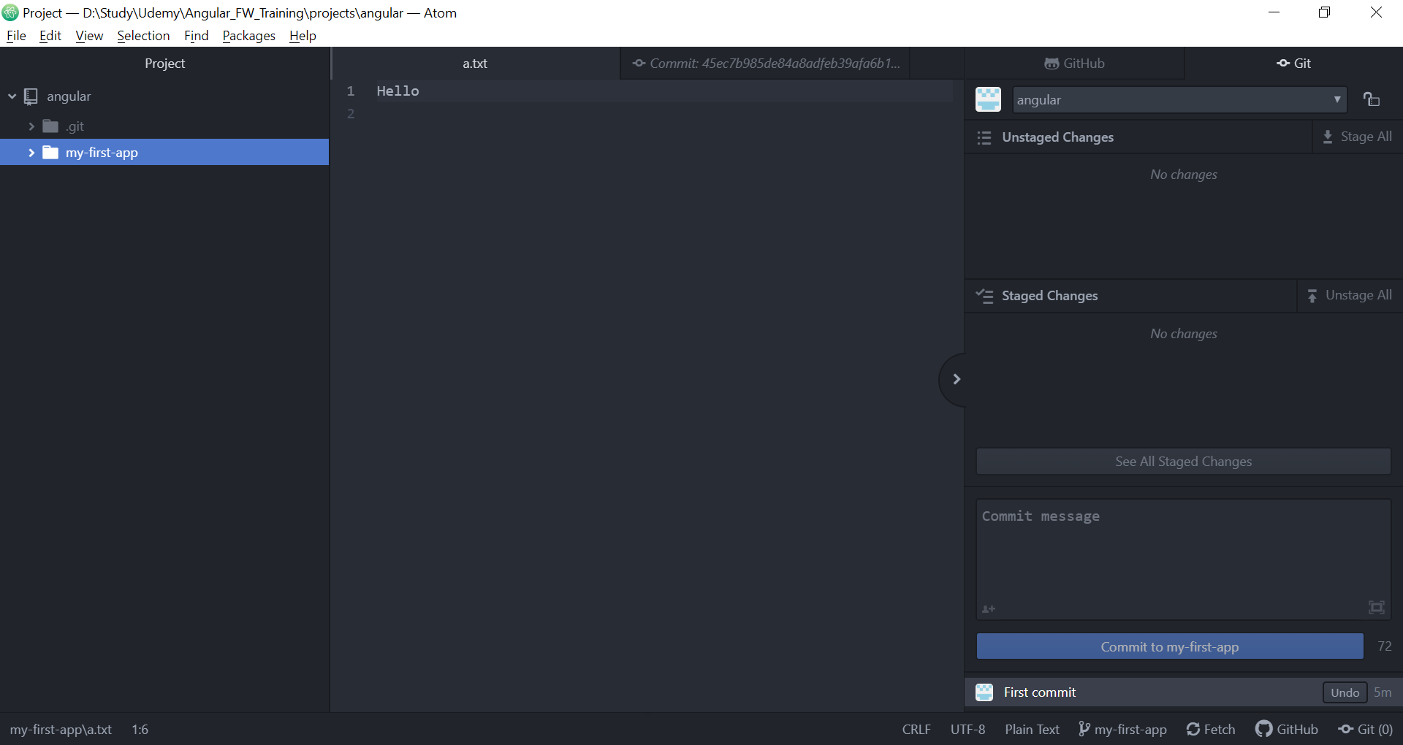

 |  | After committing a sample file as "First Commit"

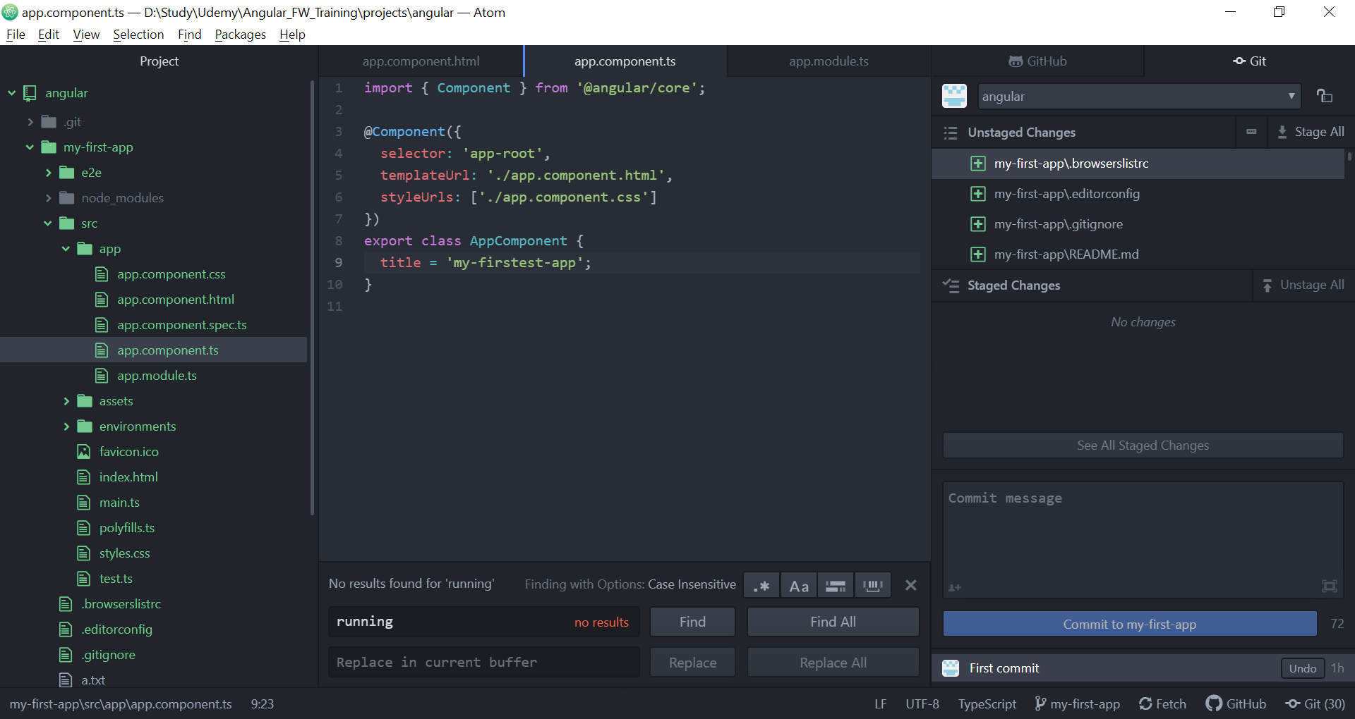

 |  | Changing app.component.ts, app.component.html, app.module.ts to check first minor changes in app

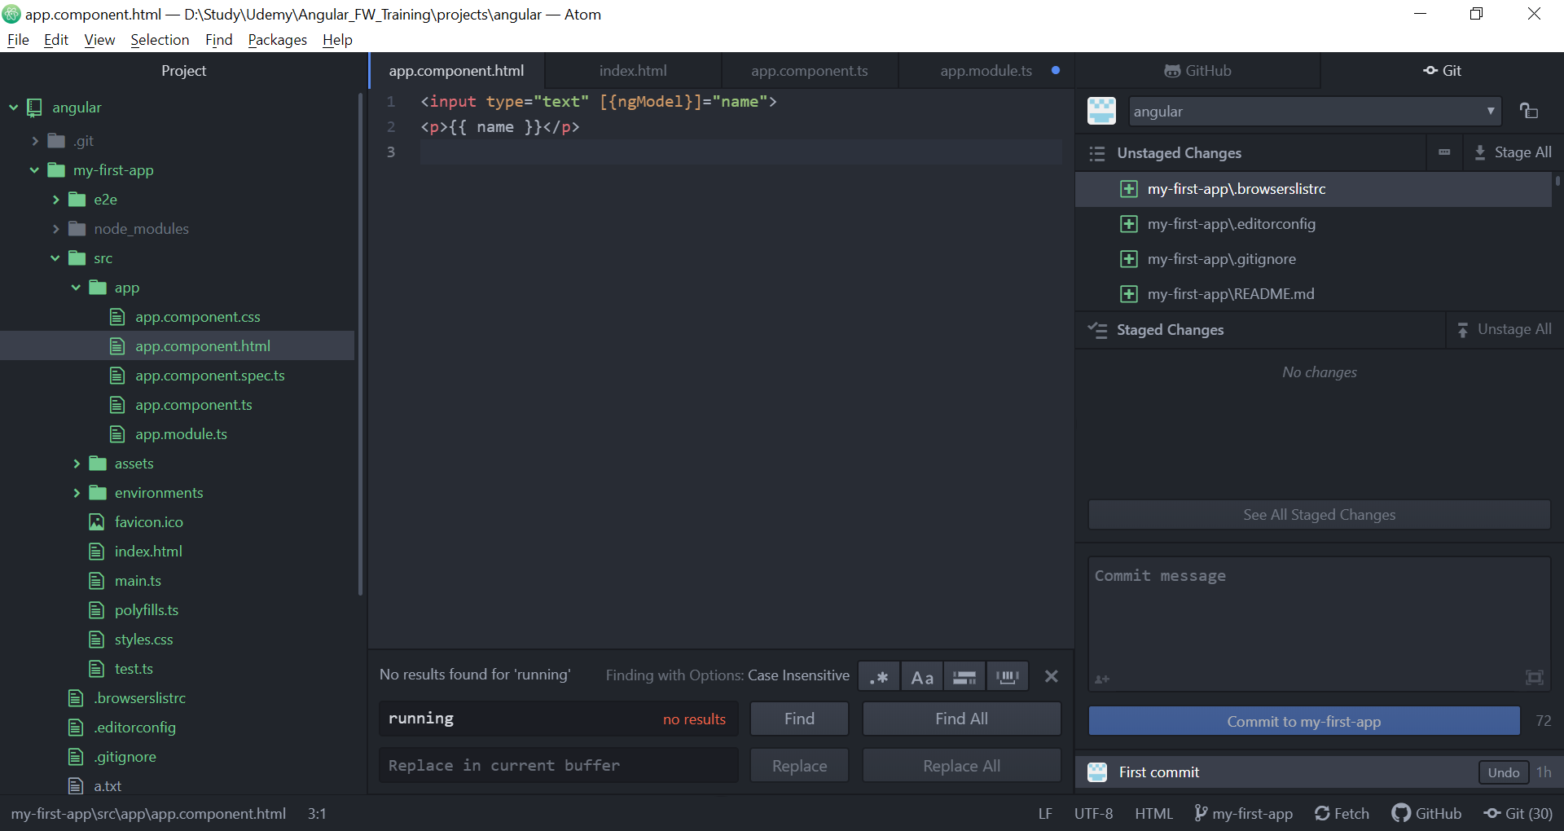

 |  | Binding using {{ fieldname }}

 |  | Directive using [(ngModel)] = "name"

 |  | Add necessary modules in app.module.ts to use the necessary directives.
 |  | Add the module(s) in import and imports sections.



 |  | app.component.html customized and modified

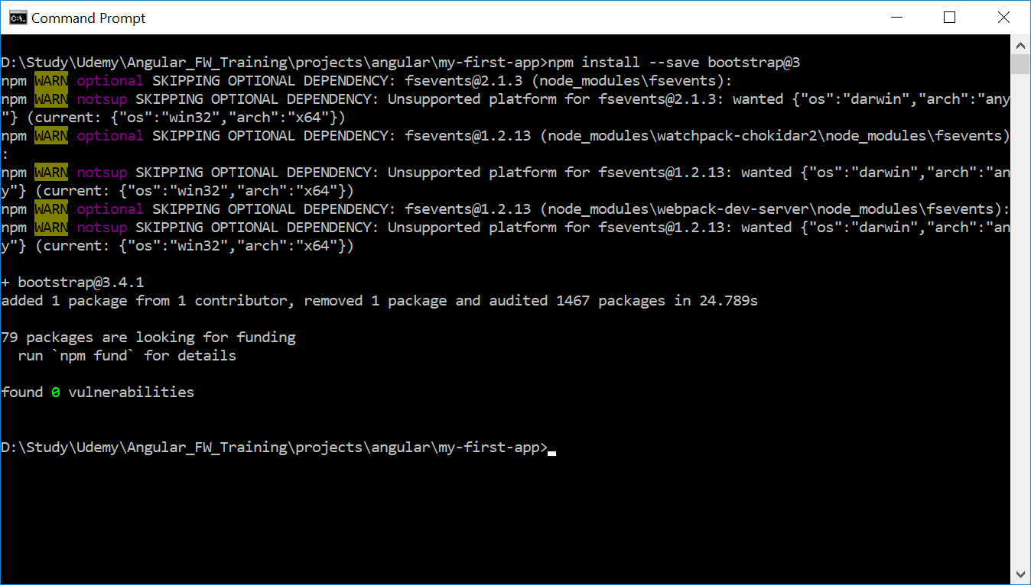

 | Add bootstrap css for predefined styles

 | Install bootstrap using npm

 | Make Angular aware of it in angular.json file
 | by adding the bootstrap.css entry in styles array section

 | node_modules/bootstrap/dist/css/bootstrap.min.css,

Basics-Components
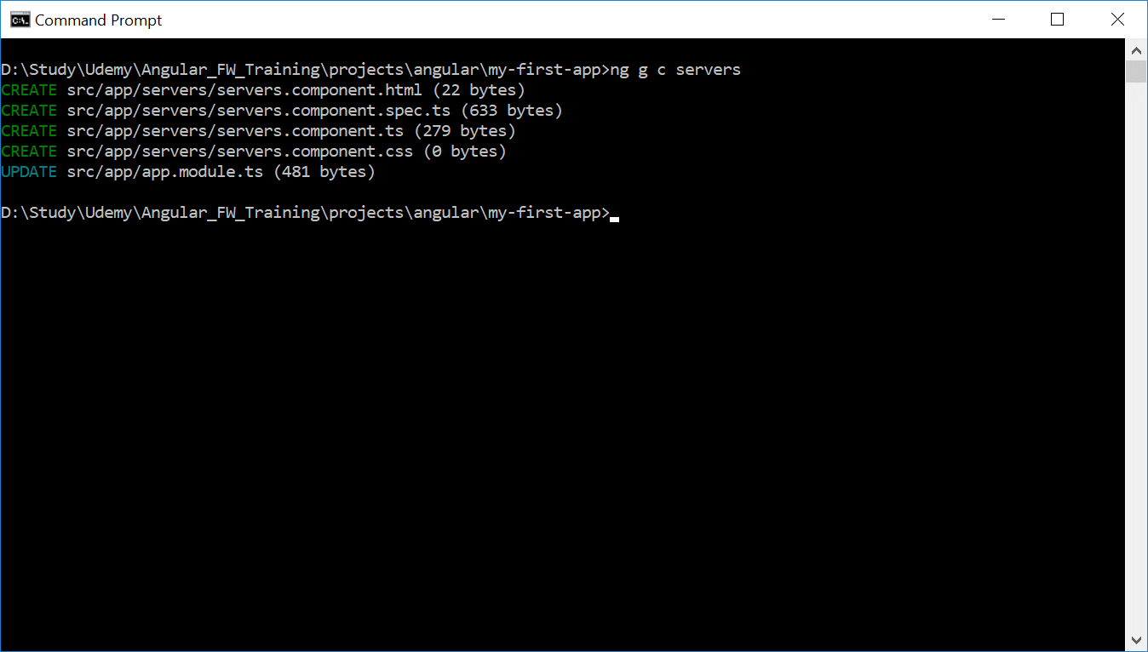
Flow of how index.html is rendered on ng serve and how components are created and configured

1 | main.ts is called first
2 | main.ts bootstraps AppModule which is defined in app/app.module.ts
3 | In app.module.ts, app.component.ts is bootstrapped
4 | In app.component.ts, the component along with the root selector <app-root> is defined |  |  | Create component files in CLI ==>
5 | Where the app.component.html is mapped to <app-root> selector with css
6 | This is how index.html understands and renders the <app-root>
7 | AppComponent is the root component where all other components will be nested
8 | Each component will have its own template, html code, business logic, styling css
9 | The sub components' selector will not be added to index.html. Instead will be added to the app.component.html
10 | Decorator enhances the class and starts with @ and contains metadata
11 | Instead of creating component template manually, command can be used to generate all necessary files for new component. ng g c <componentname>
12 | .spec.ts file is used for testing purposes
13 | In a component decorator any one template or templateUrl has to be defined.
14 | template will point to the inline HTML code directly or component reference, templateUrl will point to the path of the component.html file
15 | Use back tick (`<br><p></p>`) to enclose the inline HTML if it spans across multiple lines.
 |  | @Component({
 |  | selector: 'app-servers',
 |  | //templateUrl: './servers.component.html',
 |  | //template: '<h1>ahoy</h1>',
 |  | //template: '<app-server></app-server>',
 |  | template: `
 |  | <h1>ahoy</h1>
 |  | <p>Hola</p>
 |  | <app-server></app-server>
 |  | `,
 |  | styleUrls: ['./servers.component.css']
 |  | })
16 | Emmet plugin can be used for angular programming syntax support in editor.
17 | Styles can be defined in the respective component's css files for custom style rendering of the webpage
18 | Similar to template and templateUrl, styles and styleURL any one has to be defined in a component with back tick for inline style definitions.
 |  | @Component({
 |  | selector: 'app-root',
 |  | templateUrl: './app.component.html',
 |  | //styleUrls: ['./app.component.css']
 |  | styles: [`
 |  | h3 {
 |  | color: orange;
 |  | font-style: Italic;
 |  | }
 |  | `]
 |  | })
19 | Selector can be declared in 3 formats and works similar to existing css element selectors
 |  |  | a. Element e.g. selector: 'app-servers'
 |  |  | b. Attribute e.g. selector: '[app-servers]'
 |  |  | c. Class e.g. selector: '.app-servers'

 |  | Example usage in html in same order as defined above
 |  |  | a. <app-servers></app-servers>
 |  |  | b. <div app-servers> </div>
 |  |  | c. <div class='app-servers'> </div>

