Basics
Introduction

 | Docker
 | Docker is a container technology
 | Docker is the tool for creating and managing containers

 | Now comes the next question, "What is a Container?"

 | Container
 | Container is the standardized unit of software,
 | which basically means a package of code, its dependencies & tools required to run the code
 | Ex: Node JS code + Node JS runtime + other tools reqd to run that code

 | A Bigger picture comparison
 | Containers
 | We can fit various goods into these containers
 | It can load on ships or trucks, which is able to handle containers
 | They are self-contained and isolated
 | (Goods in one container do not get mixed with goods in other container)
 | And the container works standalone
 | If we need something additional like cooling fan, it can be built into the container
 | Similarly in Docker container
 | We have our units of software and packages of code with the dependencies to run the code
 | We can take the container anywhere where the docker runs
 | We will be able to run exactly the same application with same environment, wherever that is
 | We don't need to worry about installing any extra tools in that place,
 | where we want to run our application
 | because its already there in the container
 | If needed we can install the additional tools reqd

 | Why do we need Containers??? 🤔
 | The same container always yields the exact same application and execution behavior
 | no matter where or by whom it might executed.

 | Various scenarios, which gives the need to use container
 | 1. Different Development & Production environment
 | If dev env has higher version and prod env has lower version
 | then the application will work in dev env but not in prod env
 | We want to build and test in exactly the same environment as we later run our app
 | 2. Different Development environment within a team/company
 | If different members work in different technologies,
 | and the one who work in x technology may have updated x
 | but the one who work in y technology may not updated x but have updated y only
 | In the above scenario, if the code has some features from updated version
 | then it won't work if the env don’t have updated x technology
 | Every team member should have the exactly same environment when working on the same project
 | 3. Clashing versions/tools between different projects
 | Let's ignore multiple persons involved in the project as in earlier cases
 | Even if you are working alone, but working in multiple projects
 | and Project A uses some older version for some reason and Project B uses some newer version
 | In the above scenario, When switching between the projects,
 | Project A tools should not clash with Project B tools
 | Then for each time we switch between projects,
 | we have to uninstall the improper version and reinstall the required version

 | Container will be the solution for all the above scenarios
 | We can lock a specific environment in the docker container,
 | and therefore ensure that our code is always executed with that exact version
 | Here environment refers to runtime, language, framework we need for development

 | Summary📋
 | Container is a package, which has the code and all its dependencies
 | Docker is just a tool to create and manage these containers

 | We don't need docker to create or manage container
 | But it is the standard for doing that, since it makes the task so super simple

Virtual Machines vs Docker Containers
 | We may think that reproducible environment solved by docker
 | can also be solved by virtual Machines

 | Virtual machines running on our machines with vitrual OS
 |  | encapsulated in their own shell
 |  | independent of our hos OS
 | Wont it be a solution to achieve containerisation?
 |  | A kind of.

 | We have our host OS and we install our VM on top of that OS
 | The VM will have its own OS
 | We will move the source code to the VM
 | And finally we will install the tools/packages/libraries/dependencies to that VM
 | Since it is a encapsulated VM,
 | it is more like a docker container,
 | which has an encapsulated environment, where everything is locked in
 | Then we could have multiple such environments for different projects
 | And we could share the VM config to our colleagues & ensure that we are working in the same environment
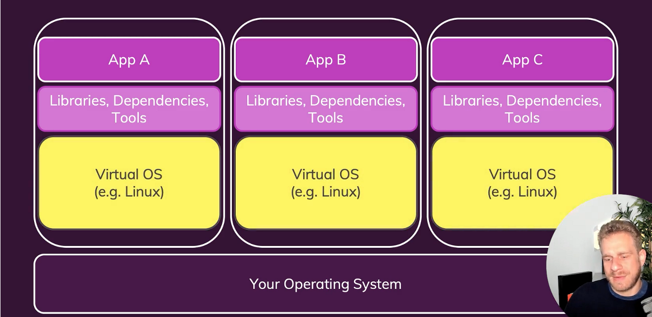

 | Everything seems to more similar to docker containers

 | This works!!!👍👍👍
 | But it has some problems👎👎👎
 |  | Virtual OS --> Heavy space occupied by OS (Wastage of resources - Memory, CPU & OS)
 |  | If we have more VM in our system --> It will become slow
 |  | Consider, if we have same OS in all VMs,
 |  |  | it has to be installed multiple times, even if it is same

 | What VM can do same as Containers?
 | VM can create separated environments same like docker
 | We can do environment specific configuration in VM
 | We can share & reproduce the environment configurations reliably in VM
 | Issues in VM but not in Containers
 | Redundant duplication of OS and wastage of Space
 | Performance can be slow, boot time can be long
 | Reproducing on another computer/ server is possible but may be still tricky and tedious
 | As we don’t have any configuration files for setting up these things

 | VM solves the problem, but not in a perfect way
 | This is the place where Docker & Containers comes into picture
 |  | Also remember containers are the key concept here
 |  | Docker is just a de facto standard tool for creating and managing container

 | How Docker & coontainers solves this?
 | We have our host OS
 |  | We don’t install n numer of machines over the host machine
 |  | Instead we utilize builtin container support, which all OS has
 |  |  | or some Emulated Container support, that docker will take care about
 |  | Then we Run a tool called Docker Engine on top of that
 |  |  | that will all be setup by the docker when we install it right away
 |  | And then with the docker Engine,
 |  |  | a light weight small tool running on our system
 |  |  | we can spin up containers
 |  | These containers contain our code + Crucial tools and runtime our code needs
 |  |  | but not a bloated OS, tons of extra tools or anything like that
 |  | They might have a small OS layer inside of the container
 |  |  | but even that will be a light weight version of an OS
 |  |  | much smaller than anything you would install in an VM

 | The other great thing about containers is that
 |  | we can configure and describe them with a configuration file
 |  | and we can then share the file with others
 |  | so that they can recreate the container
 | Or we can also build the container into something which is called as image
 |  | which we need to do anyways
 |  | and then we can share that image with others
 |  | to ensure that everyone is able to launch the same container

 |  | Docker Containers |  |  |  |  |  |  |  |  |  |  |  |  |  | VM
 |  | Low impact on OS, Very fast, minimal disk space |  |  |  |  |  |  |  |  |  |  |  |  |  |  | Bigger Impact on OS, higher disk usage space
 |  | Sharing, Re-building and distribution is easy |  |  |  |  |  |  |  |  |  |  |  |  |  |  | Sharing, Re-building and distribution can be challenging
 |  | Encapsulated apps/environments |  |  |  |  |  |  |  |  |  |  |  |  |  |  | Encapsulated whole machines
 |  |  | instead of whole machines |  |  |  |  |  |  |  |  |  |  |  |  |  |  | instead of apps/environments
 |  |  |  |  |  |  |  |  |  |  |  |  |  |  |  |  | This may have all other unwanted tools/libraries also

Docker setup

 | https://learn.microsoft.com/en-us/windows/wsl/install
 | https://docs.docker.com/desktop/setup/install/windows-install/

 | https://labs.play-with-docker.com/ |  |  |  |  |  |  |  |  | Docker Playground

Demo

 | Go through Demo 1, which is in D1 Sheet

Images and Containers

 | Containers are small packages
 |  | that contain your source code + dependencies + tools required to run that code

 | Basically containers are the running unit of software

 | But as dicussed early, we can spin up n number of same containers in same or different machine
 |  | and all those containers will behave independently but gives the same response for specific same request

 | How can we make spin up this n number of containers?
 |  | We can have a blueprint and based on which we can spin up n number of containers
 |  | This blueprint/templete is called image

 | Its actually the image,
 |  | which contains the code + reqd tools/runtime to execute the code
 | And it the container
 |  | which then executes the code

 | We can create the image
 |  | with all this setup instructions and all our code once
 | But then we can use this image to create multiple containers based on that image

 | For ex, if we talk about a Node JS application
 |  | we can define it once
 |  | and run it multiple times in different servers
 | Note that the image is the sharable packet
 |  | with all the setup instructions and all the code
 | And the container will be the concrete running instance of such an image

 | So we run containers which are based on images
 |  | That is the core fundamental concept, Docker is all about in the end

Building Image
 | There are 2 ways of creating an image
 |  | 1 | Using an existing, pre-built image
 |  | 2 | Create your own custom image

 |  | 1 | Using an existing, pre-built image
 |  |  | There are 3 means in which the image is already available and we can just use it
 |  |  | 1A | Official pre-built image
 |  |  | 1B | One of the images shared by the community
 |  |  | 1C | A colleage of ours already built it
 |  |  | These images are available in any of the cloud repository and one such great source is docker hub
 |  |  | Link |  |  |  | https://hub.docker.com/
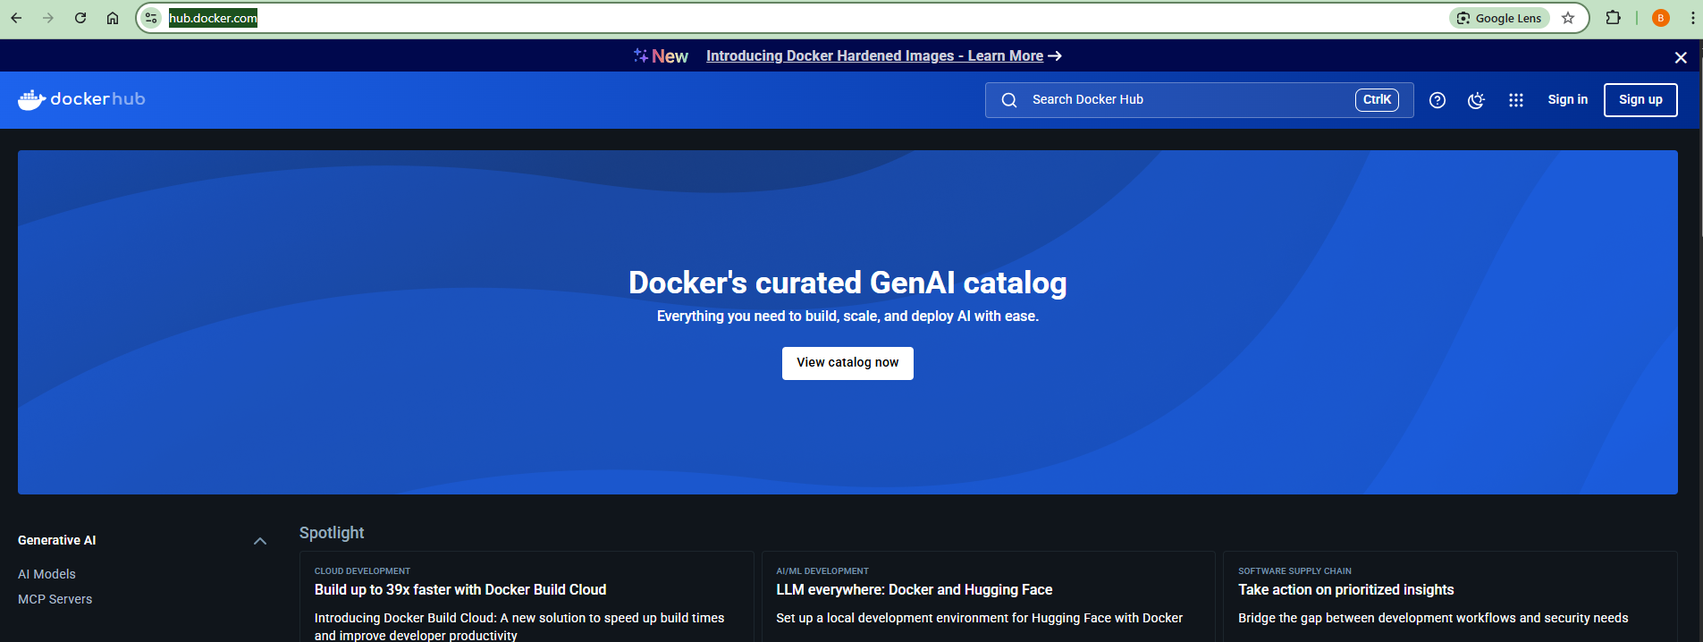

 |  |  | Later we will create an account here and do login kind of stuffs when needed
 |  |  | Now lets search for some pre built image
 |  |  |  | such as node

 |  |  | And what we'll find is the official node docker image,
 |  |  |  | which we could use to build a node application container,
 |  |  |  | a container which will later run a node application
 |  |  | This node image which we find on docker hub can be used by anyone
 |  |  |  | and it is distributed, created and maintained by the official node team
 |  |  | We will use such official images a lot throughout this course
 |  |  |  | and in general when working with darker

 |  |  | But now we are going to use it right away to get started with images and containers
 |  |  |  | This is just for understanding containers and images in a better way
 |  |  |  | but usually we wont use this way

 |  |  | E:\Cloud>docker images
 |  |  | REPOSITORY TAG IMAGE ID CREATED SIZE
 |  |  |  |  |  |  |  |  |  |  |  |  |  | No image before this command
 |  |  | E:\Cloud>docker ps -a
 |  |  | CONTAINER ID IMAGE COMMAND CREATED STATUS PORTS NAMES
 |  |  |  |  |  |  |  |  |  |  |  |  |  | No container before this command
 |  |  | E:\Cloud>docker run node |  |  |  |  |  |  |  |  |  |  | This command will start the container with the latest node image
 |  |  | Unable to find image 'node:latest' locally |  |  |  |  |  |  |  |  |  |  | Not available in our local machine
 |  |  | latest: Pulling from library/node |  |  |  |  |  |  |  |  |  |  |  | So pulling from docker hub
 |  |  | 3e6b9d1a9511: Already exists |  |  |  |  |  |  |  |  |  |  |  | This downloads the latest node image from docker hub
 |  |  | 37927ed901b1: Already exists |  |  |  |  |  |  |  |  |  |  | So, this command here will use this node image
 |  |  | 79b2f47ad444: Already exists |  |  |  |  |  |  |  |  |  |  |  | which we find on docker hub
 |  |  | e23f099911d6: Already exists |  |  |  |  |  |  |  |  |  |  |  | and utilize it to create a container on this image
 |  |  | 2d83ef83188b: Pull complete
 |  |  | 45b194cca635: Pull complete
 |  |  | db907a11de46: Pull complete
 |  |  | 52b7ac13fc22: Pull complete
 |  |  | Digest: sha256:c332080545f1de96deb1c407e6fbe9a7bc2be3645e127845fdcce57a7af3cf56
 |  |  | Status: Downloaded newer image for node:latest

 |  |  | E:\Cloud>docker images
 |  |  | REPOSITORY TAG IMAGE ID CREATED SIZE
 |  |  | node latest ac646c3c87d5 13 days ago 1.13GB |  |  |  |  |  |  |  |  |  |  |  |  |  | //We could see the tag as latest

 |  |  | E:\Cloud>docker ps -a
 |  |  | CONTAINER ID IMAGE COMMAND CREATED STATUS PORTS NAMES
 |  |  | f889ded073b5 node "docker-entrypoint.s…" 14 seconds ago Exited (0) 12 seconds ago fervent_mcnulty

 |  |  |  |  |  |  | We could see it is created 14 seconds ago
 |  |  |  |  |  |  |  | and it exited 12 seconds ago
 |  |  |  |  |  |  |  | which means it lasted only for 2 seconds
 |  |  |  |  |  |  | We could get that it is not doing much
 |  |  |  |  |  |  |  | As the interactive shell exposed by node
 |  |  |  |  |  |  |  | is not exposed by the container in a interactive manner by default

 |  |  | E:\Cloud>docker run -it node |  |  |  |  |  |  |  | Use option -it to run the container in interactive mode
 |  |  | Welcome to Node.js v24.1.0. |  |  |  |  |  |  |  | Using this -it, we are telling docker to expose the interactive session
 |  |  | Type ".help" for more information. |  |  |  |  |  |  |  |  | from the container to our hosting machine
 |  |  | > 1+1 |  |  |  |  |  |  |  | This will take you to the interactive node js env in the container
 |  |  | 2 |  |  |  |  |  |  |  |  | where we could run basic node commands
 |  |  | > 1+4 |  |  |  |  |  |  |  |  | For Ex: 1+1
 |  |  | 5 |  |  |  |  |  |  |  |  | We can also run node APIs
 |  |  | > |  |  |  |  |  |  |  |  | But that’s not the part of this course
 |  |  | (To exit, press Ctrl+C again or Ctrl+D or type .exit)
 |  |  | >

 |  |  | E:\Cloud>node -v
 |  |  | v16.14.0 |  |  |  |  |  | The node version in host machine and container are different
 |  |  |  |  |  |  |  |  |  | which proves that the node used is not from host machine
 |  |  | E:\Cloud> |  |  |  |  |  | We can also do this if node is not there itself in the host machine

 |  | This is how you really work with containers
 |  |  | atleast these are some basic first steps

 |  | This also shows us what images and containers are
 |  | Images are used behind the scenes to hold all the logic and all the code that container needs
 |  |  | and then we create instances of an image called containers

 |  |  | E:\Cloud>docker ps -a
 |  |  | CONTAINER ID IMAGE COMMAND CREATED STATUS PORTS NAMES
 |  |  | 4ed5e557a34b node "docker-entrypoint.s…" 28 minutes ago Exited (0) 5 minutes ago frosty_thompson
 |  |  | f889ded073b5 node "docker-entrypoint.s…" 28 minutes ago Exited (0) 6 minutes ago fervent_mcnulty
 |  |  | Now we are having 2 containers based on the same image
 |  |  | In our case, both are in exited state
 |  |  | But we can have any number of containers with the same image up and running at the same time
 |  |  |  | and each container will behane independent of each other

 |  | 2 | Create your own custom image
 |  |  | Lets think this way
 |  |  | We wont be usually consume a pre-built image and work on ti directly
 |  |  | This is nice to start with
 |  |  | But we have to build our own custom images
 |  |  |  | we can use these pre-built image as base images to build our own custom image
 |  |  |  | but in real time using the pre-built image directly is not a sensible scenario

 |  |  | Now comes the question,
 |  |  |  | What is a base image?
 |  |  |  | All Dockerfiles start from a base image. A base is the image that your image extends.
 |  |  |  | A base image is the starting point for building a Docker image
 |  |  |  | It is the foundation layer upon which you add your own custom files, code, and configurations.
 |  |  |  |  | For Ex.
 |  |  |  |  |  | FROM node:18
 |  |  |  | If you need to completely control the contents of your image,
 |  |  |  |  | you can create your own base image from a Linux distribution of your choosing,
 |  |  |  |  | or use the special FROM scratch base
 |  |  |  | FROM scratch
 |  |  |  | The scratch image is typically used to create minimal images containing only just what an application needs.

 |  |  |  | We have already seen this FROM line in the Dockerfile, which we created in earlier demo

 |  |  | Now the next question,
 |  |  |  | What is a Dockerfile?
 |  |  |  | A Dockerfile is a plain text file that contains a set of instructions on how to build a Docker image.
 |  |  |  | A Dockerfile is a file, using which we will build our own custom images
 |  |  |  | In Demo 1 in the D1 sheet,
 |  |  |  |  | we have created our own custom image from the node:18 base image
 |  |  |  |  | and we have other set of instruction along with this on our base image

 |  |  |  | We have used node in that demo
 |  |  |  |  | But we can create anything like python, go, C, C++, Go, Java etc., etc.,
 |  |  |  |  | Only thing is we have to use the official base image respectiviely in our Dockerfile
 |  |  |  |  | and then add our code on top of that to execute our code with that image

Demo

 | To understand custom images better, lets go through a demo
 | Go through Demo 2, which is in D2 Sheet

Images are Read only
 | Lets take a scernario
 | Lets make a change in server.js file
 |  | Old Code |  |  |  |  | <h2>My Course Goal</h2>
 |  | Modified code |  |  |  |  | <h2>My Course Goal!!</h2>
 | Now lets stop the running container and restart it
 |  | The webserver wont have the modifications
 | This is because, the images are read only
 | When building the image itself,
 |  | it takes the snapshot of the code and copies it to the container
 |  | and it is locked there itself
 | And so if yu make some change
 |  | just restarting the container wont be sufficient
 |  | since you are again starting the container with the old code snapshot
 | Instaed we need to rebuild the image again
 |  | and then start the container with that new image
 | Also not that, the new image will have a different hash from the older image

Understanding Image layers
 | Images are layer based
 | Whenever we rebuild an image
 |  | The rebuild happens only after the layer where modification occurs
 |  | Each layer has its own hash and cache the hash
 |  | And for the unmodified layers, docker will use this cache and wont rebuild again

 | Each instruction in the dockerfile is a layer
 |  | and each layer has its own hash
 |  | which is cached to improve performance during rebuild

 | Whenevr 1 layer change, all subsequent layers will change
 |  |  | Dockerfile1 |  |  |  |  |  |  |  |  |  |  |  |  | Dockerfile2
 |  |  | FROM node |  |  |  |  |  |  |  |  |  |  |  |  | FROM node
 |  |  | WORKDIR /app |  |  |  |  |  |  |  |  |  |  |  |  | WORKDIR /app
 |  |  | COPY . . |  |  |  |  |  |  |  |  |  |  |  |  | COPY package.json .
 |  |  | RUN npm install |  |  |  |  |  |  |  |  |  |  |  |  | RUN npm install
 |  |  |  |  |  |  |  |  |  |  |  |  |  |  |  | COPY . .
 |  |  | EXPOSE 80 |  |  |  |  |  |  |  |  |  |  |  |  | EXPOSE 80
 |  |  | CMD ["node", "server.js"] |  |  |  |  |  |  |  |  |  |  |  |  | CMD ["node", "server.js"]

 |  |  | Modifying sourcode will have no impact in npm install
 |  |  | So no need for it to do again during rebuild
 |  |  | We can use it from cache
 |  |  | But we need package.json file for npm install
 |  |  |  | so lets copy that only before npm install
 |  |  |  | and copy the remaining after npm install
 |  |  | Dockerfile2 will be better
 |  |  |  | as any change in sourcecode wont rebuild the npm installation layer again
 |  |  | Just in performance aspect

 | This layer based architecture of images exists to speed up the creation of images
 |  | since docker only needs to re-execute things
 |  | which only needs to be reexecuted

Attached mode vs Detatched Mode

 | We can run the already stopped container by using docker start
 | No need to instantiate a new container,
 |  | if we don’t have any changes
 |  | and if we already had a stopped container with that image

 |  | Go to other terminal
 |  | E:\Cloud\Demo2> docker ps -a
 |  | CONTAINER ID IMAGE COMMAND CREATED STATUS PORTS NAMES
 |  | 2e213cf9c54d 3908b "docker-entrypoint.s…" 12 seconds ago Up 12 seconds 0.0.0.0:3000->80/tcp friendly_mendeleev
 |  | E:\Cloud\Demo2> docker stop 2e2
 |  | 2e2
 |  | E:\Cloud\Demo2> docker ps
 |  | CONTAINER ID IMAGE COMMAND CREATED STATUS PORTS NAMES
 |  | E:\Cloud\Demo2> docker ps -a
 |  | CONTAINER ID IMAGE COMMAND CREATED STATUS PORTS NAMES
 |  | 2e213cf9c54d 3908b "docker-entrypoint.s…" 38 seconds ago Exited (137) 7 seconds ago friendly_mendeleev
 |  | PS E:\Cloud\Demo2> docker start 2e2
 |  | 2e2
 |  | E:\Cloud\Demo2> docker ps -a
 |  | CONTAINER ID IMAGE COMMAND CREATED STATUS PORTS NAMES
 |  | 2e213cf9c54d 3908b "docker-entrypoint.s…" About a minute ago Up 28 seconds 0.0.0.0:3000->80/tcp friendly_mendeleev

 |  | We could see the same container is up
 |  | But we could notice a difference between run and start

 |  | We cant use the terminal after the docker run till we stop the container from other terminal
 |  | But we can use the same terminal in case of start
 |  |  | And in both cases, the application will work fine

 |  | But Why this happens?
 |  |  | Bcoz, the docker start instantiates the container in detatched mode by default
 |  |  | But, the docker run instantiates the container in attached mode by default

 |  | Then comes the next question.
 |  |  | What is attached mode and detached mode?
 |  |  | Attached Mode
 |  |  |  | You see the container’s output (logs, errors) directly in your terminal.
 |  |  |  |  | Eg: docker run showing console logs

 |  |  |  | You can interact with it if it has a shell or input.
 |  |  |  | Stops when you press Ctrl+C.

 |  |  | Detached Mode
 |  |  |  | Runs the container in the background.
 |  |  |  | Your terminal is free immediately.
 |  |  |  |  | Eg: docker start doesn’t block terminal like docker run

 |  |  |  | You don’t see the output unless you use docker logs.
 |  |  |  |  | E:\Cloud\Demo2>docker logs 2e2
 |  |  |  |  | Learn Kubernetes too!!
 |  |  |  |  | E:\Cloud\Demo2>
 |  |  |  | To see the logs continuously like attached mode,
 |  |  |  |  | we can use the follow up flag -f in docker logs command

 |  |  |  |  |  |  |  |  |  |  |  |  |  |  |  | Use Ctrl+C to exit from the logs

 | By default docker run intantiates the container in attached mode
 |  | But we can make it to run in detached mode using the option -d
 |  |  | docker run -p 3000:80 f50add
 |  |  | docker run -p 3000:80 -d f50add
 | By default docker start intantiates the container in detached mode
 |  | But we can make it to run in attached mode using the option -a
 |  |  | docker start 2e2
 |  |  | docker start -a 2e2

 | We can also use docker attach
 |  | to attach the already running container in detached mode
 | There is no need to restart the container and execute it in attached mode
 |  | docker attach 2e2

Interactive mode

 | Interactive mode means running a container in a way
 |  | that lets you interact with it via terminal input,
 |  |  | like typing commands inside it and providing inputs.

 | To give inputs to the container,
 |  | We have to be in interactive mode

 | To understand interactive mode better, lets go through a demo
 | Go through Demo 3, which is in D3 Sheet

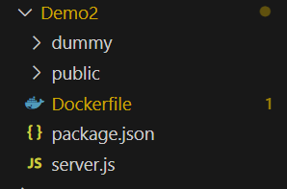
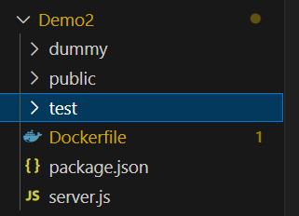
Copying to and from container
 | E:\Cloud>docker cp Demo2/dummy/. nervous_cannon:/test
 | Successfully copied 2.56kB to nervous_cannon:/test

 | E:\Cloud>docker cp nervous_cannon:/test Demo2
 | Successfully copied 2.56kB to E:\Cloud\Demo2

 | The content in dummy folder came back to test via container
 |  | inferring both the copies are success

Naming images and containers

 | Images not only have name, it also have tags
 | Naming an image includes 2 parts
 |  | name:tag
 |  | while name is the a group of specialised images(Basically can be a repository)
 |  | and tag is the specialised image within a group of images

 | Lets go to docker hub and see our node image
 | Scroll down and check for supported tags
 |  | We could see lot of supported tags
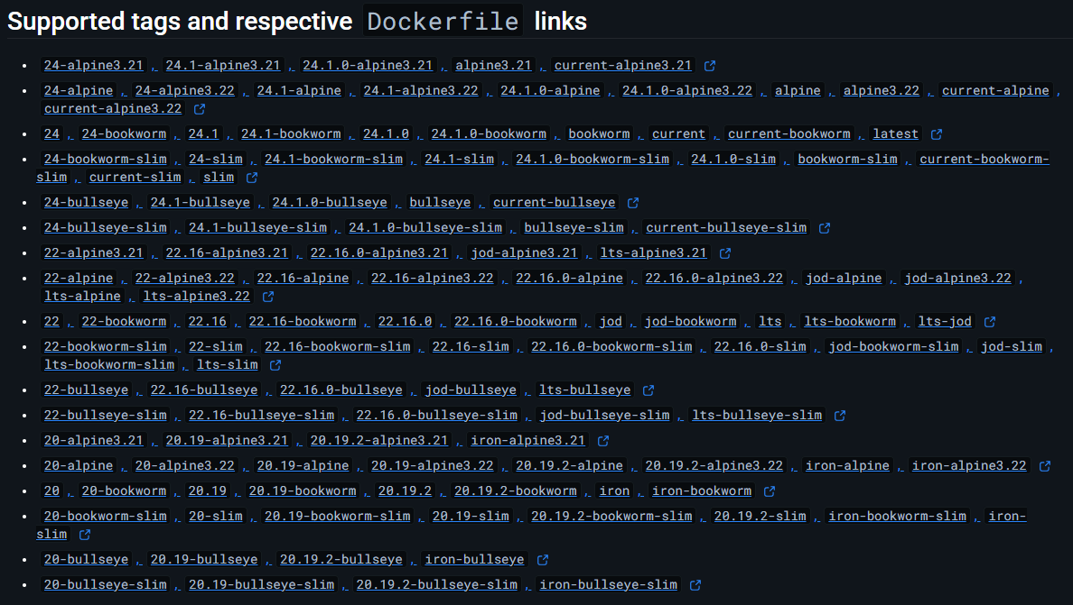

 | We could see different versions of node from 24 to 22 to 20
 | And even in 24, we have many tags 24, 24-alpine etc.,
 |  | This are having node 24 with some specific configurations like extra slim or a particular OS and so on
 | Thus we can have a multiple variety of versions for a single repository
 |  | and based on the tag, the respective image will get pulled

 | Similarly we can also name our images with name:tag pattern
 | E:\Cloud\Demo2>docker build . |  |  |  |  |  |  |  |  |  |  |  |  |  |  | E:\Cloud\Demo2>docker build -t goalsapp:latest .

 | E:\Cloud\Demo2>docker images |  |  |  |  |  |  |  |  |  |  |  |  |  |  | E:\Cloud\Demo2>docker images
 | REPOSITORY TAG IMAGE ID CREATED SIZE |  |  |  |  |  |  |  |  |  |  |  |  |  |  | REPOSITORY TAG IMAGE ID CREATED SIZE
 | <none> <none> 3908b481dc90 3 hours ago 1.14GB |  |  |  |  |  |  |  |  |  |  |  |  |  |  | goalsapp latest 3908b481dc90 3 hours ago 1.14GB

 | Not showing the build output as we have seen it a lot and it occupies space
 | We could see the Repository and tag was initially none
 |  | which then changed with whatever we have given
 | Since we have not done any modifications,
 |  | the hash will be same
 |  | and so the name applied to same image
 | To make it different, we need to do some modifications and build
 | But if we already tagged a image and rebuilt with other repo and tag,
 |  | it will name it for same hash

 |  | E:\Cloud\Demo2>docker build -t goalsapp:latest2 .

 |  | E:\Cloud\Demo2>docker build -t goalsapp2:latest2 .

 |  | E:\Cloud\Demo2>docker images
 |  | REPOSITORY TAG IMAGE ID CREATED SIZE
 |  | goalsapp latest 3908b481dc90 3 hours ago 1.14GB
 |  | goalsapp latest2 3908b481dc90 3 hours ago 1.14GB
 |  | goalsapp2 latest2 3908b481dc90 3 hours ago 1.14GB |  |  |  |  |  |  |  |  |  |  |  |  |  |  | Note that hash remains same

 | This naming may help in situations like
 |  | we are working in 2 different product versions at a same time
 |  | One image can have node 20 and other can have node 22
 |  | One image can have application V1 and other can have application V3
 |  |  | Some customers may use V1 and other may use V3
 |  |  | So that we can work on both the versions simultaneously

 | Now naming a Container
 |  | just use the option --name and name the container

 |  | E:\Cloud\Demo2>docker run -p 3000:80 -d goalsapp:latest
 |  | a7e50c9536df772b4be8e9b72baf722f81e0c9c800a595a761880f30ff72ca88

 |  | E:\Cloud\Demo2>docker ps -a
 |  | CONTAINER ID IMAGE COMMAND CREATED STATUS PORTS NAMES
 |  | a7e50c9536df goalsapp:latest "docker-entrypoint.s…" 7 seconds ago Up 6 seconds 0.0.0.0:3000->80/tcp serene_mcclintock

 |  | E:\Cloud\Demo2>docker run -p 8000:80 -d --name goalsapp goalsapp:latest
 |  | 0a1ccdae12db082e34b6ff9863038bdd59ff72ebfb39f274132833247916dc4e

 |  | E:\Cloud\Demo2>docker ps -a
 |  | CONTAINER ID IMAGE COMMAND CREATED STATUS PORTS NAMES
 |  | 0a1ccdae12db goalsapp:latest "docker-entrypoint.s…" 3 seconds ago Up 2 seconds 0.0.0.0:8000->80/tcp goalsapp
 |  | a7e50c9536df goalsapp:latest "docker-entrypoint.s…" About a minute ago Up About a minute 0.0.0.0:3000->80/tcp serene_mcclintock

 |  | Usually some random names will be generated for containers
 |  |  | Now the name we assigned is given to it
 |  | This will be helpful in seeing logs, stopping & removing containers and all other operations with containers

Sharing images

 | Docker provides many advantages
 |  | Same env for dev and prod
 |  | Share same common env between the team members
 |  | We don’t wanna uninstall & re-install local dependencies and runtime all the time

 | In this, we achieved 3rd point till now
 | To achieve first 2 points, We need to share the image with others

 | If you look at our Dockerfile,
 |  | you could notice we never build the node image ourselves
 |  | we are just using it

 | To make this clear, google github node docker
 |  | you can see the Dockerfile here
 |  | https://github.com/nodejs/docker-node/blob/main/24/alpine3.21/Dockerfile

 | We are not creating this, we are just using it
 |  | since it is shared

 | Similarly we can also share our image
 |  | so that others can use it to create a container
 |  | or they can use ur image as base image as well

 | 2 ways of image sharing
 | 1 | We can zip the source code files, config files along with Dockerfile
 |  |  | and the person receiving it, will extract, build the image, start the container and starts using it
 | 2 | We can build and share the image diectly
 |  |  | and the person receiving the image just need to start the container and can use it

 | We cant see images as files anywhere
 | The way to share these images is through commands

 | Ur local machine ------PUSH------> Docker Hub/Private Registry --------PULL--------> Other Machine

 | Docker hub is simply the official docker image registry |  |  |  |  |  |  |  |  |  |  |  |  |  | Registry Not Repository
 |  | But there are 1000s of other services out there

 | For push and pull to private repo, we need to login
 | This wont push entire image to the registry
 |  | It will take the base image node from the registry directly
 |  | and it pushes only the remaining steps
 |  | thus saves space in docker hub

 | E:\Cloud\Demo2>docker login
 | USING WEB-BASED LOGIN
 | i Info → To sign in with credentials on the command line, use 'docker login -u <username>'
 | Your one-time device confirmation code is: XBVW-BRMZ
 | Press ENTER to open your browser or submit your device code here: https://login.docker.com/activate
 | Waiting for authentication in the browser…
 | Login Succeeded

 | E:\Cloud\Demo2>docker build -t balajikannigesvaran/node-image:v1 . |  |  |  |  |  |  |  |  |  |  |  |  |  |  |  |  |  | We can directly build an image with name wrt registry & repo
 | [+] Building 9.0s (11/11) FINISHED docker:desktop-linux
 | => [internal] load build definition from Dockerfile 0.9s
 | => => transferring dockerfile: 158B 0.3s
 | => [internal] load metadata for docker.io/library/node:latest 4.9s
 | => [auth] library/node:pull token for registry-1.docker.io 0.0s
 | => [internal] load .dockerignore 0.0s
 | => => transferring context: 2B 0.0s
 | => [1/5] FROM docker.io/library/node:latest@sha256:c332080545f1de96deb1c407e6fbe9a7bc2be3645e127845fdcce57a7af3 0.4s
 | => => resolve docker.io/library/node:latest@sha256:c332080545f1de96deb1c407e6fbe9a7bc2be3645e127845fdcce57a7af3 0.2s
 | => [internal] load build context 0.2s
 | => => transferring context: 155B 0.2s
 | => CACHED [2/5] WORKDIR /app 0.0s
 | => CACHED [3/5] COPY package.json . 0.0s
 | => CACHED [4/5] RUN npm install 0.0s
 | => CACHED [5/5] COPY . . 0.0s
 | => exporting to image 0.4s
 | => => exporting layers 0.0s
 | => => writing image sha256:3908b481dc9024331ad560a7fdc05d426846903c96d64430a85f0da015a48c9f 0.0s
 | => => naming to docker.io/balajikannigesvaran/node-image:v1 0.0s

 | View build details: docker-desktop://dashboard/build/desktop-linux/desktop-linux/vosp06o2qx5xy3q6osxl6aev8

 | E:\Cloud\Demo2>docker push balajikannigesvaran/node-image:v1
 | The push refers to repository [docker.io/balajikannigesvaran/node-image]
 | a89f62ed8ce5: Pushed
 | 62b7225552e5: Pushed
 | 79f1ad081954: Pushed
 | cc6718452c46: Pushed
 | bdb262aae736: Mounted from library/node
 | 93e4c6fd0c46: Mounted from library/node
 | 4e957d2903b7: Mounted from library/node
 | 402c775e8cd6: Mounted from library/node
 | ce84ba212e49: Mounted from library/python
 | e4dc8cd9ecc8: Mounted from library/python
 | 6428cc293366: Mounted from library/python
 | 2f7436e79a0b: Mounted from library/python
 | v1: digest: sha256:ddd8a5b155b3d2e2be2efcc7632bb3855de2f40c5e91b3dd2f52053c03018352 size: 2836
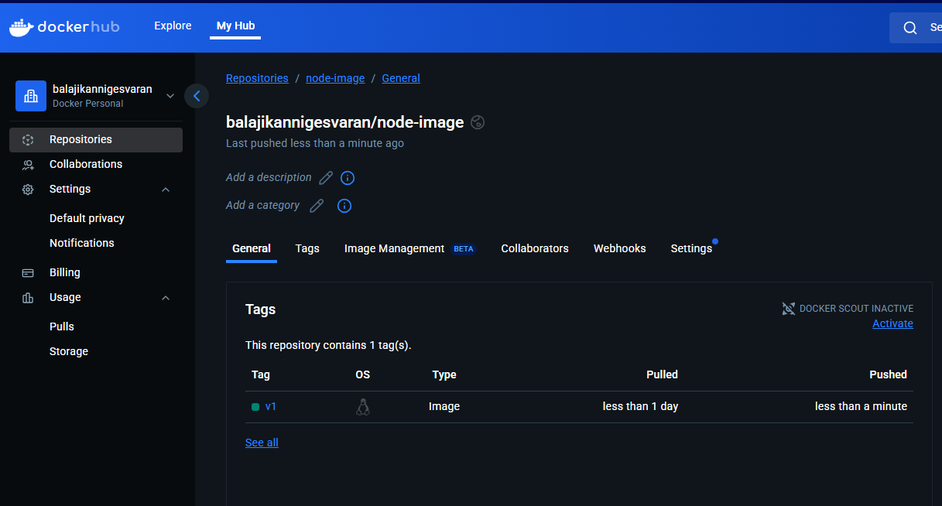

 | Else we can tag any image wrt to registry repository structure and then push
 | E:\Cloud\Demo2>docker build -t node-cust:v3 .
 | [+] Building 0.0s (0/0) docker:desktop-linux
 | 2025/06/09 15:38:43 http2: server: error reading preface from client //./pipe/dockerDesktopLinuxEngine:
 |  |  | file has alread[+] Building 1.6s (10/10) FINISHED docker:desktop-linux
 | => [internal] load build definition from Dockerfile 0.1s
 | => => transferring dockerfile: 158B 0.0s
 | => [internal] load metadata for docker.io/library/node:latest 1.1s
 | => [internal] load .dockerignore 0.0s
 | => => transferring context: 2B 0.0s
 | => [1/5] FROM docker.io/library/node:latest@sha256:c332080545f1de96deb1c407e6fbe9a7bc2be3645e127845fdcce57a7af3 0.0s
 | => => resolve docker.io/library/node:latest@sha256:c332080545f1de96deb1c407e6fbe9a7bc2be3645e127845fdcce57a7af3 0.0s
 | => [internal] load build context 0.0s
 | => => transferring context: 155B 0.0s
 | => CACHED [2/5] WORKDIR /app 0.0s
 | => CACHED [3/5] COPY package.json . 0.0s
 | => CACHED [4/5] RUN npm install 0.0s
 | => CACHED [5/5] COPY . . 0.0s
 | => exporting to image 0.1s
 | => => exporting layers 0.0s
 | => => writing image sha256:3908b481dc9024331ad560a7fdc05d426846903c96d64430a85f0da015a48c9f 0.0s
 | => => naming to docker.io/library/node-cust:v3 0.0s

 | View build details: docker-desktop://dashboard/build/desktop-linux/desktop-linux/v7fi8bsbkqs901yo96wbbydbc

 | E:\Cloud\Demo2>docker tag node-cust:v3 balajikannigesvaran/node-image:v2 |  |  |  |  |  |  |  |  |  |  |  |  |  |  |  |  |  |  | Renaming as per registry/repository

 | E:\Cloud\Demo2>docker push balajikannigesvaran/node-image:v2
 | The push refers to repository [docker.io/balajikannigesvaran/node-image]
 | a89f62ed8ce5: Layer already exists
 | 62b7225552e5: Layer already exists |  |  |  |  |  |  |  |  |  |  |  | To push the image it should be in the format of registry and repository
 | 79f1ad081954: Layer already exists |  |  |  |  |  |  |  |  |  |  |  | Since it is docker hub, we don’t mention the registry here
 | cc6718452c46: Layer already exists |  |  |  |  |  |  |  |  |  |  |  | For private registries, we have to mention them also
 | bdb262aae736: Layer already exists
 | 93e4c6fd0c46: Layer already exists
 | 4e957d2903b7: Layer already exists
 | 402c775e8cd6: Layer already exists
 | ce84ba212e49: Layer already exists
 | e4dc8cd9ecc8: Layer already exists
 | 6428cc293366: Layer already exists
 | 2f7436e79a0b: Layer already exists
 | v2: digest: sha256:ddd8a5b155b3d2e2be2efcc7632bb3855de2f40c5e91b3dd2f52053c03018352 size: 2836
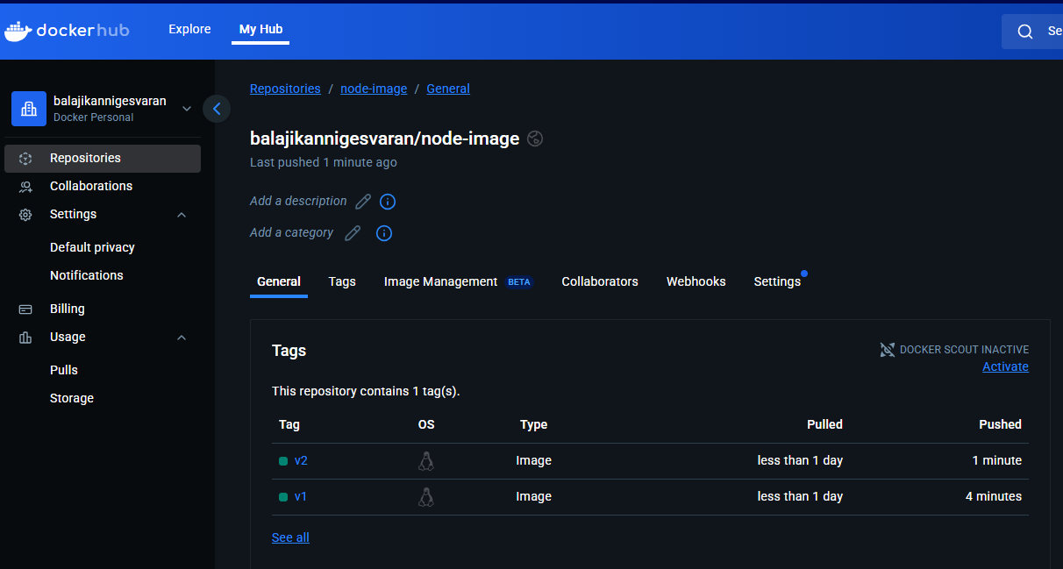

 | E:\Cloud\Demo2>docker images
 | REPOSITORY TAG IMAGE ID CREATED SIZE
 | balajikannigesvaran/node-image v1 3908b481dc90 6 hours ago 1.14GB
 | balajikannigesvaran/node-image v2 3908b481dc90 6 hours ago 1.14GB
 | node-cust v3 3908b481dc90 6 hours ago 1.14GB

 | E:\Cloud\Demo2>docker image prune -a |  |  |  |  |  |  |  |  |  |  |  |  |  |  |  |  | Removing all images
 | WARNING! This will remove all images without at least one container associated to them.
 | Are you sure you want to continue? [y/N] y
 | Deleted Images:
 | untagged: balajikannigesvaran/node-image:v1
 | untagged: balajikannigesvaran/node-image:v2
 | untagged: balajikannigesvaran/node-image@sha256:ddd8a5b155b3d2e2be2efcc7632bb3855de2f40c5e91b3dd2f52053c03018352
 | untagged: node-cust:v3
 | deleted: sha256:3908b481dc9024331ad560a7fdc05d426846903c96d64430a85f0da015a48c9f

 | Total reclaimed space: 0B

 | E:\Cloud\Demo2>docker images
 | REPOSITORY TAG IMAGE ID CREATED SIZE

 | E:\Cloud\Demo2>docker pull balajikannigesvaran/node-image:v1
 | v1: Pulling from balajikannigesvaran/node-image
 | 3e6b9d1a9511: Already exists |  |  |  |  |  |  |  |  |  | This will work even if we run without pulling
 | 37927ed901b1: Already exists |  |  |  |  |  |  |  |  |  | But what it doesnot do is
 | 79b2f47ad444: Already exists |  |  |  |  |  |  |  |  |  |  | if you have updated image in registry
 | e23f099911d6: Already exists |  |  |  |  |  |  |  |  |  |  | and local image in local
 | 2d83ef83188b: Already exists |  |  |  |  |  |  |  |  |  |  | it wont chack registry
 | 45b194cca635: Already exists |  |  |  |  |  |  |  |  |  |  | it will take local image and build
 | db907a11de46: Already exists |  |  |  |  |  |  |  |  |  | If the image itself is not there when running,
 | 52b7ac13fc22: Already exists |  |  |  |  |  |  |  |  |  |  | it will take the updated one from registry
 | 05e27b1387a3: Already exists
 | a8eb24359395: Already exists
 | 863c80f9fbe1: Already exists
 | f21ea4a5ff4d: Already exists
 | Digest: sha256:ddd8a5b155b3d2e2be2efcc7632bb3855de2f40c5e91b3dd2f52053c03018352
 | Status: Downloaded newer image for balajikannigesvaran/node-image:v1
 | docker.io/balajikannigesvaran/node-image:v1

 | E:\Cloud\Demo2>docker images
 | REPOSITORY TAG IMAGE ID CREATED SIZE
 | balajikannigesvaran/node-image v1 3908b481dc90 6 hours ago 1.14GB

 | E:\Cloud\Demo2>docker run -p 3000:80 -d --name node-app balajikannigesvaran/node-image:v1
 | 4053c0b573605b6c6bf9f75a00848ef73097fc61b08e46b57811f6bcb5a85409

 | E:\Cloud\Demo2>docker ps -a
 | CONTAINER ID IMAGE COMMAND CREATED STATUS PORTS NAMES
 | 4053c0b57360 balajikannigesvaran/node-image:v1 "docker-entrypoint.s…" 14 seconds ago Up 12 seconds 0.0.0.0:3000->80/tcp node-app

 | E:\Cloud\Demo2>docker logout
 | Removing login credentials for https://index.docker.io/v1/

D1
Demo1
Here we have a node js application
 | with some basic dummy code

And in the end this will start a web server on port 3000
 | app.listen(3000);
 | which will listen to get request on no particular path('/')
 |  | app.get("/", (req, res) => {
 |  | res.send("<h2>Hi There</h2>"); |  |  |  |  |  | and then will send back some dummy HTML
 |  | });

There is also an dummy DB connection code
 | await connectToDatabase();
 | which does not really connect
 | but just set a timer of 1 sec
 |  | setTimeout(() => {
 |  | resolve();
 |  | }, 1000);
 | until the server is launched in the end
 |  | await connectToDatabase();
 |  | app.listen(3000);

await is a node js feature for working with asynchronous code
 | which will work only if we use node js version 14.3 and above

The below is the complete node js code
 | app.mjs |  |  |  |  |  |  |  | helpers.mjs
 | import express from "express"; |  |  |  |  |  |  |  | const connectToDatabase = () => {
 |  |  |  |  |  |  |  |  | const dummyPromise = new Promise((resolve, reject) => {
 | import connectToDatabase from "./helpers.mjs"; |  |  |  |  |  |  |  | setTimeout(() => {
 |  |  |  |  |  |  |  |  | resolve();
 | const app = express(); |  |  |  |  |  |  |  | }, 1000);
 |  |  |  |  |  |  |  |  | });
 | app.get("/", (req, res) => {
 | res.send("<h2>Hi There</h2>"); |  |  |  |  |  |  |  | return dummyPromise;
 | }); |  |  |  |  |  |  |  | };

 | await connectToDatabase(); |  |  |  |  |  |  |  | export default connectToDatabase;

 | app.listen(3000);

If we want to run it locally without containers
 | we have to download the latest node js version from node.org
Then go to the terminal and run the command npm install
 | which needs all the third party packages
And then we have to execute the code with node app.mjs command

The idea with docker was a different one
For that, first we need to create image
 | Bcoz containers are always based on images
We will learn more about the relation between container and image later
For the moment, lets see how to create an image
Image Creation
 | Create a docker file with name Dockerfile without any extention
 | We will use this file to describe docker that how our container in the end should be set up
 | We do this with some instructions
 | Dockerfile
 | FROM node:18 |  |  |  |  | We wanna use node js inside our container
 |  |  |  |  |  |  | so we are using node:18 base image
 | WORKDIR /app |  |  |  |  | The directory in which we wanna work inside the container

 | COPY package.json . |  |  |  |  | Copying the package.json file to our WORKDIR
 |  |  |  |  |  |  | .' will represent the WORKDIR
 | RUN npm install |  |  |  |  | Running the npm install to get all third party packages

 | COPY . . |  |  |  |  | Copying the rest of the code from the path where Dockerfile is present(.) to WORKDIR(.)

 | EXPOSE 3000 |  |  |  |  | We expose the port 3000 to the outside world
 |  |  |  |  |  |  | bcoz that the port our application is listening on |  |  | Refer row 41
 | CMD [ "node", "app.mjs"] |  |  |  |  | Then we execute app.mjs with the node command
 |  |  |  |  | which is available bcoz we are running it in a node environment
 | These are just a quick walkthrough
 |  | We will learn in detail in the upcoming sections
With this docker file, give the below command to create an image from the Docker file
 | docker build .
The image will be based on the docker file
It will grab this node:18 environment
 | which already exists
 | It will download it from the cloud(Docker hub)
Then it will setup an image for a container to launch with all the commands
 | => [1/5] FROM docker.io/library/node:18@sha256:c6ae79e38498325db67193d391e6ec1d224d96c693a8a4d943498556716d3783 0.0s
 | => [internal] load build context 0.0s
 | => => transferring context: 252B 0.0s
 | => CACHED [2/5] WORKDIR /app 0.0s
 | => CACHED [3/5] COPY package.json . 0.0s
 | => CACHED [4/5] RUN npm install 0.0s
 | => CACHED [5/5] COPY . . 0.0s

It will have something like this
 | Will show each and every step
 | And some system will also show hash for each and every step
 | This hash will be saved and if you make change in the 4th step
 |  | it will take the hash till 3rd step and starts to build the image from the 4th step
Finally at the end, it will give the hash of the image built
 | => => writing image sha256:230c66d47725cbe251a646efde8e2bc49d6fc6c92df1c9d3baad4ab0ad70a007
We can cross check this by listing the images using the command
 | The image id will match with the sha hash created
 | docker images
 | E:\Cloud\Demo1>docker images
 | REPOSITORY TAG IMAGE ID CREATED SIZE
 | <none> <none> 230c66d47725 28 minutes ago 1.1GB
Then we can launch the container using docker run command
 | docker run <image>
 | Since we have port in this application, to which we wanna communicate
 |  | we need to publish the port on the container in which we wanna run
 |  | For that we can use -p option in docker run command
 | docker run -p <host port>:<container port> <image>
 |  | There will be no connection between the port inside the container and our host system by default
 |  | If we do like this
 |  |  | the port inside the container will be mapped with the host post
 |  |  | and in the host machine, we can access it with localhost:<hostport>
 |  | If we don’t publish the port,
 |  |  | it is a locked network and we cant reach it from the outside world
 |  | If we run the command, it will stuck like below

 |  | To make sure the container runs
 |  |  | Open a new terminal
 |  |  | List all the containers using docker ps command
 |  |  | docker ps
 |  |  | E:\Cloud\Demo1>docker ps
 |  |  | CONTAINER ID IMAGE COMMAND CREATED STATUS PORTS NAMES
 |  |  | d69957640b4a 230c66d "docker-entrypoint.s…" 51 seconds ago Up 49 seconds 0.0.0.0:3000->3000/tcp gifted_neumann |  |  |  |  |  |  |  | We could see the name of the container is randomly generated
 |  |  |  |  |  |  |  |  |  |  | But image wont be named like that
 |  | Now we confirmed the container is up with the image which we used |  |  |  |  |  |  |  |  |  | it will be none
 |  | With this, try accessing localhost:<hostport> |  |  |  |  |  |  |  |  |  | E:\Cloud\Demo1>docker images
 |  |  | This will access the container port mapped with the host port |  |  |  |  |  |  |  |  | REPOSITORY TAG IMAGE ID CREATED SIZE
 |  |  |  | and then will give the html page as in the node js application running in that container port |  |  |  |  |  |  |  | <none> <none> 230c66d47725 28 minutes ago 1.1GB
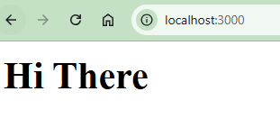

 | Thus we executed the node application inside the docker container
 |  | without installing node and npm package installing

 | Even now, we don’t know most of the things.
 | Lets deep dive in in the upcoming sections

 | Finally stop the container and then remove the container and finally remove the image
 | This has to be done in order
 | If you try to remove a container before stopping, it will throw error
 | And if you try to remove the image, before removing all the containers running with this image, it will throw error

 | E:\Cloud\Demo1>docker images |  |  |  |  |  |  |  |  |  |  | Lists images
 | REPOSITORY TAG IMAGE ID CREATED SIZE
 | <none> <none> 230c66d47725 About an hour ago 1.1GB

 | E:\Cloud\Demo1>docker rmi 230c66d |  |  |  |  |  |  |  |  |  |  | Trying to remove image, which is used by a running container
 | Error response from daemon: conflict: unable to delete 230c66d47725 (cannot be forced) - image is being used by running container d69957640b4a |  |  |  |  |  |  |  |  |  |  | Got error

 | E:\Cloud\Demo1>docker ps |  |  |  |  |  |  |  |  |  |  | Lists running containers
 | CONTAINER ID IMAGE COMMAND CREATED STATUS PORTS NAMES
 | d69957640b4a 230c66d "docker-entrypoint.s…" 28 minutes ago Up 28 minutes 0.0.0.0:3000->3000/tcp gifted_neumann

 | E:\Cloud\Demo1>docker rm d6995764 |  |  |  |  |  |  |  |  |  |  | Trying to remove a running container
 | Error response from daemon: cannot remove container "/gifted_neumann": container is running: stop the container before |  |  |  |  |  |  |  |  |  |  | Got error
 | removing or force remove

 | E:\Cloud\Demo1>docker stop d6995764 |  |  |  |  |  |  |  |  |  |  | Stopped the running container
 | d6995764

 | E:\Cloud\Demo1>docker ps |  |  |  |  |  |  |  |  |  |  | Listing running containers
 | CONTAINER ID IMAGE COMMAND CREATED STATUS PORTS NAMES

 | E:\Cloud\Demo1>docker ps -a |  |  |  |  |  |  |  |  |  |  | Listing all containers
 | CONTAINER ID IMAGE COMMAND CREATED STATUS PORTS NAMES |  |  |  |  |  |  |  |  |  |  | Stopped container is there
 | d69957640b4a 230c66d "docker-entrypoint.s…" 29 minutes ago Exited (137) 7 seconds ago gifted_neumann

 | E:\Cloud\Demo1>docker rm d6995764 |  |  |  |  |  |  |  |  |  |  | Removing the stopped container
 | d6995764 |  |  |  |  |  |  |  |  |  |  | Now no error

 | E:\Cloud\Demo1>docker ps |  |  |  |  |  |  |  |  |  |  | Listing running containers
 | CONTAINER ID IMAGE COMMAND CREATED STATUS PORTS NAMES

 | E:\Cloud\Demo1>docker ps -a |  |  |  |  |  |  |  |  |  |  | Listing all containers
 | CONTAINER ID IMAGE COMMAND CREATED STATUS PORTS NAMES

 | E:\Cloud\Demo1>docker rmi 230c66d |  |  |  |  |  |  |  |  |  |  | Removing image, as no dependecy is there
 | Deleted: sha256:230c66d47725cbe251a646efde8e2bc49d6fc6c92df1c9d3baad4ab0ad70a007 |  |  |  |  |  |  |  |  |  |  | Removed properly

 | E:\Cloud\Demo1>docker images |  |  |  |  |  |  |  |  |  |  | Listing image
 | REPOSITORY TAG IMAGE ID CREATED SIZE

 | E:\Cloud\Demo1>

 | No need to go till the image removal
 | Once we stop the container itself
 |  | the app running in the container port will go down
 |  | and the host port have nothing to map with
 |  | and so if we reload the page 'localhost:<hostport>' afte stopping the container
 |  | it will throw error as page not available
 | To make it work again, we need to runt he container again and map the port properly

D2
Demo 2A - Direct node execution |  |  |  |  |  |  | Demo 2B - Docker execution
We have created a dummy node project |  |  |  |  |  |  | Let us take the same set of files
 | and there is no need to know node to follow along

server.js |  |  | File containing our main node application code |  |  |  | server.js |  |  | File containing our main node application code
const express = require("express"); |  |  |  |  |  |  | const express = require("express");
const bodyParser = require("body-parser"); |  |  |  |  |  |  | const bodyParser = require("body-parser");

const app = express(); |  |  |  |  |  |  | const app = express();

let userGoal = "Learn Docker!"; |  |  |  |  |  |  | let userGoal = "Learn Docker!";

app.use( |  |  |  |  |  |  | app.use(
bodyParser.urlencoded({ |  |  |  |  |  |  | bodyParser.urlencoded({
extended: false, |  |  |  |  |  |  | extended: false,
}) |  |  |  |  |  |  | })
); |  |  |  |  |  |  | );

app.use(express.static("public")); |  |  |  |  |  |  | app.use(express.static("public"));

app.get("/", (req, res) => { |  |  |  | our domain/ nothing with a get http request |  |  | app.get("/", (req, res) => {
res.send(` |  |  |  |  | will return the HTML code |  | res.send(`
<html> |  |  |  |  |  |  | <html>
<head> |  |  |  |  |  |  | <head>
<link rel="stylesheet" href="styles.css"> |  |  |  |  |  |  | <link rel="stylesheet" href="styles.css">
</head> |  |  |  |  |  |  | </head>

<body> |  |  |  |  |  |  | <body>
<section> |  |  |  |  |  |  | <section>
<h2>My Course Goal</h2> |  |  |  |  |  |  | <h2>My Course Goal</h2>
<h3>${userGoal}</h3> |  |  |  | This will be Learn Docker by default as per row 11 |  |  | <h3>${userGoal}</h3>
</section> |  |  |  | And it will become enteredGoal if redirected from row 49 |  |  | </section>
<form action="/store-goal" method="POST"> |  |  |  |  | The enteredGoal will be retrieved from incoming request body for POST method |  | <form action="/store-goal" method="POST">
<div class="form-control"> |  |  |  |  |  |  | <div class="form-control">
<label>Course Goal</label> |  |  |  |  |  |  | <label>Course Goal</label>
<input type="text" name="goal"> |  |  |  |  |  |  | <input type="text" name="goal">
</div> |  |  |  |  |  |  | </div>
<button>Set Course Goal</button> |  |  |  |  |  |  | <button>Set Course Goal</button>
</form> |  |  |  |  |  |  | </form>
</body> |  |  |  |  |  |  | </body>
</html> |  |  |  |  |  |  | </html>
`); |  |  |  |  |  |  | `);
}); |  |  |  |  |  |  | });

app.post("/store-goal", (req, res) => { |  |  |  | our domain/store-goal with a post request |  |  | app.post("/store-goal", (req, res) => {
const enteredGoal = req.body.goal; |  |  |  |  | where we will retrieve goal value from the incoming request body |  | const enteredGoal = req.body.goal;
console.log(enteredGoal); |  |  |  |  | and then log this goal to the console |  | console.log(enteredGoal);
userGoal = enteredGoal; |  |  |  |  | and then we set the userGoal variable with the goal entered |  | userGoal = enteredGoal;
res.redirect("/"); |  |  |  |  | and then finally redirect to '/' |  | res.redirect("/");
}); |  |  |  |  |  | which will do the domain/nothing with get request | });

app.listen(80); |  |  |  | This starts a web server with node js listening on port 80 |  |  | app.listen(80);

This is JS code, executed with node to bring up such a node server |  |  |  |  |  |  | styles.css
We don’t need to know node for this |  |  |  |  |  |  | html {
 | This is just an application which we wanna run in docker container |  |  |  |  |  | font-family: sans-serif;
 |  |  |  |  |  |  | }
The two other key things belong to this project
1 | public folder |  |  |  |  |  | body {
 |  | which has css file |  |  |  |  | margin: 0;
 | This will be loaded automatically by telling the node server |  |  |  |  |  | }
 |  | to redirect requests for the files to public folder
 |  | app.use(express.static("public")); |  |  |  |  | section,
 |  | and file requests are in HTML code as below |  |  |  |  | form {
 |  | <link rel="stylesheet" href="styles.css"> |  |  |  |  | padding: 1rem;
 |  |  |  |  |  |  | border-radius: 12px;
 | styles.css |  |  |  |  |  | box-shadow: 0 2px 8px rgba(0, 0, 0, 0.26);
 | html { |  |  |  |  |  | margin: 2rem auto;
 | font-family: sans-serif; |  |  |  |  |  | max-width: 40rem;
 | } |  |  |  |  |  | }

 | body { |  |  |  |  |  | .form-control {
 | margin: 0; |  |  |  |  |  | margin: 0.5rem 0;
 | } |  |  |  |  |  | }

 | section, |  |  |  |  |  | input {
 | form { |  |  |  |  |  | font: inherit;
 | padding: 1rem; |  |  |  |  |  | }
 | border-radius: 12px;
 | box-shadow: 0 2px 8px rgba(0, 0, 0, 0.26); |  |  |  |  |  | input,
 | margin: 2rem auto; |  |  |  |  |  | label {
 | max-width: 40rem; |  |  |  |  |  | display: block;
 | } |  |  |  |  |  | }

 | .form-control { |  |  |  |  |  | label {
 | margin: 0.5rem 0; |  |  |  |  |  | font-weight: bold;
 | } |  |  |  |  |  | margin-bottom: 0.5rem;
 |  |  |  |  |  |  | }
 | input {
 | font: inherit; |  |  |  |  |  | button {
 | } |  |  |  |  |  | background-color: #2f005a;
 |  |  |  |  |  |  | border: 1px solid #2f005a;
 | input, |  |  |  |  |  | color: white;
 | label { |  |  |  |  |  | cursor: pointer;
 | display: block; |  |  |  |  |  | padding: 0.5rem 1.5rem;
 | } |  |  |  |  |  | }

 | label { |  |  |  |  |  | button:hover,
 | font-weight: bold; |  |  |  |  |  | button:active {
 | margin-bottom: 0.5rem; |  |  |  |  |  | background-color: #50005a;
 | } |  |  |  |  |  | border-color: #50005a;
 |  |  |  |  |  |  | }
 | button {
 | background-color: #2f005a; |  |  |  |  |  | package.json file
 | border: 1px solid #2f005a; |  |  |  |  |  | {
 | color: white; |  |  |  |  |  | "name": "docker-complete",
 | cursor: pointer; |  |  |  |  |  | "version": "1.0.0",
 | padding: 0.5rem 1.5rem; |  |  |  |  |  | "description": "",
 | } |  |  |  |  |  | "main": "server.js",
 |  |  |  |  |  |  | "author": "Maximilian Schwarzmüller / Academind GmbH",
 | button:hover, |  |  |  |  |  | "license": "MIT",
 | button:active { |  |  |  |  |  | "dependencies": {
 | background-color: #50005a; |  |  |  |  |  | "express": "^4.17.1",
 | border-color: #50005a; |  |  |  |  |  | "body-parser": "1.19.0"
 | } |  |  |  |  |  | }
 |  |  |  |  |  |  | }
2 | package.json file
 | Here we explain this node application |  |  |  |  |  | To build a custom image
 |  | and that is a node exclusive concept |  |  |  |  |  | Lets go to the folder containing our source code
 | It has nothing to do with docker |  |  |  |  |  |  | and create the Dockerfile there
 | { |  |  |  |  |  | Note: We can have it anywhere and we can give it any name
 | "name": "docker-complete", |  |  |  |  |  |  | We will see those cases later in the course
 | "version": "1.0.0", |  |  |  |  |  | For now, lets create the Dockerfile in the source code path
 | "description": "", |  |  |  |  |  | This name Dockerfile is a special name,
 | "main": "server.js", |  |  |  |  |  |  | will be identified by Docker for building images
 | "author": "Maximilian Schwarzmüller / Academind GmbH",
 | "license": "MIT", |  |  |  |  |  | To get the best possible support for writing Dockerfiles
 | "dependencies": { |  |  | Here, we tell node about the dependencies |  |  |  | install the Docker extension in vs code
 | "express": "^4.17.1", |  |  |  | whichever Third party packages we need to run this node application |  | Its not a must have,
 | "body-parser": "1.19.0" |  |  |  |  |  |  | but it will make our lives easier
 | }
 | } |  |  |  |  |  | Lets create the Docker file
 |  |  |  |  |  |  | What does this file will have
To run this project locally |  |  |  |  |  |  | This file will contain the instructions
 | we need to install node JS from the node.org website |  |  |  |  |  |  | that we wanna execute when we build our own image
And go in our project folder and open the terminal
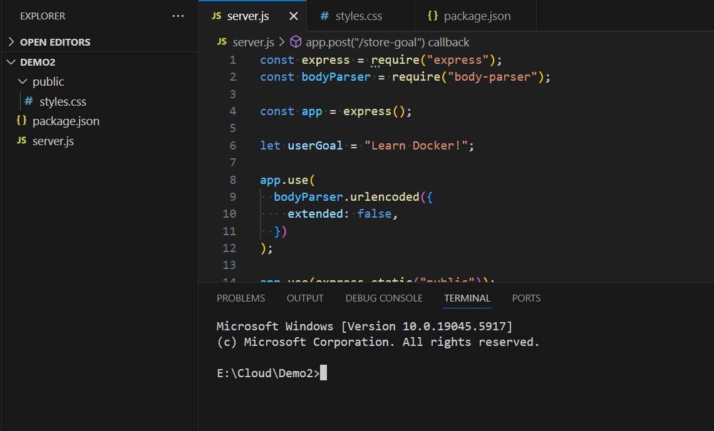
 |  |  |  |  |  |  | Typically, we will start with FROM instruction
 |  |  |  |  |  |  | This allows you to build your image up on other base image
 |  |  |  |  |  |  |  | FROM node
 |  |  |  |  |  |  | This node image may be available locally in your system
 |  |  |  |  |  |  |  | if not, it will take from docker hub
 |  |  |  |  |  |  | With this, we are telling docker that
 |  |  |  |  |  |  |  | I wanna start my custom image by pulling in node image

 |  |  |  |  |  |  | With the next instruction,
 |  |  |  |  |  |  |  | we are going to tell docker
 |  |  |  |  |  |  |  | which files present in our local system
 |  |  |  |  |  |  |  | have to go into container
 |  |  |  |  |  |  | Basically we have to copy our source code and reqd files
 |  |  |  |  |  |  |  | from local machine to container
 |  |  |  |  |  |  |  | COPY . .
Run npm install |  |  |  |  |  |  |  | First . --> Path in our local machine
 | which will download and install all the dependecies |  |  |  |  |  |  | Second . --> Path in our Container
 | whichever is specified in the package.json |  |  |  |  |  |  | . means current directory
Now we could see, node_modules and package-lock.json got additionally added into the project folder |  |  |  |  |  |  |  |  | which means the same folder that contains the Dockerfile outside the container
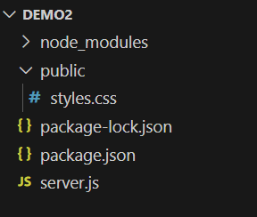
 |  |  |  |  |  |  |  |  | and WORKDIR inside the container
 |  |  |  |  |  |  | This will copy all the folders, subfolders everything from the local machine to container
 |  |  |  |  |  |  | Inside the container, if WORKDIR is not given
 |  |  |  |  |  |  |  | it will be stored in root folder
 |  |  |  |  |  |  |  | which is not advisable
 |  |  |  |  |  |  | So we can give some path instead .
 |  |  |  |  |  |  |  | in case WORKDIR is not mentioned
 |  |  |  |  |  |  |  | COPY . /app
 |  |  |  |  |  |  |  | This will copy everything from the path having Dockerfile from the host machine
Execude the server.js file with node command |  |  |  |  |  |  |  |  | to the folder /app inside the container
 | which will start the webserber in the specified port |  |  |  |  |  |  | If this /app folder will be created inside the container
 | E:\Cloud\Demo2>node server.js |  |  |  |  |  |  |  | if this folder is not available
Now go to the localhost in any browser
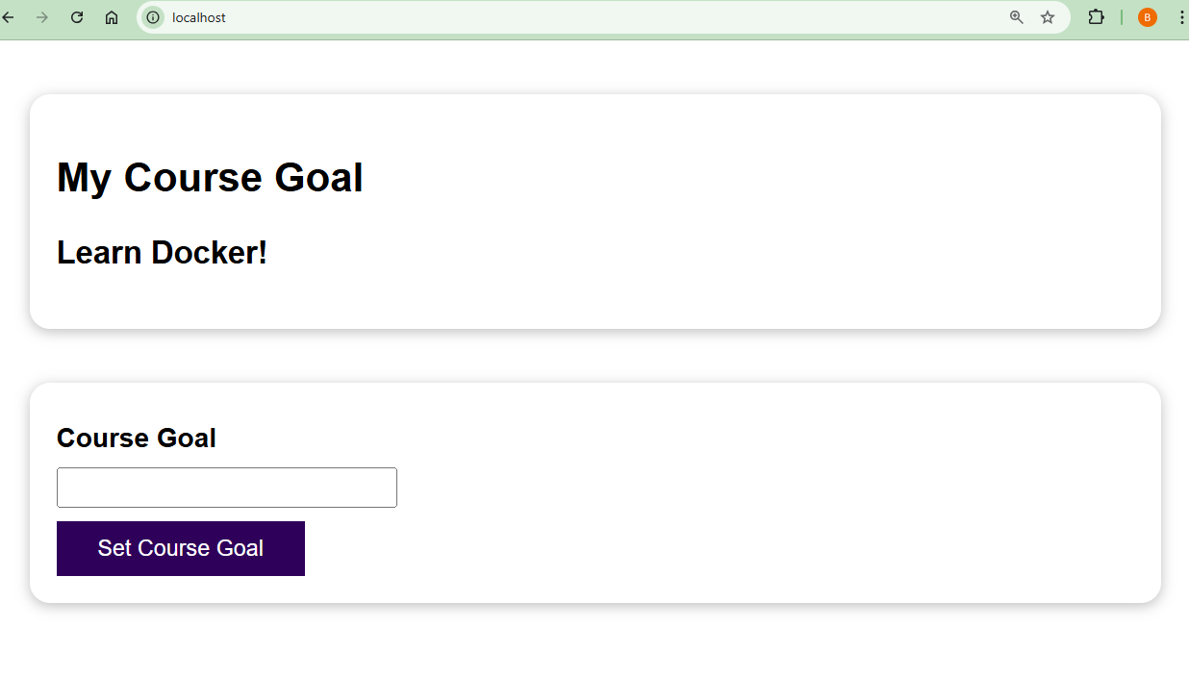
 |  |  |  |  |  |  | Now we will be having a question on what is WORKDIR
 |  |  |  |  |  |  | This will tell docker that all the subsequent commands will get executed inside that folder
 |  |  |  |  |  |  | We can set the working directory inside the container
 |  |  |  |  |  |  |  | for all the following instructions like RUN,COPY,CMD etc
 |  |  |  |  |  |  |  | COPY . /app |  |  | WORKDIR /app
 |  |  |  |  |  |  |  |  |  |  | COPY . .
 |  |  |  |  |  |  |  | When using WORKDIR, the working directory is changed from root to /app
 |  |  |  |  |  |  |  | So when we give ., it will get copied to /app
 |  |  |  |  |  |  | If we set the WORKDIR,
 |  |  |  |  |  |  |  | all the following commands will take up this
 |  |  |  |  |  |  | So if we want to do it for all commands, do this
 |  |  |  |  |  |  | Else just modify the path in COPY command itself
 |  |  |  |  |  |  | But setting the WORKDIR is more convineient way
We could also set some goal and see that in action |  |  |  |  |  |  |  | as we wont be doing anything in root folder
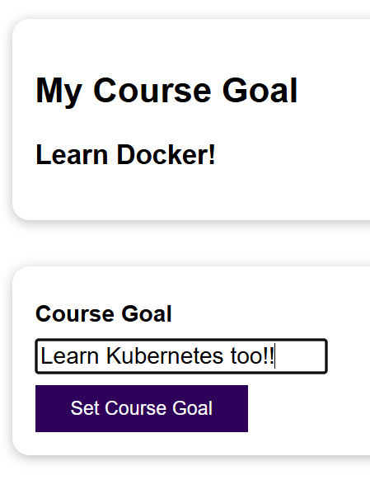
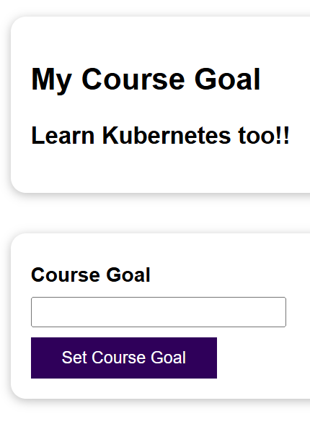
 |  |  |  |  |  |  | Now as the next step we have to run npm install
 |  |  |  |  |  |  |  | as we have done the same outside the container as well
 |  |  |  |  |  |  | We can use RUN command
 |  |  |  |  |  |  | The RUN command will execute the command
 |  |  |  |  |  |  |  | RUN npm install
 |  |  |  |  |  |  | This will install all the required node packages to the WORKDIR

 |  |  |  |  |  |  | We have done everything
 |  |  |  |  |  |  | Only thing pending is starting the webserver
 |  |  |  |  |  |  | You might thins, yu can do the following
 |  |  |  |  |  |  |  | RUN node server.js
We could also see the input we gave in terminal as we have logged in to the console |  |  |  |  |  |  | This is incorrect, because this will be executed whenever this image is being built
 |  |  |  |  |  |  | Image should be the templete
 |  |  |  |  |  |  |  | it should not be what we run in the end
 |  |  |  |  |  |  | We have to run a container based on the image
Now, this is the node application running locally |  |  |  |  |  |  | The above command will start the server in ith image itself
 | But when doing in docker, we don’t need to install node |  |  |  |  |  | We need all the source code in the image
 |  |  |  |  |  |  |  | so we are doing copy directly
This is just an example on how we will run it without docker |  |  |  |  |  |  | Same in case on packages
Now lets quit this by giving Ctrl+C in the terminal |  |  |  |  |  |  | But we wanna start the server with all these files in the container, not in the image

Since we are gonna run these in container |  |  |  |  |  |  | For this lets use the CMD instruction
 | we don’t need the node packages |  |  |  |  |  |  | RUN will get executed during image creation
 | which gets installed during node install |  |  |  |  |  |  | CMD will get executed when a container is started based on the image
So lets delete those two |  |  |  |  |  |  | CMD has a different syntax
 | node_modules |  |  |  |  |  |  | It is an array of 2 values
 | package-lock,json |  |  |  |  |  |  | where the first one is the command
 |  |  |  |  |  |  |  | and second one is the file name
In the next step, we will understand |  |  |  |  |  |  | CMD ["node", "server.js"]
 | How can we now build our own image
 |  | that contains this application |  |  |  |  | But why it is done this way?
 |  | and that will also utilizes the node docker hub image |  |  |  |  | 1. Exec Form |  |  |  |  |  |  | 2. Shell Form:
 |  | to run that code |  |  |  |  |  | CMD ["node", "app.js"] |  |  |  |  |  | CMD node app.js
 |  |  |  |  |  |  |  | This form does not run through a shell. |  |  |  |  |  | This runs the command via a shell: /bin/sh -c
 |  |  |  |  |  |  |  | It's passed directly to the kernel as a command and arguments. |  |  |  |  |  | Useful if you need shell features
 |  |  |  |  |  |  |  |  |  |  |  |  |  |  | (e.g., piping, redirection)
 |  |  |  |  |  |  |  | Preferred because: |  |  |  |  |  | Downside:
 |  |  |  |  |  |  |  |  | It avoids shell interpretation issues |  |  |  |  |  | signals are not forwarded properly
 |  |  |  |  |  |  |  |  |  | (like variable expansion, quoting) |  |  |  |  |  | (can cause zombie processes)
 |  |  |  |  |  |  |  |  | Signals (like CTRL+C) are forwarded properly to the process.
 |  |  |  |  |  |  |  |  | Works better with Docker's process management.
 |  |  |  |  |  |  | Difference in Practice:
 |  |  |  |  |  |  |  | Form |  |  |  | Actual Behavior
 |  |  |  |  |  |  |  | ["node", "app.js"] |  |  |  | Runs: exec node app.js
 |  |  |  |  |  |  |  | "node app.js" |  |  |  | Runs: sh -c 'node app.js'

 |  |  |  |  |  |  | Now we are all set
 |  |  |  |  |  |  | This will work, but we need to do one more thing
 |  |  |  |  |  |  | We need to tell docker the ports which are all exposed
 |  |  |  |  |  |  | This is just for Documentation
 |  |  |  |  |  |  |  | and the app works even without this

 |  |  |  |  |  |  | The EXPOSE instruction in a Dockerfile is used to document
 |  |  |  |  |  |  |  | which port(s) the container’s application will listen on at runtime.
 |  |  |  |  |  |  |  | EXPOSE 3000

 |  |  |  |  |  |  | This tells Docker that the app inside the container listens on port 3000.
 |  |  |  |  |  |  |  | We have to give the container port and not the hist machine port

 |  |  |  |  |  |  | EXPOSE does NOT actually open the port or make it accessible outside.
 |  |  |  |  |  |  | To truly expose the port to your host machine or users,
 |  |  |  |  |  |  |  | you need to map it using the -p or --publish flag:
 |  |  |  |  |  |  |  | docker run -p 3000:3000 my-app

 |  |  |  |  |  |  | Why Use EXPOSE Then?
 |  |  |  |  |  |  |  | Reason |  |  |  |  | Explanation
 |  |  |  |  |  |  |  | Documentation |  |  |  |  | Clearly shows which port the app uses, helpful for others
 |  |  |  |  |  |  |  | Tools & Automation Support |  |  |  |  | Some tools (like Docker Compose or Swarm) can auto-map ports based on EXPOSE
 |  |  |  |  |  |  |  | Layered Image Design |  |  |  |  | Useful when building from base images and extending them later
 |  |  |  |  |  |  |  | Best Practice |  |  |  |  | Adds clarity and intent to the Dockerfile, even if not required

 |  |  |  |  |  |  | Analogy:
 |  |  |  |  |  |  | If your app listens on port 80, then:
 |  |  |  |  |  |  |  | EXPOSE 80 is like putting a label: “Hey, my app is on port 80.”
 |  |  |  |  |  |  |  | -p 80:80 is like opening the door so people can actually reach it.

 |  |  |  |  |  |  |  | EXPOSE = declares the container listens on a port.
 |  |  |  |  |  |  |  | -p or --publish = actually maps that port to your host.

 |  |  |  |  |  |  | EXPOSE optional, but good practice.
 |  |  |  |  |  |  |  | -p really matters

 |  |  |  |  |  |  | You can expose multiple ports:
 |  |  |  |  |  |  |  | EXPOSE 80 443

 |  |  |  |  |  |  | Our node webserver listens on port 80
 |  |  |  |  |  |  |  | app.listen(80);
 |  |  |  |  |  |  | So we have to epose this port in Dockerfile for documentation
 |  |  |  |  |  |  |  | EXPOSE 80

 |  |  |  |  |  |  | Here is our Final Dockerfile
 |  |  |  |  |  |  | Dockerfile
 |  |  |  |  |  |  |  | FROM node
 |  |  |  |  |  |  |  | WORKDIR /app
 |  |  |  |  |  |  |  | COPY . .
 |  |  |  |  |  |  |  | RUN npm install
 |  |  |  |  |  |  |  | EXPOSE 80
 |  |  |  |  |  |  |  | CMD ["node", "server.js"]

 |  |  |  |  |  |  | With that we finised our docker file
 |  |  |  |  |  |  |  | with all the set of instructions
 |  |  |  |  |  |  |  | for a docker image

 |  |  |  |  |  |  | Lets build the docker file next
 |  |  |  |  |  |  |  | E:\Cloud\Demo2>docker build .
 |  |  |  |  |  |  |  | [+] Building 16.6s (9/9) FINISHED docker:desktop-linux
 |  |  |  |  |  |  |  | => [internal] load build definition from Dockerfile 0.1s
 |  |  |  |  |  |  |  | => => transferring dockerfile: 135B 0.0s
 |  |  |  |  |  |  |  | => [internal] load metadata for docker.io/library/node:latest 0.5s
 |  |  |  |  |  |  |  | => [internal] load .dockerignore 0.0s
 |  |  |  |  |  |  |  | => => transferring context: 2B 0.0s
 |  |  |  |  |  |  |  | => [1/4] FROM docker.io/library/node:latest@sha256:c332080545f1de96deb1c407e6fbe9a7bc2be3645e127845fdcce57a7af3 0.1s
 |  |  |  |  |  |  |  | => => resolve docker.io/library/node:latest@sha256:c332080545f1de96deb1c407e6fbe9a7bc2be3645e127845fdcce57a7af3 0.1s
 |  |  |  |  |  |  |  | => [internal] load build context 0.0s
 |  |  |  |  |  |  |  | => => transferring context: 259B 0.0s
 |  |  |  |  |  |  |  | => CACHED [2/4] WORKDIR /app 0.0s
 |  |  |  |  |  |  |  | => [3/4] COPY . . 0.1s
 |  |  |  |  |  |  |  | => [4/4] RUN npm install 15.2s
 |  |  |  |  |  |  |  | => exporting to image 0.5s
 |  |  |  |  |  |  |  | => => exporting layers 0.5s
 |  |  |  |  |  |  |  | => => writing image sha256:f50add998c934f90bbab16600a13045eb3a874b88dffadb81117257d2bccc49f 0.0s

 |  |  |  |  |  |  |  | View build details: docker-desktop://dashboard/build/desktop-linux/desktop-linux/fknp2jg510zz59ghsm95yfeis

 |  |  |  |  |  |  |  | This will show the steps we have added in docker file like
 |  |  |  |  |  |  |  |  | FROM
 |  |  |  |  |  |  |  |  | WORKDIR
 |  |  |  |  |  |  |  |  | COPY
 |  |  |  |  |  |  |  |  | RUN
 |  |  |  |  |  |  |  | But why do EXPOSE and CMD not there?
 |  |  |  |  |  |  |  |  | It is shown in older versions of docker
 |  |  |  |  |  |  |  |  | These instructions don’t create build-time layers.
 |  |  |  |  |  |  |  |  |  | They are part of the image metadata, not file system changes.
 |  |  |  |  |  |  |  |  |  | So Docker doesn’t log them as separate steps like COPY or RUN.
 |  |  |  |  |  |  |  | Each command in this Docker file is a layer
 |  |  |  |  |  |  |  |  | and each layer will be stored as hash after addition
 |  |  |  |  |  |  |  |  | and so we have intermediate hashes for each layer
 |  |  |  |  |  |  |  | This is done because, if we are modifying anything in the 4th layer
 |  |  |  |  |  |  |  |  | Docker wont build the first 3 layers again
 |  |  |  |  |  |  |  |  | It will take the hash at the end of the 3rd layer
 |  |  |  |  |  |  |  |  | and will start building the modified 4th layer over it and the process continues

 |  |  |  |  |  |  |  | Finally the build command will give the image id using which we can run our container
 |  |  |  |  |  |  |  | If you closed the terminal by mistake or anything,
 |  |  |  |  |  |  |  |  | you can list all the images and get the hash of that image
 |  |  |  |  |  |  |  |  | E:\Cloud\Demo2>docker images
 |  |  |  |  |  |  |  |  | REPOSITORY TAG IMAGE ID CREATED SIZE
 |  |  |  |  |  |  |  |  | <none> <none> f50add998c93 8 minutes ago 1.14GB

 |  |  |  |  |  |  |  | Lets start the container using docker run

 |  |  |  |  |  |  |  | This will start the container and keeps on running
 |  |  |  |  |  |  |  | We can check this by listing the containers in other terminal
 |  |  |  |  |  |  |  |  | E:\Cloud\Demo2>docker ps
 |  |  |  |  |  |  |  |  | CONTAINER ID IMAGE COMMAND CREATED STATUS PORTS NAMES
 |  |  |  |  |  |  |  |  | abee9d9aaafb f50add "docker-entrypoint.s…" About a minute ago Up About a minute 80/tcp gifted_cray
 |  |  |  |  |  |  |  | The status is Up a minute agao and not exited
 |  |  |  |  |  |  |  | This is because we have added the CMD in Dockerfile
 |  |  |  |  |  |  |  |  | which starts a node server
 |  |  |  |  |  |  |  |  | which is an ongoing process that doesn’t finish
 |  |  |  |  |  |  |  | Therefore the container keeps on running
 |  |  |  |  |  |  |  |  | and never exit
 |  |  |  |  |  |  |  | Since the webserver is up
 |  |  |  |  |  |  |  |  | lets try to access the app using localhost or localhost:80
 |  |  |  |  |  |  |  |  | Both thrown the site cannot be reached error
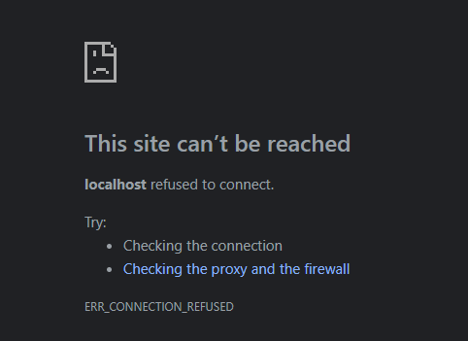

 |  |  |  |  |  |  |  | Why is it happening?
 |  |  |  |  |  |  |  | WKT our docker container is isolated
 |  |  |  |  |  |  |  |  | its isolated from our local environment
 |  |  |  |  |  |  |  |  | and as a result, it has its own internal network
 |  |  |  |  |  |  |  | When we listen to port 80 in the node application
 |  |  |  |  |  |  |  |  | inside of our container
 |  |  |  |  |  |  |  |  | the container does not expose that port to our local machine
 |  |  |  |  |  |  |  | We wont be able to listen on that port just because something is listening inside of a container
 |  |  |  |  |  |  |  | Therefore we need to map the port inside the container with the port in the local machine

 |  |  |  |  |  |  |  | We have seen that, we can do this with -p option in run command

 |  |  |  |  |  |  |  | Here we are mapping the port 80 inside the container with the port 3000 in the local machine
 |  |  |  |  |  |  |  |  | So that we can access the application using localhost:3000
 |  |  |  |  |  |  |  |  | The localhost:3000 port is mapped with containers 80 port
 |  |  |  |  |  |  |  |  |  | in which the application is running
 |  |  |  |  |  |  |  |  |  | and so it will work as below
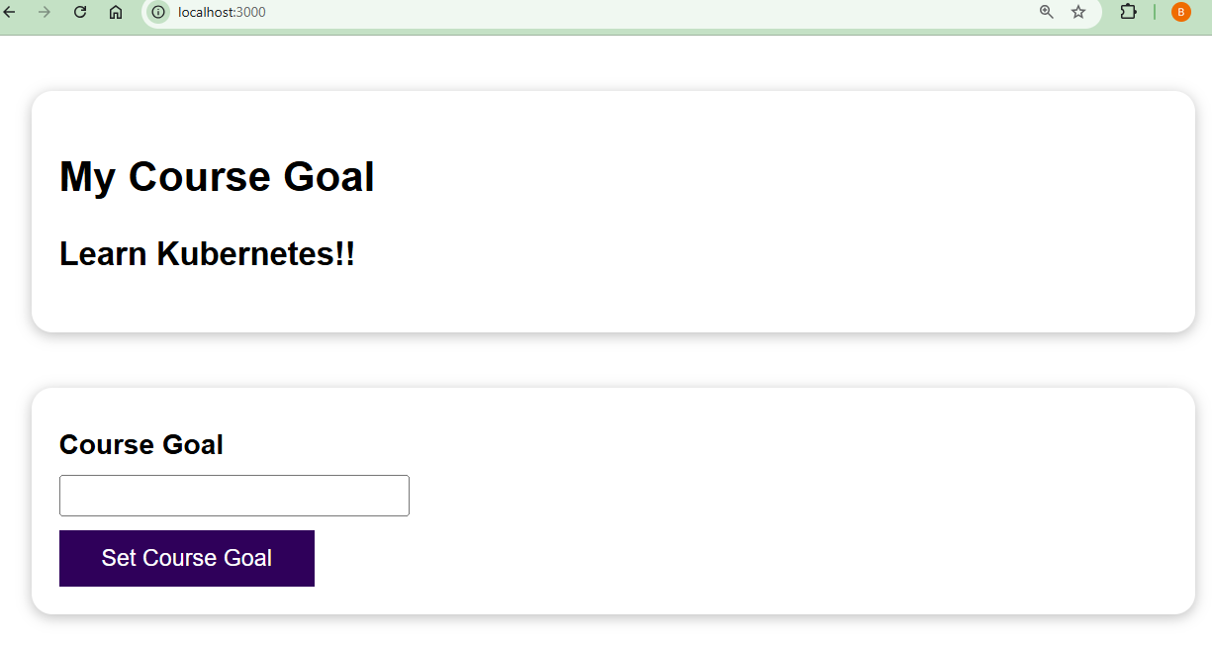

 |  |  |  |  |  |  |  |  | We could also set some goal and see that in action

 |  |  |  |  |  |  |  |  | We could also see the input we gave in terminal as we have logged in to the console

 |  |  |  |  |  |  |  |  | Now, the app is working fine inside docker container
 |  |  |  |  |  |  |  |  |  | Here we don’t need to install node or npm packages seperately
 |  |  |  |  |  |  |  |  |  | It has all its tools inside the image itself
 |  |  |  |  |  |  |  |  | We can just share the image to anyone
 |  |  |  |  |  |  |  |  |  | and anyone can run the container out of this image
 |  |  |  |  |  |  |  |  |  | and get the application running in their local system

