Sheet1
Jenkins

 | Whenever there is a change in the software
 |  | we need to
 |  |  | build a new version
 |  |  | Test it
 |  |  | Deploy it to a server
 |  | so that customer can use the new version
 | This applies even for some small change

 | Developer will love to code
 |  | but this additional repetitive processes made them feel hell

 | There comes the role of Jenkins

 | What is Jenkins?
 |  | Jenkins is a free and open source automation server
 |  |  | mainly used to automatically build, test and deploy software

 |  | Everytime, a developer writes/updates a piece of code in software
 |  |  | Jenkins will do the following
 |  |  |  | Compile
 |  |  |  | Build
 |  |  |  | Run Tests
 |  |  |  | Deploy
 |  | All these things will be done automatically by Jenkins

 |  | In technical terms,
 |  |  | Jenkins is a Continuous Integration and Continuous Deployment tool

Starting and stopping Jenkins

 | jenkins --version |  |  |  |  |  |  |  |  | Gives the jenkins version
 | sudo dnf install jenkins |  |  |  |  |  |  |  |  | If not installed, install jenkins using this command
 | sudo systemctl start jenkins |  |  |  |  |  |  |  |  | Starts Jenkins
 | sudo systemctl status jenkins |  |  |  |  |  |  |  |  | Gives the status of Jenkins whether is started/not
 | sudo systemctl enable jenkins |  |  |  |  |  |  |  |  | to start automatically on boot
 | sudo systemctl disable jenkins |  |  |  |  |  |  |  |  | don’t want Jenkins to start automatically after reboot
 | sudo systemctl restart jenkins |  |  |  |  |  |  |  |  | Restarts Jenkins |  |  |  | We may require Jenkins restart after plugins add etc.,
 | sudo systemctl stop jenkins |  |  |  |  |  |  |  |  | Stops Jenkins

 | sudo cat /var/lib/jenkins/secrets/initialAdminPassword |  |  |  |  |  |  |  |  | To get Initial admin password
 | http://localhost:8080 |  |  |  |  |  |  |  |  | To access Jenkins

Login to Jenkins
 | Give the username and password and login to jenkins
 | This is how jenkins look like

Installing stage view plugin

 | Left Pane --> Manage Jenkins --> Plugins --> Left pane --> Available plugins --> Stage View --> click Checkbox --> Install --> Restart Jenkins at end of page

 | It will take a min or two
 | Refresh the page
 | If any erros faced, down and up the container again,
 |  | so that restart of jenkins will be done

First Jenkins Job

 | Lets create our first Jenkins Job

 | A job refers to a set of commands that we wanna execute
 |  | essentially the task that we wanna automate

 | First time only, we will get the Create a job button in the jenskins homepage
 | After that we need to use New item (Left Pane)

 | Click on any of these
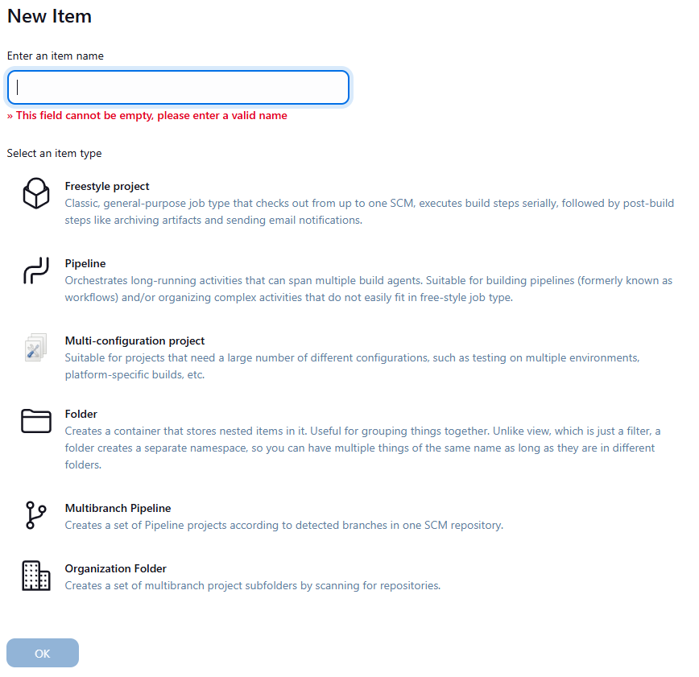

 | We can create different kinds on jobs in Jenkins
 | For now, we are gonna create a Freestyle project
 | Give some name for the item, Select Freestyle project and click on ok
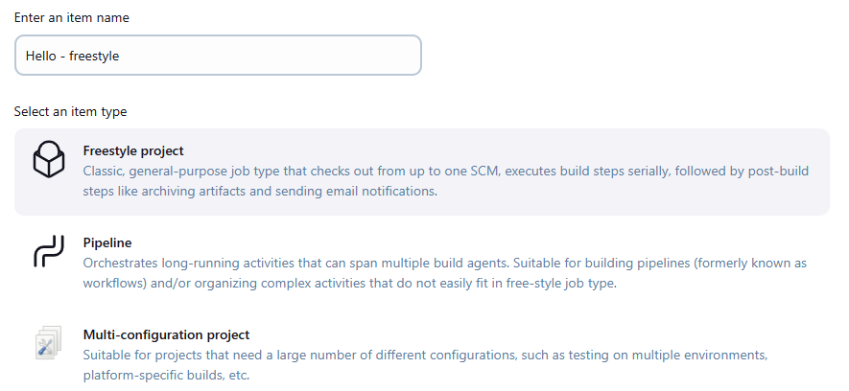

 | Jenkins will provide you the UI to configure the selected job
 | There are lot of things, we can configure here

 | We can configure a lot in the UI
 | For now, as a first step lets just automate running a single linux command using Jenkins
 | Left pane --> Build Steps --> Add Build Step --> Execute shell --> Give the command

 | Click on Save

 | Initially Nothing will happen
 | But if you go to the Jenkins home screen, we could see our job there

 | Homescreen --> click on job --> Left Pane --> Build now

 | We can see the history of builds in the left pane --> Builds
 |  | In that, the build which is in the top is the latest execution

 | Leftpane --> Builds --> Click on a specific build --> Left Pane --> Console output
 | We can see our command and output there
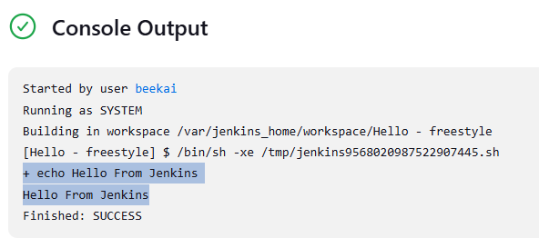

 | If you wanna change anything in the job
 |  | Homescreen --> click on job --> Configure

 | There are many things here, which we can configure

 | We have created a freestyle job now. Let create a Pipeline job now
 | Homescreen --> left pane --> New item
 | Give some name for the item, Select Pipeline and click on ok
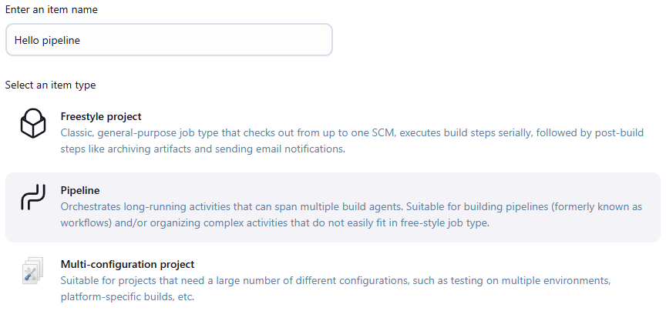

 |  | For complicated builds, we cant do it in a freestyle project
 |  | Those things can be configured using scripts in pipeline

 |  | Scroll down to Pipeline --> select Pipeline script in dropdown --> right top dropdown helps with some sample script
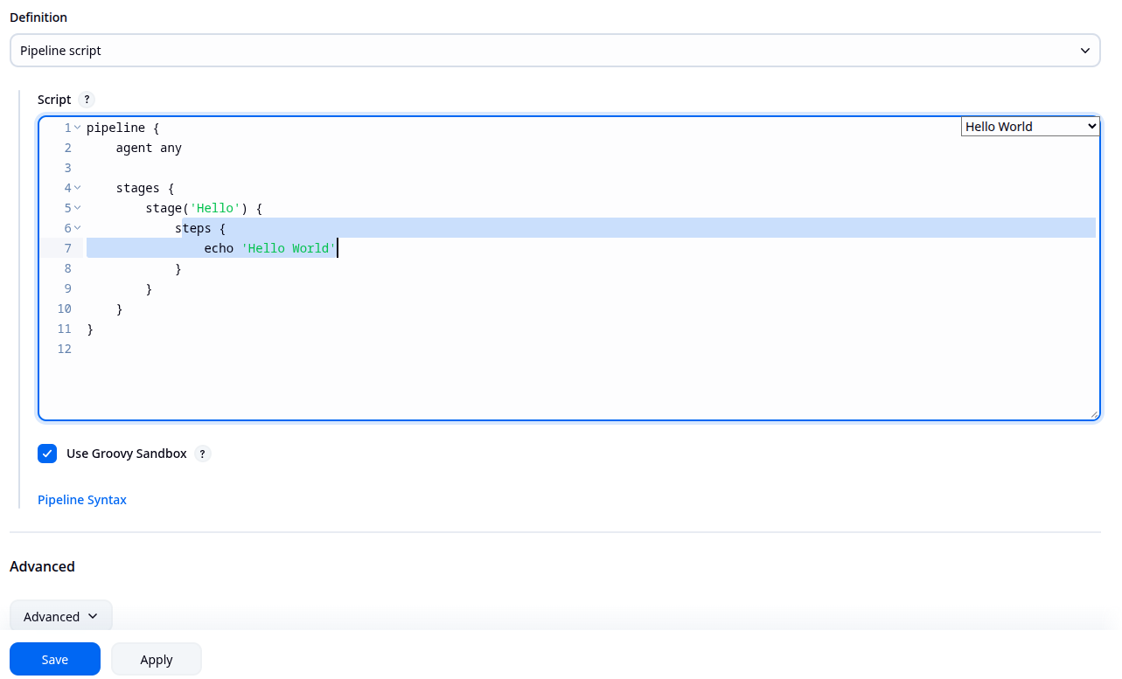

 |  | Save it

 |  | Left pane --> Build now
 |  | Once done you will get something like this
 |  |  | Before |  |  |  |  |  |  | After
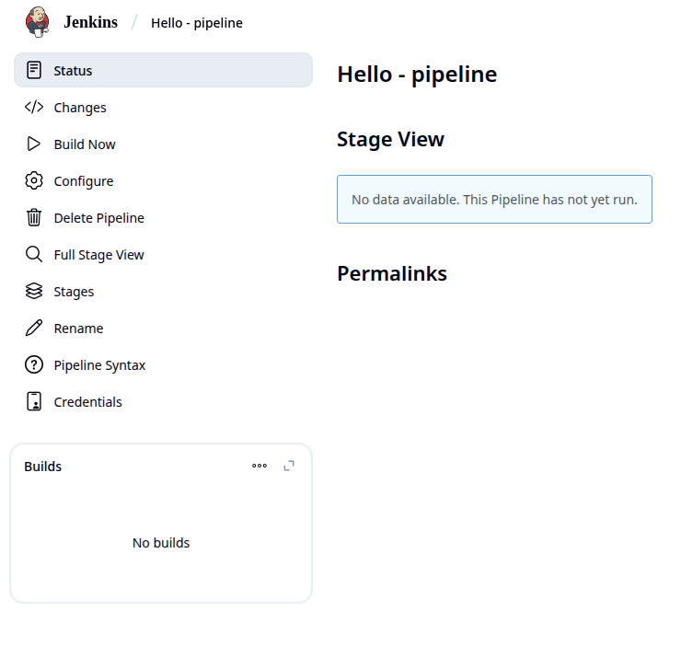
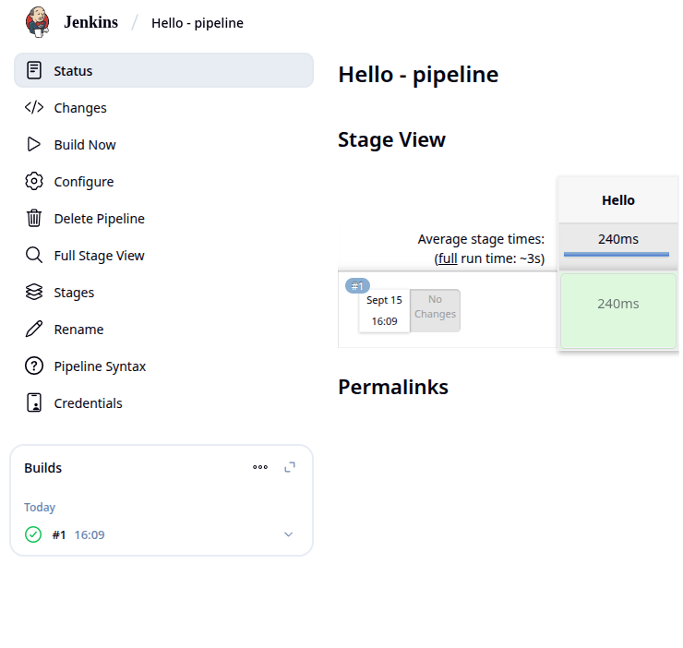

 |  |  |  |  |  |  |  |  |  | Click on the green tick to diectly go to console output
 |  | Leftpane --> Builds --> Click on a specific build --> Left Pane --> Console output
 |  | We can see our output there, same as the freestyle
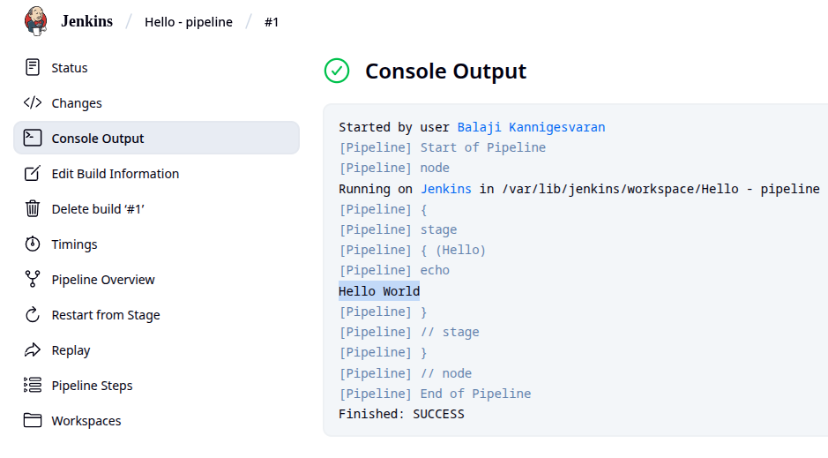

 |  | The output is pretty much the same thing as we did in freestyle
 |  |  | but the approach is quite different

 |  | Lets make some changes in this using configure
 |  |  | Homescreen --> click on job --> Configure

 |  | echo is something common between shell and jenkins
 |  | But we will use shell commands usually
 |  | So make this change in the script
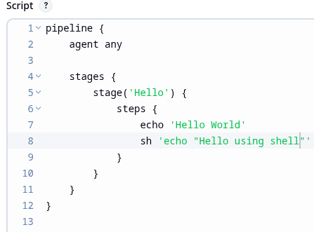

 |  |  |  |  | Added both

 |  | Save it and run build

 |  | Now the build no will be incremented
 |  |  | and we could see the output in console output
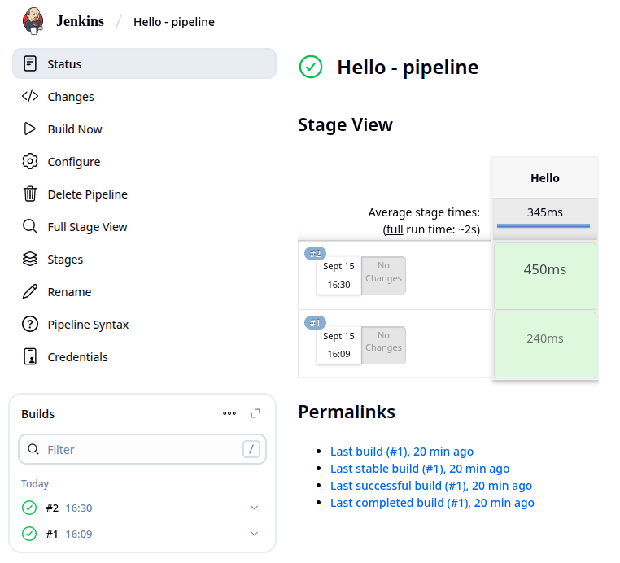
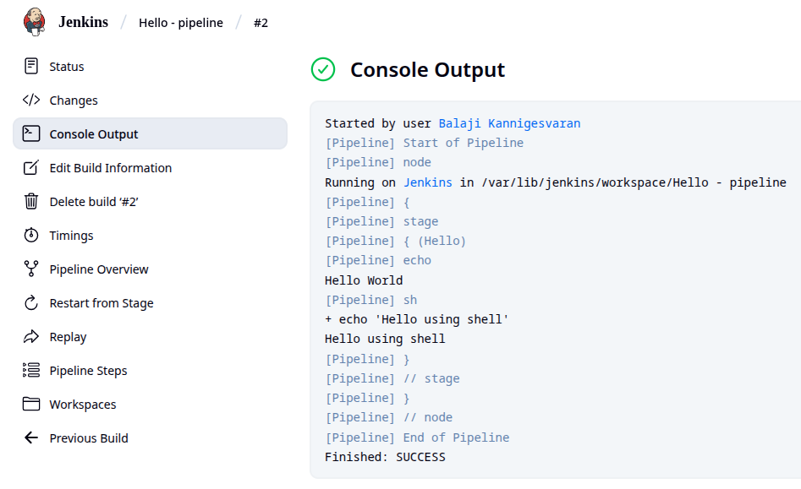

 | Lets add 1 more shell command and see the output
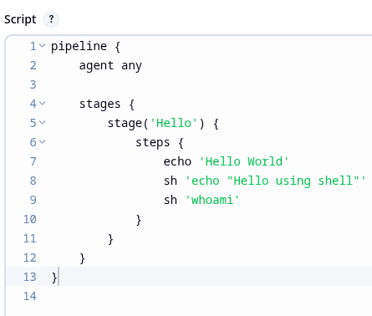
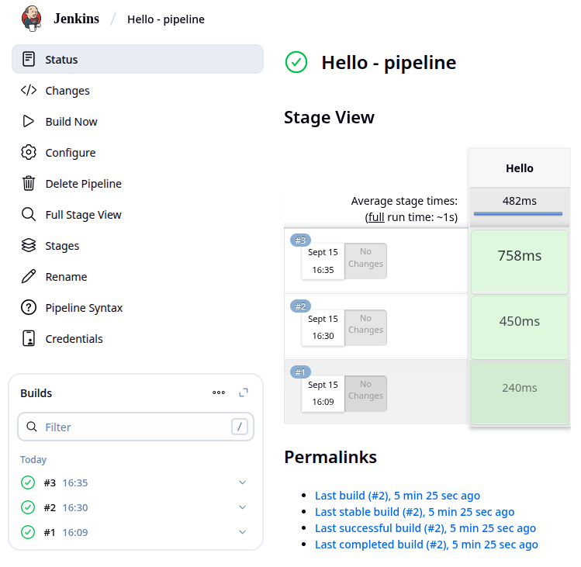
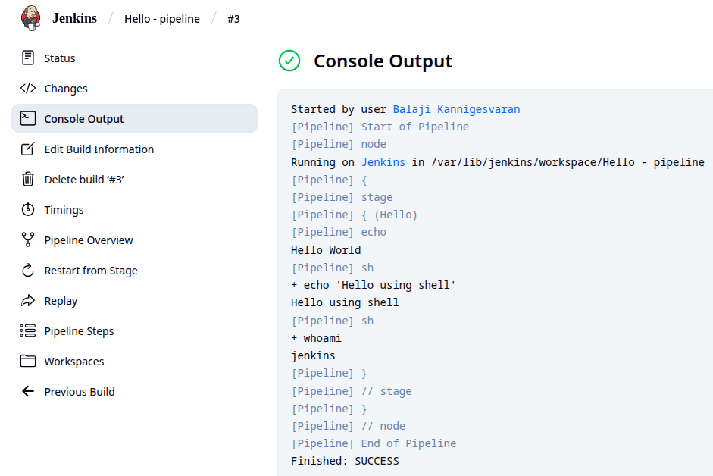

 | Why do we need this? What exactly is a pipeline?
 |  | Pipeline is a set of stages/jobs
 |  | We only have one stage in our script
 |  | Typically pipelines have multiple stages

Freedtyle vs Pipeline
 | Jenkins initially supported only freestyle jobs
 | Freestyle jobs are majorly configured through UI
 |  | which means job configurations are not stored as code
 | This makes it impossible or very difficult to track
 |  | on who, when, why done the changes
 | If anything stopped working,
 |  | we don’t know did anyone changed anything
 |  | or is it some other reason

 | On the contract, pipeline jobs have only few configurations in UI
 |  | All the configurations are done in script, which is stored as code
 |  | So we can keep track on changes

 | Apart from this, modern CI/CDs require complex workflow
 |  | with parallel execution, different stages, sophisticated workfow etc.,
 | Freestyle jobs have linear execution plan and requires lot of plugins
 |  | and we also need to configure those plugins
 | Pipelines have adv over freestyle in all the above
 | So we are using pipelines nowadays
 |  | and freestyle jobs are available in legacy jobs alone

Jenkins Architecture
 | Jenkins architecture contains
 |  | Jenkins Server (Controller)
 |  | Jenkins Agent (node)

 | Jenkins controller
 |  | manages the execution of the pipeline & the associated jobs
 |  | and stores the results
 | The controller knows what needs to be done
 |  | but does not do it itself
 | When a stage needs to be executed,
 |  | controller will find a jenkins agent to execute the job

 | Jenkins agent is a program
 |  | that executes a stage
 | A working jenkins setup must have atleast 1 node
 |  | but there may be many agents to distribute the load

 | The agent will retrieve set of instructions from the controller
 |  | runs all the commands specified in the stage
 |  | and reports back the result to the controller

 | In our simple jenkins installation,
 |  | the same instance will play both the roles of the controller and agent
 | But this is typically an antipattern to production
 |  | we really don’t wanna overwhelm the controller with work

Pipeline
 | Analogy Series of steps to make a product
 | Take anything like laptop manufacturing
 |  | Take Laptop case
 |  | Assemble reqd parts
 |  | Do quality test
 |  | Package
 |  | Delivery
 |  | Operation
 | This is a pipeline of various activities in lap manufacturing
 | But we don’t use pipeline for physical products
 |  | We use the pipeline for producing software

 | Lets try to create this laptop analogy as the code with files and folders

 | Create a New job as usual
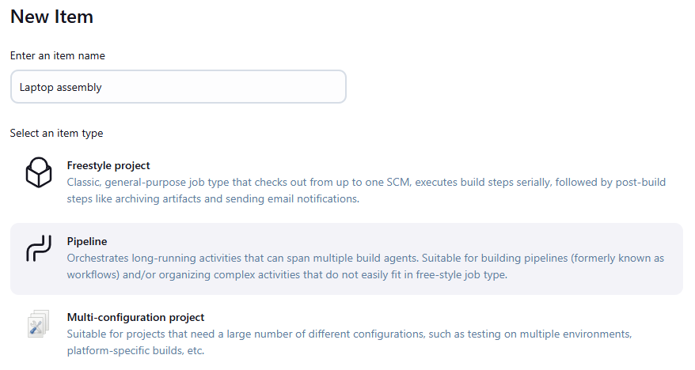

 |  | Initial Pipeline
 |  | pipeline {
 |  | agent any

 |  | stages {
 |  | stage('Build') {
 |  | steps {
 |  | echo 'Building a new laptop ...'
 |  | sh 'mkdir build'
 |  | sh 'touch build/computer.txt'
 |  | sh 'echo "Mainboard" >> build/computer.txt'
 |  | }
 |  | }
 |  | }
 |  | }

 |  | Save and Build
 |  | Hover the mouse over the time of the build
 |  |  | in the stage view section,
 |  |  | from which we can access logs
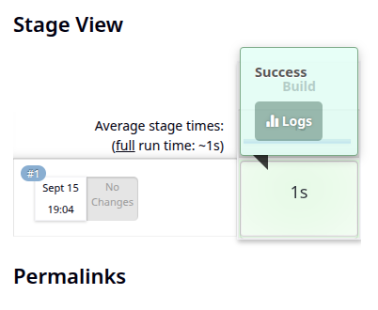

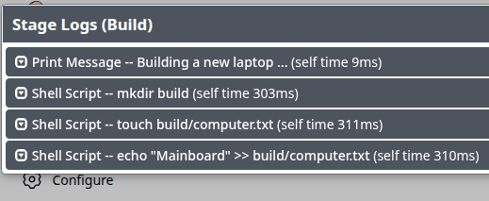
 |  |  |  |  |  |  |  |  |  | The console output will also be pointing the same
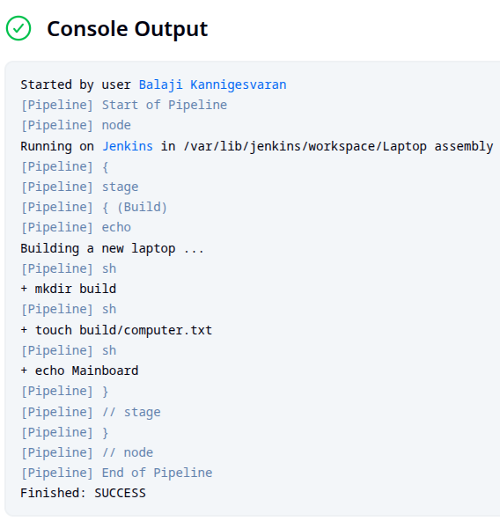

 |  |  | This will show each step in our pipeline
 |  |  | Click on the arrow to get the details
 |  |  |  | on things happening during that step
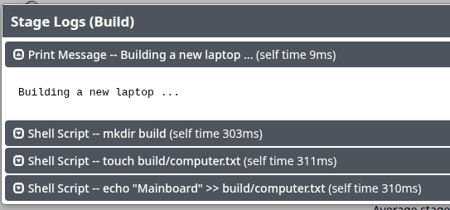

 |  |  |  |  |  |  |  |  |  |  | So we can refer any log

 |  | Now lets add debugs by using cat command

 |  | cat command added to view file contents |  |  |  |  |  |  |  |  | -p option added to resolve the error
 |  | pipeline { |  |  |  |  |  |  |  |  | pipeline {
 |  | agent any |  |  |  |  |  |  |  |  | agent any

 |  | stages { |  |  |  |  |  |  |  |  | stages {
 |  | stage('Build') { |  |  |  |  |  |  |  |  | stage('Build') {
 |  | steps { |  |  |  |  |  |  |  |  | steps {
 |  | echo 'Building a new laptop ...' |  |  |  |  |  |  |  |  | echo 'Building a new laptop ...'
 |  | sh 'mkdir build' |  |  |  |  |  |  |  |  | sh 'mkdir -p build'
 |  | sh 'touch build/computer.txt' |  |  |  |  |  |  |  |  | sh 'touch build/computer.txt'
 |  | sh 'echo "Mainboard" >> build/computer.txt' |  |  |  |  |  |  |  |  | sh 'echo "Mainboard" >> build/computer.txt'
 |  | sh 'cat build/computer.txt' |  |  |  |  |  |  |  |  | sh 'cat build/computer.txt'
 |  | } |  |  |  |  |  |  |  |  | }
 |  | } |  |  |  |  |  |  |  |  | }
 |  | } |  |  |  |  |  |  |  |  | }
 |  | } |  |  |  |  |  |  |  |  | }

 |  | Save and Build |  |  |  |  |  |  |  |  | Save and Build
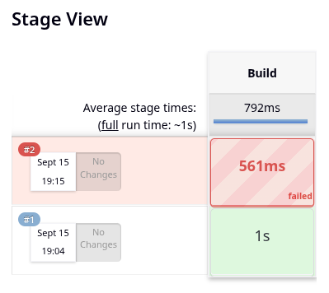
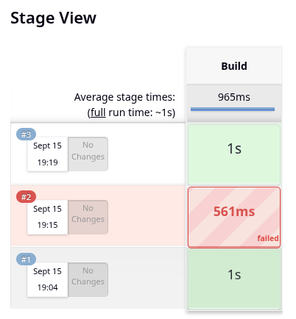

 |  | We have added this cat |  |  |  |  |  |  |  |  |  | Now the build is success
 |  |  | and then this problem occurred |  |  |  |  |  |  |  |  | Lets see the console output
 |  | So the problem will be with this cat command only
 |  | Dont jump into assumptions
 |  | Lets check logs
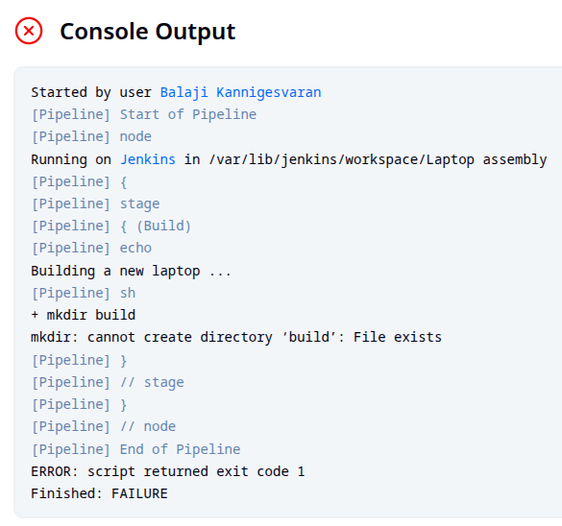
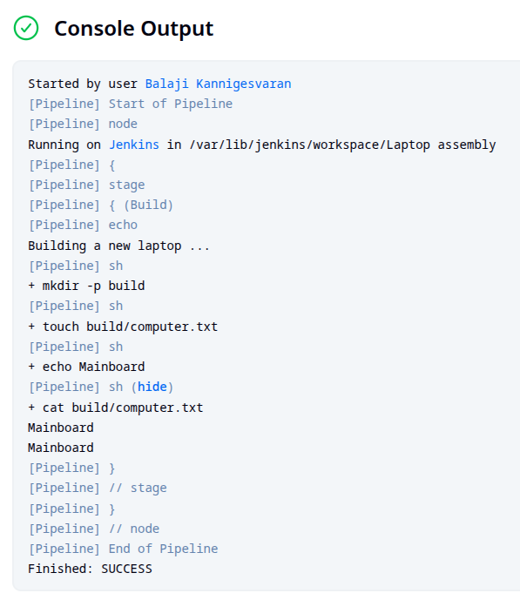

 |  |  | The error is because mkdir
 |  |  | It cannot create directory
 |  |  |  | as we have created it in the previous build
 |  |  | We can add -p option |  |  |  |  |  |  |  |  | Now it shows it is success
 |  |  |  | so that it will create directory |  |  |  |  |  |  |  | But we see the cat output twice
 |  |  |  | only if it doesn’t exist |  |  |  |  |  |  |  |  | This is because, it prints once for last build and once for this build
 |  |  | Lets correct this in the next build |  |  |  |  |  |  |  |  | It will be like that only
 |  |  |  |  |  |  |  |  |  |  |  |  | This will print for each build
 |  |  |  |  |  |  |  |  |  |  |  | If we build again, it will show it thrice
 |  |  |  |  |  |  |  |  |  |  |  | We will work on it later

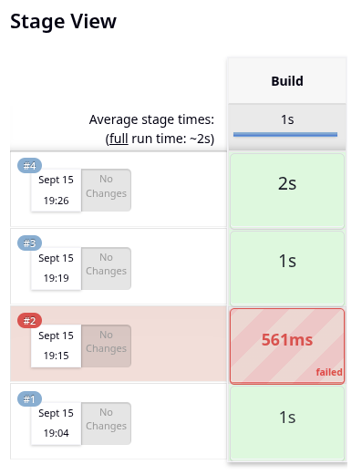
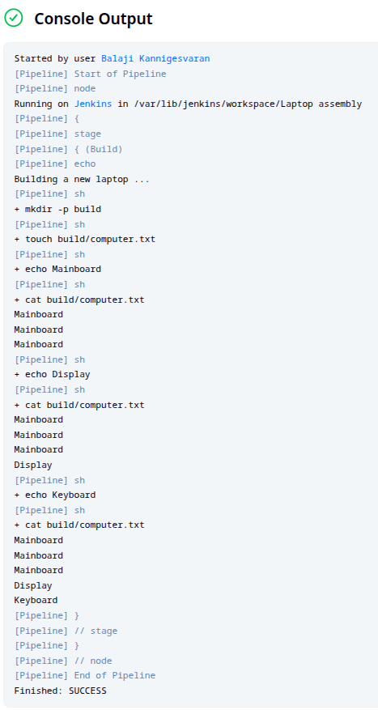
 | Lets add some more parts to the Laptop |  |  |  |  |  |  |  |  | stage view |  |  |  |  | Console
 | pipeline {
 | agent any

 | stages {
 | stage('Build') {
 | steps {
 | echo 'Building a new laptop ...'
 | sh 'mkdir -p build'
 | sh 'touch build/computer.txt'
 | sh 'echo "Mainboard" >> build/computer.txt'
 | sh 'cat build/computer.txt'
 | sh 'echo "Display" >> build/computer.txt'
 | sh 'cat build/computer.txt'
 | sh 'echo "Keyboard" >> build/computer.txt'
 | sh 'cat build/computer.txt'
 | }
 | }
 | }
 | }

 | You could see that there are 3 successful builds
 |  | and the first 2 successful builds had Mainboard alone
 |  | then only I added Display and Keyboard
 | So only it is showing Mainboard 2 times extra

 | If we run the jobs multiple times,
 |  | we will be having multiple Displays and multiple keyboards as well

 | It should not be the thing what we want
 | Lets analyse whats getting wrong

Workspace
 | Touch should create a new file but it is using the old file itself
 |  | that’s y the same file gets updated with multiple entries

 | But touch command seemed to create new file right?
 | Yes. Partially, If file doesn’t exists already, it creates a new file
 | If the file is already present, it just changes the timestamp
 |  | but contents will be same

 | When a build is executed,
 |  | Jenkins uses something called Jenkins workspace
 | Jenkins workspace is a directory on the Jenkins controller or agent
 |  | where jenkins runs builds and stores the build result
 | And so during consecutive builds, it is taking file which is stored in previous build and continues
 |  | Thats why we see these things multiple times

 | We can see this directory in Jenkins UI
 | When you are in console output,
 |  | you could see something called Workspace in left pane

 | This is the path where jenkins store the files generated during the build
 |  | We created build folder inside which computer.txt file is created
 |  | Go there
 |  | And we could see the contents of the file

 |  | Next build will continue from here
 |  | Thats why it gets added

 |  | There are 2 ways we can handle this
 |  |  | Remove the file after build manually
 |  | But what if we have 100s or 1000s of files
 |  | Sometimes we may even don’t know what files we have to delete
 |  | There is a Jenkins way of solving this
 |  |  | we can use a special instruction called cleanworkspace
 |  |  | to remove everything in the workspace at the end of the job

 |  | We have something called post build actions in Jenkins
 |  |  | post {
 |  |  |  | //content to be run after build everytime
 |  |  | }
 |  | It should be in same indentation as stage

 |  | pipeline { |  |  |  |  |  |  |  |  |  | pipeline {
 |  | agent any |  |  |  |  |  |  |  |  |  | agent any

 |  | stages { |  |  |  |  |  |  |  |  |  | stages {
 |  | stage('Build') { |  |  |  |  |  |  |  |  |  | stage('Build') {
 |  | steps { |  |  |  |  |  |  |  |  |  | steps {
 |  | echo 'Building a new laptop ...' |  |  |  |  |  |  |  |  |  | echo 'Building a new laptop ...'
 |  | sh 'mkdir -p build' |  |  |  |  |  |  |  |  |  | sh 'mkdir -p build'
 |  | sh 'touch build/computer.txt' |  |  |  |  |  |  |  |  |  | sh 'touch build/computer.txt'
 |  | sh 'echo "Mainboard" >> build/computer.txt' |  |  |  |  |  |  |  |  |  | sh 'echo "Mainboard" >> build/computer.txt'
 |  | sh 'cat build/computer.txt' |  |  |  |  |  |  |  |  |  | sh 'cat build/computer.txt'
 |  | sh 'echo "Display" >> build/computer.txt' |  |  |  |  |  |  |  |  |  | sh 'echo "Display" >> build/computer.txt'
 |  | sh 'cat build/computer.txt' |  |  |  |  |  |  |  |  |  | sh 'cat build/computer.txt'
 |  | sh 'echo "Keyboard" >> build/computer.txt' |  |  |  |  |  |  |  |  |  | sh 'echo "Keyboard" >> build/computer.txt'
 |  | sh 'cat build/computer.txt' |  |  |  |  |  |  |  |  |  | sh 'cat build/computer.txt'
 |  | } |  |  |  |  |  |  |  |  |  | }
 |  | } |  |  |  |  |  |  |  |  |  | }
 |  | } |  |  |  |  |  |  |  |  |  | }
 |  | } |  |  |  |  |  |  |  |  |  | post {
 |  |  |  |  |  |  |  |  |  |  |  | always {
 |  |  |  |  |  |  |  |  |  |  |  | cleanWS()
 |  |  |  |  |  |  |  |  |  |  |  | }
 |  |  |  |  |  |  |  |  |  |  |  | }
 |  |  |  |  |  |  |  |  |  |  |  | }

 |  |  |  |  |  |  |  |  |  |  | post will be executed after build
 |  |  |  |  |  |  |  |  |  |  | always – whether it is failure or success, the code block occurs
 |  |  |  |  |  |  |  |  |  |  | cleanWS() - Cleans the working space

 | Now save and build it
 | We could see post actions |  |  |  |  |  | Lets get the console logs
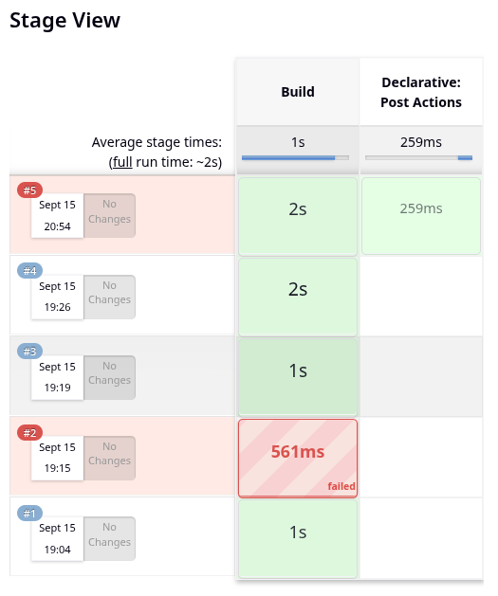

 |  |  |  |  |  |  | It is giving some error like this
 |  |  |  |  |  |  | The reason is cleanWS is not found in any installed plugin
 |  |  |  |  |  |  | It will be there in Workspace Cleanup Plugin

 |  |  |  |  |  |  | Lets examine it is installed or not
 |  |  |  |  |  |  | Jenkins homepage → Manage Jenkins → plugins → Search for Workspace Cleanup Plugin

 |  |  |  |  |  |  | This X mark means uninstall the plugin, which means it is installed

 |  |  |  |  |  |  | The next suspect is In-process script approval
 |  |  |  |  |  |  |  | The most common reason for a valid step to fail is Jenkins's Groovy Sandbox security feature
 |  |  |  |  |  |  |  | Even with the plugin installed, the cleanWs method may need explicit approval

 |  |  |  |  |  |  | Go to manage jenkins and we could see In-process script approval
 |  |  |  |  |  |  | The "In-process Script Approval" menu item only appears
 |  |  |  |  |  |  |  | when there are scripts or methods waiting for approval
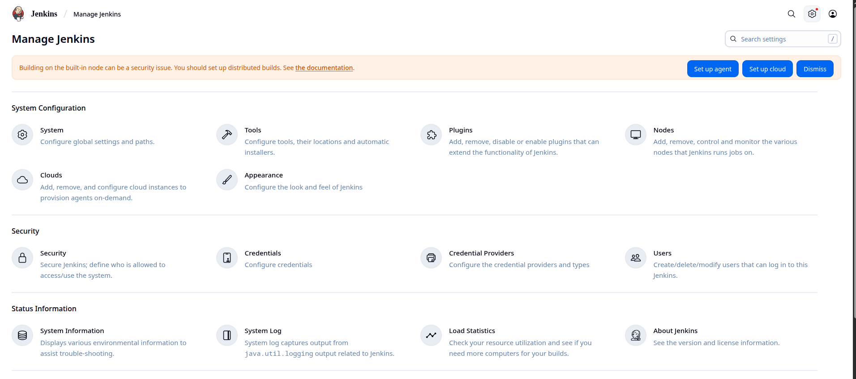

 |  |  |  |  |  |  |  | Since we could not see anything like that
 |  |  |  |  |  |  |  |  | that is not an issue
 |  |  |  |  |  |  |  | The fact that your build is failing with a NoSuchMethodError
 |  |  |  |  |  |  |  |  | instead of a RejectedAccessException confirms that the issue is not a script approval problem
 |  |  |  |  |  |  |  | The RejectedAccessException error is the one that triggers the script approval queue
 |  |  |  |  |  |  |  | A NoSuchMethodError indicates a more fundamental problem:
 |  |  |  |  |  |  |  |  | Jenkins doesn't know that the cleanWs method exists at all

 |  |  |  |  |  |  |  | Lets go back to our code and check for any typo error
 |  |  |  |  |  |  |  | We have used cleanWS()
 |  |  |  |  |  |  |  |  | instead we have to use cleanWs()
 |  |  |  |  |  |  |  | Change the capital S to small s
 |  |  |  |  |  |  |  |  | run run the build
 |  |  |  |  |  |  |  | Before building, delete this build
 |  |  |  |  |  |  |  | It is not reqd
 |  |  |  |  |  |  |  | But we can know how to delete a build
 |  |  |  |  |  |  |  | In the left pane, click on the arrow mark in the build you want to delete
 |  |  |  |  |  |  |  |  | click on delete build
 |  |  |  |  |  |  |  | It takes to new page → click delete there also
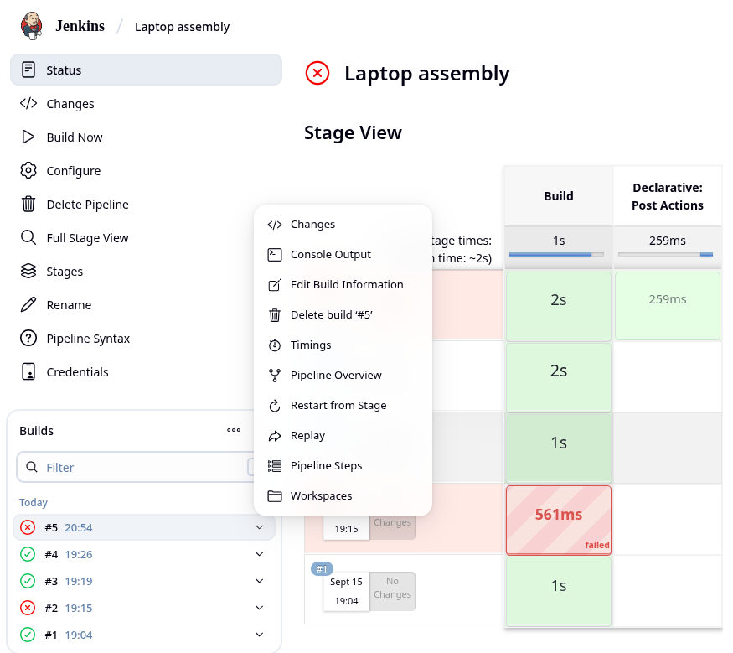

 | Lets run the build now
 | Now the build will be success
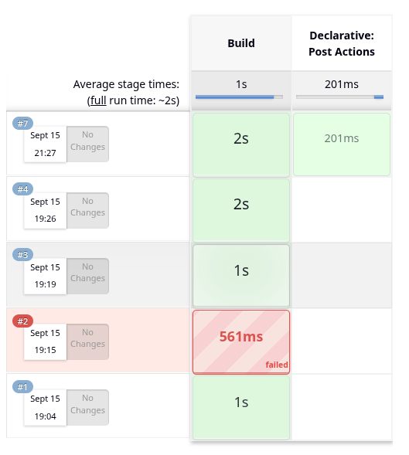
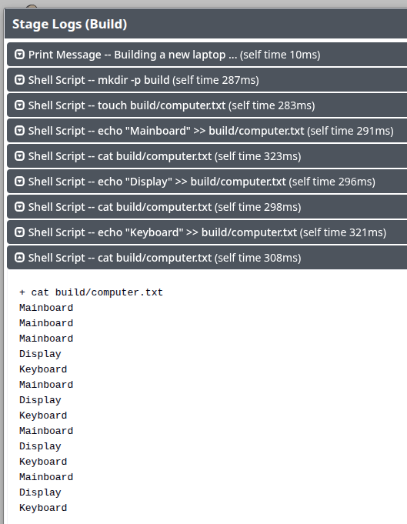

 |  |  |  |  |  | We could see still it is getting appended
 |  |  |  |  |  | This is because, in this build end only, clean up done
 |  |  |  |  |  | It will be proper in next build
 |  |  |  |  |  | Lets run one more build without any change and observe

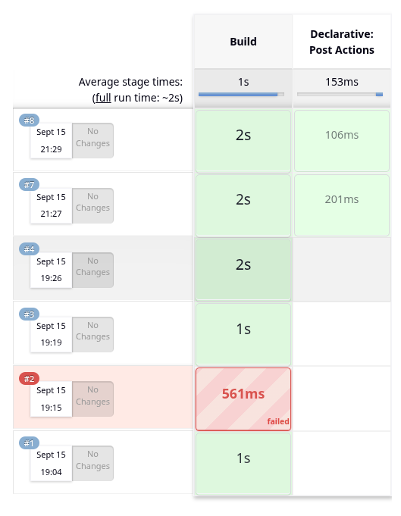
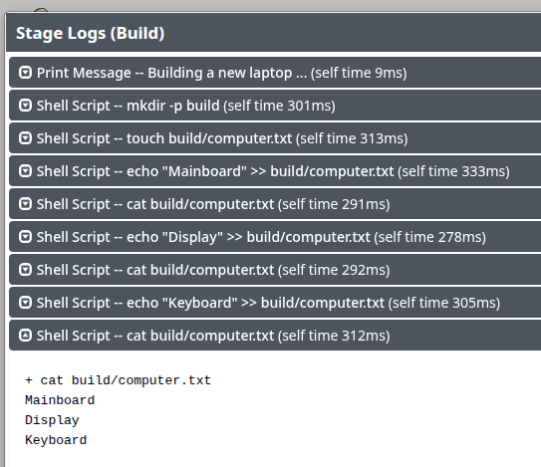

 |  |  |  |  |  | Now this is proper

 |  | I have removed 2 builds in between
 |  |  | and so jenkins is showing 7 after 4
 |  | Eventhough if build fails, it is not recommended to delete it
 |  | There is no use in deleting also as the build no will record it

