Sheet1
Jenkins

 | Whenever there is a change in the software
 |  | we need to
 |  |  | build a new version
 |  |  | Test it
 |  |  | Deploy it to a server
 |  | so that customer can use the new version
 | This applies even for some small change

 | Developer will love to code
 |  | but this additional repetitive processes made them feel hell

 | There comes the role of Jenkins

 | What is Jenkins?
 |  | Jenkins is a free and open source automation server
 |  |  | mainly used to automatically build, test and deploy software

 |  | Everytime, a developer writes/updates a piece of code in software
 |  |  | Jenkins will do the following
 |  |  |  | Compile
 |  |  |  | Build
 |  |  |  | Run Tests
 |  |  |  | Deploy
 |  | All these things will be done automatically by Jenkins

 |  | In technical terms,
 |  |  | Jenkins is a Continuous Integration and Continuous Deployment tool

Installing Jenkins
 | Refer the below link and follow the instructions to install Jenkins
 |  | https://github.com/vdespa/install-jenkins-docker?tab=readme-ov-file

 | We need docker to do this as per this link
 | However we can do without docker also

Login to Jenkins
 | Give the username and password and login to jenkins
 | This is how jenkins look like
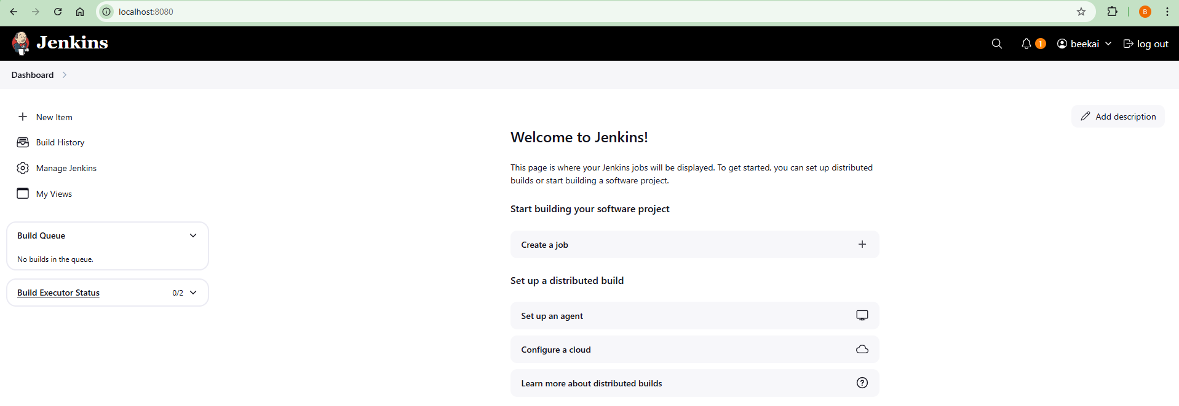

Installing stage view plugin

 | Left Pane --> Manage Jenkins --> Plugins --> Left pane --> Available plugins --> Stage View --> click Checkbox --> Install --> Restart Jenkins at end of page

 | It will take a min or two
 | Refresh the page
 | If any eeros faced, down and up the container again,
 |  | so that restart of jenkins will be done

First Jenkins Job

 | Lets create our first Jenkins Job

 | A job refers to a set of commands that we wanna execute
 |  | essentially the task that we wanna automate

 | First time only, we will get the Create a job button in the jenskins homepage
 | After that we need to use New item (Left Pane)

 | Click on any of these
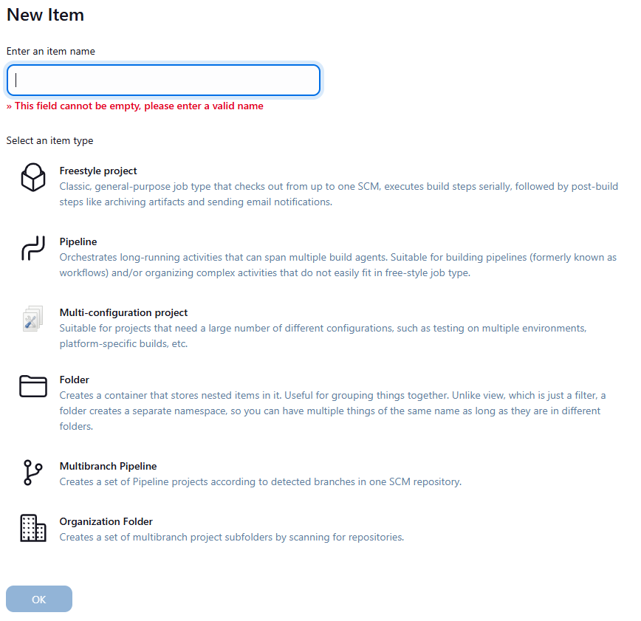

 | We can create different kinds on jobs in Jenkins
 | For now, we are gonna create a Freestyle project
 | Give some name for the item, Select Freestyle project and click on ok
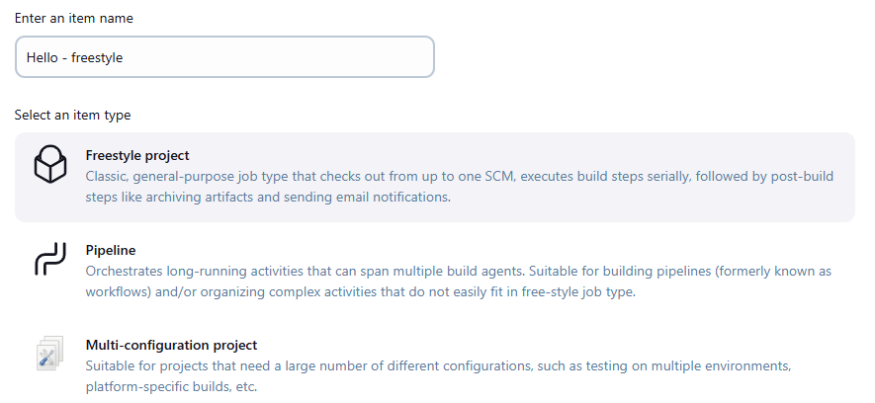

 | Jenkins will provide you the UI to configure the selected job
 | There are lot of things, we can configure here

 | Left pane --> Build Steps --> Add Build Step --> Execute shell --> Give the command
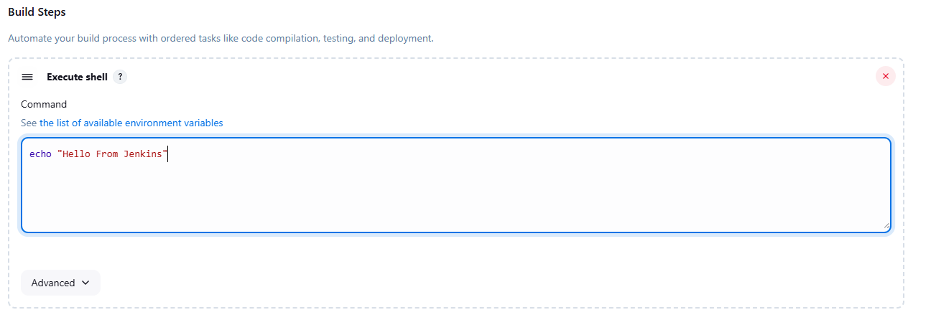

 | Click on Save

 | Initially Nothing will happen
 | But if you go to the Jenkins home screen, we could see our job there

 | Homescreen --> click on job --> Left Pane --> Build now

 | We can see the history of builds in the left pane --> Builds
 |  | In that, the build which is in the top is the latest execution

 | Leftpane --> Builds --> Click on a specific build --> Left Pane --> Console output
 | We can see our command and output there
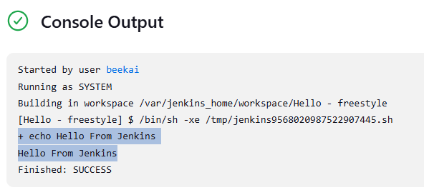

 | If you wanna change anything in the job
 |  | Homescreen --> click on job --> Configure

 | There are manythings here, which we can configure

 | We have created a freestyle job now. Let create a Pipeline job now
 | Homescreen --> left pane --> New item
 | Give some name for the item, Select Pipeline and click on ok
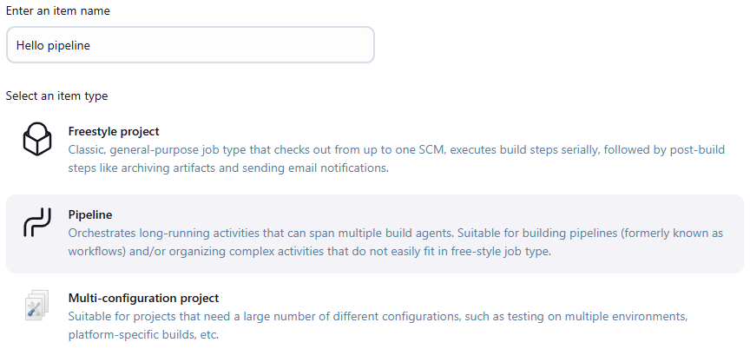

 |  | For complicated builds, we cant do it in a freestyle project
 |  | Those things can be configured using scripts in pipeline

 |  | Scroll down to Pipeline --> select Pipeline script in dropdown --> right top dropdown helps with some sample script
 |  | Save it

 |  | Left pane --> Build now
 |  | Leftpane --> Builds --> Click on a specific build --> Left Pane --> Console output
 |  | We can see our output there, same as the freestyle

 |  | Lets make some changes in this using configure
 |  |  | Homescreen --> click on job --> Configure

 |  | echo is something common between shell and jenkins
 |  | But we will use shell commands usually
 |  | So make this change in the script
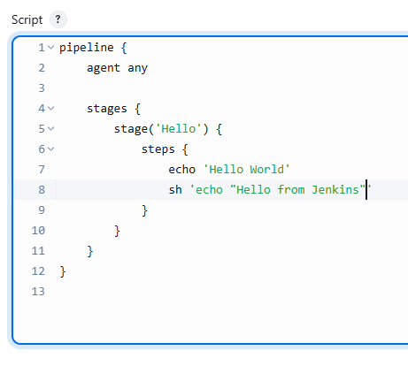

 |  |  |  |  | Added both

 |  | Save it and run build

 |  | Now the build no will be incremented
 |  |  | and we could see the output in console output
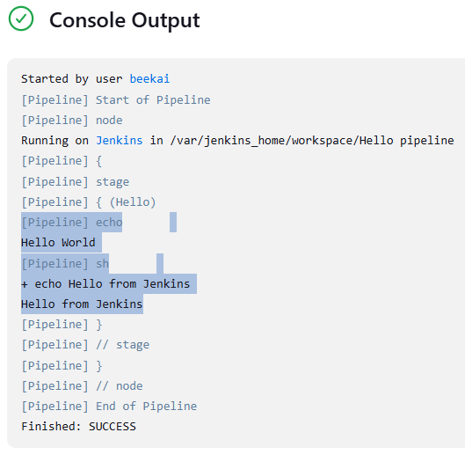

 | Why do we need this? What exactly is a pipeline?
 |  | Pipeline is a set of stages/jobs
 |  | We only have one stage in our script
 |  | Typically pipelines have multiple stages

Freedtyle vs Pipeline
 | Jenkins initially supported only freestyle jobs
 | Freestyle jobs are majorly configured through UI
 |  | which means job configurations are not stored as code
 | This makes it impossible or very difficult to track
 |  | on who, when, why done the changes
 | If anything stopped working,
 |  | we don’t know did anyone changed anything
 |  | or is it some other reason

 | On the contract, pipeline jobs have only few configurations in UI
 |  | All the configurations are done in script, which is stored as code
 |  | So we can keep track on changes

 | Apart from this, modern CI/CDs require complex workflow
 |  | parallel execution, different stages, sophisticated workfow etc.,
 | Freestyle jobs have linear execution plan and requires lot of plugins
 |  | and we also need to configure those plugins
 | Pipelines have adv over freestyle in all the above
 | So we are using pipelines nowadays
 |  | and freestyle jobs are available in legacy jobs alone

Jenkins Architecture

 | Jenkins architecture contains
 |  | Jenkins Server (Controller)
 |  | Jenkins Agent (node)

 | Jenkins controller
 |  | manages the execution of the pipeline & the associated jobs
 |  | and stores the results
 | The controller knows what needs to be done
 |  | but does not do it itself
 | When a stage needs to be executed,
 |  | controller will find a jenkins agent to execute the job

 | Jenkins agent is a program
 |  | that executes a stage
 | A working jenkins setup must have atlest 1 node
 |  | but there may be many agents to distribute the load

 | The agent will retrieve set of instructions from the controller
 |  | runs all the commands specified in the stage
 |  | and reports back the result to the controller

 | In our simple jenkins installation,
 |  | the same instance will play both the roles of the controller and agent
 | But this is typically an antipattern to production
 |  | we really don’t wanna overwhelm the controller with work

Pipeline

 | Series of steps to make a product
 | Take anything like laptop manufacturing
 |  | Take Laptop case
 |  | Assemble reqd parts
 |  | Do quality test
 |  | Package
 |  | Delivery
 |  | Operation
 | This is a pipeline of various activities in lap manufacturing
 | But we don’t use pipeline for physical products
 |  | We use the pipeline for producing software

 | Lets try to create this laptop analogy as the code with files and folders

 | Create a New job as usual
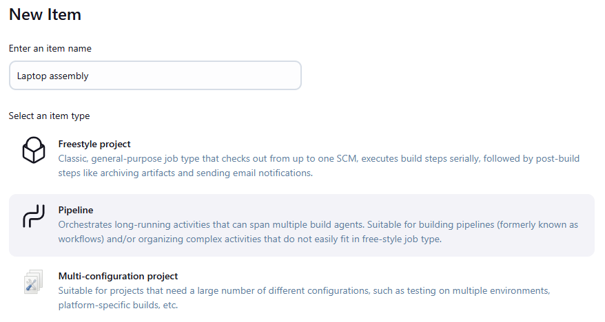

 | Create the pipeline script as follows
 |  | pipeline {
 |  | agent any

 |  | stages {
 |  | stage('Build') {
 |  | steps {
 |  | echo 'Building a new laptop ...'
 |  | sh 'mkdir -p build' |  |  |  | if we use mkdir without -p
 |  | sh 'touch build/computer.txt' |  |  |  |  | it will create the directory when firing build for first time
 |  | sh 'echo "Mainboard" >> build/computer.txt' |  |  |  |  | but next time it will throw error as directory already exists
 |  | sh 'cat build/computer.txt'
 |  | sh 'echo "Display" >> build/computer.txt'
 |  | sh 'cat build/computer.txt'
 |  | sh 'echo "Keyboard" >> build/computer.txt'
 |  | sh 'cat build/computer.txt'
 |  | }
 |  | }
 |  | }

 | Fire the build
 | I fired it 4 times, in which 2nd time it failed
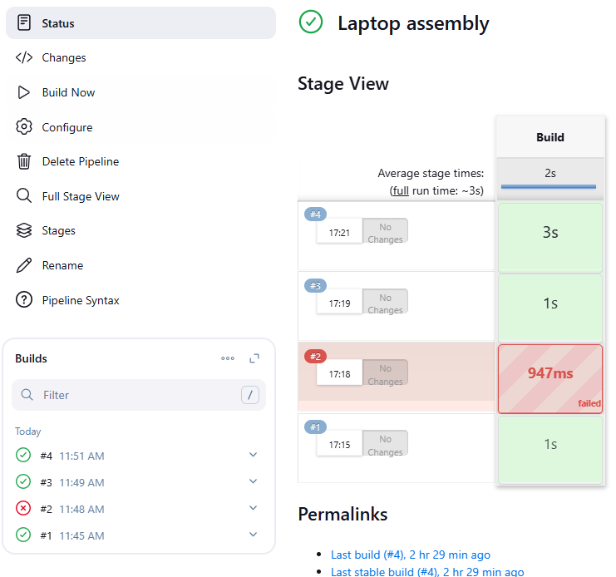
 |  |  |  |  |  | Hover the mouse over the time of the build in the stage view section
 |  |  |  |  |  |  | From which we can access logs
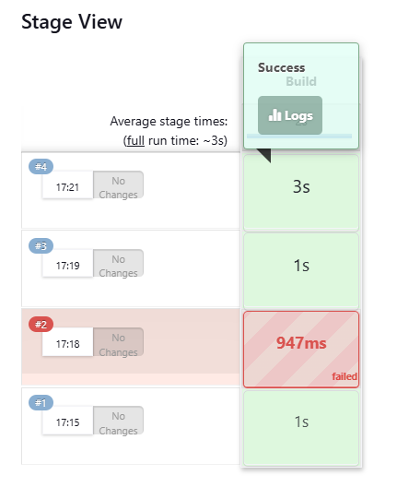
 |  |  |  |  |  |  |  | Click on the logs, we can see each shell execution
 |  |  |  |  |  |  |  | Use the dropdown and expand
 |  |  |  |  |  |  |  |  | to see the output of particular shell command
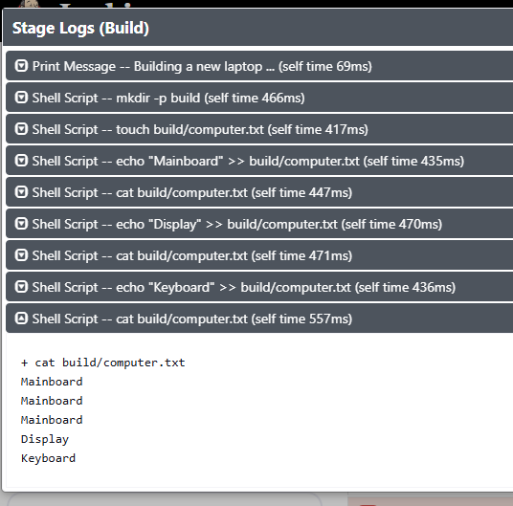

 |  | You could see that there are 3 successful builds
 |  |  | and the first 2 successful builds had Mainboard alone |  |  |  | <-------------------------------------------
 |  |  | then only I added Display and Keyboard
 |  | So only it is showing Mainboard 2 times extra

 |  | If we run the jobs multiple times,
 |  |  | we will be having multiple Displays and multiple keyboards as well

 |  | It should not be the thing what we want
 |  | Lets analyse whats getting wrong

 |  | We have already seen mkdir is throwing err and so -p is used
 |  | touch should create a new file but it is using the old file itself
 |  |  | that’s y the same file gets updated with multiple entries

