SQL
INTRODUCTION
Data
Data is basically information about something
For Ex:
Data about You - Name, age, Ht, Wt, Contact no etc.,
Data about Mobile - Company, Price, Model Name, Storage details, Battery backup, etc.,

Data can be in any format - Numbers, Text, Pictures, Audio, Vdo etc.,

Database
Database is a collection of related data, stored electronically in computer system in a systematic manner

Lets dive into the defenition by splitting up into 3 parts
Database is a collection of related data
For Ex - To create a college Database, we need data of student, teaches, courses etc
All the three data are related to each other
There will be a particular teacher teaching particular course to students
There will be a student taking particular course
Thus all these datas are related to each other
Thus the college database has a collection of data, which are related to one another
Thus, database is a collection of related data

Stored Electronically in computer system
This means that the data is stored in electronic manner
For Ex - Before we hafe filled paper forms earlier
But now, we fill online forms
This means that our data are stored electronically in college database

In a systematic manner
Data is stored either as files as in ordinary DBMS or as tables as in RDBMS
We call the column heading as attributes
We call each row as record

Now lets move on to DBMS

DATABASE MANAGEMENT SYSTEM
DBMS is the software that work with database
Users can Insert data/ Update data/ Delete data/ Manage access to data by using DBMS

We all know about insert, update and deleting data
But What it means by managing access to data?????

Control access (Managing access with data)
With DBMS we can control two main things:
Who can access data?
How much one can access data?
For Ex:
A student can access his data only in college database whereas a teacher can acces all his students

Manipulate data - insert, update and deleting data

Types of DBMS
Two types of databases:
Relational - SQL
Non-Relational - NOSQL
First we will go through Diff between DBMS and RDBMS
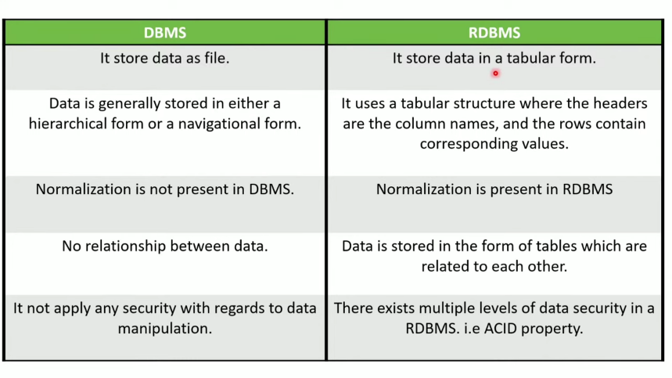
Then we will dive deep into Diff between SQL and NOSQL

DBMS - like ordinary files storing in our computer
It will be one inside other
There will be parent-child relationship and sibling relationships between them
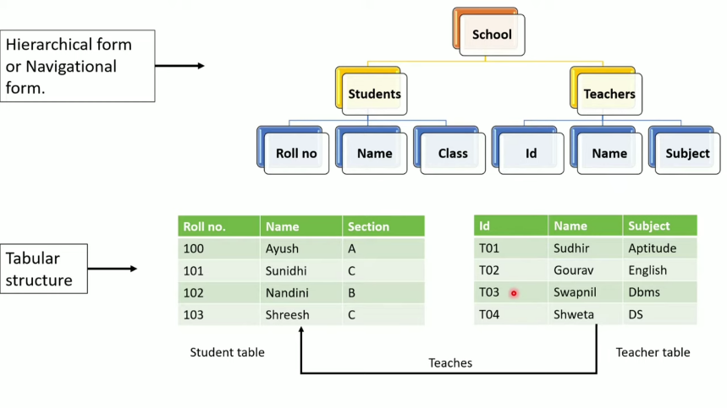
But RDBMS store data in the form of table

Normalisation - Discussed later
ACID - Discussed later

Relational DataBase - Data is stored in tabular form - we use SQL DBMS (like oracle etc.,) to manage it
Non realational database - All other forms of data - we use NOSQL DBMS (like Mongo DB etc.,) to manage it
Here we study about SQL | Study NoSQL in future

Relational databases
When a database contains multiple tables, which are related to each other in a specific manner -
- then it is called relational database
In relational databases, the datas are stored in table format
We call columns as attributes/ fields and rows as records
Relational databases DBMS - Ex - Oracle, MySQl, SQL server etc.,

Study about the properties in the table

SQL
SQL - Structured Query Language
SQL is nothing but a programming language (ie) a set of syntaxes and rules, -
- which helps us to give instructions to DBMS software to work with databases
Thus, We use SQL to read/modify data to any relational databases
For that we will pass queries using SQL in a DBMS

Queries
We have studied that DBMS is the software that work with database
These DBMS softwares cant work on its own
We have to give insructions regarding what is to be done and how it is to be done?
For that we give commands called Queries using SQL
Thus SQL helps users to communicate with DB through a DBMS

We can create, insert,update or retrieve the data from/to these databases
For doing these operations, we have to write SQL statements called Queries

We genereally use 5 types of commands | Some commands in the types in col A
DDL - Data Defenition Language | Create, After, Drop
DML - Data Manipulation Language | Insert, Update, Delete
DQL - Data Query Language | Select
DCL - Data Control Language | Grant, Revoke
TCL - Transaction Control Language | Commit, Rollback
Also study about database objects like - Table, View, Synonym, Trigger, Sequence, Index, Cluster etc.,

DDL - Data Defenition Language (Also referred as Data Description Language)
It is used to create and modify the structure of the database
Note not to create/modify the data in the database but to create/modify the strcture of the database

We use this language
To Create/Delete/Rename a Database
To Create/Delete/Rename a table in a database
To Create/Delete/Rename a column in a table

Common commands in DDL - CREATE, DROP, ALTER, RENAME, TRUNCATE

In which, we have to provide the table name, Column name and their respective data type in the column

In the above example, Roll no will store numeric datatype and string will store string datatype etc.,
Thus defining the column names and defining the type of data in the columns will create an empty table
This is done in DDL - Data Defenition Language

DML - Data Manipulation Language
In order to insert, update, modify, add, remove etc., the data, we have to use Data Manipulation Language

DQL - Data Query Language
In order to select etc., the data, we have to use Data Query Language

Creating table
 | Syntax:
create table student | create table <tablename>
{ | {
rollno number, | <Col1Name> <Col1DataType(size)>,
sname varchar2(10) | <Col2Name> <Col2DataType(size)>,
age number, | <Col3Name> <Col3DataType(size)>,
marks number, | <Col4Name> <Col4DataType(size)>,
div char(1) | <Col5Name> <Col5DataType(size)>
}; | };

Note:
Varchar2 - For strings, whose length can vary
varchar2(10) - means it is a string whose length can vary from 0 to 10
char - For strings, whose length is fixed
char(1) - means it is a string whose length is always 1

Now, we have created an empty table to fill in the data inside the table we will use DML
insert into student
values(1,'abc',12,45,'A') | Inputs given as comma seperated values
insert into student | If we put 0, it will take value as 0. But it is not available
values(2,'pqr',13,null,'B') | null - used for absence of info or N/A (not zero)
insert into student(sname,rollno,marks,age,div) | We can change the order of inputs
values('xyz',3,0,11,'A') | Values entered in the defined manner
insert into student
values(4,'rst',12,33,'A')
insert into student
values(5,'aba',11,28,'B')
insert into student
values(6,'def',14,35,'B')

