Sheet1
REACT
React is a JS library for building User Interfaces

Consider an example like Netflix website and application
This application is highly interactive and runs pretty smooth
We don’t have to wait for anything to load
We have nice transition
The transition happens instantly, even when we change tabs
We don’t need to wait for a new page to load
Even if we use it as website in browser, it behaves more like a mobile app
Mobile apps gives us highly reactive user experience
Mobile apps react instantly
But in case of web apps or websites, the request have to be sent to server and -
- we have to wait for sometime to load the page
We can use JS to break this Request and Response cycle

JS allows us to change what the user sees without fetching a new HTML page
Instead requesting a new page, JS helps us to manipulate DOM
We don’t need to request a new HTML page, just to present something different to the user
That’s how JS can help us

We can do all these using JS itself
Then why do we need React?
JS requires complex and lengthy code for that simpler action
It requires more code for single element itself
It we have mulitiple elements, it becomes even more complex
Thus JS works, but it will reach its limits
This occurs because we have to write code in an imperative way
Imperative way (i.e) Every single step has to be defined one after other in code
And also has to be defined again and again for different elements even it is doing the same work
This will reach its limit at one point
Even if it doesnot reach its limit,
the developer should take care of each and every detail of the things happening
the developer has to run the low level code for each and everything
the developer has to reinvent the wheel over and over again doing repetitive tasks
Since React is a JS library, it can also help us with that
When writing a React code, we developers will have to deal with high level codes only
And the react library takes care of low level operations
This happens because, React code will work in a declarative way (like functions) and not in imperative way
Basically Both JS and React are used for building UI interface, But React simplifies the code

JS Frameworks
Before going into this, we have to understand some terms
Module:
Collection of functions in single file
Package:
Collection of modules in single file
Library:
Collection of packages in single file

Difference between Framework and Library
FrameWork | Library
Framework code calls your code | Your code calls Library
Ex: - Django, Flask | Ex: - Math, Numpy, Pamdas etc.,
Frameworks control the flow of your application | But libraries don’t

Angular JS:
One stop shop
Huge framework with lot of built in features
Ex: - Features for form validation, for sending http request, for routing, for state management etc.,
So most people consider angular as platform than as a framework
We will rarely have a usecase, that angular wouldnot have a built in solution

React JS:
REACT is the opposite of angular i.e. it is quite minimalistic focussed on UI building
So most people consider angular as library than as a framework
Even React will call itself a library in its official page
React has very less features built in
We have to add community managed packages for the things which are not available in React

Vue JS:
Vue lies between angular and JS
Has more built in features than react but not has all the featues in angular
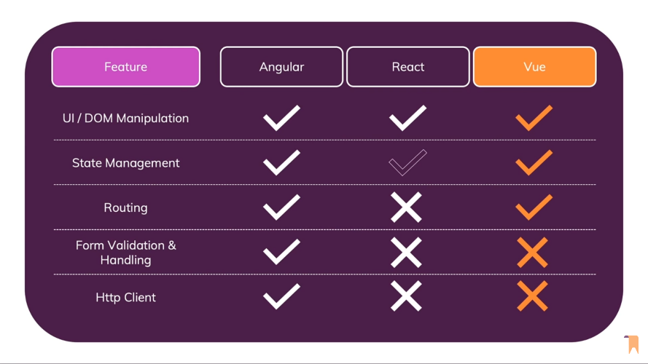

NPM
WKT, React needs additional community managed packages
We can also use node.js packages for that in React
For that, We have to install node js and we have to use NPM and NPX

NPM --> Node Package Manager
NPM is nothing but a combination of Online platform and Command line tool
In Online platform
People can publish and share tools, modules or packages written in JS
Anyone can search for this tool and can be used
Similarly, we can also use the code written by others
In Command Line Tool --> Which helps users to communicate with online platform mentioned above
Install/Uninstall packages
Package is a tool someone create and upload to the online platform
Packages are building blocks of an application
We can combine several building blocks to create an application or even more advanced package
Developers around the world will publish their packages to the online platform
We can install/ uninstall these packages using npm CLI
Version management
Every package has a version
As the package keeps growing, the version changes
NPM helps to keep the package updated
It also helps us to switch to the version we want
Dependancy management
Many packages that we use today are built on other packages
Dependencies are packages that are needed for another package to work properly
Instead of finding all the dependencies required for a package to work and download all of them
We can do it using a single command in NPM

NPX
NPM allows you to install package but it didn’t allow you to run/execute them
So NPX was developed to execute the commands from packages directly
NPX --> Node Package EXecuter
NPX is a tool, that makes easy to run any sort of node based executable, that we would normally install via NPM
Have you heard of using a package without installing it?
This is where NPX comes in
NPX basically is used to execute command from packages without installing it

Go through all npm and npx commands

CREATE-REACT-APP GITHUB REPOSITORY
Since react is created by facebook, facebook created a tool/package called create-react-app in github
We can get to this repository in github by just googling it
create-react-app.dev --> gives complete documentation about this tool/package
This is a tool, which we can use to create react projects
NPX --> Node Package EXecuter

ANALYSING A REACT PROJECT
React code is just JS code
We are going to use React features and some special syntaxes introduced by react
But ultimately everything is just JS code

We will basically use react to manipulate DOM
Basically manipulating HTML, CSS and JS
For that we will need a basic HTML, CSS and JS files to get manipulated
index.js is the main react file, which will access and manipulate the required HTML, CSS and JS files

HTML file
In this project, we are having HTML file in the public folder
This file name is also index and there will be only one HTML file as we will build only SPAs with react
If we run this file directly, we wont get any output
We have to manipulate the contents of the page as components of react

CSS file
The src folder(same folder having react js file) itself has the index.css file
The styles are defined here and linked to React js file

JS file
The src folder(same folder having react js file) itself has the app.js file
There, we have to define the function to be performed

REACT JS file - Analysis
import ReactDOM from 'react-dom'; | importing "React DOM" object from external package
 | External package 'react-dom' is a part of react library
 | We don’t need to give "./" for importing external library
import './index.css'; | importing css file, "index.css"
 | We need to give "./" to import it from same folder
 | Or else we have to give path
import App from './App'; | importing JS file, "App.js"
 | Similar to importing libraries, we don’t need to give -
 | - the extension at the end
 | We need to give "./" to import it from same folder
 | Or else we have to give path
ReactDOM.render(<App />, document.getElementById('root')); | We have already imported ReactDOM object
 | Here we are accessing the method render in that object
 | Render has 2 arguments
 | One is the JS file to be executed
 | Other is the HTML element which has to be modified
 | Here we also have to not that App is given -
 | as an HTML element in row 171
 | Here the HTML element having the ID root is selected
 | And the App.js is executed in that element
 | function App() {
 | return (
 | <div>
 | <h2>Let's get started!</h2>
 | </div>
 | );
 | }

 | export default App;

 | This the function done by App.js
 | It just returns Let's get started
 | But we have to export it at the end
 | The things exported here can only be imported in main file
 | We cant import things which are not exported
 | So it is must to have the export at the end
 | Row 166 will import the things exported in Row 188

 | Now the render function will give the output of the -
 | - App.js "Let's get started" in the place of -
 | - HTML element with ID root

 | As we have also imported index.css, the styles in -
 | - index .css will also be applied to the -
 | - respective HTML elements

JSX
In the above code, what does the App function is App.js is doing?
It returns an HTML code
It is very strange to have HTML code inside a JS file
It is not a valid JS code normally
Eventhough, everything works here
The reason for that is, this is a feature called JSX
JSX is a special syntax invented and introduced by react team

It works in these JS files because of the transformation steps, which are running behind the scene
JSX is basically an HTML code inside a JS code
JSX, in which JS stands for JavaScript and X stands for XML (HTML in the end is XML)
WKT this code only works because of the transformation scene that is happening behind the scenes
The npm start transforms this HTML code to more browser friendly code
We can see the tranformed code in the chrome developer tools

Dev tools-->Sources-->static/js-->maimchunk.js
This will yield a set of methods in it
If we find App() method there, we can see a transformed code there
That code will be more browser friendly
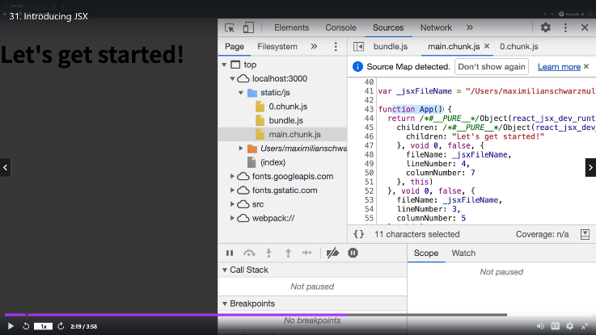
 | User written code for comparison
 | function App() {
 | return (
 | <div>
 | <h2>Let's get started!</h2>
 | </div>
 | );
 | }

 | export default App;
But we can see that this code is much different from whae we have written
Thus JSX makes it easier for humans to write the code
Then the JSX gets transfirmed to a browser friendly code
And then finally it gets executed

In imperative approach (in normal JS) | In declarative approach (in react JS)
const para = document.createElement("p"); | function App() {
para.textContent = "This is also visible"; | return (
document.getElementById("root").append(para); | <div>
 | <h2>Let's get started!</h2>
 | <p>This is also visible</p>
 | </div>
 | );
 | }

We are adding only one line in declarative approach
Thus we can see the benefit offered by react
We are doing everything in the imperative approach
Whereas we will change only the end state of the element in declarative approach -
- and react will take care of many things, which will happen behind the scenes

Building Expense Tracker
Now we are gonna learn react by building an Expense tracker
We can also build webpages, websites and single page web apps without using react aslo
But, when we have complex UI as in the case of this expense tracker, Using React will make it much easier
Using react will also make our code more error free
Because we will be more focussed towards core business logic
Instead of focussing on actual steps of updating the page, when something happens somewhere

To make these things simpler, React embraces a concept called Components
React is all about components
But what is a Component?
Components are reusable building blocks in your UI
Components in the end are a block of HTML code, CSS styling and JS Code for some logic
Thus component will be a basic building block, when combined will lead to UI

All UI can be divided into lot of individual components
And react is all about these components
We will build these components and we will tell react how to compose them together to get final UI

But how a component is built?
A component is built with HTML, CSS and JS
Then all these Components are combined to get the complete UI

Building first component
We can put everything in a single JS file also
But keeping diffent JS files for different files will be a good practice to be followed
We may also end up with doezens of hundreds of files as react SPAs will have that many components
Name of those files should not contain space and and all words are starting in caps
Ex:- ExampleFileName.js
File name should describe the component's function

How is a component written in REACT?
A component in react is just a JS function

Main code - App.js | Component Code - ExpenseItem.js
import ExpenseItem from "./Components/ExpenseItem"; | function ExpenseItem() {
function App() { | return <h2>Expense Item!</h2>;
return ( | }
<div>
<h2>Let's get started!</h2> | export default ExpenseItem;
<ExpenseItem></ExpenseItem>
</div>
);
}

export default App;

We have to create all the components in a single folder
So we have created the Component Code - ExpenseItem.js in the component folder
So when importing we have to give the path and filename
import <custom tag> from "./filepath/filename"
We can use this custom tag like a HTML element
Custom tag is the tag we use to place the thing in the main code App.js
As we have used the custom tag after "Let's get started", -
- the output of ExpenseItem.js (Expense Item!) will be displayed after "Let's get started",

The key diff between built in HTML element and these kind of HTML elements is -
- Built in elements will start with small letter and custom tags start with caps
With this difference, REACT will identify the custom made component and builtin element
<ExpenseItem></ExpenseItem>
This line in code tells the REACT to use the imported compenent with this custom tag has to be placed there

function ExpenseItem() { | This will lead to error as there are more than -
return | - 1 element to be returned
<div>March 28th 2021</div> | We can have only one root element
<div> | To solve this, we can wrap all this in a single element
<h2>Car Insurance</h2>;
<div>$294.67</div>
</div>
}

export default ExpenseItem;

function ExpenseItem() { | Here there is only one root element
return; | We have many elements under 1 root element
<div> | So it will work
<div>March 28th 2021</div>
<div>
<h2>Car Insurance</h2>;
<div>$294.67</div>
</div>
</div>;
}

export default ExpenseItem;

For CSS Styling, We have to add class name to each element
Then we have to define styles for them in separate css file
And finally we have to import that CSS file to this JS file

In HTML we use class=<Class Name> but here we have to use className=<Class Name> to define class
Also for importing, we have to give the filename inside ""

But here everything is hardcoded
We need to make it dynamic
We have to receive it from user and output it dynamically
First we will make it dynamic then we make it to get from user

import "./ExpenseItem.css";
function ExpenseItem() {
const expenseDate = new Date(2021, 2, 28);
const expenseTitle = "Car Insurance";
const expenseAmount = 294.67;

return (
<div className="expense-item">
<div>{expenseDate}</div>
<div className="expense-item__description">
<h2>{expenseTitle}</h2>
<div className="expense-item__price">${expenseAmount}</div>
</div>
</div>
);
}

export default ExpenseItem;

In the above code we have declared values to constants
And then calling those constants by calling them inside curly braces
But it wont show output | We can use Curly brace and do calculations like {1+1} also
This is because date object cannot be outputted as text string
So we have to use the built in method toISOString()
import "./ExpenseItem.css";
function ExpenseItem() {
const expenseDate = new Date(2021, 2, 28);
const expenseTitle = "Car Insurance";
const expenseAmount = 294.67;

return (
<div className="expense-item">
<div>{expenseDate.toISOString()}</div>
<div className="expense-item__description">
<h2>{expenseTitle}</h2>
<div className="expense-item__price">${expenseAmount}</div>
</div>
</div>
);
}

export default ExpenseItem;

But even in this case, we have created separate constants (expenseDate, expenseTitle etc.,) only
But the values are constant
So reusing will yield same item repeatedly
To reuse it for a different item, we have to get the values from the key value pair in app.js using props

In App.js code
import ExpenseItem from "./Components/ExpenseItem";
function App() { | We have to define everything inside [] and each item inside {}
const expense = [ | Here we are defining different expenses
{ | Each expense will have key value pair details
id: "e1", | Key value pair syntax
title: "Toilet Paper", | {
amount: 94.12, | Key 1:Value 1,
date: new Date(2020, 7, 14), | Key 2:Value 2,
}, | .
{ | .
id: "e2", | .
title: "Car Insurance", | Key n:Value n,
amount: 694.27, | }
date: new Date(2021, 8, 16),
},
{
id: "e3",
title: "Groceries",
amount: 66.45,
date: new Date(2021, 6, 7),
},
{
id: "e4",
title: "Flowers",
amount: 166.54,
date: new Date(2021, 4, 12),
},
];
return (
<div>
<h2>Let's get started!</h2>
<ExpenseItem | Here We are assiging the variables to -
title={expense[0].title} | - their respective values based on the indexes
amount={expense[0].amount} | By doing this we are assigning title, amount and date variables
date={expense[0].date} | We have to call these variables in Expense item.js code
></ExpenseItem>
<ExpenseItem | We have to define these like attributes
title={expense[1].title} | Even in attributes we have to use {} on right side -
amount={expense[1].amount} | - to assign a dynamic value based on the key value pair
date={expense[1].date}
></ExpenseItem>
<ExpenseItem | <ExpenseItem
title={expense[2].title} | ></ExpenseItem>
amount={expense[2].amount}
date={expense[2].date} | <ExpenseItem
></ExpenseItem>
<ExpenseItem
title={expense[3].title}
amount={expense[3].amount}
date={expense[3].date}
></ExpenseItem>
</div>
);
}

export default App;

In ExpenseItem.js code
import "./ExpenseItem.css";
function ExpenseItem(props) { | we will remove the constants given earlier
return ( | Instead we will pass props as parameter
<div className="expense-item"> | This will read the props obtained from App.js code
<div>{props.date.toISOString()}</div> | We can access those props by using props.title, -
<div className="expense-item__description"> | - props. Amount, props.date within {}
<h2>{props.title}</h2>
<div className="expense-item__price">${props.amount}</div>
</div>
</div>
);
}

export default ExpenseItem;

NOTE:
<ExpenseItem | <ExpenseItem
title={expense[3].title} | title={expense[3].title}
amount={expense[3].amount} | amount={expense[3].amount}
date={expense[3].date} | date={expense[3].date}
></ExpenseItem> | />
Both of these are same
If we don’t have anything between opening tag and closing tag, -
- we can make it into a single tag

To make the date better, we have to make it into 3 different div elements
But making it in the same ExpenseItem.js code will make it much bigger
So, we can make it as a separate file
These things are subjective. There is no proper defenitions for creating a new file

import "./ExpenseItem.css";
import ExpenseDate from "./ExpenseDate"; | We are importing the ExpenseDate.js file here
 | The tag created here is Expense tag
function ExpenseItem(props) {
return (
<div className="expense-item">
<ExpenseDate date={props.date}></ExpenseDate> | Here, We are replacing the date with the tag -
<div className="expense-item__description"> | - defined during importing
<h2>{props.title}</h2> | We also define date variable by accessing props.date
<div className="expense-item__price">${props.amount}</div>
</div> | This will make the date in app.js to get assigned to date
</div> | Later it will be passed when props.date is called -
); | - in ExpenseDate.js
}

export default ExpenseItem;

In ExpenseDate.js Code
function ExpenseDate(props) {
const month = props.date.toLocaleString("en-US", { month: "long" });
const day = props.date.toLocaleString("en-US", { day: "2-digit" });
const year = props.date.getFullYear();

return (
<div>
<div>{month}</div>
<div>{day}</div>
<div>{year}</div>
</div>
);
}

export default ExpenseDate;

In the above code, we use several built in date functions to split the date
Study about the date functions
Then everything is returned as 3 different div elements
First we will assign them to 3 different variables
And then we will call it by using {}

To add css to it
Just add class name, define css file for different classes and finally import the css to the ExpenseDate.js file
import "./ExpenseDate.css";

function ExpenseDate(props) {
const month = props.date.toLocaleString("en-US", { month: "long" });
const day = props.date.toLocaleString("en-US", { day: "2-digit" });
const year = props.date.getFullYear();

return (
<div className="expense-date">
<div className="expense-date__month">{month}</div>
<div className="expense-date__day">{day}</div>
<div className="expense-date__year">{year}</div>
</div>
);
}

export default ExpenseDate;

We can also make the expenses into separate Component
In Expenses.js code | In App.js code
import "./Expenses.css"; | import Expenses from "./Components/Expenses";
import ExpenseItem from "./ExpenseItem"; | function App() {
 | return (
function Expenses() { | <div>
const expense = [ | <h2>Let's get started!</h2>
{ | <Expenses></Expenses>
id: "e1", | </div>
title: "Toilet Paper", | );
amount: 94.12, | }
date: new Date(2020, 7, 14),
}, | export default App;
{
id: "e2",
title: "Car Insurance",
amount: 694.27,
date: new Date(2021, 8, 16),
},
{
id: "e3",
title: "Groceries",
amount: 66.45,
date: new Date(2021, 6, 7),
},
{
id: "e4",
title: "Flowers",
amount: 166.54,
date: new Date(2021, 4, 12),
},
];
return (
<div className="expenses">
<ExpenseItem
title={expense[0].title}
amount={expense[0].amount}
date={expense[0].date}
></ExpenseItem>
<ExpenseItem
title={expense[1].title}
amount={expense[1].amount}
date={expense[1].date}
></ExpenseItem>
<ExpenseItem
title={expense[2].title}
amount={expense[2].amount}
date={expense[2].date}
></ExpenseItem>
<ExpenseItem
title={expense[3].title}
amount={expense[3].amount}
date={expense[3].date}
></ExpenseItem>
</div>
);
}
export default Expenses;

Composition - Done in code but have to study

Study later

JSX - BEHIND THE SCENES in lecture 42

Organising Component Files
If we have lot of files, we have to split the components based on their features
Now splitting card into UI folder and All other expense related files in expenses folder
Now for accessing card JS, we have to go up one level in the folder
To go up one level, we have to use ../
import Card from "../UI/Card";
Similarly change paths during import for things , which requires change

Instead using function keyword, we can use arrow function
It is JS property and not react specific
It is recommended to use arrow function. But not compulsion

MAKING OUR APP MORE INTERACTIVE
Till now we have developed a static app
But We can make it interactive by using States & Events

As a first step of making the app reactive, we will just introduce a button at the right end
And make the app reactive when clicked

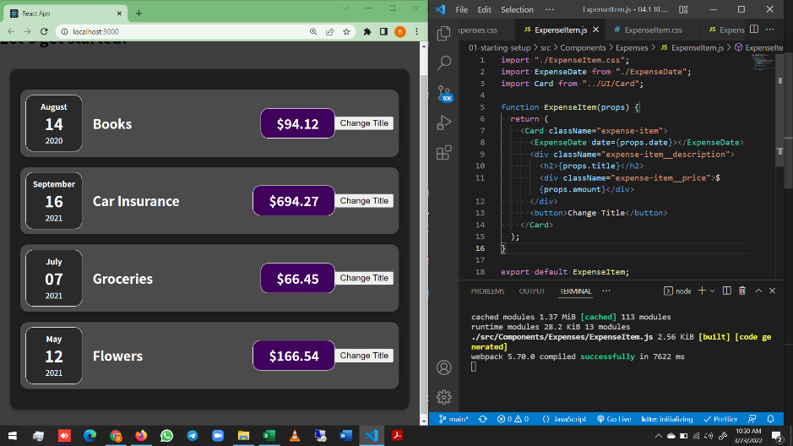

In the above image, we have added a temperory button (without any style) at the end of each item
Now for making it reactive when clicked, we have to add code
For this instead of selecting the element using get element by ID and using an Event listener with it, -
- React have special props like onClick, onDoubleClick etc.,
Study all special props

We have to define a function that will happen and call the function in the onClick attribute
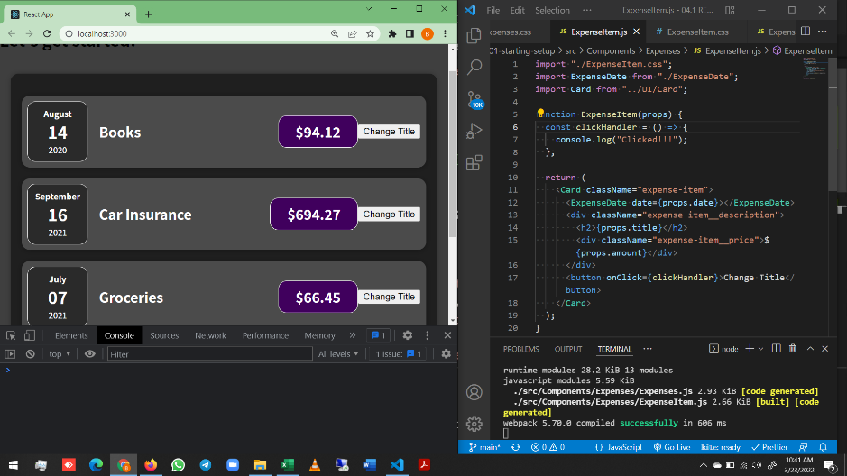

In the above code, function clickHandler is called in line 17 using onClick attribute
It calls the function, which is defined in line 6 to 8 and executes it
The function is defined as an arrow function. But it can also be defined normally
We can also define the entire function in line 17 itself instead of calling it
But the code looks messy. So we are defining it seperately and calling it
It is also allowed to define the function in both ways even if we define it in line 17

Also we have to note that, we are not using () when calling the function in line 17
<button onClick={clickHandler}>Change Title</button>
Here instead of clickHandler(), we are calling it as clickHandler only, without paranthesis
This is because, If we call with paranthesis, it gets executed when returning itself
That is, it gets executed even if we don’t press the button
It gets executed with the flow
So in this case, we should not give paranthesis

Before clicking the button


After clicking the button in Car insurance Item | After clicking the button in Groceries Item
It shows clicked | It shows clicked with 2 in front (Which means twice)



Similarly we can add event listeners to all the DOM elements present in our code
But we have restriction that not all elements supports all events
Some Elements supports some events only
We can google the element and search for its supported events

Now We don’t need to get clicked as an output in console when the button is clicked
We need to change the title when clicked
For that we are assinging the props.title to a variable and then changing the variable using function when clicked
Finally assigning the variable to that place

import "./ExpenseItem.css";
import ExpenseDate from "./ExpenseDate";
import Card from "../UI/Card";

function ExpenseItem(props) {
let title = props.title; | Here we are assiging the title variable
const clickHandler = () => {
title = "Updated";
console.log(title);
};

return (
<Card className="expense-item">
<ExpenseDate date={props.date}></ExpenseDate>
<div className="expense-item__description">
<h2>{title}</h2> | Here we are replacing props.title with just variable title
<div className="expense-item__price">${props.amount}</div>
</div>
<button onClick={clickHandler}>Change Title</button>
</Card>
);
}

export default ExpenseItem;

But this doesnot changes the title in web page
When we console.log, we can see the updated as output in console
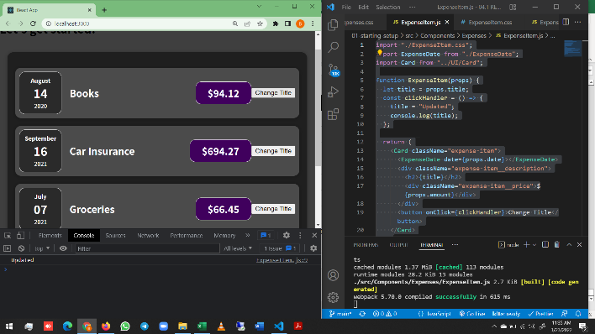

Here the title is getting changed
But it is not reflected in our dom
This is simply because REACT doesnot work like this
Now we have to know, How react works?
We will have a deep dive into the working of react later
But we need to understand one of the important concept before that

React is fully made up of components and compenents are nothing but a function
But the only special thing about component is that it returns JSX
Since it is a function, we have to call it
But we never called it
Instead we just used these functions like HTML elements in these JSX code
But behind the scenes, it is almost like a function call
Thus when we use a Component as an HTML element, it calls the function
IT will then gets executed and calls all the function, the function contains
Thus it ends only when all function calls are over and everything gets executed
Then it evaluates the overall result and translates the output to DOM instructions
Which renders the output on screen like a webpage

The only problem with this is that react does it only once
React goes through all of it when the application is initially rendered
But in modern applicaions, we need to update things sometimes
So we need a way to tell react that something is changed and certain element has to be re evaluated
And that’s where REACT introduces a special concept called STATE

STATE is not a react specific concept
But it is a key concept in REACT

For that, we have to import { useState } from 'react':
import REACT, { useState } from "react";
The above line imports the REACT object and useState function from react library
The useState function allows us to find values as states -
- and any change in value will lead to reload the entire component

The useState function should be used inside the component
It should not be called outside the component
Or it should not be called in the function inside the component
It should be directly inside the component to be reloaded
There is an exception to this, But will be discussed later
useState is a REACT hook. There are many other hooks as well, which we will discuss later

useState() requires a default state value
Because with useState we create a special kind of variable, a variable when changed will lead to reload the entire component
useState(props.title);
Now we have set the initial default value for the variable
However we need to use this variable below in other parts of code
So we want useState to return a value
useState give access to this special variable
Not only this acces to this special variable, but it also returns a function
We can call the function returned by useState to assign a new value to that variable
SO we will not be assigning values to the variable not by using = sign

From this, we can get that useState returns an array, in which
First value is the variable default value
Second value is that updating function
We can use Array Destructuring to store these two thing to two different variables
const [title, setTitle] = useState(props.title);

In ExpenseItem.js Code
import REACT, { useState } from "react"; | Importing useState method
import "./ExpenseItem.css";
import ExpenseDate from "./ExpenseDate";
import Card from "../UI/Card";

function ExpenseItem(props) {
const [title, setTitle] = useState(props.title); | Using useState
const clickHandler = () => {
setTitle("Updated!!!"); | Calling the function in useState
};

return (
<Card className="expense-item">
<ExpenseDate date={props.date}></ExpenseDate>
<div className="expense-item__description">
<h2>{title}</h2>
<div className="expense-item__price">${props.amount}</div>
</div>
<button onClick={clickHandler}>Change Title</button>
</Card>
);
}

export default ExpenseItem;

Here, we are not assigning the value to variable
Instead, we are calling the function
Why does it work like this?
The reason is calling the function does not assign a new value to the variable
But it also executes the component function again, where we are calling the function

We also have to note that eventhogh the expense item component is executed 4 times
Clicking a button on component instance is not changing the name of other instances
This is because, each component instance have its own state function
So instead of saying the hook to be component specific, it is more precise to call it component instance specific
That is it reloads only that instance of the component, while the other instances will remain the same

Why are we using const for a thing which is varying?
Here, the title is pointing to props.title and the setTitle is pointing to a function
And the function is also pointing to the argument passed over it
So in all cases, the address which it points is same
IF we change anything using = symbol for a constant will lead to error
But in this case, eventhogh it is varying, it is not done by = symbol
So using const is not a problem

The props.title gets the default value only when executing for first time
Then for the next evaluation, it takes the current state or most recent state

We have to use the first element, whenever we wanna use the state value anywhere
const [title, setTitle] = useState(props.title);
(i.e.) In this case, we have to use title as it is the first element

function ExpenseItem(props) {
const [title, setTitle] = useState(props.title);
const clickHandler = () => {
setTitle("Updated!!!");
};

return (
<Card className="expense-item">
<ExpenseDate date={props.date}></ExpenseDate>
<div className="expense-item__description">
<h2>{title}</h2> | Here we can see calling the first element when reqd
<div className="expense-item__price">${props.amount}</div>
</div>
<button onClick={clickHandler}>Change Title</button>
</Card>
);
}

Adding From User Inputs
Till now we have made the expenses to be hard coded
But we need the users to add the expenses and they have to input the date title and amount of those expenses
For that we are creating a NewExpense folder in the component
And we have to create forms to get user input in the NewExpense.js file

ExpenseForm.js code
import React from "react";
import "./ExpenseForm.css";

const ExpenseForm = () => {
return (
<form>
<div className="new-expense__controls">
<div className="new-expense__control">
<label>Title</label>
<input type="text"></input>
</div>
<div className="new-expense__control">
<label>Amount</label>
<input type="number" min="0.01" step="0.01"></input>
</div>
<div className="new-expense__control">
<label>Date</label>
<input type="date" min="2019-01-01" max="2022-12-31"></input>
</div>
</div>
<div className="new-expense__actions">
<button type="submit">Add Expense</button>
</div>
</form>
);
};

export default ExpenseForm;

In this, we are developing a form, which has two parts
First part is new-expense__controls part, in which the input is feeded by the user
Second part in new-expense__actions part, in which the feeded input is submitted using a button

Controls part has 3 control parts - Amount, Title and Date
Title's type is set to text
Amount's type is set to number
Date's type is set to date
Apart from ths min and max is set for date and step is set for amount
Study about all other attributes and all other types also

Now in the actions part, we are introcusing an add expense button
The type of this button is set to submit, which submits the inputs received from the user

Now we have to use this ExpenseForm in App.js
Because we need the app to show the form and also the expenses
We already had made it to show the expenses
Now we wanna show the form along with it

import REACT from "react";
import Expenses from "./Components/Expenses/Expenses";
import NewExpense from "./Components/NewExpense/NewExpense";

function App() {
return (
<div>
<NewExpense></NewExpense>
<Expenses></Expenses>
</div>
);
}

export default App;

In this, we have replaced the h2 element with NewExpense element
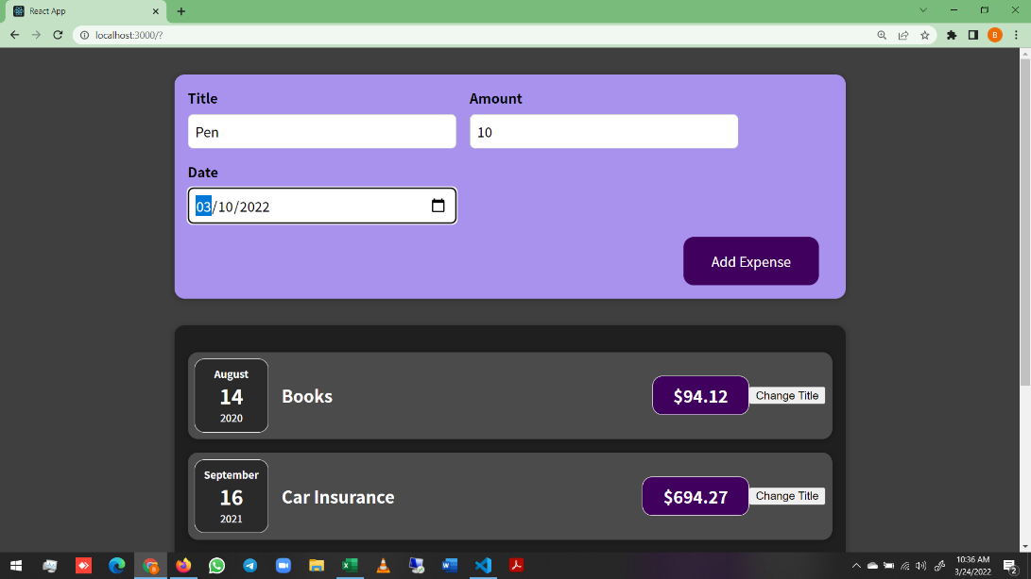

Now the output shows both the form and expenses
But when we fill the form and press Add Expense button, it doesnot gets added

import React from "react";
import "./ExpenseForm.css";

const ExpenseForm = () => {
const titleChangeHandler = () => { | We have defined the titlechange handler function here
console.log("Title Changed"); | So that it gets executed whenever it gets called
};

return (
<form>
<div className="new-expense__controls">
<div className="new-expense__control">
<label>Title</label>
<input type="text" onChange={titleChangeHandler}></input>
</div> | Here we have added the onChange attribute
<div className="new-expense__control"> | This will call the function titlechangehandler whenever it changes
<label>Amount</label>
<input type="number" min="0.01" step="0.01"></input>
</div>
<div className="new-expense__control">
<label>Date</label>
<input type="date" min="2019-01-01" max="2022-12-31"></input>
</div>
</div>
<div className="new-expense__actions">
<button type="submit">Add Expense</button>
</div>
</form>
);
};

export default ExpenseForm;

Console before giving any input to title | Console after giving any input to title
 | When we make a change, it calls the titleChangeHandler function
 | The function gives output in console
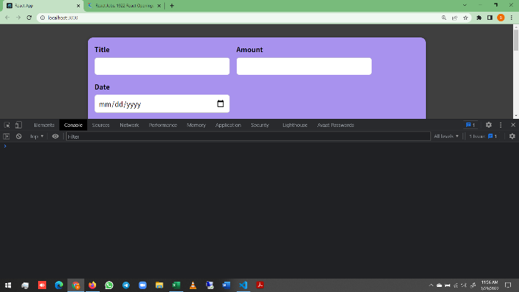


But when we enter 2 letters, react considers it as 2 changes. And executes it twice
Similarly when we enter testing, it executes it 7 times as testing has 7 letters (7 changes according to React)
React considers every keystroke as a change
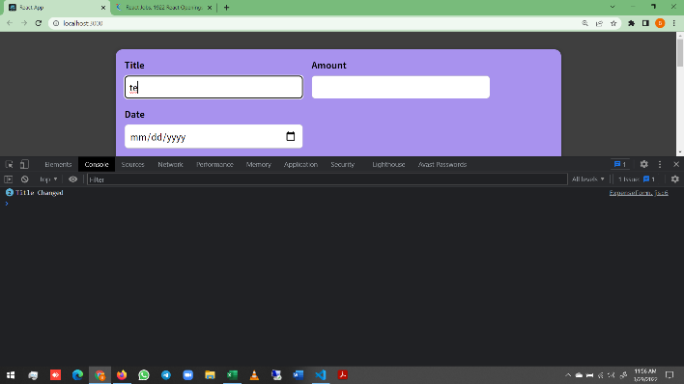


Here we are getting Title change in console for anything we enter
But we need to get the value which user entered
How to get that value?

Change the function like this
const titleChangeHandler = (event) => {
console.log(event);
};

In line 1, it is default that the event gets passed on in that place
event is an object which JS passess as argument to the handler function by default
But to view the event or access the event, we have to pass it as argument
But we don’t know, what the event object contains
To see that we are logging it to console

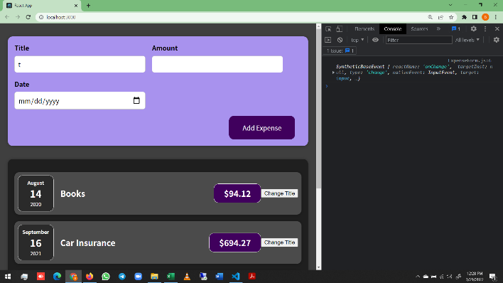

When we expand to see the contents of the object
We can identify a key called target
When we expand target we get the value passed by the user
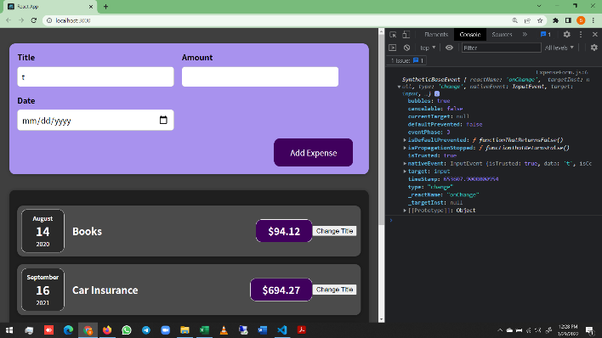
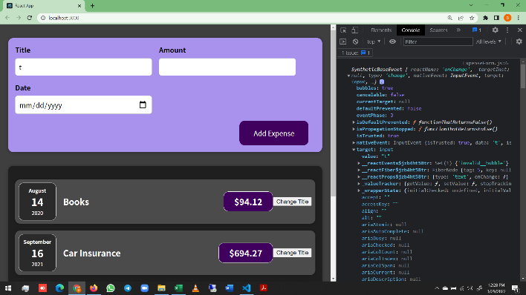

From this we can get that event.target.value will give the value, which user feeds
So, using this and rewriting the titleChangeHandler function
const ExpenseForm = () => {
const titleChangeHandler = (event) => {
console.log(event.target.value);
};

We can see the current value, with every keystroke in the console
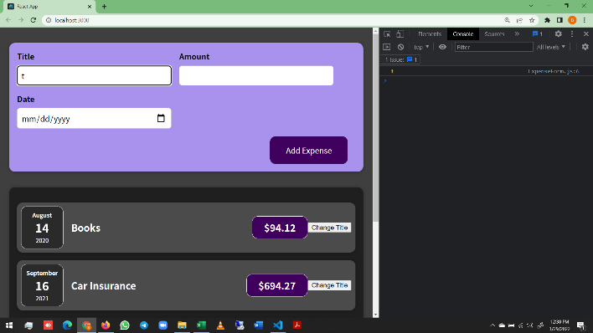
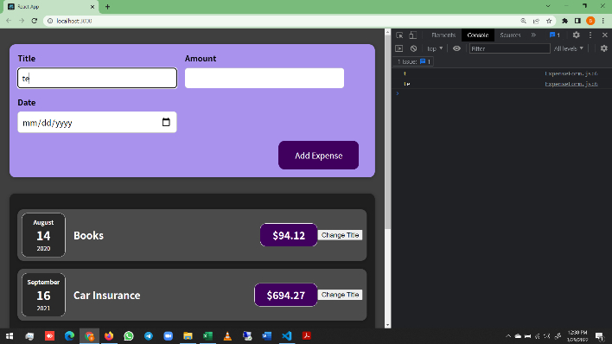




Now the question is what we are gonna do with that value?
We are going to stor the value to some variable.
And later, when the form is submitted, we can use that value.
Because we want to gather all values for all inputs -
- and combine them into an object when the form is submitted

We can use useState for assigning these values to the input variables
const [enteredTitle, setEneredTitle] = useState(""); | Here we are using empty string
 | Bcoz, whatever the input is, the JS will treat it as string
 | So giving empty string as default makes sense
const titleChangeHandler = (event) => {
setEneredTitle(event.target.value); | We have to use setEnteredTitle function instead console.log
}; | So that the value will be store to the variable

Before we are using useState() to update a component
But here we are using it to assign a value to a variable
But what actually happens is the component gets updated from empty string to Input given
But we are doing it to ensure that, we are storing this in some variable, -
- which is detatched from the lifecycle of the component
So that how often the component gets executed, this variable survives

It can be aslo done by any other methods.
But we need state for updating the component in the future
So doing it in this way will be better
We can do the same with other two components

import React, { useState } from "react";
import "./ExpenseForm.css";

const ExpenseForm = () => {
const [enteredTitle, setEneredTitle] = useState("");
const [enteredAmount, setEneredAmount] = useState("");
const [enteredDate, setEneredDate] = useState("");

const titleChangeHandler = (event) => {
setEneredTitle(event.target.value);
};

const amountChangeHandler = (event) => {
setEneredAmount(event.target.value);
};

const dateChangeHandler = (event) => {
setEneredDate(event.target.value);
};

return (
<form>
<div className="new-expense__controls">
<div className="new-expense__control">
<label>Title</label>
<input type="text" onChange={titleChangeHandler}></input>
</div>
<div className="new-expense__control">
<label>Amount</label>
<input
type="number"
min="0.01"
step="0.01"
onChange={amountChangeHandler}
></input>
</div>
<div className="new-expense__control">
<label>Date</label>
<input
type="date"
min="2019-01-01"
max="2022-12-31"
onChange={dateChangeHandler}
></input>
</div>
</div>
<div className="new-expense__actions">
<button type="submit">Add Expense</button>
</div>
</form>
);
};

export default ExpenseForm;

Here we have added multiple useState() slices
We can do that this way also
But an alternative is also available
Instead of calling multiple useState(), -
- We can use a single useState() and pass an object in it

The return statement will remain the same
The things which are commented are replaced by the code following them

const [userInput, setUserInput] = useState({
enteredTitle: "", | Here, we have passed an object with empty string values
enteredAmount: "",
enteredDate: "",
});
const titleChangeHandler = (event) => {
// setEneredTitle(event.target.value);
setUserInput({
...userInput, | We are destructuring the object here
enteredTitle: event.target.value, | Then overwriting the title in titleChangeHandler
}); | If we didn’t destructure, other values will create errors
}; | Similar for amount and Date

const amountChangeHandler = (event) => {
// setEneredAmount(event.target.value);
setUserInput({
...userInput,
enteredTitle: event.target.value,
});
};

const dateChangeHandler = (event) => {
// setEneredDate(event.target.value);
setUserInput({
...userInput,
enteredTitle: event.target.value,
});
};

The thing with the above approach is that we have to give all inputs at the same time
We cannot give single inputs
The way which we are using to update the state is not entirely correct
It is technically correct. It works but it can also fail sometimes
So it is not a good practice to do like this

Here, First we destructure the previous state and then update the variable
The problem is we are depending on previous state here
Whenever we update state and if we depend on previous state, -
- we should use prevState and we have to pass through a function
1st Approach
setUserInput({
...userInput,
enteredTitle: event.target.value,
});
2nd Approach
setUserInput((prevState) => {
return { ...prevState, enteredTitle: event.target.value };
});
};

1st Approach may sometimes use outdated state
So always using the 2nd approach will be better if we depend on prevState
This is just to know. But we are going back to approach where we have multiple states

Now once all the data has been selected, we have to submit it once the Add Expense button is clicked
For that, wecan add onClick Event listener to the Button
But this is not a good prctice, bcoz there will be a default behaviour built in browser and forms on webpages
When a button with type submit in a form is pressed, the form will immit an event that we can listen
So we can use onSumbit event in form element

Now we can see that, the page gets refreshed, when we click the button
But this is not what we want
We can disable/ prevent this behaviour by using the following code
const submitHandler = (event) => {
event.preventDefault(); | This is just JS and not React specific
};

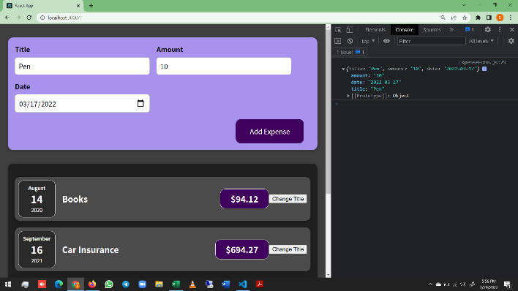
Adding the inputs to an object and also console.log is done for the object
const submitHandler = (event) => {
event.preventDefault();

const expenseData = {
title: enteredTitle,
amount: enteredAmount,
date: enteredDate,
};
console.log(expenseData);
};

Now we can see that the data entered is coverted into an object
But once submitted, we don’t want these things to be there in it
These inputs should get cleared once it is submitted

How to clear this?
That is the reason we have used states for assigning values to variables instead of =
We can use a concept called Two way binding in States
Two way binding simply means that
We not only listen to changes
but also pass a value back to the input

In expenseData object, we have asigned the value to other variables
const expenseData = {
title: enteredTitle,
amount: enteredAmount,
date: enteredDate,
};
We are gonna use title, amount and date only
So that we can reset it back to empty string by passing epmty string to the respective function
const submitHandler = (event) => {
event.preventDefault();

const expenseData = {
title: enteredTitle,
amount: enteredAmount,
date: enteredDate,
};
console.log(expenseData);
setEneredTitle("");
setEneredAmount("");
setEneredDate("");
};

This is not enough.
This will make only the variables related to it in useState() function back to empty string
To make the two-way binding to work
We have to assign these variable values to the value attribute for every input

import React, { useState } from "react";
import "./ExpenseForm.css";

const ExpenseForm = () => {
const [enteredTitle, setEneredTitle] = useState("");
const [enteredAmount, setEneredAmount] = useState("");
const [enteredDate, setEneredDate] = useState("");

const titleChangeHandler = (event) => {
setEneredTitle(event.target.value);
};

const amountChangeHandler = (event) => {
setEneredAmount(event.target.value);
};

const dateChangeHandler = (event) => {
setEneredDate(event.target.value);
};

const submitHandler = (event) => {
event.preventDefault();

const expenseData = {
title: enteredTitle,
amount: enteredAmount,
date: enteredDate,
};
console.log(expenseData);
setEneredTitle("");
setEneredAmount("");
setEneredDate("");
};

return (
<form onSubmit={submitHandler}>
<div className="new-expense__controls">
<div className="new-expense__control">
<label>Title</label>
<input
type="text"
value={enteredTitle} | value defined
onChange={titleChangeHandler}
></input>
</div>
<div className="new-expense__control">
<label>Amount</label>
<input
type="number"
min="0.01"
step="0.01"
value={enteredAmount} | value defined
onChange={amountChangeHandler}
></input>
</div>
<div className="new-expense__control">
<label>Date</label>
<input
type="date"
min="2019-01-01"
max="2022-12-31"
value={enteredDate} | value defined
onChange={dateChangeHandler}
></input>
</div>
</div>
<div className="new-expense__actions">
<button type="submit">Add Expense</button>
</div>
</form>
);
};

export default ExpenseForm;

Before clicking Add Expense Button | After clicking Add Expense Button
 | Here we can see that the input fields became empty
 | Output is logged into console
 | Input is cleared but data is collected
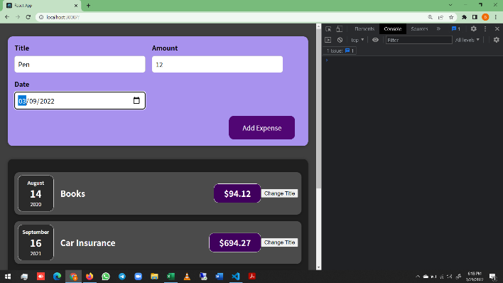


With the changes we made till now, We can able to gather the expense data (From user Input)
Combine all of them into a single object
And then finally clear them after

The only problem with this is that having these data is nice
But we technically don’t need these data in Expense Form.js file
Instead we need it in NewExpense.js or to be precise in Expenses.js
Because we have our expense array there
const expense = [ | Expense Array in Expense.JS file for reference
{ | Our Aim will be to add the new Expense to this array -
id: "e1", | - of Existing expenses
title: "Books", | Technically we need to pass the data from -
amount: 94.12, | - ExpenseForm.js to Expenses.js
date: new Date(2020, 7, 14),
}, | Upto this point we have learnt only to pass data down
{ | i.e. Passing data from parent element to child element
id: "e2", | For Ex: Passing data from Expense.js to ExpenseItem.js
title: "Car Insurance", | We have used props for doing this
amount: 694.27,
date: new Date(2021, 8, 16), | But how to pass data from a child to parent?
}, | i.e. Passing data from ExpenseForm.js to Expenses.js
{ | But we have done it earlier
id: "e3",
title: "Groceries",
amount: 66.45,
date: new Date(2021, 6, 7),
},
{
id: "e4",
title: "Flowers",
amount: 166.54,
date: new Date(2021, 4, 12),
},
];

ExpenseForm.js Code
import React, { useState } from "react"; | In this code, we have already passed from child to parent
import "./ExpenseForm.css";

const ExpenseForm = () => {
const [enteredTitle, setEneredTitle] = useState("");
const [enteredAmount, setEneredAmount] = useState("");
const [enteredDate, setEneredDate] = useState("");

const titleChangeHandler = (event) => {
setEneredTitle(event.target.value);
};

const amountChangeHandler = (event) => {
setEneredAmount(event.target.value);
};

const dateChangeHandler = (event) => {
setEneredDate(event.target.value);
};

const submitHandler = (event) => {
event.preventDefault();

const expenseData = {
title: enteredTitle,
amount: enteredAmount,
date: enteredDate,
};
console.log(expenseData);
setEneredTitle("");
setEneredAmount("");
setEneredDate("");
};

return (
<form onSubmit={submitHandler}>
<div className="new-expense__controls">
<div className="new-expense__control"> | Eventhoug we didn’t create separate input component
<label>Title</label> | It is defenitely a builtin component
<input | So, this input is a child component
type="text" | And any change in it will trigger the titleChange Handler fn
value={enteredTitle} | Thus the function in parent element gets executed -
onChange={titleChangeHandler} | - with the data from the child element
></input> | We also set some props on this input component -
</div> | - including the special onChange prop
<div className="new-expense__control"> | The special thing about this prop is that
<label>Amount</label> | It has the name onChange (builtin)
<input | It wants a function as a value
type="number" | But internally React adds Event listener
min="0.01"
step="0.01" | We can replicate this pattern for our own components as well
value={enteredAmount} | We can create our own event props and expect -
onChange={amountChangeHandler} | - functions as values
></input> | This will allow us to pass a function from a parent -
</div> | - component to a child component and then call that -
<div className="new-expense__control"> | - function inside the child component
<label>Date</label>
<input
type="date"
min="2019-01-01"
max="2022-12-31"
value={enteredDate}
onChange={dateChangeHandler}
></input>
</div>
</div>
<div className="new-expense__actions">
<button type="submit">Add Expense</button>
</div>
</form>
);
};

export default ExpenseForm;

Let us do things to understand better
The goal is, We want the expenseData object from ExpenseForm to the NewExpense Component
We may ultimately require this at App.js component
But as a first step we have to pass things from Expense form to New Expense Component
Because NewExpense Component only uses the ExpenseForm component and not App Component doesn’t use it
App component uses NewExpenses only
So we have to move in order and we cant skip anything
We have seen this while passing props also
We have passed props from Expenses to Expenseitem and then to ExpenseDate
We didn’t skip ExpenseItem in between and we didn’t passed it directly to ExpenseDate

We can do this by adding a new prop to ExpenseForm tag in NewExpense Component
Naming the variable is totally upto developer
We are naming it here as onSaveExpenseData
It is not a default onClick like function, which will trigger event handler behind the scene
So instead we can make it ON instead on

The purpose of naming like this is that the value for this is a function
A function which will will be triggered when something happens inside the component
In this case when the user saves the expense data i.e. when the form is submitted in the end
<ExpenseForm ONSaveExpenseData={saveExpenseDataHandler}></ExpenseForm>
We have to define the saveExpenseDataHandler function one step above this (i.e. in the component

import React from "react";
import "./NewExpense.css";
import ExpenseForm from "./ExpenseForm";

const NewExpense = () => { | Go below before stydying this 4 lines
const saveExpenseDataHandler = (enteredExpenseData) => {
const expenseData = { | Here we are getting a parameter
...enteredExpenseData, | Then Destructuing the object parameter
id: Math.random().toString() | Adding random ID to it
}; | Doing everything inside a single object
};
return (
<div className="new-expense">
<ExpenseForm ONSaveExpenseData={saveExpenseDataHandler}></ExpenseForm>
</div> | This line defines that when ONSaveExpenseData() is -
); | - called, it triggers the saveExpenseDataHandler fn
}; | But it is not calling the fn. It is just pointing the fn
 | When we go up to the function
export default NewExpense;

Now two parts remains unanswered
We said when ONSaveExpenseData is called, but we never called it
The function saveExpenseDataHandler requires parameter, but from where we pass those parameter?

The answer for both the question is same. We have to do it in the child element and not in parent element

Instead of console.log we can call the function and pass the parameter in it
Part of old ExpenseForm.js | Part of New ExpenseForm.js
const expenseData = { | const expenseData = {
title: enteredTitle, | title: enteredTitle,
amount: enteredAmount, | amount: enteredAmount,
date: enteredDate, | date: enteredDate,
}; | };
console.log(expenseData); | ONSaveExpenseData(expenseData);

Here, once the expenseData object is created, -
- We pass the data as an argument in the ONsaveExpenseData() function and we call it
Once it is called, this goes to parent code and points to saveExpenseDataHandler function
The pointing function then gets executed with the parameter which we passed from child element
Thus we pass the data from child to parent element

But one error in this is we are calling ONSaveExpenseData in child element -
- but we have defined it in parent element
So we have to use props to connect them
We have to pass props as an argument in the child component
An also we have to replace ONSaveExpenseData with props.ONSaveExpenseData

const expenseData = {
title: enteredTitle,
amount: enteredAmount,
date: enteredDate,
};
props.ONSaveExpenseData(expenseData); | Simply adding props here wont work
 | We have to pass props as argument in child component

We can log it from NewExpense.js file and check
const saveExpenseDataHandler = (enteredExpenseData) => {
const expenseData = {
...enteredExpenseData,
id: Math.random().toString(),
};
console.log(expenseData);
};

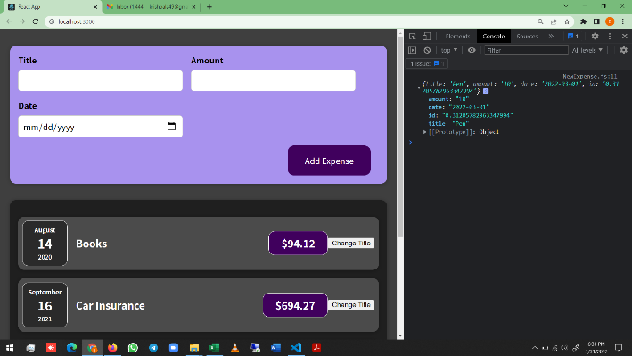
We will get the output once when we click AddExpense button
We also have to remember that once that button is clicked, -
- the input values becomes empty

We can note that in console that the output is from -
- NewExpense File and not from ExpenseFrom file

The inclusion of ID field also prove the same

This is how we can communicate up
Similarly we have to communicate this to App.js also

Since we are having new expense in App.js and the already existing array of elements in other components, -
- we are just making everything under Expenses.js
import REACT from "react";
import "./Expenses.css";
import ExpenseItem from "./ExpenseItem";
import Card from "../UI/Card";
import NewExpense from "../NewExpense/NewExpense";

const addExpenseHandler = (expense) => { | A function is added to get data from child element
console.log(expense);
};

function Expenses() {
const expense = [
{
id: "e1",
title: "Books",
amount: 94.12,
date: new Date(2020, 7, 14),
},
{
id: "e2",
title: "Car Insurance",
amount: 694.27,
date: new Date(2021, 8, 16),
},
{
id: "e3",
title: "Groceries",
amount: 66.45,
date: new Date(2021, 6, 7),
},
{
id: "e4",
title: "Flowers",
amount: 166.54,
date: new Date(2021, 4, 12),
},
];

return (
<Card className="expenses">
<NewExpense ONAddExpense={addExpenseHandler}></NewExpense>;
<ExpenseItem | A function in child element gets called here
title={expense[0].title} | The child element is given with props argument
amount={expense[0].amount} | And also the function has to be called there using props
date={expense[0].date} | Thus we got the data from Expenseform to NewExpense
></ExpenseItem> | And then from NewExpense to Expense.js
<ExpenseItem
title={expense[1].title}
amount={expense[1].amount}
date={expense[1].date}
></ExpenseItem>
<ExpenseItem
title={expense[2].title}
amount={expense[2].amount}
date={expense[2].date}
></ExpenseItem>
<ExpenseItem
title={expense[3].title}
amount={expense[3].amount}
date={expense[3].date}
></ExpenseItem>
</Card>
);
}
export default Expenses;

