ProductMS
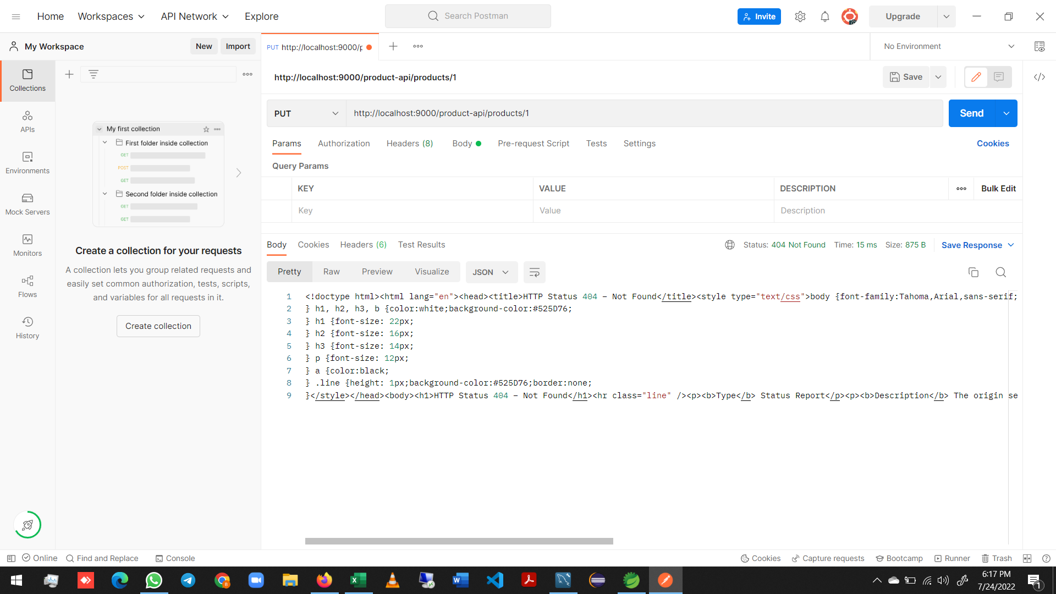
ProductMS

 |  |  |  |  |  |  |  |  |  |  |  |  | 1
 |  |  |  |  |  |  |  |  |  |  |  |  | 2
 |  |  |  |  |  |  |  |  |  |  |  |  | 3
 |  |  |  |  |  |  |  |  |  |  |  |  | 4
 |  |  |  |  |  |  |  |  |  |  |  |  | 5
 |  |  |  |  |  |  |  |  |  |  |  |  | 6
 |  |  |  |  |  |  |  |  |  |  |  |  | 7
 |  |  |  |  |  |  |  |  |  |  |  |  | 8
 |  |  |  |  |  |  |  |  |  |  |  |  | 9
 |  |  |  |  |  |  |  |  |  |  |  |  | 10
 |  |  |  |  |  |  |  |  |  |  |  |  | 11
 |  |  |  |  |  |  |  |  |  |  |  |  | 12
 |  |  |  |  |  |  |  |  |  |  |  |  | 13
 |  |  |  |  |  |  |  |  |  |  |  |  | 14
 |  |  |  |  |  |  |  |  |  |  |  |  | 15
 |  |  |  |  |  |  |  |  |  |  |  |  | 16
 |  |  |  |  |  |  |  |  |  |  |  |  | 17
 |  |  |  |  |  |  |  |  |  |  |  |  | 18
 |  |  |  |  |  |  |  |  |  |  |  |  | 19
 |  |  |  |  |  |  |  |  |  |  |  |  | 20
 |  |  |  |  |  |  |  |  |  |  |  |  | 21
 |  |  |  |  |  |  |  |  |  |  |  |  | 22
 |  |  |  |  |  |  |  |  |  |  |  |  | 23
 |  |  |  |  |  |  |  |  |  |  |  |  | 24
 |  |  |  |  |  |  |  |  |  |  |  |  | 25
 |  |  |  |  |  |  |  |  |  |  |  |  | 26
 |  |  |  |  |  |  |  |  |  |  |  |  | 27
 |  |  |  |  |  |  |  |  |  |  |  |  | 28
 |  |  |  |  |  |  |  |  |  |  |  |  | 29

POM
 | <?xml version="1.0" encoding="UTF-8"?>
 | <project xmlns="http://maven.apache.org/POM/4.0.0"
 |  | xmlns:xsi="http://www.w3.org/2001/XMLSchema-instance"
 |  | xsi:schemaLocation="http://maven.apache.org/POM/4.0.0 https://maven.apache.org/xsd/maven-4.0.0.xsd">

 |  | <modelVersion>4.0.0</modelVersion>

 |  | <parent>
 |  |  | <groupId>org.springframework.boot</groupId>
 |  |  | <artifactId>spring-boot-starter-parent</artifactId>
 |  |  | <version>2.6.2</version>
 |  |  | <relativePath />
 |  | </parent>

 |  | <groupId>com.infy.ekart.product</groupId>
 |  | <artifactId>ProductMS</artifactId>
 |  | <version>0.0.1-SNAPSHOT</version>
 |  | <name>ProductMS</name>
 |  | <description>Product MicroService project</description>

 |  | <properties>
 |  |  | <java.version>11</java.version>
 |  |  | <spring-cloud.version>2021.0.0</spring-cloud.version>
 |  |  | <log4j2.version>2.17.1</log4j2.version>
 |  | </properties>

 |  | <dependencyManagement>
 |  |  | <dependencies>
 |  |  |  | <dependency>
 |  |  |  |  | <groupId>org.springframework.cloud</groupId>
 |  |  |  |  | <artifactId>spring-cloud-dependencies</artifactId>
 |  |  |  |  | <version>${spring-cloud.version}</version>
 |  |  |  |  | <type>pom</type>
 |  |  |  |  | <scope>import</scope>
 |  |  |  | </dependency>
 |  |  | </dependencies>
 |  | </dependencyManagement>

 |  | <dependencies>
 |  |  | <dependency>
 |  |  |  | <groupId>org.springframework.boot</groupId>
 |  |  |  | <artifactId>spring-boot-starter</artifactId>
 |  |  |  | <exclusions>
 |  |  |  |  | <exclusion>
 |  |  |  |  |  | <groupId>org.springframework.boot</groupId>
 |  |  |  |  |  | <artifactId>spring-boot-starter-logging</artifactId>
 |  |  |  |  | </exclusion>
 |  |  |  | </exclusions>
 |  |  | </dependency>

 |  |  | <dependency>
 |  |  |  | <groupId>org.springframework.boot</groupId>
 |  |  |  | <artifactId>spring-boot-starter-aop</artifactId>
 |  |  | </dependency>

 |  |  | <dependency>
 |  |  |  | <groupId>org.springframework.boot</groupId>
 |  |  |  | <artifactId>spring-boot-starter-log4j2</artifactId>
 |  |  | </dependency>

 |  |  | <dependency>
 |  |  |  | <groupId>org.springframework.boot</groupId>
 |  |  |  | <artifactId>spring-boot-devtools</artifactId>
 |  |  | </dependency>

 |  |  | <dependency>
 |  |  |  | <groupId>org.junit.platform</groupId>
 |  |  |  | <artifactId>junit-platform-runner</artifactId>
 |  |  | </dependency>

 |  |  | <dependency>
 |  |  |  | <groupId>org.springframework.boot</groupId>
 |  |  |  | <artifactId>spring-boot-starter-data-jpa</artifactId>
 |  |  | </dependency>

 |  |  | <dependency>
 |  |  |  | <groupId>org.springframework.boot</groupId>
 |  |  |  | <artifactId>spring-boot-starter-web</artifactId>
 |  |  | </dependency>

 |  |  | <dependency>
 |  |  |  | <groupId>org.springframework.boot</groupId>
 |  |  |  | <artifactId>spring-boot-starter-validation</artifactId>
 |  |  | </dependency>

 |  |  | <dependency>
 |  |  |  | <groupId>mysql</groupId>
 |  |  |  | <artifactId>mysql-connector-java</artifactId>
 |  |  |  | <version>8.0.11</version><!--$NO-MVN-MAN-VER$ -->
 |  |  | </dependency>

 |  |  | <dependency>
 |  |  |  | <groupId>org.springframework.boot</groupId>
 |  |  |  | <artifactId>spring-boot-starter-test</artifactId>
 |  |  |  | <scope>test</scope>
 |  |  |  | <exclusions>
 |  |  |  |  | <exclusion>
 |  |  |  |  |  | <groupId>org.junit.vintage</groupId>
 |  |  |  |  |  | <artifactId>junit-vintage-engine</artifactId>
 |  |  |  |  | </exclusion>
 |  |  |  | </exclusions>
 |  |  | </dependency>
 |  | </dependencies>

 |  | <build>
 |  |  | <plugins>
 |  |  |  | <plugin>
 |  |  |  |  | <groupId>org.jacoco</groupId>
 |  |  |  |  | <artifactId>jacoco-maven-plugin</artifactId>
 |  |  |  |  | <version>0.8.6</version>

 |  |  |  |  | <configuration>
 |  |  |  |  |  | <excludes>
 |  |  |  |  |  |  | <exclude>com/infy/ekart/product/config/**</exclude>
 |  |  |  |  |  |  | <exclude>com/infy/ekart/product/api/**</exclude>
 |  |  |  |  |  |  | <exclude>com/infy/ekart/product/utility/**</exclude>
 |  |  |  |  |  |  | <exclude>com/infy/ekart/product/model/**</exclude>
 |  |  |  |  |  |  | <exclude>com/infy/ekart/product/entity/**</exclude>

 |  |  |  |  |  |  | <exclude>com/infy/ekart/product/ProductApplication*</exclude>
 |  |  |  |  |  |  | <exclude>com/infy/ekart/product/dto/**</exclude>
 |  |  |  |  |  |  | <exclude>com/infy/ekart/product/validator/**</exclude>
 |  |  |  |  |  |  | <exclude>com/infy/ekart/product/repository/**</exclude>
 |  |  |  |  |  | </excludes>

 |  |  |  |  |  | <classFolders>
 |  |  |  |  |  |  | <classFolder>${basedir}/target/classes</classFolder>
 |  |  |  |  |  |  | <classFolder>${basedir}/../model/target/classes</classFolder>
 |  |  |  |  |  |  | <classFolder>${basedir}/../service/target/classes</classFolder>
 |  |  |  |  |  | </classFolders>

 |  |  |  |  |  | <sourceFolders>
 |  |  |  |  |  |  | <sourceFolder>${basedir}/src/main/java</sourceFolder>
 |  |  |  |  |  |  | <sourceFolder>${basedir}/../model/src/main/java</sourceFolder>
 |  |  |  |  |  |  | <sourceFolder>${basedir}/../service/src/main/java</sourceFolder>
 |  |  |  |  |  | </sourceFolders>

 |  |  |  |  |  | <systemPropertyVariables>
 |  |  |  |  |  |  | <jacoco-agent.destfile>target/jacoco.exec</jacoco-agent.destfile>
 |  |  |  |  |  | </systemPropertyVariables>
 |  |  |  |  | </configuration>

 |  |  |  |  | <executions>
 |  |  |  |  |  | <execution>
 |  |  |  |  |  |  | <id>prepare-agent</id>
 |  |  |  |  |  |  | <goals>
 |  |  |  |  |  |  |  | <goal>prepare-agent</goal>
 |  |  |  |  |  |  |  | <goal>check</goal>
 |  |  |  |  |  |  | </goals>

 |  |  |  |  |  |  | <configuration>
 |  |  |  |  |  |  |  | <haltOnFailure>false</haltOnFailure>
 |  |  |  |  |  |  |  | <rules>
 |  |  |  |  |  |  |  |  | <rule>
 |  |  |  |  |  |  |  |  |  | <element>BUNDLE</element>
 |  |  |  |  |  |  |  |  |  | <limits>
 |  |  |  |  |  |  |  |  |  |  | <limit>
 |  |  |  |  |  |  |  |  |  |  |  | <counter>INSTRUCTION</counter>
 |  |  |  |  |  |  |  |  |  |  |  | <value>COVEREDRATIO</value>
 |  |  |  |  |  |  |  |  |  |  |  | <minimum>0.9</minimum>
 |  |  |  |  |  |  |  |  |  |  | </limit>
 |  |  |  |  |  |  |  |  |  | </limits>
 |  |  |  |  |  |  |  |  | </rule>
 |  |  |  |  |  |  |  | </rules>
 |  |  |  |  |  |  | </configuration>
 |  |  |  |  |  | </execution>

 |  |  |  |  |  | <execution>
 |  |  |  |  |  |  | <id>coverage-check</id>
 |  |  |  |  |  |  | <phase>prepare-package</phase>
 |  |  |  |  |  | </execution>

 |  |  |  |  |  | <execution>
 |  |  |  |  |  |  | <id>post-unit-test</id>
 |  |  |  |  |  |  | <phase>test</phase>

 |  |  |  |  |  |  | <goals>
 |  |  |  |  |  |  |  | <goal>report</goal>
 |  |  |  |  |  |  | </goals>

 |  |  |  |  |  |  | <configuration>
 |  |  |  |  |  |  |  | <dataFile>target/jacoco.exec</dataFile>
 |  |  |  |  |  |  |  | <outputDirectory>target/jacoco-ut</outputDirectory>
 |  |  |  |  |  |  | </configuration>
 |  |  |  |  |  | </execution>
 |  |  |  |  | </executions>
 |  |  |  | </plugin>

 |  |  |  | <plugin>
 |  |  |  |  | <groupId>org.apache.maven.plugins</groupId>
 |  |  |  |  | <artifactId>maven-surefire-plugin</artifactId>

 |  |  |  |  | <configuration>
 |  |  |  |  |  | <testFailureIgnore>true</testFailureIgnore>
 |  |  |  |  | </configuration>
 |  |  |  | </plugin>
 |  |  |  | <plugin>
 |  |  |  |  | <groupId>org.springframework.boot</groupId>
 |  |  |  |  | <artifactId>spring-boot-maven-plugin</artifactId>
 |  |  |  | </plugin>
 |  |  | </plugins>

 |  | </build>

 | </project>

DTO - ProductDTO.java
 | package com.infy.ekart.product.dto;
 |  |  |  |  |  |  |  |  |  |  |  |  |  |  |  | DTO means Data Transfer Object
 | public class ProductDTO { |  |  |  |  |  |  |  |  |  |  |  |  |  |  | We will convert all the Product object as ProductDTO objects
 |  |  |  |  |  |  |  |  |  |  |  |  |  |  |  |  | And we use this ProductDTO object to transfer data between layers
 |  | private Integer productId;
 |  | private String name; |  |  |  |  |  |  |  |  |  |  |  |  |  | It will have the getters and setters
 |  | private String description; |  |  |  |  |  |  |  |  |  |  |  |  |  | It will also have hashcode(), equals() and tostring() methods
 |  | private String category;
 |  | private String brand;
 |  | private Double price;
 |  | private Integer availableQuantity;

 |  | public Integer getProductId() {
 |  |  | return productId;
 |  | }
 |  | public void setProductId(Integer productId) {
 |  |  | this.productId = productId;
 |  | }
 |  | public String getName() {
 |  |  | return name;
 |  | }
 |  | public void setName(String name) {
 |  |  | this.name = name;
 |  | }
 |  | public String getDescription() {
 |  |  | return description;
 |  | }
 |  | public void setDescription(String description) {
 |  |  | this.description = description;
 |  | }
 |  | public String getCategory() {
 |  |  | return category;
 |  | }
 |  | public void setCategory(String category) {
 |  |  | this.category = category;
 |  | }
 |  | public String getBrand() {
 |  |  | return brand;
 |  | }
 |  | public void setBrand(String brand) {
 |  |  | this.brand = brand;
 |  | }
 |  | public Double getPrice() {
 |  |  | return price;
 |  | }
 |  | public void setPrice(Double price) {
 |  |  | this.price = price;
 |  | }

 |  | public Integer getAvailableQuantity() {
 |  |  | return availableQuantity;
 |  | }
 |  | public void setAvailableQuantity(Integer availableQuantity) {
 |  |  | this.availableQuantity = availableQuantity;
 |  | }
 |  | @Override
 |  | public int hashCode() {
 |  |  | final int prime = 31;
 |  |  | int result = 1;
 |  |  | result = prime * result + ((availableQuantity == null) ? 0 : availableQuantity.hashCode());
 |  |  | result = prime * result + ((brand == null) ? 0 : brand.hashCode());
 |  |  | result = prime * result + ((category == null) ? 0 : category.hashCode());
 |  |  | result = prime * result + ((description == null) ? 0 : description.hashCode());
 |  |  | result = prime * result + ((name == null) ? 0 : name.hashCode());
 |  |  | result = prime * result + ((price == null) ? 0 : price.hashCode());
 |  |  | result = prime * result + ((productId == null) ? 0 : productId.hashCode());
 |  |  | return result;
 |  | }
 |  | @Override
 |  | public boolean equals(Object obj) {
 |  |  | if (this == obj)
 |  |  |  | return true;
 |  |  | if (obj == null)
 |  |  |  | return false;
 |  |  | if (getClass() != obj.getClass())
 |  |  |  | return false;
 |  |  | ProductDTO other = (ProductDTO) obj;
 |  |  | if (availableQuantity == null) {
 |  |  |  | if (other.availableQuantity != null)
 |  |  |  |  | return false;
 |  |  | } else if (!availableQuantity.equals(other.availableQuantity))
 |  |  |  | return false;
 |  |  | if (brand == null) {
 |  |  |  | if (other.brand != null)
 |  |  |  |  | return false;
 |  |  | } else if (!brand.equals(other.brand))
 |  |  |  | return false;
 |  |  | if (category == null) {
 |  |  |  | if (other.category != null)
 |  |  |  |  | return false;
 |  |  | } else if (!category.equals(other.category))
 |  |  |  | return false;
 |  |  | if (description == null) {
 |  |  |  | if (other.description != null)
 |  |  |  |  | return false;
 |  |  | } else if (!description.equals(other.description))
 |  |  |  | return false;
 |  |  | if (name == null) {
 |  |  |  | if (other.name != null)
 |  |  |  |  | return false;
 |  |  | } else if (!name.equals(other.name))
 |  |  |  | return false;
 |  |  | if (price == null) {
 |  |  |  | if (other.price != null)
 |  |  |  |  | return false;
 |  |  | } else if (!price.equals(other.price))
 |  |  |  | return false;
 |  |  | if (productId == null) {
 |  |  |  | if (other.productId != null)
 |  |  |  |  | return false;
 |  |  | } else if (!productId.equals(other.productId))
 |  |  |  | return false;
 |  |  | return true;
 |  | }

 | }

Entity - Product.java
 | package com.infy.ekart.product.entity;
 |  |  |  |  |  |  |  |  |  |  |  |  |  |  |  | Entity file is used to create an entity object
 | import javax.persistence.Column; |  |  |  |  |  |  |  |  |  |  |  |  |  |  | Entity object is nothing but the object
 | import javax.persistence.Entity; |  |  |  |  |  |  |  |  |  |  |  |  |  |  |  | which communicates with database
 | import javax.persistence.GeneratedValue;
 | import javax.persistence.GenerationType; |  |  |  |  |  |  |  |  |  |  |  |  |  |  | Here we will give the annotations for table
 | import javax.persistence.Id; |  |  |  |  |  |  |  |  |  |  |  |  |  |  | It will also have the getters and setters
 | import javax.persistence.Table;

 | @Entity
 | @Table(name="EK_PRODUCT")
 | public class Product {

 |  | @Id
 |  | @Column(name="PRODUCT_ID")
 |  | @GeneratedValue(strategy=GenerationType.IDENTITY)
 |  | private Integer productId;

 |  | @Column(name="NAME")
 |  | private String name;

 |  | @Column(name="DESCRIPTION")
 |  | private String description;

 |  | @Column(name="CATEGORY")
 |  | private String category;

 |  | @Column(name="BRAND")
 |  | private String brand;

 |  | @Column(name="PRICE")
 |  | private Double price;

 |  | @Column(name="QUANTITY")
 |  | private Integer availableQuantity;

 |  | public Double getPrice() {
 |  |  | return price;
 |  | }

 |  | public void setPrice(Double price) {
 |  |  | this.price = price;
 |  | }

 |  | public Integer getProductId() {
 |  |  | return productId;
 |  | }

 |  | public void setProductId(Integer productId) {
 |  |  | this.productId = productId;
 |  | }

 |  | public String getName() {
 |  |  | return name;
 |  | }

 |  | public void setName(String name) {
 |  |  | this.name = name;
 |  | }

 |  | public String getDescription() {
 |  |  | return description;
 |  | }

 |  | public void setDescription(String description) {
 |  |  | this.description = description;
 |  | }

 |  | public String getCategory() {
 |  |  | return category;
 |  | }

 |  | public void setCategory(String category) {
 |  |  | this.category = category;
 |  | }

 |  | public String getBrand() {
 |  |  | return brand;
 |  | }

 |  | public void setBrand(String brand) {
 |  |  | this.brand = brand;
 |  | }

 |  | public Integer getAvailableQuantity() {
 |  |  | return availableQuantity;
 |  | }

 |  | public void setAvailableQuantity(Integer availableQuantity) {
 |  |  | this.availableQuantity = availableQuantity;
 |  | }

 | }

Exception - EKartProductException.java
 | package com.infy.ekart.product.exception; |  |  |  |  |  |  |  |  |  |  |  |  |  |  | Contains Exceptions in business logics
 |  |  |  |  |  |  |  |  |  |  |  |  |  |  |  | The exceptions in API will be handled by ExceptionHandler.java class
 | public class EKartProductException extends Exception{
 |  |  |  |  |  |  |  |  |  |  |  |  |  |  |  | Here we have coded in such a way that
 |  | private static final long serialVersionUID = 1L; |  |  |  |  |  |  |  |  |  |  |  |  |  |  | the error msg is displayed from the parent class
 |  |  |  |  |  |  |  |  |  |  |  |  |  |  |  |  | by using super keyword
 |  | public EKartProductException(String message) {
 |  |  | super(message);
 |  | }

 | }

Application - ProductApplication.java
 | package com.infy.ekart.product; |  |  |  |  |  |  |  |  |  |  |  |  |  |  | This class is used to run the application

 | import org.springframework.boot.SpringApplication;
 | import org.springframework.boot.autoconfigure.SpringBootApplication;
 | import org.springframework.context.annotation.PropertySource;

 | @SpringBootApplication
 | @PropertySource(value = { "classpath:messages.properties" })
 | public class ProductApplication {

 |  | public static void main(String[] args) {
 |  |  | SpringApplication.run(ProductApplication.class, args);
 |  | }

 | }

API/Controller - CustomerProductAPI.java
 | package com.infy.ekart.product.api;

 | import java.util.List;

 | import org.apache.commons.logging.Log;
 | import org.apache.commons.logging.LogFactory;
 | import org.springframework.beans.factory.annotation.Autowired;
 | import org.springframework.core.env.Environment;
 | import org.springframework.http.HttpStatus;
 | import org.springframework.http.ResponseEntity;
 | import org.springframework.validation.annotation.Validated;
 | import org.springframework.web.bind.annotation.CrossOrigin;
 | import org.springframework.web.bind.annotation.GetMapping;
 | import org.springframework.web.bind.annotation.PathVariable;
 | import org.springframework.web.bind.annotation.PutMapping;
 | import org.springframework.web.bind.annotation.RequestBody;
 | import org.springframework.web.bind.annotation.RequestMapping;
 | import org.springframework.web.bind.annotation.RestController;

 | import com.infy.ekart.product.dto.ProductDTO;
 | import com.infy.ekart.product.exception.EKartProductException;
 | import com.infy.ekart.product.service.CustomerProductService;

 | @CrossOrigin |  |  |  |  |  |  |  |  |  |  |  |  |  |  |  |  |  | @CrossOrigin enables cross-origin resource sharing
 | @RestController |  |  |  |  |  |  |  |  |  |  |  |  |  |  |  |  |  | @RestController makes this class as API Controller class
 | @RequestMapping(value = "/product-api") |  |  |  |  |  |  |  |  |  |  |  |  |  |  |  |  |  | @RequestMapping maps this class to the value "product-api"
 | @Validated |  |  |  |  |  |  |  |  |  |  |  |  |  |  |  |  |  | @Validation used to do data validation on path variable
 | public class CustomerProductAPI {

 |  | @Autowired |  |  |  |  |  |  |  |  |  |  |  |  |  |  |  |  | @Autowired is used to wire the attribute
 |  | private CustomerProductService customerProductService;

 |  | @Autowired |  |  |  |  |  |  |  |  |  |  |  |  |  |  |  |  | @Autowired is used to wire the attribute
 |  | private Environment environment;

 |  | Log logger = LogFactory.getLog(CustomerProductAPI.class); |  |  |  |  |  |  |  |  |  |  |  |  |  |  |  |  | Used for logging

 |  | // Get all the product details by calling getAllProducts() of
 |  | // CustomerProductService and return the same
 |  | @GetMapping(value = "/products") |  |  |  |  |  |  |  |  |  |  |  |  |  |  |  |  | @GetMapping maps this method to the value "product-api/products"
 |  | public ResponseEntity<List<ProductDTO>> getAllProducts() throws EKartProductException { |  |  |  |  |  |  |  |  |  |  |  |  |  |  |  |  |  | when get method is called
 | // Write your logic here
 |  |  | return null;

 |  | }

 |  | // Get the specific product by calling getProductById() of
 |  | // CustomerProductService and return the same
 |  | @GetMapping(value = "/product/{productId}") |  |  |  |  |  |  |  |  |  |  |  |  |  |  |  |  | @GetMapping maps this method to the value "product-api/products{productId}"
 |  | public ResponseEntity<ProductDTO> getProductById(@PathVariable Integer productId) throws EKartProductException { |  |  |  |  |  |  |  |  |  |  |  |  |  |  |  |  |  | when get method is called

 |  |  | //Write your logic here
 |  |  | return null;
 |  | }

 |  | // reduce the available quantity of product by calling reduceAvailableQuantity()
 |  | // of CustomerProductService and return the message with property as
 |  | // ProductAPI.REDUCE_QUANTITY_SUCCESSFULL
 |  | @PutMapping(value = "/update/{productId}") |  |  |  |  |  |  |  |  |  |  |  |  |  |  |  |  | @PutMapping maps this method to the value "product-api/products{productId}"
 |  | public ResponseEntity<String> reduceAvailableQuantity(@PathVariable Integer productId , @RequestBody Integer quantity) |  |  |  |  |  |  |  |  |  |  |  |  |  |  |  |  |  | when put method is called
 |  |  |  |  |  |  |  |  |  |  |  |  | throws EKartProductException {
 | //Write your logic here
 |  |  | return null;

 |  | }
 | }

Service Interface - CustomerProductService.java
 | package com.infy.ekart.product.service;
 |  |  |  |  |  |  |  |  |  |  |  |  |  |  | Controller class connects service layer
 | import java.util.List; |  |  |  |  |  |  |  |  |  |  |  |  |  | The service layer class uses this interface of service layer

 | import com.infy.ekart.product.dto.ProductDTO;
 | import com.infy.ekart.product.exception.EKartProductException;

 | public interface CustomerProductService {
 |  | List<ProductDTO> getAllProducts() throws EKartProductException;

 |  | ProductDTO getProductById(Integer productId) throws EKartProductException;

 |  | void reduceAvailableQuantity(Integer productId, Integer quantity) throws EKartProductException ;
 | }

Service Class - CustomerProductServiceImpl.java
 | package com.infy.ekart.product.service;
 |  |  |  |  |  |  |  |  |  |  |  |  |  |  |  |  | The controller class calls the method in this class
 | import java.util.ArrayList; |  |  |  |  |  |  |  |  |  |  |  |  |  |  |  | The business logic is defined here
 | import java.util.List;
 | import java.util.Optional;

 | import org.springframework.beans.factory.annotation.Autowired;
 | import org.springframework.stereotype.Service;
 | import org.springframework.transaction.annotation.Transactional;

 | import com.infy.ekart.product.dto.ProductDTO;
 | import com.infy.ekart.product.entity.Product;
 | import com.infy.ekart.product.exception.EKartProductException;
 | import com.infy.ekart.product.repository.ProductRepository;
 |  |  |  |  |  |  |  |  |  |  |  |  |  |  |  | @Service is used to make it as service layer
 | @Service(value = "customerProductService") |  |  |  |  |  |  |  |  |  |  |  |  |  |  | @Transactional is used to maintain database integrity
 | @Transactional
 | public class CustomerProductServiceImpl implements CustomerProductService {
 |  | @Autowired
 |  | private ProductRepository productRepository;

 |  | //This method is used to retrieve the list of all the products from database
 |  | //Invoke appropriate method of ProductRepository, to fetch product details
 |  | //which in turn returns a list.
 |  | //for each product found, create and populate the ProductDTO object and add
 |  | //it to a List<ProductDTO>.
 |  | //Return the above obtained list
 |  | @Override
 |  | public List<ProductDTO> getAllProducts() throws EKartProductException {

 |  |  | // Write your logic here

 |  |  | return null;
 |  | }

 |  | //This method is used to fetch Product details of the product with the given productId
 |  | //Invoke appropriate method of ProductRepository which will retrieve the product
 |  | //details using the given productId (available in ProductDTO).
 |  | //If product exists for the given productId return the product details
 |  | //Else, If productId does not exist, then throw an object of EKartProductException with
 |  | //message “ProductService.PRODUCT_NOT_AVAILABLE”
 |  | @Override
 |  | public ProductDTO getProductById(Integer productId) throws EKartProductException {

 |  |  | //Write your logic here

 |  |  | return null;
 |  | }

 |  | // This method is used to reduce the available quantity of product
 |  | // Invoke appropriate methods of ProductRepository to retrieve the product
 |  | // details using the given productId
 |  | // If product does not exist, then throw an object of EkartProductException
 |  | // with message “ProductService.PRODUCT_NOT_AVAILABLE”
 |  | // Else, reduce the quantity of the retrieved product with the given number of quantity
 |  | @Override
 |  | public void reduceAvailableQuantity(Integer productId, Integer quantity) throws EKartProductException {

 |  |  | //Write your logic here
 |  | }
 | }

Repository Interface - ProductRepository.java
 | package com.infy.ekart.product.repository;
 |  |  |  |  |  |  |  |  |  |  |  |  |  |  |  | This repository interface extends CrudRepository
 | import org.springframework.data.repository.CrudRepository; |  |  |  |  |  |  |  |  |  |  |  |  |  |  |  | So that the methods need not be defined in a separate repository class

 | import com.infy.ekart.product.entity.Product;

 | public interface ProductRepository extends CrudRepository<Product, Integer> {

 | }

Utility - ErrorInfo.java
 | package com.infy.ekart.product.utility;
 |  |  |  |  |  |  |  |  |  |  |  |  |  | This class is used to get the details of the error
 | import java.time.LocalDateTime;

 | public class ErrorInfo {
 |  | private String errorMessage;
 |  | private Integer errorCode;
 |  | private LocalDateTime timestamp;

 |  | public String getErrorMessage() {
 |  |  | return errorMessage;
 |  | }

 |  | public void setErrorMessage(String errorMessage) {
 |  |  | this.errorMessage = errorMessage;
 |  | }

 |  | public Integer getErrorCode() {
 |  |  | return errorCode;
 |  | }

 |  | public void setErrorCode(Integer errorCode) {
 |  |  | this.errorCode = errorCode;
 |  | }

 |  | public LocalDateTime getTimestamp() {
 |  |  | return timestamp;
 |  | }

 |  | public void setTimestamp(LocalDateTime timestamp) {
 |  |  | this.timestamp = timestamp;
 |  | }

 | }

Utility - ExceptionControllerAdvice.java
 | package com.infy.ekart.product.utility;
 |  |  |  |  |  |  |  |  |  |  |  |  |  |  |  |  |  | This class is used to define the errors of API class
 | import java.time.LocalDateTime;
 | import java.util.stream.Collectors;

 | import javax.validation.ConstraintViolationException;

 | import org.apache.commons.logging.Log;
 | import org.apache.commons.logging.LogFactory;
 | import org.springframework.beans.factory.annotation.Autowired;
 | import org.springframework.core.env.Environment;
 | import org.springframework.http.HttpStatus;
 | import org.springframework.http.ResponseEntity;
 | import org.springframework.web.bind.MethodArgumentNotValidException;
 | import org.springframework.web.bind.annotation.ExceptionHandler;
 | import org.springframework.web.bind.annotation.RestControllerAdvice;

 | import com.infy.ekart.product.exception.EKartProductException;

 | @RestControllerAdvice
 | public class ExceptionControllerAdvice {
 |  | @Autowired
 |  | Environment environment;

 |  | private static final Log LOGGER = LogFactory.getLog(ExceptionControllerAdvice.class);

 |  | @ExceptionHandler(Exception.class)
 |  | public ResponseEntity<ErrorInfo> generalExceptionHandler(Exception exception) {

 |  |  | LOGGER.error(exception.getMessage(), exception);
 |  |  | ErrorInfo error = new ErrorInfo();
 |  |  | error.setErrorMessage(environment.getProperty("General.EXCEPTION_MESSAGE"));
 |  |  | error.setErrorCode(HttpStatus.INTERNAL_SERVER_ERROR.value());
 |  |  | error.setTimestamp(LocalDateTime.now());
 |  |  | return new ResponseEntity<>(error, HttpStatus.INTERNAL_SERVER_ERROR);
 |  | }

 |  | @ExceptionHandler(EKartProductException.class)
 |  | public ResponseEntity<ErrorInfo> ekartExceptionHandler(EKartProductException exception) {
 |  |  | LOGGER.error(exception.getMessage(), exception);
 |  |  | ErrorInfo error = new ErrorInfo();
 |  |  | error.setErrorMessage(environment.getProperty(exception.getMessage()));
 |  |  | error.setTimestamp(LocalDateTime.now());
 |  |  | error.setErrorCode(HttpStatus.BAD_REQUEST.value());
 |  |  | return new ResponseEntity<>(error, HttpStatus.BAD_REQUEST);
 |  | }

 |  | @ExceptionHandler({ MethodArgumentNotValidException.class, ConstraintViolationException.class })
 |  | public ResponseEntity<ErrorInfo> exceptionHandler(Exception exception) {
 |  |  | LOGGER.error(exception.getMessage(), exception);
 |  |  | ErrorInfo errorInfo = new ErrorInfo();
 |  |  | errorInfo.setErrorCode(HttpStatus.BAD_REQUEST.value());
 |  |  | String errorMsg = "";
 |  |  | if (exception instanceof MethodArgumentNotValidException) {
 |  |  |  | MethodArgumentNotValidException exception1 = (MethodArgumentNotValidException) exception;
 |  |  |  | errorMsg = exception1.getBindingResult().getAllErrors().stream().map(x -> x.getDefaultMessage())
 |  |  |  |  |  | .collect(Collectors.joining(", "));
 |  |  | } else {
 |  |  |  | ConstraintViolationException exception1 = (ConstraintViolationException) exception;
 |  |  |  | errorMsg = exception1.getConstraintViolations().stream().map(x -> x.getMessage())
 |  |  |  |  |  | .collect(Collectors.joining(", "));
 |  |  | }
 |  |  | errorInfo.setErrorMessage(errorMsg);
 |  |  | errorInfo.setTimestamp(LocalDateTime.now());
 |  |  | return new ResponseEntity<>(errorInfo, HttpStatus.BAD_REQUEST);
 |  | }

 | }

Utility - LoggingAspect.java
 | package com.infy.ekart.product.utility;
 |  |  |  |  |  |  |  |  |  |  |  |  |  |  |  |  |  | This class is used for seperating logging from the business logic
 | import org.apache.commons.logging.Log;
 | import org.apache.commons.logging.LogFactory;
 | import org.aspectj.lang.annotation.AfterThrowing;
 | import org.aspectj.lang.annotation.Aspect;
 | import org.springframework.stereotype.Component;

 | @Component
 | @Aspect
 | public class LoggingAspect {

 |  | private static Log logger = LogFactory.getLog(LoggingAspect.class);

 |  | @AfterThrowing(pointcut = "execution(* com.infy.ekart.service.*Impl.*(..))", throwing = "exception")
 |  | public void logExceptionFromService(Exception exception) {
 |  |  | logger.error(exception.getMessage(), exception);
 |  | }

 | }

Resouces - application.properties
 | server.port = 9000 |  |  |  |  |  |  |  |  |  |  |  |  |  |  |  | This file defines the server port and database connections
 | ## MySQL settings
 | spring.datasource.url=jdbc:mysql://localhost:3306/EKART_PRODUCT?useSSL=false
 | spring.datasource.username=root
 | spring.datasource.password=Think28@*Big
 | server.servlet.context-path=/Ekart
 | #
 | #
 | spring.jpa.show-sql=true
 | spring.jpa.properties.hibernate.format_sql=true
 | server.error.whitelabel.enabled=false
 | logging.level.org.hibernate.type=info
 | #
 | ##hibernate
 | spring.jpa.properties.hibernate.show_sql: true

Resouces - log4j2.properties
 | #Name of the Properties file
 | name=LoggerConfigFile |  |  |  |  |  |  |  |  |  |  |  |  |  |  |  | This file defines the logging details

 | rootLogger.level=INFO
 | rootLogger.appenderRef.file.ref=LoggerAppender

 | #Declaring logger for business logic
 | logger.file.name=com.infy.ekart.product.utility
 | logger.file.level=ERROR
 | logger.file.appenderRef.file.ref=LoggerAppender
 | logger.file.additivity=false

 | #Declaring logger for business console
 | logger.console.name=com.infy
 | logger.console.level=INFO
 | logger.console.appenderRef.file.ref=ConsoleAppender
 | logger.console.additivity=false

 | # File Appender
 | appender.file.name=LoggerAppender
 | appender.file.type=File
 | appender.file.fileName=logs/error.log
 | #Logging Pattern
 | appender.file.layout.type=PatternLayout
 | appender.file.layout.pattern=%d{yyyy-MMM-dd HH:mm:ss a} [%t] %-5level %logger{36} - %msg%n

 | # Console Appender
 | appender.console.name=ConsoleAppender
 | appender.console.type=Console
 | #Logging Pattern for console
 | appender.console.layout.type=PatternLayout
 | appender.console.layout.pattern=%msg%n

Resouces - message.properties
 | #-----------GENERAL MESSAGE-------------------
 |  |  |  |  |  |  |  |  |  |  |  |  |  |  | The file has the error messages
 | General.EXCEPTION_MESSAGE=Something went wrong, please check the log.

 | ProductService.PRODUCT_NOT_AVAILABLE=Sorry product is not available.

 | ProductAPI.REDUCE_QUANTITY_SUCCESSFULL = Available quantity reduced for given product

Resouces - ValidationMessage.properties
 | #Product bean validation
 | product.invalid.discount = The discount offered can be zero or more. |  |  |  |  |  |  |  |  |  |  |  |  |  |  |  |  |  | This file has data validation error messages
 | product.invalid.quantity = The quantity for the product should be greater than zero.
 | product.invalid.name = The product name can contain only alphabets, numbers, hyphens, dots and spaces.
 | product.invalid.description = The description of product should be of at least 10 characters and should not contain only spaces.
 | product.invalid.price = The price for the product should be more than zero.
 | product.invalid.brand = The brand of product should be of at least 3 characters and should not contain only spaces.

Output

 | SQL run - Table in DB
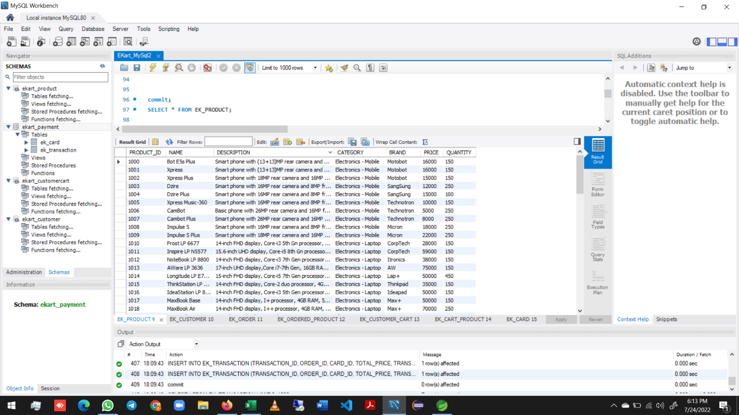

 | Application run - in port 9000
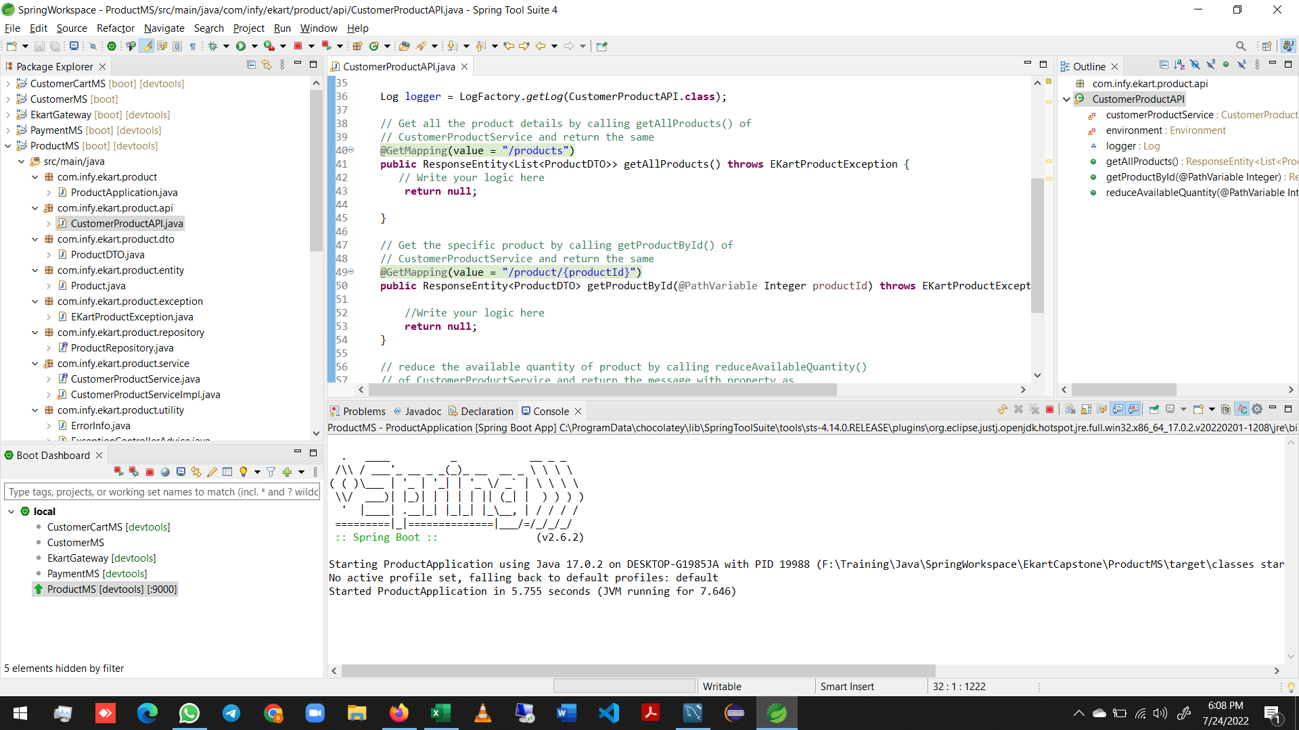

 | Calling api method in port 9000


 | Calling api method in port 9000


 | Calling api method in port 9000

