Sheet1
About TypeScript
 | This course would help a beginner web developer
 |  | move from JavaScript to Typescript
 | It builds on the learner's existing understanding of JavaScript
 |  | to easily transition to programming in Typescript
 | JavaScript frameworks are used for writing complex logic
 | As the complexity of the code increases,
 |  | it can become very difficult to code and maintain such applications
 | Typescript is a typed super set of JavaScript
 |  | which helps workaround the various pitfalls of JavaScript
 | Using Typescript makes it easier and faster to develop apps
 |  | in a more maintainable and modular approach
 | You will be able to write Typescript code
 |  | which can be compiled into simple JavaScript
 |  | that targets ECMAScript 5 (or newer) environments

Learning Outcomes
 | Implementing JavaScript based application is more error prone
 |  | as it supports dynamic typing
 |  | and supports non strict mode with global variables
 | Typescript makes such implementations easy,
 |  | as it supports static typing
 |  | and structured code
 |  |  | with the help of modules and object oriented concepts
 | By the end of this course
 |  | you will be able to develop a highly structured,
 |  | less error prone JavaScript code using Typescript features

 | In this course, you will specifically learn to:
 |  | 1 | Declare variables with static data types
 |  | 2 | Develop reusable codes using functions
 |  | 3 | Develop Object Oriented scripts using OOP concepts
 |  | 4 | Develop modular code using modules
 |  | 5 | Develop reusable code with different data types using Generics
 |  | 6 | Implement declarative programming using Decorators

Need of Typescript
Pitfalls of JavaScript
 | JavaScript is the language used for client side scripting
 | We can do client side validations, DOM manipulation, Ajax calls etc using JavaScript
 | We can also use JavaScript frameworks for writing complex business logic which runs on the client side

 | As the complexity of the JavaScript code increases,
 |  | it gradually becomes difficult in coding and maintaining
 | This is because of the following pitfalls of JavaScript language
 |  | 1 | Dynamic Typing:
 |  |  |  | Dynamic typing means
 |  |  |  |  | deciding the data type of the variable
 |  |  |  |  | dynamically at run time
 |  |  |  |  | which results in recompilation
 |  |  |  |  | every time the code is executed

 |  |  |  | Instead, if these errors are eliminated during compilation
 |  |  |  |  | it would be much better

 |  | 2 | Interpreted Language:
 |  |  |  | Interpreted Language is a language
 |  |  |  |  | in which the code instructions are executed directly
 |  |  |  |  | without prior compilation to machine-language instructions
 |  |  |  | hence we will not get to know the errors until the code is executed

 |  | 3 | Minimal Object Oriented support:
 |  |  |  | JS supports minimal Object Oriented concepts
 |  |  |  |  | like classes, encapsulation, inheritance
 |  |  |  |  | which helps in readability and re usability of the code
 |  |  |  | But it don’t support inheritance, binding etc.,

 |  | 4 | Minimal IDE support:
 |  |  |  | Integrated development environment (IDE) is a software application
 |  |  |  |  | that provides all necessary options
 |  |  |  |  | like code refactoring, intellisense support, Debugging support
 |  |  |  |  | to software programmers
 |  |  |  |  | for software development
 |  |  |  |  | which is least supported in JS

 |  | Albeit all these shortcomings,
 |  |  | we are still dependent on JS
 |  |  | as it is the most common scripting language for browsers
 |  | But as programmers, we might be in luck

 |  | The solution can be
 |  |  | to choose a language
 |  |  | which is rich in features
 |  |  | and the code can be converted to JavaScript for browsers
 |  | This process of converting code written in one language
 |  |  | into another language is generally called Transpilation
 |  | Typescript is one such language
 |  |  | whose code can be transpiled to JavaScript
 |  | This conversion is required
 |  |  | because browser cannot understand Typescript code

What is Typescript?
 | Typescript is a typed super set of JavaScript that transpiles to JavaScript
 | Transpiler converts the source code of one programming language
 |  | to the source code of another programming language
 | Typescript makes the development of JavaScript |  |  |  |  |  |  |  |  |  |  | Study about ECMAScript 5
 |  | nearer to a more traditional object oriented experience
 | Typescript is based on |  |  |  |  | ECMAScript 5 |  | proposals
 | Any valid JavaScript is Typescript

Relationship between Typescript and JavaScript
 | Typescript implements ECMAScript specification
 | Apart from the ECMAScript specification,
 |  | Typescript has its own features as well
 | JavaScript also implements EcmaScript
 | Typescript code has to be transpiled to JavaScript code to use it in an application

 | Here is a simple Typescript class and its equivalent JavaScript code

 | Here we can observe that
 |  | When the typescript code is transpiled to Javascript,
 |  |  | the class Helloworld gets converted to a self invoking function

 | You can use online playground editor to see how Typescript gets converted into JavaScript

 | Concepts such as
 | 1 | Variable declaration and initialization using let and var keywords
 | 2 | if ... else, loops
 | 3 | Function declaration
 | remain same as they were explained in JavaScript course

 | Now, Let us see some of the important features of Typescript
 |  | that encourages the programmers to choose typescript over plain JavaScript

 | 1 | Static Typing:
 |  |  | It adds static typing to JavaScript,
 |  |  |  | due to which the readability of the code improves
 |  |  |  | and also helps to identify the errors during compilation
 |  |  |  | rather than identifying them at the run time

 | 2 | Modules support:
 |  |  | Typescript provides option to create modules,
 |  |  |  | so that we can modularize the code for easy maintenance
 |  |  | Modules also helps as in making the application scalable

 | 3 | Object Oriented Programming:
 |  |  | Typescript supports object oriented programming features
 |  |  |  | such as class, encapsulation, interface, inheritance etc.
 |  |  |  | which helps in creating highly structured and reusable code

 | 4 | Open Source:
 |  |  | Typescript is open source
 |  |  | The source code of Typescript can be downloaded from github

 | 5 | Cross Platform:
 |  |  | It works across the platform such as Windows, macOS, Linux etc

 | 6 | Tooling Support:
 |  |  | Typescript works extremely well with Sublime Text, Eclipse and almost all major IDEs compared to JavaScript

Compiling and Executing Typescript
 | In VS code
 |  | Create a trial.ts file and type the following code
 |  | console.log("Hello World!!!");

 | Open terminal
 |  | view--> New terminal
 |  | Shortcut --> ctrl+shift+`
 |  | ` --> Button below escape

 | Compiling TypeScript to JavaScript
 |  | Compilation of the TypeScript file
 |  |  | generates a JavaScript file
 |  |  | having the same name
 |  |  | as that of the Typescript file
 |  | This JavaScript file contains
 |  |  | the equivalent JavaScript code
 |  |  | which has been transpiled from Typescript

 |  | To compile the .ts file, use 'tsc' command as shown below |  |  |  |  |  |  |  | To get the ja file in external folder
 |  |  | tsc <filenameWithtsExtension> |  |  |  |  |  |  |  | tsc <filenameWithtsExtension --outdir <externalFolderName>>
 |  |  | In our case, it will be |  |  |  |  |  |  |  | In our case, it will be
 |  |  |  | tsc trial.ts |  |  |  |  |  |  |  | tsc trial.ts --outdir JSFiles

 |  | To run/execute the .ts file, use 'node' command as shown below
 |  |  | node <filenameWithjsExtension>
 |  |  | In our case, it will be
 |  |  |  | node trial.js

 |  | Give these commands in cmd prompt is vs code doesn’t works

 |  | 1 | Before compilation
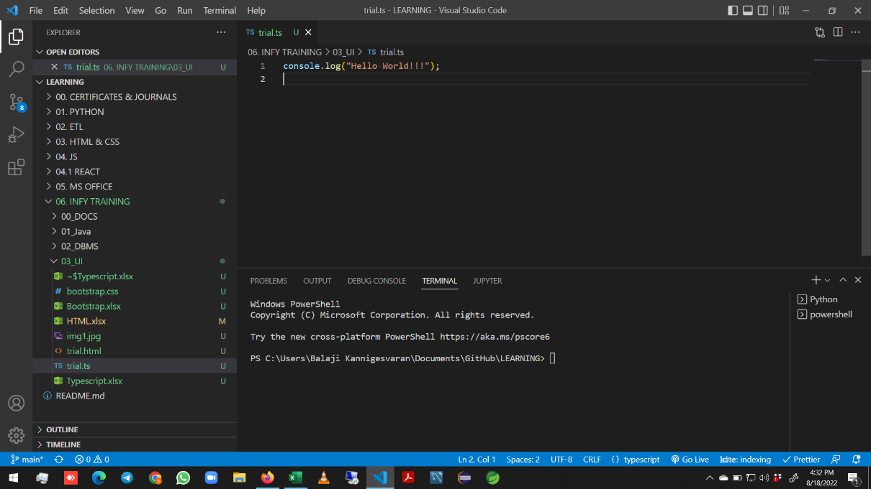

 |  | 2 | After compiling // JS file created in same folder here
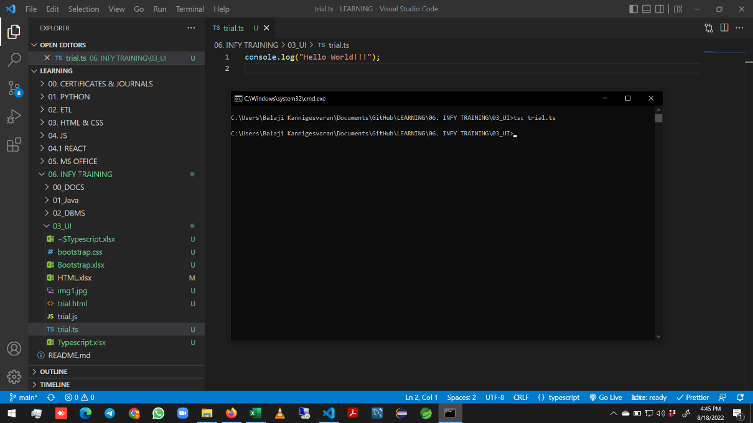

 |  |  |  |  |  |  |  |  |  |  |  |  | tsc trial.ts

 |  | 3 | After compiling // JS file created in external folder here
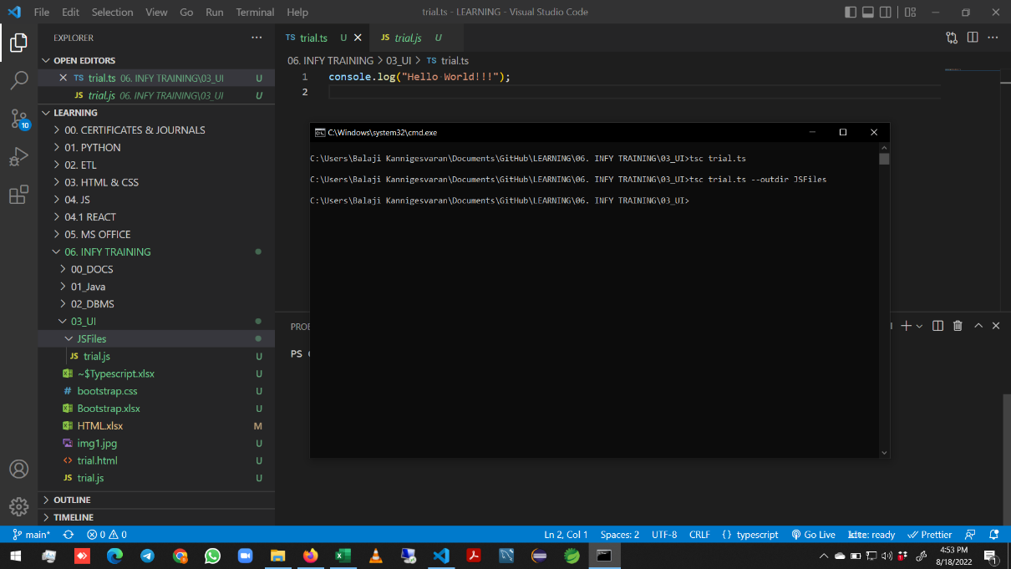

 |  |  |  |  |  |  |  |  |  |  |  |  |  | tsc trial.ts --outdir JSFiles

 |  |  |  |  |  |  |  |  |  |  |  |  |  | if our ts file name is Trial.ts
 |  |  |  |  |  |  |  |  |  |  |  |  |  |  | and we give tsc trial.ts

 |  |  |  |  |  |  |  |  |  |  |  |  |  | It wont show error due to caps and small
 |  |  |  |  |  |  |  |  |  |  |  |  |  |  | But it will create the js file with the
 |  |  |  |  |  |  |  |  |  |  |  |  |  |  |  | name given in tsc command
 |  |  |  |  |  |  |  |  |  |  |  |  |  |  | Accessing the js file using node
 |  |  |  |  |  |  |  |  |  |  |  |  |  |  |  | is also not case sensitive

 |  | 4 | After Execution
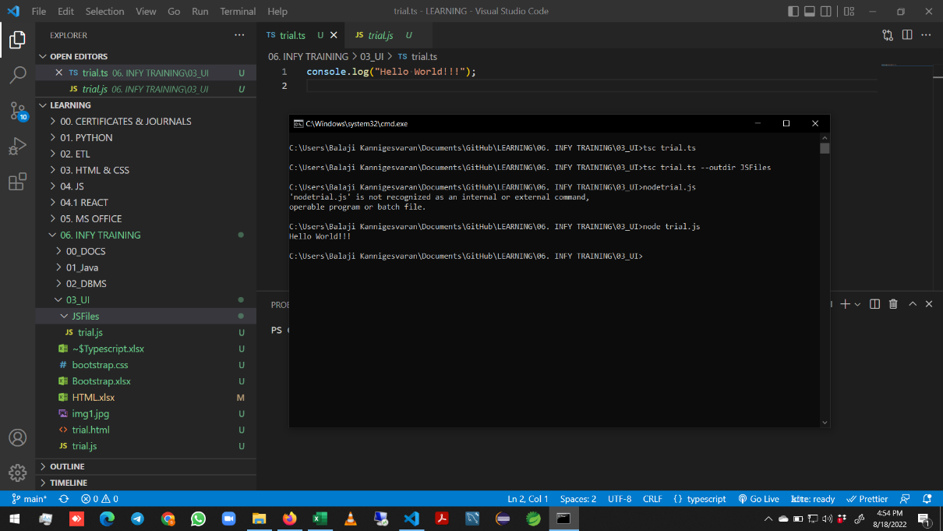

 |  |  |  |  |  |  |  |  |  |  |  |  | node trial.js

Variables and Datatypes - Case Study Scenario
 | We will now understand fundamentals of TS
 |  | like how to create and use variables, datatypes like string, number, boolean etc
 | Declaring a variable basically means
 |  | to assign an identifier to the address of any value
 |  | and defining a datatype for the same
 | Declaration of variables in Typescript
 |  | is similar to JavaScript variable declaration

 | Traditionally in JavaScript,
 |  | var keyword is used to declare variables
 | The same is supported in Typescript as well
 | Along with var
 |  | we can also use let and const keywords
 |  | to declare variables in Typescript
 |  |  | var a=5;
 |  |  | let b=10;

 | The scope of a let declared variable is only within the block in which it is declared
 | The var declared variable can be accessible outside the block within a function or class in which the block is defined

 |  | function displayProduct(condition:boolean){ |  |  |  |  |  |  | function displayProduct(condition:boolean){
 |  | if (condition){ |  |  |  |  |  |  | if (condition){
 |  | var productName = "Mobile"; |  |  |  |  |  |  | let productName = "Mobile";
 |  | } |  |  |  |  |  |  | }
 |  | return productName; |  |  |  |  |  |  | return productName;
 |  | } |  |  |  |  |  |  | }
 |  | console.log(displayProduct(true)); |  |  |  |  |  |  | console.log(displayProduct(true));
 |  | console.log(displayProduct(false)); |  |  |  |  |  |  | console.log(displayProduct(false));

 |  | [LOG]: "Mobile" |  |  |  |  |  |  | [ERR]: "Executed JavaScript Failed:"
 |  | [LOG]: undefined |  |  |  |  |  |  | [ERR]: productName is not defined

 |  | But the scope of var is inside the entire function |  |  |  |  |  |  | The scope of let is only inside the block

 |  | In TypeScript,
 |  |  | variables declared with const keyword
 |  |  | are similar to let declared variables,
 |  |  | except that the value cannot be reassigned to a const declared variable
 |  | Furthermore
 |  |  | const declared variables are mutable,
 |  |  |  | if declared as an array or as an object literal
 |  |  | const declaration should be used
 |  |  |  | if the value of the variable should not be reinitialized

Datatype
 | Datatype mentions the type of value that can be assigned to a variable
 | Datatype is generally specified during variable declarations
 | Since Typescript supports static typing,
 |  | the datatype of the variable can be determined at the compilation time
 | Here are few common datatypes supported in Typescript
 |  | boolean
 |  |  | Variables declared using boolean keyword accept only true or false as value
 |  |  | let a:boolean =true;
 |  | number
 |  |  | Variables declared using number keyword can store only numeric values
 |  |  | All Typescript numbers are floating point values
 |  |  | let a:number =10;
 |  | string
 |  |  | Variables declared using string keyword
 |  |  |  | can be used to assign textual string values or template strings
 |  |  | String values are written in quotes – single or double
 |  |  | let name:string ='Balaji';
 |  | Template strings
 |  |  | Template strings are a type of string value
 |  |  |  | that can have multiple lines and embedded expressions
 |  |  | They are surrounded by the backquote\backtick (`) character,
 |  |  |  | and embedded expressions of the form ${ expr }
 |  | any
 |  |  | Variables declared with any type
 |  |  |  | can be used to declare a variable
 |  |  |  | whose type can be determined dynamically at run-time
 |  |  |  | with the value supplied to it
 |  |  | If no type annotation is mentioned while declaring the variable,
 |  |  |  | any type will be assigned by default
 |  |  | let num:any;
 |  |  | num=10; |  |  |  | Accepts both numeric and string value
 |  |  | num="Ten"; |  |  |  |  | since the data type is any
 |  | void
 |  |  | Variables declared with void type
 |  |  |  | represent undefined as the value
 |  |  | An undefined value represents "no value"
 |  |  | let name:void =undefined;
 |  |  | Not preferable as it can hold only undefined or null value
 |  |  | void is commonly used to declare function return type
 |  |  | The function which does not return a value
 |  |  |  | can be declared with void return type
 |  |  | If we don't mention any return type for the function,
 |  |  |  | void return type will be assigned by default
 | Some more data types
 |  | array
 |  | tuple
 |  | enum
 |  | null
 |  | undefined

 | Type annotation is a way
 |  | to enforce type restriction
 |  | to a specific variable or a function
 | If a variable is declared with a specific datatype
 |  | and another type of value is assigned to the variable,
 |  | compilation error will be thrown

 |  | //DECLARING VARIABLES USING let Keyword

 |  | //Declaring a numeric variable
 |  | let productId:number=1045;

 |  | // productId="AS132"; ====> This throws an error as data type for productId has been explicitly mentioned as number

 |  | // displays the type of variable productId as number
 |  | console.log("The type of productId is " + typeof productId);

 |  | //Declaring a string variable
 |  | let productName:string="Samsung Galaxy J7";
 |  | // displays the type of variable productId as string
 |  | console.log("The type of productName is "+typeof productName);

 |  | //Declaring a boolean variable
 |  | let productAvailable: boolean = true;
 |  | // displays the type of variable productId as boolean
 |  | console.log("The type of productAvailable is "+typeof productAvailable);

 |  | //DECLARING VARIABLES USING const Keyword

 |  | const discountPercentage:number=15;
 |  | // discountPercentage=20 =====>throws error saying Cannot assign to 'discountPercentage' because it is a constant
 |  | console.log("Discount percentage is:"+discountPercentage);

 |  | // defining an array using const Keyword
 |  | const productNameArray = ['Apple','Sony','Samsung','LG'];
 |  | // productNameArray = ['Nokia','Motorolla'] =====> throws error saying Cannot assign to 'productNameArray' because it is a constant
 |  | console.log(productNameArray); // Apple,Sony,Samsung,LG

 |  | productNameArray[1]='Nokia';
 |  | console.log(productNameArray); // Apple,Nokia,Samsung,LG

 |  | // productNameArray[2] = 123; ====> throws an error Type '123' is not assignable to type 'string'

 |  | // TO avoid this error we have to explicitly mention the type of productNameArray as "any"
 |  | // Here a new array has been created so as to observe the difference in declaring the array with and without mentioning the type
 |  | const productArray:any = ['Apple','Sony','Samsung','LG'];
 |  | productArray[2] = 123;
 |  | console.log(productArray); // Apple,Sony,123,LG

