NodeJS&NPM
What is Node JS?
 | Node JS is a JavaScript Runtime
 |  | built on Google's Open-source V8 JavaScript Engine

 | We have already used JS before
 |  | and it is always probably inside the browser
 |  | bcoz any browser natively understands HTML, CSS and JS
 | No matter if we write vannila JS
 |  | or some JS framework (like REACT or Angular)
 |  | All the above are simply JS that’s getting executed in the browser
 | So in this case, the Browser is the JavaScript Runtime

 | We have many restrictions in using browser
 |  | Study those restrictions
 | But what if we could take JS out of the browser
 |  | and simply execute our JS code somewhere else
 |  | without all the restrictions that we have in the browser?
 | The solution for this is Node JS
 |  | NodeJS is just another JS runtime
 |  | It is just like a container (or like an environment)
 |  |  | in which a program written in JS
 |  |  | can be executed (but outside any browser)
 | NodeJS is an environment where cocde executes,
 |  | but who actually executes the code if not the browser?
 |  | And that's where the V8 engine developed by google comes into play
 |  | Because that is exactly where
 |  |  | the JS code will be parsed and run in NodeJS

 | Go thorugh What is NodeJS and why use it video again!!!

Running JS outside the Browser
 | First we will not start with the project
 | Instead, we are going to interact with Node using the command line
 | In vannila JS, we have used browser console as command line
 | But As we are gonne take JS out of the browser
 |  | here we gonna use built-in terminal of VS code as the command line
 | To open a terminal
 |  | either got to terminal in menubar and click on New terminal
 |  | or use ctrl+shift+~ as the shortcut for opening new terminal
 |  | ~ --> will be there in between esc and tab keys

 | We can use another application for terminal
 | But as we are gonna code in VS code
 |  | using the terminal there will be much comfortable
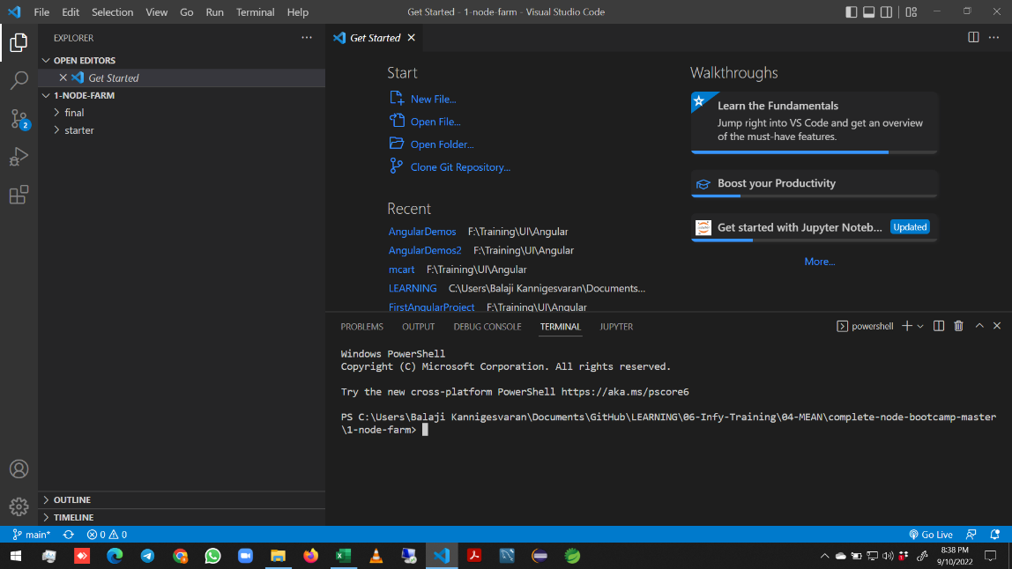

Terminal -->

 | To start writing node code in the terminal
 |  | Write node and press enter in the terminal

 |  | This will open the Node REPL,
 |  |  | which stands for Read-Evaluate-Print-Loop
 |  | Now, we can write a JS code here
 |  |  | just like a normal terminal

 |  |  |  |  | We can assign a value to the constant
 |  |  |  |  |  | and call it back
 |  |  |  |  | We can solve any expressions
 |  |  |  |  | _ refers to previous answer

 |  |  |  |  | To close this repl
 |  |  |  |  |  | use .exit

 |  |  |  |  | We can also use the shortcut to exit
 |  |  |  |  |  | ctrl+d

 |  | Go into node and hit tab (sometimes we have to hit it twice
 |  |  | It will show all the global variables, that are available in node
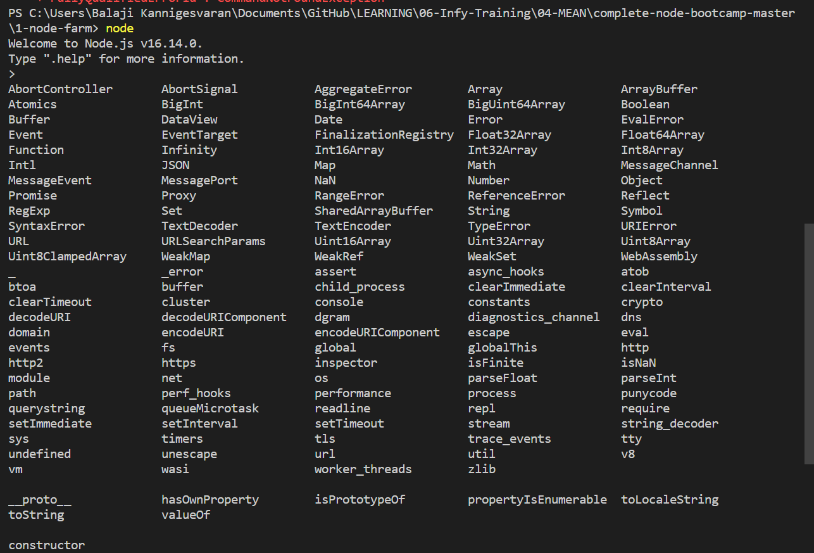
 |  |  |  |  | These are node modules
 |  |  |  |  |  | that we will take about later in this section
 |  |  |  |  | Some of them are
 |  |  |  |  |  | Array
 |  |  |  |  |  | Https
 |  |  |  |  |  | fs
 |  |  |  |  |  | etc.,

 |  | Instead pressing tab manually
 |  |  | We can use it after one of these constructors followed by dot(.)
 |  |  |  | this gives all the methods or properties that are available in that constructor

 |  |  | Typing String. And pressing tab(sometimes twice)

Using Modules
 | Create a JS file
 | Write code inside the file
 | Execute the file by using the terminal
 |  | Use the following command for that
 |  | node <file name>
 |  | We use the node command without file name for REPL
 |  | And we use it with file name for executing a JS file
 |  | Before this, we have created a HTML file and linked it with the JS file
 |  |  | Then we open the HTML file in browser to run the JS file
 |  |  | But now, all these things need not be done

