Shear flow
Panel | Boom | Boom area | Boom y pos from neutral | A_br* yr | qb | x1y2-x2-y2 |  | Shear force N/mm | Panel thickness (mm) | Shear stress (N/mm^2)
10-1 | cut |  |  |  | 0 | 0 | 0 | 0 | 0.2 | 0 | Shear Force | 5690 | N
1-2 | 1 | 179.94461465 | -600.00782225 | -107968.17636 | 0.46119969295 | -340000 | -156807.8956 | 0.46119969295 | 0.2 | 2.3059984647
2-3 | 2 | 2524.6712293 | -100.00782225 | -252486.87155 | 1.5397292334 | -560000 | -862248.37069 | 1.5397292334 | 0.2 | 7.6986461668
3-4 | 3 | 190.77776184 | 599.99217775 | 114465.16479 | 1.0507768343 | -845000 | -887906.42497 | 1.0507768343 | 0.2 | 5.2538841714
4-5 | 4 | 165.32425533 | 1249.9921777 | 206654.02596 | 0.16802807877 | -1155000 | -194072.43098 | 0.16802807877 | 0.2 | 0.84014039387
10-9 | 10 | 242.38103752 | -700.00782225 | -169668.62223 | 0 | 0 | 0 | 0 | 0.2 | 0
9-8 | 9 | 179.94461465 | -600.00782225 | -107968.17636 | 0.46119969295 | 340000 | 156807.8956 | 0.46119969295 | 0.2 | 2.3059984647 | tau = q/t
8-7 | 8 | 2524.6712293 | -100.00782225 | -252486.87155 | 1.5397292334 | 560000 | 862248.37069 | 1.5397292334 | 0.2 | 7.6986461668
7-6 | 7 | 190.77776184 | 599.99217775 | 114465.16479 | 1.0507768343 | 845000 | 887906.42497 | 1.0507768343 | 0.2 | 5.2538841714
6-5 | 6 | 165.32425533 | 1249.9921777 | 206654.02596 | 0.16802807877 | 1155000 | 194072.43098 | 0.16802807877 | 0.2 | 0.84014039387
Total |  |  |  |  |  |  | 0.00000E+00 | ≈0

Area | 2960000 | mm^2
 | 2.96 | m^2
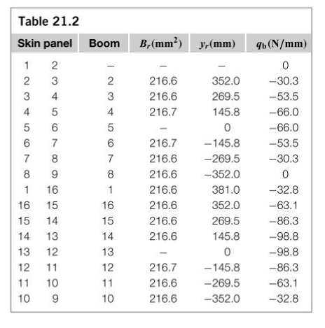
Fuselage
 |  |  | Boom 2-3 |  | Boom 7-8 |  | Boom 2-8 |  | Boom curved |  | Boom 8-9-10-1-2
-795 | 350 | -800 | 600 | 800 | 1300 | -800 | 600 | -800 | 1300 | 800 | 600
-800 | 950 | -800 | 1300 | 800 | 600 | 800 | 600 | -550 | 1950 | 700 | 100
-690 | 1625 |  |  |  |  |  |  | 0 | 2100 | 0 | 0
-275 | 2065 |  |  |  |  |  |  | 550 | 1950 | -700 | 100
275 | 2065 |  |  |  |  |  |  | 800 | 1300 | -800 | 600
690 | 1625
800 | 950
795 | 230
400 | 0
-400 | 0
0 | 600
1
6
5
4
3
2
7
8
9
10
Shear/Ixx | -4.2716262189E-06 |  |  |  |  |  |  |  |  |  |  |  |  | Becasue shape is symtrical and shear force acts through middle of fuselage the, here is no torque meaning no constant shear flow is needed

Fuselage Stresses
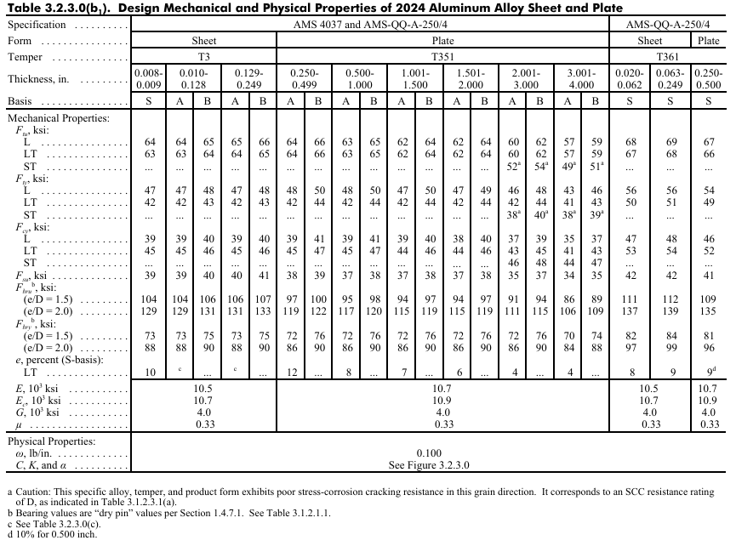
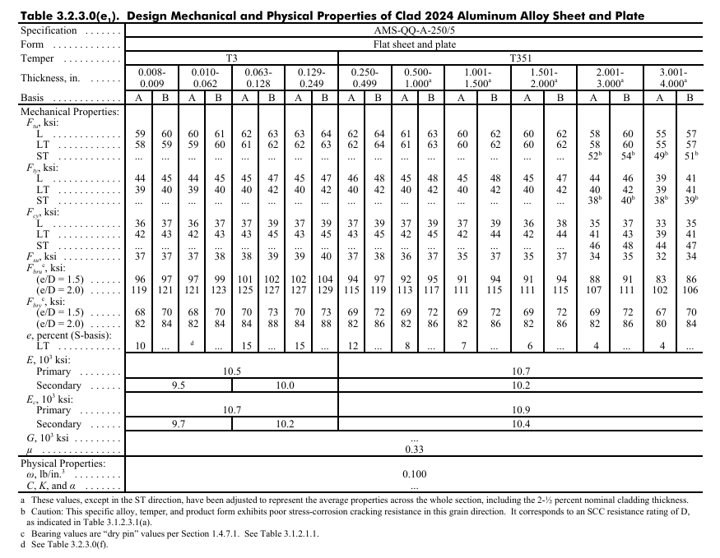
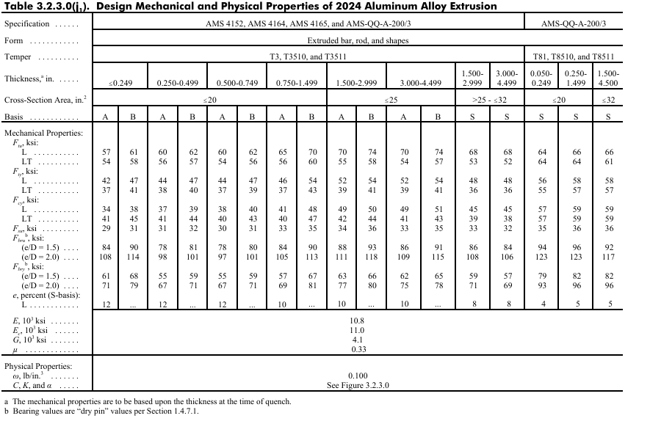
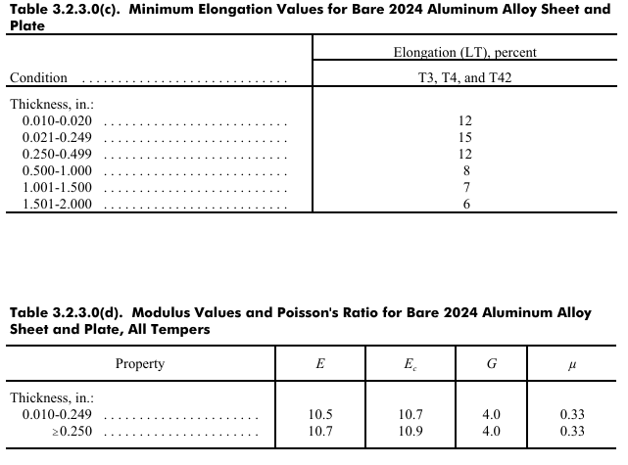
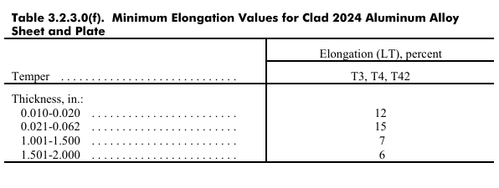
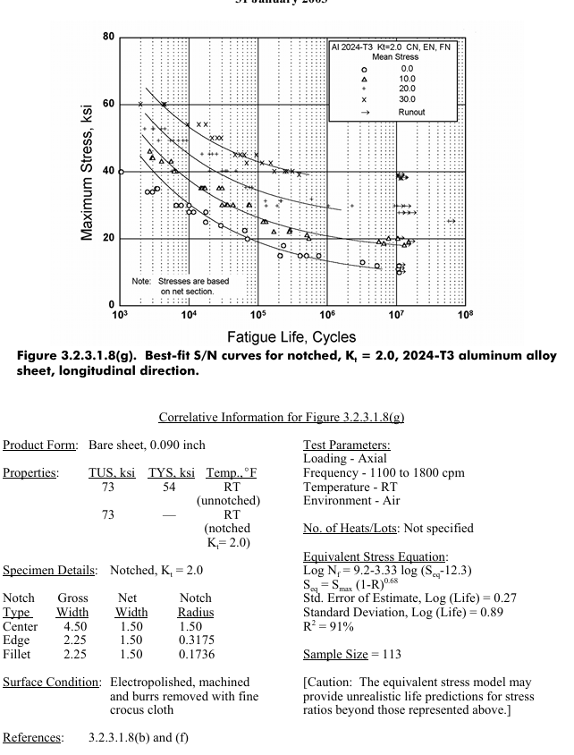
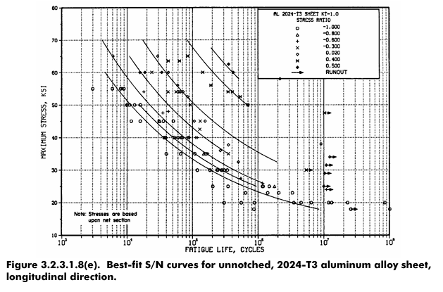
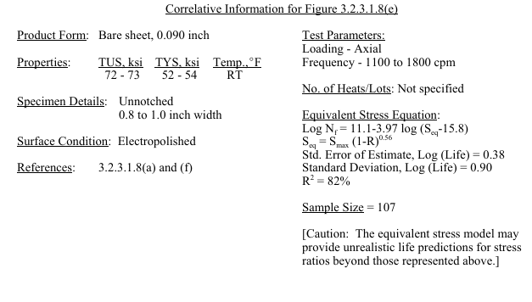
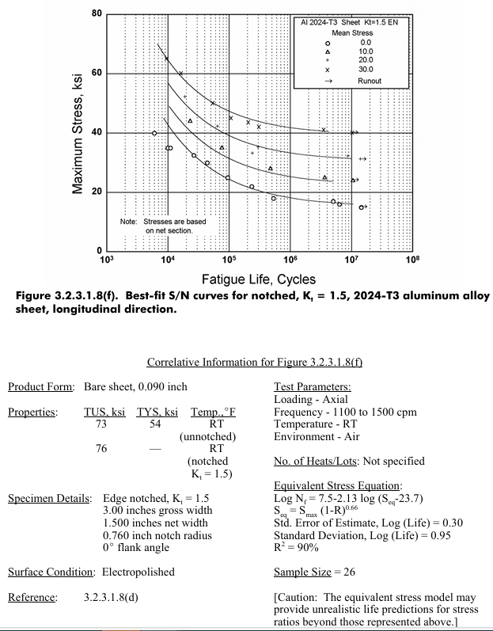
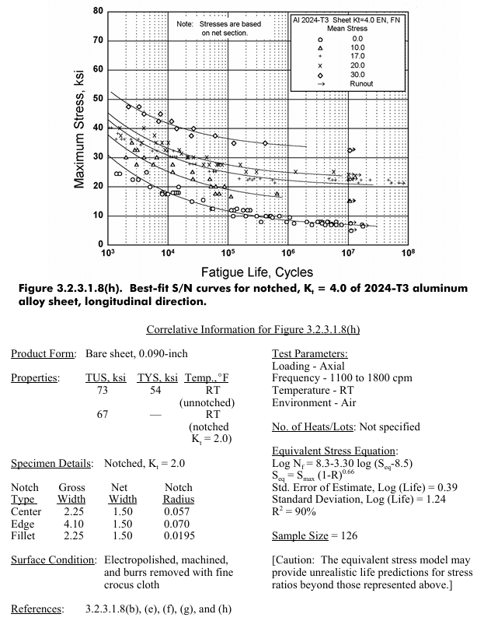
Section | Stiffners | x (mm) | y (mm) | L (mm) | t (mm) | A (mm^2) | x*A | y*A | X true | Y True | Stress Rat | DIxx Real | DIxx Ideal | Boom Area | Stress
1-2 |  | -795 | 350 | 630 | 0.2 | 126 | -100170 | 44100 | -795.00 | -350.00782225 | 5.9996089179
2-3 |  | -800 | 950 | 700 | 0.2 | 140 | -112000 | 133000 | -800.00 | 249.99217775 | 0.1666818768
3-4 |  | -690 | 1625 | 720 | 0.2 | 144 | -99360 | 234000 | -690.00 | 924.99217775 | 0.47999674592
4-5 |  | -275 | 2065 | 536.58 | 0.2 | 107.316 | -29511.9 | 221607.54 | -275.00 | 1364.9921777 | 0.89285654421
5-6 |  | 275 | 2065 | 536.58 | 0.2 | 107.316 | 29511.9 | 221607.54 | 275.00 | 1364.9921777 | 1.1200007509
6-7 |  | 690 | 1625 | 720 | 0.2 | 144 | 99360 | 234000 | 690.00 | 924.99217775 | 2.083347457
7-8 |  | 800 | 950 | 700 | 0.2 | 140 | 112000 | 133000 | 800.00 | 249.99217775 | 5.9994524851
8-9 |  | 795 | 230 | 630 | 0.2 | 126 | 100170 | 28980 | 795.00 | -470.00782225 | 0.16667753077
9-10 |  | 400 | 0 | 800 | 0.2 | 160 | 64000 | 0 | 400.00 | -700.00782225 | 0.8571444535
10-1 |  | -400 | 0 | 800 | 0.2 | 160 | -64000 | 0 | -400.00 | -700.00782225 | 1.1666644938
2-8 |  | 0 | 600 | 1600 | 3 | 4800 | 0 | 2880000 | 0.00 | -100.00782225 | 1 |  |  |  |  | Shear stress MPa | Sigma 1 | Sigma 2 | Sigma_vm | VM * FOS (1.5)
 | 1 | -700 | 100 |  |  | 50 | -35000 | 5000 | -700.00 | -600.00782225 |  |  | 64781750.371 | 179.94461465 | -3.483260056 | 2.3059984647 | 1.1481630569 | -4.631423113 | 5.299621437 | 7.9494321556
 | 2 | -800 | 600 |  |  | 50 | -40000 | 30000 | -800.00 | -100.00782225 |  |  | 25250662.171 | 2524.6712293 | -0.58058118515 | 7.6986461668 | 7.4138265814 | -7.9944077666 | 13.347079565 | 20.020619348
 | 3 | -800 | 1300 |  |  | 50 | -40000 | 65000 | -800.00 | 599.99217775 |  |  | 68678203.501 | 190.77776184 | 3.4831692341 | 5.2538841714 | 7.2766018587 | -3.7934326246 | 9.7438372613 | 14.615755892
 | 4 | -550 | 1950 |  |  | 50 | -27500 | 97500 | -550.00 | 1249.9921777 |  |  | 258315915.95 | 165.32425533 | 7.2566517662 | 0.84014039387 | 7.3526492572 | -0.095997491069 | 7.4011149498 | 11.101672425
 | 5 | 0 | 2100 |  |  | 90 | 0 | 189000 | 0.00 | 1399.9921777 |  |  | 379222960.31 | 193.4832643 | 8.1274554274 | 0 | 8.1274554274 | 0 | 8.1274554274 | 12.191183141
 | 6 | 550 | 1950 |  |  | 50 | 27500 | 97500 | 550.00 | 1249.9921777 |  |  | 258315915.95 | 165.32425533 | 7.2566517662 | 0.84014039387 | 7.3526492572 | -0.095997491069 | 7.4011149498 | 11.101672425
 | 7 | 800 | 1300 |  |  | 50 | 40000 | 65000 | 800.00 | 599.99217775 |  |  | 68678203.501 | 190.77776184 | 3.4831692341 | 5.2538841714 | 7.2766018587 | -3.7934326246 | 9.7438372613 | 14.615755892
 | 8 | 800 | 600 |  |  | 50 | 40000 | 30000 | 800.00 | -100.00782225 |  |  | 25250662.171 | 2524.6712293 | -0.58058118515 | 7.6986461668 | 7.4138265814 | -7.9944077666 | 13.347079565 | 20.020619348
 | 9 | 700 | 100 |  |  | 50 | 35000 | 5000 | 700.00 | -600.00782225 |  |  | 64781750.371 | 179.94461465 | -3.483260056 | 2.3059984647 | 1.1481630569 | -4.631423113 | 5.299621437 | 7.9494321556
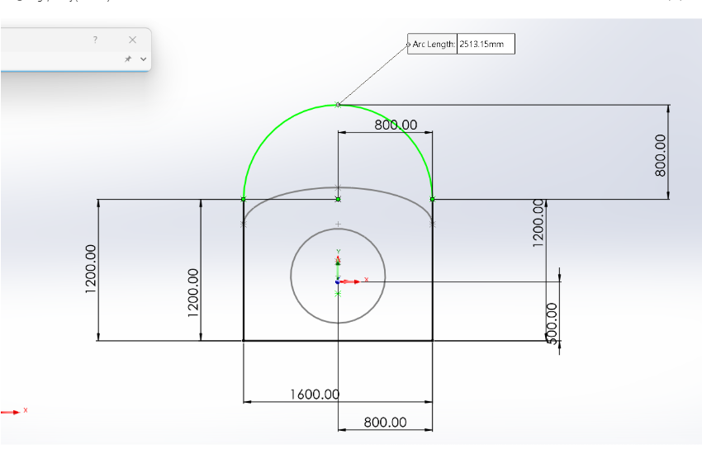
 | 10 | 0 | 0 |  |  | 90 | 0 | 0 | 0.00 | -700.00782225 |  |  | 118769362.75 | 242.38103752 | -4.0637958302 | 0 | 0 | -4.0637958302 | 4.0637958302 | 6.0956937453
 |  |  |  |  | S | 6734.632 | 0 | 4714295.08 |  |  |  | 0 | 1332045387 |  |  | 32.197338394

Upper skin |  | 0.2
Lower Skin |  | 0.2 |  |  | Location of Centroid |  |  |  |  |  | Applied Moment M= |  | 7733 | Shear force | 5690
L-Stringer (A) |  | 50 |  |  | S(x*A/Atotal)= Xc = |  |  | 0 | 0 |  | Material Strength MPa |  | 470
T-Stringer (A) |  | 90 |  |  | S(y*A/Atotal)=Yc = |  |  | 700.00782225 | 1472 |  | Fatigue limit MPa |  | 150
U-Stringer (A) |  | 0

Fuselage
 | Boom 2-3 |  | Boom 7-8 |  | Boom 2-8 |  | Boom curved |  | Boom 8-9-10-1-2
-800 | 600 | 800 | 1300 | -800 | 600 | -800 | 1300 | 800 | 600
-800 | 1300 | 800 | 600 | 800 | 600 | -550 | 1950 | 700 | 100
 |  |  |  |  |  | 0 | 2100 | 0 | 0
 |  |  |  |  |  | 550 | 1950 | -700 | 100
 |  |  |  |  |  | 800 | 1300 | -800 | 600
1
6
5
4
3
2
7
8
9
10

Data
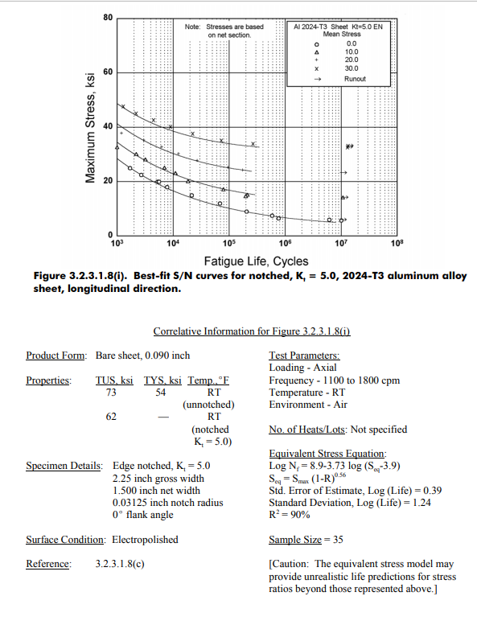

Gust Loads
0 | 1
2.18E+04 | 1
2.19E+04 | 1.4483191694
2.19E+04 | 1
3.82E+04 | 1
3.82E+04 | 0.55168083057
Gust load vs distance
3.83E+04 | 1
4.37E+04 | 1
4.37E+04 | 1.4483191694
4.37E+04 | 1
6.55E+04 | 1
6.56E+04 | 1.4483191694
6.56E+04 | 1
7.64E+04 | 1
7.65E+04 | 0.55168083057
7.65E+04 | 1
8.74E+04 | 1
8.74E+04 | 1.4483191694
8.74E+04 | 1
1.09E+05 | 1
1.09E+05 | 1.4483191694
1.09E+05 | 1
1.15E+05 | 1
1.15E+05 | 0.55168083057
1.15E+05 | 1
1.31E+05 | 1
1.31E+05 | 1.4483191694
1.31E+05 | 1
1.53E+05 | 1
1.53E+05 | 1
1.53E+05 | 1.4483191694
1.53E+05 | 0.55168083057
1.53E+05 | 1
1.53E+05 | 1
1.75E+05 | 1
1.75E+05 | 1.4483191694
1.75E+05 | 1
1.91E+05 | 1
1.91E+05 | 0.55168083057
1.91E+05 | 1
1.97E+05 | 1
1.97E+05 | 1.4483191694
1.97E+05 | 1
2.18E+05 | 1
2.19E+05 | 1.4483191694
2.19E+05 | 1
2.29E+05 | 1
2.29E+05 | 0.55168083057
2.29E+05 | 1
2.40E+05 | 1
2.40E+05 | 1.4483191694
2.40E+05 | 1
2.62E+05 | 1
2.62E+05 | 1.4483191694
2.62E+05 | 1
2.68E+05 | 1
2.68E+05 | 0.55168083057
2.68E+05 | 1
2.84E+05 | 1
2.84E+05 | 1.4483191694
2.84E+05 | 1
3.06E+05 | 1
3.06E+05 | 1
3.06E+05 | 1.4483191694
3.06E+05 | 0.55168083057
3.06E+05 | 1
3.06E+05 | 1
3.28E+05 | 1
3.28E+05 | 1.4483191694
3.28E+05 | 1
3.44E+05 | 1
3.44E+05 | 0.55168083057
3.44E+05 | 1
3.50E+05 | 1
3.50E+05 | 1.4483191694
3.50E+05 | 1
3.71E+05 | 1
3.71E+05 | 1.4483191694
3.71E+05 | 1
3.82E+05 | 1
3.82E+05 | 0.55168083057
3.82E+05 | 1
3.93E+05 | 1
3.93E+05 | 1.4483191694
3.93E+05 | 1
4.15E+05 | 1
4.15E+05 | 1.4483191694
4.15E+05 | 1
4.21E+05 | 1
4.21E+05 | 0.55168083057
4.21E+05 | 1
4.37E+05 | 1
4.37E+05 | 1.4483191694
4.37E+05 | 1
4.59E+05 | 1
4.59E+05 | 1
4.59E+05 | 0.55168083057
4.59E+05 | 1.4483191694
4.59E+05 | 1
4.59E+05 | 1
4.81E+05 | 1
4.81E+05 | 1.4483191694
4.81E+05 | 1
4.97E+05 | 1
4.97E+05 | 0.55168083057
4.97E+05 | 1
5.03E+05 | 1
5.03E+05 | 1.4483191694
5.03E+05 | 1
5.24E+05 | 1
5.24E+05 | 1.4483191694
5.24E+05 | 1
5.35E+05 | 1
5.35E+05 | 0.55168083057
5.35E+05 | 1
5.46E+05 | 1
5.46E+05 | 1.4483191694
5.46E+05 | 1
5.68E+05 | 1
5.68E+05 | 1.4483191694
5.68E+05 | 1
5.74E+05 | 1
5.74E+05 | 0.55168083057
5.74E+05 | 1
5.90E+05 | 1
5.90E+05 | 1.4483191694
5.90E+05 | 1
6.12E+05 | 1
6.12E+05 | 1
6.12E+05 | 1.4483191694
6.12E+05 | 0.55168083057
6.12E+05 | 1
6.12E+05 | 1
6.34E+05 | 1
6.34E+05 | 1.4483191694
6.34E+05 | 1
6.50E+05 | 1
6.50E+05 | 0.55168083057
6.50E+05 | 1
6.55E+05 | 1
6.56E+05 | 1.4483191694
6.56E+05 | 1
6.77E+05 | 1
6.77E+05 | 1.4483191694
6.77E+05 | 1
6.88E+05 | 1
6.88E+05 | 0.55168083057
6.88E+05 | 1
6.99E+05 | 1
6.99E+05 | 1.4483191694
6.99E+05 | 1
7.21E+05 | 1
7.21E+05 | 1.4483191694
7.21E+05 | 1
7.27E+05 | 1
7.27E+05 | 0.55168083057
7.27E+05 | 1
7.43E+05 | 1
7.43E+05 | 1.4483191694
7.43E+05 | 1
7.65E+05 | 1
7.65E+05 | 1
7.65E+05 | 1.4483191694
7.65E+05 | 0.55168083057
7.65E+05 | 1
7.65E+05 | 1
7.87E+05 | 1
7.87E+05 | 1.4483191694
7.87E+05 | 1
8.03E+05 | 1
8.03E+05 | 0.55168083057
8.03E+05 | 1
8.08E+05 | 1
8.08E+05 | 1.4483191694
8.09E+05 | 1
8.30E+05 | 1
8.30E+05 | 1.4483191694
8.30E+05 | 1
8.41E+05 | 1
8.41E+05 | 0.55168083057
8.41E+05 | 1
8.52E+05 | 1
8.52E+05 | 1.4483191694
8.52E+05 | 1
8.74E+05 | 1
8.74E+05 | 1.4483191694
8.74E+05 | 1
8.79E+05 | 1
8.79E+05 | 0.55168083057
8.80E+05 | 1
8.96E+05 | 1
8.96E+05 | 1.4483191694
8.96E+05 | 1
9.18E+05 | 1
9.18E+05 | 1
9.18E+05 | 0.55168083057
9.18E+05 | 1.4483191694
9.18E+05 | 1
9.18E+05 | 1
9.40E+05 | 1
9.40E+05 | 1.4483191694
9.40E+05 | 1
9.56E+05 | 1
9.56E+05 | 0.55168083057
9.56E+05 | 1
9.61E+05 | 1
9.61E+05 | 1.4483191694
9.61E+05 | 1
9.83E+05 | 1
9.83E+05 | 1.4483191694
9.83E+05 | 1
9.94E+05 | 1
9.94E+05 | 0.55168083057
9.94E+05 | 1
1.01E+06 | 1
1.01E+06 | 1.4483191694
1.01E+06 | 1
1.03E+06 | 1
1.03E+06 | 0.55168083057
1.03E+06 | 1
1.07E+06 | 1
1.07E+06 | 0.55168083057
1.07E+06 | 1
1.11E+06 | 1
1.11E+06 | 0.55168083057
1.11E+06 | 1
1.15E+06 | 1
1.15E+06 | 0.55168083057
1.15E+06 | 1
1.19E+06 | 1
1.19E+06 | 0.55168083057
1.19E+06 | 1
1.22E+06 | 1
1.22E+06 | 0.55168083057
1.22E+06 | 1
1.26E+06 | 1
1.26E+06 | 0.55168083057
1.26E+06 | 1
1.30E+06 | 1
1.30E+06 | 0.55168083057
1.30E+06 | 1
1.34E+06 | 1
1.34E+06 | 0.55168083057
1.34E+06 | 1
1.38E+06 | 1
1.38E+06 | 0.55168083057
1.38E+06 | 1
1.41E+06 | 1
1.41E+06 | 0.55168083057
1.41E+06 | 1
1.45E+06 | 1
1.45E+06 | 0.55168083057
1.45E+06 | 1
1.49E+06 | 1
1.49E+06 | 0.55168083057
1.49E+06 | 1
1.53E+06 | 1
1.53E+06 | 0.55168083057
1.53E+06 | 1
1.57E+06 | 1
1.57E+06 | 0.55168083057
1.57E+06 | 1
1.61E+06 | 1
1.61E+06 | 0.55168083057
1.61E+06 | 1
1.64E+06 | 1
1.64E+06 | 0.55168083057
1.64E+06 | 1
1.68E+06 | 1
1.68E+06 | 0.55168083057
1.68E+06 | 1
1.72E+06 | 1
1.72E+06 | 0.55168083057
1.72E+06 | 1
1.76E+06 | 1
1.76E+06 | 0.55168083057
1.76E+06 | 1

Fatigue
Max allowable stress
Load limits
Positive | 3.8 |  | Max Stress VM (FOS 1.5) | 20.020619348 | MPa |  |  |  | Load Factor Max | 1.4483191694
Negative | -1.5 |  |  |  |  |  |  |  | Load Factor Min | 0.55168083057
Max Stress | 190.1958838 | MPa | Ultimate stress
Min Stress | -75.077322554
Amplitude | 132.63660318 |  |  |  |  |  |  |  |  |  |  |  |  |  |  |  |  |  |  | Initial Crack lenght | 1 | mm |  | Rainflow Counting Method
Mean stress | 57.559280625 |  | Ultimate stress |  | 470 |  |  |  |  |  |  |  |  |  |  |  |  |  |  | Plate width (b) | 20 | mm
Stress Ratio (R) | -0.39473684211 |  | Yield Stress |  | 325 |  |  |  |  |  |  |  |  |  |  |  |  |  |  | a/b | 0.05
Amplitude Ratio (A) | 2.3043478261 |  | K_t Stress concentration factor |  | 2.5 |  |  |  |  |  |  |  |  |  |  |  |  |  |  | Toughness K_c | 34
∆σ | 265.27320636 |  |  |  |  |  |  |  |  |  |  |  |  |  |  | hole dimater | 4 |  |  | A_c (critical crack lenght) | 0.010171985534 | 10.171985534 | mm
F | 1 |  |  |  |  |  |  |  |  |  |  |  |  |  |  | b | 20 |  |  | A/B | 0.50859927671 | 0.50859927671
Initial Crack lenght | 1 | mm | Max stress lower than Yield |  |  |  |  |  |  |  |  |  |  |  |  | d/b | 0.2 |  |  |  |  |  |  |  | Notched hole |  |  |  |  | Unotched
thick of plate (b) | 50 | mm |  |  |  | n_u = 3.2416 | This is for15m/s but very unfrequent so better to use 3.8 for manouver which is higher |  |  |  |  |  |  |  |  | Stress intensity factor K | 2.5 |  |  | Keep changing a until u get K=34 and u will get F from that |  |  |  |  | A | B |  |  |  | A | B
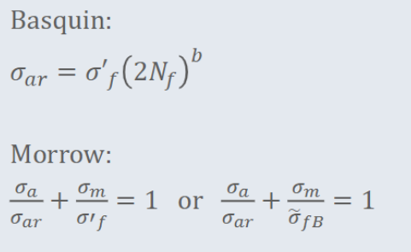

a/b | 0.02 |  |  |  |  | n_d = -1.2416 |  |  |  |  |  |  |  |  |  |  |  |  |  |  |  |  |  | N_i | 46 | 27 |  |  | N_i | 46 | 27
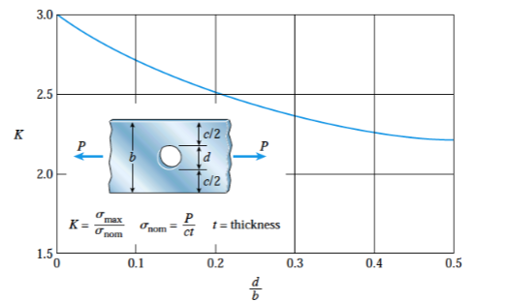
K_c | 34 |  |  |  |  |  |  |  |  |  |  |  |  |  |  |  |  |  |  | a | a/b= alpha | F | K | Min | 50.051548369 | 27.612479776 |  |  | Min | 20.020619348 | 11.04499191
A_c (critical crack lenght) | 0.010171985534 | 10.171985534 | if crack that big = Failure |  |  |  |  | Unotched |  |  |  |  |  | Notched |  |  |  |  |  | 0.001 | 0.05 | 1.0011650656 | 10.67288272 | max | 72.490616963 | 50.051548369 |  |  | max | 28.996246785 | 20.020619348
A/B | 0.00020343971068 |  |  |  |  |  |  | Max stress (kt) | 28.996246785 |  |  |  |  | Max stress (kt) | 72.490616963 |  |  |  |  | 0.002 | 0.1 | 1.0048242674 | 15.148902243 | sigma mean | 61.271082666 | 38.832014073 |  |  | sigma mean | 24.508433067 | 15.532805629
 |  |  |  |  |  |  |  | Miin Stress | 11.04499191 |  |  |  |  | Min Stress | 27.612479776 |  |  |  |  | 0.003 | 0.15 | 1.011259292 | 18.6723596 | sigma_a | 11.219534297 | 11.219534297 |  |  | sigma_a | 4.4878137187 | 4.4878137187
 |  |  |  |  |  |  |  | Amplitude | 8.9756274375 |  |  |  |  | Amplitude | 22.439068594 |  |  |  |  | 0.004 | 0.2 | 1.0208097531 | 21.764608351 | sigma_ar | 12.603454156 | 12.058717616 | Morrow | 12.331085886 | sigma_ar | 4.693982455 | 4.616316122 | 4.655149289
 |  |  | σ_fb | 558 |  |  |  | Mean stress | 20.020619348 |  |  |  |  | Mean stress | 50.051548369 |  |  |  |  | 0.005 | 0.25 | 1.0338899946 | 24.645372392 | N_f | 1.6499352093E+16 | 2.439362E+16 |  | 2.044649E+16 | N_f | 1.031497045E+20 | 1.195615E+20 | 1.113556E+20
 |  |  | b | -0.113 |  |  |  | Stress Ratio (R) | 0.38091108798 |  |  |  |  | Stress Ratio (R) | 0.38091108798 |  |  |  |  | 0.006 | 0.3 | 1.0510123253 | 27.444762975 | Ni/Nf | 2.7879882641E-15 | 1.106847E-15 |  | 3.894835E-15 | Ni/Nf | 4.4595377391E-19 | 2.258253E-19 | 6.717791E-19
 |  |  | σ_f | 927 |  |  |  | Amplitude Ratio (A) | 0.44831916943 |  |  |  |  | Amplitude Ratio (A) | 0.44831916943 |  |  |  |  | 0.007 | 0.35 | 1.0728198316 | 30.258811312 |  |  |  |  | Proportion of life used
 |  |  |  |  |  |  |  | ∆σ | 17.951254875 |  |  |  |  | ∆σ | 44.878137187 |  |  |  |  | 0.008 | 0.4 | 1.1001338294 | 33.17161095 | B_f | 2.57E+14 | Number of fights |  |  | B_f | 1.49E+18 | How many 1000km u can do
 |  |  |  |  |  |  |  | F | 1 |  |  |  |  | F | 1 |  |  |  |  | 0.009 | 0.45 | 1.1340243947 | 36.267673876
N_f | σ_ar |  |  |  |  |  |  | Initial Crack lenght | 0.1 | mm |  |  |  |  |  |  |  |  |  | 0.01 | 0.5 | 1.1759185771 | 39.641794102 | Years | 7.03E+11 |  |  |  | Years | 4.08E+15
10 | 660.78982141 |  |  |  |  |  |  | thick of plate (b) | 20 | mm |  |  |  |  |  |  |  |  |  | 0.011 | 0.55 | 1.2277727515 | 43.410059725
S-N Curve
100 | 509.40516565 |  |  |  |  |  |  | a/b | 0.005 |  |  |  |  |  |  |  |  |  |  | 0.012 | 0.6 | 1.2923596342 | 47.725452837
1000 | 392.70220936 |  |  |  |  |  |  | K_c | 34 |  |  |  |  |  |  |  |  |  |  | 0.013 | 0.65 | 1.3737728864 | 52.803494754
10000 | 302.7354955 |  |  |  |  |  |  | A_c (critical crack lenght) | 0.43764743422 | 437.64743422 | mm |  |  |  |  |  |  |  |  | 0.014 | 0.7 | 1.4783762124 | 58.96917256
100000 | 233.37984369 |  |  |  |  |  |  | A/B | 21.882371711 | mm/mm |  |  |  |  |  |  |  |  |  | 0.015 | 0.75 | 1.61675 | 66.752041014
1000000 | 179.91333111 |  |  |  |  |  |  |  |  |  |  |  |  |  |  |  |  |  |  | 0.016 | 0.8 | 1.8081740093 | 77.103885467
10000000 | 138.69581109 |  |  |  |  |  |  |  |  |  |  |  |  |  |  |  |  |  |  | 0.017 | 0.85 | 2.092792371 | 91.987042143
100000000 | 106.92108191 |  |  |  |  |  |  |  |  |  |  |  |  |  |  |  |  |  |  | 0.018 | 0.9 | 2.574283752 | 116.43102432
1000000000 | 82.425832961 |  |  |  |  |  |  |  |  |  |  |  |  |  |  |  |  |  |  | 0.0035 | 0.175 | 1.0156211827 | 20.255446575
10000000000 | 63.54236057 |  |  |  |  |  |  |  |  |  |  |  |  |  |  |  |  |  |  | 0.0036 | 0.18 | 1.0165911068 | 20.562390692
100000000000 | 48.985026196 |  |  |  |  |  |  |  |  |  |  | σ_fb | 558 |  |  |  |  |  |  | 0.0083 | 0.415 | 1.109553641 | 34.077160455
1000000000000 | 37.762726627 |  |  |  |  |  |  |  |  |  |  | b | -0.113
10000000000000 | 29.111416958 |  |  |  |  |  |  |  |  |  |  | σ_f | 927
100000000000000 | 22.442092322
1E+15 | 17.300686824 |  |  |  |  |  |  |  |  |  |  |  |  |  |  |  |  | σ_fb | 558
1E+16 | 13.33715949 |  |  |  |  |  |  |  |  |  |  |  |  | N_f |  |  |  | b | -0.113
1E+17 | 10.281662518 |  |  |  |  |  |  |  |  |  |  |  |  | 10 | 660.78982141 |  |  | σ_f | 927
1E+18 | 7.9261693031 |  |  |  |  |  |  |  |  |  |  |  |  | 100 | 509.40516565
1E+19 | 6.1103114122 |  |  |  |  |  |  |  |  |  |  |  |  | 1000 | 392.70220936
1E+20 | 4.7104602647 |  |  |  |  |  |  |  |  |  |  |  |  | 10000 | 302.7354955
1E+21 | 3.6313101589 |  |  |  |  |  |  |  |  |  |  |  |  | 100000 | 233.37984369
1E+22 | 2.7993895988 |  |  |  |  |  |  |  |  |  |  |  |  | 1000000 | 179.91333111
1E+23 | 2.158059153 |  |  |  |  |  |  |  |  |  |  |  |  | 10000000 | 138.69581109
1E+24 | 1.6636552875 |  |  |  |  |  |  | N_f | σ_ar |  |  |  |  | 100000000 | 106.92108191
1E+25 | 1.2825176324 |  |  |  |  |  |  | 10 | 660.78982141 |  |  |  |  | 1000000000 | 82.425832961
 |  |  |  |  |  |  |  | 100 | 509.40516565 |  |  |  |  | 10000000000 | 63.54236057
 |  |  |  |  |  |  |  | 1000 | 392.70220936 |  |  |  |  | 100000000000 | 48.985026196
 |  |  |  |  |  |  |  | 10000 | 302.7354955 |  |  |  |  | 1000000000000 | 37.762726627
 |  |  |  |  |  |  |  | 100000 | 233.37984369 |  |  |  |  | 10000000000000 | 29.111416958
 |  |  |  |  |  |  |  | 1000000 | 179.91333111 |  |  |  |  | 100000000000000 | 22.442092322
 |  |  |  |  |  |  |  | 10000000 | 138.69581109 |  |  |  |  | 1E+15 | 17.300686824
 |  |  |  |  |  |  |  | 100000000 | 106.92108191 |  |  |  |  | 1E+16 | 13.33715949
 |  |  |  |  |  |  |  | 1000000000 | 82.425832961 |  |  |  |  | 1E+17 | 10.281662518
 |  |  |  |  |  |  |  | 10000000000 | 63.54236057 |  |  |  |  | 1E+18 | 7.9261693031
 |  |  |  |  |  |  |  | 100000000000 | 48.985026196 |  |  |  |  | 1E+19 | 6.1103114122
 |  |  |  |  |  |  |  | 1000000000000 | 37.762726627 |  |  |  |  | 1E+20 | 4.7104602647
 |  |  |  |  |  |  |  | 10000000000000 | 29.111416958 |  |  |  |  | 1E+21 | 3.6313101589
 |  |  |  |  |  |  |  | 100000000000000 | 22.442092322 |  |  |  |  | 1E+22 | 2.7993895988
 |  |  |  |  |  |  |  | 1E+15 | 17.300686824 |  |  |  |  | 1E+23 | 2.158059153
 |  |  |  |  |  |  |  | 1E+16 | 13.33715949 |  |  |  |  | 1E+24 | 1.6636552875
 |  |  |  |  |  |  |  | 1E+17 | 10.281662518 |  |  |  |  | 1E+25 | 1.2825176324
 |  |  |  |  |  |  |  | 1E+18 | 7.9261693031 |  |  |  |  | 1E+26 | 0.98869729198
 |  |  |  |  |  |  |  | 1E+19 | 6.1103114122
 |  |  |  |  |  |  |  | 1E+20 | 4.7104602647
 |  |  |  |  |  |  |  | 1E+21 | 3.6313101589
 |  |  |  |  |  |  |  | 1E+22 | 2.7993895988
 |  |  |  |  |  |  |  | 1E+23 | 2.158059153
 |  |  |  |  |  |  |  | 1E+24 | 1.6636552875
 |  |  |  |  |  |  |  | 1E+25 | 1.2825176324

Stress-Strain
Plate Geometry |  |  | Load |  |  | Mat Props
 |  |  | P | 206.72 |  | H' | 662
t | 2 |  |  |  |  | n' | 0.07
b | 20 |  |  |  |  | E | 73100
Dia | 4 |  |  |  |  | SigY' | 168
A Reduced | 32 |  |  |  |  | SigF' | 927
S | 20.020619348 |  |  |  |  | EpsF' | 0.409
kt | 2.5 |  |  |  |  | b | -0.113
 |  |  |  |  |  | c | -0.713 |  |  | Intersect |  |  |  | 1st | reverse | difference |  | 1st | reverse | difference
 |  |  |  |  |  |  |  |  |  | 1st | reverse | difference | 40 | 0.00054719562244 | 0.00085675700895 | -0.00030956138652 | 50 | 0.00068399452804 | 0.00068540560716 | -1.411079119E-06
 |  |  |  |  |  |  |  |  | 0 | 0 | 0.034270280358 | -0.034270280358 | 41 | 0.000560875513 | 0.00083586049654 | -0.00027498498354 | 50.1 | 0.0006853625171 | 0.0006840375321 | 1.3249850013E-06
 |  |  |  |  |  |  |  |  | 40 | 0.00027359781122 | 0.0017135140179 | -0.0014399162067 | 42 | 0.00057455540356 | 0.00081595905615 | -0.00024140365259 | 50.2 | 0.00068673050616 | 0.00068267490753 | 4.0555986234E-06
Cyclic Stress Strain curve |  |  | Neuber Analysis (first rev) |  |  | Neuber Analysis (Second rev) |  |  | 45 | 0.00054719562244 | 0.00085675700895 | -0.00030956138652 | 43 | 0.00058823529412 | 0.00079698326414 | -0.00020874797003 | 50.3 | 0.00068809849521 | 0.00068131770096 | 6.7807942551E-06
Sig | Eps |  | Sig | Eps |  | Sig | Eps |  | 50 | 0.00082079343365 | 0.0006840375321 | 0.00013675590156 | 44 | 0.00060191518468 | 0.00077887000814 | -0.00017695482346 | 50.4 | 0.00068946648427 | 0.00067996588012 | 9.5006041464E-06
0 | 0 |  | 1 | 0.034270280358 |  | 150 | 0.00091387414288 |  | 55 | 0.0010943912449 | 0.0005711713393 | 0.00052321990565 | 45 | 0.00061559507524 | 0.00076156178574 | -0.0001459667105 | 50.5 | 0.00069083447332 | 0.00067861941303 | 1.2215060292E-05
20 | 0.00027359781122 |  | 20 | 0.0017135140179 |  | 125 | 0.0010966489715 |  | 60 | 0.001367989058 | 0.00042837850448 | 0.00093961055349 | 46 | 0.0006292749658 | 0.00074500609474 | -0.00011573112894 | 50.6 | 0.00069220246238 | 0.00067727826795 | 1.4924194433E-05
40 | 0.00054719562244 |  | 40 | 0.00085675700895 |  | 100.2 | 0.0013680750642 |  | 65 | 0.0016415868927 | 0.00034270280358 | 0.0012988840891 | 47 | 0.00064295485636 | 0.00072915490124 | -8.6200044876E-05 | 50.7 | 0.00069357045144 | 0.00067594241338 | 1.7628038061E-05
60 | 0.00082079343365 |  | 50.1 | 0.0006840375321 |  | 75 | 0.0018277482858 |  | 70 | 0.0019151849081 | 0.00028558566965 | 0.0016295992385 | 48 | 0.00065663474692 | 0.00071396417413 | -5.7329427206E-05 | 50.8 | 0.00069493844049 | 0.00067461181807 | 2.0326622419E-05
80 | 0.0010943912449 |  | 60 | 0.0005711713393 |  | 50 | 0.0027416224287 |  | 75 | 0.0021887840366 | 0.00024478771684 | 0.0019439963198 | 49 | 0.00067031463748 | 0.0006993934767 | -2.9078839214E-05 | 50.9 | 0.00069630642955 | 0.00067328645104 | 2.3019978505E-05
100 | 0.001367989058 |  | 80 | 0.00042837850448 |  | 25 | 0.0054832448573 |  | 80 | 0.0024623886226 | 0.00021418925224 | 0.0022481993703 | 50 | 0.00068399452804 | 0.00068540560716 | -1.411079119E-06 | 51 | 0.0006976744186 | 0.00067196628153 | 2.5708137073E-05
120 | 0.0016415868927 |  | 100 | 0.00034270280358 |  | 50 | 0.0027416224287 |  | 85 | 0.0027360155996 | 0.00019039044643 | 0.0025456251532 | 51 | 0.0006976744186 | 0.00067196628153 | 2.5708137073E-05 | 51.1 | 0.00069904240766 | 0.00067065127902 | 2.8391128637E-05
140 | 0.0019151849081 |  | 120 | 0.00028558566965 |  | 25 | 0.0054832448573 |  | 90 | 0.0030097222118 | 0.00017135140179 | 0.00283837081 | 52 | 0.00071135430917 | 0.00065904385304 | 5.2310456125E-05 | 51.2 | 0.00070041039672 | 0.00066934141324 | 3.1068983472E-05
160 | 0.0021887840366 |  | 140 | 0.00024478771684 |  |  | Re-Align to lower loop |  | 95 | 0.0032836807796 | 0.00015577400163 | 0.0031279067779 | 53 | 0.00072503419973 | 0.00064660906336 | 7.8425136365E-05 | 51.3 | 0.00070177838577 | 0.00066803665415 | 3.3741731618E-05
180 | 0.0024623886226 |  | 160 | 0.00021418925224 |  |  | -99.9 | -0.00022851162578 | 100 | 0.0035583624645 | 0.00014279283483 | 0.0034155696297 | 54 | 0.00073871409029 | 0.00063463482145 | 0.00010407926884 | 51.4 | 0.00070314637483 | 0.00066673697195 | 3.6409402881E-05
200 | 0.0027360155996 |  | 180 | 0.00019039044643 |  |  | -74.9 | -0.00041128645436 |  |  |  |  |  |  |  |  | 51.5 | 0.00070451436389 | 0.00066544233705 | 3.9072026834E-05
220 | 0.0030097222118 |  | 200 | 0.00017135140179 |  |  | -50.1 | -0.0006827125471 |  |  |  |  |  |  |  |  | 51.6 | 0.00070588235294 | 0.00066415272012 | 4.1729632822E-05
240 | 0.0032836807796 |  | 220 | 0.00015577400163 |  |  | -24.9 | -0.0011423857687 |  |  |  |  |  |  |  |  | 51.7 | 0.000707250342 | 0.00066286809203 | 4.4382249964E-05
Cyclic stress strain curve
260 | 0.0035583624645 |  | 240 | 0.00014279283483 |  |  | 0.1 | -0.0020562599116 |  |  |  |  |  |  |  |  | 51.8 | 0.00070861833105 | 0.0006615884239 | 4.7029907151E-05
 |  |  |  |  |  |  | 25.1 | -0.0047978823402 |  |  |  |  |  |  |  |  | 51.9 | 0.00070998632011 | 0.00066031368705 | 4.9672633055E-05
Sig |  | EpsR-O | EpsN |  | EpsAmp |  | 0.1 | -0.0020562599116 |  |  |  |  |  |  |  |  | 52 | 0.00071135430917 | 0.00065904385304 | 5.2310456125E-05
50.1 |  | 0.0006853625171 | 0.0006840375321 |  | 0.0006840375321 |  |  |  |  |  |  |  |  |  |  |  | 52.1 | 0.00071272229822 | 0.00065777889363 | 5.4943404591E-05
50.1 | 100.2 | -0.0006853625171 | -0.0006840375321 |  |  |  |  |  |  |  |  |  |  |  |  |  | 52.2 | 0.00071409028728 | 0.00065651878081 | 5.7571506471E-05
 |  |  |  |  |  |  |  |  |  |  |  |  |  |  |  |  | 52.3 | 0.00071545827633 | 0.00065526348677 | 6.0194789563E-05
Hyeteresis Loop |  |  |  |  |  |  |  |  |  |  |  |  |  |  |  |  | 52.4 | 0.00071682626539 | 0.00065401298393 | 6.2813281456E-05
Sig | Eps |  |  |  |  |  |  |  |  |  |  |  |  |  |  |  | 52.5 | 0.00071819425445 | 0.00065276724492 | 6.5427009529E-05
50.1 | 0.0006853625171 |  |  |  |  |  |  |  |  |  |  |  |  |  |  |  | 52.6 | 0.0007195622435 | 0.00065152624255 | 6.8036000952E-05
10.1 | 0.00013816689466 |  |  |  |  |  |  |  |  |  |  |  |  |  |  |  | 52.7 | 0.00072093023256 | 0.00065028994987 | 7.0640282688E-05
-29.9 | -0.00040902872777 |  |  |  |  |  |  |  |  |  |  |  |  |  |  |  | 52.8 | 0.00072229822161 | 0.00064905834012 | 7.3239881498E-05
-69.9 | -0.00095622435021
-109.9 | -0.0015034199728
-149.9 | -0.0020506155988
-189.9 | -0.0025978112683
-229.9 | -0.0031450072992
-269.9 | -0.0036922055561
-309.9 | -0.004239414728
-349.9 | -0.0047866686821
-389.9 | -0.0053340819065
-429.9 | -0.005881999042

Strain Life Curve
100 | 0.016324579083 |  | 0.0006840375321
300 | 0.010429704383 |  | 0.0006840375321
Strain Life curve
1000 | 0.0071838342466 |  | 0.0006840375321
3000 | 0.0055727002483 |  | 0.0006840375321
10000 | 0.0044922121446 |  | 0.0006840375321
30000 | 0.0038181834297 |  | 0.0006840375321
100000 | 0.0032605449921 |  | 0.0006840375321
300000 | 0.0028509226993 |  | 0.0006840375321
1000000 | 0.0024743496216 |  | 0.0006840375321
3000000 | 0.0021798688443 |  | 0.0006840375321
10000000 | 0.0018998908687 |  | 0.0006840375321
125000000 | 0.0014266690072 |  | 0.0006840375321
2000000000 | 0.0010426867379 |  | 0.0006840375321
3000000000 | 0.00099597926293 |  | 0.0006840375321
4000000000 | 0.00096411580417 |  | 0.0006840375321
9000000000 | 0.0008796834233 |  | 0.0006840375321
10000000000 | 0.00086927103505 |  | 0.0006840375321
83000000000 | 0.00068437279788 |  | 0.0006840375321
100000000000 | 0.00067011337918 |  | 0.0006840375321
1E+19 | 8.3588391418E-05 |  | 0.0006840375321
1E+20 | 6.4438580914E-05 |  | 0.0006840375321

 |  |  |  |  |  | N | 83000000000

 |  |  |  |  |  | Trips | 2305555555.6

 |  |  |  |  |  | Years | 6.32E+06

New paris law
C_0 | 1.42E-11 |  | Crack length | Delta K | a/b | F | da/dN | Numb of Cycles for incremment | cumulative
C | 2.463329276E-11 |  | 0.0001 | 0.88258808684 | 0.005 | 1.0000113112 | 9.06900797E-12 | 11026564.353 | 11026564.353
m | 3.59 |  | 0.0002 | 1.2481680424 | 0.01 | 1.0000453904 | 3.1470861072E-11 | 3177542.5455 | 14204106.899
Delta sigma | 44.878137187 |  | 0.0003 | 1.5286874086 | 0.015 | 1.0001024593 | 6.5161704458E-11 | 1534643.7118 | 15738750.61
gamma | 0.68 |  | 0.0004 | 1.7651761737 | 0.02 | 1.000182743 | 1.0920875799E-10 | 915677.47714 | 16654428.088
delta a | 0.0001 | m | 0.0005 | 1.9735269583 | 0.025 | 1.0002864706 | 1.6300875909E-10 | 613463.96696 | 17267892.055
b | 0.02 |  | 0.0006 | 2.1618904658 | 0.03 | 1.0004138752 | 2.2612119815E-10 | 442240.71346 | 17710132.768
R | 0.38091108798 |  | 0.0007 | 2.3351085879 | 0.035 | 1.0005651938 | 2.982021466E-10 | 335342.99179 | 18045475.76
F | 1.109553641 |  | 0.0008 | 2.4963360848 | 0.04 | 1.0007406674 | 3.7897129014E-10 | 263872.23149 | 18309347.991
 |  |  | 0.0009 | 2.6477642605 | 0.045 | 1.0009405415 | 4.6819318518E-10 | 213587.04732 | 18522935.039
a_c | 0.0083 |  | 0.001 | 2.7909885902 | 0.05 | 1.0011650656 | 5.6566561941E-10 | 176782.88474 | 18699717.923
N_f | 20426189.338 |  | 0.0011 | 2.9272135285 | 0.055 | 1.0014144939 | 6.7121190907E-10 | 148984.24573 | 18848702.169
 |  |  | 0.0012 | 3.0573748171 | 0.06 | 1.0016890848 | 7.8467554953E-10 | 127441.2081 | 18976143.377
1 cycle | 153 | km | 0.0013 | 3.1822166022 | 0.065 | 1.0019891016 | 9.059163564E-10 | 110385.46693 | 19086528.844
1 trip | 1000 |  | 0.0014 | 3.3023422346 | 0.07 | 1.0023148121 | 1.0348075951E-09 | 96636.322033 | 19183165.166
cycles per trip | 36 |  | 0.0015 | 3.4182489619 | 0.075 | 1.0026664889 | 1.1712337908E-09 | 85380.050321 | 19268545.216
trips | 567394.14827 |  | 0.0016 | 3.5303523474 | 0.08 | 1.0030444098 | 1.3150890221E-09 | 76040.479635 | 19344585.696
1 trip per day | 1554.5045158 | Years | 0.0017 | 3.639003906 | 0.085 | 1.0034488576 | 1.4662755656E-09 | 68200.004383 | 19412785.701
 |  |  | 0.0018 | 3.7445041272 | 0.09 | 1.00388012 | 1.6247028048E-09 | 61549.718325 | 19474335.419
 |  |  | 0.0019 | 3.8471122793 | 0.095 | 1.0043384904 | 1.7902863371E-09 | 55856.986634 | 19530192.405
 |  |  | 0.002 | 3.9470539166 | 0.1 | 1.0048242674 | 1.9629472353E-09 | 50943.804398 | 19581136.21
 |  |  | 0.0021 | 4.0445267154 | 0.105 | 1.0053377554 | 2.1426114312E-09 | 46672.018335 | 19627808.228
 |  |  | 0.0022 | 4.139705072 | 0.11 | 1.0058792642 | 2.3292091936E-09 | 42933.026486 | 19670741.255
 |  |  | 0.0023 | 4.232743769 | 0.115 | 1.0064491099 | 2.5226746858E-09 | 39640.465956 | 19710381.721
 |  |  | 0.0024 | 4.3237809317 | 0.12 | 1.0070476141 | 2.7229455843E-09 | 36724.935149 | 19747106.656
 |  |  | 0.0025 | 4.4129404342 | 0.125 | 1.007675105 | 2.9299627509E-09 | 34130.126729 | 19781236.783
 |  |  | 0.0026 | 4.5003338773 | 0.13 | 1.0083319169 | 3.143669946E-09 | 31809.955154 | 19813046.738
 |  |  | 0.0027 | 4.5860622257 | 0.135 | 1.0090183906 | 3.3640135794E-09 | 29726.396057 | 19842773.134
 |  |  | 0.0028 | 4.6702171758 | 0.14 | 1.0097348737 | 3.5909424899E-09 | 27847.842253 | 19870620.976
 |  |  | 0.0029 | 4.7528823045 | 0.145 | 1.0104817203 | 3.8244077517E-09 | 26147.839481 | 19896768.815
 |  |  | 0.003 | 4.8341340415 | 0.15 | 1.011259292 | 4.064362501E-09 | 24604.104574 | 19921372.92
 |  |  | 0.0031 | 4.914042497 | 0.155 | 1.012067957 | 4.3107617832E-09 | 23197.755995 | 19944570.676
 |  |  | 0.0032 | 4.9926721696 | 0.16 | 1.0129080912 | 4.5635624147E-09 | 21912.70567 | 19966483.382
 |  |  | 0.0033 | 5.070082556 | 0.165 | 1.0137800781 | 4.8227228593E-09 | 20735.174489 | 19987218.556
 |  |  | 0.0034 | 5.1463286774 | 0.17 | 1.0146843089 | 5.0882031167E-09 | 19653.303476 | 20006871.86
 |  |  | 0.0035 | 5.2214615374 | 0.175 | 1.0156211827 | 5.3599646219E-09 | 18656.83956 | 20025528.699
 |  |  | 0.0036 | 5.2955285211 | 0.18 | 1.0165911068 | 5.6379701533E-09 | 17736.879991 | 20043265.579
 |  |  | 0.0037 | 5.3685737443 | 0.185 | 1.017594497 | 5.9221837496E-09 | 16885.663166 | 20060151.242
 |  |  | 0.0038 | 5.4406383614 | 0.19 | 1.0186317778 | 6.2125706339E-09 | 16096.396466 | 20076247.639
 |  |  | 0.0039 | 5.5117608358 | 0.195 | 1.0197033823 | 6.5090971444E-09 | 15363.113775 | 20091610.753
 |  |  | 0.004 | 5.5819771803 | 0.2 | 1.0208097531 | 6.81173067E-09 | 14680.556946 | 20106291.31
 |  |  | 0.0041 | 5.6513211705 | 0.205 | 1.0219513418 | 7.1204395925E-09 | 14044.076732 | 20120335.386
 |  |  | 0.0042 | 5.7198245343 | 0.21 | 1.02312861 | 7.4351932322E-09 | 13449.549578 | 20133784.936
 |  |  | 0.0043 | 5.7875171218 | 0.215 | 1.024342029 | 7.7559617986E-09 | 12893.307445 | 20146678.243
 |  |  | 0.0044 | 5.854427057 | 0.22 | 1.0255920803 | 8.0827163436E-09 | 12372.078364 | 20159050.322
 |  |  | 0.0045 | 5.9205808749 | 0.225 | 1.026879256 | 8.4154287198E-09 | 11882.935894 | 20170933.258
 |  |  | 0.0046 | 5.9860036442 | 0.23 | 1.0282040589 | 8.75407154E-09 | 11423.255972 | 20182356.514
 |  |  | 0.0047 | 6.0507190778 | 0.235 | 1.0295670029 | 9.0986181411E-09 | 10990.679953 | 20193347.194
 |  |  | 0.0048 | 6.1147496343 | 0.24 | 1.0309686135 | 9.4490425497E-09 | 10583.082833 | 20203930.276
 |  |  | 0.0049 | 6.1781166079 | 0.245 | 1.0324094276 | 9.8053194497E-09 | 10198.545852 | 20214128.822
 |  |  | 0.005 | 6.240840212 | 0.25 | 1.0338899946 | 1.0167424153E-08 | 9835.3327739 | 20223964.155
 |  |  | 0.0051 | 6.3029396541 | 0.255 | 1.0354108761 | 1.0535332572E-08 | 9491.8693186 | 20233456.024
 |  |  | 0.0052 | 6.3644332045 | 0.26 | 1.0369726467 | 1.0909021191E-08 | 9166.7252495 | 20242622.75
 |  |  | 0.0053 | 6.4253382592 | 0.265 | 1.0385758942 | 1.1288467046E-08 | 8858.5987445 | 20251481.348
 |  |  | 0.0054 | 6.4856713975 | 0.27 | 1.04022122 | 1.1673647697E-08 | 8566.3027185 | 20260047.651
 |  |  | 0.0055 | 6.5454484344 | 0.275 | 1.0419092396 | 1.206454121E-08 | 8288.7528223 | 20268336.404
 |  |  | 0.0056 | 6.6046844692 | 0.28 | 1.043640583 | 1.2461126133E-08 | 8024.9568882 | 20276361.361
 |  |  | 0.0057 | 6.6633939302 | 0.285 | 1.0454158949 | 1.2863381483E-08 | 7774.0056245 | 20284135.366
 |  |  | 0.0058 | 6.7215906153 | 0.29 | 1.0472358358 | 1.327128672E-08 | 7535.064392 | 20291670.431
 |  |  | 0.0059 | 6.7792877304 | 0.295 | 1.0491010817 | 1.3684821735E-08 | 7307.3659223 | 20298977.797
 |  |  | 0.006 | 6.8364979238 | 0.3 | 1.0510123253 | 1.4103966833E-08 | 7090.2038543 | 20306068.001
 |  |  | 0.0061 | 6.8932333192 | 0.305 | 1.0529702761 | 1.4528702716E-08 | 6882.9269861 | 20312950.927
 |  |  | 0.0062 | 6.9495055453 | 0.31 | 1.0549756609 | 1.4959010472E-08 | 6684.9341529 | 20319635.862
 |  |  | 0.0063 | 7.0053257637 | 0.315 | 1.0570292249 | 1.5394871557E-08 | 6495.669654 | 20326131.531
 |  |  | 0.0064 | 7.0607046948 | 0.32 | 1.0591317314 | 1.5836267784E-08 | 6314.6191618 | 20332446.15
 |  |  | 0.0065 | 7.1156526417 | 0.325 | 1.0612839634 | 1.6283181312E-08 | 6141.3060559 | 20338587.457
 |  |  | 0.0066 | 7.170179513 | 0.33 | 1.0634867235 | 1.6735594631E-08 | 5975.288133 | 20344562.745
 |  |  | 0.0067 | 7.2242948431 | 0.335 | 1.0657408349 | 1.7193490555E-08 | 5816.1546475 | 20350378.899
 |  |  | 0.0068 | 7.2780078119 | 0.34 | 1.0680471421 | 1.7656852207E-08 | 5663.5236465 | 20356042.423
 |  |  | 0.0069 | 7.3313272633 | 0.345 | 1.0704065113 | 1.8125663012E-08 | 5517.0395661 | 20361559.463
 |  |  | 0.007 | 7.3842617216 | 0.35 | 1.0728198316 | 1.8599906685E-08 | 5376.3710589 | 20366935.834
 |  |  | 0.0071 | 7.4368194078 | 0.355 | 1.0752880156 | 1.9079567224E-08 | 5241.2090288 | 20372177.043
 |  |  | 0.0072 | 7.4890082544 | 0.36 | 1.077812 | 1.95646289E-08 | 5111.26485 | 20377288.307
 |  |  | 0.0073 | 7.5408359196 | 0.365 | 1.0803927468 | 2.0055076248E-08 | 4986.2687513 | 20382274.576
 |  |  | 0.0074 | 7.5923097998 | 0.37 | 1.0830312438 | 2.0550894061E-08 | 4865.9683469 | 20387140.545
 |  |  | 0.0075 | 7.6434370428 | 0.375 | 1.0857285061 | 2.1052067379E-08 | 4750.127301 | 20391890.672
 |  |  | 0.0076 | 7.6942245587 | 0.38 | 1.0884855765 | 2.1558581486E-08 | 4638.5241099 | 20396529.196
 |  |  | 0.0077 | 7.7446790308 | 0.385 | 1.0913035266 | 2.20704219E-08 | 4530.950992 | 20401060.147
 |  |  | 0.0078 | 7.7948069265 | 0.39 | 1.0941834582 | 2.2587574365E-08 | 4427.2128731 | 20405487.36
 |  |  | 0.0079 | 7.8446145063 | 0.395 | 1.0971265042 | 2.3110024848E-08 | 4327.1264596 | 20409814.486
 |  |  | 0.008 | 7.8941078333 | 0.4 | 1.1001338294 | 2.3637759531E-08 | 4230.5193887 | 20414045.006
 |  |  | 0.0081 | 7.9432927816 | 0.405 | 1.1032066325 | 2.4170764805E-08 | 4137.2294509 | 20418182.235
 |  |  | 0.0082 | 7.9921750447 | 0.41 | 1.1063461466 | 2.4709027264E-08 | 4047.1038755 | 20422229.339
 |  |  | 0.0083 | 8.0407601429 | 0.415 | 1.109553641 | 2.5252533701E-08 | 3959.9986751 | 20426189.338
 |  |  | 0.0084 | 8.0890534309 | 0.42 | 1.1128304221 | 2.5801271102E-08 | 3875.7780423 | 20430065.116
 |  |  | 0.0085 | 8.1370601041 | 0.425 | 1.1161778355 | 2.6355226638E-08 | 3794.3137949 | 20433859.43
 |  |  | 0.0086 | 8.1847852061 | 0.43 | 1.119597267 | 2.6914387665E-08 | 3715.4848642 | 20437574.914
 |  |  | 0.0087 | 8.2322336337 | 0.435 | 1.1230901444 | 2.7478741718E-08 | 3639.1768236 | 20441214.091
 |  |  | 0.0088 | 8.2794101439 | 0.44 | 1.126657939 | 2.8048276502E-08 | 3565.281453 | 20444779.373
 |  |  | 0.0089 | 8.3263193587 | 0.445 | 1.1303021678 | 2.8622979893E-08 | 3493.6963368 | 20448273.069
 |  |  | 0.009 | 8.3729657705 | 0.45 | 1.1340243947 | 2.9202839933E-08 | 3424.3244913 | 20451697.393
 |  |  | 0.0091 | 8.4193537474 | 0.455 | 1.1378262328 | 2.9787844824E-08 | 3357.074021 | 20455054.468
 |  |  | 0.0092 | 8.465487538 | 0.46 | 1.1417093464 | 3.0377982924E-08 | 3291.8577988 | 20458346.325
 |  |  | 0.0093 | 8.5113712753 | 0.465 | 1.1456754533 | 3.0973242745E-08 | 3228.5931707 | 20461574.918
 |  |  | 0.0094 | 8.557008982 | 0.47 | 1.1497263266 | 3.1573612948E-08 | 3167.2016809 | 20464742.12
 |  |  | 0.0095 | 8.6024045736 | 0.475 | 1.1538637973 | 3.2179082341E-08 | 3107.6088168 | 20467849.729
 |  |  | 0.0096 | 8.6475618633 | 0.48 | 1.1580897569 | 3.2789639874E-08 | 3049.7437723 | 20470899.473
 |  |  | 0.0097 | 8.6924845649 | 0.485 | 1.1624061598 | 3.3405274635E-08 | 2993.5392268 | 20473893.012
 |  |  | 0.0098 | 8.7371762968 | 0.49 | 1.1668150263 | 3.402597585E-08 | 2938.9311402 | 20476831.943
 |  |  | 0.0099 | 8.7816405855 | 0.495 | 1.1713184453 | 3.4651732878E-08 | 2885.8585616 | 20479717.802
 |  |  | 0.01 | 8.8258808684 | 0.5 | 1.1759185771 | 3.5282535206E-08 | 2834.2634512 | 20482552.065
 |  |  | 0.0101 | 8.8699004975 | 0.505 | 1.1806176574 | 3.5918372451E-08 | 2784.0905135 | 20485336.156
 |  |  | 0.0102 | 8.9137027416 | 0.51 | 1.185418 | 3.6559234352E-08 | 2735.2870423 | 20488071.443
 |  |  | 0.0103 | 8.95729079 | 0.515 | 1.1903220007 | 3.7205110771E-08 | 2687.8027757 | 20490759.245
 |  |  | 0.0104 | 9.0006677546 | 0.52 | 1.1953321409 | 3.7855991689E-08 | 2641.58976 | 20493400.835
 |  |  | 0.0105 | 9.0438366725 | 0.525 | 1.2004509921 | 3.8511867203E-08 | 2596.6022232 | 20495997.437
 |  |  | 0.0106 | 9.086800509 | 0.53 | 1.2056812196 | 3.9172727524E-08 | 2552.7964561 | 20498550.234
 |  |  | 0.0107 | 9.1295621593 | 0.535 | 1.2110255874 | 3.9838562975E-08 | 2510.1307008 | 20501060.365
 |  |  | 0.0108 | 9.1721244514 | 0.54 | 1.2164869625 | 4.0509363989E-08 | 2468.5650465 | 20503528.93
 |  |  | 0.0109 | 9.2144901478 | 0.545 | 1.2220683208 | 4.1185121105E-08 | 2428.0613318 | 20505956.991
 |  |  | 0.011 | 9.2566619477 | 0.55 | 1.2277727515 | 4.1865824968E-08 | 2388.5830526 | 20508345.574
 |  |  | 0.0111 | 9.2986424894 | 0.555 | 1.2336034636 | 4.2551466325E-08 | 2350.0952761 | 20510695.669
 |  |  | 0.0112 | 9.3404343516 | 0.56 | 1.2395637915 | 4.3242036025E-08 | 2312.5645597 | 20513008.234
 |  |  | 0.0113 | 9.3820400557 | 0.565 | 1.2456572014 | 4.3937525014E-08 | 2275.958875 | 20515284.193
 |  |  | 0.0114 | 9.4234620675 | 0.57 | 1.2518872986 | 4.4637924337E-08 | 2240.2475358 | 20517524.44
 |  |  | 0.0115 | 9.4647027988 | 0.575 | 1.2582578343 | 4.5343225132E-08 | 2205.4011312 | 20519729.841
 |  |  | 0.0116 | 9.5057646089 | 0.58 | 1.2647727137 | 4.6053418632E-08 | 2171.3914617 | 20521901.233
 |  |  | 0.0117 | 9.5466498067 | 0.585 | 1.271436004 | 4.6768496159E-08 | 2138.1914796 | 20524039.424
 |  |  | 0.0118 | 9.5873606515 | 0.59 | 1.2782519433 | 4.7488449128E-08 | 2105.7752324 | 20526145.2
 |  |  | 0.0119 | 9.6278993552 | 0.595 | 1.2852249504 | 4.8213269039E-08 | 2074.1178102 | 20528219.317
 |  |  | 0.012 | 9.668268083 | 0.6 | 1.2923596342 | 4.894294748E-08 | 2043.1952947 | 20530262.513
 |  |  | 0.0121 | 9.7084689553 | 0.605 | 1.2996608048 | 4.9677476122E-08 | 2012.9847127 | 20532275.497
 |  |  | 0.0122 | 9.7485040487 | 0.61 | 1.3071334854 | 5.0416846723E-08 | 1983.4639907 | 20534258.961
 |  |  | 0.0123 | 9.7883753973 | 0.615 | 1.3147829238 | 5.1161051118E-08 | 1954.6119131 | 20536213.573
 |  |  | 0.0124 | 9.828084994 | 0.62 | 1.3226146064 | 5.1910081225E-08 | 1926.4080818 | 20538139.981
 |  |  | 0.0125 | 9.8676347916 | 0.625 | 1.3306342717 | 5.266392904E-08 | 1898.832879 | 20540038.814
 |  |  | 0.0126 | 9.9070267039 | 0.63 | 1.3388479263 | 5.3422586637E-08 | 1871.8674309 | 20541910.682
 |  |  | 0.0127 | 9.9462626067 | 0.635 | 1.3472618606 | 5.4186046166E-08 | 1845.493574 | 20543756.175
 |  |  | 0.0128 | 9.9853443392 | 0.64 | 1.3558826667 | 5.4954299851E-08 | 1819.6938233 | 20545575.869
 |  |  | 0.0129 | 10.024273705 | 0.645 | 1.3647172573 | 5.572733999E-08 | 1794.4513415 | 20547370.32
 |  |  | 0.013 | 10.063052471 | 0.65 | 1.3737728864 | 5.6505158952E-08 | 1769.7499105 | 20549140.07
 |  |  | 0.0131 | 10.101682373 | 0.655 | 1.3830571711 | 5.7287749179E-08 | 1745.5739043 | 20550885.644
 |  |  | 0.0132 | 10.140165112 | 0.66 | 1.3925781153 | 5.8075103181E-08 | 1721.9082623 | 20552607.553
 |  |  | 0.0133 | 10.178502357 | 0.665 | 1.402344136 | 5.8867213538E-08 | 1698.7384656 | 20554306.291
 |  |  | 0.0134 | 10.216695746 | 0.67 | 1.4123640909 | 5.9664072896E-08 | 1676.0505133 | 20555982.341
 |  |  | 0.0135 | 10.254746886 | 0.675 | 1.4226473087 | 6.0465673968E-08 | 1653.8309 | 20557636.172
 |  |  | 0.0136 | 10.292657355 | 0.68 | 1.4332036221 | 6.1272009533E-08 | 1632.0665955 | 20559268.239
 |  |  | 0.0137 | 10.330428701 | 0.685 | 1.4440434033 | 6.2083072433E-08 | 1610.7450241 | 20560878.984
 |  |  | 0.0138 | 10.368062446 | 0.69 | 1.4551776031 | 6.2898855573E-08 | 1589.8540457 | 20562468.838
 |  |  | 0.0139 | 10.405560082 | 0.695 | 1.4666177932 | 6.3719351922E-08 | 1569.3819379 | 20564038.22
 |  |  | 0.014 | 10.442923075 | 0.7 | 1.4783762124 | 6.4544554507E-08 | 1549.3173787 | 20565587.537
 |  |  | 0.0141 | 10.480152865 | 0.705 | 1.490465817 | 6.5374456418E-08 | 1529.64943 | 20567117.187
 |  |  | 0.0142 | 10.517250867 | 0.71 | 1.5029003364 | 6.6209050804E-08 | 1510.367522 | 20568627.554
 |  |  | 0.0143 | 10.554218471 | 0.715 | 1.515694333 | 6.704833087E-08 | 1491.4614384 | 20570119.016
 |  |  | 0.0144 | 10.591057042 | 0.72 | 1.5288632696 | 6.7892289882E-08 | 1472.9213019 | 20571591.937
 |  |  | 0.0145 | 10.627767922 | 0.725 | 1.5424235816 | 6.8740921158E-08 | 1454.7375612 | 20573046.675
 |  |  | 0.0146 | 10.664352429 | 0.73 | 1.556392758 | 6.9594218076E-08 | 1436.9009778 | 20574483.576
 |  |  | 0.0147 | 10.70081186 | 0.735 | 1.5707894299 | 7.0452174066E-08 | 1419.4026136 | 20575902.978
 |  |  | 0.0148 | 10.737147489 | 0.74 | 1.585633469 | 7.1314782613E-08 | 1402.2338194 | 20577305.212
 |  |  | 0.0149 | 10.773360568 | 0.745 | 1.6009460957 | 7.2182037256E-08 | 1385.3862235 | 20578690.598
 |  |  | 0.015 | 10.809452329 | 0.75 | 1.61675 | 7.3053931584E-08 | 1368.8517213 | 20580059.45
 |  |  | 0.0151 | 10.845423984 | 0.755 | 1.6330694751 | 7.3930459241E-08 | 1352.6224648 | 20581412.072
 |  |  | 0.0152 | 10.881276723 | 0.76 | 1.6499305669 | 7.4811613918E-08 | 1336.6908527 | 20582748.763
 |  |  | 0.0153 | 10.917011718 | 0.765 | 1.6673612404 | 7.5697389361E-08 | 1321.0495216 | 20584069.813
 |  |  | 0.0154 | 10.952630122 | 0.77 | 1.6853915657 | 7.6587779359E-08 | 1305.6913366 | 20585375.504
 |  |  | 0.0155 | 10.988133068 | 0.775 | 1.7040539275 | 7.7482777757E-08 | 1290.6093831 | 20586666.114
 |  |  | 0.0156 | 11.023521672 | 0.78 | 1.7233832594 | 7.8382378441E-08 | 1275.7969583 | 20587941.91
 |  |  | 0.0157 | 11.058797031 | 0.785 | 1.7434173088 | 7.928657535E-08 | 1261.2475638 | 20589203.158
 |  |  | 0.0158 | 11.093960226 | 0.79 | 1.764196936 | 8.0195362466E-08 | 1246.9548977 | 20590450.113
 |  |  | 0.0159 | 11.129012321 | 0.795 | 1.7857664531 | 8.1108733818E-08 | 1232.9128479 | 20591683.026
 |  |  | 0.016 | 11.163954361 | 0.8 | 1.8081740093 | 8.2026683482E-08 | 1219.1154848 | 20592902.141
 |  |  | 0.0161 | 11.198787376 | 0.805 | 1.8314720297 | 8.2949205576E-08 | 1205.5570551 | 20594107.698
 |  |  | 0.0162 | 11.233512382 | 0.81 | 1.8557177179 | 8.3876294264E-08 | 1192.2319754 | 20595299.93
 |  |  | 0.0163 | 11.268130376 | 0.815 | 1.8809736319 | 8.4807943753E-08 | 1179.134826 | 20596479.065
 |  |  | 0.0164 | 11.302642341 | 0.82 | 1.907308348 | 8.5744148294E-08 | 1166.2603453 | 20597645.325
 |  |  | 0.0165 | 11.337049247 | 0.825 | 1.9347972279 | 8.6684902177E-08 | 1153.6034245 | 20598798.929
 |  |  | 0.0166 | 11.371352046 | 0.83 | 1.9635233087 | 8.7630199738E-08 | 1141.1591015 | 20599940.088
 |  |  | 0.0167 | 11.405551678 | 0.835 | 1.9935783404 | 8.8580035351E-08 | 1128.9225569 | 20601069.011
 |  |  | 0.0168 | 11.439649069 | 0.84 | 2.025064 | 8.9534403434E-08 | 1116.8891082 | 20602185.9
 |  |  | 0.0169 | 11.473645129 | 0.845 | 2.0580933191 | 9.0493298441E-08 | 1105.0542054 | 20603290.954
 |  |  | 0.017 | 11.507540757 | 0.85 | 2.092792371 | 9.1456714868E-08 | 1093.4134267 | 20604384.367
 |  |  | 0.0171 | 11.541336838 | 0.855 | 2.129302275 | 9.2424647251E-08 | 1081.962474 | 20605466.33
 |  |  | 0.0172 | 11.575034244 | 0.86 | 2.1677815902 | 9.3397090163E-08 | 1070.6971687 | 20606537.027
 |  |  | 0.0173 | 11.608633833 | 0.865 | 2.2084091932 | 9.4374038215E-08 | 1059.6134476 | 20607596.64
 |  |  | 0.0174 | 11.642136453 | 0.87 | 2.2513877573 | 9.5355486057E-08 | 1048.7073595 | 20608645.348
 |  |  | 0.0175 | 11.675542939 | 0.875 | 2.2969479903 | 9.6341428375E-08 | 1037.9750611 | 20609683.323
 |  |  | 0.0176 | 11.708854114 | 0.88 | 2.3453538327 | 9.7331859892E-08 | 1027.4128133 | 20610710.736
 |  |  | 0.0177 | 11.742070788 | 0.885 | 2.3969088854 | 9.8326775367E-08 | 1017.0169786 | 20611727.753
 |  |  | 0.0178 | 11.775193762 | 0.89 | 2.4519644259 | 9.9326169596E-08 | 1006.7840168 | 20612734.537
 |  |  | 0.0179 | 11.808223823 | 0.895 | 2.5109294998 | 1.0033003741E-07 | 996.71048256 | 20613731.247
 |  |  | 0.018 | 11.84116175 | 0.9 | 2.574283752 | 1.0133837367E-07 | 986.79302204 | 20614718.04
 |  |  | 0.0181 | 11.874008309 | 0.905 | 2.6425939257 | 1.0235117328E-07 | 977.02837006 | 20615695.069
 |  |  | 0.0182 | 11.906764256 | 0.91 | 2.7165353333 | 1.0336843117E-07 | 967.41334729 | 20616662.482
 |  |  | 0.0183 | 11.939430337 | 0.915 | 2.796920176 | 1.0439014231E-07 | 957.94485753 | 20617620.427
 |  |  | 0.0184 | 11.972007288 | 0.92 | 2.8847354519 | 1.054163017E-07 | 948.61988507 | 20618569.047
 |  |  | 0.0185 | 12.004495835 | 0.925 | 2.9811945439 | 1.0644690437E-07 | 939.4354922 | 20619508.482
 |  |  | 0.0186 | 12.036896692 | 0.93 | 3.0878087316 | 1.0748194539E-07 | 930.3888168 | 20620438.871
 |  |  | 0.0187 | 12.069210567 | 0.935 | 3.2064884154 | 1.0852141986E-07 | 921.47706996 | 20621360.348
 |  |  | 0.0188 | 12.101438156 | 0.94 | 3.3396898371 | 1.095653229E-07 | 912.69753377 | 20622273.046
 |  |  | 0.0189 | 12.133580146 | 0.945 | 3.4906336321 | 1.1061364968E-07 | 904.04755911 | 20623177.093
 |  |  | 0.019 | 12.165637217 | 0.95 | 3.6636408564 | 1.1166639539E-07 | 895.52456358 | 20624072.618
 |  |  | 0.0191 | 12.197610038 | 0.955 | 3.8646692495 | 1.1272355525E-07 | 887.12602949 | 20624959.744
 |  |  | 0.0192 | 12.229499269 | 0.96 | 4.102208 | 1.1378512451E-07 | 878.84950189 | 20625838.593
 |  |  | 0.0193 | 12.261305562 | 0.965 | 4.3888537358 | 1.1485109846E-07 | 870.69258668 | 20626709.286
 |  |  | 0.0194 | 12.293029562 | 0.97 | 4.7442799969 | 1.159214724E-07 | 862.65294882 | 20627571.939
 |  |  | 0.0195 | 12.324671904 | 0.975 | 5.2013380125 | 1.1699624168E-07 | 854.72831059 | 20628426.667
 |  |  | 0.0196 | 12.356233216 | 0.98 | 5.8201280337 | 1.1807540167E-07 | 846.91644986 | 20629273.583
 |  |  | 0.0197 | 12.387714116 | 0.985 | 6.7262445367 | 1.1915894777E-07 | 839.21519847 | 20630112.799
 |  |  | 0.0198 | 12.419115216 | 0.99 | 8.245126 | 1.2024687539E-07 | 831.62244069 | 20630944.421
 |  |  | 0.0199 | 12.45043712 | 0.995 | 11.670771261 | 1.2133918001E-07 | 824.13611164 | 20631768.557

