Introduction
BARROWMAN METHOD FOR CALCULATING CENTER OF PRESSURE (C.P.) OF A ROCKET
Prepared by R.Nakka (2021) |  | Rev.1.04

Refs. | http://mae-nas.eng.usu.edu/MAE_5900_Web/5900/USLI_2010/Flight_Mechanics/Barrowman.html
 | The Theoretical Prediction of the Center of Pressure, J.S. Barrowman, J.A. Barrowman

Introduction
The stability of a rocket is affected by the relative locations of its Center of Pressure (C.P.) and its Center of Gravity (C.G.).
A rocket is statically stable if its C.P. is aft of its C.G. The Center of Gravity of a rocket is typically measured, being its
balance point. The Center of Pressure is determined from its geometry using a theoretical method. The method presented
here is commonly referred to as the Barrowman Method, in reference to its author (James. S. Barrowman) who first
devised the theoretical method and performed testing to verify its accuracy.

Applicability of the Method
There are a number of assumptions made in the original report. The key assumptions which affect the applicablity of
the method are:
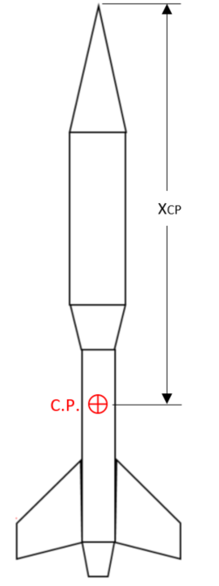
1. Point of the nosecone is "sharp"
2. Fins are flat plates with no canting
3. Angle of attack of the rocket is nearly zero
4. Rocket velocity is subsonic
5. Rocket is axially symmetric

Instructions
1. Fill out the cells in the Figure tab with pertinent dimensions.
2. In the Barrowman tab, select options per instructions.

At the bottom of the Barrowman tab, the position of the C.P. is given as XCP

Figure
 | Instructions | It is recommended to clear all cells 1st (see instructions)
 | 1. Clear all the cells in the figure. This is easily done by high-lighting
 | all the cells within the dashed lines, then hit delete key.
 | 2. Enter all pertinent dimensions. If no transition or boattail, leave these |  |  | 1.2
 | cells blank.

LN = | length of nosecone |  | 0.4
d = | diameter at base of nosecone |  |  |  |  | 6
dF = | diameter at front of transition
dR = | diameter at rear of transition |  |  |  |  |  | 6
LT = | length of transition
XP = | distance from tip of nose to front of transition |  |  |  |  |  |  | 7.2
CR = | fin root chord |  | 0.4
CONICAL TRANSITION
CT = | fin tip chord
N = | number of fins (3 or 4) |  | 0.4
S = | fin semispan
R = | radius of body at aft end |  |  | 0.8 | 0
XR = | distance between fin root leading edge and fin tip leading edge parallel to body
XB = | distance from nose tip to fin root chord leading edge |  | 0.2
dFB = | diameter at front of boattail
dRB = | diameter at rear of boattail |  | 0.2 |  |  |  | 0.05
LTB = | length of boattail
Units must be millimetres
XPB = | distance from tip of nose to front of boattail
BOATTAIL
 | Note: conical transition can be either shape shown below: |  |  |  |  | 0.7
 |  |  |  | 0.4 |  |  | 0.8
 |  |  |  | 0.25

