Notes
Topic | Date | Notes | Reference
Drag | 2025-05-08 | Drag- Two types I can consider. Induced and Parastic drag. Maybe, I can ignore induced drag because I may assume alpha or angle of attack to be zero. Induced drag comes from downwash caused by the vortices from the tip of the airplane wings, for example. So, induced drag happens only when there is a lift (difference in pressure between above the wing and below the wing at the edge of the wing causes air to flow upward and cause vortex). If there is no lift, there is no vortex created, no energy is spent on creating in, and NO induced drag. Take a look at video 4. Think of the rockets like the airfoil in the video. Thererfore, for rockets, induced drag is created when the rocket flies at an angle where the body is angled against the velocity vector, so if I assume that the rocket will fly straight and stable, I can ignore this induced drag. <<< note that I think of rocket as a symmetric airfoil like in the video. Then, no lift at angle of attack 0 makes sense. Parasitic Drag comes from skin friction and form drag. Depending on the shape of the object, either the skin or the form drag could dominate the other and I can consider only one of them. Maybe for my rocket I can divide the rocket into a few body parts and consider different parasitic drag. (i.e. Nosecone: consider profile, Body and fin: Skin Friction)? Will this work? For Rockets, "At subsonic speeds, skin friction is normally the largest contributor to overall drag" (Ref 1). "At subsonic speeds, pressure drag normally contributes only slightly to the overall drag" (Ref 1). "The base area of a rocket produces form drag caused by the wake trailing behind the rocket. During powered flight, base drag is significantly reduced at high altitude as the wake tends to get filled by the expanding exhaust from the engine" (Ref 1). Lets ignore profile, inteference and base drag for now and consider Skin friction only. | 1. http://www.braeunig.us/space/aerodyn_wip.htm (Explains when Induced Drag Occurs) 2. http://ftp.demec.ufpr.br/foguete/bibliografia/Apogee%2016%20What%20is%20the%20best%20fin%20shape.htm#:~:text=Induced%20drag%20only%20occurs%20when,rocket%20may%20be%20near%20zero ( Explains when I may ignore induced drag, when alpha or angle of attack is zero) 3. https://www.youtube.com/watch?v=MnB6Lqr91Yc (Explains what induced drag is) 4. https://www.youtube.com/watch?v=aP8jvyD1Ovc (Demonstrates when induced drag occurs vs not. 8:00)
 |  | For Force analysis on the rocket, I can refer to Ref 1. My analysis came out to be the same. | 1. http://www.braeunig.us/space/aerodyn_wip.htm
 |  | Center of Pressure and Aerodynamic center - Center of pressure is where Lift and Drag happens, but the issue is that CP changes any time Angle of attack changes. The aerodynamic force, CP, and thus moment changes everytime the angle of attack changes. So Engineers use Aerodynamic center for convenience. Aerodynamic center (AC) is fixed, and we can apply the Lift and Drag force on the Aerodynamic center (AC). This makes it easier to analyze pitch moments. But we have to remember to add M_ac or the moment applied at the aerodynamic center ( this moment compensates us moving the Lift and drag from the CP to AC). Watch the video in Ref 1 for full explanation. Remeber the Force on a beam analogy. For moving the Force to another point, we add an additional moment on the new point. The quantity of the moment is the distance between the original point and the new point times the force. For the rocket, since the change in angle of attack is not too great, which means the CP won't move as much, I can stick to finding the CP when alpha is 0 using barrowman's method and apply lift and drag at the found CP. Or according to Ref 1: "When computing the stability of a rocket, we usually apply the aerodynamic forces at the aerodynamic center of airfoils and compute the center of pressure of the vehicle as an area-weighted average of the centers of the components." | 1. https://www.youtube.com/watch?v=s1fgWfyfKVQ
 | 2025-05-14 | Use Ref 1 Fig 3.11 and equation table below for computing drag GOLDEN! | 1. http://www.braeunig.us/space/aerodyn_wip.htm
 |  |  | 
 | 2025-06-13 | Assumptions for using Barrowman method: 1. Flow over rocket is smooth and frictionless: in reality it is not smooth. The Net affect can be considered to be minor wrt accuracy of the method. 2. Flow over rocket is subsonic. 3. Angle of attack is small. 4. Nosecone tip is sharp. 5. Rocket consists of either 3 or 4 fins. 6. Fins are thin flat plates. | 1. https://www.nakka-rocketry.net/RD_Appendix_B.html
Lift | 2025-05-14 | Although lift is used to help stabilize a rocket and control its attitude, it has minimal effect on a rocket's position relative to time. For basic flight analysis and simulation, in which we want a general determination of a rocket's trajectory and payload capacity, lift can usually be ignored. | 1. http://www.braeunig.us/space/aerodyn_wip.htm
Thrust Modeling | 2025-05-14 | I used B6-4 Engine for the first rocket. For nomenclature refer to Ref 1. Note: The motor first the second time after engine cuts off so that it can pop the nose out and deploy a parachute. This is what the Ref 1 refers to as "the firing of the ejection charge". | 1. https://www1.grc.nasa.gov/beginners-guide-to-aeronautics/model-rocket-engine-designation/
 |  | Use Ref 1 for Thrust curve for Sim | 1. https://www.thrustcurve.org/motors/Estes/B6/
 | 2025-08-20 | Should I be considering mass reduction of model rocket engine?
Moment of Inertia | 2025-05-16 | Experimental Way of determining Moment of Inertia in Ref 1. Try figuring it out both analytically and experimentally and compare. | 1. https://ideaexchange.uakron.edu/cgi/viewcontent.cgi?article=1608&context=honors_research_projects
 | 2025-06-21 | I tried to replicate the experiment using the LED light switch. However, the error between the experiemnt MMOI and analytical MMOI was larger from my experiment than the error presented by the experiement done in the paper. I think the errors are larger because this remote controller's mass is not evenely distributed like a simple block, and for the analytical method I used a simple block formula to determine the analytical MMOI
Wind | 2025-08-21 | I am assuming a constant wind speed to the x direction at 5mph. I need to incorporate it to the sim. I first added wind speed when I am calculating u and w. Wind shouldn't directly add or subtract to the x speed of the rocket.I need to study more on how it impacts the rocket dynamics.
 | 2025-08-25 | 2. maybe wind can just be added or subtracted by the speed. Think about how this problem incorporates airplane speed, relative velocity and wind speed. 1. as shown in 8:10, the drag depends on the Relative velocity (V_rel or watch 3:20). So recalculate Drag and Lift. Let me think about this more. 3. I think this third video summarizes most of it. | 1. https://www.youtube.com/watch?v=1P14X-Y70wo&list=PLcmbTy9X3gXs4JVXYucrMz5bJ4ZuaEGJ_&index=4 2. https://www.youtube.com/watch?v=FIPhwp-V2RQ 3. https://www.youtube.com/watch?v=4kaK569ug9Q&t=980s
 | 2025-08-26 | Maybe just adding the wind speed to vx ( if I assume wind is blowing towards x direciton) is correct for the sim. The reason why I got high variation (90 to 0 degrees) in theta is maybe because I didn't modulo divide it?

Sim Improvements
Topic | Date
Incorrect Maximum speed estimation | 2025-08-12 | The initial version of the simulation successfully ran. Its max height estimation was pretty good as 44.44m while the actual flight reached 45 m. The max speed was off. Sim predicted 38.82 m/s while the actual flight max speed was 27 m/s. I began looking at why this number was off. I noticed the Thrust time, Coast to apogee values were off too. The first picture shows the difference. So I thought I should try to fix that first becuase I wasn't too confident on how i interporlated thrust data and used in the ODE. (see second picture: the lines look a little off from the dots that represents the data). This interpolation i tried to find the interpolation function in between each dots myself by guessing whether its a linear or expoenntial, etc using curve_fit function. So, I ended up manually putting the equations into ode using if statement (i.e. if t < 0 and t < 0.171 then ax+b...). That resulted in the interpolation in the second graph. As an alternative, I used scipy.interpolate.interp1d. This function interpolates the entire data on its own without having me guess anything. It produced a better interpolation as shown in third picture. This also improved the max height and speed estimation. | 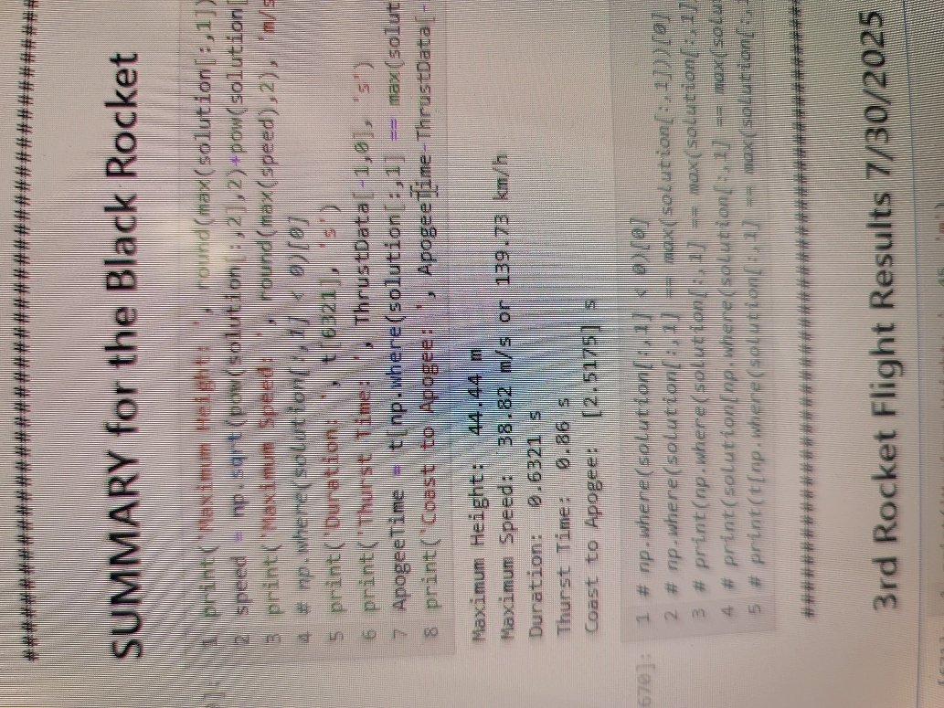 | 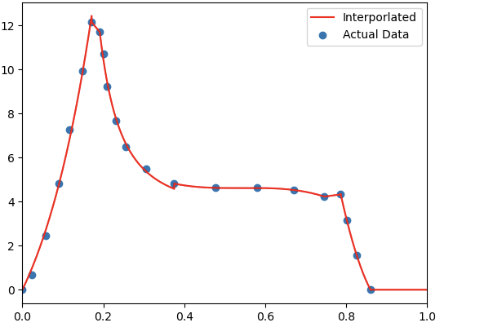 | 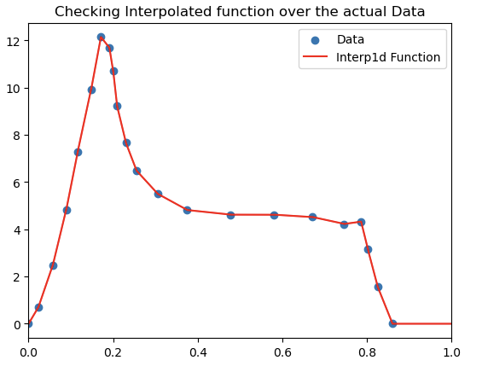 | 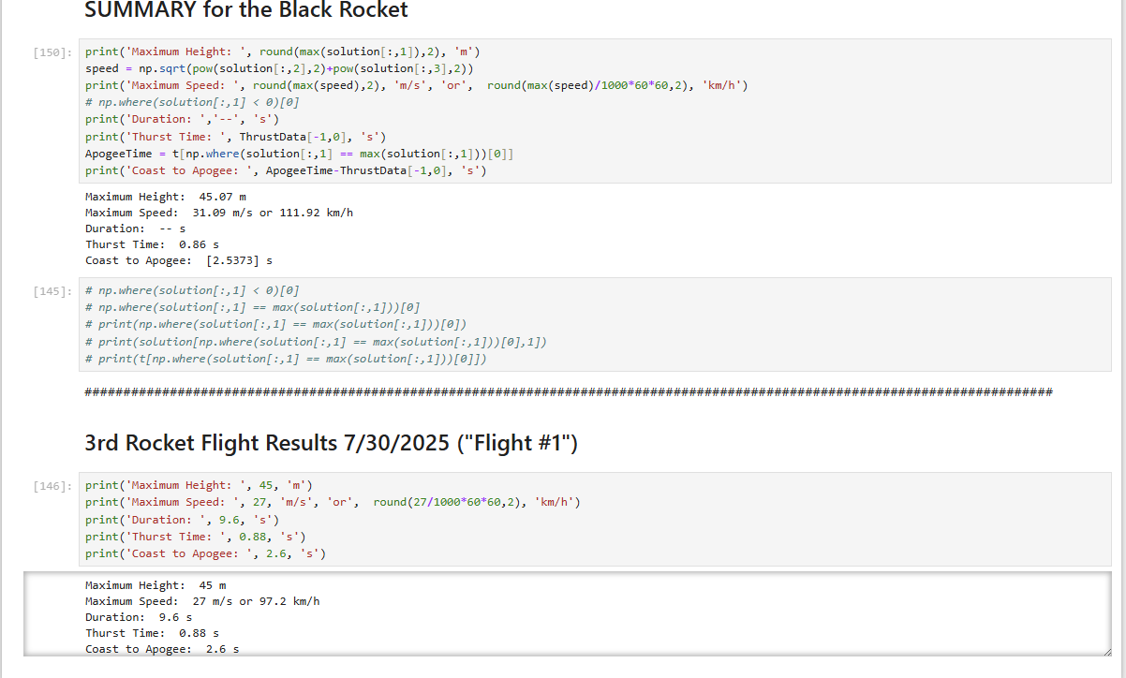
 | 2025-08-15 | Maybe the speed is higher than the actual flight because the max speed for the sim happens at its descent. The sim doesn't account for parachute. Refer to First picture on the right. A little after apogee, the parachute ejects (Refer to the second picture). In contrast, the graph in the first picture and the sim has the rocket free fall. FIX: zeroed out the speed data from descent phase of the flight. Check the third picture for the graph. This Gave me more accurate speed! check the fourth picture. | 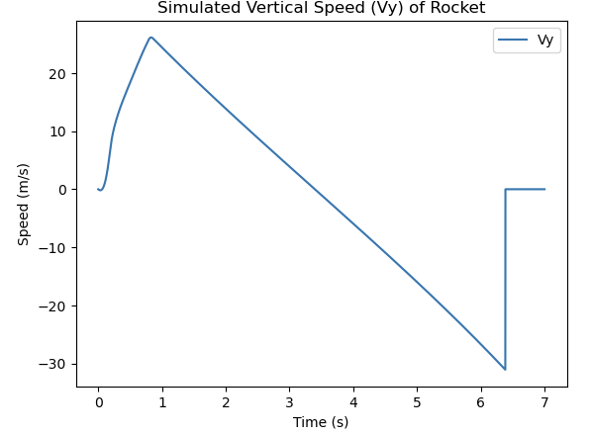 | 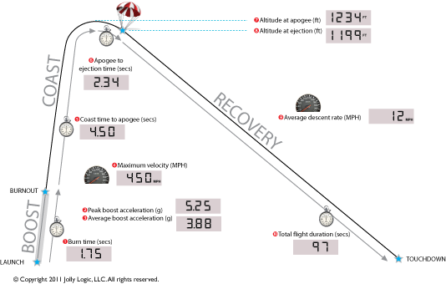 | 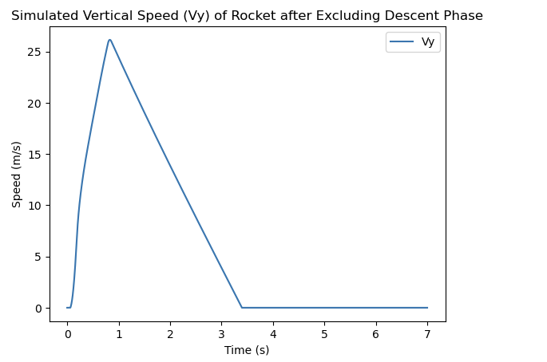 | 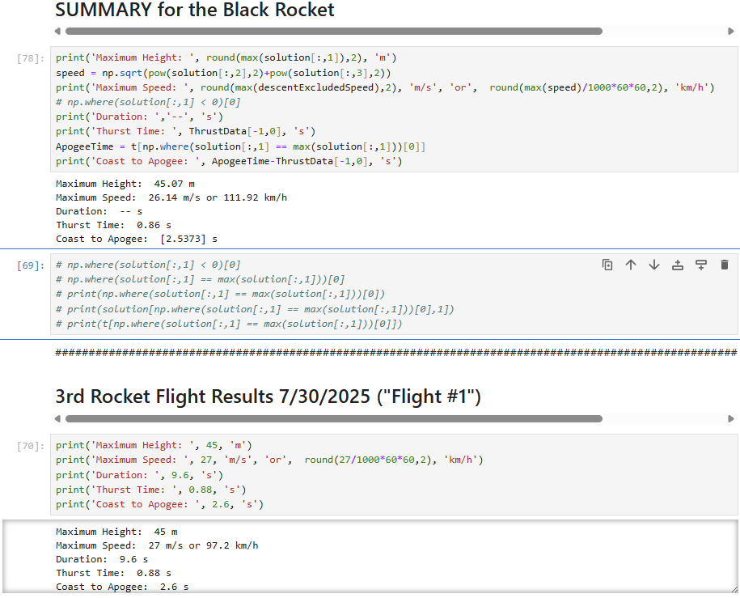
Alpha incorporation | 2025-08-19 | I have added alpha calculation and incorporated to the sim, but I am not sure how to check if its correct yet. | 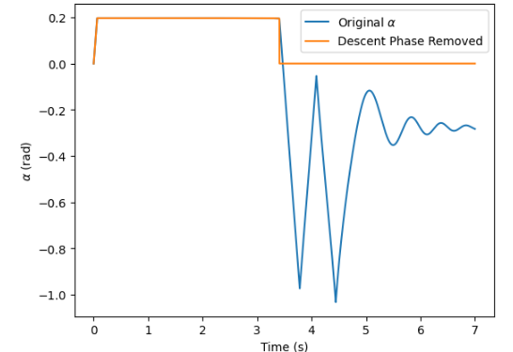
Wind Incorporation | 2025-08-21 | Wind or theta calcualtion is wrong. Although in the actual flight, the rocket stayed relatively vertical up until apogee, here, the rocket is tilting a lot throughout its ascent. | 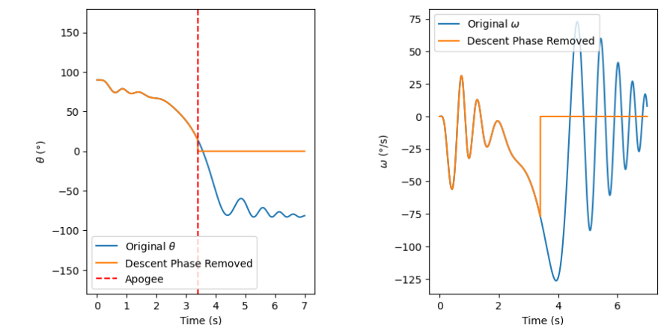
 | 2025-08-28 | In an attempt to figure out whether theta is correct against the wind condition, I tried to replicate this simulation with a commonly used sim online: Openrocket Simulation. I tried to replicate the rocket condition I used for my sim in the openrocket sim and the results are pretty similar regarding max speed and height (refer to the first figure on the right) | 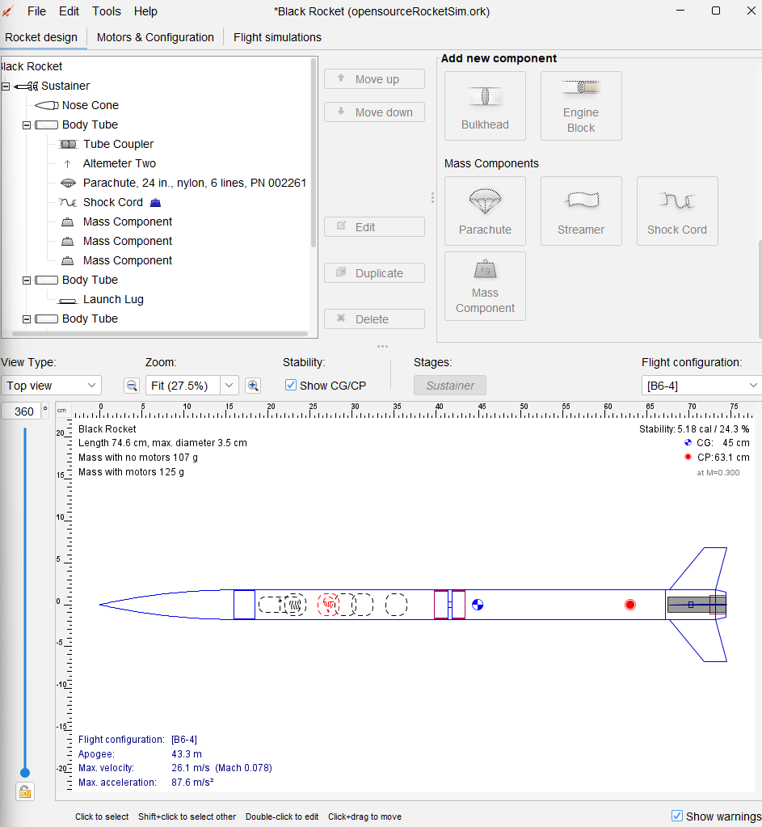
 |  | Theta follows a very similar trend as my theta results from the sim, but openrocket sim drops much less. Need to look into this. 1st: openrocket sim. 2nd pic: my sim | 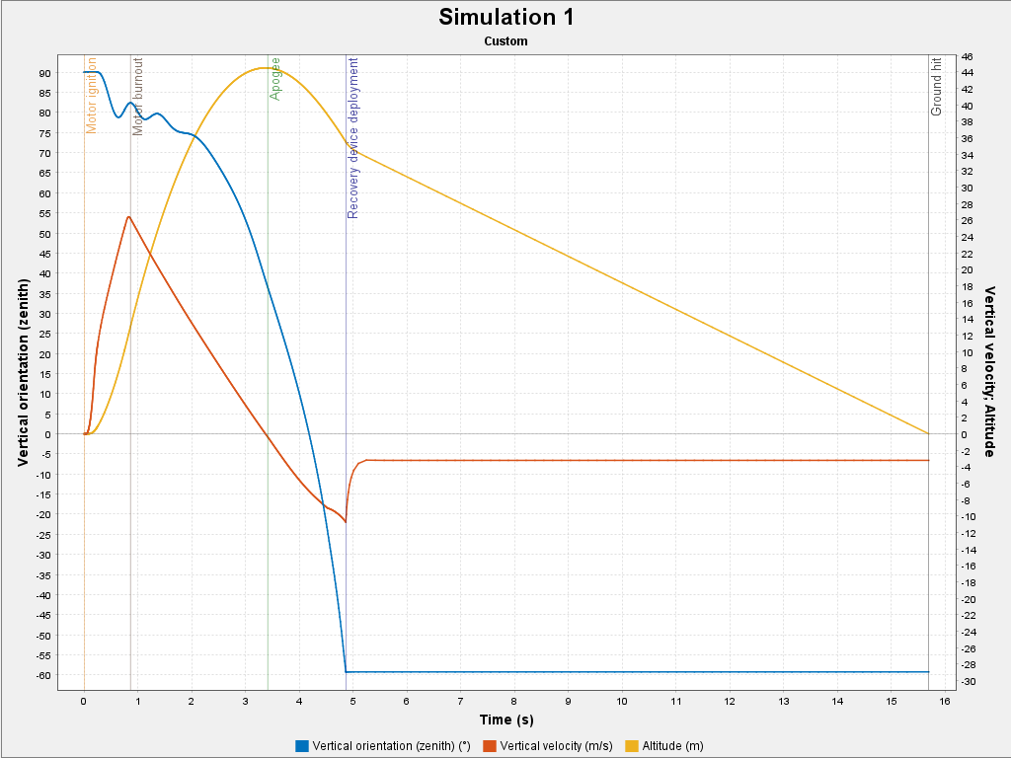 | 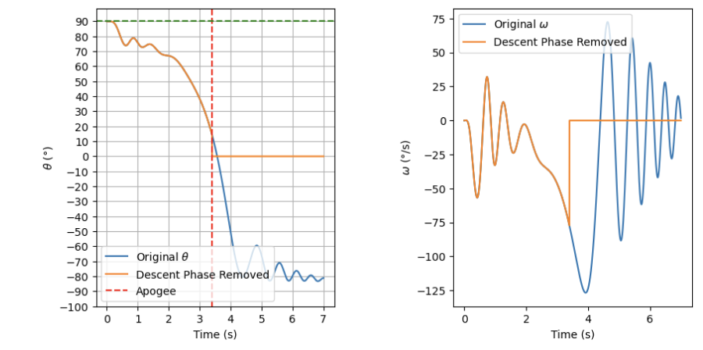
 |  | x-direction and alpha looks wrong. I get that alpha should start at 90, but my sim doesn't drop down to 0 as it should as in the openrocket sim.
 | 2025-09-05 | Comparing Openrocket simulation and my rocket simulation, I see a few results that are different. My sim travels much further and faster in x direction. 2. alpha goes down to negative in my sim while opensim always stays in the positive. 3. theta drops at a much faster rate in my sim than openrocket sim My take on the figuring out the issue: 1. Think about what affects the side x distance and x velocity ( Wind and x-direction ode's) 2. let's check if the wind the conditions on both simulations are the same. ( wind speed and direction looks fine) 3. speed of sound is 1 m/s less for my sim than that in openrocket sim and in open rocket sim the speed of sound varies throughout simulation. I set it to about 353 m/s from the original 352 m/s I used, but it didnt make any difference. 4. I also tried to use the same moment of inertia (Ig or Longitudinal moment of inertia as Openrocket sim calls it), but it didnt make a difference. 5. Maybe the issue is the Normal force coefficient ( Cl * alpha). in my sim I dont account for the rocket traveling along the launch rod without the interference of the (check the picture in the fourth picture). The normal force coefficient at the very beginning of the launch in the openrocket sim is nonexistent while mine exists and is high. my sim experiences the wind longer than openrocket sim. 5. I tried forcing alpha to be 0 while it travels along the launch rod. The result looks better: refere to the first picture on the 2nd row. The theta is decreasing less in my sim and lateral travel distance and speed is less and much closer to the openrocket sim results. | 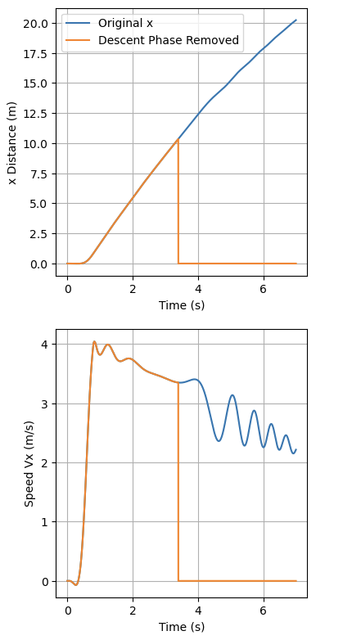 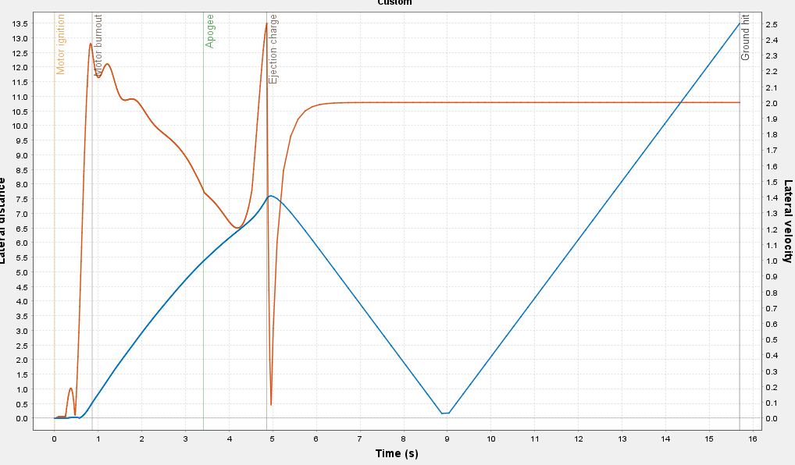 | 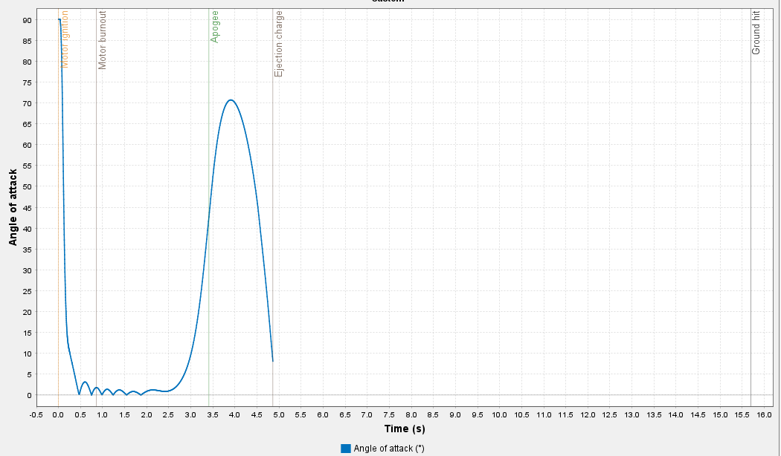 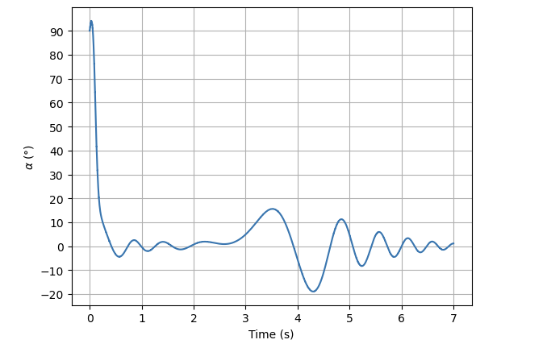 | 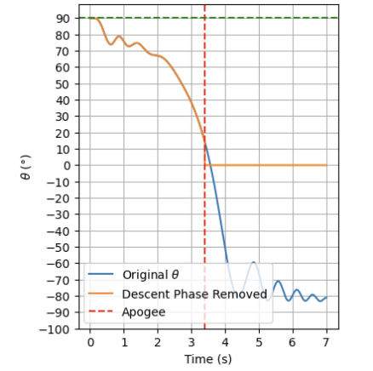 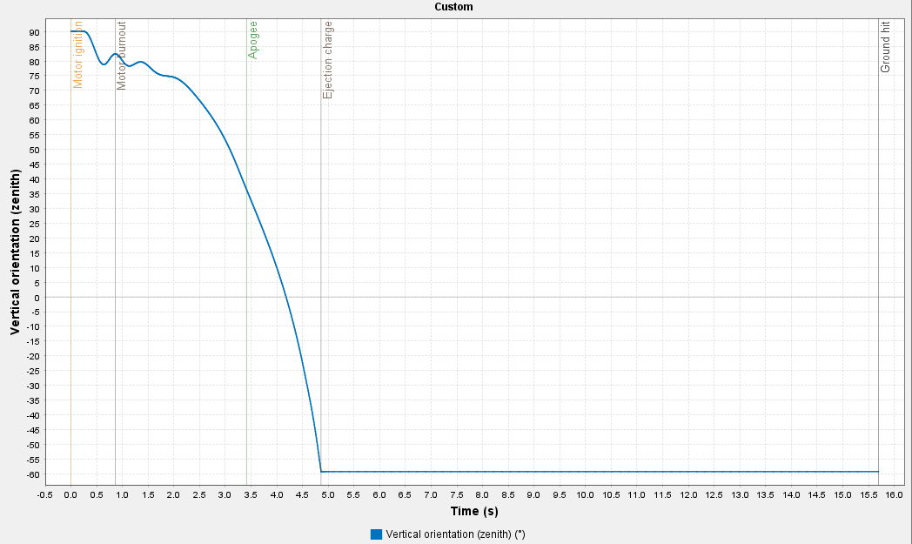 | 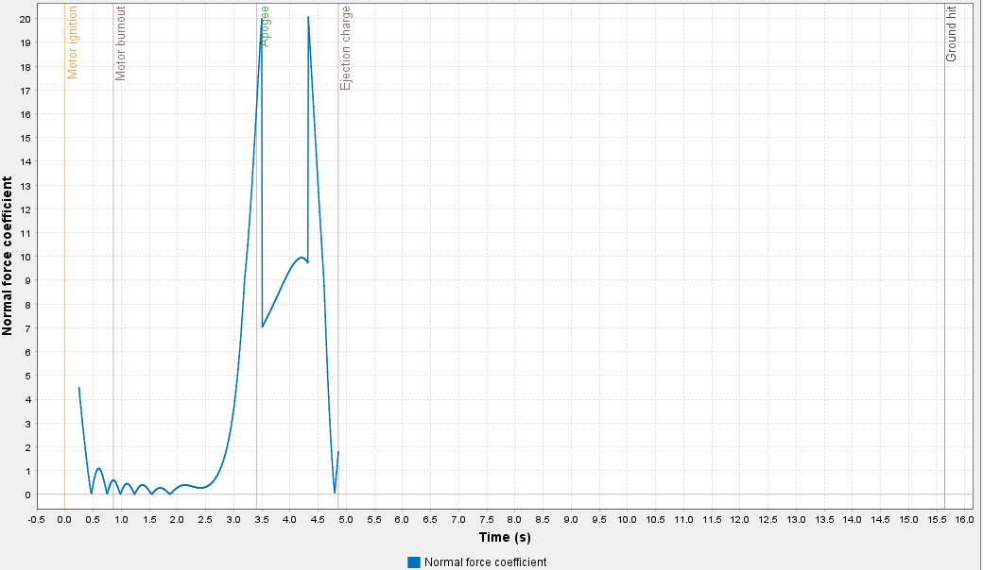 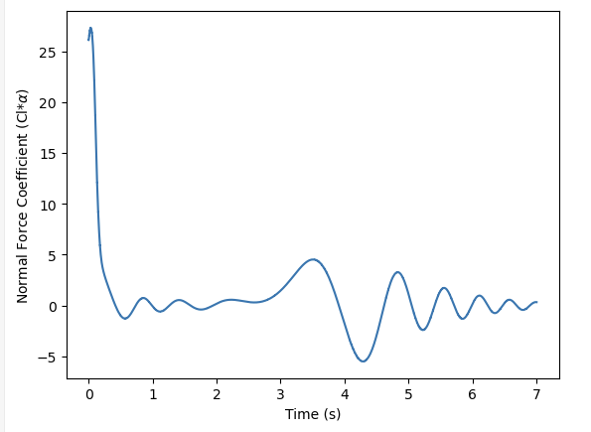
 |  |  | 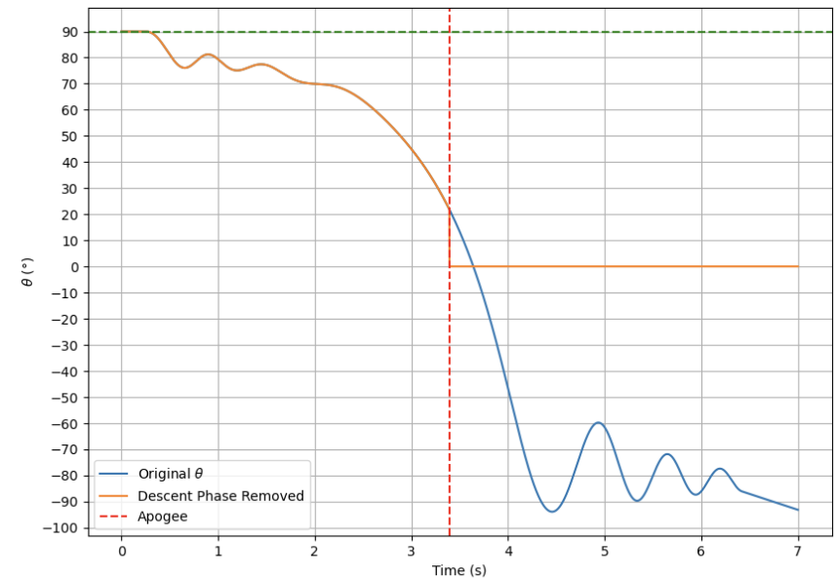 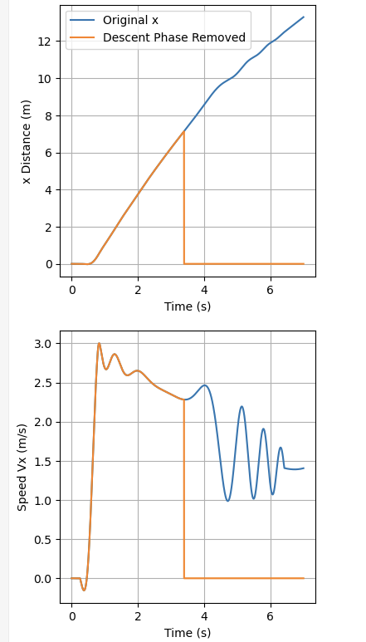
 |  | The result is better after considering the launch rod, but now, the speed is closer and is slightly still higher, 3 vs 2.6 m/s, and x-distance is shorter for my sim (7m) than openRocket(8.44 m). Maybe I should now consider reduction in mass. (this didn’t really help) | 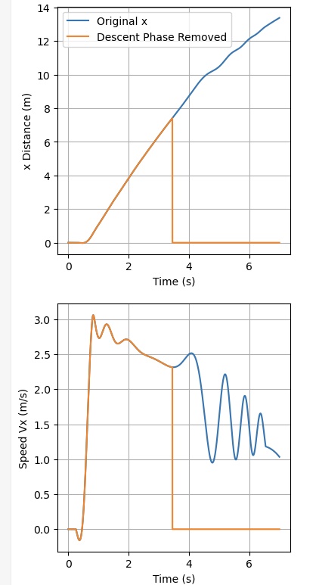 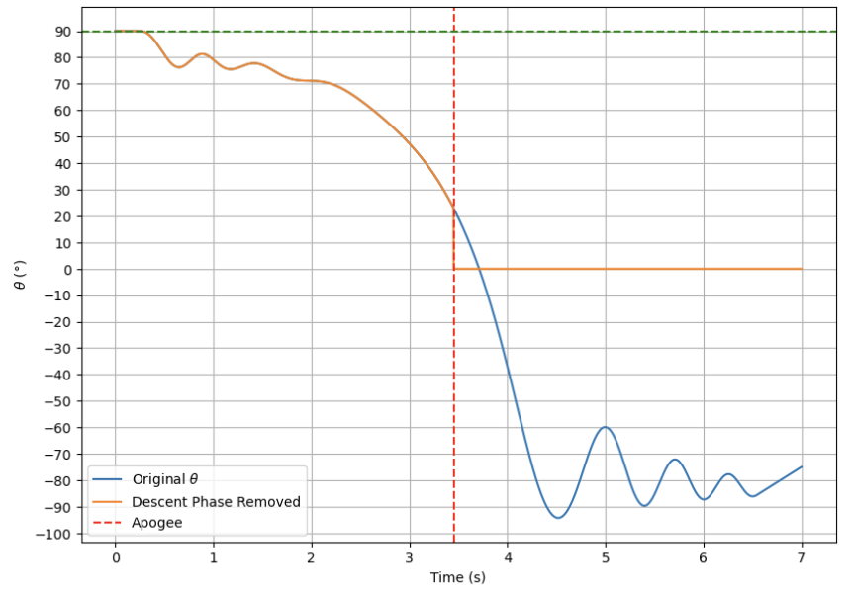
 | 2025-09-06 | None of the above potential issue worked. X velocity is still a bit more higher. Let's investigate more. What else could be the issue? 1. thetadot ode equation. 2. alpha never goes to 0 and negative in OpenRocket, but mine does why? I first tried setting wind speed to 0 and see if results from both sim looked correct. On my sim, the alpha looked wrong. Refer to the picture on the 5th cell. the alpha jumps to 180 degrees during its launch rod phase when it shouldn't. This means body speed 'u' goes to negative when it shouldn't. | 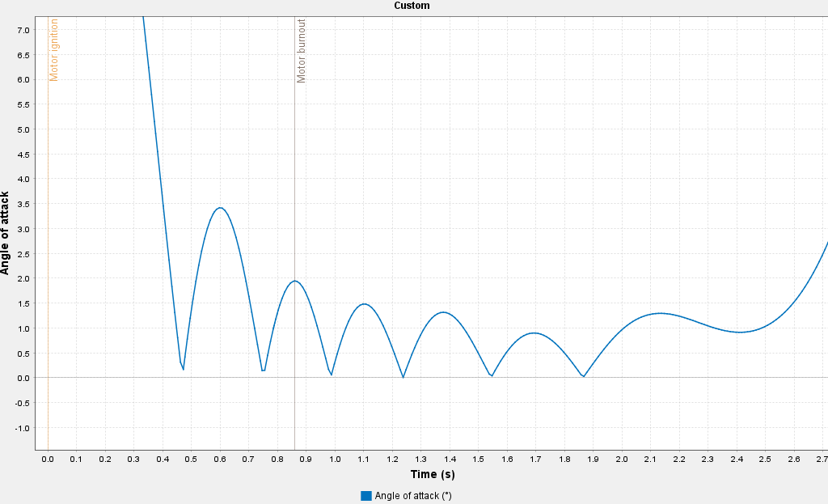 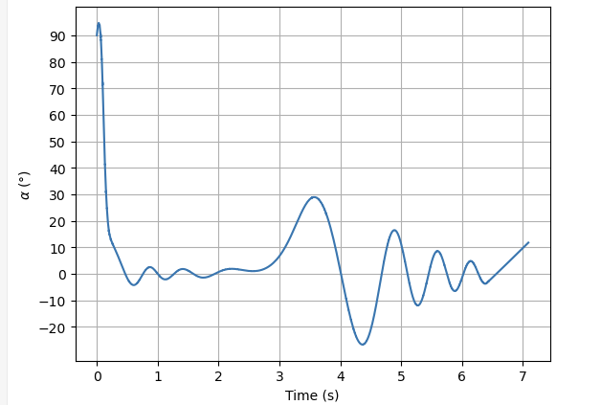 | 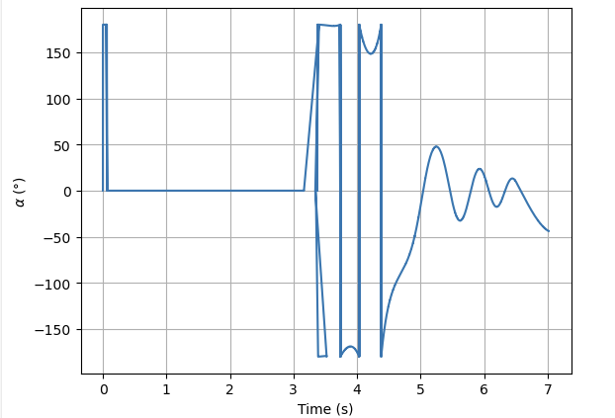 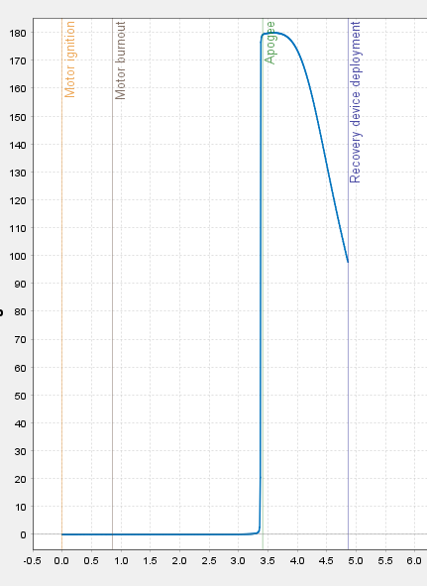 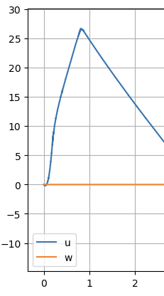
 | 2025-09-08 | It looks like alpha is 180 degrees at the beginning when u is negative, and 'u' beccomes negative when Vy is negative. Theta is 90degrees all throughout the simulation for the situation I am looking at with no wind. This means there is an issue with the dvydt ODE. Let me explore that today.> it looks like y position goes slightly to the negative and causes all this issues. after looking at the code, it seems like i need to fix if statement for dvydt. i get negative acceleration for a bit at the start. Think about gravity sitaution before launch again. Solution: I changed my dvydt if statement to the equation in the figure in the first cell on the right. I originally had the code in the figure in the second cell. Basically I had to make the rocket to lift off only when it overcomes gravity or the upward force is greater than the gravity pulling on the rocket.
 | 2025-09-13 | With 5 mph wind, alpha at the beginning is weird. I had implemented if statement to make sure acceleration is 0 until the thrust force overcomes gravity or the normal force. Ideally, after liftoff, it should continue in the "liftoff" if statement, but it is going back and forth between the two if statements. I also looked at acceleartion, I am not sure why dvydt goes to 0 in the beginning. ChatGPT sounds right for the cause for jumping back and forth at the beginning. I at least fixed the liftoff and ground jumping issue by changing the if statement. As chat GPT says original condition statement "state_vectors[1] <=0" leaves a room for solvers that take zero as a very small numbers like 1e^-16 that is not technically 0. So, I added liftoff flag. Then, when the liftoff flag is off (meaning the rocket is on the ground) and the "upward force" is less than the gravity, acceleration and velocity is 0. Also, while liftoff flag is off, but the upward force is greater than the gravity, THEN the ode is triggered and we start getting velocity and acceleration. This also turns on the liftoff flag and allows the sim to continuously use the ode for calculation. This is needed because the "upward force" becomes less than the gravity after the rocket's apogee and the rocket starts to fall to the ground. | 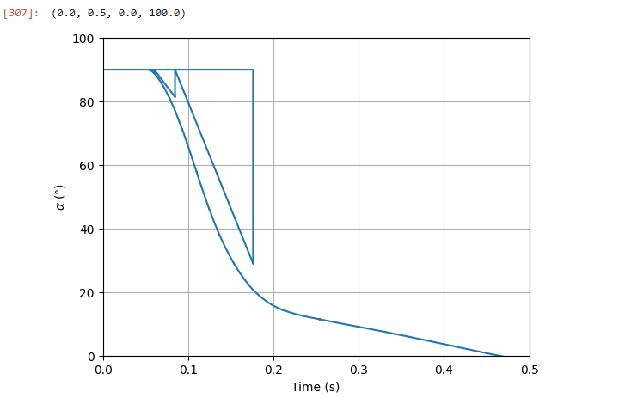 |  | 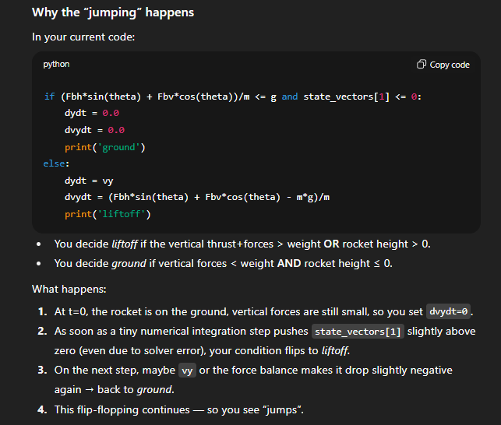 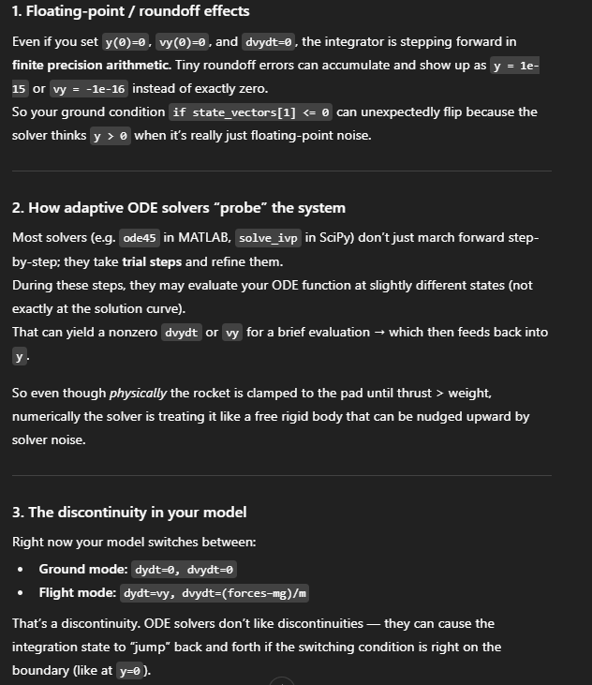 | 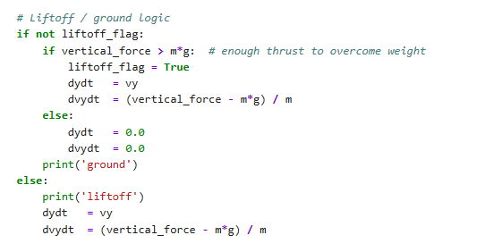
 | 2025-09-15 | 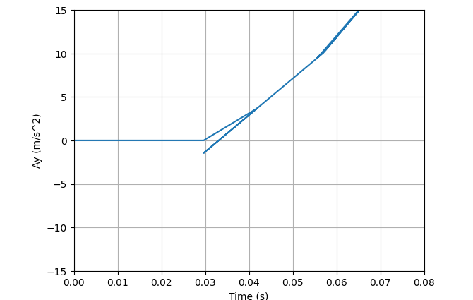 There are two values recorded at a single time point. I think Chat GPT has a point. The fact that I am recording values inside the ode function causes this double value. It records both the accepted and non-accepted values. Solution: I have been having double values because I was recording both accepeted and nonaccepted values that solver computes in the ode. Instead, I should calculate 'u', 'w', and alpha from the solution and not inside the ODE value. | 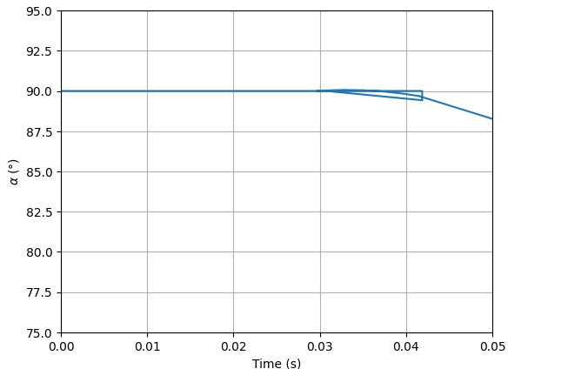 | 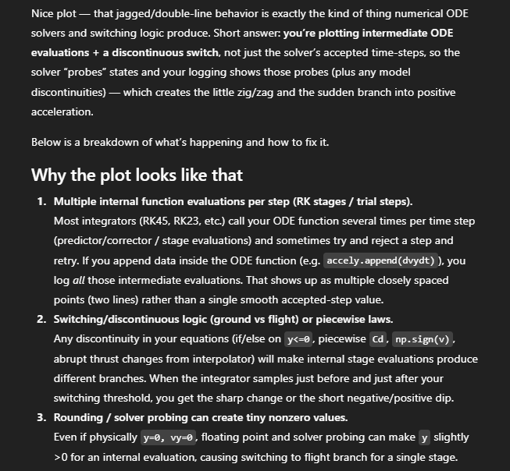
 |  | Why would Vx be negative at the start? OpenRocket sim result always has Vx as positive throughout the flight. Actually looking at the second graph, maybe the openrocket only shows magnitude of Vx. If I observe "lateral direction" I see the rocket pointing towards negative x at the beginning when my graph's Vx goes to negative. | 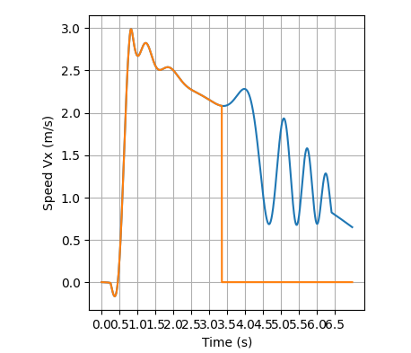 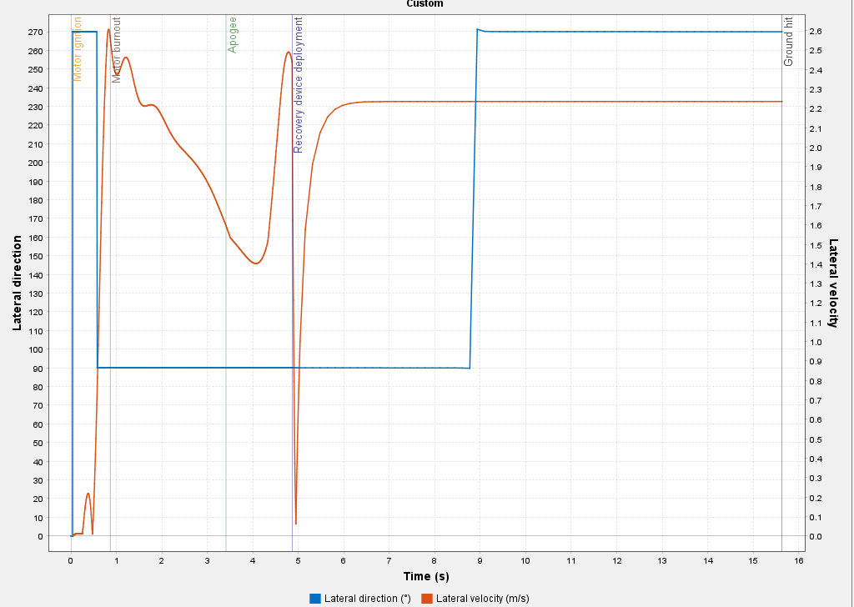
 |  | Now let's try to fix why Vx is higher and theta drops are greater for my sim than the openrocket sim. Maybe the theta ODE equation is wrong. Like chat gpt says, I might be missing a moment term. Let me look back at the notes from airplane course.

