Venues
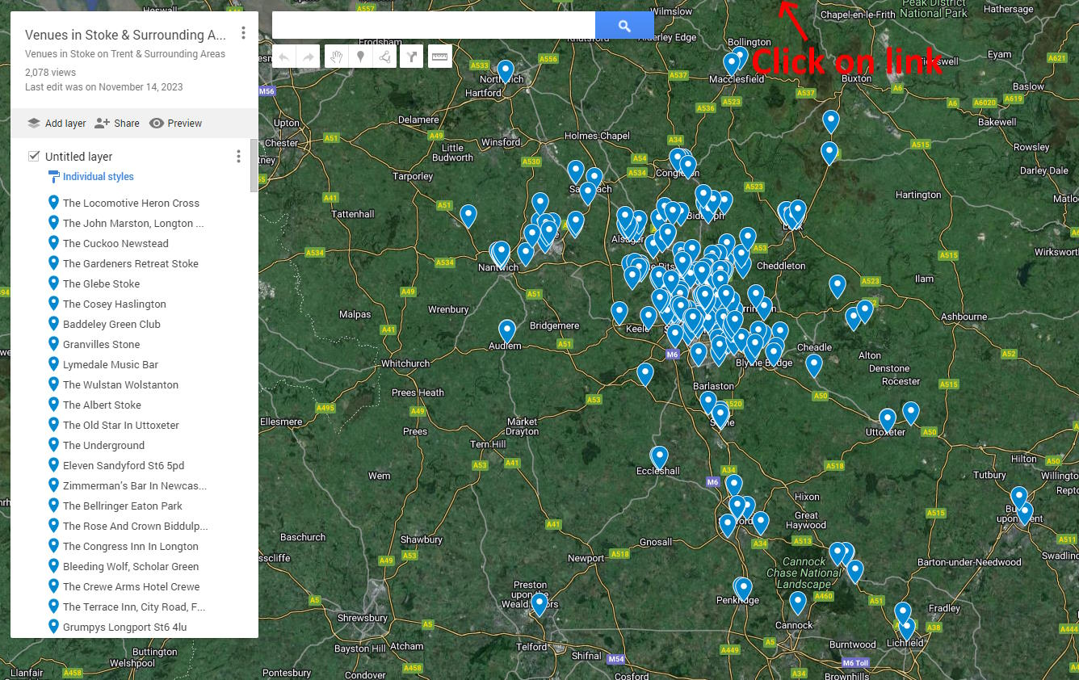
Venues in Stoke and Surrounding Areas | Venues in Stoke and Surrounding Areas | Venues in Stoke and Surrounding Areas | Venues in Stoke and Surrounding Areas | Venues in Stoke and Surrounding Areas | Venues in Stoke and Surrounding Areas

