Attention
Attention:
B200: flashinfer
python benchmarks/flashinfer_benchmark.py \ --routine BatchMLAPagedAttentionWrapper \ --backends trtllm-native \ --page_size 32 \ --batch_size 16 \ --s_qo 1 \ --s_kv 8192 \ --num_qo_heads 128 \ --num_kv_heads 1 \ --head_dim_ckv 512 \ --head_dim_kpe 64 \ --q_dtype fp8_e4m3 \ --kv_dtype fp8_e4m3 \ --num_iters 100 \ --dry_run_iters 10 \ -vv
MI355 Aiter
python op_tests/test_mla_persistent.py \
-d fp8 -kvd fp8 \
-c 8192 \
-b 16 \
-n 128,1 \
-k 512 -qn 512 -qr 64 -vh 512 \
-blk 1 \
-ms 32
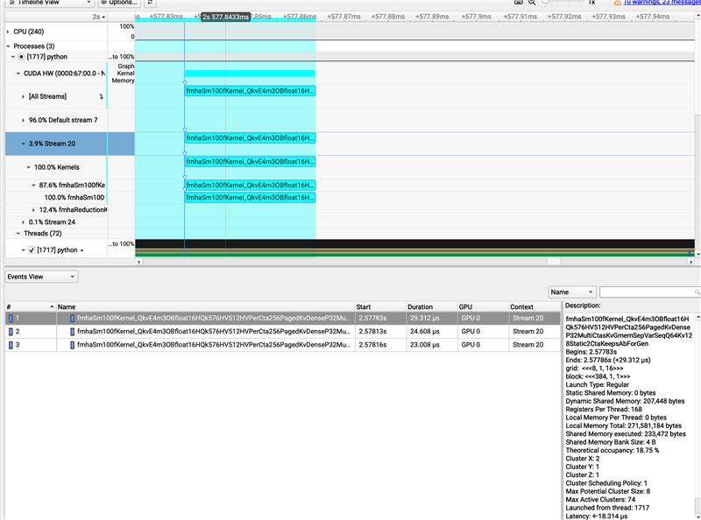
Qlen | KVLen | Qheads | KVHeads | Batch | Duration-MI355(us) | Duration-B200(us) | Ratio
1 | 8192 | 128 | 1 | 1.00 | 29.5711 | 16 | 1.84819375
1 | 8192 | 128 | 1 | 2.00 | 33.3271 | 18 | 1.8515055556
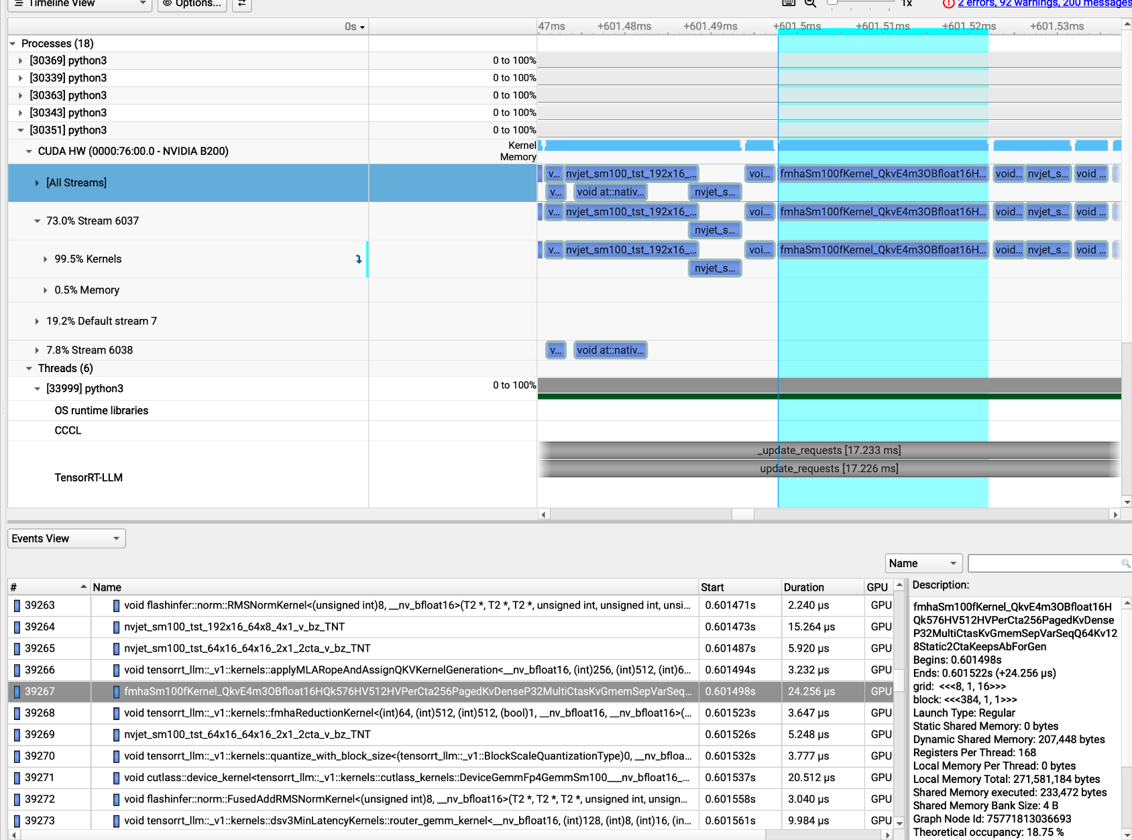
1 | 8192 | 128 | 1 | 4.00 | 32.8712 | 19 | 1.7300631579
1 | 8192 | 128 | 1 | 8.00 | 38.4713 | 22 | 1.7486954545
1 | 8192 | 128 | 1 | 12.00 | 46.7073 | 27 | 1.7299
1 | 8192 | 128 | 1 | 16.00 | 55.2839 | 32 | 1.727621875
1 | 8192 | 128 | 1 | 24.00 | 70.3235 | 42 | 1.6743690476
1 | 8192 | 128 | 1 | 32.00 | 85.8915 | 51 | 1.6841470588
1 | 8192 | 128 | 1 | 48.00 | 117.2 | 70 | 1.6742857143
1 | 8192 | 128 | 1 | 64.00 | 151.6 | 74 | 2.0486486486
1 | 8192 | 128 | 1 | 96.00 | 214.5 | 136 | 1.5772058824
1 | 8192 | 128 | 1 | 128.00 | 282.3 | 140 | 2.0164285714
1 | 8192 | 128 | 1 | 256.00 | 565.4 | 283 | 1.9978798587
1 | 8192 | 128 | 1 | 512.00 | 1108.9 | 544 | 2.0384191176

Attention Full
Qlen | KVLen | Qheads | KVHeads | Batch | Duration-MI355(us) | Duration-B200(us) | tflops-mi355 | tflops-b200
1 | 8192 | 128 | 1 | 1 | 29.5711 | 16 | 77.159841061 | 142.606336 | mla_a8w8_qh128_m32x4_n16x2_msk0_ps
1 | 8192 | 128 | 1 | 2 | 33.3271 | 18 | 136.92768804 | 253.52237511
1 | 8192 | 128 | 1 | 4 | 32.8712 | 19 | 277.65355399 | 480.35818442
1 | 8192 | 128 | 1 | 8 | 38.4713 | 22 | 474.47346484 | 829.70959127
1 | 8192 | 128 | 1 | 12 | 46.7073 | 27 | 586.21278712 | 1014.0895004
1 | 8192 | 128 | 1 | 16 | 55.2839 | 32 | 660.35901982 | 1140.850688
1 | 8192 | 128 | 1 | 24 | 70.3235 | 42 | 778.69891322 | 1303.8293577
1 | 8192 | 128 | 1 | 32 | 85.8915 | 51 | 850.07764484 | 1431.6557653
1 | 8192 | 128 | 1 | 48 | 117.2 | 70 | 934.48520519 | 1564.5952293
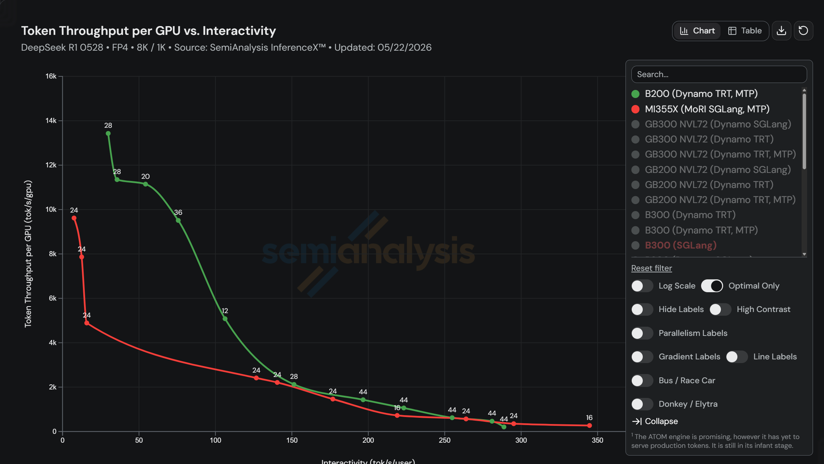
1 | 8192 | 128 | 1 | 64 | 151.6 | 74 | 963.25124053 | 1973.3633522
1 | 8192 | 128 | 1 | 96 | 214.5 | 136 | 1021.1810354 | 1610.612736
1 | 8192 | 128 | 1 | 128 | 282.3 | 140 | 1034.5652714 | 2086.1269723
1 | 8192 | 128 | 1 | 192 | 451 | 206 | 971.36732637 | 2126.6342922
1 | 8192 | 128 | 1 | 256 | 565.4 | 283 | 1033.1014366 | 2064.0125521
1 | 8192 | 128 | 1 | 512 | 1108.9 | 544 | 1053.504468 | 2147.483648
2 | 8192 | 128 | 1 | 1 | 42.4794 | 22 | 107.42625254 | 207.42739782
2 | 8192 | 128 | 1 | 2 | 47.4195 | 20 | 192.46945885 | 456.3402752
MTP1
DP Attention True
2 | 8192 | 128 | 1 | 4 | 47.835 | 23 | 381.5952965 | 793.63526122
2 | 8192 | 128 | 1 | 8 | 55.5591 | 29 | 657.08807407 | 1258.8697247
2 | 8192 | 128 | 1 | 12 | 69.4114 | 38 | 788.93140066 | 1441.0745533
2 | 8192 | 128 | 1 | 16 | 87.9396 | 46 | 830.27946491 | 1587.2705224
2 | 8192 | 128 | 1 | 24 | 119.2 | 65 | 918.80592322 | 1684.9487084
2 | 8192 | 128 | 1 | 32 | 156.3 | 67 | 934.28591212 | 2179.5356427
2 | 8192 | 128 | 1 | 48 | 218.6 | 126 | 1002.0280517 | 1738.4391436
2 | 8192 | 128 | 1 | 64 | 283.7 | 128 | 1029.4599088 | 2281.701376
2 | 8192 | 128 | 1 | 96 | 439.9 | 191 | 995.8778454 | 2293.6474565
MTP3
DP Attention True
2 | 8192 | 128 | 1 | 128 | 554 | 257 | 1054.3602026 | 2272.8231605
2 | 8192 | 128 | 1 | 192 | 893 | 395 | 981.15714265 | 2218.160325
2 | 8192 | 128 | 1 | 256 | 1129.3 | 472 | 1034.4736602 | 2475.0658994
2 | 8192 | 128 | 1 | 512 | 2156.5 | 980 | 1083.4510591 | 2384.1451112
4 | 8192 | 128 | 1 | 1 | 21.1711 | 20 | 431.09736877 | 456.3402752 | mla_a8w8_qh16_qseqlen4_gqaratio16_v3_ps
4 | 8192 | 128 | 1 | 2 | 25.0551 | 22 | 728.53874093 | 829.70959127
4 | 8192 | 128 | 1 | 4 | 32.2674 | 28 | 1131.3964564 | 1303.8293577
4 | 8192 | 128 | 1 | 8 | 48.896 | 43 | 1493.2600628 | 1698.0103263
4 | 8192 | 128 | 1 | 12 | 70.2599 | 64 | 1558.8075993 | 1711.276032
4 | 8192 | 128 | 1 | 16 | 81.816 | 64 | 1784.8451167 | 2281.701376
4 | 8192 | 128 | 1 | 24 | 129.4 | 122 | 1692.7614536 | 1795.4371483
MTP3
DP Attention False
4 | 8192 | 128 | 1 | 32 | 205 | 125 | 1424.6720787 | 2336.462209
4 | 8192 | 128 | 1 | 48 | 313.6 | 185 | 1396.9600261 | 2368.0360227
4 | 8192 | 128 | 1 | 64 | 402.6 | 249 | 1450.8583017 | 2345.8455914
4 | 8192 | 128 | 1 | 96 | 609.5 | 380 | 1437.5280203 | 2305.7192852
4 | 8192 | 128 | 1 | 128 | 822.2 | 457 | 1420.8600152 | 2556.3043862
4 | 8192 | 128 | 1 | 256 | 1814.1 | 936 | 1287.945653 | 2496.2203088
4 | 8192 | 128 | 1 | 512 | 3665.4 | 1894 | 1274.8743433 | 2467.2251415
4 | 8192 | 16 | 1 | 1 | 14.6791 | 18 | 77.719389336 | 63.380593778
4 | 8192 | 16 | 1 | 2 | 16.203 | 16 | 140.81968623 | 142.606336
4 | 8192 | 16 | 1 | 4 | 17.6392 | 23 | 258.70803392 | 198.4088153
4 | 8192 | 16 | 1 | 8 | 21.2351 | 31 | 429.79809391 | 294.41308077
4 | 8192 | 16 | 1 | 12 | 24.6233 | 42 | 555.98592618 | 325.95733943
4 | 8192 | 16 | 1 | 16 | 28.7992 | 53 | 633.82354399 | 344.40775487
4 | 8192 | 16 | 1 | 24 | 33.7113 | 84 | 812.20292638 | 325.95733943
4 | 8192 | 16 | 1 | 32 | 40.8832 | 86 | 892.96390733 | 424.50258158
4 | 8192 | 16 | 1 | 48 | 59.643 | 161 | 918.14350425 | 340.12939766
4 | 8192 | 16 | 1 | 64 | 69.7393 | 175 | 1046.9626743 | 417.22539447
4 | 8192 | 16 | 1 | 96 | 102.7 | 246 | 1066.4232332 | 445.21002459
4 | 8192 | 16 | 1 | 128 | 128.4 | 317 | 1137.296636 | 460.65895288
4 | 8192 | 16 | 1 | 256 | 231.6 | 571 | 1261.0439384 | 511.48472177
4 | 8192 | 16 | 1 | 512 | 471.8 | 1095 | 1238.0575504 | 533.43886051

