Issue configuration
JIRA data or configuration | ONES data or configutation | Import Status | Example
Issue types
Name | Name | Import successful
Avatar | Avatar | No need to import
Description | / | Import not supported in tool ONES 自带系统工作项类型图像
Issue Type Scheme
Issue type schemes |  | Import not supported in tool
Workflows
Linked Status | Status | Import successful
Transition Name | Transition name | Import successful
Transition Description | / | Import not supported in tool
Property | / | Import not supported in tool
Triggers | / | Import not supported in tool
Condition | / | Import not supported in tool
Validators | / | Import not supported in tool
Post function | / | Import not supported in tool
Transition View | / | Import not supported in tool
Workflow schemes | / | Import not supported in tool
Screen
Screen Name | / | Import not supported in tool
Screen Description | / | Import not supported in tool
Configure Screen-Tab | Module tab configuration | Partially successful
Screen Schemes
Screen Scheme Name | Configuration-Layout configuration | Partially successful，ONES layout name will generate a prefix of「work item type-」
Screen Scheme Description | / | Import not supported in tool
Default Screen | / | Import not supported in tool
Create Issue Screen | Configuration items-New form | Import successful
Edit Issue Screen | / | Import not supported in tool
View Issue Screen | Configuration items-Details form | Import successful
Issue Type Screen Schemes
Issue Type Screen Schemes | / | Import not supported in tool
System field
ID | Custom Issue field(Short text) | Partially successful
Project | Project | Import successful
Type | Issue type | Import successful
Summary | Title | Import successful
Status | Status | Import successful
Priority | Priority | Import successful
Sprint | Sprint | Import successful
Description | Description | Partially successful，rich text in Jira can only be imported in text form. | 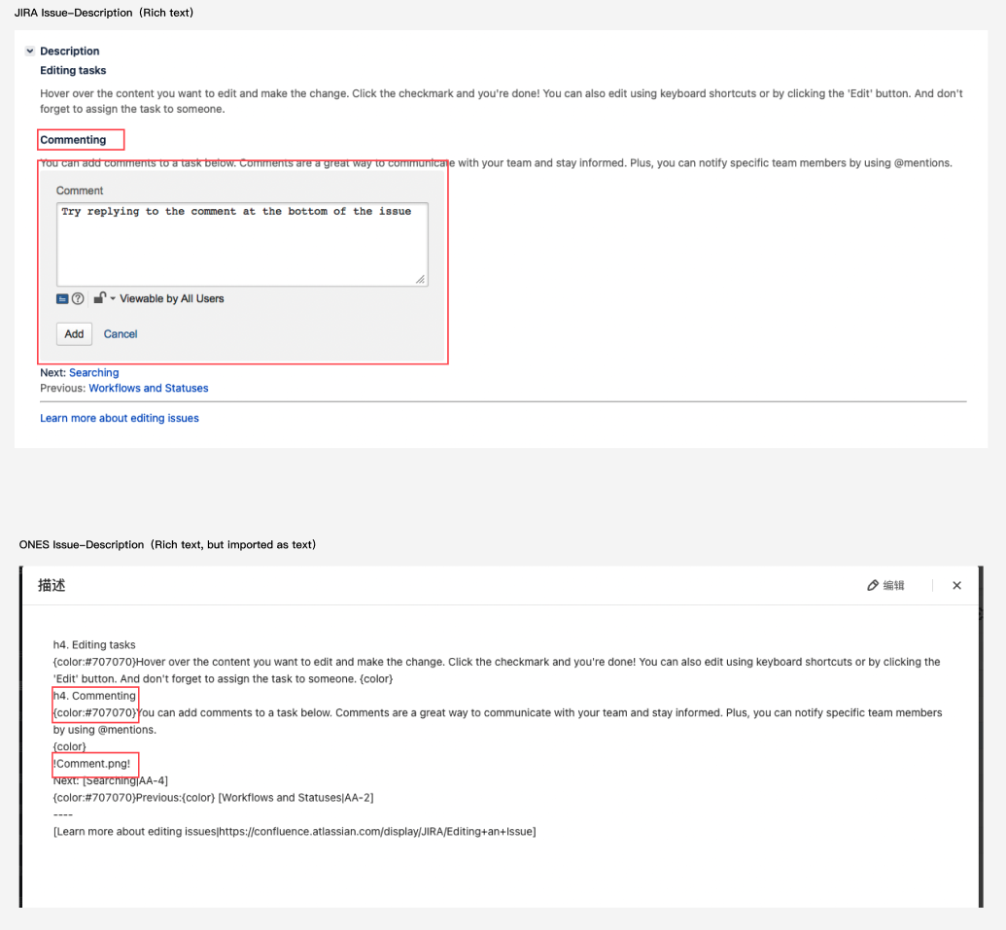
Fix Version/s | Link release | Import successful | 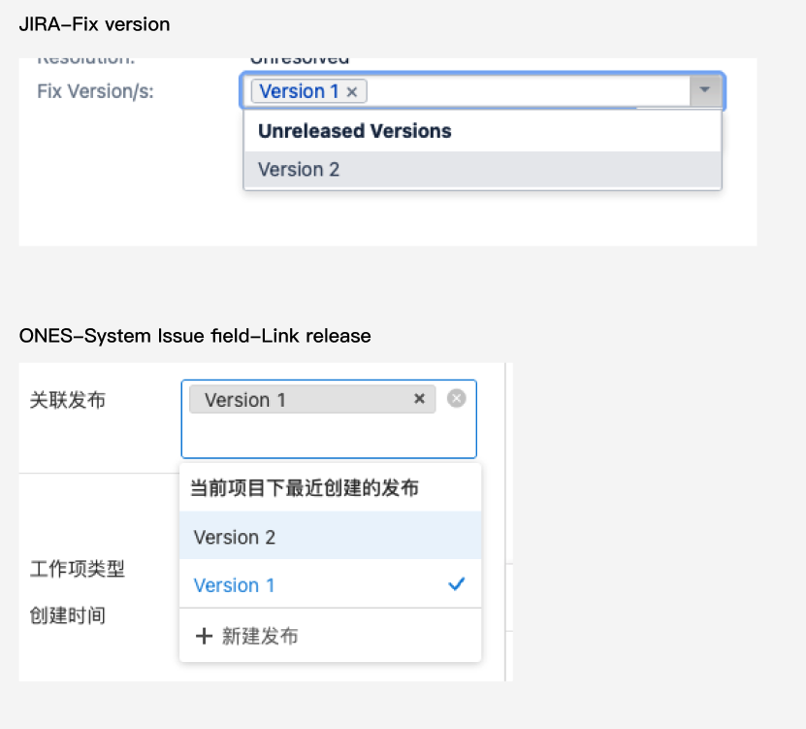
Affects Version/s | Custom issue field (short text) | Partially successful
Security level | / | Import not supported in tool
Labels | Custom issue field (short text) | Partially successful
Resolution | Custom issue field (Select list（single choice)) | Partially successful
Envrionment | Custom issue field (Long text) | Partially successful
Creator | Creator | Import successful
assignee | Assignee | Import successful
Reporter | / | Import not supported in tool
Votes | / | Import not supported in tool
Watcher | Watcher | Import successful
Created date | Created | Import successful
Updated date | Updated | Import successful
Due date | Due date | Import successful
Custom fields
Name | Custom field name | Import successful
Description | / | Import not supported in tool
Default value | / | Import not supported in tool
Labels | Short text | Partially successful
Radio Buttons | Select list（single choice) | Partially successful
Checkboxes | Select list（multiple choices) | Partially successful
Date Time Picker | Time | Import successful
Date Picker | Date | Import successful
Number Field | Number(float) | Import successful
Text Field (single line) | Short text | Import successful
Text Field (multi-line) | Long text | Import successful
Select List (multiple choices) | Select list（multiple choices) | Import successful
Select List (cascading) | Short text | Partially successful
Select List (single choice) | Select list（single choice) | Import successful
User Picker (single user) | User picker（single user) | Import successful
URL Field | Short text | Partially successful
Version Picker (single version) | Short text | Partially successful
Version Picker (multiple versions) | Short text | Partially successful
Global Rank | Short text | Partially successful
Text Field (read only) | Long text | Partially successful
Project Picker (single project) | Short text | Partially successful
User Picker (multiple users) | User picker（multiple users) | Partially successful
Group Picker (single group) | Short text | Partially successful
Group Picker (multiple groups) | Short text | Partially successful
Development Summary | / | Import not supported in tool
Hidden Job Switch | / | Import not supported in tool
JIRA Released Version History | / | Import not supported in tool
Job Checkbox | / | Import not supported in tool
Issue Type Screen Schemes
Issue Type Screen Schemes |  | Import not supported in tool
Field Configurations
Field Configurations | / | Import not supported in tool
Field Configuration Schemes
Hide/Show | / | Import not supported in tool
Required/Optional |  | Import not supported in tool
Priorities
Name | Name | Import successful
Description | Description | Import successful
Icon | / | Import not supported in tool
Color | Background color | Import not supported in tool
Order | Order | Import not supported in tool
Priority schemes
Priority schemes | / | Import not supported in tool
Time Tracking
Working hours per day | Standard working time | Import successful
Working days per week | Workday | Import successful
Time display format | / | Import not supported in tool
Default uniti for time tracking-minute | / | Import not supported in tool
Default uniti for time tracking-hour | Default time unit-hour | Import successful
Default uniti for time tracking-day | Default time unit-day | Import successful
Default uniti for time tracking-week | / | Import not supported in tool
Work log descrption can be shown in activity | / | Import not supported in tool
Issue linking
Link type name | Link type name | Import successful
Outward Description | Source description | Import successful
Inward Description | Target description | Import successful
/ | Link type | This field is not supported in Jira
Issue attributes
Status Name | Status Name | Import successful
Status Description | / | Import not supported in tool
Status Category | Status type | Import successful
Resolution | / | Import not supported in tool
Jira link with Confluence
Link with Confluence | / | Import not supported in tool

Project
JIRA data or configuration |  | ONES data or configutation |  | Import Status | Example
Project basic info
Name |  | Name |  | Import successful
Key |  | / |  | Import not supported in tool
Project lead |  | Project owner |  | Import successful
/ |  | Project creator |  | Import not supported in tool，Jira backup does't contain Project creator,thus it will take as project lead.
/ |  | Created time |  | Import not supported in tool，Jira backup does't contain Project created time,thus it will take the time it import in ONES
Default assignee |  | / |  | Import not supported in tool
URL |  | Customer Project field-Short text |  | Partially successful
Project type |  | Customer Project field-Select list（single choice) | Project type | Partially successful
Project category |  | Customer Project field-Select list（single choice) | Project category | Partially successful
Icon |  | / |  | Import not supported in tool
Description |  | Customer Project field-Long text |  | Partially successful
Action |  | / |  | Import not supported in tool
Add link |  | / |  | Import not supported in tool
Versions
Name |  | Name |  | Import successful
Status |  | Status |  | Import successful
Start date |  | Custom Issue field:Release-Start date |  | Import successful
Release date |  | Release date |  | Import successful
Description |  | Description |  | Import successful
Release note |  | / |  | Jira backup does't contain release note，Import not supported in tool
Progress |  | Progress |  | No need to import
Components
Lead |  | / |  | Import not supported in tool | 
Description |  | / |  | Import not supported in tool
Default assignee |  | / |  | Import not supported in tool
Project Role
Name |  | Name |  | Import successful
Descrption |  | / |  | Import not supported in tool
Add user to a role | User group | Add member | Users in User Group | Partially successful,Jira user group in Project role will be imported as user.
 | User |  | User | Import successful
Default member |  |  |  | Import not supported in tool
Email address |  |  |  | Import not supported in tool
Issue in Project
Issue links | Description | Linked issue | Link description | Import successful
 | Issue |  | Issue | Import successful
URL |  | / |  | Import not supported in tool
Subtask |  | Subtask |  | Import successful
Comment |  | Comment |  | Partially successful，rich text in Jira can only be imported in text form
Activity |  | Activity |  | Partially successful，history forJira custom field is not supported
Hisotry |  | / |  | No need to import,since Acitivity has same info with Histroy
Component/s |  | Custom issue field (short text) |  | Partially successful
Worklog
Original Estimate |  | Time estimated |  | Import successful
Remaining Estimate |  | Time remaining |  | Import successful
Logged |  | Time spent |  | Import successful
Sprint
Name |  | Name |  | Import successful
 |  | Sprint owner |  | Partially successful，Jira has different duration form with
Duration |  | Duration |  | Partially successful.Jira has different duration form with ONES，thus, Jira sprint duration all imported as custom
Start date |  | Start date |  | Import successful
End date |  | End date |  | Import successful
Sprint goal |  | / |  | Import not supported in tool
Board
Development tools |  | / |  | Import not supported in tool
Issue collectors |  | /

