Sheet1
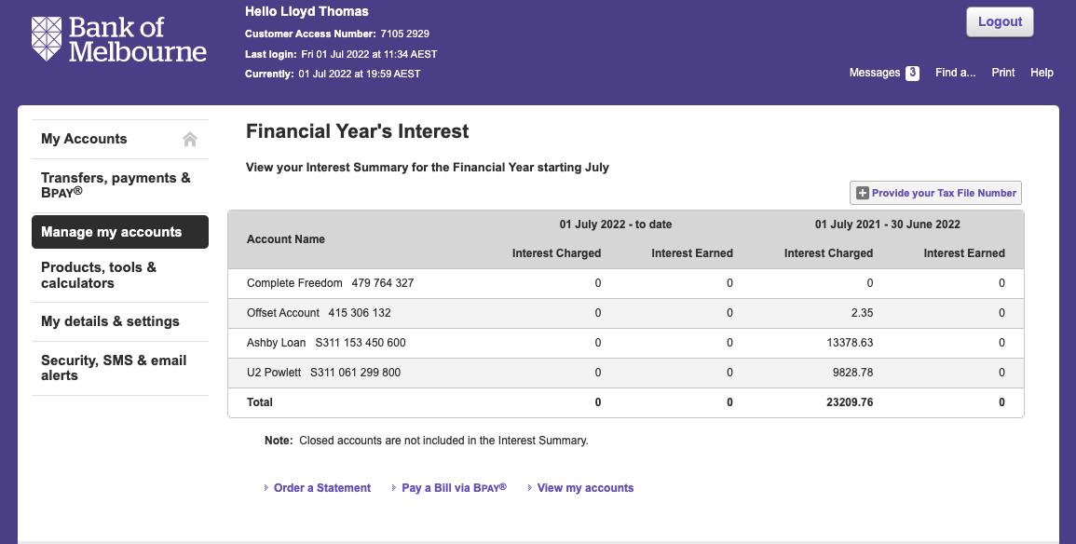
Row Labels | Sum of Amount | Notes
Interest | -13378.61
Rates | -829.05
Repairs | -2765 | Repair Garage Roof, Replace faulty hotwater system, broken fencing, rangehood.
Water | -615.88
Insurance | -352.72
Grand Total | -17941.26
Rent | 18000
Management Fees | -180
Depreciation | ?
BOM Home Loan Package Fee | -367

