Sheet1
U1 39 Powlett St | Amount | Notes
Rent | 10564
Interest | -14549
Rates | -1308.44
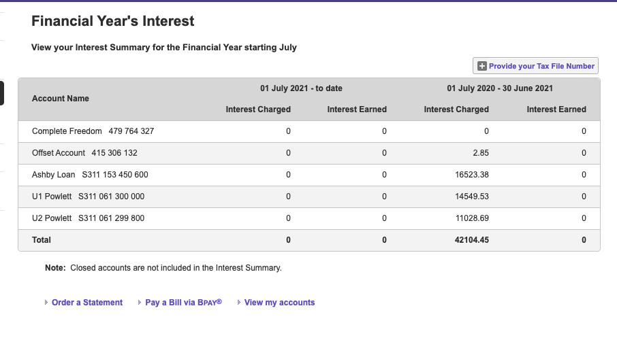
Water | -646.74
Insurance | 530.77
Depreciation | ?
Maintenance
Maintenance
Advertising | -199
Land Tax | -1038.44
Leasing Fee | -345
Management | -348.63
Total | -7340.48

U2 39 Powlett St
Rent | 15484
Interest | -11028.69
Rates | -1233.9
Water | -715.15
Insurance | -608.61
Maintenance
Security Camera | -749
Letting Fee | -160
Adverting | -149
Depreciation | ?
Land Tax | -1114.42
ASIC Company Fees | -704
Management | -510.96
Total | -1489.73

