Summary
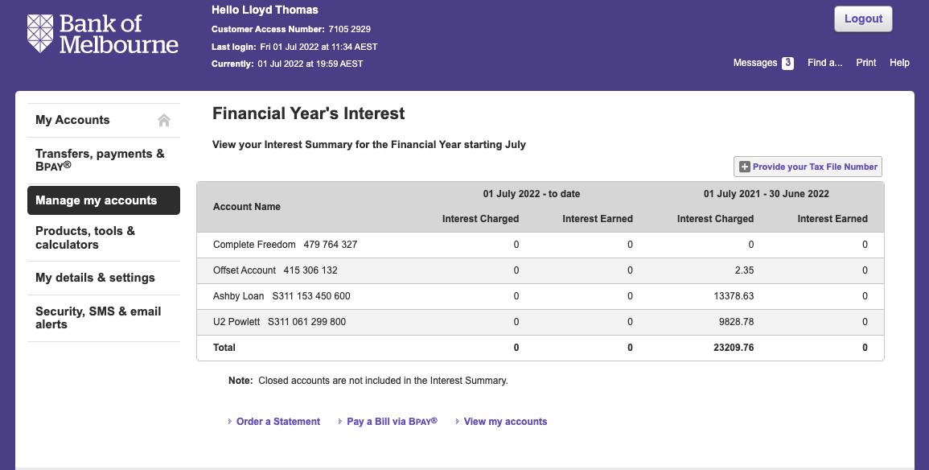
Row Labels | Sum of Amount
ASIC | -276
Insurance | -546.87
Interest | -9828.78
Land Tax | -585
Rates | -2352.42
Water | -665.04
Grand Total | -14254.11

Rent | 14,907.44 | See Rental Summary
Management Fees | -946.85 | See Rental Summary
Depreciation | ? | Joe to complete

