Sheet1
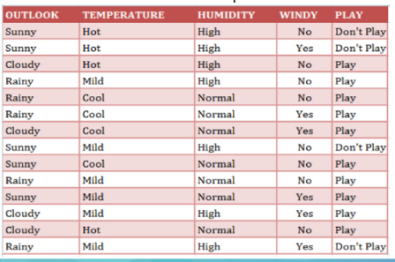
 |  | JUMLAH KASUS | YA | TIDAK | ENTROPY | GAIN
TOTAL |  | 14 | 10 | 4 | 0.86312056857
OUTLOOK |  |  |  |  |  | 0.25852103666
 | SUNNY | 5 | 2 | 3 | 0.97095059445
 | CLOUDY | 4 | 4 | 0 | 0
 | RAINY | 5 | 4 | 1 | 0.72192809489
TEMPERATURE |  |  |  |  |  | 0.1838509254
 | HOT | 4 | 2 | 2 | 1
 | MILD | 6 | 4 | 2 | 0.91829583405
 | COOL | 4 | 4 | 0 | 0
HUMIDITY |  |  |  |  |  | 0.37050650055
 | HIGH | 7 | 3 | 4 | 0.98522813603
 | NORMAL | 7 | 7 | 0 | 0
WINDY |  |  |  |  |  | 0.0059777114238
 | YES | 6 | 4 | 2 | 0.91829583405
 | NO | 8 | 6 | 2 | 0.81127812446

