Sheet1
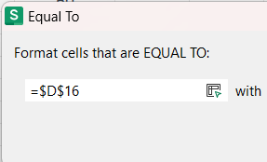
Rank | Name | Advanced | Basic | Total | Percentage | Average
1 | Anay Pund | 15 | 7 | 22 | 50.3 | 14.689655172
2 | Ankit Sahu | 2 | 7 | 9 | 20.6 | 14.310344828
3 | Anshika Sharma | 10 | 9 | 19 | 43.5 | 29.068965517
4 | Ayush Gour | 6 | 6 | 12 | 27.5 | 29.428571429
5 | Daksh Sankhla | 4 | 7 | 11 | 25.2 | 30.074074074
6 | Dhruv Rishikesh Janakala | 2 | 8 | 10 | 22.9 | 30.807692308
7 | Dhyanesh Sudhir Dikkar | 1 | 9 | 10 | 22.9 | 31.64
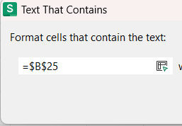
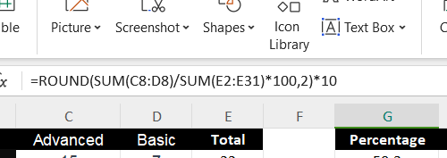
8 | Dinesh Kumar | 8 | 7 | 15 | 34.3 | 32.541666667
9 | Diya Shah | 10 | 8 | 18 | 41.2 | 33.304347826
10 | Gayatri Rane | 10 | 10 | 20 | 45.8 | 34
11 | Hemanth | 9 | 9 | 18 | 41.2 | 34.666666667
12 | Hemashree M S | 3 | 7 | 10 | 22.9 | 35.5
13 | Hitesh Badhan | 5 | 10 | 15 | 34.3 | 36.842105263
14 | Kavya Reddy Y | 11 | 9 | 20 | 45.8 | 38.055555556
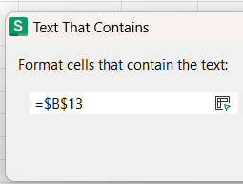
15 | Mitali | 6 | 7 | 13 | 29.7 | 39.117647059
16 | Nabeel Ghalib | 3 | 5 | 8 | 18.3 | 40.75
17 | Naman Jain | 6 | 7 | 13 | 29.7 | 42.933333333
18 | Paridhi Gupta | 10 | 10 | 20 | 45.8 | 45.071428571
19 | Pratibha Yaduvanshi | 13 | 7 | 20 | 45.8 | 47
20 | Prince | 12 | 8 | 20 | 45.8 | 49.25
21 | Rajni Kant | 5 | 4 | 9 | 20.6 | 51.909090909
22 | Ritvik Aggarwal | 3 | 10 | 13 | 29.7 | 56.2
23 | RUTHVIK | 16 | 9 | 25 | 57.2 | 61
24 | Samruddhi Jha | 4 | 9 | 13 | 29.7 | 65.5
25 | Sania Almeida | 1 | 8 | 9 | 20.6 | 73
26 | Saumitra Chaubey | 6 | 7 | 13 | 29.7 | 83.666666667
27 | Sheth Mili D. | 2 | 7 | 9 | 20.6 | 97.8
28 | Shiva Krishna Reddy Burra | 11 | 5 | 16 | 36.6 | 120
29 | Shreya Sathyanarayanan | 9 | 7 | 16 | 36.6 | 154.66666667
30 | Ujjal Roy | 5 | 6 | 11 | 25.2 | 224
 |  |  |  | 437

