Budget to Actual P1
County Line Rail Silsbee LLC
Budget to Actual
2026-07-31

 |  | Silsbee PO | Previous Contingency | Current Contingency | Silsbee PO | Previous Application | Payment this period | Total Complete & Draw To Date |  | Balance remaining
GL Coding | Account Name | Approved Budget | Funding & Reallocation | Funding & Reallocation | Current Approved Budget | Inception to 06/30/2026 | 7/31/2026 | Incurred to 7/31/2026 | Percent Drawn | As of 7/31/2026

 | Total Site Work | - | - | - | - | - | - | - | 0.00% | -
11230-1 | Yard Stabilization | 100,000.00 | 2,678,658.44 | - | 2,778,658.44 | 2,778,658.44 | - | 2,778,658.44 | 100.00% | -
11230-2 | Warehouse Improvements | 814,195.00 | 336,094.78 | - | 1,150,289.78 | 1,150,289.78 | - | 1,150,289.78 | 100.00% | -
11230-3 | Sprinkler Improvements | 143,563.00 | 480,944.00 | - | 624,507.00 | 537,651.90 | 86,855.10 | 624,507.00 | 100.00% | -
11230-4 | Roof Improvements | 210,385.00 | 300.00 | - | 210,685.00 | 210,685.00 | - | 210,685.00 | 100.00% | -
11230-5 | Electrical Improvements | 222,358.00 | 79,782.64 | - | 302,140.64 | 206,823.46 | 95,317.18 | 302,140.64 | 100.00% | -
11230-6 | Fencing | 650,000.00 | - | - | 650,000.00 | 112,500.00 | - | 112,500.00 | 17.31% | 537,500.00
11230-7 | Other Hard Costs | 83,393.00 | 205,181.29 | - | 288,574.29 | 288,574.29 | - | 288,574.29 | 100.00% | -
11216 | Hard Cost Contingency | 346,282.80 | (221,655.29) | - | 124,627.51 | - | - | - | 0.00% | 124,627.51
11217 | Soft Cost Contingency | 293,570.38 | (43,656.12) | - | 249,914.26 | - | - | - | 0.00% | 249,914.26
 | Construction Costs | 2,863,747.18 | 3,515,649.74 | - | 6,379,396.92 | 5,285,182.87 | 182,172.28 | 5,467,355.15 | 85.70% | 912,041.77
 | Permits and Fees | - | - | - | - | - | - | - | 0.00% | -
12115 | A&E | 53,750.00 | 34,396.36 | - | 88,146.36 | 88,146.36 | - | 88,146.36 | 100.00% | -
12230 | Professional Services - Accounting | 72,000.00 | 4,239.34 | - | 76,239.34 | 69,274.24 | 6,965.10 | 76,239.34 | 100.00% | -
 | Total Design and Engineering Consultants | 125,750.00 | 38,635.70 | - | 164,385.70 | 157,420.60 | 6,965.10 | 164,385.70 | 100.00% | -
11970 | Legal | 50,000.00 | 18,086.04 | - | 68,086.04 | 68,086.04 | - | 68,086.04 | 100.00% | -
12343 | Loan Fees | 115,935.11 | 29,172.33 | - | 145,107.44 | 145,107.44 | - | 145,107.44 | 100.00% | -
12596 | Closing Fees | 100,000.00 | (41,697.95) | - | 58,302.05 | - | - | - | 0.00% | 58,302.05
12321 | Construction Period Interest | 2,315,000.00 | - | - | 2,315,000.00 | 458,105.13 | 64,355.42 | 522,460.55 | 22.57% | 1,792,539.45
 | Total Financing & Other Costs | 2,580,935.11 | 5,560.42 | - | 2,586,495.53 | 671,298.61 | 64,355.42 | 735,654.03 | 28.44% | 1,850,841.50
12913 | Developer Fee | 329,018.68 | - | - | 329,018.68 | 281,132.76 | 10,139.71 | 291,272.48 | 88.53% | 37,746.20
 | Total Other Development Costs | 329,018.68 | - | - | 329,018.68 | 281,132.76 | 10,139.71 | 291,272.48 | 88.53% | 37,746.20
12594 | Broker Commissions | 1,416,100.70 | - | - | 1,416,100.70 | 917,186.84 | - | 917,186.84 | 64.77% | 498,913.86
 | Total Leasing and Marketing | 1,416,100.70 | - | - | 1,416,100.70 | 917,186.84 | - | 917,186.84 | 64.77% | 498,913.86

 | Zone Project Costs - All | 7,315,551.67 | 3,559,845.86 | - | 10,875,397.53 | 7,312,221.68 | 263,632.51 | 7,575,854.20 | 69.66% | 3,299,543.33

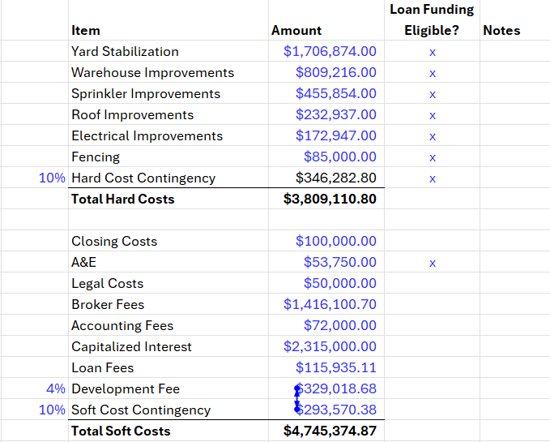
 |  |  |  |  | Total Project Costs incurred per GL |  |  | 3,923,740.10
 |  |  |  |  | Total Project Costs incurred per Master Report |  |  | 7,575,854.20
 |  |  |  |  | Discrepancy (Scrap cost recovered) |  |  | (3,652,114.10)
 |  |  |  |  | Proceeds from Proler |  |  | -
 |  |  |  |  | Gain/(Loss) on Scrap Sales |  |  | (3,652,114.10)

 |  |  |  |  | Project Costs recorded in Master Report but not in the GL
 |  |  |  |  |  |  |  | -

 |  |  |  |  |  |  |  | -

