control
mass_Ar | 6.63E-26 | kg | Num atoms |  |  |  | 256
eps_Ar | 1.67E-21 | J | time step |  |  |  | 4.285 | fs | t* | 0.002
sigma_Ar | 3.4E-10 | m | tau_Ar |  |  |  | 2.1422859803E-12 | s
kb | 1.3806E-23 | J/K

 |  |  |  |  |  |  | 0.05 |  |  |  | 0.1 |  |  | 0.5 |  |  | 0.9 |  |  | 0.95
Alan Thesis Crystal |  | k_direct |  | T
 | 2.5 | 26.549423795 |  | 0.020667665 | 2.5000000398 |  | 2.5 | 1.6136 | 0.0805 |  | 2.5 | 0.7611 | 0.0134 | 2.5 | 0.2098 | 0.0065 | 2.5 | 0.9642 | 0.0147 | 2.5 | 1.5741 | 0.0066
1 | 10 | 3.403 |  | 0.041335 | 4.9999601622 |  | 5 | 1.1938 | 0.0095 |  | 5 | 0.6047 | 0.0148 | 5 | 0.2223 | 0.0046 | 5 | 0.7791 | 0.0122 | 5 | 1.4699 | 0.02
2 | 20 | 1.228 |  | 0.082671 | 10.000041286 |  | 10 | 0.9627 | 0.0144 |  | 10 | 0.538 | 0.0104 | 10 | 0.2418 | 0.0094 | 10 | 0.6971 | 0.0165 | 10 | 0.951 | 0.008
3 | 30 | 0.725 |  | 0.330683 | 40.000044184 |  | 40 | 0.3521 | 0.0107 |  | 40 | 0.3218 | 0.009 | 40 | 0.1613 | 0.0038 | 40 | 0.2631 | 0.0077 | 40 | 0.2736 | 0.0082
4 | 40 | 0.468
5 | 50 | 0.328
6 | 60 | 0.254
7 | 70 | 0.199 |  |  |  |  | 0.05 | 0.1 | 0.5 | 0.9 | 0.95
8 | 80 | 0.159 |  |  |  | 2.5 | 1.6136 | 0.7611 | 0.2098 | 0.9642 | 1.5741
 |  |  |  |  |  | 5 | 1.1938 | 0.6047 | 0.2223 | 0.7791 | 1.4699
Perfect | m1 |  |  |  |  | 10 | 0.9627 | 0.5380 | 0.2418 | 0.6971 | 0.9510
2.5 | 20 |  |  |  |  | 40 | 0.3521 | 0.3218 | 0.1613 | 0.2631 | 0.2736
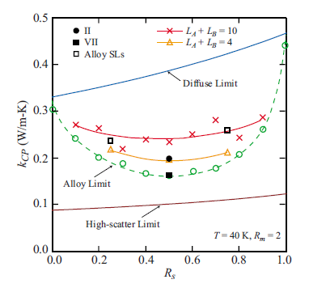
5 | 8.3035 | 0.0329
10 | 3.4282 | 0.1127
20 | 1.228 | 0.0261
30 | 0.725
40 | 0.468
50 | 0.328
60 | 0.254
70 | 0.199
80 | 0.159

alloy_diagram
 | 0 | 0.01 | 0.05 | 0.1 | 0.5 | 1
2.5 | #REF! | #REF! | #REF! | #REF! | #REF! | #REF!
5 | #REF! | #REF! | #REF! | #REF! | #REF! | #REF!
10 | #REF! | #REF! | #REF! | #REF! | #REF! | #REF!
20
 | T=2.5K | T=5K | T=10K
0 | 0 | 0 | 0
0.01 | 0 | 0 | 0
0.05 | 0 | 0 | 0
0.1 | 0 | 0 | 0
0.5 | 0 | 0 | 0
1 | 0 | 0 | 0

