Site Taxa Counts
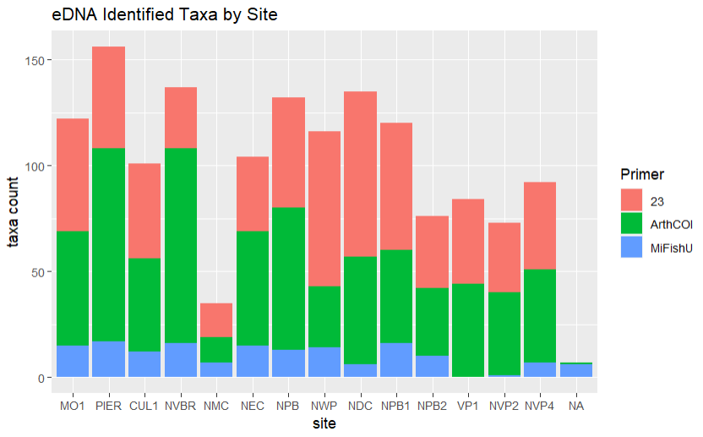
site | TestId | taxa_count
MO1 | 23 | 53
MO1 | ArthCOI | 54
MO1 | MiFishU | 15
PIER | 23 | 48
PIER | ArthCOI | 91
PIER | MiFishU | 17
CUL1 | 23 | 45
CUL1 | ArthCOI | 44
CUL1 | MiFishU | 12
NVBR | 23 | 29
NVBR | ArthCOI | 92
NVBR | MiFishU | 16
NMC | 23 | 16
NMC | ArthCOI | 12
NMC | MiFishU | 7
NEC | 23 | 35
NEC | ArthCOI | 54
NEC | MiFishU | 15
NPB | 23 | 52
NPB | ArthCOI | 67
NPB | MiFishU | 13
NWP | 23 | 73
NWP | ArthCOI | 29
NWP | MiFishU | 14
NDC | 23 | 78
NDC | ArthCOI | 51
NDC | MiFishU | 6
NPB1 | 23 | 60
NPB1 | ArthCOI | 44
NPB1 | MiFishU | 16
NPB2 | 23 | 34
NPB2 | ArthCOI | 32
NPB2 | MiFishU | 10
VP1 | 23 | 40
VP1 | ArthCOI | 44
NVP2 | 23 | 33
NVP2 | ArthCOI | 39
NVP2 | MiFishU | 1
NVP4 | 23 | 41
NVP4 | ArthCOI | 44
NVP4 | MiFishU | 7
NA | ArthCOI | 1
NA | MiFishU | 6

