BAR EuroMOMO Age Ranges
Michael Levitt 18 May 2020 Comparing COVID19 in 2020 to Influenza in 2017/18
 |  |  |  | Age Ranges
Year | Comment | Number of Weeks | Total Deaths | <65 | 65-74 | 75-84 | 85+
2020 | 20, Week 08 -21 COVID19 | 13 | 168,579 | 8.3% | 12.3% | 31.2% | 48.2%
2017/18 | 17,Wk.49-18,Wk.16 Influenza | 23 | 111,226 | 8.1% | 12.3% | 24.7% | 54.9%
2016-2019 | 16-19, Base Line 1 year | 52 | 2,634,353 | 15.1% | 16.1% | 26.8% | 41.9%

 |  |  | #REF! | #REF!

 |  |  | 0.6% | 2.3% | 12.2% | 16.1% | 26.8% | 41.9%

In the EuroMOMO region, the 'natural', non-influenza, non-COVID19 deaths have different relative age-range death rate than do those from Influenza or COVID19. In particular the natural mortality of the 85+ age group is less by about 8 percentage points while the mortality of the under 65 year olds is 8 percentage points higher. This means that relative to normal risk of deatd.

NEED ACTUAL DEATH RATES SO NEED POPULATION PYRAMID

green_line
 |  | 2016-12-21
Weeks /12 | days | Date | Scale Weeks | Weeks | Deaths | Cumm Deaths |  |  | Excess Cumm |  | Years | Scale Weeks | Weeks | Deaths | Cumm Deaths | per Week |  |  | Period
0.08 | 6 | 2016-12-27 09:48:40 | 0.9 | 0.9 | 55,227 |  | 54,000 |  |  |  | 0.7199 | 37.4 | 35.2 | 46,954 | 0 |  |  |  |  | 11 | 63 | 52.0 | 563,743
0.28 | 24 | 2017-01-13 17:45:06 | 3.4 | 3.2 | 57,061 | 139,004 | 3,061 | 3.14 | 21,457 |  | 0.9103 | 47.3 | 44.5 | 51,537 | 487,693 | 52,442 |  |  |  | 64 | 116 | 52.0 | 3,071,665 | 2,507,922 | 2629085.5385 | =
0.60 | 50 | 2017-02-09 08:06:18 | 7.2 | 6.8 | 55,958 | 353,725 | 1,958 | 2.89 | 173,323 |  | 1.0809 | 56.2 | 52.8 | 54,468 | 957,919 | 54,333 |  |  |  | 117 | 169 | 52.0 | 6,110,237 | 3,038,572 | 2629085.5385
0.76 | 64 | 2017-02-23 04:16:47 | 9.2 | 8.6 | 54,673 | 463,097 | 673 | 2.23 | 369,222 |  | 1.2516 | 65.1 | 61.1 | 52,446 | 1,432,179 | 55,165 |  |  |  | 170 | 222.9 | 52.9 | 8,919,127 | 2,808,890 | 2629085.5385
0.97 | 82 | 2017-03-12 12:13:12 | 11.6 | 10.9 | 55,222 | 599,138 | 1,222 | 1.34 | 481,592 |  | 1.4063 | 73.1 | 68.7 | 48,773 | 1,839,406 | 54,879 |  |  |  | 222.9 |  |  | 11,679,196 | 2,760,069 | 2629085.5385
0.99 | 83 | 2017-03-13 22:52:55 | 11.9 | 11.1 | 55,222 | 610,532 | 1,222 | 0.52 | 600,736 |  | 1.5452 | 80.3 | 75.5 | 46,384 | 2,182,980 | 54,170
1.06 | 89 | 2017-03-19 17:31:43 | 12.7 | 11.9 | 54,488 | 655,802 | 488 | 1.86 | 616,620 |  | 1.6920 | 88.0 | 82.6 | 46,564 | 2,537,756 | 53,463
1.30 | 109 | 2017-04-08 22:47:33 | 15.6 | 14.6 | 52,285 | 810,008 | 0 | 0.00 | 672,870 |  | 1.8705 | 97.3 | 91.3 | 50,964 | 2,990,501 | 53,225
1.43 | 121 | 2017-04-20 12:05:11 | 17.2 | 16.2 | 49,899 | 894,338 | 0 | 0.00 | 815,973 |  | 2.0173 | 104.9 | 98.5 | 53,529 | 3,389,342 | 53,498
1.62 | 136 | 2017-05-06 09:21:54 | 19.5 | 18.3 | 49,347 | 1,006,958 | 0 | 0.00 | 899,207 |  | 2.2276 | 115.8 | 108.8 | 53,524 | 3,974,654 | 53,987
1.98 | 167 | 2017-06-05 17:15:40 | 23.8 | 22.4 | 47,144 | 1,215,992 | 0 | 0.00 | 1,010,285 |  | 2.3228 | 120.8 | 113.4 | 50,953 | 4,233,323 | 54,084 |  | 37 | 67 | 30 | 1,802,547 | 3,389,084 | 1,586,537 | 0 | 1,432,179 | 1,432,179
2.16 | 181 | 2017-06-20 03:52:41 | 25.9 | 24.3 | 48,427 | 1,314,582 | 0 | 0.00 | 1,216,627 |  | 2.4379 | 126.8 | 119.0 | 48,198 | 4,529,948 | 53,998 |  | 89 | 119 | 30 | 4,569,095 | 6,303,272 | 1,734,178 | 2,537,756 | 4,233,323 | 1,695,566
2.23 | 187 | 2017-06-25 22:31:30 | 26.7 | 25.1 | 46,959 | 1,353,942 | 0 | 0.00 | 1,314,760 |  | 2.5411 | 132.1 | 124.1 | 46,544 | 4,784,063 | 53,797 |  | 141 | 171 | 30 | 7,375,991 | 8,978,197 | 1,602,206 | 5,196,259 | 6,238,829 | 1,042,570
2.45 | 206 | 2017-07-14 17:07:38 | 29.4 | 27.6 | 47,508 | 1,480,630 | 0 | 0.00 | 1,353,288 |  | 2.6244 | 136.5 | 128.1 | 46,176 | 4,984,928 | 53,603 |  | 193 | 223 | 30 | 10,033,089 | 11,679,196 | 1,646,107 | 7,797,385 | 9,367,386 | 1,570,001
2.50 | 210 | 2017-07-19 01:06:44 | 30.0 | 28.2 | 48,976 | 1,510,490 | 0 | 0.00 | 1,481,103 |  | 2.7950 | 145.3 | 136.5 | 49,107 | 5,407,591 | 53,367
2.64 | 222 | 2017-07-30 14:24:22 | 31.7 | 29.7 | 46,406 | 1,589,206 | 0 | 0.00 | 1,510,842 |  | 2.9616 | 154.0 | 144.6 | 52,957 | 5,849,805 | 53,440
2.72 | 229 | 2017-08-06 19:42:52 | 32.7 | 30.7 | 46,406 | 1,637,078 | 0 | 0.00 | 1,588,100 |  | 3.1005 | 161.2 | 151.4 | 54,788 | 6,238,829 | 53,669
2.88 | 242 | 2017-08-19 19:40:12 | 34.5 | 32.4 | 47,689 | 1,724,440 | 0 | 0.00 | 1,636,280 |  | 3.2473 | 168.9 | 158.6 | 52,767 | 6,649,357 | 53,878
3.02 | 253 | 2017-08-31 08:57:49 | 36.2 | 34.0 | 46,955 | 1,802,547 | 0 | 0.00 | 1,724,183 |  | 3.3981 | 176.7 | 165.9 | 49,093 | 7,048,655 | 53,898
3.26 | 274 | 2017-09-20 14:13:39 | 39.1 | 36.7 | 46,219 | 1,937,112 | 0 | 0.00 | 1,799,974 |  | 3.5250 | 183.3 | 172.1 | 46,522 | 7,364,291 | 53,763 |  |  |  |  |  |  |  |  |  |  | 1 | 2 | 3 | 4 | 5 | 6 | 7 | 8 | 9 | 10 | 11 | 12 | 13 | 14 | 15 | 16 | 17 | 18 | 19
3.39 | 285 | 2017-10-02 00:37:58 | 40.7 | 38.2 | 48,553 | 2,014,511 | 0 | 0.00 | 1,936,963 |  | 3.6361 | 189.1 | 177.6 | 46,152 | 7,631,976 | 53,595 |  |  |  |  |  |  |  |  |  |  | 0 | 12 | 24 | 36 | 48 | 60 | 72 | 84 | 96 | 108 | 120 | 132 | 144 | 156 | 168 | 180 | 192 | 204 | 216 | 222
3.55 | 298 | 2017-10-15 03:28:36 | 42.6 | 40.0 | 50,988 | 2,107,785 | 0 | 0.00 | 2,018,808 |  | 3.7710 | 196.1 | 184.1 | 48,167 | 7,962,794 | 53,446
3.69 | 310 | 2017-10-26 16:46:13 | 44.2 | 41.5 | 50,621 | 2,191,640 | 0 | 0.00 | 2,113,276 |  | 3.8623 | 200.8 | 188.6 | 51,284 | 8,198,760 | 53,431
3.88 | 326 | 2017-11-11 14:02:57 | 46.5 | 43.7 | 53,739 | 2,310,063 | 0 | 0.00 | 2,202,312 |  | 3.9932 | 207.6 | 195.0 | 53,667 | 8,556,042 | 53,529
4.01 | 337 | 2017-11-23 03:20:34 | 48.2 | 45.2 | 53,371 | 2,398,459 | 0 | 0.00 | 2,320,094 |  | 4.0805 | 212.2 | 199.3 | 54,582 | 8,801,714 | 53,636
4.15 | 348 | 2017-12-04 05:04:57 | 49.7 | 46.7 | 55,430 | 2,484,508 | 1,430 | 1.86 | 2,409,409 | 108,521 | 4.2115 | 219.0 | 205.6 | 53,845 | 9,170,829 | 53,790
4.32 | 363 | 2017-12-19 03:15:13 | 51.9 | 48.7 | 59,058 | 2,606,550 | 5,058 | 1.68 | 2,505,329 |  | 4.2829 | 222.7 | 209.1 | 52,008 | 9,367,386 | 53,841
4.43 | 372 | 2017-12-27 19:13:26 | 53.1 | 49.9 | 64,195 | 2,682,838 | 10,195 | 0.93 | 2,624,065
4.48 | 376 | 2018-01-01 03:12:32 | 53.7 | 50.5 | 69,148 | 2,724,105 | 15,148 | 0.72 | 2,694,718 |  |  |  |  | 1,361,955 | 50,559 | 53,766
4.55 | 382 | 2018-01-06 21:51:21 | 54.6 | 51.2 | 70,616 | 2,781,777 | 16,616 | 1.13 | 2,742,595 |  |  |  |  |  |  | 520
4.67 | 392 | 2018-01-17 00:29:16 | 56.0 | 52.6 | 67,313 | 2,881,378 | 13,313 | 1.65 | 2,812,809 |  |  |  |  |  | 52,609
4.82 | 405 | 2018-01-30 00:26:35 | 57.9 | 54.3 | 66,394 | 3,005,517 | 12,394 | 1.34 | 2,917,357 |  |  |  |  | 222 | 2,050 | 455022.76248
4.89 | 411 | 2018-02-04 19:05:24 | 58.7 | 55.1 | 61,440 | 3,058,266 | 7,440 | 1.82 | 3,019,084
5.12 | 430 | 2018-02-24 10:52:28 | 61.5 | 57.7 | 56,316 | 3,223,610 | 2,316 | 2.58 | 3,090,282
5.32 | 447 | 2018-03-12 21:37:58 | 63.8 | 60.0 | 52,630 | 3,351,609 | 0 | 0.00 | 3,240,048 | 31,830 | Died in 2017
5.44 | 457 | 2018-03-23 00:15:53 | 65.3 | 61.3 | 51,162 | 3,426,559 | 0 | 0.00 | 3,357,990
5.80 | 487 | 2018-04-22 08:09:38 | 69.6 | 65.4 | 50,242 | 3,646,236 | 0 | 0.00 | 3,440,529
5.84 | 490 | 2018-04-25 05:29:03 | 70.0 | 65.8 | 51,343 | 3,667,195 | 0 | 0.00 | 3,647,604
6.16 | 518 | 2018-05-22 16:03:24 | 74.0 | 69.4 | 49,323 | 3,864,504 | 0 | 0.00 | 3,678,388
6.33 | 532 | 2018-06-06 02:40:25 | 76.0 | 71.4 | 46,570 | 3,963,426 | 0 | 0.00 | 3,865,471
6.49 | 545 | 2018-06-19 02:37:45 | 77.9 | 73.1 | 49,872 | 4,052,966 | 0 | 0.00 | 3,964,806
6.59 | 554 | 2018-06-27 18:35:57 | 79.1 | 74.3 | 47,669 | 4,113,340 | 0 | 0.00 | 4,054,567
6.66 | 560 | 2018-07-03 13:14:46 | 79.9 | 75.1 | 47,852 | 4,152,756 | 0 | 0.00 | 4,113,574
6.76 | 568 | 2018-07-12 05:12:59 | 81.2 | 76.2 | 46,567 | 4,211,198 | 0 | 0.00 | 4,152,424
6.90 | 580 | 2018-07-23 18:30:36 | 82.8 | 77.8 | 46,200 | 4,287,756 | 0 | 0.00 | 4,209,392
7.01 | 588 | 2018-08-01 10:28:49 | 84.1 | 78.9 | 47,850 | 4,345,970 | 0 | 0.00 | 4,287,196
7.18 | 603 | 2018-08-15 21:05:51 | 86.1 | 80.9 | 46,749 | 4,443,558 | 0 | 0.00 | 4,345,602
7.21 | 606 | 2018-08-18 18:25:15 | 86.5 | 81.3 | 47,482 | 4,463,000 | 0 | 0.00 | 4,443,409
7.40 | 622 | 2018-09-03 15:41:59 | 88.8 | 83.4 | 46,013 | 4,569,095 | 0 | 0.00 | 4,461,344
7.64 | 642 | 2018-09-23 20:57:49 | 91.7 | 86.1 | 48,948 | 4,706,242 | 0 | 0.00 | 4,569,104
7.85 | 659 | 2018-10-11 04:54:15 | 94.2 | 88.4 | 50,415 | 4,829,245 | 0 | 0.00 | 4,711,698
8.02 | 674 | 2018-10-25 15:31:16 | 96.2 | 90.4 | 49,496 | 4,932,313 | 0 | 0.00 | 4,834,357
8.19 | 688 | 2018-11-09 02:08:18 | 98.3 | 92.3 | 52,064 | 5,037,083 | 0 | 0.00 | 4,939,127
8.43 | 708 | 2018-11-29 07:24:08 | 101.2 | 95.0 | 54,265 | 5,190,647 | 265 | 1.94 | 5,053,509 | 132,645
8.52 | 715 | 2018-12-06 06:56:02 | 102.2 | 96.0 | 57,572 | 5,246,410 | 3,572 | 1.75 | 5,199,065
8.72 | 733 | 2018-12-23 20:39:05 | 104.7 | 98.3 | 62,337 | 5,396,909 | 8,337 | 1.98 | 5,277,729
8.84 | 743 | 2019-01-02 23:17:00 | 106.1 | 99.7 | 65,639 | 5,489,322 | 11,639 | 1.65 | 5,420,753
9.00 | 756 | 2019-01-15 23:14:19 | 108.0 | 101.4 | 63,620 | 5,609,330 | 9,620 | 1.44 | 5,521,171
9.09 | 763 | 2019-01-23 04:32:50 | 109.0 | 102.4 | 61,601 | 5,673,919 | 7,601 | 1.03 | 5,624,941
9.17 | 770 | 2019-01-30 09:51:21 | 110.1 | 103.4 | 60,683 | 5,736,993 | 6,683 | 0.93 | 5,688,015
9.24 | 776 | 2019-02-05 04:30:10 | 110.9 | 104.1 | 61,049 | 5,787,224 | 7,049 | 0.93 | 5,748,042
9.33 | 783 | 2019-02-12 09:48:40 | 111.9 | 105.1 | 62,333 | 5,850,865 | 8,333 | 0.72 | 5,801,887
9.36 | 786 | 2019-02-15 07:08:05 | 112.3 | 105.5 | 62,333 | 5,876,586 | 8,333 | 0.72 | 5,856,995
9.45 | 794 | 2019-02-22 12:26:35 | 113.4 | 106.5 | 63,434 | 5,941,457 | 9,434 | 0.72 | 5,892,479
9.48 | 796 | 2019-02-25 09:46:00 | 113.8 | 106.8 | 65,085 | 5,967,973 | 11,085 | 0.83 | 5,948,382
9.58 | 805 | 2019-03-06 01:44:13 | 115.0 | 108.0 | 64,901 | 6,048,428 | 10,901 | 1.44 | 5,989,655
9.72 | 817 | 2019-03-17 15:01:50 | 116.7 | 109.5 | 59,579 | 6,151,159 | 5,579 | 1.34 | 6,072,795
9.81 | 824 | 2019-03-24 20:20:21 | 117.7 | 110.5 | 57,377 | 6,211,485 | 3,377 | 0.72 | 6,162,507
9.84 | 827 | 2019-03-27 17:39:45 | 118.1 | 110.9 | 56,459 | 6,234,971 | 2,459 | 0.83 | 6,215,380
9.95 | 835 | 2019-04-05 09:37:58 | 119.3 | 112.1 | 53,890 | 6,303,272 | 0 | 0.00 | 6,244,499
10.15 | 853 | 2019-04-22 17:34:24 | 121.8 | 114.4 | 48,201 | 6,429,652 | 0 | 0.00 | 6,312,105
10.27 | 863 | 2019-05-02 20:12:19 | 123.3 | 115.7 | 47,649 | 6,498,867 | 0 | 0.00 | 6,430,298
10.34 | 869 | 2019-05-08 14:51:08 | 124.1 | 116.5 | 47,833 | 6,538,266 | 0 | 0.00 | 6,499,084
10.48 | 880 | 2019-05-20 04:08:45 | 125.7 | 118.1 | 47,465 | 6,616,913 | 0 | 0.00 | 6,538,549
10.72 | 900 | 2019-06-09 09:24:35 | 128.6 | 120.8 | 46,546 | 6,752,687 | 0 | 0.00 | 6,615,550
10.89 | 915 | 2019-06-23 20:01:37 | 130.7 | 122.7 | 48,563 | 6,850,802 | 0 | 0.00 | 6,752,847
11.01 | 925 | 2019-07-03 22:39:32 | 132.1 | 124.1 | 48,563 | 6,920,939 | 0 | 0.00 | 6,852,370
11.06 | 929 | 2019-07-08 06:38:38 | 132.8 | 124.7 | 46,911 | 6,950,486 | 0 | 0.00 | 6,921,100
11.18 | 939 | 2019-07-17 22:41:05 | 134.1 | 126.0 | 48,384 | 7,016,297 | 0 | 0.00 | 6,950,721
11.34 | 952 | 2019-07-31 09:13:53 | 136.1 | 127.8 | 49,845 | 7,110,593 | 0 | 0.00 | 7,019,439
11.42 | 960 | 2019-08-07 14:32:23 | 137.1 | 128.7 | 49,478 | 7,161,824 | 0 | 0.00 | 7,112,846
11.49 | 965 | 2019-08-13 09:11:12 | 137.9 | 129.5 | 46,542 | 7,201,445 | 0 | 0.00 | 7,162,263
11.63 | 977 | 2019-08-24 22:28:49 | 139.6 | 131.1 | 46,541 | 7,278,265 | 0 | 0.00 | 7,199,900
11.80 | 991 | 2019-09-08 09:05:51 | 141.6 | 133.0 | 48,192 | 7,375,991 | 0 | 0.00 | 7,278,035
12.01 | 1009 | 2019-09-25 17:02:17 | 144.1 | 135.3 | 48,007 | 7,495,077 | 0 | 0.00 | 7,377,530
12.18 | 1023 | 2019-10-10 03:39:18 | 146.2 | 137.3 | 50,208 | 7,596,395 | 0 | 0.00 | 7,498,440
12.23 | 1027 | 2019-10-14 11:38:25 | 146.8 | 137.8 | 48,556 | 7,626,961 | 0 | 0.00 | 7,597,574
12.34 | 1036 | 2019-10-23 03:36:38 | 148.0 | 139.0 | 49,473 | 7,687,637 | 0 | 0.00 | 7,628,864
12.44 | 1045 | 2019-10-31 19:34:51 | 149.3 | 140.2 | 51,124 | 7,749,902 | 0 | 0.00 | 7,691,129
12.49 | 1049 | 2019-11-05 03:33:57 | 149.9 | 140.7 | 51,674 | 7,781,716 | 0 | 0.00 | 7,752,330
12.61 | 1059 | 2019-11-15 06:11:52 | 151.3 | 142.1 | 50,940 | 7,855,816 | 0 | 0.00 | 7,787,247
12.83 | 1078 | 2019-12-04 00:48:00 | 154.0 | 144.6 | 53,507 | 7,995,887 | 0 | 0.00 | 7,868,545
12.99 | 1091 | 2019-12-17 00:45:20 | 155.9 | 146.4 | 55,341 | 8,096,946 | 1,341 | 1.13 | 8,008,786 | 62,140
13.02 | 1094 | 2019-12-19 22:04:44 | 156.3 | 146.7 | 55,158 | 8,119,744 | 1,158 | 0.93 | 8,100,153
13.14 | 1104 | 2019-12-30 00:42:39 | 157.7 | 148.1 | 56,258 | 8,200,199 | 2,258 | 1.03 | 8,131,630
13.19 | 1108 | 2020-01-03 08:41:45 | 158.3 | 148.7 | 59,744 | 8,236,099 | 5,744 | 0.72 | 8,206,713 | 7,628 | Died in 2019 |  |  | 24,202
13.26 | 1114 | 2020-01-09 03:20:34 | 159.2 | 149.5 | 60,844 | 8,285,859 | 6,844 | 1.03 | 8,246,676
13.37 | 1123 | 2020-01-17 19:18:47 | 160.4 | 150.6 | 61,027 | 8,361,292 | 7,027 | 1.44 | 8,302,519
13.50 | 1134 | 2020-01-29 08:36:24 | 162.1 | 152.2 | 61,944 | 8,462,778 | 7,944 | 1.03 | 8,384,413
13.54 | 1137 | 2020-02-01 05:55:49 | 162.5 | 152.6 | 61,760 | 8,488,300 | 7,760 | 1.24 | 8,468,709
13.71 | 1152 | 2020-02-15 16:32:50 | 164.5 | 154.5 | 59,557 | 8,613,451 | 5,557 | 1.75 | 8,515,496
13.83 | 1162 | 2020-02-25 19:10:45 | 166.0 | 155.9 | 57,905 | 8,698,274 | 3,905 | 1.57 | 8,629,705
13.97 | 1174 | 2020-03-08 15:12:46 | 167.7 | 157.4 | 55,632 | 8,794,251 | 1,632 | 1.34 | 8,713,982
14.05 | 1181 | 2020-03-15 13:46:53 | 168.7 | 158.4 | 53,501 | 8,848,352 | 0 | 0.00 | 8,801,279
14.16 | 1189 | 2020-03-24 05:45:06 | 169.9 | 159.5 | 51,665 | 8,913,445 | 0 | 0.00 | 8,854,672
14.26 | 1198 | 2020-04-01 21:43:19 | 171.1 | 160.7 | 52,949 | 8,978,197 | 0 | 0.00 | 8,919,424
14.31 | 1202 | 2020-04-06 05:42:26 | 171.7 | 161.3 | 51,664 | 9,010,573 | 0 | 0.00 | 8,981,186
14.43 | 1212 | 2020-04-16 08:20:21 | 173.2 | 162.6 | 51,664 | 9,085,188 | 0 | 0.00 | 9,016,619
14.62 | 1228 | 2020-05-02 05:37:04 | 175.5 | 164.8 | 49,828 | 9,200,356 | 0 | 0.00 | 9,092,605
14.78 | 1241 | 2020-05-15 05:34:24 | 177.3 | 166.5 | 49,643 | 9,292,709 | 0 | 0.00 | 9,204,549
14.95 | 1256 | 2020-05-29 16:11:25 | 179.4 | 168.4 | 48,175 | 9,393,618 | 0 | 0.00 | 9,295,663
15.14 | 1272 | 2020-06-14 13:28:09 | 181.7 | 170.6 | 47,807 | 9,502,534 | 0 | 0.00 | 9,394,783
15.26 | 1282 | 2020-06-24 16:06:04 | 183.1 | 171.9 | 49,090 | 9,572,505 | 0 | 0.00 | 9,503,936
15.41 | 1295 | 2020-07-07 16:03:24 | 185.0 | 173.7 | 47,255 | 9,661,956 | 0 | 0.00 | 9,573,796
15.50 | 1302 | 2020-07-14 21:21:54 | 186.0 | 174.6 | 46,887 | 9,710,514 | 0 | 0.00 | 9,661,536
15.57 | 1308 | 2020-07-20 16:00:43 | 186.8 | 175.4 | 50,373 | 9,750,648 | 0 | 0.00 | 9,711,465
15.67 | 1316 | 2020-07-29 07:58:56 | 188.0 | 176.6 | 46,336 | 9,810,507 | 0 | 0.00 | 9,751,733
15.74 | 1322 | 2020-08-04 02:37:45 | 188.9 | 177.4 | 47,069 | 9,849,049 | 0 | 0.00 | 9,809,867
15.83 | 1329 | 2020-08-11 07:56:15 | 189.9 | 178.3 | 46,152 | 9,897,133 | 0 | 0.00 | 9,848,155
16.00 | 1344 | 2020-08-25 18:33:17 | 192.0 | 180.3 | 47,986 | 9,994,244 | 0 | 0.00 | 9,896,289
16.07 | 1350 | 2020-08-31 13:12:06 | 192.8 | 181.0 | 46,150 | 10,033,089 | 0 | 0.00 | 9,993,906
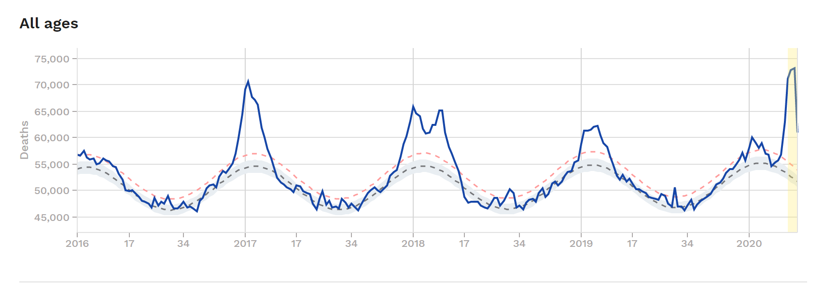
16.20 | 1361 | 2020-09-12 02:29:43 | 194.4 | 182.6 | 47,250 | 10,110,170 | 0 | 0.00 | 10,031,806
16.51 | 1387 | 2020-10-08 02:24:22 | 198.2 | 186.1 | 49,084 | 10,289,051 | 0 | 0.00 | 10,112,731
16.67 | 1400 | 2020-10-21 02:21:41 | 200.0 | 187.8 | 50,918 | 10,381,896 | 0 | 0.00 | 10,293,736
16.86 | 1416 | 2020-11-05 23:38:25 | 202.3 | 190.0 | 52,752 | 10,499,536 | 0 | 0.00 | 10,391,785
16.87 | 1417 | 2020-11-07 10:18:07 | 202.5 | 190.1 | 51,651 | 10,510,306 | 0 | 0.00 | 10,500,510
17.01 | 1429 | 2020-11-18 23:35:44 | 204.1 | 191.7 | 53,852 | 10,597,375 | 0 | 0.00 | 10,519,010
17.11 | 1438 | 2020-11-27 15:33:57 | 205.4 | 192.9 | 53,851 | 10,664,038 | 0 | 0.00 | 10,605,265
17.32 | 1455 | 2020-12-14 23:30:23 | 207.9 | 195.2 | 56,786 | 10,800,998 | 2,786 | 1.75 | 10,683,451 | 35,238 |  | 77,095
17.41 | 1462 | 2020-12-22 04:48:54 | 208.9 | 196.2 | 55,684 | 10,859,010 | 1,684 | 1.03 | 10,810,032
17.49 | 1469 | 2020-12-29 10:07:24 | 209.9 | 197.1 | 57,152 | 10,917,210 | 3,152 | 0.62 | 10,868,233
17.51 | 1471 | 2020-12-30 20:47:07 | 210.1 | 197.3 | 57,702 | 10,929,059 | 3,702 | 0.62 | 10,919,263
17.60 | 1478 | 2021-01-07 02:05:37 | 211.2 | 198.3 | 59,720 | 10,989,625 | 5,720 | 1.44 | 10,940,647
17.75 | 1491 | 2021-01-20 02:02:57 | 213.0 | 200.0 | 57,517 | 11,098,473 | 3,517 | 1.44 | 11,010,313
17.84 | 1498 | 2021-01-27 07:21:28 | 214.0 | 201.0 | 58,434 | 11,158,281 | 4,434 | 0.93 | 11,109,303
17.91 | 1504 | 2021-02-02 02:00:16 | 214.9 | 201.8 | 56,599 | 11,205,748 | 2,599 | 1.13 | 11,166,566
18.03 | 1514 | 2021-02-12 04:38:11 | 216.3 | 203.1 | 56,598 | 11,287,490 | 2,598 | 1.13 | 11,218,921
18.09 | 1520 | 2021-02-17 23:17:00 | 217.1 | 203.9 | 54,580 | 11,333,366 | 580 | 1.75 | 11,294,184
18.32 | 1539 | 2021-03-08 17:53:08 | 219.8 | 206.4 | 56,230 | 11,481,971 | 2,230 | 1.55 | 11,354,629 | 41,857
18.35 | 1542 | 2021-03-11 15:12:32 | 220.2 | 206.8 | 58,799 | 11,505,704 | 4,799 | 0.57 | 11,486,112
18.41 | 1547 | 2021-03-16 17:29:16 | 221.0 | 207.5 | 62,871 | 11,549,982 | 8,871 | 1.03 | 11,515,425
18.52 | 1556 | 2021-03-26 01:49:34 | 222.3 | 208.7 | 68,155 | 11,637,465 | 14,155 | 0.98 | 11,574,066
18.58 | 1560 | 2021-03-30 09:48:40 | 222.9 | 209.3 | 66,687 | 11,679,196 | 12,687 | 1.00 | 11,649,809

18.5 |  |  | 222

52 | 7 | 364.00 | 1.06491 |  | 53,471 | 52,609

 |  |  |  |  |  |  |  |  | Winter | 108520.5
 |  |  |  |  |  |  |  |  |  | 132644.9
 |  |  |  |  |  |  |  |  |  | 62140.3
 |  |  |  |  |  |  |  |  |  | 41857.1
 |  |  |  |  |  |  |  |  |  | 35238.1

 |  |  |  |  |  | 2016 | 48 | 54043 | 54931 | 888
 |  |  |  |  |  |  | 49 | 55187 | 55374 | 187
 |  |  |  |  |  |  | 50 | 55777 | 56875 | 1098
 |  |  |  |  |  |  | 51 | 56132 | 59830 | 3698
 |  |  |  |  |  |  | 52 | 56432 | 64414 | 7982 |  | 13853
 |  |  |  |  |  |  |  |  |  | 0
 |  |  |  |  |  | 2019 | 48 | 53947 | 55278 | 1331
 |  |  |  |  |  |  | 49 | 54718 | 55751 | 1033
 |  |  |  |  |  |  | 50 | 55916 | 56188 | 272
 |  |  |  |  |  |  | 51 | 55839 | 57192 | 1353
 |  |  |  |  |  |  | 52 | 55762 | 56921 | 1159 |  | 5148

 |  |  |  |  |  |  |  |  |  |  |  | 8705

 |  |  |  |  |  |  |  |  |  |  |  |  |  |  |  | 144960 | 19775 | 125185
 |  |  |  |  |  | 21 | 55375 |  | 140750 |  |  |  |  |  |  | 159484 | 23026 | 136458 | 11273 | 0.082611499509
 |  |  |  |  |  |  | 1,162,881 |  | 113898 |  |  |  |  |  |  | 111335
 |  |  |  |  |  |  | 1.56% |  | 26852 | 18147 |  |  |  |  |  | 48149 | 39444 | More than 2017/18 to Week 17

 |  |  |  |  |  |  |  | 56776
 |  |  |  |  |  | 2019 | 8 | 54551 | 54551 | 0
 |  |  |  |  |  |  | 9 | 55370 | 55370 | 0
 |  |  |  |  |  |  | 10 | 55668 | 55686 | 18
 |  |  |  |  |  |  | 11 | 55299 | 56764 | 1465
 |  |  |  |  |  |  | 12 | 54929 | 63033 | 8104
 |  |  |  |  |  |  | 13 | 55434 | 75292 | 19858
 |  |  |  |  |  |  | 14 | 54948 | 86380 | 31432
 |  |  |  |  |  |  | 15 | 54442 | 82820 | 28378
 |  |  |  |  |  |  | 16 | 53924 | 68806 | 14882 |  | 104137

Excess Mortality
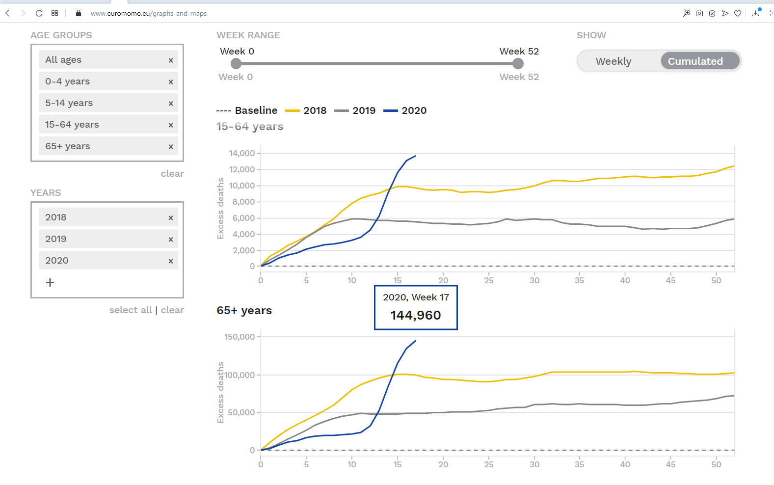
Done 5 May 2020 11:00 AM
Week | <= 65 | <65

10 | 21,570 | 3,198
17 | 144,960 | 13,757

17-10 | 123,390 | 10,559

133,949 | 92.12% | 7.88%

US Flu
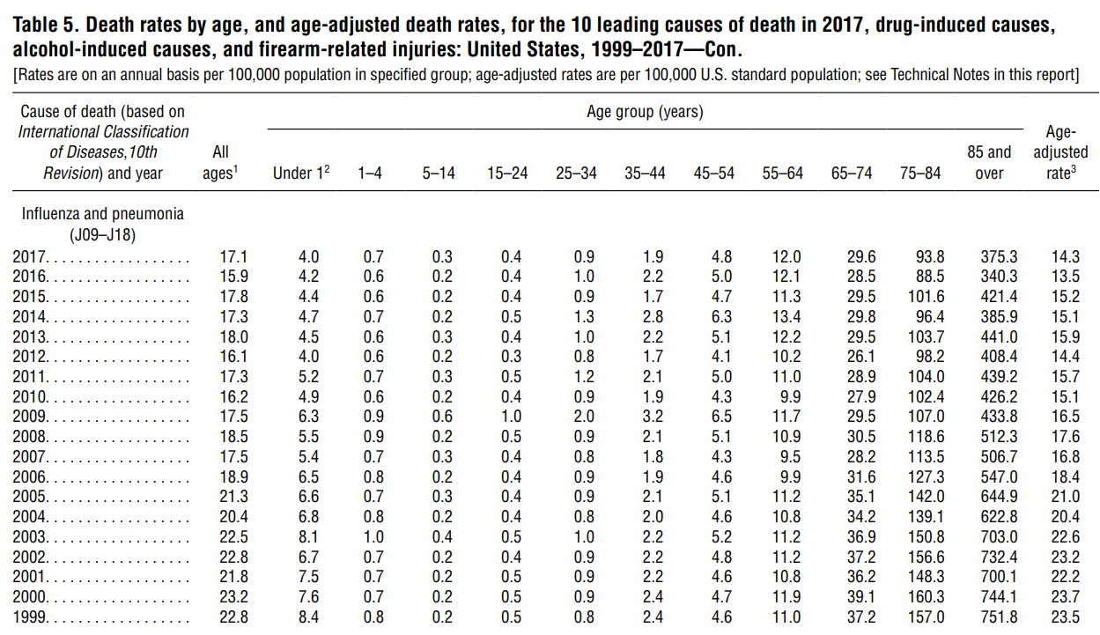
https://www.cdc.gov/nchs/data/nvsr/nvsr68/nvsr68_09-508.pdf

 |  |  |  |  |  |  |  | All causes
 | Influenza and pneumonia (J09-J18) | All ages1 | Under 12 | 1-4 | 5-14 | 15-24 | 25-34 | 35-44 | 45-54 | 55-64 | 65-74 | 75-84 | 85 and over | adjusted rate | Under 65 | All
 | 2017 | 17.1 | 4.0 | 0.7 | 0.3 | 0.4 | 0.9 | 1.9 | 4.8 | 12.0 | 29.6 | 93.8 | 375.3 | 14.3 | 42.1 | 519.7
 | 2016 | 15.9 | 4.2 | 0.6 | 0.2 | 0.4 | 1.0 | 2.2 | 5.0 | 12.1 | 28.5 | 88.5 | 340.3 | 13.5 | 41.6 | 478.8
 | 2015 | 17.8 | 4.4 | 0.6 | 0.2 | 0.4 | 0.9 | 1.7 | 4.7 | 11.3 | 29.5 | 101.6 | 421.4 | 15.2 | 42.0 | 572.3
 | 2014 | 17.3 | 4.7 | 0.7 | 0.2 | 0.5 | 1.3 | 2.8 | 6.3 | 13.4 | 29.8 | 96.4 | 385.9 | 15.1 | 47.2 | 537.3
 | 2013 | 18.0 | 4.5 | 0.6 | 0.3 | 0.4 | 1.0 | 2.2 | 5.1 | 12.2 | 29.5 | 103.7 | 441.0 | 15.9 | 44.3 | 596.0
 | 2012 | 16.1 | 4.0 | 0.6 | 0.2 | 0.3 | 0.8 | 1.7 | 4.1 | 10.2 | 26.1 | 98.2 | 408.4 | 14.4 | 38.0 | 550.6
 | 2011 | 17.3 | 5.2 | 0.7 | 0.3 | 0.5 | 1.2 | 2.1 | 5.0 | 11.0 | 28.9 | 104.0 | 439.2 | 15.7 | 43.3 | 592.9
 | 2010 | 16.2 | 4.9 | 0.6 | 0.2 | 0.4 | 0.9 | 1.9 | 4.3 | 9.9 | 27.9 | 102.4 | 426.2 | 15.1 | 39.3 | 574.7
 | 2009 | 17.5 | 6.3 | 0.9 | 0.6 | 1.0 | 2.0 | 3.2 | 6.5 | 11.7 | 29.5 | 107.0 | 433.8 | 16.5 | 49.7 | 596.2
 | 2008 | 18.5 | 5.5 | 0.9 | 0.2 | 0.5 | 0.9 | 2.1 | 5.1 | 10.9 | 30.5 | 118.6 | 512.3 | 17.6 | 44.6 | 682.0
 | 2007 | 17.5 | 5.4 | 0.7 | 0.3 | 0.4 | 0.8 | 1.8 | 4.3 | 9.5 | 28.2 | 113.5 | 506.7 | 16.8 | 40.7 | 666.2
 | 2006 | 18.9 | 6.5 | 0.8 | 0.2 | 0.4 | 0.9 | 1.9 | 4.6 | 9.9 | 31.6 | 127.3 | 547.0 | 18.4 | 44.1 | 724.6
 | 2005 | 21.3 | 6.6 | 0.7 | 0.3 | 0.4 | 0.9 | 2.1 | 5.1 | 11.2 | 35.1 | 142.0 | 644.9 | 21.0 | 48.6 | 842.7
 | 2004 | 20.4 | 6.8 | 0.8 | 0.2 | 0.4 | 0.8 | 2.0 | 4.6 | 10.8 | 34.2 | 139.1 | 622.8 | 20.4 | 46.8 | 815.7
 | 2003 | 22.5 | 8.1 | 1.0 | 0.4 | 0.5 | 1.0 | 2.2 | 5.2 | 11.2 | 36.9 | 150.8 | 703.0 | 22.6 | 52.1 | 912.2
 | 2002 | 22.8 | 6.7 | 0.7 | 0.2 | 0.4 | 0.9 | 2.2 | 4.8 | 11.2 | 37.2 | 156.6 | 732.4 | 23.2 | 49.9 | 946.6
 | 2001 | 21.8 | 7.5 | 0.7 | 0.2 | 0.5 | 0.9 | 2.2 | 4.6 | 10.8 | 36.2 | 148.3 | 700.1 | 22.2 | 49.2 | 904.5
 | 2000 | 23.2 | 7.6 | 0.7 | 0.2 | 0.5 | 0.9 | 2.4 | 4.7 | 11.9 | 39.1 | 160.3 | 744.1 | 23.7 | 52.1 | 964.8
 | 1999 | 22.8 | 8.4 | 0.8 | 0.2 | 0.5 | 0.8 | 2.4 | 4.6 | 11.0 | 37.2 | 157.0 | 751.8 | 23.5 | 51.5 | 966.3

 | 2017 | 17 |  |  |  |  |  |  |  | Under 65 | 65-74 | 75-84 | 85+
 | 2016 | 16 |  |  |  |  |  |  |  | 8.1% | 5.7% | 18.0% | 72.2%
 | 2015 | 18 |  |  |  |  |  |  |  | 8.7% | 6.0% | 18.5% | 71.1%
 | 2014 | 17 |  |  |  |  |  |  |  | 7.3% | 5.2% | 17.8% | 73.6%
 | 2013 | 18 |  |  |  |  |  |  |  | 8.8% | 5.5% | 17.9% | 71.8%
 | 2012 | 16 |  |  |  |  |  |  |  | 7.4% | 4.9% | 17.4% | 74.0%
 | 2011 | 17 |  |  |  |  |  |  |  | 6.9% | 4.7% | 17.8% | 74.2%
 | 2010 | 16 |  |  |  |  |  |  |  | 7.3% | 4.9% | 17.5% | 74.1%
 | 2009 | 18 |  |  |  |  |  |  |  | 6.8% | 4.9% | 17.8% | 74.2%
 | 2008 | 19 |  |  |  |  |  |  |  | 8.3% | 4.9% | 17.9% | 72.8%
 | 2007 | 18 |  |  |  |  |  |  |  | 6.5% | 4.5% | 17.4% | 75.1%
 | 2006 | 19 |  |  |  |  |  |  |  | 6.1% | 4.2% | 17.0% | 76.1%
 | 2005 | 21 |  |  |  |  |  |  |  | 6.1% | 4.4% | 17.6% | 75.5%
 | 2004 | 20 |  |  |  |  |  |  |  | 5.8% | 4.2% | 16.9% | 76.5%
 | 2003 | 23 |  |  |  |  |  |  |  | 5.7% | 4.2% | 17.1% | 76.4%
 | 2002 | 23 |  |  |  |  |  |  |  | 5.7% | 4.0% | 16.5% | 77.1%
 | 2001 | 22 |  |  |  |  |  |  |  | 5.3% | 3.9% | 16.5% | 77.4%
 | 2000 | 23 |  |  |  |  |  |  |  | 5.4% | 4.0% | 16.4% | 77.4%
 | 1999 | 23 |  |  |  |  |  |  |  | 5.4% | 4.1% | 16.6% | 77.1%

Sheet7
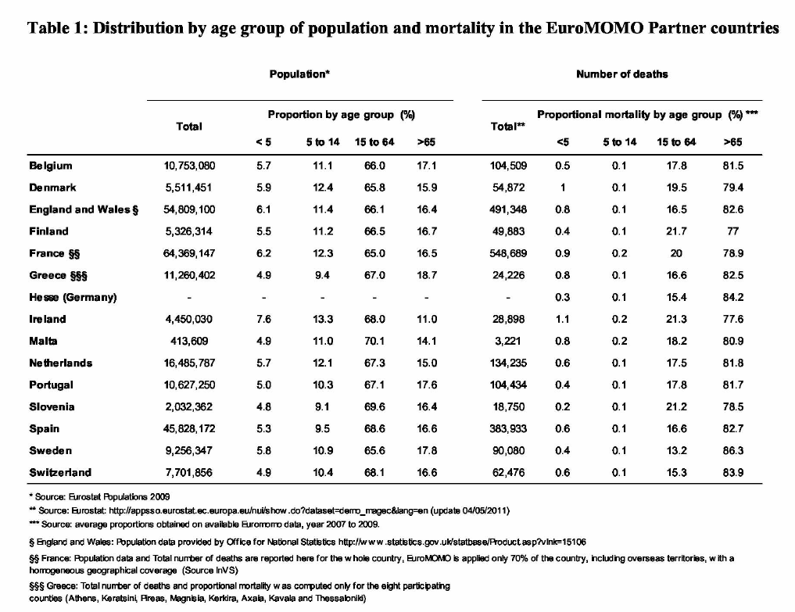
Proportion by age group (%) | Total | Proportion by age group (%) |  |  |  | Total** | Proportional mortality by age group (%)
 |  | <5 | 5 to 14 | 15 to 64 | >65 |  | <5 | 5 to 14 | 15 to 64 | >65
Belgium | 10,753,080 | 5.7 | 11.1 | 66 | 17.1 | 104,509 | 0.5 | 0.1 | 17.8 | 81.5
Denmark | 5,511,451 | 5.9 | 12.4 | 65.8 | 15.9 | 54,872 | 1 | 0.1 | 19.5 | 79.4
England and Wales § | 54,809,100 | 6.1 | 11.4 | 66.1 | 16.4 | 491,348 | 0.8 | 0.1 | 16.5 | 82.6
Finland | 5,326,314 | 5.5 | 11.2 | 66.5 | 16.7 | 49,883 | 0.4 | 0.1 | 21.7 | 77
France §§ | 64,369,147 | 6.2 | 12.3 | 65 | 16.5 | 548,689 | 0.9 | 0.2 | 20 | 78.9
Greece §§§ | 11,260,402 | 4.9 | 9.4 | 67 | 18.7 | 24,226 | 0.8 | 0.1 | 16.6 | 82.5
Hesse (Germany) | - | - | - | - | - | - | 0.3 | 0.1 | 15.4 | 84.2
Ireland | 4,450,030 | 7.6 | 13.3 | 68 | 11 | 28,898 | 1.1 | 0.2 | 21.3 | 77.6
Malta | 413,609 | 4.9 | 11 | 70.1 | 14.1 | 3,221 | 0.8 | 0.2 | 18.2 | 80.9
Netherlands | 16,485,787 | 5.7 | 12.1 | 67.3 | 15 | 134,235 | 0.6 | 0.1 | 17.5 | 81.8
Portugal | 10,627,250 | 5 | 10.3 | 67.1 | 17.6 | 104,434 | 0.4 | 0.1 | 17.8 | 81.7
Slovenia | 2,032,362 | 4.8 | 9.1 | 69.6 | 16.4 | 18,750 | 0.2 | 0.1 | 21.2 | 78.5
Spain | 45,828,172 | 5.3 | 9.5 | 68.6 | 16.6 | 383,933 | 0.6 | 0.1 | 16.6 | 82.7
Sweden | 9,256,347 | 5.8 | 10.9 | 65.6 | 17.8 | 90,080 | 0.4 | 0.1 | 13.2 | 86.3
Switzerland | 7,701,856 | 4.9 | 10.4 | 68.1 | 16.6 | 62,476 | 0.6 | 0.1 | 15.3 | 83.9
Total | 248,824,907 | 78.3 | 154.4 | 940.8 | 226.4 | 2,099,554 | 9.4 | 1.8 | 268.6 | 1219.5

Table for Twitter
Michael Levitt 17 June 2020 Comparing COVID19 in 2020 to Influenza in 2017/18
 |  |  | Age Ranges
Year | Comment | Total Deaths | <65 | 65-74 | 75-84 | 85+
2020 | Week 08 -19 COVID19 | 153,006 | 7.9% | 12.8% | 31.5% | 47.9% | 100.0%
2020 | Week 08 -21 COVID19 | 166,595 | 8.3% | 12.3% | 31.2% | 48.2% | 100.0%
2017 | Wk. 49 - Wk. 52 Influenza | 21,972 | NA | NA | NA | NA
2018 | Wk. 01 - Wk. 16 Influenza | 111,226 | 8.1% | 12.3% | 24.7% | 54.9% | 100.0%
2017/18 | 17,Wk.49-18,Wk.16 Influenza | 133,198 | 8.1% | 12.3% | 24.7% | 54.9% | 100.0%
2016/20 | EuroMOMO Base-Line (annual) | 2,634,353 | 15.3% | 16.1% | 26.8% | 42.0% | 100.2%

●
●
●
●
In the EuroMOMO region (population of 350,000,000), COVID19 in 2020 has led to 33,397 (166,595-133,198) more Excess Deaths than Influenza led to in the 2017/18 Flu Season (25%). COVID19 Mortality of different age groups is indistinguishable from that of Influenza.
These168,595 excess COVID deaths are equivalent 23 days of normal baseline EuroMOMO deaths.
The EuroMOMO Base-Line Deaths have a different age-range distribution. People under 65 make up almost twice the percentage of deaths from natural causes than from COVID-19 or Influenza (15.3% vs. 8.1%); those over 85 years old make up 19% less of the natural deaths than of the COVID-19 deaths.

 |  | 166,595 | 50,661 | 3.2884513367 | 23
 |  | 166,595 | 133,198 | 33,397 | 25.07%

 |  | 48.2% | 54.9% | 42.0% | 122.81% | 81.42%
 |  | 15.3% | 8.1% |  | 187.36%

New 15May2020 Age Profile
 |  |  | Total
 |  |  | ALL |  | 65-74 |  | 75-84 |  | 85+ |  | <65
 | Year | Week | Total | Excess | Total | Excess | Total | Excess | Total | Excess | Total | Excess
 | 2017 | 46 | 52,747 | -1,340 | 8,521 | -344 | 14,280 | -762 | 22,381 | -819 | 7,565 | 585
 |  | 47 | 53,567 | -1,036 | 8,606 | -309 | 14,804 | -374 | 22,723 | -808 | 7,434 | 455
 |  | 48 | 53,918 | -1,177 | 8,618 | -344 | 14,993 | -315 | 22,828 | -1,023 | 7,479 | 505
 |  | 49 | 56,398 | 842 | 9,006 | 13 | 15,429 | -1 | 24,154 | 0 | 7,809 | 830
 |  | 50 | 58,726 | 2,748 | 9,184 | 138 | 16,169 | 631 | 25,363 | 928 | 8,010 | 1,051
 |  | 51 | 60,311 | 3,960 | 9,382 | 301 | 16,609 | 975 | 26,327 | 1,638 | 7,993 | 1,046
 |  | 52 | 63,167 | 6,497 | 9,778 | 668 | 17,163 | 1,450 | 27,750 | 2,839 | 8,476 | 1,540
 |  |  | 56,976 | 10,494 | 9,014 | 123 | 15,635 | 1,604 | 24,504 | 2,755 | 7,824 | 6,012 | 56,976
 |  |  |  | 14,047 |  | 1,120 |  | 3,055 |  | 5,405 |  | 4,467
 | Baseline Correction |  | 2,000 | 1,981 | 670 | 313 | 830 | 544 | 1,000 | 852 | ??? | 272 | 1,981
 |  | 7 Weeks |  | 24,362 |  | 2,317 |  | 5,410 |  | 8,719 |  | 7,916
 |  | 4 Weeks |  | 21,972 |  | 2,374 |  | 5,230 |  | 8,813 |  | 5,555

 |  |  | Base Line
 |  |  | ALL |  | 65-74 |  | 65-74 |  | 85+ |  | <65
 | Year | Week | Total | T(t)-T(t-1) | Total | T(t)-T(t-1) | Total | T(t)-T(t-1) | Total | T(t)-T(t-1) | Total | T(t)-T(t-1)
 | 2017 | 46 | 54,087 |  | 8,865 |  | 15,042 |  | 23,200 |  | 6,980
 |  | 47 | 54,603 | 516 | 8,915 | 50 | 15,178 | 136 | 23,531 | 331 | 6,979 | -1
 |  | 48 | 55,095 | 492 | 8,962 | 47 | 15,308 | 130 | 23,851 | 320 | 6,974 | -5
 |  | 49 | 55,556 | 461 | 8,993 | 31 | 15,430 | 122 | 24,154 | 303 | 6,979 | 5
 |  | 50 | 55,978 | 422 | 9,046 | 53 | 15,538 | 108 | 24,435 | 281 | 6,959 | -20
 |  | 51 | 56,351 | 373 | 9,081 | 35 | 15,634 | 96 | 24,689 | 254 | 6,947 | -12
 |  | 52 | 56,670 | 319 | 9,110 | 29 | 15,713 | 79 | 24,911 | 222 | 6,936 | -11

 | Year | Comment |  | All | 65-74 | 75-84 | 85+ | <65
 | 2020 | Week Excess 19 |  | 174,801 | 22,968 | 53,483 | 82,701 | 15,649
 | COVID | Week Excess 08 |  | 21,795 | 3,455 | 5,305 | 9,470 | 3,565
 |  | Week19 - Week01 |  | 153,006 | 19,513 | 48,178 | 73,231 | 12,084
 |  |  | Percent | 100.0% | 12.8% | 31.5% | 47.9% | 7.9%

 |  | Year | Comment |  | All | 65-74 | 75-84 | 85+ | <65
 |  | 2020 | Week Excess 19 |  | 174,801 | 22,968 | 53,483 | 82,701 | 15,649
 |  | COVID | Week Excess 08 |  | 21,795 | 3,455 | 5,305 | 9,470 | 3,565

 | Year | Comment |  | All | 65-74 | 75-84 | 85+ | <65
 | 2018 | Week Excess 16 |  | 111,226 | 13,710 | 27,439 | 61,013 | 9,064
 | Flu | Week Excess 01 |  | 0 | 0 | 0 | 0 | 0
 |  | Week 16 - Week 01 |  | 111,226 | 13,710 | 27,439 | 61,013 | 9,064
 | 2017 | Week 49 to Week 52 |  | 14,047 | 1,120 | 3,055 | 5,405 | 4,467
 | Flu | 4 days Baseline Correction |  | 7,925 | 1,254 | 1,254 | 2,175 | 1,088
 |  | Week 49 to Week5 2 |  | 21,972 | 2,374 | 4,309 | 7,580 | 5,555
 |  | Total 2017 Week 49 to 2018 Week 16 |  | 133,198 | 16,084 | 31,748 | 68,593 | 14,619
 |  | Percent 2017 Week 49 to 52 |  | 100.0% | 10.8% | 19.6% | 34.5% | 25.3%
 |  | Percent 2018 to Week 01 to 16 |  | 100.0% | 12.3% | 24.7% | 54.9% | 8.1%

 | Year | Comment |  | All | <65 | 65-74 | 75-84 | 85+
 | 2020 | Week 08 to 19 COVID19 |  | 153,006 | 7.9% | 12.8% | 31.5% | 47.9%
 | 2017/18 | Wk. 49 to Wk. 16 Influenza |  | 133,198 | 8.1% | 12.3% | 24.7% | 54.9%

 | Year | Comment |  | All | 65-74 | 75-84 | 85+ | <65
 | 2018 | Week Excess 19 |  | 105,285 | 12,655 | 25,606 | 58,270 | 8,754
 | Flu | Week Excess 16 |  | 111,226 | 13,710 | 27,439 | 61,013 | 9,064

 | Age Range | wk19 | wk08 | wk19- wk08 | EuroMOMO % | Wuhan % | Wuhan Count
 | All | 174,801 | 21,795 | 153,006 | 100.0% | 100.0% | 1,023
 | <65 | 15,649 | 3,565 | 12,084 | 7.9% | 32.7% | 335 |  |  | 19,808
 | 65-74 | 22,968 | 3,455 | 19,513 | 12.8% | 32.6% | 333 |  |  | 12.9%
 | 75-84 | 53,483 | 5,305 | 48,178 | 31.5% | 25.3% | 259
 | 85+ | 82,701 | 9,470 | 73,231 | 47.9% | 9.3% | 95

Put Wuhan onto 5 year bands
Age Range | Age Group | Wuhan Deaths Smoothed | Wuhan Deaths 10 Feb | Total | 1st Deriv | 2nd Deriv | Percent under
2.5 | 0-4 | 0 | 0
7.5 | 5–9 | 0 | 0 | 0 | 0.0 |  | 0.00%
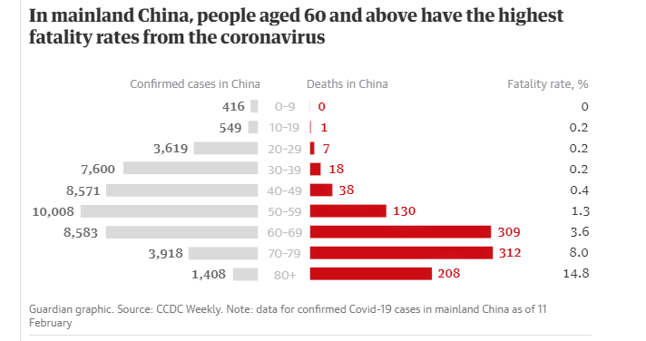
12.5 | 10-14 | 0 | 0 | 0 | 0.0 | 0.0205 | 0.01%
17.5 | 15–19 | 1 | 1 | 1 | 0.2 | 0.1591 | 0.10%
22.5 | 20-24 | 2 | 0 | 3 | 0.5 | 0.2977 | 0.33%
27.5 | 25–29 | 5 | 7 | 8 | 0.9 | 0.4455 | 0.78%
32.5 | 30-34 | 8 | 0 | 16 | 1.5 | 0.5934 | 1.52%
37.5 | 35–39 | 10 | 18 | 26 | 2.1 | 0.5677 | 2.54%
42.5 | 40-44 | 13 | 0 | 39 | 2.6 | 0.5421 | 3.82%
47.5 | 45–49 | 25 | 38 | 64 | 5.0 | 2.3482 | 6.26%
52.5 | 50–54 | 46 | 0 | 110 | 9.1 | 4.1543 | 10.72%
57.5 | 55–59 | 84 | 130 | 194 | 16.9 | 7.7433 | 18.96%
62.5 | 60–64 | 141 | 0 | 335 | 28.2 | 11.3324 | 32.75%
67.5 | 65–69 | 168 | 309 | 503 | 33.6 | 5.3919 | 49.17%
72.5 | 70–74 | 165 | 0 | 668 | 33.0 | -0.5484 | 65.32%
77.5 | 74–79 | 147 | 312 | 815 | 29.4 | -3.6952 | 79.67%
82.5 | 80-84 | 113 | 0 | 928 | 22.5 | -6.8419 | 90.67%
87.5 | 85+ | 95 | 208 | 1023 | 19.1 | -3.4210 | 100.00% | 208

 |  | 1023 | 1023

313.97748553 | 95.447514103 | 146.7619759 | 167.9798079 | 84.358229648 | 24.870418985 | 10.419272988 | 4.6138108103 | 0.89774393016

18654 | 208 | 312 | 309 | 130 | 38 | 18 | 7 | 1
313.97748553 | 95.447510139 | 146.76197162 | 167.97980265 | 84.35821306 | 24.870386254 | 10.419283772 | 4.6138264109 | 0.8977223266

New 15May2020
 |  | Total
 |  | ALL |  | 65-74 |  | 75-84 |  | 85+ |  | <65
Year | Week | Total | Excess | Total | Excess | Total | Excess | Total | Excess | Total | Excess
2017 | 46 | 52,747 | -1,340 | 8,521 | -344 | 14,280 | -762 | 22,381 | -819 | 7,565 | 585
 | 47 | 53,567 | -1,036 | 8,606 | -309 | 14,804 | -374 | 22,723 | -808 | 7,434 | 455
 | 48 | 53,918 | -1,177 | 8,618 | -344 | 14,993 | -315 | 22,828 | -1,023 | 7,479 | 505
 | 49 | 56,398 | 842 | 9,006 | 13 | 15,429 | -1 | 24,154 | 0 | 7,809 | 830

 | 50 | 58,726 | 2,748 | 9,184 | 138 | 16,169 | 631 | 25,363 | 928 | 8,010 | 1,051
 | 51 | 60,311 | 3,960 | 9,382 | 301 | 16,609 | 975 | 26,327 | 1,638 | 7,993 | 1,046
 | 52 | 63,167 | 6,497 | 9,778 | 668 | 17,163 | 1,450 | 27,750 | 2,839 | 8,476 | 1,540
 |  |  | 10,494 |  | 123 |  | 1,604 |  | 2,755 |  | 6,012
 |  |  | 14,047 |  | 1,120 |  | 3,055 |  | 5,405 |  | 4,467

 |  | Base Line
 |  | ALL |  | 65-74 |  | 65-74 |  | 85+ |  | <65
Year | Week | Total | T(t)-T(t-1) | Total | T(t)-T(t-1) | Total | T(t)-T(t-1) | Total | T(t)-T(t-1) | Total | T(t)-T(t-1)
2017 | 46 | 54,087 |  | 8,865 |  | 15,042 |  | 23,200 |  | 6,980
 | 47 | 54,603 | 516 | 8,915 | 50 | 15,178 | 136 | 23,531 | 331 | 6,979 | -1
 | 48 | 55,095 | 492 | 8,962 | 47 | 15,308 | 130 | 23,851 | 320 | 6,974 | -5
 | 49 | 55,556 | 461 | 8,993 | 31 | 15,430 | 122 | 24,154 | 303 | 6,979 | 5
 | 50 | 55,978 | 422 | 9,046 | 53 | 15,538 | 108 | 24,435 | 281 | 6,959 | -20
 | 51 | 56,351 | 373 | 9,081 | 35 | 15,634 | 96 | 24,689 | 254 | 6,947 | -12
 | 52 | 56,670 | 319 | 9,110 | 29 | 15,713 | 79 | 24,911 | 222 | 6,936 | -11
 |  |  |  |  |  |  |  |  |  |  |  |  |  |  |  |  |  | Read of Excess Death
 | Week | All | Base | Excess | Excess2 | Day |  |  |  | Week | Total All Ages | Base Line | Excess | Running Total |  | Year | Week | All | <65 | 65-74 | 75-84 | 85+ | From wk 08
2020 | 08 | 54,697 | 57,555 | -2,858 | 1,792 | 2020-02-25 | 43886 | 1 |  | 08 | 54,697 | 57,555 | -2,858 | -2,858 |  | 2020 | 08 | 23,207 | 3,587 | 3,466 | 5,590 | 10,564 | 0
 | 09 | 55,499 | 57,287 | -1,788 | 4,385 | 2020-03-03 | 43893 | 2 |  | 09 | 55,499 | 57,287 | -1,788 | -4,646 |  |  | 09 | 24,085 |  |  |  |  | 878
 | 10 | 55,752 | 56,957 | -1,205 | 7,232 | 2020-03-10 | 43900 | 3 |  | 10 | 55,752 | 56,957 | -1,205 | -5,851 |  |  | 10 | 25,588 |  |  |  |  | 2,381
 | 11 | 56,974 | 56,573 | 401 | 11,300 | 2020-03-17 | 43907 | 4 |  | 11 | 56,974 | 56,573 | 401 | -5,450 |  |  | 11 | 29,018 |  |  |  |  | 5,811
 | 12 | 63,209 | 56,143 | 7534 | 21,604 | 2020-03-24 | 43914 | 5 |  | 12 | 63,209 | 56,143 | 7,534 | 2,084 |  |  | 12 | 39,856 |  |  |  |  | 16,649
 | 13 | 75,026 | 55,675 | 19849 | 43,725 | 2020-03-31 | 43921 | 6 |  | 13 | 75,026 | 55,675 | 19,849 | 21,933 |  |  | 13 | 64,220 |  |  |  |  | 41,013
 | 14 | 86,847 | 55,177 | 32188 | 77,666 | 2020-04-07 | 43928 | 7 |  | 14 | 86,847 | 55,177 | 32,188 | 54,121 |  |  | 14 | 109,746 |  |  |  |  | 86,539
 | 15 | 86,075 | 54,659 | 31947 | 110,836 | 2020-04-14 | 43935 | 8 |  | 15 | 86,075 | 54,659 | 31,947 | 86,068 |  |  | 15 | 136,502 |  |  |  |  | 113,295
 | 16 | 75,885 | 54,128 | 22291 | 133,815 | 2020-04-21 | 43942 | 9 |  | 16 | 75,885 | 54,128 | 22,291 | 108,359 |  |  | 16 | 162,014 |  |  |  |  | 138,807
 | 17 | 66,241 | 53,594 | 12647 | 147,151 | 2020-04-28 | 43949 | 10 |  | 17 | 66,241 | 53,594 | 12,647 | 121,006 |  | 154,982 | 17 | 178,189 |  |  |  |  | 154,982
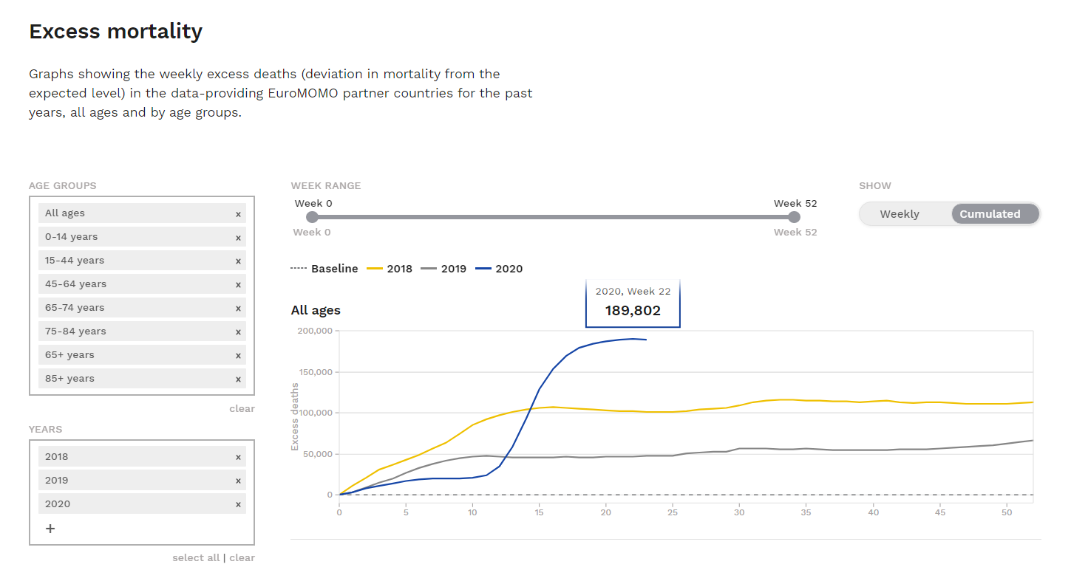
 | 18 | 58,287 | 53,064 | 5223 | 152,532 | 2020-05-05 | 43956 | 11 |  | 18 | 58,287 | 53,064 | 5,223 | 126,229 |  | 163,969 | 18 | 187,176 |  |  |  |  | 163,969
 | 19 | 53,379 | 52,546 | 833 | 153,006 | 2020-05-12 | 43963 | 12 |  | 19 | 53,379 | 52,546 | 833 | 127,062 | 174,801 | 169,693 | 19 | 192,900 |  |  |  |  | 169,693
 | 20 | 50,735 |  |  | 150,836 |  |  |  |  |  |  |  |  |  |  | 171,171 | 20 | 194,378 |  |  |  |  | 171,171
 | Total | 787,871 | 663,358 | 127,062 |  |  | 1.2041837843 |  |  |  |  |  |  |  |  | 168,579 | 21 | 191,786 | 17,505 | 24,232 | 58,161 | 91,888 | 168,579
 |  |  |  |  |  |  |  |  |  |  |  |  |  |  |  | 166,595 | 22 | 189,802 |  |  |  |  | 166,595
12 | 52,905 | 634,865 | 55279.833333 |  |  |  |  |  |  |  |  |  |  |  |  |  | 21-08 | 168,579 | 13,918 | 20,766 | 52,571 | 81,324
 |  | 153,006 |  |  |  |  |  |  |  |  |  |  |  |  |  |  |  | 100.00% | 8.26% | 12.32% | 31.18% | 48.24%

 |  | Base Correction |  | 23,774 | 1981.1319444 |  |  |  |  |  |  |  |  |  |  |  |  | 482

Year | Week | All | 65-74 | 75-84 | 85+ | <65 |  |  |  |  |  |  |  |  |  |  |  | 126.56%
2020 | 19 | 174,801 | 22,968 | 53,483 | 82,701 | 15,649
 | 08 | 21,795 | 3,455 | 5,305 | 9,470 | 3,565
 | wk19-wk08 | 153,006 | 19,513 | 48,178 | 73,231 | 12,084
 |  | 100.0% | 12.8% | 31.5% | 47.9% | 7.9%
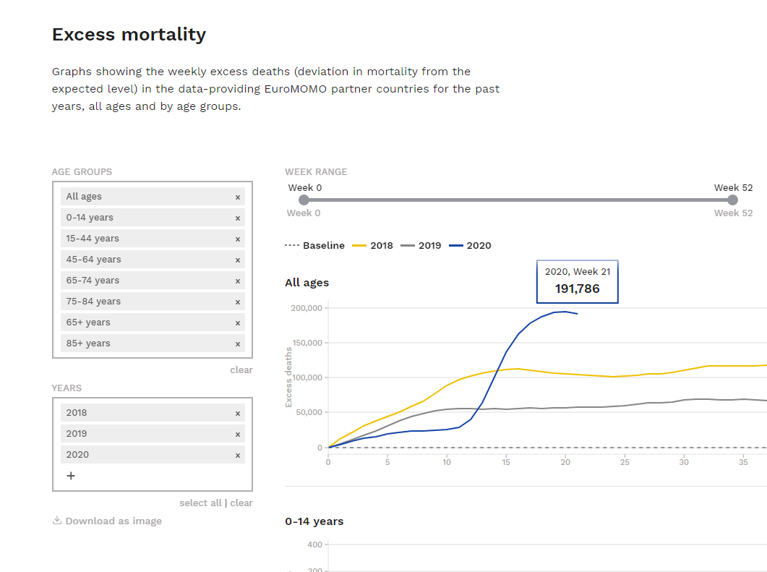

Year | Week | All | 65-74 | 75-84 | 85+ | <65
2018 | 19 | 105,285 | 12,655 | 25,606 | 58,270 | 8,754
 | 1 | 0 | 0 | 0 | 0 | 0
 | wk19-wk01 | 105,285 | 12,655 | 25,606 | 58,270 | 8,754
 |  | 100.0% | 12.0% | 24.3% | 55.3% | 8.3%

2000 | 670 | 830 | 1000

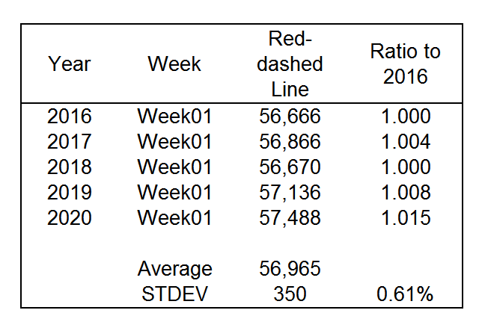
Year | Week | Red-dashed Line | Ratio to 2016
2016 | Week01 | 56,666 | 1.000
2017 | Week01 | 56,866 | 1.004
2018 | Week01 | 56,670 | 1.000
2019 | Week01 | 57,136 | 1.008
2020 | Week01 | 57,488 | 1.015

 | Average | 56,965
 | STDEV | 350 | 0.61%

 |  |  |  |  |  |  |  |  |  |  |  | ALL 10K |  |  |  |  |  |  |  |  |  |  |  | 75-84 2K | 85+ 5K
 |  |  |  |  |  |  |  |  |  |  |  | 2000 |  |  |  |  |  |  |  |  |  |  |  | 830 | 1000
 |  |  |  |  |  |  |  |  |  |  |  |  |  |  |  |  |  |  |  | 65-74 2K
 |  |  |  |  |  |  |  |  |  |  |  |  |  |  |  |  |  |  |  | 670

FT Excess Mortality
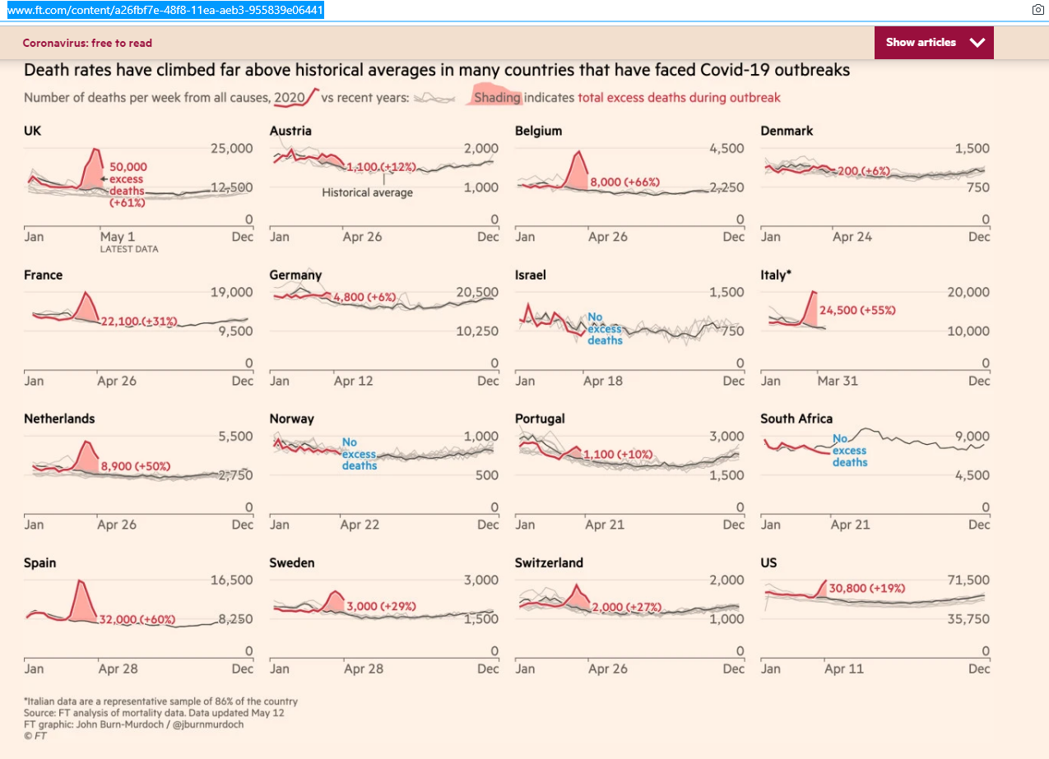

 |  |  |  |  |  | Country | FT | JHU 13-May
 |  |  |  |  |  | Austria | 1,100 | 604 | 496
 |  |  |  |  |  | Belgium | 8,000 | 8,227 | -227
 |  |  |  |  |  | Denmark | 1,500 | 501 | 999
 |  |  |  |  |  | France | 22,100 | 25,567 | -3,467
 |  |  |  |  |  | Germany | 4,800 | 7,214 | -2,414
 |  |  |  |  |  | Italy | 24,500 | 29,581 | -5,081
 |  |  |  |  |  | Netherlands | 8,900 | 5,216 | 3,684
 |  |  |  |  |  | Portugal | 1,100 | 1,079 | 21
 |  |  |  |  |  | Spain | 32,000 | 25,804 | 6,196
 |  |  |  |  |  | Sweden | 3,000 | 2,989 | 11
 |  |  |  |  |  | Switzerland | 2,000 | 1,797 | 203
 |  |  |  |  |  | UK | 50,000 | 29,954 | 20,046
 |  |  |  |  |  |  | 159,000 | 138,533 | 20,467
 |  |  |  |  |  |  | 157,900 | 137,929
 |  |  |  |  |  | Ireland |  | 1,371
 |  |  |  |  |  | Hungary |  | 374
 |  |  |  |  |  | Finland |  | 246
 |  |  |  |  |  | Norway |  | 215
 |  |  |  |  |  | Greece |  | 147
 |  |  |  |  |  | Luxembourg |  | 97
 |  |  |  |  |  | Estonia |  | 57
 |  |  |  |  |  | Malta |  | 4

 |  |  |  |  |  |  | 159,000 | 138,533

Country | JHU 13/5 | FT 13/5 | Difference
Austria | 624 | 1,100 | 476 |  | Austria
Belgium | 8,843 | 8,000 | -843 |  | Belgium
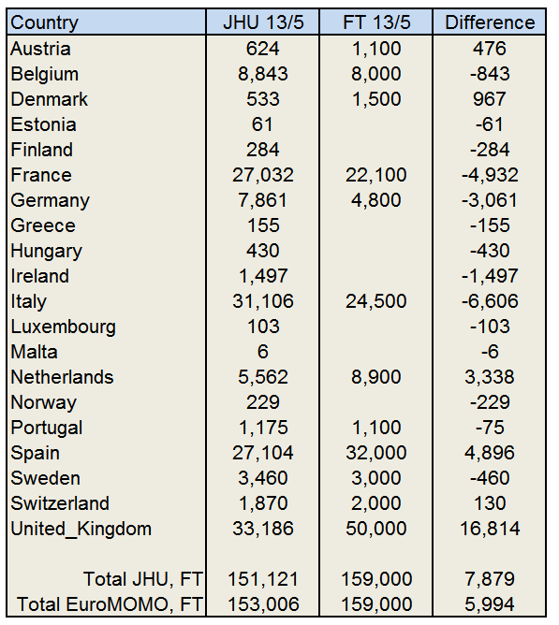
Denmark | 533 | 1,500 | 967 |  | Denmark
Estonia | 61 |  | -61 |  | Estonia
Finland | 284 |  | -284 |  | Finland
France | 27,032 | 22,100 | -4,932 |  | France
Germany | 7,861 | 4,800 | -3,061 |  | Germany
Greece | 155 |  | -155 |  | Greece
Hungary | 430 |  | -430 |  | Hungary
Ireland | 1,497 |  | -1,497 |  | Ireland
Italy | 31,106 | 24,500 | -6,606 |  | Italy
Luxembourg | 103 |  | -103 |  | Luxembourg
Malta | 6 |  | -6 |  | Malta
Netherlands | 5,562 | 8,900 | 3,338 |  | Netherlands
Norway | 229 |  | -229 |  | Norway
Portugal | 1,175 | 1,100 | -75 |  | Portugal
Spain | 27,104 | 32,000 | 4,896 |  | Spain
Sweden | 3,460 | 3,000 | -460 |  | Sweden
Switzerland | 1,870 | 2,000 | 130 |  | Switzerland
United_Kingdom | 33,186 | 50,000 | 16,814 |  | UK

Total JHU, FT | 151,121 | 159,000 | 7,879 | 5.21%
Total EuroMOMO, FT | 153,006 | 159,000 | 5,994 | 3.92%

 | 1.23%

PLOTS
EuroMOMO | 1 | 1 | 1 | 1 | 1 | 1 | 1 | 1 | 1 | 1 | 1 | 1 | 1 | 1 | 1 | 1 | 1 | 1 | 1 | 1 | 1 | 1 | 1 | 1 | 1 | 1 | 1 | 1 | 1 | 1 | 1 | 1 | 1 | 1 | 1 | 1 | 1 | 1 | 1 | 1
Country_Region | Austria | Belgium | Denmark | Estonia | Finland | France | Germany | Greece | Hungary | Ireland | Italy | Luxembourg | Malta | Netherlands | Norway | Portugal | Spain | Sweden | Switzerland | United_Kingdom | Austria | Belgium | Denmark | Estonia | Finland | France | Germany | Greece | Hungary | Ireland | Italy | Luxembourg | Malta | Netherlands | Norway | Portugal | Spain | Sweden | Switzerland | United_Kingdom | Total Confirmed | Total Deaths | Day Date | Date | Week Number | Order Index | All | Base | Excess | Excess2
Case_Type | Confirmed | Confirmed | Confirmed | Confirmed | Confirmed | Confirmed | Confirmed | Confirmed | Confirmed | Confirmed | Confirmed | Confirmed | Confirmed | Confirmed | Confirmed | Confirmed | Confirmed | Confirmed | Confirmed | Confirmed | Deaths | Deaths | Deaths | Deaths | Deaths | Deaths | Deaths | Deaths | Deaths | Deaths | Deaths | Deaths | Deaths | Deaths | Deaths | Deaths | Deaths | Deaths | Deaths | Deaths
nCases | 15873 | 52650 | 10332 | 1735 | 5811 | 173455 | 171542 | 2719 | 3235 | 22839 | 218698 | 3880 | 497 | 42395 | 8085 | 27286 | 225099 | 26236 | 30255 | 216765 | 15873 | 52650 | 10332 | 1735 | 5811 | 173455 | 171542 | 2719 | 3235 | 22839 | 218698 | 3880 | 497 | 42395 | 8085 | 27286 | 225099 | 26236 | 30255 | 216765
nDeaths | 616 | 8558 | 519 | 58 | 269 | 26431 | 7583 | 152 | 403 | 1439 | 30445 | 100 | 5 | 5409 | 223 | 1137 | 26550 | 3250 | 1840 | 31811 | 616 | 8558 | 519 | 58 | 269 | 26431 | 7583 | 152 | 403 | 1439 | 30445 | 100 | 5 | 5409 | 223 | 1137 | 26550 | 3250 | 1840 | 31811
Deaths_per_Case | 0.0388 | 0.1626 | 0.0503 | 0.0337 | 0.0464 | 0.1524 | 0.0442 | 0.0559 | 0.1247 | 0.063 | 0.1392 | 0.026 | 0.0112 | 0.1276 | 0.0277 | 0.0417 | 0.118 | 0.1239 | 0.0608 | 0.1468 | 0.0388 | 0.1626 | 0.0503 | 0.0337 | 0.0464 | 0.1524 | 0.0442 | 0.0559 | 0.1247 | 0.063 | 0.1392 | 0.026 | 0.0112 | 0.1276 | 0.0277 | 0.0417 | 0.118 | 0.1239 | 0.0608 | 0.1468 |  |  |  |  | 0 |  |  | 133 | 19 | 133
23-Jan-20 | 0 | 0 | 0 | 0 | 0 | 0 | 0 | 0 | 0 | 0 | 0 | 0 | 0 | 0 | 0 | 0 | 0 | 0 | 0 | 0 | 0 | 0 | 0 | 0 | 0 | 0 | 0 | 0 | 0 | 0 | 0 | 0 | 0 | 0 | 0 | 0 | 0 | 0 | 0 | 0 | 0 | 0 | 43831 | 2020-01-01 | 1 | 1
24-Jan-20 | 0 | 0 | 0 | 0 | 0 | 2 | 0 | 0 | 0 | 0 | 0 | 0 | 0 | 0 | 0 | 0 | 0 | 0 | 0 | 0 | 0 | 0 | 0 | 0 | 0 | 0 | 0 | 0 | 0 | 0 | 0 | 0 | 0 | 0 | 0 | 0 | 0 | 0 | 0 | 0 | 0 | 2 | 43854 | 2020-01-24 | 4 | 2
25-Jan-20 | 0 | 0 | 0 | 0 | 0 | 3 | 0 | 0 | 0 | 0 | 0 | 0 | 0 | 0 | 0 | 0 | 0 | 0 | 0 | 0 | 0 | 0 | 0 | 0 | 0 | 0 | 0 | 0 | 0 | 0 | 0 | 0 | 0 | 0 | 0 | 0 | 0 | 0 | 0 | 0 | 0 | 3 | 43855 | 2020-01-25 | 4 | 3
26-Jan-20 | 0 | 0 | 0 | 0 | 0 | 3 | 0 | 0 | 0 | 0 | 0 | 0 | 0 | 0 | 0 | 0 | 0 | 0 | 0 | 0 | 0 | 0 | 0 | 0 | 0 | 0 | 0 | 0 | 0 | 0 | 0 | 0 | 0 | 0 | 0 | 0 | 0 | 0 | 0 | 0 | 0 | 3 | 43856 | 2020-01-26 | 4 | 4
27-Jan-20 | 0 | 0 | 0 | 0 | 0 | 3 | 1 | 0 | 0 | 0 | 0 | 0 | 0 | 0 | 0 | 0 | 0 | 0 | 0 | 0 | 0 | 0 | 0 | 0 | 0 | 0 | 0 | 0 | 0 | 0 | 0 | 0 | 0 | 0 | 0 | 0 | 0 | 0 | 0 | 0 | 0 | 4 | 43857 | 2020-01-27 | 4 | 5
28-Jan-20 | 0 | 0 | 0 | 0 | 0 | 4 | 4 | 0 | 0 | 0 | 0 | 0 | 0 | 0 | 0 | 0 | 0 | 0 | 0 | 0 | 0 | 0 | 0 | 0 | 0 | 0 | 0 | 0 | 0 | 0 | 0 | 0 | 0 | 0 | 0 | 0 | 0 | 0 | 0 | 0 | 0 | 8 | 43858 | 2020-01-28 | 4 | 6
29-Jan-20 | 0 | 0 | 0 | 0 | 1 | 5 | 4 | 0 | 0 | 0 | 0 | 0 | 0 | 0 | 0 | 0 | 0 | 0 | 0 | 0 | 0 | 0 | 0 | 0 | 0 | 0 | 0 | 0 | 0 | 0 | 0 | 0 | 0 | 0 | 0 | 0 | 0 | 0 | 0 | 0 | 0 | 10 | 43859 | 2020-01-29 | 5 | 7
30-Jan-20 | 0 | 0 | 0 | 0 | 1 | 5 | 4 | 0 | 0 | 0 | 0 | 0 | 0 | 0 | 0 | 0 | 0 | 0 | 0 | 0 | 0 | 0 | 0 | 0 | 0 | 0 | 0 | 0 | 0 | 0 | 0 | 0 | 0 | 0 | 0 | 0 | 0 | 0 | 0 | 0 | 0 | 10 | 43860 | 2020-01-30 | 5 | 8
31-Jan-20 | 0 | 0 | 0 | 0 | 1 | 5 | 5 | 0 | 0 | 0 | 0 | 0 | 0 | 0 | 0 | 0 | 0 | 1 | 0 | 2 | 0 | 0 | 0 | 0 | 0 | 0 | 0 | 0 | 0 | 0 | 0 | 0 | 0 | 0 | 0 | 0 | 0 | 0 | 0 | 0 | 0 | 14 | 43861 | 2020-01-31 | 5 | 9
1-Feb-20 | 0 | 0 | 0 | 0 | 1 | 6 | 8 | 0 | 0 | 0 | 0 | 0 | 0 | 0 | 0 | 0 | 1 | 1 | 0 | 2 | 0 | 0 | 0 | 0 | 0 | 0 | 0 | 0 | 0 | 0 | 0 | 0 | 0 | 0 | 0 | 0 | 0 | 0 | 0 | 0 | 0 | 19 | 43862 | 2020-02-01 | 5 | 10
2-Feb-20 | 0 | 0 | 0 | 0 | 1 | 6 | 10 | 0 | 0 | 0 | 0 | 0 | 0 | 0 | 0 | 0 | 1 | 1 | 0 | 2 | 0 | 0 | 0 | 0 | 0 | 0 | 0 | 0 | 0 | 0 | 0 | 0 | 0 | 0 | 0 | 0 | 0 | 0 | 0 | 0 | 0 | 21 | 43863 | 2020-02-02 | 5 | 11
3-Feb-20 | 0 | 0 | 0 | 0 | 1 | 6 | 12 | 0 | 0 | 0 | 0 | 0 | 0 | 0 | 0 | 0 | 1 | 1 | 0 | 2 | 0 | 0 | 0 | 0 | 0 | 0 | 0 | 0 | 0 | 0 | 0 | 0 | 0 | 0 | 0 | 0 | 0 | 0 | 0 | 0 | 0 | 23 | 43864 | 2020-02-03 | 5 | 12
4-Feb-20 | 0 | 1 | 0 | 0 | 1 | 6 | 12 | 0 | 0 | 0 | 0 | 0 | 0 | 0 | 0 | 0 | 1 | 1 | 0 | 2 | 0 | 0 | 0 | 0 | 0 | 0 | 0 | 0 | 0 | 0 | 0 | 0 | 0 | 0 | 0 | 0 | 0 | 0 | 0 | 0 | 0 | 24 | 43865 | 2020-02-04 | 5 | 13
5-Feb-20 | 0 | 1 | 0 | 0 | 1 | 6 | 12 | 0 | 0 | 0 | 0 | 0 | 0 | 0 | 0 | 0 | 1 | 1 | 0 | 2 | 0 | 0 | 0 | 0 | 0 | 0 | 0 | 0 | 0 | 0 | 0 | 0 | 0 | 0 | 0 | 0 | 0 | 0 | 0 | 0 | 0 | 24 | 43866 | 2020-02-05 | 6 | 14
6-Feb-20 | 0 | 1 | 0 | 0 | 1 | 6 | 12 | 0 | 0 | 0 | 0 | 0 | 0 | 0 | 0 | 0 | 1 | 1 | 0 | 2 | 0 | 0 | 0 | 0 | 0 | 0 | 0 | 0 | 0 | 0 | 0 | 0 | 0 | 0 | 0 | 0 | 0 | 0 | 0 | 0 | 0 | 24 | 43867 | 2020-02-06 | 6 | 15
7-Feb-20 | 0 | 1 | 0 | 0 | 1 | 6 | 13 | 0 | 0 | 0 | 0 | 0 | 0 | 0 | 0 | 0 | 1 | 1 | 0 | 3 | 0 | 0 | 0 | 0 | 0 | 0 | 0 | 0 | 0 | 0 | 0 | 0 | 0 | 0 | 0 | 0 | 0 | 0 | 0 | 0 | 0 | 26 | 43868 | 2020-02-07 | 6 | 16
8-Feb-20 | 0 | 1 | 0 | 0 | 1 | 11 | 13 | 0 | 0 | 0 | 0 | 0 | 0 | 0 | 0 | 0 | 1 | 1 | 0 | 3 | 0 | 0 | 0 | 0 | 0 | 0 | 0 | 0 | 0 | 0 | 0 | 0 | 0 | 0 | 0 | 0 | 0 | 0 | 0 | 0 | 0 | 31 | 43869 | 2020-02-08 | 6 | 17
9-Feb-20 | 0 | 1 | 0 | 0 | 1 | 11 | 14 | 0 | 0 | 0 | 0 | 0 | 0 | 0 | 0 | 0 | 2 | 1 | 0 | 3 | 0 | 0 | 0 | 0 | 0 | 0 | 0 | 0 | 0 | 0 | 0 | 0 | 0 | 0 | 0 | 0 | 0 | 0 | 0 | 0 | 0 | 33 | 43870 | 2020-02-09 | 6 | 18
10-Feb-20 | 0 | 1 | 0 | 0 | 1 | 11 | 14 | 0 | 0 | 0 | 0 | 0 | 0 | 0 | 0 | 0 | 2 | 1 | 0 | 8 | 0 | 0 | 0 | 0 | 0 | 0 | 0 | 0 | 0 | 0 | 0 | 0 | 0 | 0 | 0 | 0 | 0 | 0 | 0 | 0 | 0 | 38 | 43871 | 2020-02-10 | 6 | 19
11-Feb-20 | 0 | 1 | 0 | 0 | 1 | 11 | 16 | 0 | 0 | 0 | 0 | 0 | 0 | 0 | 0 | 0 | 2 | 1 | 0 | 8 | 0 | 0 | 0 | 0 | 0 | 0 | 0 | 0 | 0 | 0 | 0 | 0 | 0 | 0 | 0 | 0 | 0 | 0 | 0 | 0 | 0 | 40 | 43872 | 2020-02-11 | 6 | 20
12-Feb-20 | 0 | 1 | 0 | 0 | 1 | 11 | 16 | 0 | 0 | 0 | 0 | 0 | 0 | 0 | 0 | 0 | 2 | 1 | 0 | 9 | 0 | 0 | 0 | 0 | 0 | 0 | 0 | 0 | 0 | 0 | 0 | 0 | 0 | 0 | 0 | 0 | 0 | 0 | 0 | 0 | 0 | 41 | 43873 | 2020-02-12 | 7 | 21
13-Feb-20 | 0 | 1 | 0 | 0 | 1 | 11 | 16 | 0 | 0 | 0 | 0 | 0 | 0 | 0 | 0 | 0 | 2 | 1 | 0 | 9 | 0 | 0 | 0 | 0 | 0 | 0 | 0 | 0 | 0 | 0 | 0 | 0 | 0 | 0 | 0 | 0 | 0 | 0 | 0 | 0 | 0 | 41 | 43874 | 2020-02-13 | 7 | 22
14-Feb-20 | 0 | 1 | 0 | 0 | 1 | 11 | 16 | 0 | 0 | 0 | 0 | 0 | 0 | 0 | 0 | 0 | 2 | 1 | 0 | 9 | 0 | 0 | 0 | 0 | 0 | 0 | 0 | 0 | 0 | 0 | 0 | 0 | 0 | 0 | 0 | 0 | 0 | 0 | 0 | 0 | 0 | 41 | 43875 | 2020-02-14 | 7 | 23
15-Feb-20 | 0 | 1 | 0 | 0 | 1 | 12 | 16 | 0 | 0 | 0 | 0 | 0 | 0 | 0 | 0 | 0 | 2 | 1 | 0 | 9 | 0 | 0 | 0 | 0 | 0 | 1 | 0 | 0 | 0 | 0 | 0 | 0 | 0 | 0 | 0 | 0 | 0 | 0 | 0 | 0 | 1 | 42 | 43876 | 2020-02-15 | 7 | 24
16-Feb-20 | 0 | 1 | 0 | 0 | 1 | 12 | 16 | 0 | 0 | 0 | 0 | 0 | 0 | 0 | 0 | 0 | 2 | 1 | 0 | 9 | 0 | 0 | 0 | 0 | 0 | 1 | 0 | 0 | 0 | 0 | 0 | 0 | 0 | 0 | 0 | 0 | 0 | 0 | 0 | 0 | 1 | 42 | 43877 | 2020-02-16 | 7 | 25
17-Feb-20 | 0 | 1 | 0 | 0 | 1 | 12 | 16 | 0 | 0 | 0 | 0 | 0 | 0 | 0 | 0 | 0 | 2 | 1 | 0 | 9 | 0 | 0 | 0 | 0 | 0 | 1 | 0 | 0 | 0 | 0 | 0 | 0 | 0 | 0 | 0 | 0 | 0 | 0 | 0 | 0 | 1 | 42 | 43878 | 2020-02-17 | 7 | 26
18-Feb-20 | 0 | 1 | 0 | 0 | 1 | 12 | 16 | 0 | 0 | 0 | 0 | 0 | 0 | 0 | 0 | 0 | 2 | 1 | 0 | 9 | 0 | 0 | 0 | 0 | 0 | 1 | 0 | 0 | 0 | 0 | 0 | 0 | 0 | 0 | 0 | 0 | 0 | 0 | 0 | 0 | 1 | 42 | 43879 | 2020-02-18 | 7 | 27
19-Feb-20 | 0 | 1 | 0 | 0 | 1 | 12 | 16 | 0 | 0 | 0 | 0 | 0 | 0 | 0 | 0 | 0 | 2 | 1 | 0 | 9 | 0 | 0 | 0 | 0 | 0 | 1 | 0 | 0 | 0 | 0 | 0 | 0 | 0 | 0 | 0 | 0 | 0 | 0 | 0 | 0 | 1 | 42 | 43880 | 2020-02-19 | 8 | 28
20-Feb-20 | 0 | 1 | 0 | 0 | 1 | 12 | 16 | 0 | 0 | 0 | 0 | 0 | 0 | 0 | 0 | 0 | 2 | 1 | 0 | 9 | 0 | 0 | 0 | 0 | 0 | 1 | 0 | 0 | 0 | 0 | 0 | 0 | 0 | 0 | 0 | 0 | 0 | 0 | 0 | 0 | 1 | 42 | 43881 | 2020-02-20 | 8 | 29
21-Feb-20 | 0 | 1 | 0 | 0 | 1 | 12 | 16 | 0 | 0 | 0 | 0 | 0 | 0 | 0 | 0 | 0 | 2 | 1 | 0 | 9 | 0 | 0 | 0 | 0 | 0 | 1 | 0 | 0 | 0 | 0 | 0 | 0 | 0 | 0 | 0 | 0 | 0 | 0 | 0 | 0 | 1 | 42 | 43882 | 2020-02-21 | 8 | 30
22-Feb-20 | 0 | 1 | 0 | 0 | 1 | 12 | 16 | 0 | 0 | 0 | 0 | 0 | 0 | 0 | 0 | 0 | 2 | 1 | 0 | 9 | 0 | 0 | 0 | 0 | 0 | 1 | 0 | 0 | 0 | 0 | 0 | 0 | 0 | 0 | 0 | 0 | 0 | 0 | 0 | 0 | 1 | 42 | 43883 | 2020-02-22 | 8 | 31
23-Feb-20 | 0 | 1 | 0 | 0 | 1 | 12 | 16 | 0 | 0 | 0 | 0 | 0 | 0 | 0 | 0 | 0 | 2 | 1 | 0 | 9 | 0 | 0 | 0 | 0 | 0 | 1 | 0 | 0 | 0 | 0 | 0 | 0 | 0 | 0 | 0 | 0 | 0 | 0 | 0 | 0 | 1 | 42 | 43884 | 2020-02-23 | 8 | 32
24-Feb-20 | 0 | 1 | 0 | 0 | 1 | 12 | 16 | 0 | 0 | 0 | 229 | 0 | 0 | 0 | 0 | 0 | 2 | 1 | 0 | 13 | 0 | 0 | 0 | 0 | 0 | 1 | 0 | 0 | 0 | 0 | 7 | 0 | 0 | 0 | 0 | 0 | 0 | 0 | 0 | 0 | 8 | 275 | 43885 | 2020-02-24 | 8 | 33
25-Feb-20 | 2 | 1 | 0 | 0 | 1 | 14 | 17 | 0 | 0 | 0 | 322 | 0 | 0 | 0 | 0 | 0 | 6 | 1 | 1 | 13 | 0 | 0 | 0 | 0 | 0 | 1 | 0 | 0 | 0 | 0 | 10 | 0 | 0 | 0 | 0 | 0 | 0 | 0 | 0 | 0 | 11 | 378 | 43886 | 2020-02-25 | 8 | 34 | 54,697 | 57,555 | -2,858 | 1,792 | 2020-02-25 | 43886 | -2,858
26-Feb-20 | 2 | 1 | 0 | 0 | 2 | 18 | 27 | 1 | 0 | 0 | 400 | 0 | 0 | 0 | 1 | 0 | 13 | 2 | 1 | 13 | 0 | 0 | 0 | 0 | 0 | 2 | 0 | 0 | 0 | 0 | 12 | 0 | 0 | 0 | 0 | 0 | 0 | 0 | 0 | 0 | 14 | 481 | 43887 | 2020-02-26 | 9 | 35
27-Feb-20 | 3 | 1 | 1 | 1 | 2 | 38 | 46 | 3 | 0 | 0 | 650 | 0 | 0 | 1 | 1 | 0 | 15 | 7 | 8 | 15 | 0 | 0 | 0 | 0 | 0 | 2 | 0 | 0 | 0 | 0 | 17 | 0 | 0 | 0 | 0 | 0 | 0 | 0 | 0 | 0 | 19 | 792 | 43888 | 2020-02-27 | 9 | 36
28-Feb-20 | 3 | 1 | 1 | 1 | 2 | 57 | 48 | 4 | 0 | 0 | 888 | 0 | 0 | 1 | 6 | 0 | 32 | 7 | 8 | 20 | 0 | 0 | 0 | 0 | 0 | 2 | 0 | 0 | 0 | 0 | 21 | 0 | 0 | 0 | 0 | 0 | 0 | 0 | 0 | 0 | 23 | 1079 | 43889 | 2020-02-28 | 9 | 37
29-Feb-20 | 9 | 1 | 3 | 1 | 3 | 100 | 79 | 4 | 0 | 1 | 1128 | 1 | 0 | 6 | 15 | 0 | 45 | 12 | 18 | 23 | 0 | 0 | 0 | 0 | 0 | 2 | 0 | 0 | 0 | 0 | 29 | 0 | 0 | 0 | 0 | 0 | 0 | 0 | 0 | 0 | 31 | 1449 | 43890 | 2020-02-29 | 9 | 38
1-Mar-20 | 14 | 2 | 4 | 1 | 6 | 130 | 130 | 7 | 0 | 1 | 1694 | 1 | 0 | 10 | 19 | 0 | 84 | 14 | 27 | 36 | 0 | 0 | 0 | 0 | 0 | 2 | 0 | 0 | 0 | 0 | 34 | 0 | 0 | 0 | 0 | 0 | 0 | 0 | 0 | 0 | 36 | 2180 | 43891 | 2020-03-01 | 9 | 39
2-Mar-20 | 18 | 8 | 4 | 1 | 6 | 191 | 159 | 7 | 0 | 1 | 2036 | 1 | 0 | 18 | 25 | 2 | 120 | 15 | 42 | 40 | 0 | 0 | 0 | 0 | 0 | 3 | 0 | 0 | 0 | 0 | 52 | 0 | 0 | 0 | 0 | 0 | 0 | 0 | 0 | 0 | 55 | 2694 | 43892 | 2020-03-02 | 9 | 40
3-Mar-20 | 21 | 13 | 6 | 2 | 6 | 204 | 196 | 7 | 0 | 2 | 2502 | 1 | 0 | 24 | 32 | 2 | 165 | 21 | 56 | 51 | 0 | 0 | 0 | 0 | 0 | 4 | 0 | 0 | 0 | 0 | 79 | 0 | 0 | 0 | 0 | 0 | 1 | 0 | 0 | 0 | 84 | 3311 | 43893 | 2020-03-03 | 9 | 41 | 55,499 | 57,287 | -1,788 | 4,385 | 2020-03-03 | 43893 | -4,646
4-Mar-20 | 29 | 23 | 10 | 2 | 6 | 285 | 262 | 9 | 2 | 6 | 3089 | 1 | 0 | 38 | 56 | 5 | 222 | 35 | 90 | 85 | 0 | 0 | 0 | 0 | 0 | 4 | 0 | 0 | 0 | 0 | 107 | 0 | 0 | 0 | 0 | 0 | 2 | 0 | 0 | 0 | 113 | 4255 | 43894 | 2020-03-04 | 10 | 42
5-Mar-20 | 41 | 50 | 10 | 3 | 12 | 377 | 482 | 31 | 2 | 6 | 3858 | 1 | 0 | 82 | 87 | 8 | 259 | 94 | 114 | 115 | 0 | 0 | 0 | 0 | 0 | 6 | 0 | 0 | 0 | 0 | 148 | 0 | 0 | 0 | 0 | 0 | 3 | 0 | 1 | 0 | 158 | 5632 | 43895 | 2020-03-05 | 10 | 43
6-Mar-20 | 55 | 109 | 23 | 10 | 15 | 653 | 670 | 45 | 2 | 18 | 4636 | 2 | 0 | 128 | 108 | 13 | 400 | 101 | 214 | 163 | 0 | 0 | 0 | 0 | 0 | 9 | 0 | 0 | 0 | 0 | 197 | 0 | 0 | 1 | 0 | 0 | 5 | 0 | 1 | 1 | 214 | 7365 | 43896 | 2020-03-06 | 10 | 44
7-Mar-20 | 79 | 169 | 23 | 10 | 15 | 949 | 799 | 46 | 4 | 18 | 5883 | 2 | 3 | 188 | 147 | 20 | 500 | 161 | 268 | 206 | 0 | 0 | 0 | 0 | 0 | 11 | 0 | 0 | 0 | 0 | 233 | 0 | 0 | 1 | 0 | 0 | 10 | 0 | 1 | 2 | 258 | 9490 | 43897 | 2020-03-07 | 10 | 45
8-Mar-20 | 104 | 200 | 35 | 10 | 23 | 1126 | 1040 | 73 | 7 | 19 | 7375 | 3 | 3 | 265 | 176 | 30 | 673 | 203 | 337 | 273 | 0 | 0 | 0 | 0 | 0 | 19 | 0 | 0 | 0 | 0 | 366 | 0 | 0 | 3 | 0 | 0 | 17 | 0 | 2 | 2 | 409 | 11975 | 43898 | 2020-03-08 | 10 | 46
9-Mar-20 | 131 | 239 | 90 | 10 | 30 | 1209 | 1176 | 73 | 9 | 21 | 9172 | 3 | 3 | 321 | 205 | 30 | 1073 | 248 | 374 | 321 | 0 | 0 | 0 | 0 | 0 | 19 | 2 | 0 | 0 | 0 | 463 | 0 | 0 | 3 | 0 | 0 | 28 | 0 | 2 | 3 | 520 | 14738 | 43899 | 2020-03-09 | 10 | 47
10-Mar-20 | 182 | 267 | 262 | 12 | 40 | 1784 | 1457 | 89 | 9 | 34 | 10149 | 5 | 5 | 382 | 400 | 41 | 1695 | 355 | 491 | 382 | 0 | 0 | 0 | 0 | 0 | 33 | 2 | 0 | 0 | 0 | 631 | 0 | 0 | 4 | 0 | 0 | 35 | 0 | 3 | 7 | 715 | 18041 | 43900 | 2020-03-10 | 10 | 48 | 55,752 | 56,957 | -1,205 | 7,232 | 2020-03-10 | 43900 | -5,851
11-Mar-20 | 246 | 314 | 442 | 16 | 59 | 2281 | 1908 | 99 | 13 | 43 | 12462 | 7 | 6 | 503 | 598 | 59 | 2277 | 500 | 652 | 456 | 0 | 3 | 0 | 0 | 0 | 48 | 3 | 1 | 0 | 1 | 827 | 0 | 0 | 5 | 0 | 0 | 54 | 1 | 4 | 7 | 954 | 22941 | 43901 | 2020-03-11 | 11 | 49
12-Mar-20 | 302 | 314 | 615 | 16 | 59 | 2281 | 2078 | 99 | 13 | 43 | 15113 | 19 | 6 | 503 | 702 | 59 | 2277 | 599 | 652 | 456 | 1 | 3 | 0 | 0 | 0 | 48 | 3 | 1 | 0 | 1 | 1016 | 0 | 0 | 5 | 0 | 0 | 55 | 1 | 4 | 9 | 1147 | 26206 | 43902 | 2020-03-12 | 11 | 50
13-Mar-20 | 504 | 559 | 801 | 79 | 155 | 3661 | 3675 | 190 | 19 | 90 | 17660 | 34 | 12 | 804 | 996 | 112 | 5232 | 814 | 1139 | 798 | 1 | 3 | 0 | 0 | 0 | 79 | 7 | 1 | 0 | 1 | 1266 | 0 | 0 | 10 | 0 | 0 | 133 | 1 | 11 | 10 | 1523 | 37334 | 43903 | 2020-03-13 | 11 | 51
14-Mar-20 | 655 | 689 | 827 | 115 | 225 | 4469 | 4585 | 228 | 30 | 129 | 21157 | 51 | 18 | 959 | 1090 | 169 | 6391 | 961 | 1359 | 1140 | 1 | 4 | 1 | 0 | 0 | 91 | 9 | 3 | 0 | 2 | 1441 | 1 | 0 | 12 | 3 | 0 | 195 | 2 | 13 | 28 | 1806 | 45247 | 43904 | 2020-03-14 | 11 | 52
15-Mar-20 | 860 | 886 | 864 | 171 | 244 | 4499 | 5795 | 331 | 32 | 129 | 24747 | 59 | 21 | 1135 | 1221 | 245 | 7798 | 1022 | 2200 | 1140 | 1 | 4 | 2 | 0 | 0 | 91 | 11 | 4 | 1 | 2 | 1809 | 1 | 0 | 20 | 3 | 0 | 289 | 3 | 14 | 43 | 2298 | 53399 | 43905 | 2020-03-15 | 11 | 53
16-Mar-20 | 1018 | 1058 | 914 | 205 | 277 | 6633 | 7272 | 331 | 39 | 169 | 27980 | 77 | 30 | 1413 | 1333 | 331 | 9942 | 1103 | 2200 | 1543 | 3 | 5 | 3 | 0 | 0 | 148 | 17 | 4 | 1 | 2 | 2158 | 1 | 0 | 24 | 3 | 0 | 342 | 6 | 14 | 65 | 2796 | 63868 | 43906 | 2020-03-16 | 11 | 54
17-Mar-20 | 1332 | 1243 | 977 | 225 | 321 | 7652 | 9257 | 387 | 50 | 223 | 31506 | 140 | 38 | 1705 | 1463 | 448 | 11748 | 1190 | 2700 | 1950 | 3 | 10 | 4 | 0 | 0 | 148 | 24 | 5 | 1 | 2 | 2503 | 1 | 0 | 43 | 3 | 1 | 533 | 7 | 27 | 81 | 3396 | 74555 | 43907 | 2020-03-17 | 11 | 55 | 56,974 | 56,573 | 401 | 11,300 | 2020-03-17 | 43907 | -5,450
18-Mar-20 | 1646 | 1486 | 1057 | 258 | 336 | 9043 | 12327 | 418 | 58 | 292 | 35713 | 203 | 38 | 2051 | 1550 | 448 | 13910 | 1279 | 3028 | 2626 | 4 | 14 | 4 | 0 | 0 | 148 | 28 | 5 | 1 | 2 | 2978 | 2 | 0 | 58 | 6 | 2 | 623 | 10 | 28 | 115 | 4028 | 87767 | 43908 | 2020-03-18 | 12 | 56
19-Mar-20 | 2013 | 1795 | 1151 | 267 | 400 | 10871 | 15320 | 418 | 73 | 557 | 41035 | 335 | 53 | 2460 | 1746 | 785 | 17963 | 1439 | 4075 | 2689 | 6 | 21 | 6 | 0 | 0 | 243 | 44 | 6 | 1 | 3 | 3405 | 4 | 0 | 76 | 7 | 3 | 830 | 11 | 41 | 158 | 4865 | 105445 | 43909 | 2020-03-19 | 12 | 57
20-Mar-20 | 2388 | 2257 | 1255 | 283 | 450 | 12612 | 19848 | 495 | 85 | 683 | 47021 | 484 | 64 | 2994 | 1914 | 1020 | 20410 | 1639 | 5294 | 3983 | 6 | 37 | 9 | 0 | 0 | 450 | 67 | 6 | 3 | 3 | 4032 | 4 | 0 | 106 | 7 | 6 | 1043 | 16 | 54 | 194 | 6043 | 125179 | 43910 | 2020-03-20 | 12 | 58
21-Mar-20 | 2814 | 2815 | 1326 | 306 | 523 | 14282 | 22213 | 530 | 103 | 785 | 53578 | 670 | 73 | 3631 | 2118 | 1280 | 25374 | 1763 | 6575 | 5018 | 8 | 67 | 13 | 0 | 1 | 562 | 84 | 13 | 4 | 3 | 4825 | 8 | 0 | 136 | 7 | 12 | 1375 | 20 | 75 | 250 | 7463 | 145777 | 43911 | 2020-03-21 | 12 | 59
22-Mar-20 | 3582 | 3401 | 1395 | 326 | 626 | 16018 | 24873 | 624 | 131 | 906 | 59138 | 798 | 90 | 4204 | 2385 | 1600 | 28768 | 1934 | 7474 | 5683 | 16 | 75 | 13 | 0 | 1 | 674 | 94 | 15 | 6 | 4 | 5476 | 8 | 0 | 179 | 7 | 14 | 1772 | 21 | 98 | 285 | 8758 | 163956 | 43912 | 2020-03-22 | 12 | 60
23-Mar-20 | 4474 | 3743 | 1450 | 352 | 700 | 19856 | 29056 | 695 | 167 | 1125 | 63927 | 875 | 107 | 4749 | 2621 | 2060 | 35136 | 2046 | 8795 | 6650 | 21 | 88 | 24 | 0 | 1 | 860 | 123 | 17 | 7 | 6 | 6077 | 8 | 0 | 213 | 10 | 23 | 2311 | 25 | 120 | 359 | 10293 | 188584 | 43913 | 2020-03-23 | 12 | 61
24-Mar-20 | 5283 | 4269 | 1591 | 369 | 792 | 22304 | 32986 | 743 | 187 | 1329 | 69176 | 1099 | 110 | 5560 | 2863 | 2362 | 39885 | 2286 | 9877 | 8077 | 28 | 122 | 32 | 0 | 1 | 1100 | 157 | 20 | 9 | 7 | 6820 | 8 | 0 | 276 | 12 | 33 | 2808 | 36 | 122 | 508 | 12099 | 211148 | 43914 | 2020-03-24 | 12 | 62 | 63,209 | 56,143 | 7534 | 21,604 | 2020-03-24 | 43914 | 2,084
25-Mar-20 | 5588 | 4937 | 1724 | 404 | 880 | 25233 | 37323 | 821 | 226 | 1564 | 74386 | 1333 | 129 | 6412 | 3084 | 2995 | 49515 | 2526 | 10897 | 9529 | 30 | 178 | 34 | 1 | 3 | 1331 | 206 | 22 | 10 | 9 | 7503 | 8 | 0 | 356 | 14 | 43 | 3647 | 62 | 153 | 694 | 14304 | 239506 | 43915 | 2020-03-25 | 13 | 63
26-Mar-20 | 6909 | 6235 | 1877 | 538 | 958 | 29155 | 43938 | 892 | 261 | 1819 | 80539 | 1453 | 134 | 7431 | 3369 | 3544 | 57786 | 2840 | 11811 | 11658 | 49 | 220 | 41 | 1 | 5 | 1696 | 267 | 26 | 10 | 19 | 8165 | 9 | 0 | 434 | 14 | 60 | 4365 | 77 | 191 | 877 | 16526 | 273147 | 43916 | 2020-03-26 | 13 | 64
27-Mar-20 | 7657 | 7284 | 2046 | 575 | 1041 | 32964 | 50871 | 966 | 300 | 2121 | 86498 | 1605 | 139 | 8603 | 3755 | 4268 | 65719 | 3069 | 12928 | 14543 | 58 | 289 | 52 | 1 | 7 | 1995 | 342 | 28 | 10 | 22 | 9134 | 15 | 0 | 546 | 19 | 76 | 5138 | 105 | 231 | 1161 | 19229 | 306952 | 43917 | 2020-03-27 | 13 | 65
28-Mar-20 | 8271 | 9134 | 2201 | 645 | 1167 | 37575 | 57695 | 1061 | 343 | 2415 | 92472 | 1831 | 149 | 9762 | 4015 | 5170 | 73235 | 3447 | 14076 | 17089 | 68 | 353 | 65 | 1 | 9 | 2314 | 433 | 32 | 11 | 36 | 10023 | 18 | 0 | 639 | 23 | 100 | 5982 | 105 | 264 | 1455 | 21931 | 341753 | 43918 | 2020-03-28 | 13 | 66
29-Mar-20 | 8788 | 10836 | 2395 | 679 | 1240 | 40174 | 62095 | 1156 | 408 | 2615 | 97689 | 1950 | 151 | 10866 | 4284 | 5962 | 80110 | 3700 | 14829 | 19522 | 86 | 431 | 72 | 3 | 11 | 2606 | 533 | 38 | 13 | 46 | 10779 | 21 | 0 | 771 | 25 | 119 | 6803 | 110 | 300 | 1669 | 24436 | 369449 | 43919 | 2020-03-29 | 13 | 67
30-Mar-20 | 9618 | 11899 | 2577 | 715 | 1352 | 44550 | 66885 | 1212 | 447 | 2910 | 101739 | 1988 | 156 | 11750 | 4445 | 6408 | 87956 | 4028 | 15922 | 22141 | 108 | 513 | 77 | 3 | 13 | 3024 | 645 | 43 | 15 | 54 | 11591 | 22 | 0 | 864 | 32 | 140 | 7716 | 146 | 359 | 2043 | 27408 | 398698 | 43920 | 2020-03-30 | 13 | 68
31-Mar-20 | 10180 | 12775 | 2860 | 745 | 1418 | 52128 | 71808 | 1314 | 492 | 3235 | 105792 | 2178 | 169 | 12595 | 4641 | 7443 | 95923 | 4435 | 16605 | 25150 | 128 | 705 | 90 | 4 | 17 | 3523 | 775 | 49 | 16 | 71 | 12428 | 23 | 0 | 1039 | 39 | 160 | 8464 | 180 | 433 | 2425 | 30569 | 431886 | 43921 | 2020-03-31 | 13 | 69 | 75,026 | 55,675 | 19849 | 43,725 | 2020-03-31 | 43921 | 21,933
1-Apr-20 | 10711 | 13964 | 3107 | 779 | 1446 | 56989 | 77872 | 1415 | 525 | 3447 | 110574 | 2319 | 188 | 13614 | 4863 | 8251 | 104118 | 4947 | 17768 | 29474 | 146 | 828 | 104 | 5 | 17 | 4403 | 920 | 50 | 20 | 85 | 13155 | 29 | 0 | 1173 | 44 | 187 | 9387 | 239 | 488 | 3095 | 34375 | 466371 | 43922 | 2020-04-01 | 14 | 70
2-Apr-20 | 11129 | 15348 | 3386 | 858 | 1518 | 59105 | 84794 | 1544 | 585 | 3849 | 115242 | 2487 | 196 | 14697 | 5147 | 9034 | 112065 | 5568 | 18827 | 33718 | 158 | 1011 | 123 | 11 | 19 | 5387 | 1107 | 53 | 21 | 98 | 13915 | 30 | 0 | 1339 | 50 | 209 | 10348 | 308 | 536 | 3747 | 38470 | 499097 | 43923 | 2020-04-02 | 14 | 71
3-Apr-20 | 11524 | 16770 | 3757 | 961 | 1615 | 64338 | 91159 | 1613 | 623 | 4273 | 119827 | 2612 | 202 | 15723 | 5370 | 9886 | 119199 | 6131 | 19606 | 38168 | 168 | 1143 | 139 | 12 | 20 | 6507 | 1275 | 63 | 26 | 120 | 14681 | 31 | 0 | 1487 | 59 | 246 | 11198 | 358 | 591 | 4461 | 42585 | 533357 | 43924 | 2020-04-03 | 14 | 72
4-Apr-20 | 11781 | 18431 | 4077 | 1039 | 1882 | 68605 | 96092 | 1673 | 678 | 4604 | 124632 | 2729 | 213 | 16627 | 5550 | 10524 | 126168 | 6443 | 20505 | 41903 | 186 | 1283 | 161 | 13 | 25 | 7560 | 1444 | 68 | 32 | 137 | 15362 | 31 | 0 | 1651 | 62 | 266 | 11947 | 373 | 666 | 5221 | 46488 | 564156 | 43925 | 2020-04-04 | 14 | 73
5-Apr-20 | 12051 | 19691 | 4369 | 1097 | 1927 | 70478 | 100123 | 1735 | 733 | 4994 | 128948 | 2804 | 227 | 17851 | 5687 | 11278 | 131646 | 6830 | 21100 | 47806 | 204 | 1447 | 179 | 15 | 28 | 8078 | 1584 | 73 | 34 | 158 | 15887 | 36 | 0 | 1766 | 71 | 295 | 12641 | 401 | 715 | 5865 | 49477 | 591375 | 43926 | 2020-04-05 | 14 | 74
6-Apr-20 | 12297 | 20814 | 4681 | 1108 | 2176 | 74390 | 103374 | 1755 | 744 | 5364 | 132547 | 2843 | 241 | 18803 | 5865 | 11730 | 136675 | 7206 | 21657 | 51608 | 220 | 1632 | 187 | 19 | 27 | 8911 | 1810 | 79 | 38 | 174 | 16523 | 41 | 0 | 1867 | 76 | 311 | 13341 | 477 | 765 | 6433 | 52931 | 615878 | 43927 | 2020-04-06 | 14 | 75
7-Apr-20 | 12639 | 22194 | 5071 | 1149 | 2308 | 78167 | 107663 | 1832 | 817 | 5709 | 135586 | 2970 | 293 | 19580 | 6086 | 12442 | 141942 | 7693 | 22253 | 55242 | 243 | 2035 | 203 | 21 | 34 | 10328 | 2016 | 81 | 47 | 210 | 17127 | 44 | 0 | 2101 | 89 | 345 | 14045 | 591 | 821 | 7471 | 57852 | 641636 | 43928 | 2020-04-07 | 14 | 76 | 86,847 | 55,177 | 32188 | 77,666 | 2020-04-07 | 43928 | 54,121
8-Apr-20 | 12942 | 23403 | 5402 | 1185 | 2487 | 82048 | 113296 | 1884 | 895 | 6074 | 139422 | 3034 | 299 | 20549 | 6086 | 13141 | 148220 | 8419 | 23280 | 60733 | 273 | 2240 | 218 | 24 | 40 | 10869 | 2349 | 83 | 58 | 235 | 17669 | 46 | 1 | 2248 | 101 | 380 | 14792 | 687 | 895 | 8505 | 61713 | 672799 | 43929 | 2020-04-08 | 15 | 77
9-Apr-20 | 13244 | 24983 | 5635 | 1207 | 2605 | 86334 | 118181 | 1955 | 980 | 6574 | 143626 | 3115 | 337 | 21762 | 6211 | 13956 | 153222 | 9141 | 24051 | 65077 | 295 | 2523 | 237 | 24 | 42 | 12210 | 2607 | 87 | 66 | 263 | 18279 | 52 | 2 | 2396 | 108 | 409 | 15447 | 793 | 948 | 9608 | 66396 | 702196 | 43930 | 2020-04-09 | 15 | 78
10-Apr-20 | 13555 | 26667 | 5819 | 1258 | 2769 | 90676 | 122171 | 2011 | 1190 | 8089 | 147577 | 3223 | 350 | 23097 | 6314 | 15472 | 158273 | 9685 | 24551 | 73758 | 319 | 3019 | 247 | 24 | 48 | 13197 | 2767 | 92 | 77 | 287 | 18849 | 54 | 2 | 2511 | 113 | 435 | 16081 | 870 | 1002 | 10760 | 70754 | 736505 | 43931 | 2020-04-10 | 15 | 79
11-Apr-20 | 13806 | 28018 | 5996 | 1304 | 2905 | 93790 | 124908 | 2081 | 1310 | 8928 | 152271 | 3270 | 370 | 24413 | 6409 | 15987 | 163027 | 10151 | 25107 | 78991 | 337 | 3346 | 260 | 24 | 49 | 13832 | 2736 | 93 | 85 | 320 | 19468 | 62 | 3 | 2643 | 119 | 470 | 16606 | 887 | 1036 | 11599 | 73975 | 763042 | 43932 | 2020-04-11 | 15 | 80
12-Apr-20 | 13945 | 29647 | 6174 | 1309 | 2974 | 120633 | 127854 | 2114 | 1410 | 9655 | 156363 | 3281 | 378 | 25587 | 6525 | 16585 | 166831 | 10483 | 25415 | 84279 | 350 | 3600 | 273 | 25 | 56 | 14393 | 3022 | 98 | 99 | 334 | 19899 | 66 | 3 | 2737 | 128 | 504 | 17209 | 899 | 1106 | 12285 | 77086 | 811442 | 43933 | 2020-04-12 | 15 | 81
13-Apr-20 | 14041 | 30589 | 6318 | 1332 | 3064 | 124298 | 130072 | 2145 | 1458 | 10647 | 159516 | 3292 | 384 | 26551 | 6603 | 16934 | 170099 | 10948 | 25688 | 88621 | 368 | 3903 | 285 | 28 | 59 | 14967 | 3194 | 99 | 109 | 365 | 20465 | 69 | 3 | 2823 | 134 | 535 | 17756 | 919 | 1138 | 13029 | 80248 | 832600 | 43934 | 2020-04-13 | 15 | 82
14-Apr-20 | 14226 | 31119 | 6511 | 1373 | 3161 | 129257 | 131359 | 2170 | 1512 | 11479 | 162488 | 3307 | 393 | 27419 | 6623 | 17448 | 172541 | 11445 | 25936 | 93873 | 384 | 4157 | 299 | 31 | 64 | 15712 | 3294 | 101 | 122 | 406 | 21067 | 67 | 3 | 2945 | 139 | 567 | 18056 | 1033 | 1174 | 14073 | 83694 | 853640 | 43935 | 2020-04-14 | 15 | 83 | 86,075 | 54,659 | 31947 | 110,836 | 2020-04-14 | 43935 | 86,068
15-Apr-20 | 14336 | 33573 | 6681 | 1400 | 3237 | 132473 | 134753 | 2192 | 1579 | 12547 | 165155 | 3373 | 399 | 28153 | 6740 | 18091 | 177644 | 11927 | 26336 | 98476 | 393 | 4440 | 309 | 35 | 72 | 17148 | 3804 | 102 | 134 | 444 | 21645 | 69 | 3 | 3134 | 150 | 599 | 18708 | 1203 | 1239 | 14915 | 88546 | 879065 | 43936 | 2020-04-15 | 16 | 84
16-Apr-20 | 14476 | 34809 | 6879 | 1434 | 3369 | 144944 | 137698 | 2207 | 1652 | 13271 | 168941 | 3444 | 412 | 29214 | 6896 | 18841 | 184948 | 12540 | 26732 | 103093 | 410 | 4857 | 321 | 36 | 75 | 17901 | 4052 | 105 | 142 | 486 | 22170 | 69 | 3 | 3315 | 152 | 629 | 19315 | 1333 | 1281 | 15944 | 92596 | 915800 | 43937 | 2020-04-16 | 16 | 85
17-Apr-20 | 14595 | 36138 | 7073 | 1459 | 3489 | 146923 | 141397 | 2224 | 1763 | 13980 | 172434 | 3480 | 422 | 30449 | 6937 | 19022 | 190839 | 13216 | 27078 | 108692 | 431 | 5163 | 336 | 38 | 82 | 18661 | 4352 | 108 | 156 | 530 | 22745 | 72 | 3 | 3459 | 161 | 657 | 20002 | 1400 | 1327 | 16879 | 96562 | 941610 | 43938 | 2020-04-17 | 16 | 86
18-Apr-20 | 14671 | 37183 | 7242 | 1512 | 3681 | 146906 | 143342 | 2235 | 1834 | 14758 | 175925 | 3537 | 426 | 31589 | 7036 | 19685 | 191726 | 13822 | 27404 | 114217 | 443 | 5453 | 346 | 38 | 90 | 19303 | 4459 | 110 | 172 | 571 | 23227 | 72 | 3 | 3601 | 164 | 687 | 20043 | 1511 | 1368 | 17994 | 99655 | 958731 | 43939 | 2020-04-18 | 16 | 87
19-Apr-20 | 14749 | 38496 | 7384 | 1528 | 3783 | 151808 | 145184 | 2235 | 1916 | 15251 | 178972 | 3550 | 427 | 32655 | 7078 | 20206 | 198674 | 14385 | 27740 | 120067 | 452 | 5683 | 355 | 40 | 94 | 19694 | 4586 | 113 | 189 | 610 | 23660 | 73 | 3 | 3684 | 165 | 714 | 20453 | 1540 | 1393 | 18492 | 101993 | 986088 | 43940 | 2020-04-19 | 16 | 88
20-Apr-20 | 14795 | 39983 | 7515 | 1535 | 3868 | 154188 | 147065 | 2245 | 1984 | 15652 | 181228 | 3558 | 431 | 33405 | 7156 | 20863 | 200210 | 14777 | 27944 | 124743 | 470 | 5828 | 364 | 40 | 98 | 20240 | 4862 | 116 | 199 | 687 | 24114 | 75 | 3 | 3751 | 181 | 735 | 20852 | 1580 | 1429 | 19051 | 104675 | 1003145 | 43941 | 2020-04-20 | 16 | 89
21-Apr-20 | 14873 | 40956 | 7695 | 1552 | 4014 | 156921 | 148291 | 2401 | 2098 | 16040 | 183957 | 3618 | 443 | 34134 | 7191 | 21379 | 204178 | 15322 | 28063 | 129044 | 491 | 5998 | 370 | 43 | 141 | 20765 | 5033 | 121 | 213 | 730 | 24648 | 78 | 3 | 3916 | 182 | 762 | 21282 | 1765 | 1478 | 20223 | 108242 | 1022170 | 43942 | 2020-04-21 | 16 | 90 | 75,885 | 54,128 | 22291 | 133,815 | 2020-04-21 | 43942 | 108,359
22-Apr-20 | 14925 | 41889 | 7912 | 1559 | 4129 | 154715 | 150648 | 2408 | 2168 | 16671 | 187327 | 3654 | 444 | 34842 | 7338 | 21982 | 208389 | 16004 | 28268 | 133495 | 510 | 6262 | 384 | 44 | 149 | 21309 | 5279 | 121 | 225 | 769 | 25085 | 80 | 3 | 4054 | 187 | 785 | 21717 | 1937 | 1509 | 21060 | 111469 | 1038767 | 43943 | 2020-04-22 | 17 | 91
23-Apr-20 | 15002 | 42797 | 8073 | 1592 | 4284 | 157026 | 153129 | 2463 | 2284 | 17607 | 189973 | 3665 | 445 | 35729 | 7401 | 22353 | 213024 | 16755 | 28496 | 138078 | 522 | 6490 | 394 | 45 | 172 | 21825 | 5575 | 125 | 239 | 794 | 25549 | 83 | 3 | 4177 | 194 | 820 | 22157 | 2021 | 1549 | 21787 | 114521 | 1060176 | 43944 | 2020-04-23 | 17 | 92
24-Apr-20 | 15071 | 44293 | 8210 | 1605 | 4395 | 158636 | 154999 | 2490 | 2443 | 18184 | 192994 | 3695 | 447 | 36535 | 7463 | 22797 | 202990 | 17567 | 28677 | 143464 | 530 | 6679 | 403 | 46 | 177 | 22214 | 5760 | 130 | 262 | 1014 | 25969 | 85 | 3 | 4289 | 199 | 854 | 22524 | 2152 | 1589 | 22792 | 117671 | 1066955 | 43945 | 2020-04-24 | 17 | 93
25-Apr-20 | 15148 | 45325 | 8445 | 1635 | 4475 | 160292 | 156513 | 2506 | 2443 | 18561 | 195351 | 3711 | 448 | 37190 | 7499 | 23392 | 205905 | 18177 | 28894 | 148377 | 536 | 6917 | 418 | 46 | 186 | 22583 | 5877 | 130 | 262 | 1063 | 26384 | 85 | 4 | 4409 | 201 | 880 | 22902 | 2192 | 1599 | 23635 | 120309 | 1084287 | 43946 | 2020-04-25 | 17 | 94
26-Apr-20 | 15225 | 46134 | 8575 | 1643 | 4576 | 160847 | 157770 | 2517 | 2500 | 19262 | 197675 | 3723 | 448 | 37845 | 7527 | 23864 | 207634 | 18640 | 29061 | 152840 | 542 | 7094 | 422 | 49 | 190 | 22825 | 5976 | 134 | 272 | 1087 | 26644 | 88 | 4 | 4475 | 201 | 903 | 23190 | 2194 | 1610 | 24055 | 121955 | 1098306 | 43947 | 2020-04-26 | 17 | 95
27-Apr-20 | 15274 | 46687 | 8698 | 1647 | 4695 | 164589 | 158758 | 2534 | 2583 | 19648 | 199414 | 3729 | 450 | 38245 | 7599 | 24027 | 209465 | 18926 | 29164 | 157149 | 549 | 7207 | 427 | 50 | 193 | 23262 | 6126 | 136 | 280 | 1102 | 26977 | 88 | 4 | 4518 | 205 | 928 | 23521 | 2274 | 1665 | 24393 | 123905 | 1113281 | 43948 | 2020-04-27 | 17 | 96
28-Apr-20 | 15357 | 47334 | 8851 | 1660 | 4740 | 167605 | 159912 | 2566 | 2649 | 19877 | 201505 | 3741 | 458 | 38416 | 7660 | 24322 | 210773 | 19621 | 29264 | 161145 | 569 | 7331 | 434 | 50 | 199 | 23629 | 6314 | 138 | 291 | 1159 | 27359 | 89 | 4 | 4566 | 206 | 948 | 23822 | 2355 | 1699 | 25302 | 126464 | 1127456 | 43949 | 2020-04-28 | 17 | 97 | 66,241 | 53,594 | 12647 | 147,151 | 2020-04-28 | 43949 | 121,006
29-Apr-20 | 15402 | 47859 | 9008 | 1666 | 4906 | 165093 | 161539 | 2576 | 2727 | 20253 | 203591 | 3769 | 463 | 38802 | 7710 | 24505 | 212917 | 20302 | 29407 | 165221 | 580 | 7501 | 443 | 50 | 206 | 24056 | 6467 | 139 | 300 | 1190 | 27682 | 89 | 4 | 4711 | 207 | 973 | 24275 | 2462 | 1716 | 26097 | 129148 | 1137716 | 43950 | 2020-04-29 | 18 | 98
30-Apr-20 | 15452 | 48519 | 9158 | 1689 | 4995 | 165764 | 163009 | 2591 | 2775 | 20612 | 205463 | 3784 | 465 | 39316 | 7738 | 25045 | 213435 | 21092 | 29586 | 171253 | 584 | 7594 | 452 | 52 | 211 | 24345 | 6623 | 140 | 312 | 1232 | 27967 | 90 | 4 | 4795 | 210 | 989 | 24543 | 2586 | 1737 | 26771 | 131237 | 1151741 | 43951 | 2020-04-30 | 18 | 99
1-May-20 | 15531 | 49032 | 9311 | 1694 | 5051 | 165764 | 164077 | 2612 | 2863 | 20833 | 207428 | 3802 | 467 | 39791 | 7783 | 25351 | 215216 | 21520 | 29705 | 177454 | 589 | 7703 | 460 | 52 | 218 | 24563 | 6736 | 140 | 323 | 1265 | 28236 | 92 | 4 | 4893 | 210 | 1007 | 24543 | 2653 | 1754 | 27510 | 132951 | 1165285 | 43952 | 2020-05-01 | 18 | 100
2-May-20 | 15558 | 49517 | 9407 | 1699 | 5176 | 166976 | 164967 | 2620 | 2942 | 21176 | 209328 | 3812 | 468 | 40236 | 7809 | 25190 | 216582 | 22082 | 29817 | 182260 | 596 | 7765 | 475 | 53 | 220 | 24729 | 6812 | 143 | 335 | 1286 | 28710 | 92 | 4 | 4987 | 211 | 1023 | 25100 | 2669 | 1762 | 28131 | 135103 | 1177622 | 43953 | 2020-05-02 | 18 | 101
3-May-20 | 15597 | 49906 | 9523 | 1700 | 5254 | 167272 | 165664 | 2626 | 2998 | 21506 | 210717 | 3824 | 477 | 40571 | 7847 | 25282 | 217466 | 22317 | 29905 | 186599 | 598 | 7844 | 484 | 55 | 230 | 24864 | 6866 | 144 | 340 | 1303 | 28884 | 96 | 4 | 5056 | 211 | 1043 | 25264 | 2679 | 1762 | 28446 | 136173 | 1187051 | 43954 | 2020-05-03 | 18 | 102
4-May-20 | 15621 | 50267 | 9670 | 1703 | 5327 | 167886 | 166152 | 2632 | 3035 | 21772 | 211938 | 3828 | 480 | 40770 | 7904 | 25524 | 218011 | 22721 | 29981 | 190584 | 600 | 7924 | 493 | 55 | 240 | 25168 | 6993 | 146 | 351 | 1319 | 29079 | 96 | 4 | 5082 | 214 | 1063 | 25428 | 2769 | 1784 | 28734 | 137542 | 1195806 | 43955 | 2020-05-04 | 18 | 103
5-May-20 | 15650 | 50509 | 9821 | 1711 | 5412 | 168935 | 167007 | 2642 | 3065 | 21983 | 213013 | 3840 | 482 | 41087 | 7955 | 25702 | 219329 | 23216 | 30009 | 194990 | 606 | 8016 | 503 | 55 | 246 | 25498 | 6993 | 146 | 363 | 1339 | 29315 | 96 | 5 | 5168 | 215 | 1074 | 25613 | 2854 | 1795 | 29427 | 139327 | 1206358 | 43956 | 2020-05-05 | 18 | 104 | 58,287 | 53,064 | 5223 | 152,532 | 2020-05-05 | 43956 | 126,229
6-May-20 | 15684 | 50781 | 9938 | 1713 | 5573 | 172465 | 168162 | 2663 | 3111 | 22248 | 214457 | 3851 | 484 | 41319 | 7996 | 26182 | 220325 | 23918 | 30060 | 201101 | 608 | 8339 | 506 | 55 | 252 | 25772 | 7275 | 147 | 373 | 1375 | 29684 | 98 | 5 | 5204 | 216 | 1089 | 25857 | 2941 | 1805 | 30076 | 141677 | 1222031 | 43957 | 2020-05-06 | 19 | 105
7-May-20 | 15752 | 51420 | 10083 | 1720 | 5673 | 173040 | 169430 | 2678 | 3150 | 22385 | 215858 | 3859 | 486 | 41774 | 8034 | 26715 | 221447 | 24623 | 30126 | 206715 | 609 | 8415 | 514 | 56 | 255 | 25949 | 7392 | 148 | 383 | 1403 | 29958 | 100 | 5 | 5288 | 217 | 1105 | 26070 | 3040 | 1810 | 30615 | 143332 | 1234968 | 43958 | 2020-05-07 | 19 | 106
8-May-20 | 15774 | 52011 | 10218 | 1725 | 5738 | 174318 | 170588 | 2691 | 3178 | 22541 | 217185 | 3871 | 489 | 42093 | 8070 | 27268 | 222857 | 25265 | 30207 | 211364 | 614 | 8521 | 522 | 56 | 260 | 26192 | 7510 | 150 | 392 | 1429 | 30201 | 100 | 5 | 5359 | 218 | 1114 | 26299 | 3175 | 1823 | 31241 | 145181 | 1247451 | 43959 | 2020-05-08 | 19 | 107
9-May-20 | 15833 | 52596 | 10319 | 1733 | 5880 | 174758 | 171324 | 2710 | 3213 | 22760 | 218268 | 3877 | 490 | 42382 | 8099 | 27406 | 223578 | 25921 | 30251 | 215260 | 615 | 8581 | 526 | 60 | 265 | 26271 | 7549 | 151 | 405 | 1446 | 30395 | 101 | 5 | 5422 | 219 | 1126 | 26478 | 3220 | 1830 | 31587 | 146252 | 1256658 | 43960 | 2020-05-09 | 19 | 108
10-May-20 | 15871 | 53081 | 10429 | 1739 | 5962 | 175027 | 171879 | 2716 | 3263 | 22996 | 219070 | 3886 | 496 | 42627 | 8105 | 27581 | 224350 | 26322 | 30305 | 219183 | 618 | 8656 | 529 | 60 | 267 | 26341 | 7569 | 151 | 413 | 1458 | 30560 | 101 | 5 | 5440 | 219 | 1135 | 26621 | 3225 | 1833 | 31855 | 147056 | 1264888 | 43961 | 2020-05-10 | 19 | 109
11-May-20 | 15882 | 53449 | 10513 | 1741 | 5984 | 175479 | 172576 | 2726 | 3284 | 23135 | 219814 | 3888 | 503 | 42788 | 8132 | 27679 | 227436 | 26670 | 30344 | 223060 | 620 | 8707 | 533 | 61 | 271 | 26604 | 7661 | 151 | 421 | 1467 | 30739 | 101 | 5 | 5456 | 224 | 1144 | 26744 | 3256 | 1845 | 32065 | 148075 | 1275083 | 43962 | 2020-05-11 | 19 | 110
12-May-20 | 15961 | 53779 | 10591 | 1746 | 6003 | 176207 | 173171 | 2744 | 3313 | 23242 | 221216 | 3894 | 506 | 42984 | 8157 | 27913 | 228030 | 27272 | 30380 | 226463 | 623 | 8761 | 527 | 61 | 275 | 26951 | 7738 | 152 | 425 | 1488 | 30911 | 102 | 5 | 5510 | 228 | 1163 | 26920 | 3313 | 1867 | 32692 | 149712 | 1283572 | 43963 | 2020-05-12 | 19 | 111 | 53,379 | 52,546 | 833 | 153,006 | 2020-05-12 |  | 127,062
13-May-20 | 15997 | 53981 | 10667 | 1751 | 6054 | 175981 | 174098 | 2760 | 3341 | 23401 | 222104 | 3904 | 508 | 43211 | 8175 | 28132 | 228691 | 27909 | 30413 | 229705 | 624 | 8843 | 533 | 61 | 284 | 27032 | 7861 | 155 | 430 | 1497 | 31106 | 103 | 6 | 5562 | 229 | 1175 | 27104 | 3460 | 1870 | 33186 | 151121 | 1290783 | 43964 | 2020-05-13 | 20 | 112 |  |  |  |  |  | 43963
14-May-20 |  |  |  |  |  |  |  |  |  |  |  |  |  |  |  |  |  |  |  |  | Austria | Belgium | Denmark | Estonia | Finland | France | Germany | Greece | Hungary | Ireland | Italy | Luxembourg | Malta | Netherlands | Norway | Portugal | Spain | Sweden | Switzerland | United_Kingdom
15-May-20
 | Reported Deaths in EuroMOMO Area JHU Database | Excess Deaths EuroMOMO Method1 CORRECTED | Excess Deaths EuroMOMO Method2 RAW
23-Jan-20 | 0
24-Jan-20 | 0
25-Jan-20 | 0
26-Jan-20 | 0
27-Jan-20 | 0
28-Jan-20 | 0
29-Jan-20 | 0
30-Jan-20 | 0
31-Jan-20 | 0
1-Feb-20 | 0
2-Feb-20 | 0
3-Feb-20 | 0
4-Feb-20 | 0
5-Feb-20 | 0
6-Feb-20 | 0
7-Feb-20 | 0
8-Feb-20 | 0
9-Feb-20 | 0
10-Feb-20 | 0
11-Feb-20 | 0
12-Feb-20 | 0
13-Feb-20 | 0
14-Feb-20 | 0
15-Feb-20 | 1
16-Feb-20 | 1
17-Feb-20 | 1
18-Feb-20 | 1
19-Feb-20 | 1
20-Feb-20 | 1
21-Feb-20 | 1
22-Feb-20 | 1
23-Feb-20 | 1
24-Feb-20 | 8
25-Feb-20 | 11 | 1791.5833333 | -2858
26-Feb-20 | 14
27-Feb-20 | 19
28-Feb-20 | 23
29-Feb-20 | 31
1-Mar-20 | 36
2-Mar-20 | 55
3-Mar-20 | 84 | 4385.1666667 | -4646
4-Mar-20 | 113
5-Mar-20 | 158
6-Mar-20 | 214
7-Mar-20 | 258
8-Mar-20 | 409
9-Mar-20 | 520
10-Mar-20 | 715 | 7231.75 | -5851
11-Mar-20 | 954
12-Mar-20 | 1147
...
 | Reported Deaths in EuroMOMO Area JHU Database | Excess Deaths EuroMOMO Match JHU
23-Jan-20 | 0
24-Jan-20 | 0
25-Jan-20 | 0
26-Jan-20 | 0
27-Jan-20 | 0
28-Jan-20 | 0
29-Jan-20 | 0
30-Jan-20 | 0
31-Jan-20 | 0
1-Feb-20 | 0
2-Feb-20 | 0
3-Feb-20 | 0
4-Feb-20 | 0
5-Feb-20 | 0
6-Feb-20 | 0
7-Feb-20 | 0
8-Feb-20 | 0
9-Feb-20 | 0
10-Feb-20 | 0
11-Feb-20 | 0
12-Feb-20 | 0
13-Feb-20 | 0
14-Feb-20 | 0
15-Feb-20 | 1
16-Feb-20 | 1
17-Feb-20 | 1
18-Feb-20 | 1
19-Feb-20 | 1
20-Feb-20 | 1
21-Feb-20 | 1
22-Feb-20 | 1
23-Feb-20 | 1
24-Feb-20 | 8
25-Feb-20 | 11 | 1791.5833333
26-Feb-20 | 14
27-Feb-20 | 19
28-Feb-20 | 23
29-Feb-20 | 31
1-Mar-20 | 36
2-Mar-20 | 55
3-Mar-20 | 84 | 4385.1666667
4-Mar-20 | 113
5-Mar-20 | 158
6-Mar-20 | 214
7-Mar-20 | 258
8-Mar-20 | 409
9-Mar-20 | 520
10-Mar-20 | 715 | 7231.75
11-Mar-20 | 954
12-Mar-20 | 1147
...
16-May-20

