Main Twitter Table
SEASON | WEEK | BASELINE DEATHS ADJUSTED | SUM BASELINE DEATHS | PERCENT COMPLETE | TOTAL DEATHS (Corrected) | TOTAL minus BASELINE DEATHS | SUM TOTAL DEATHS | SEASON | WEEK | TOTAL DEATHS | TOTAL minus BASELINE DEATHS | SUM TOTAL DEATHS | Excess 2019/20 (wk 40 to 21) | Excess 2017/18 (wk 40 to 21) | TOTAL 2019/20 minus 2017/8
2019-20 | 40 | 49,165 | 49,165 | > 100% | 52,522 | 3,358 | 52,522 | 2017-18 | 40 | 52,107 | 2,943 | 52,107 | 3,358 | 2,943 | 415
2019-20 | 41 | 49,181 | 98,346 | > 100% | 53,013 | 3,832 | 105,535 | 2017-18 | 41 | 51,577 | 2,396 | 103,684 | 7,189 | 5,338 | 1,851
2019-20 | 42 | 49,636 | 147,982 | > 100% | 54,210 | 4,574 | 159,745 | 2017-18 | 42 | 52,222 | 2,586 | 155,906 | 11,764 | 7,925 | 3,839
2019-20 | 43 | 49,917 | 197,898 | > 100% | 53,963 | 4,047 | 213,708 | 2017-18 | 43 | 52,543 | 2,627 | 208,449 | 15,810 | 10,551 | 5,259
2019-20 | 44 | 50,209 | 248,107 | > 100% | 54,027 | 3,818 | 267,735 | 2017-18 | 44 | 53,667 | 3,458 | 262,116 | 19,628 | 14,009 | 5,619
2019-20 | 45 | 50,599 | 298,706 | > 100% | 55,544 | 4,945 | 323,279 | 2017-18 | 45 | 53,240 | 2,641 | 315,356 | 24,574 | 16,651 | 7,923
2019-20 | 46 | 51,233 | 349,938 | > 100% | 55,771 | 4,538 | 379,050 | 2017-18 | 46 | 53,767 | 2,534 | 369,123 | 29,112 | 19,185 | 9,927
2019-20 | 47 | 51,385 | 401,324 | > 100% | 56,084 | 4,699 | 435,134 | 2017-18 | 47 | 54,120 | 2,735 | 423,243 | 33,811 | 21,920 | 11,891
2019-20 | 48 | 51,590 | 452,914 | > 100% | 55,323 | 3,733 | 490,457 | 2017-18 | 48 | 54,760 | 3,170 | 478,003 | 37,544 | 25,090 | 12,454
2019-20 | 49 | 52,514 | 505,427 | > 100% | 57,225 | 4,712 | 547,682 | 2017-18 | 49 | 55,595 | 3,082 | 533,598 | 42,255 | 28,171 | 14,084
2019-20 | 50 | 53,187 | 558,614 | > 100% | 57,579 | 4,392 | 605,261 | 2017-18 | 50 | 57,370 | 4,183 | 590,968 | 46,647 | 32,354 | 14,293
2019-20 | 51 | 53,868 | 612,482 | > 100% | 57,332 | 3,464 | 662,593 | 2017-18 | 51 | 59,505 | 5,637 | 650,473 | 50,111 | 37,991 | 12,120
2019-20 | 52 | 54,351 | 666,832 | > 100% | 58,354 | 4,004 | 720,947 | 2017-18 | 52 | 61,090 | 6,740 | 711,563 | 54,115 | 44,731 | 9,384
2019-20 | 1 | 56,550 | 723,382 | > 100% | 59,700 | 3,150 | 780,647 | 2017-18 | 1 | 66,134 | 9,584 | 777,697 | 57,265 | 54,315 | 2,950
2019-20 | 2 | 57,157 | 780,539 | > 100% | 60,024 | 2,867 | 840,671 | 2017-18 | 2 | 67,495 | 10,338 | 845,192 | 60,132 | 64,653 | -4,521
2019-20 | 3 | 55,642 | 836,181 | > 100% | 58,546 | 2,904 | 899,217 | 2017-18 | 3 | 64,647 | 9,005 | 909,839 | 63,036 | 73,658 | -10,622
2019-20 | 4 | 54,835 | 891,016 | > 100% | 58,012 | 3,177 | 957,229 | 2017-18 | 4 | 62,780 | 7,945 | 972,619 | 66,213 | 81,603 | -15,390
2019-20 | 5 | 54,522 | 945,539 | > 100% | 57,482 | 2,960 | 1,014,711 | 2017-18 | 5 | 60,974 | 6,452 | 1,033,593 | 69,173 | 88,055 | -18,882
2019-20 | 6 | 55,015 | 1,000,554 | > 100% | 58,151 | 3,136 | 1,072,862 | 2017-18 | 6 | 61,110 | 6,095 | 1,094,703 | 72,309 | 94,150 | -21,841
2019-20 | 7 | 54,256 | 1,054,809 | > 100% | 57,493 | 3,238 | 1,130,355 | 2017-18 | 7 | 59,779 | 5,524 | 1,154,482 | 75,546 | 99,673 | -24,127
...
SEASON | WEEK | BASELINE DEATHS ADJUSTED | SUM BASELINE DEATHS | PERCENT COMPLETE | TOTAL DEATHS (Corrected) | TOTAL minus BASELINE DEATHS | SUM TOTAL DEATHS | SEASON | WEEK | TOTAL DEATHS | TOTAL minus BASELINE DEATHS | SUM TOTAL DEATHS | Excess 2019/20 (wk 40 to 21) | Excess 2017/18 (wk 40 to 21) | TOTAL 2019/20 minus 2017/8
2019-20 | 13 | 52,662 | 1,374,067 | > 100% | 60,647 | 7,986 | 1,477,537 | 2017-18 | 13 | 54,918 | 2,257 | 1,493,070 | 103,470 | 119,003 | -15,533
2019-20 | 14 | 53,817 | 1,427,884 | > 100% | 68,781 | 14,964 | 1,546,318 | 2017-18 | 14 | 55,294 | 1,477 | 1,548,364 | 118,435 | 120,481 | -2,046
2019-20 | 15 | 54,450 | 1,482,333 | > 100% | 74,381 | 19,932 | 1,620,699 | 2017-18 | 15 | 55,228 | 779 | 1,603,592 | 138,366 | 121,259 | 17,107
2019-20 | 16 | 52,940 | 1,535,273 | > 100% | 71,045 | 18,105 | 1,691,744 | 2017-18 | 16 | 54,038 | 1,098 | 1,657,630 | 156,471 | 122,357 | 34,114
2019-20 | 17 | 51,901 | 1,587,174 | > 100% | 66,150 | 14,250 | 1,757,894 | 2017-18 | 17 | 53,727 | 1,827 | 1,711,357 | 170,720 | 124,183 | 46,537
2019-20 | 18 | 50,797 | 1,637,971 | > 100% | 59,975 | 9,178 | 1,817,869 | 2017-18 | 18 | 53,741 | 2,944 | 1,765,098 | 179,898 | 127,127 | 52,771
2019-20 | 19 | 49,150 | 1,687,121 | > 100% | 54,759 | 5,610 | 1,872,628 | 2017-18 | 19 | 52,105 | 2,956 | 1,817,203 | 185,508 | 130,083 | 55,425
2019-20 | 20 | 47,616 | 1,734,736 | 87% | 47,594 | -22 | 1,920,222 | 2017-18 | 20 | 50,618 | 3,002 | 1,867,821 | 185,486 | 133,085 | 52,401
2019-20 | 21 | 47,701 | 1,782,437 | 33% | 47,530 | -170 | 1,967,752 | 2017-18 | 21 | 50,929 | 3,228 | 1,918,750 | 185,315 | 136,313 | 49,002
 |  | 1,782,437 |  |  | 1,967,752 | 185,315 |  |  |  | 1,918,750 | 136,313
In the USA, HCHS data (https://gis.cdc.gov/grasp/fluview/mortality.html) shows that the 2019/20 Flu + COVID19 Season led to 49,002 more excess deaths than the 2017/18 Flu Season. Evaluating the percent increase is difficult as we need a baseline level. We estimate the baseline level for each particular week as the total deaths that are not from pnuemonia, and average this over the fourpreceding flu seasons (Table 2). This gives 185,315 excess deaths in the 2019/20 flu season compared to 136,313 excess deaths in the 2017/18 flu season, an increase of 36%.

 |  |  |  |  |  |  |  |  |  |  |  |  |  |  |  | 0.35948155384

National_Custom_Data
https://gis.cdc.gov/grasp/fluview/mortality.html
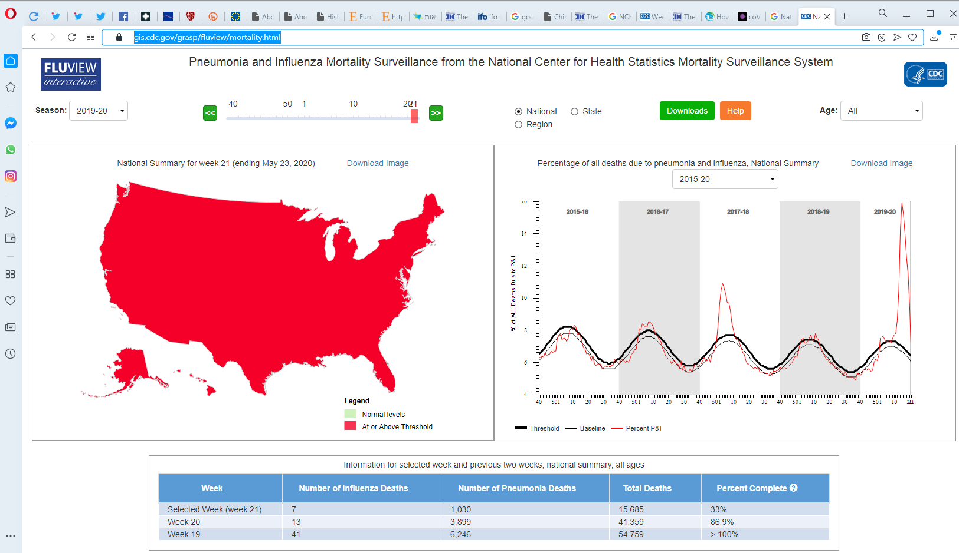
TOTAL DEATHS | PERCENT COMPLETE | Week | Sum Influenza | Sum Pnuemonia | Sum Total
52,522 | > 100% | 40 | 16 | 2713 | 52522
53,013 | > 100% | 41 | 32 | 5491 | 105,535
54,210 | > 100% | 42 | 50 | 8473 | 159,745
53,963 | > 100% | 43 | 80 | 11466 | 213,708
54,027 | > 100% | 44 | 111 | 14386 | 267,735
55,544 | > 100% | 45 | 142 | 17453 | 323,279
55,771 | > 100% | 46 | 181 | 20551 | 379,050
56,084 | > 100% | 47 | 231 | 23554 | 435,134
55,323 | > 100% | 48 | 297 | 26543 | 490,457
57,225 | > 100% | 49 | 396 | 29866 | 547,682
57,579 | > 100% | 50 | 507 | 33342 | 605,261
57,332 | > 100% | 51 | 635 | 36718 | 662,593
 |  |  |  | 40241 | 720,947
 |  |  |  | 44301 | 780,647
 |  |  |  | 48383 | 840,671
 |  |  |  | 52369 | 899,217
 |  |  |  | 56196 | 957,229
 |  |  |  | 59907 | 1,014,711
 |  |  |  | 63615 | 1,072,862
 |  |  |  | 67355 | 1,130,355
 |  |  |  | 70965 | 1,187,899
 |  |  |  | 74697 | 1,245,790
 |  |  |  | 78519 | 1,303,454
 |  |  |  | 82347 | 1,359,926
 |  |  |  | 86712 | 1,416,890
 |  |  |  | 92628 | 1,477,537
 |  |  |  | 102038 | 1,546,318
 |  |  |  | 113381 | 1,620,699
 |  |  |  | 123904 | 1,691,744
 |  |  |  | 133001 | 1,757,894
 |  |  |  | 140437 | 1,817,869
 |  |  |  | 146683 | 1,872,628
 |  |  |  | 150582 | 1,913,987 | 47,594 | 1,920,222
 |  |  |  | 151612 | 1,929,672 | 47,530 | 1,961,517
 |  |  |  | 2969 | 52357
 |  |  |  | 5835 | 104,206
 |  |  |  | 8823 | 157,185
 |  |  |  | 11888 | 210,948
 |  |  |  | 14891 | 264,586
 |  |  |  | 17911 | 318,147
 |  |  |  | 21053 | 372,845
 |  |  |  | 24231 | 427,692
 |  |  |  | 27518 | 482,752
 |  |  |  | 30917 | 538,719
 |  |  |  | 34469 | 595,106
 |  |  |  | 37959 | 651,634
 |  |  |  | 41594 | 707,660
 |  |  |  | 45511 | 765,953
 |  |  |  | 49566 | 824,308
 |  |  |  | 53662 | 882,504
 |  |  |  | 57556 | 940,341
 |  |  |  | 61444 | 998,470
 |  |  |  | 65334 | 1,056,965
 |  |  |  | 69224 | 1,114,884
 |  |  |  | 73199 | 1,172,747
 |  |  |  | 76952 | 1,230,671
 |  |  |  | 80701 | 1,289,181
 |  |  |  | 84679 | 1,347,079
 |  |  |  | 88474 | 1,404,169
 |  |  |  | 92187 | 1,460,842
 |  |  |  | 95822 | 1,517,438
 |  |  |  | 99271 | 1,572,924
 |  |  |  | 102684 | 1,627,386
 |  |  |  | 105957 | 1,681,038
 |  |  |  | 109180 | 1,735,019
...

