FOTW #1059
U.S. Department of Energy, Vehicle Technologies Office
Fact of the Week #1059

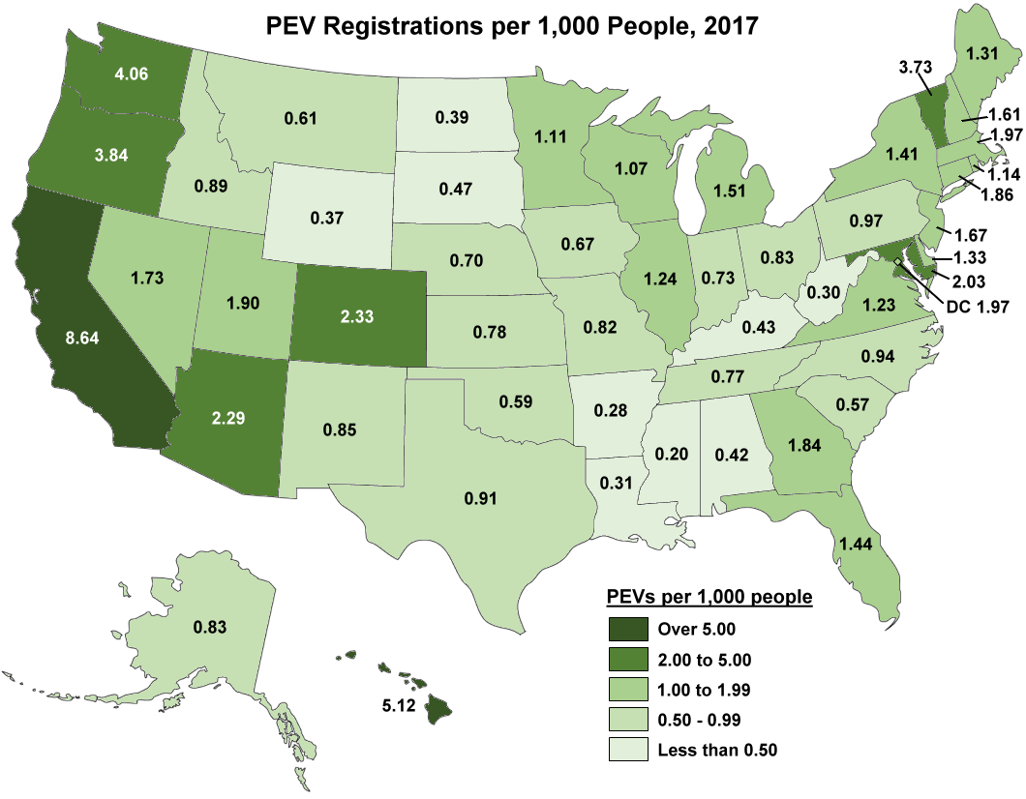
PEV Registrations per 1,000 People by State, 2017
State | PEV Registrations per 1,000 People
Alabama | 0.42
Alaska | 0.83
Arizona | 2.29
Arkansas | 0.28
California | 8.64
Colorado | 2.33
Connecticut | 1.86
Delaware | 1.33
District of Columbia | 1.97
Florida | 1.44
Georgia | 1.84
Hawaii | 5.12
Idaho | 0.89
Illinois | 1.24
Indiana | 0.73
Iowa | 0.67
Kansas | 0.78
Kentucky | 0.43
Louisiana | 0.31
Maine | 1.31
Maryland | 2.03
Massachusetts | 1.97
Michigan | 1.51
Minnesota | 1.11
Mississippi | 0.20
Missouri | 0.82
Montana | 0.61
Nebraska | 0.70
Nevada | 1.73
New Hampshire | 1.61
New Jersey | 1.67
New Mexico | 0.85
New York | 1.41
North Carolina | 0.94
North Dakota | 0.39
Ohio | 0.83
Oklahoma | 0.59
Oregon | 3.84
Pennsylvania | 0.97
Rhode Island | 1.14
South Carolina | 0.57
South Dakota | 0.47
Tennessee | 0.77
Texas | 0.91
Utah | 1.90
Vermont | 3.73
Virginia | 1.23
Washington | 4.06
West Virginia | 0.30
Wisconsin | 1.07
Wyoming | 0.37
Grand Total | 2.21

Note: PEV include both all-electric vehicles and plug-in hybrid vehicles.
Sources: PEV registrations – U.S. Department of Energy analysis of IHS Automotive data.
Population – Census Bureau, Population Estimates, Annual Estimates of the Resident Population.
https://factfinder.census.gov/faces/nav/jsf/pages/index.xhtml

