BOM
Item | Part Number | Thumbnail | BOM Structure | QTY | Stock Number | Description | REV
1 | arm_0_attachment | 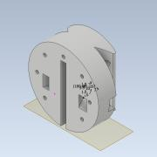 | Normal | 1
2 | arm_0_top | 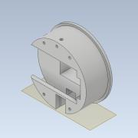 | Normal | 1
3 | servo_FT_SC | 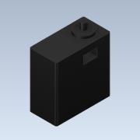 | Normal | 4
4 | arm_0_bottom | 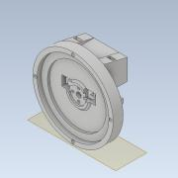 | Normal | 1
5 | arm_0_bottom_top_lock | 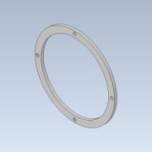 | Normal | 1
6 | servo_FT_SC_horn_1 | 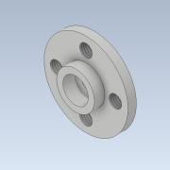 | Normal | 4
7 | arm_0_bottom_case | 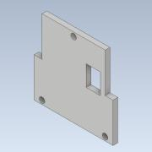 | Normal | 1
8 | arm_1_v2 | 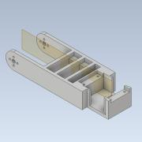 | Normal | 1
9 | servo_FT_SC_horn | 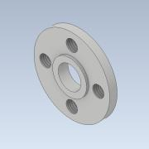 | Normal | 2
10 | arm_1_case | 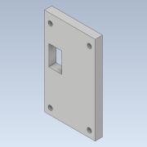 | Normal | 1
11 | bearing | 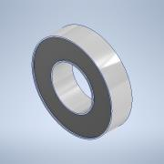 | Normal | 2
12 | arm_2_case | 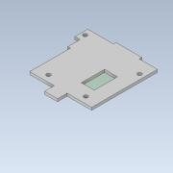 | Normal | 1
13 | arm_2_case_bearing | 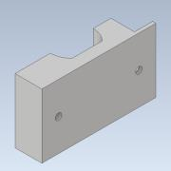 | Normal | 1
14 | arm_2 | 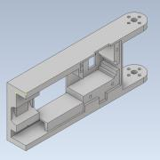 | Normal | 1
15 | end_effector_connector_arm2_grande | 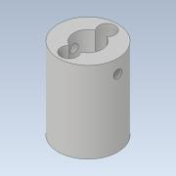 | Normal | 1

