BOM
Item | Part Number | Thumbnail | BOM Structure | QTY | Stock Number | Description | REV
1 | core_attachment | 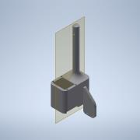 | Normal | 1
2 | case_core | 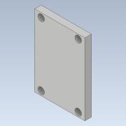 | Normal | 1
3 | bar | 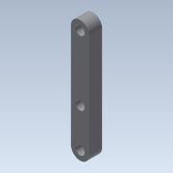 | Normal | 8
4 | gripper | 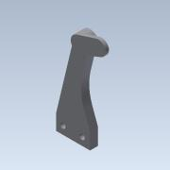 | Normal | 2
5 | ScrewActuatorGripper | 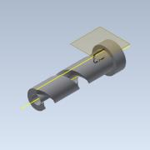 | Normal | 1
6 | ScrewActuatorGripperCenter | 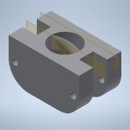 | Normal | 1
7 | barMini | 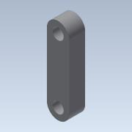 | Normal | 2
8 | feetech_sc215 | 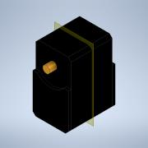 | Normal | 1

