DB_ADC
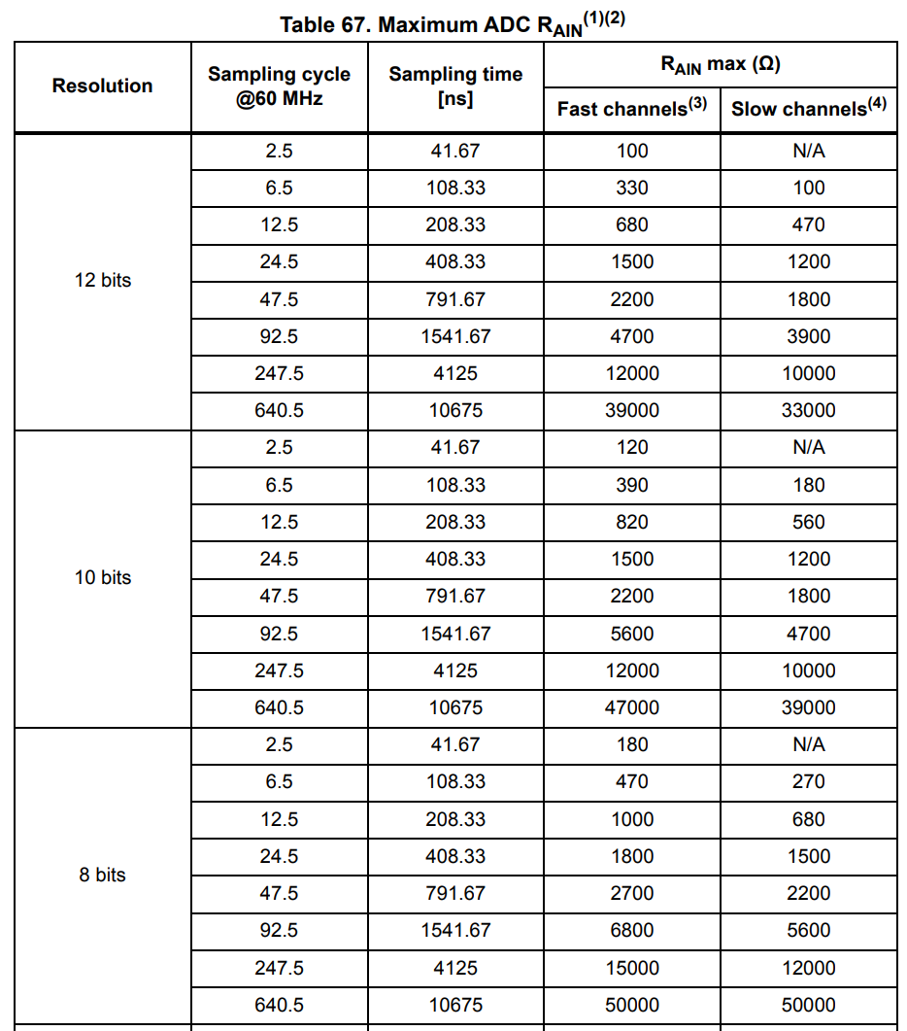
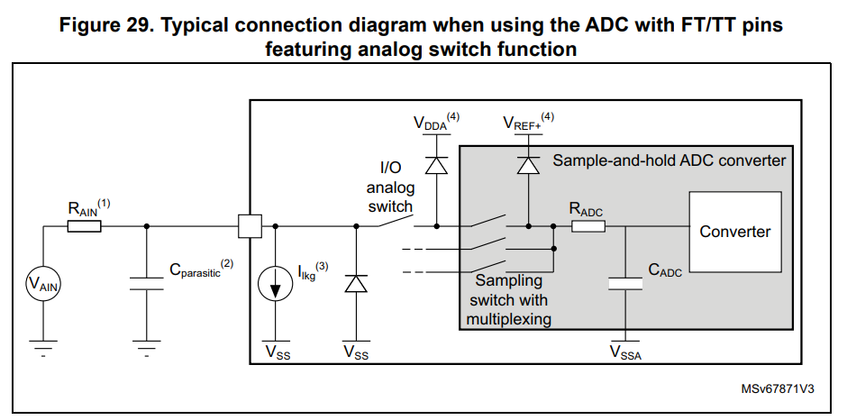
Name | Vref,adc (V) | Vmax (V) | Csamp (pF) | Cpad (pF) | Fadc,clock(MHz) | Tadc,clock (ns) | Vin,max@vin (V)
STM32G4 internal | 3.3 | 3.6 | 5 | 5 | 60 | 16.7 | 3.6

