Region Based Distribution
Region | Total
WAT | 0.00 M
Arçelik - LG | 0.00 M
Americas | 0.09 M
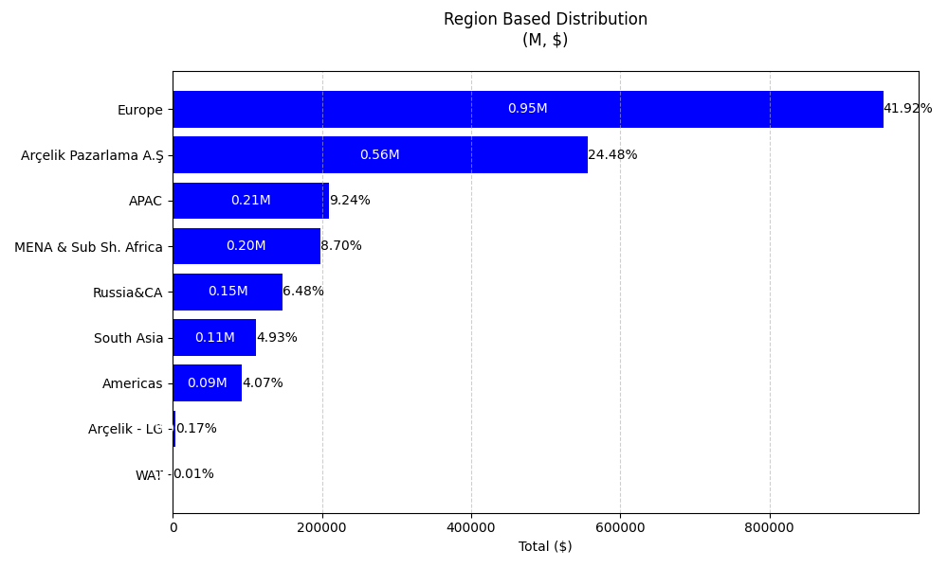
South Asia | 0.11 M
Russia&CA | 0.15 M
MENA & Sub Sh. Africa | 0.20 M
APAC | 0.21 M
Arçelik Pazarlama A.Ş | 0.56 M
Europe | 0.95 M

Category Distribution
Main Category | 2024 Chargeback Amount
Business Solutions | 6.06 M

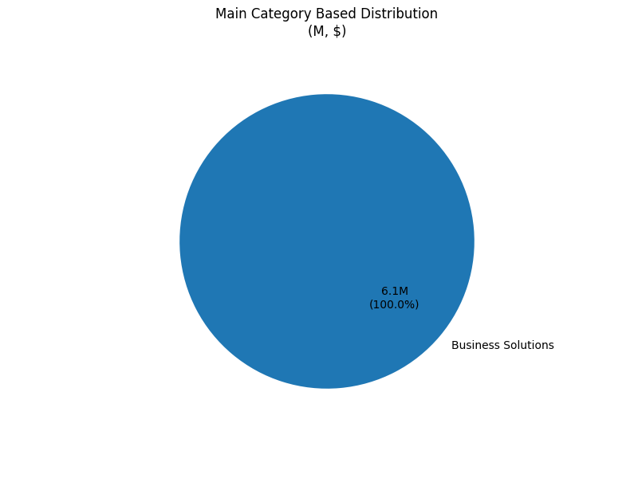
Category Groups | Total Chargeback Amount
Business Solutions | 6,055,546.493
Application Management | 1,933,173.407
Cloud Services | 125,989.801
License Management | 3,714,537.154
Outsource Support | 281,846.131

Grand Total | 6,055,546.493

Product Service Distribution
Product/Service Group | Total Chargeback Amount
SAP | 3.38 M
WebSites & MarketPlace Services | 1.46 M
Digiport | 0.62 M
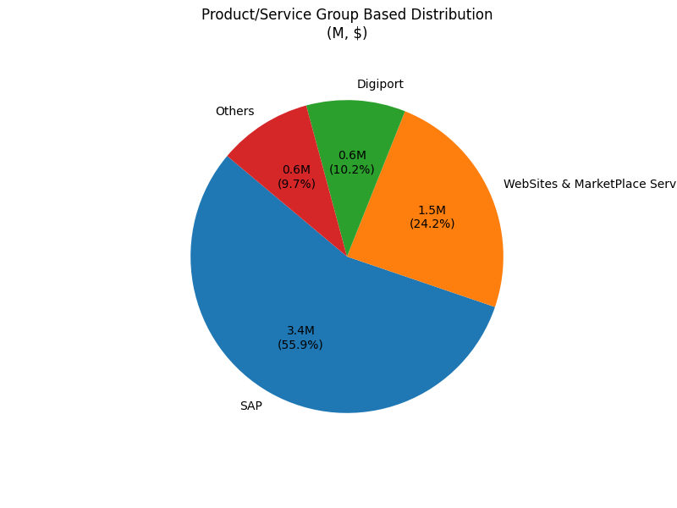
Salesforce | 0.30 M
B2B Services | 0.17 M
Sirius | 0.10 M
Purchasing Solution Services | 0.01 M
Grand Total | 6,055,546.493

Vendor Distribution
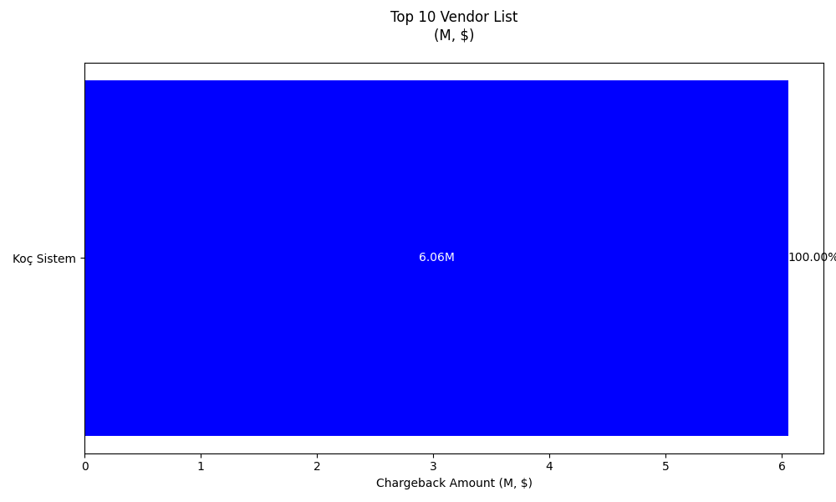
Vendor | Total Chargeback Amount | Top 10 Vendor | Total Chargeback Amount
Koç Sistem | 6.06 M | Koç Sistem | 6,055,546.493
Grand Total | 6,055,546.493

