Readme
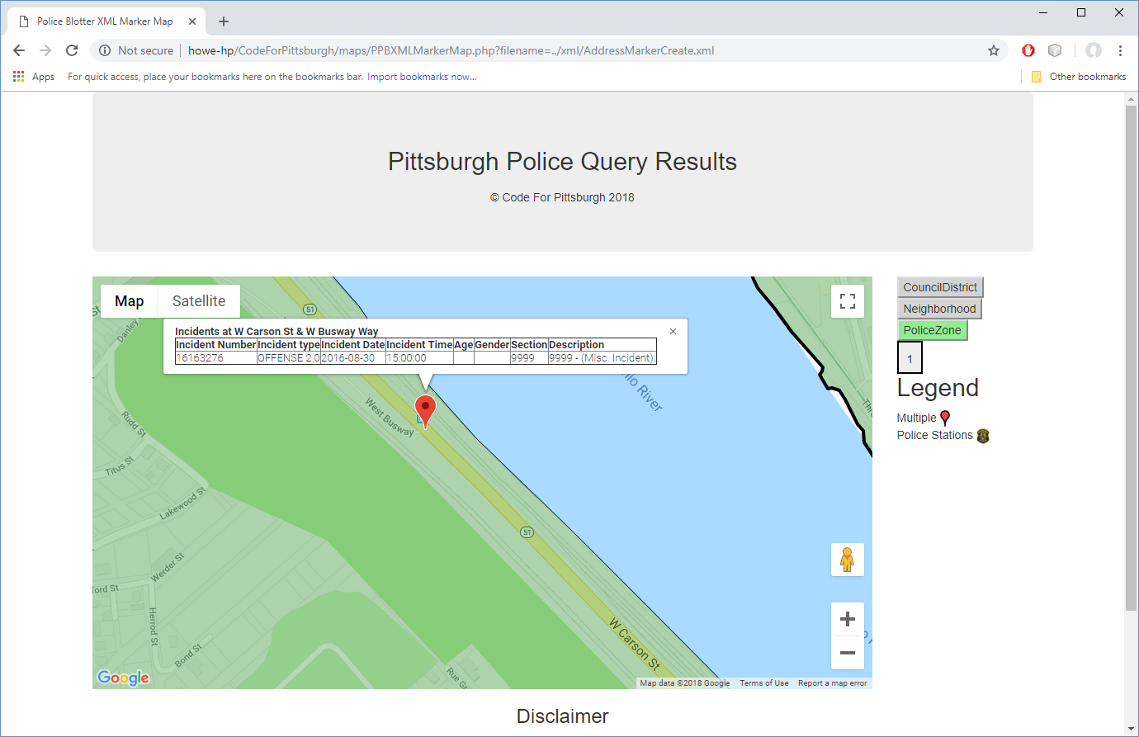
This started out to find out why there are so few references to bicycle crashes. The trigger was the W. Carson and Busway Aug 30, 2016. I found it as a 9999 - Misc. The various tabs include differing views of the data that I've been collecting from https://communitysafety.pittsburghpa.gov/Blotter.aspx since 3/10/2015. The Misc9999 is not that old. I'm not sure that best approach to analyzing this data. I do see a need to have less Misc 9999 coded and more with actual section numbers. See section tab for the values I've stored from daily blotter processing.

Public Safety Council Zone 6
Tech Support
Mark

