Correlation_plots_doc2vec_word2
 |  | Type 2 | Type 3
 | Type 1

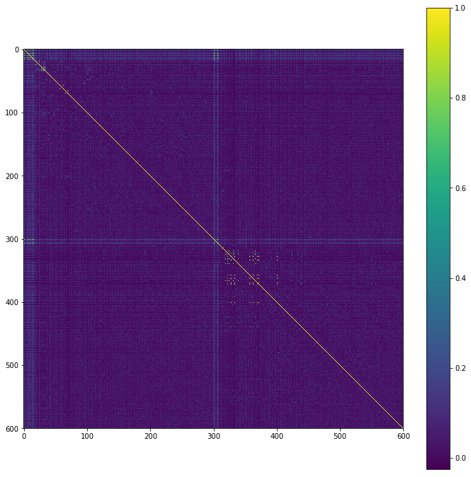
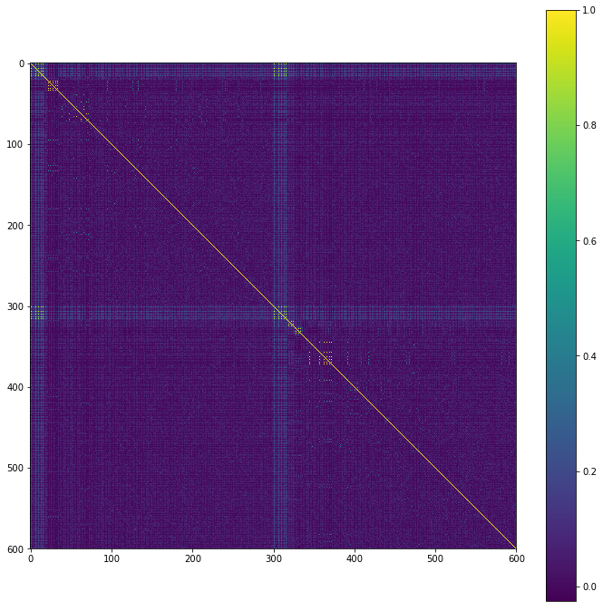
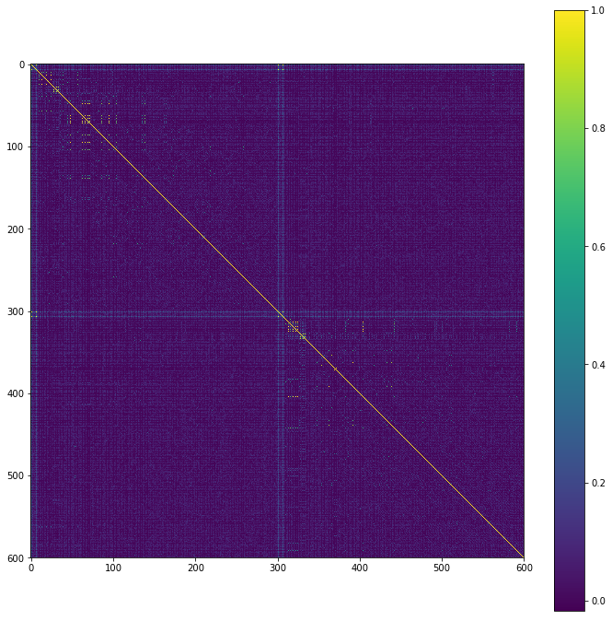

Doc2vec





Word2vec_sum




Word2vec_avg

