Marking scheme
Tasks | Marks
GIT (15%) | 15
Project exists | 3
Commits {need to be meaningful; 1-20 = 0; 20-49 = 1; 50+ = 2)} | 2
Regularity of use | 2
Commit messages {need to be expressive} | 4
Branching/merging | 2
Meaningful ".gitignore" to avoid ide-dependent files and/or compiled code in repo | 2

Tasks | Marks | Done | Justification of Claim: What have you done (provide details) and evidence for it (provide classes/methods involved)?
MAINTENANCE (30%) | 30 | Y/N | N/A
Meaningful package naming/organisation | 2 | Y | I have an MVC package which handles all the MVC related tasks, Utils, which handles all utilities like music, images, fileIO and my own JSON class | 26
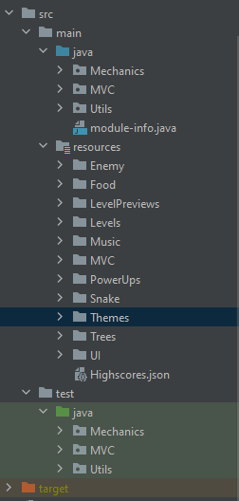
Basic maintenance (e.g. renaming classes; encapsulation; deleting unused classes/resources) | 4 | Y | A lot of my classes and methods have been renamed to follow a better description of what they do. For example, the ImageUtil was split into ImageActionUtil (handles getting images) and ImageSaveUtil(Acts as a struct to hold image paths). I deleted the frogger music and replaced it with my own music in a directory. The resources and class files have a clean directory, seen next to this excel cell. All the assets are used at least once, but most are used multiple times. | 83
Following Bob's concise coding conventions (beyond basic maintenance) | 5 | Y | All my variables that arent local to a function are prefaced with m_. All my public functions are prefaced with a capital letter whereas private functions are prefaced with a lower case letter. My code does not exceed the 80 char limit, this was done with an intellij rule with its margin. The indentation never exceeded 5 levels, even with switch case statements, I just got this to work but offloading logical code into new functions later down the line. | 80
Supporting single responsibility by splitting up classes | 2 | Y | All classes handle tasks that are relevant to their name and don’t stray away from this fact. For example FileIO.Java handles the tasks regarding FileIO. Json_Game.Java not only allows for the creation of Json Objects but allows for the construction of strings to Json objects and Json objects to strings | 50
MVC {programatically or via FXML; needs more than renaming/reorganising files} | 4 | Y | My program has an MVC that is intertwined with the javaFX using its Loader class making sure ther model has persistant data throughout/data isnt reset(SnakeModel.java). I have two controllers, one for the UI(SwitchController.java)and one for the game(SnakeController.Java). The view is mostly on the FXML side with majority of rendering tasks being handled by the JavaFX library. MainMenu.java could be seen as the view. | 63
Other patterns (which ones and how are they implemented) | 6 | Y | State (The game has multiple states to handle what kind of rendering tasks are happening and some game related tasks. State.Java), factory (I have a factory that creates the gameplay Entities (Player, Trees,PowerUps and Enemy), they all derive from the abstract class SnakeObj) (Factory.Java) (SnakeObj.java)), Strategy pattern (loading in the level file based on what level has been selected and building it accordingly) (Json_Game.java) (FileIO.Java) and the PowerUp functionality to determine what powerup is applied to the player when the random powerup is eaten (PowerUp.java) | 85
Meaningful JUnit tests | 5 | Y | I have written Junit tests to tests specific scenarios and ensure that the return values of functions are to be expected. Each class has a JUNIT test class dedicated to it and all of that class's methods are tested (if they are relevant) | 43
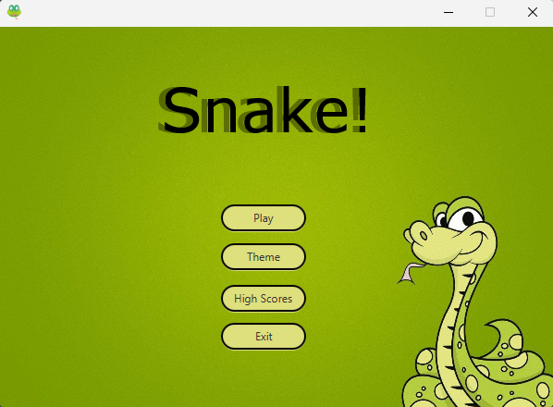
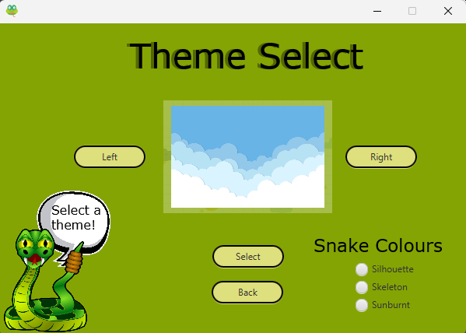
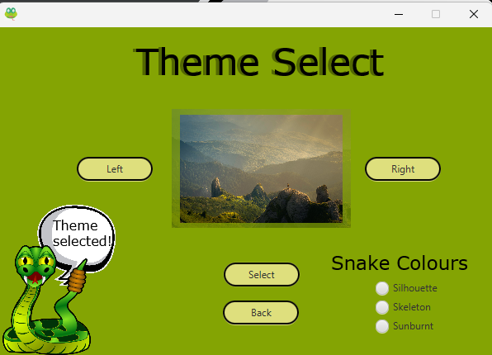
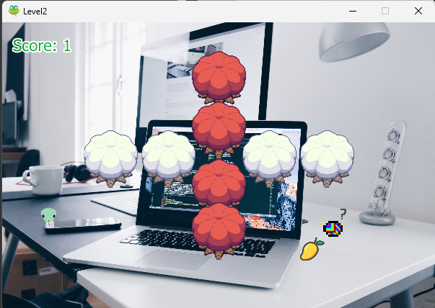
Correct use of build tools (Maven or Gradle) | 1 | Y | I started off with gradle and it provided me with a lot of headaches, I moved to maven later and the conversion was done in a day and all the relevant problems were fixed. | 34
module-info.java file | 1 | Y | I have used this file, module-info.java to require all the packages I need so the program knows what libraries I am using | 22
ADDITIONS (30%) | 30 | Y/N | N/A | 1
Start screen with theme choice (background/snake) using JavaFX | 5 | Y | You can see the evidence of this to the right of this cell | 13
Button to move to game | 1 | Y | This is the process of clicking: Play->SelectLevel, Now you're in the game | 12
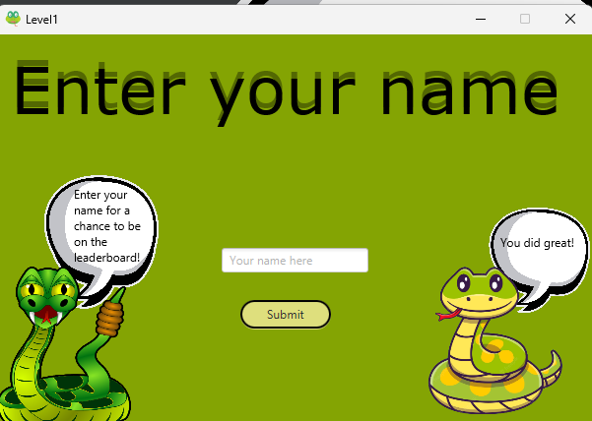
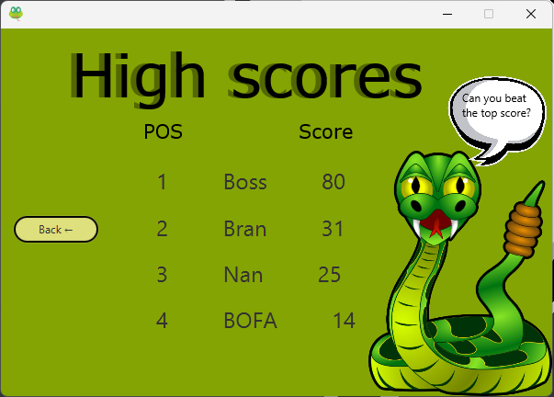
Enter and display player's name | 2 | Y | You can see the evidence of this to the right of this cell. The name is entered on the end screen so it is appended to the high scores. And is displayed on said high scores | 36
Permanent highscore screen (showing all-time top scores + associated player names) using JavaFX | 4 | Y | You can see the evidence of this to the right of this cell | 13
Adding walls/obstacles to the game | 4 | Y | The trees are the obstacles in this game, as well as the enemy when the enemy game modifier is selected. Tree.Java, Enemy.Java | 22
Additional (playable) levels | 2 | Y | This was done via Json data. This can be seen in resources/Levels. The levels are raw Json data that is loaded in when the level is selected | 27
Anything else exciting (reward) or bad (penalty) {refers to Maintenance and Additions} | 12 | Y | Json_Game code: This was done when I was using gradle, I didn’t see no easy way to get a Json library through gradle and Java doesn’t seem to have one by default, so I wrote my own to parse the data of a Json file and provide all the functionality I needed for the game. The powerUps: I am happy with the way they came out, the sprites and the way they provide fresh gameplay to the snake game. The enemy: I quite liked the idea of a snakes natural predator being in the game as an option. Providing a challenge to avoid as you are playing the game. The Music: Since I had previously made some of the music, I am happy I could easily import it into the game and have a track selector to decide what music is played on what screen | 145

Tasks | Marks |  |  | 755
VIDEO (10%) | 10
Showing software running (don't use too much time for this) | 2
Explaining refactoring activities and extensions {usually requires a look at IntelliJ} | 5
Highlighted two achievents most proud of | 1
Video sound | 1
Timing (approx. 3 minutes) correct | 1
DOCUMENTATION (15%) | 15
Readme.md file informative and concise | 2
Claims well justified in Excel spreadsheet | 2
Javadoc: Generated and deposited in the correct location | 1
Javadoc: Complete {half marks for substantial amount of Javadoc or substantial amount of comments} | 4
Javadoc: Informative and concise | 2
Class diagram: Something meaningful present {classes/interfaces with correct relationships/multiplicity} | 2
Class diagram: High level {beware of complex auto-generated diagrams} | 1
Class diagram: Conforms with code of the final program | 1

