Sheet1
3.0000007098 | Brandies |  | 0 | 1 | 2 | 3 | 4 | 5 | 6 | 7 | 8 | 9 | 10 | 11 | 12 | 13 | 14 | 15 | 16 | 17 | 18 | 19 | 20
9.999996396 | Cigars | 0 | 0 | 19 | 36 | 51 | 64 | 75 | 84 | 91 | 96 | 99 | 100 | 99 | 96 | 91 | 84 | 75 | 64 | 51 | 36 | 19 | 0
 |  | 1 | 15 | 34 | 51 | 66 | 79 | 90 | 99 | 106 | 111 | 114 | 115 | 114 | 111 | 106 | 99 | 90 | 79 | 66 | 51 | 34 | 15
126.9999999999854900 | Utility | 2 | 24 | 43 | 60 | 75 | 88 | 99 | 108 | 115 | 120 | 123 | 124 | 123 | 120 | 115 | 108 | 99 | 88 | 75 | 60 | 43 | 24
 |  | 3 | 27 | 46 | 63 | 78 | 91 | 102 | 111 | 118 | 123 | 126 | 127 | 126 | 123 | 118 | 111 | 102 | 91 | 78 | 63 | 46 | 27
 |  | 4 | 24 | 43 | 60 | 75 | 88 | 99 | 108 | 115 | 120 | 123 | 124 | 123 | 120 | 115 | 108 | 99 | 88 | 75 | 60 | 43 | 24
 |  | 5 | 15 | 34 | 51 | 66 | 79 | 90 | 99 | 106 | 111 | 114 | 115 | 114 | 111 | 106 | 99 | 90 | 79 | 66 | 51 | 34 | 15
 |  | 6 | 0 | 19 | 36 | 51 | 64 | 75 | 84 | 91 | 96 | 99 | 100 | 99 | 96 | 91 | 84 | 75 | 64 | 51 | 36 | 19 | 0
 |  | 7 | -21 | -2 | 15 | 30 | 43 | 54 | 63 | 70 | 75 | 78 | 79 | 78 | 75 | 70 | 63 | 54 | 43 | 30 | 15 | -2 | -21
 |  | 8 | -48 | -29 | -12 | 3 | 16 | 27 | 36 | 43 | 48 | 51 | 52 | 51 | 48 | 43 | 36 | 27 | 16 | 3 | -12 | -29 | -48
 |  | 9 | -81 | -62 | -45 | -30 | -17 | -6 | 3 | 10 | 15 | 18 | 19 | 18 | 15 | 10 | 3 | -6 | -17 | -30 | -45 | -62 | -81
 |  | 10 | -120 | -101 | -84 | -69 | -56 | -45 | -36 | -29 | -24 | -21 | -20 | -21 | -24 | -29 | -36 | -45 | -56 | -69 | -84 | -101 | -120
Utility Maximization
Utility Maximization: Contour Plot

CS1
Comparative Statics Analysis

B* = f(Total)
The following exogenous variables comprised the INITIAL problem:
Exogenous Variable | Value
Total | 5

Exogenous Shock Variable | Optimal Objective Function | Optimal Endogenous Variable | Optimal Endogenous Variable
Total | Utility* | B* | C* | DB/DTotal | %DB/%DTotal | DC/DTotal | %DC/%DTotal
5 | 78.999999853 | 1.0000000963 | 3.9999998914
6 | 90.249999889 | 1.2499999566 | 4.7500000328 | 0.24999986031 | 1.2499991811 | 0.75000014138 | 0.93750020219
7 | 99.999999931 | 1.4999999513 | 5.500000041 | 0.24999999465 | 1.2000000159 | 0.75000000823 | 0.94736842491
8 | 108.25000005 | 1.7500000506 | 6.2499999566 | 0.25000009929 | 1.1666671679 | 0.74999991556 | 0.95454533997
9 | 114.99999997 | 2.0000000017 | 6.9999999926 | 0.24999995113 | 1.1428568864 | 0.750000036 | 0.96000005275
10 | 120.25 | 2.2500000324 | 7.7499999679 | 0.2500000307 | 1.1250001372 | 0.74999997536 | 0.96428568363

 |  |  |  |  | 0.24999983622 |  | 0.18750004044
 |  |  |  |  | 0.2 |  | 0.2
 |  |  |  |  | 1.2499991811 |  | 0.93750020219

conopt
2.2500000324 | Brandies |  | 0 | 1 | 2 | 3 | 4 | 5 | 6 | 7 | 8 | 9 | 10 | 11 | 12 | 13 | 14 | 15 | 16 | 17 | 18 | 19 | 20
7.7499999679 | Cigars | 0 | 0 | 19 | 36 | 51 | 64 | 75 | 84 | 91 | 96 | 99 | 100 | 99 | 96 | 91 | 84 | 75 | 64 | 51 | 36 | 19 | 0 | 3D Surface |  | Contour
 |  | 1 | 15 | 34 | 51 | 66 | 79 | 90 | 99 | 106 | 111 | 114 | 115 | 114 | 111 | 106 | 99 | 90 | 79 | 66 | 51 | 34 | 15 | Pro | Con | Pro | Con
120.2500000015076200 | Utility | 2 | 24 | 43 | 60 | 75 | 88 | 99 | 108 | 115 | 120 | 123 | 124 | 123 | 120 | 115 | 108 | 99 | 88 | 75 | 60 | 43 | 24 | Clearly a hill | B*=1, C*=4 unclear | B*=1, C*=4 clear | Contour prereq
 |  | 3 | 27 | 46 | 63 | 78 | 91 | 102 | 111 | 118 | 123 | 126 | 127 | 126 | 123 | 118 | 111 | 102 | 91 | 78 | 63 | 46 | 27 | Global max clear | U* unclear | U* clear
3.3502800534E-10 | constraint | 4 | 24 | 43 | 60 | 75 | 88 | 99 | 108 | 115 | 120 | 123 | 124 | 123 | 120 | 115 | 108 | 99 | 88 | 75 | 60 | 43 | 24 | Constraint clear | C axis unclear | Constraint clear
 |  | 5 | 15 | 34 | 51 | 66 | 79 | 90 | 99 | 106 | 111 | 114 | 115 | 114 | 111 | 106 | 99 | 90 | 79 | 66 | 51 | 34 | 15
10 | Total | 6 | 0 | 19 | 36 | 51 | 64 | 75 | 84 | 91 | 96 | 99 | 100 | 99 | 96 | 91 | 84 | 75 | 64 | 51 | 36 | 19 | 0
 |  | 7 | -21 | -2 | 15 | 30 | 43 | 54 | 63 | 70 | 75 | 78 | 79 | 78 | 75 | 70 | 63 | 54 | 43 | 30 | 15 | -2 | -21
 |  | 8 | -48 | -29 | -12 | 3 | 16 | 27 | 36 | 43 | 48 | 51 | 52 | 51 | 48 | 43 | 36 | 27 | 16 | 3 | -12 | -29 | -48
 |  | 9 | -81 | -62 | -45 | -30 | -17 | -6 | 3 | 10 | 15 | 18 | 19 | 18 | 15 | 10 | 3 | -6 | -17 | -30 | -45 | -62 | -81
 |  | 10 | -120 | -101 | -84 | -69 | -56 | -45 | -36 | -29 | -24 | -21 | -20 | -21 | -24 | -29 | -36 | -45 | -56 | -69 | -84 | -101 | -120
Constrained Utility Maximization: 3D Surface
Constrained Utility Maximization: Contour Plot

Constrained Utility Maximization: Wireframe Contour

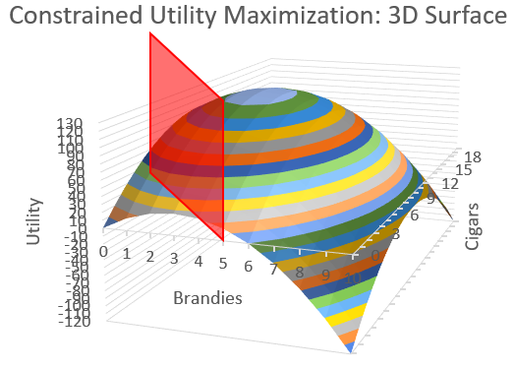
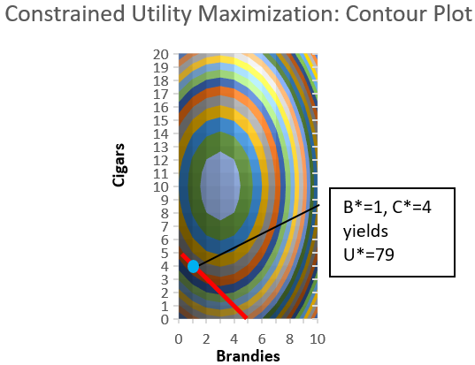

U>79
U*=79
U<79

