IncomeGroups
Quick and Basic Geography

World Bank classification | Downloaded Aug 2023; based on 2022
https://datahelpdesk.worldbank.org/knowledgebase/articles/906519-world-bank-country-and-lending-groups
218 countries, but Venezuela, RB was undefined in 2022

Number in each group: |  |  |  | Total
26 | 54 | 54 | 83 | 217

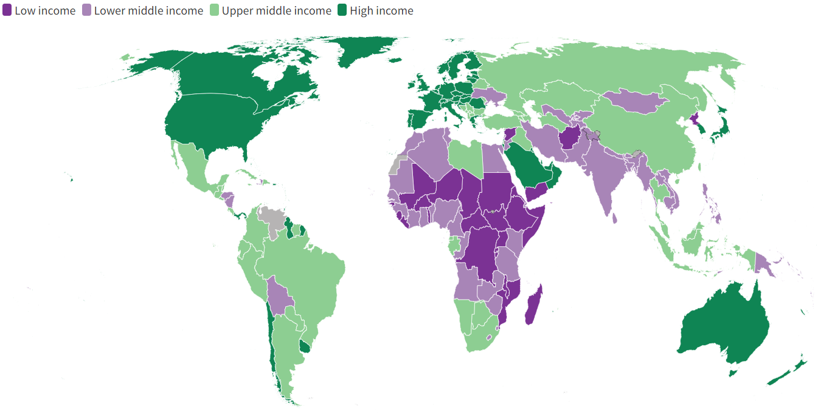
Low Income | Lower Middle Income | Upper Middle Income | High Income
Afghanistan | Angola | Albania | Aruba
Burundi | Benin | Argentina | Andorra
Burkina Faso | Bangladesh | Armenia | United Arab Emirates
Central African Republic | Bolivia | Azerbaijan | American Samoa
Congo, Dem. Rep. | Bhutan | Bulgaria | Antigua and Barbuda
Eritrea | Côte d’Ivoire | Bosnia and Herzegovina | Australia
Ethiopia | Cameroon | Belarus | Austria
Gambia, The | Congo, Rep. | Belize | Belgium
Guinea-Bissau | Comoros | Brazil | Bahrain
Liberia | Cabo Verde | Botswana | Bahamas, The
Madagascar | Djibouti | China | Bermuda
Mali | Algeria | Colombia | Barbados
Mozambique | Egypt, Arab Rep. | Costa Rica | Brunei Darussalam
Malawi | Micronesia, Fed. Sts. | Cuba | Canada
Niger | Ghana | Dominica | Switzerland
Korea, Dem. People's Rep. | Guinea | Dominican Republic | Channel Islands
Rwanda | Honduras | Ecuador | Chile
Sudan | Haiti | Fiji | Curaçao
Sierra Leone | India | Gabon | Cayman Islands
Somalia | Iran, Islamic Rep. | Georgia | Cyprus
South Sudan | Jordan | Equatorial Guinea | Czechia
Syrian Arab Republic | Kenya | Grenada | Germany
Chad | Kyrgyz Republic | Guatemala | Denmark
Togo | Cambodia | Indonesia | Spain
Uganda | Kiribati | Iraq | Estonia
Yemen, Rep. | Lao PDR | Jamaica | Finland
 | Lebanon | Kazakhstan | France |  | Source: | https://datatopics.worldbank.org/world-development-indicators/the-world-by-income-and-region.html
 | Sri Lanka | Libya | Faroe Islands |  |  | Click on the map or copy the link above and paste it in a browser for an interactive version of this map -- it displays country name and income category as you hover over the map
 | Lesotho | St. Lucia | United Kingdom
 | Morocco | Moldova | Gibraltar
 | Myanmar | Maldives | Greece
 | Mongolia | Mexico | Greenland
 | Mauritania | Marshall Islands | Guam
 | Nigeria | North Macedonia | Guyana
 | Nicaragua | Montenegro | Hong Kong SAR, China
 | Nepal | Mauritius | Croatia
 | Pakistan | Malaysia | Hungary
 | Philippines | Namibia | Isle of Man
 | Papua New Guinea | Peru | Ireland
 | Senegal | Palau | Iceland
 | Solomon Islands | Paraguay | Israel
 | São Tomé and Príncipe | West Bank and Gaza | Italy
 | Eswatini | Russian Federation | Japan
 | Tajikistan | El Salvador | St. Kitts and Nevis
 | Timor-Leste | Serbia | Korea, Rep.
 | Tunisia | Suriname | Kuwait
 | Tanzania | Thailand | Liechtenstein
 | Ukraine | Turkmenistan | Lithuania
 | Uzbekistan | Tonga | Luxembourg
 | Vietnam | Türkiye | Latvia
 | Vanuatu | Tuvalu | Macao SAR, China
 | Samoa | St. Vincent and the Grenadines | St. Martin (French part)
 | Zambia | Kosovo | Monaco
 | Zimbabwe | South Africa | Malta
 |  |  | Northern Mariana Islands
 |  |  | New Caledonia
 |  |  | Netherlands
 |  |  | Norway
 |  |  | Nauru
 |  |  | New Zealand
 |  |  | Oman
 |  |  | Panama
 |  |  | Poland
 |  |  | Puerto Rico
 |  |  | Portugal
 |  |  | French Polynesia
 |  |  | Qatar
 |  |  | Romania
 |  |  | Saudi Arabia
 |  |  | Singapore
 |  |  | San Marino
 |  |  | Slovak Republic
 |  |  | Slovenia
 |  |  | Sweden
 |  |  | Sint Maarten (Dutch part)
 |  |  | Seychelles
 |  |  | Turks and Caicos Islands
 |  |  | Trinidad and Tobago
 |  |  | Taiwan, China
 |  |  | Uruguay
 |  |  | United States
 |  |  | British Virgin Islands
 |  |  | Virgin Islands (U.S.)

Doc
This Excel workbook is a modified version of MaddisonData.xls from Barreto, H. (2016) Teaching Macroeconomics with Microsoft Excel (Cambridge University Press):
http://www.depauw.edu/site/learn/macroexcel/
This workbook uses the Excel workbook horizontal-file_02-2010.xls, downloaded from Maddison's web site on 3 April 2010:
http://www.ggdc.net/maddison/

I have added Chart Creator and Data Vertical buttons on each sheet to enable easier analysis and the Compare sheet makes it easy to select countries to compare.
I have filled in missing data (blank) cells with #N/A so that Excel will not treat (plot or calculate) these cells as zero.
Please make sure to Enable Macros (see Help if needed) when opening this workbook.

All of the data in this workbook come from the work of Angus Maddison.
Maddison reports that the horizontal-file.xls is better than the book data source.
"In fact its coverage is more complete than in Maddison 2003, e.g. it has annual figures for Australia back to 1820."
Personal email correspondence on 3/12/2004.

In the same email, Maddison explained why he has worked so hard to compile this superb resource:
"In fact, the main purpose of my work was not to provide a dataset for econometric work,
but to encourage a younger generation to scrutinise the basic source material,
try to improve its quality where it is weak, and to illuminate the underlying causes of growth and backwardness.
This is why I took a lot of trouble to describe the sources and methods transparently."

The sheets Population, GDP, and PerCapita GDP are the original sheets in the horizontal-file.xls workbook and contain the data.
The Create Chart and Data Vertical buttons on each sheet save time for charting and computing growth rates.
Use the Compare sheet to simply click on a country and add it to the chart. This makes comparsion a snap.

See Maddison's book for extensive definitions and explanation of the data, including discussion of measurement error and data weaknesses.
Source: | http://www.theworldeconomy.org/
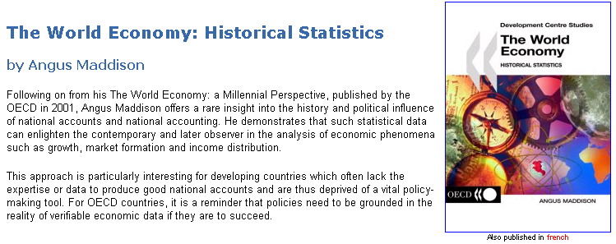

Maddison passed away in 2010 and the Maddison Project hopes to continue updating and improving the data:
www.ggdc.net/maddison/maddison-project/data.htm
This workbook uses the last version Maddison published, with GDP up to 2008. The Maddison Project’s GDP per person series goes up to 2010 and is
included in the PerCapita GDP sheet starting in row 300. Compare, for example, China to see that substantial revisions have been made to Maddison’s last published version.

