Sheet3
HS and College Income Streams
Age | HS | College | College Project | IRR | dr | PV HS | PV College | sum PV HS | sum PV College
18 | $40,000 | ($20,000) | ($60,000) | 10.5% | 10.5% | $40,000 | $(20,000) | $415,586 | $415,586
19 | $40,000 | ($20,000) | ($60,000) |  |  | $36,185 | $(18,092)
Hypothetical Projected HS versus College Income
20 | $40,000 | ($20,000) | ($60,000) |  |  | $32,733 | $(16,367)
21 | $40,000 | ($20,000) | ($60,000) |  |  | $29,611 | $(14,805)
22 | $40,000 | $70,000 | $30,000 |  |  | $26,787 | $46,876
23 | $40,000 | $70,000 | $30,000 |  |  | $24,232 | $42,405
24 | $40,000 | $70,000 | $30,000 |  |  | $21,920 | $38,360
25 | $40,000 | $70,000 | $30,000 |  |  | $19,829 | $34,701
26 | $40,000 | $70,000 | $30,000 |  |  | $17,938 | $31,391
27 | $40,000 | $70,000 | $30,000 |  |  | $16,227 | $28,397
28 | $40,000 | $70,000 | $30,000 |  |  | $14,679 | $25,689
29 | $40,000 | $70,000 | $30,000 |  |  | $13,279 | $23,238
30 | $40,000 | $70,000 | $30,000 |  |  | $12,012 | $21,022
31 | $40,000 | $70,000 | $30,000 |  |  | $10,867 | $19,017
32 | $40,000 | $70,000 | $30,000 |  |  | $9,830 | $17,203
33 | $40,000 | $70,000 | $30,000 |  |  | $8,892 | $15,562
34 | $40,000 | $70,000 | $30,000 |  |  | $8,044 | $14,077
35 | $40,000 | $70,000 | $30,000 |  |  | $7,277 | $12,735
36 | $40,000 | $70,000 | $30,000 |  |  | $6,583 | $11,520
PV HS and College Income Streams
37 | $40,000 | $70,000 | $30,000 |  |  | $5,955 | $10,421
38 | $40,000 | $70,000 | $30,000 |  |  | $5,387 | $9,427
39 | $40,000 | $70,000 | $30,000 |  |  | $4,873 | $8,528
40 | $40,000 | $70,000 | $30,000 |  |  | $4,408 | $7,715
41 | $40,000 | $70,000 | $30,000 |  |  | $3,988 | $6,979
42 | $40,000 | $70,000 | $30,000 |  |  | $3,607 | $6,313
43 | $40,000 | $70,000 | $30,000 |  |  | $3,263 | $5,711
44 | $40,000 | $70,000 | $30,000 |  |  | $2,952 | $5,166
45 | $40,000 | $70,000 | $30,000 |  |  | $2,671 | $4,673
46 | $40,000 | $70,000 | $30,000 |  |  | $2,416 | $4,228
47 | $40,000 | $70,000 | $30,000 |  |  | $2,185 | $3,824
48 | $40,000 | $70,000 | $30,000 |  |  | $1,977 | $3,460
49 | $40,000 | $70,000 | $30,000 |  |  | $1,788 | $3,130
50 | $40,000 | $70,000 | $30,000 |  |  | $1,618 | $2,831
51 | $40,000 | $70,000 | $30,000 |  |  | $1,463 | $2,561
52 | $40,000 | $70,000 | $30,000 |  |  | $1,324 | $2,317
53 | $40,000 | $70,000 | $30,000 |  |  | $1,198 | $2,096
54 | $40,000 | $70,000 | $30,000 |  |  | $1,083 | $1,896
55 | $40,000 | $70,000 | $30,000 |  |  | $980 | $1,715
56 | $40,000 | $70,000 | $30,000 |  |  | $887 | $1,551
57 | $40,000 | $70,000 | $30,000 |  |  | $802 | $1,403
58 | $40,000 | $70,000 | $30,000 |  |  | $725 | $1,270
59 | $40,000 | $70,000 | $30,000 |  |  | $656 | $1,148
60 | $40,000 | $70,000 | $30,000 |  |  | $594 | $1,039
61 | $40,000 | $70,000 | $30,000 |  |  | $537 | $940
62 | $40,000 | $70,000 | $30,000 |  |  | $486 | $850
63 | $40,000 | $70,000 | $30,000 |  |  | $439 | $769
64 | $40,000 | $70,000 | $30,000 |  |  | $398 | $696

Sheet4
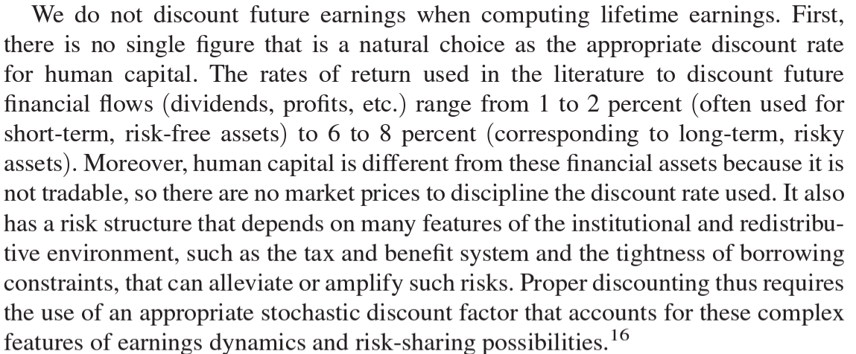
O n the difficulty of determining the discount rate
 | https://pubs.aeaweb.org/doi/pdfplus/10.1257/app.20190489
 | Guvenen, et al. (2022) "Lifetime Earnings in the United States over Six Decades"

