Sheet1
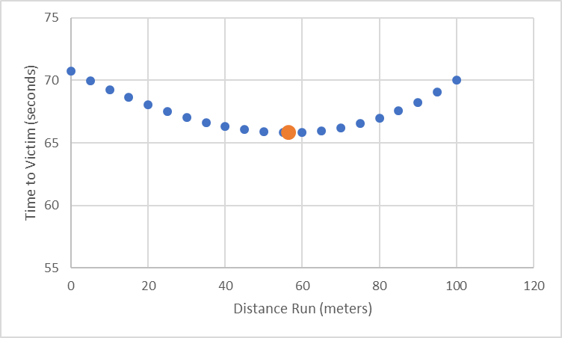
Exogenous Variables |  | Distance Run | Distance Swim | Time to Victim
100 | Distance Away on Sand, m | 0 | 141.42135624 | 70.710678119
100 | Distance Away in Water, m | 5 | 137.93114224 | 69.465571121
10 | Max Run Speed, m/sec | 10 | 134.53624047 | 68.268120235
2 | Max Swim Speed, m/sec | 15 | 131.24404748 | 67.122023742
 |  | 20 | 128.06248475 | 66.031242374
Endogenous Variables |  | 25 | 125 | 65
Initial
79.58758548 | Distance Run, m | 30 | 122.06555616 | 64.032778079
102.06207262 | Distance Swim, m | 35 | 119.26860442 | 63.134302209
 |  | 40 | 116.6190379 | 62.309518948
New
Goal |  | 45 | 114.12712211 | 61.563561053
58.989794856 | min Time to Victim, sec | 50 | 111.80339887 | 60.901699437
 |  | 55 | 109.658561 | 60.329280499
 |  | 60 | 107.70329614 | 59.851648071
5.0000000007 | ratio of distance swim to distance not run | 65 | 105.9481005 | 59.474050251
that's the same as run speed/swim speed |  | 70 | 104.40306509 | 59.201532545
wow! |  | 75 | 103.07764064 | 59.03882032
 |  | 80 | 101.98039027 | 58.990195136
 |  | 85 | 101.11874208 | 59.05937104
 |  | 90 | 100.49875621 | 59.249378106
 |  | 95 | 100.12492197 | 59.562460986
 |  | 100 | 100 | 60

 |  | 79.58758548 | 102.06207262 | 58.989794856

