DGP
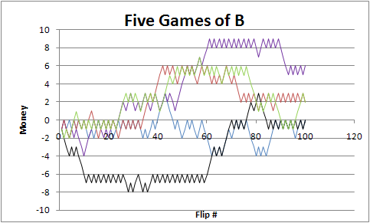
Understanding Parrondo's Paradox

Game A
epsilon | 0.005 | amount of bias in the coin
Prob Heads | 49.50%

Flip # | Result | End M
1 | 1 | 1
2 | 0 | 0
3 | 1 | 1
4 | 1 | 2
5 | 0 | 1
6 | 1 | 2
7 | 0 | 1
8 | 1 | 2
9 | 0 | 1
10 | 1 | 2
11 | 0 | 1
12 | 0 | 0
13 | 0 | -1
14 | 1 | 0
15 | 0 | -1
16 | 1 | 0
17 | 1 | 1
18 | 1 | 2
19 | 1 | 3
20 | 1 | 4
21 | 1 | 5
22 | 0 | 4
23 | 0 | 3
24 | 0 | 2
25 | 0 | 1
26 | 1 | 2
27 | 0 | 1
28 | 1 | 2
29 | 1 | 3
30 | 0 | 2
31 | 1 | 3
32 | 1 | 4
33 | 0 | 3
34 | 1 | 4
35 | 0 | 3
36 | 1 | 4
37 | 1 | 5
38 | 1 | 6
39 | 1 | 7
40 | 1 | 8
41 | 1 | 9
42 | 1 | 10
43 | 1 | 11
44 | 0 | 10
45 | 0 | 9
46 | 1 | 10
47 | 0 | 9
48 | 0 | 8
49 | 0 | 7
50 | 0 | 6
51 | 1 | 7
52 | 1 | 8
53 | 0 | 7
54 | 0 | 6
55 | 0 | 5
56 | 1 | 6
57 | 1 | 7
58 | 0 | 6
59 | 1 | 7
60 | 0 | 6
61 | 0 | 5
62 | 0 | 4
63 | 1 | 5
64 | 1 | 6
65 | 1 | 7
66 | 1 | 8
67 | 0 | 7
68 | 0 | 6
69 | 0 | 5
70 | 1 | 6
71 | 1 | 7
72 | 0 | 6
73 | 0 | 5
74 | 0 | 4
75 | 1 | 5
76 | 1 | 6
77 | 0 | 5
78 | 0 | 4
79 | 1 | 5
80 | 1 | 6
81 | 0 | 5
82 | 1 | 6
83 | 1 | 7
84 | 1 | 8
85 | 0 | 7
86 | 1 | 8
87 | 1 | 9
88 | 1 | 10
89 | 1 | 11
90 | 1 | 12
91 | 0 | 11
92 | 0 | 10
93 | 1 | 11
94 | 0 | 10
95 | 1 | 11
96 | 0 | 10
97 | 1 | 11
98 | 0 | 10
99 | 0 | 9
100 | 0 | 8

Game A

