XY
X | Y
0 | 1.000 | Add image of Figure 1 from Bahl 2013 and check the x-axis and y-axis values
1.5 | 0.970 | Use the number at risk values in the next sheet
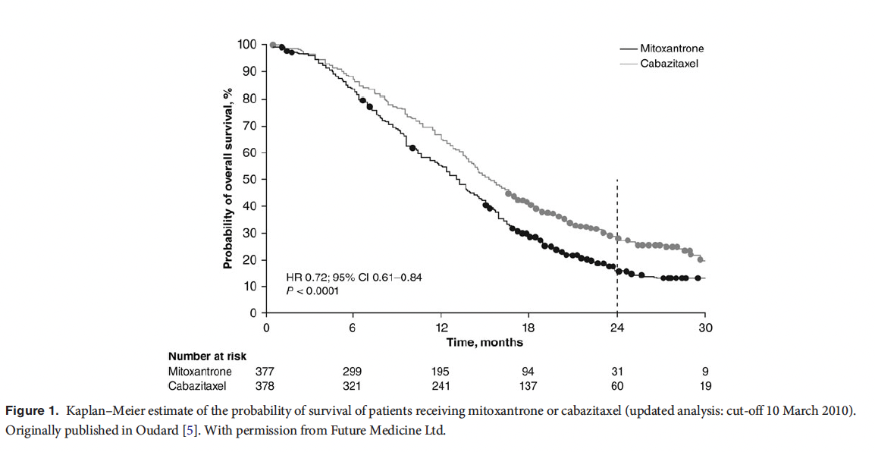
3 | 0.960
4.5 | 0.895
6 | 0.825
7.5 | 0.740
9 | 0.680
10.5 | 0.585
12 | 0.540
13.5 | 0.465
15 | 0.400
16.5 | 0.320
18 | 0.285
19.5 | 0.250
21 | 0.210
22.5 | 0.175
24 | 0.150
25.5 | 0.135
27 | 0.120
28.5 | 0.120
30 | 0.120

Kaplan-Meier
 | Empirical survival probability S(t)
0.00 | 1.0000
1.50 | 0.9700
3.00 | 0.9600
4.50 | 0.8950
6.00 | 0.8250
7.50 | 0.7400
9.00 | 0.6800
10.50 | 0.5850
12.00 | 0.5400
13.50 | 0.4650
15.00 | 0.4000
16.50 | 0.3200
18.00 | 0.2850
19.50 | 0.2500
21.00 | 0.2100
22.50 | 0.1750
24.00 | 0.1500
25.50 | 0.1350
27.00 | 0.1200
28.50 | 0.1200
30.00 | 0.1200

