XY
X | Y
0 | 1.000 | Add image of Figure 3 from Bono 2010 and check the x-axis and y-axis values of the Mitoxantrone lijn
0.75 | 0.850 | Use the number at risk values in the next sheet
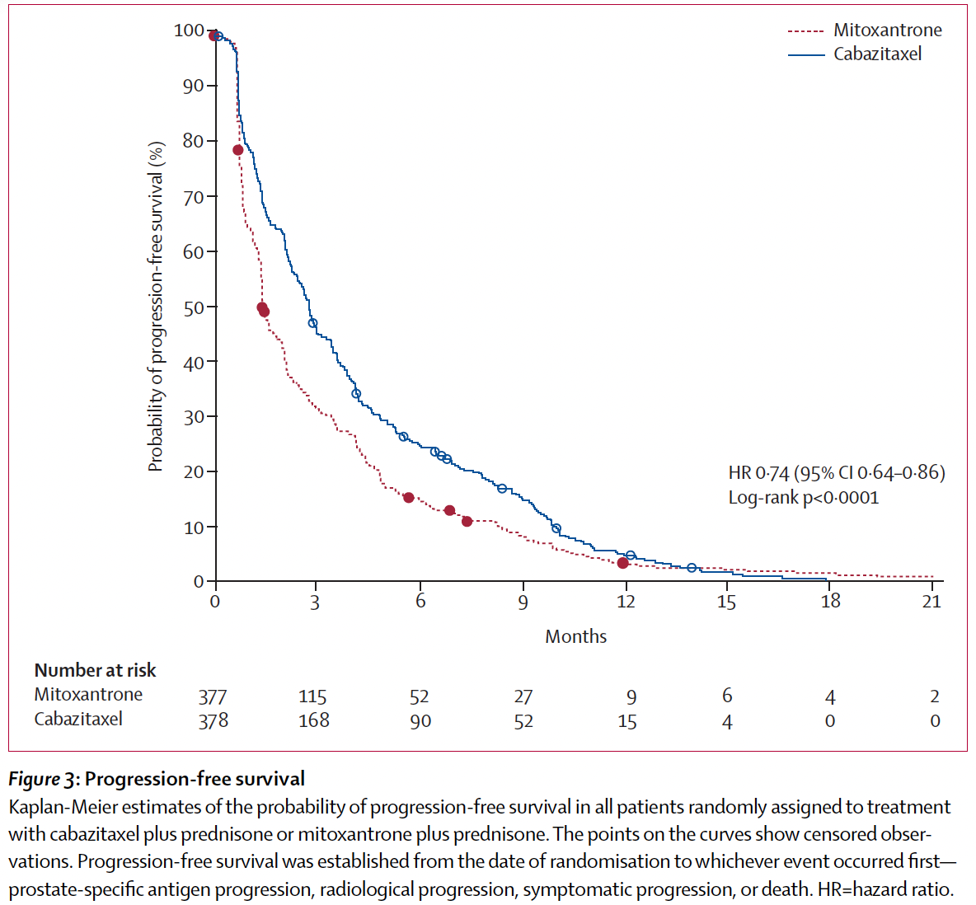
1.5 | 0.420
2.25 | 0.360
3 | 0.300
3.75 | 0.270
4.5 | 0.200
5.25 | 0.180
6 | 0.160
6.75 | 0.140
7.5 | 0.120
8.25 | 0.110
9 | 0.090
9.75 | 0.070
10.5 | 0.050
11.25 | 0.045
12 | 0.040
12.75 | 0.035
13.5 | 0.030
14.25 | 0.025
15 | 0.020
15.75 | 0.0175
16.5 | 0.015
17.25 | 0.0125
18 | 0.01
18.75 | 0.008
19.5 | 0.007
20.25 | 0.006
21 | 0.005

Kaplan-Meier
 | Empirical survival probability S(t)
0.00 | 1.00000 | 0.00 |  | 0.00
0.75 | 0.85000 | 0.75 |  | 0.75
1.50 | 0.42000 | 1.50 |  | 1.50
2.25 | 0.36000 | 2.25 |  | 2.25
3.00 | 0.30000 | 3.00 |  | 3.00
3.75 | 0.27000 | 3.75 |  | 3.75
4.50 | 0.20000 | 4.50 |  | 4.50
5.25 | 0.18000 | 5.25 |  | 5.25
6.00 | 0.16000 | 6.00 |  | 6.00
6.75 | 0.14000 | 6.75 |  | 6.75
7.50 | 0.12000 | 7.50 |  | 7.50
8.25 | 0.11000 | 8.25 |  | 8.25
9.00 | 0.09000 | 9.00 |  | 9.00
9.75 | 0.07000 | 9.75 |  | 9.75
10.50 | 0.05000 | 10.50 |  | 10.50
11.25 | 0.04500 | 11.25 |  | 11.25
12.00 | 0.04000 | 12.00 |  | 12.00
12.75 | 0.03500 | 12.75 |  | 12.75
13.50 | 0.03000 | 13.50 |  | 13.50
14.25 | 0.02500 | 14.25 |  | 14.25
15.00 | 0.02000 | 15.00 |  | 15.00
15.75 | 0.01750
16.50 | 0.01500
17.25 | 0.01250
18.00 | 0.01000
18.75 | 0.00800
19.50 | 0.00700
20.25 | 0.00600
21.00 | 0.00500

