XY
X | Y
0 | 1.000 | Add image of Figure 3 from Bono 2010 and check the x-axis and y-axis values of the Cabazitaxel line
0.75 | 0.850 | Use the number at risk values in the next sheet
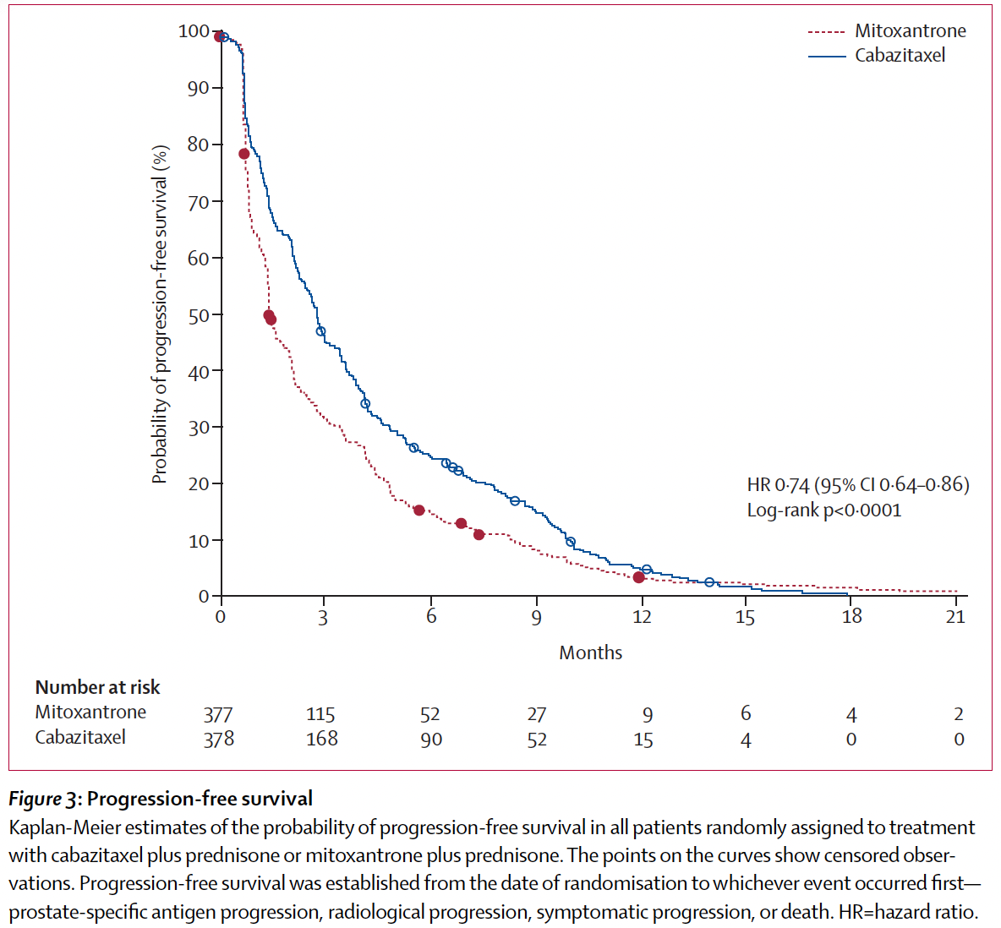
1.5 | 0.650
2.25 | 0.550
3 | 0.450
3.75 | 0.390
4.5 | 0.300
5.25 | 0.280
6 | 0.250
6.75 | 0.230
7.5 | 0.210
8.25 | 0.190
9 | 0.180
9.75 | 0.140
10.5 | 0.100
11.25 | 0.090
12 | 0.080
12.75 | 0.060
13.5 | 0.040
14.25 | 0.030
15 | 0.020
15.75 | 0.015
16.5 | 0.010
17.25 | 0.005
18 | 0.001
18.75 | 0.0005
19.5 | 0.0003
20.25 | 0.00015
21 | 0.0001

Kaplan-Meier
 | Empirical survival probability S(t)
0.00 | 1.0000 | 0.00 |  | 0.00
0.75 | 0.8500 | 0.75 |  | 0.75
1.50 | 0.6500 | 1.50 |  | 1.50
2.25 | 0.5500 | 2.25 |  | 2.25
3.00 | 0.4500 | 3.00 |  | 3.00
3.75 | 0.3900 | 3.75 |  | 3.75
4.50 | 0.3000 | 4.50 |  | 4.50
5.25 | 0.2800 | 5.25 |  | 5.25
6.00 | 0.2500 | 6.00 |  | 6.00
6.75 | 0.2300 | 6.75 |  | 6.75
7.50 | 0.2100 | 7.50 |  | 7.50
8.25 | 0.1900 | 8.25 |  | 8.25
9.00 | 0.1800 | 9.00 |  | 9.00
9.75 | 0.1400 | 9.75 |  | 9.75
10.50 | 0.1000 | 10.50 |  | 10.50
11.25 | 0.0900 | 11.25 |  | 11.25
12.00 | 0.0800 | 12.00 |  | 12.00
12.75 | 0.0600 | 12.75 |  | 12.75
13.50 | 0.0400 | 13.50 |  | 13.50
14.25 | 0.0300 | 14.25 |  | 14.25
15.00 | 0.0200 | 15.00 |  | 15.00
15.75 | 0.0150
16.50 | 0.0100
17.25 | 0.0050
18.00 | 0.0010
18.75 | 0.0005
19.50 | 0.0003
20.25 | 0.0002
21.00 | 0.0001

