XY
X | Y
0 | 1.000 | Add image of Figure 1 from Bahl 2013 and check the x-axis and y-axis values
1.5 | 0.980 | Use the number at risk values in the next sheet
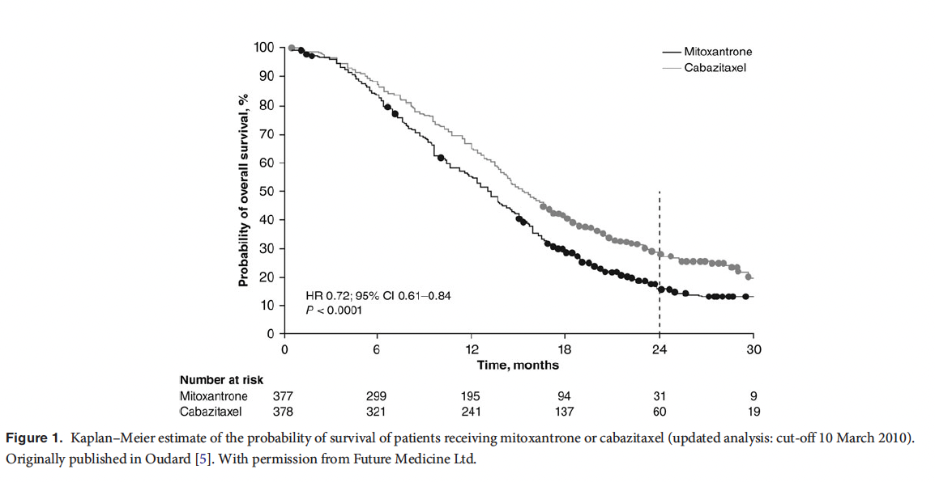
3 | 0.955
4.5 | 0.910
6 | 0.860
7.5 | 0.810
9 | 0.760
10.5 | 0.700
12 | 0.650
13.5 | 0.570
15 | 0.500
16.5 | 0.450
18 | 0.395
19.5 | 0.370
21 | 0.325
22.5 | 0.310
24 | 0.280
25.5 | 0.250
27 | 0.250
28.5 | 0.230
30 | 0.190

Kaplan-Meier
 | Empirical survival probability S(t)
0.00 | 1.0000
1.50 | 0.9800
3.00 | 0.9550
4.50 | 0.9100
6.00 | 0.8600
7.50 | 0.8100
9.00 | 0.7600
10.50 | 0.7000
12.00 | 0.6500
13.50 | 0.5700
15.00 | 0.5000
16.50 | 0.4500
18.00 | 0.3950
19.50 | 0.3700
21.00 | 0.3250
22.50 | 0.3100
24.00 | 0.2800
25.50 | 0.2500
27.00 | 0.2500
28.50 | 0.2300
30.00 | 0.1900

