Comparison Vanilla <-> Function
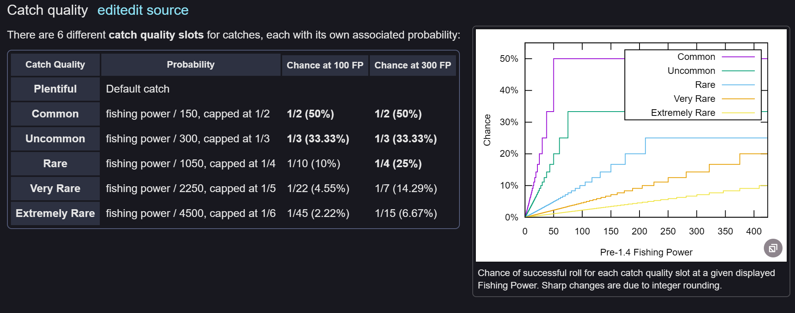
Name | cQual (Vanilla) | baseValue | Factor | Formula | cQual approx | Formula | difference
Plentiful | 0 |  |  | 0 | 0 | 0
Common | 1 | 150 |  | 150 | 1 | 150 | 0.00%
Uncommon | 2 | 300 | 2 | 450 | 1.585 | 300.01 | 0.00%
Rare | 3 | 1050 | 3.5 | 1050 | 3 | 1050 | 0.00%
Very Rare | 4 | 2250 | 2.14 | 2250.00 | 4 | 2250 | 0.00%
Extremely Rare | 5 | 4500 | 2 | 4650 | 4.954 | 4499.37 | -0.01%
Test Expolation 1 | 6 | 9000 | 2 | 9450 | 6 | 9450 | 4.76%
Test Expolation 2 | 7 | 18000 | 2 | 19050 | 7 | 19050 | 5.51%
https://terraria.fandom.com/wiki/Fishing

