00_COVER


CODERZ ACADEMY • ADVANCED EXCEL |  |  | ORANGE JORDAN

MODULE 01 |  | DAY 1 • 08 SEP 2026 | ≈ 100 MIN

ADVANCED FORMULAS & LOGICAL FUNCTIONS

المعادلات المتقدمة والدوال المنطقية

 | Turn service rules into clear, consistent Excel decisions.
 | حوّل قواعد خدمة العملاء والتشغيل لقرارات واضحة وثابتة داخل Excel.

01 SLA DECISIONS |  | Classify service-level performance consistently.
 |  | صنّف الالتزام بالـSLA بطريقة ثابتة وواضحة.

02 ESCALATION RULES |  | Escalate customer cases using multiple conditions.
 |  | صعّد الحالات حسب أكثر من شرط بدون اجتهاد يدوي.

03 SERVICE QUESTIONS |  | Answer recurring service-management questions without manual filtering.
 |  | جاوب أسئلة ادارة خدمة العملاء المتكررة بدون فلترة يدوية كل مرة.

 | START → 01_ROADMAP
 | ابدأ من 01_ROADMAP

04_IF_LAB
PRACTICE 01 • SLA PERFORMANCE DATA
NOW MAKE IT SURVIVE REAL SERVICE DATA

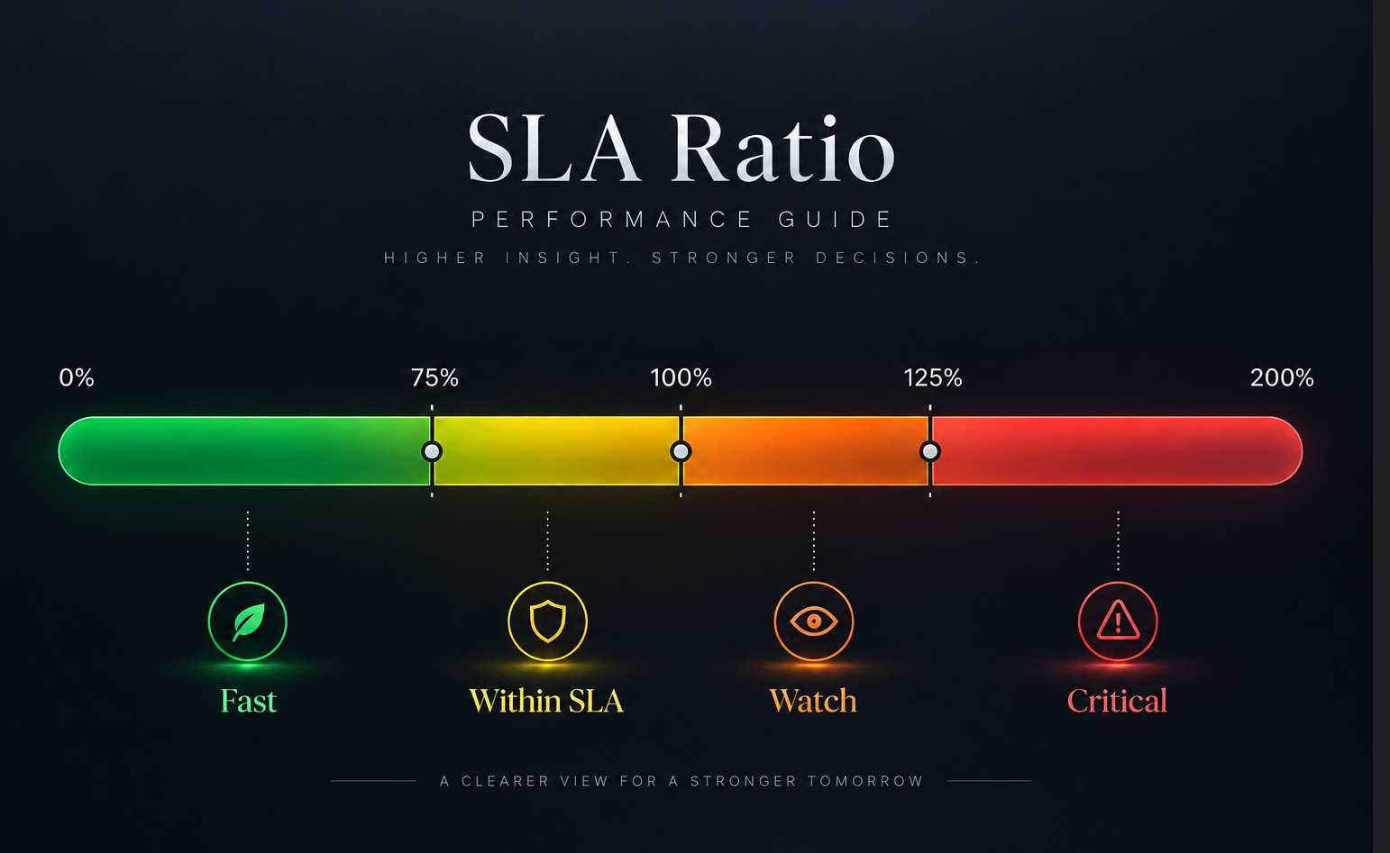
يلا نجرب

YOUR MISSION • Complete SLA Ratio, IF Result and IFS Tier for the practice rows.
اتطلع على الصورة ، وحل المعادلات باللون الاصفر

DEMO ROWS FIRST → THEN YOUR TURN

Case ID | SLA Hrs | Resolution Hrs | SLA Ratio | IF Result | IFS Tier | Mode
CASE-0011 | 8.00 | 10.80 | 135.0% | SLA Breach | Critical | DEMO
CASE-0012 | 8.00 | 9.60 | 120.0% | SLA Breach | Watch | DEMO
CASE-0013 | 24.00 | 41.40 | 172.5% | SLA Breach | Critical | DEMO
CASE-0014 | 24.00 | 25.80 |  |  |  | PRACTICE | SLA Breach | Watch
CASE-0015 | 12.00 | 14.10 |  |  |  | PRACTICE | Within SLA | Watch
CASE-0016 | 4.00 | 5.40 |  |  |  | PRACTICE | Within SLA | Critical
CASE-0017 | 24.00 | 12.60 |  |  |  | PRACTICE | Within SLA | Fast
CASE-0018 | 8.00 | 10.30 |  |  |  | PRACTICE | Within SLA | Critical
CASE-0019 | 8.00 | 2.80 |  |  |  | PRACTICE | Within SLA | Fast
CASE-0020 | 4.00 | 5.10 |  |  |  | PRACTICE | Within SLA | Critical
CASE-0021 | 12.00 | 13.50 |  |  |  | PRACTICE | Within SLA | Watch
CASE-0022 | 12.00 | 11.80 |  |  |  | PRACTICE | Within SLA | Within SLA
CASE-0023 | 48.00 | 62.10 |  |  |  | PRACTICE | Within SLA | Critical
CASE-0024 | 8.00 | 8.80 |  |  |  | PRACTICE | Within SLA | Watch
CASE-0025 | 12.00 | 7.60 |  |  |  | PRACTICE | Within SLA | Fast
CASE-0026 | 4.00 | 3.40 |  |  |  | PRACTICE | Within SLA | Within SLA
CASE-0027 | 8.00 | 12.80 |  |  |  | PRACTICE | Within SLA | Critical
CASE-0028 | 24.00 | 37.90 |  |  |  | PRACTICE | Within SLA | Critical
CASE-0029 | 12.00 | 15.30 |  |  |  | PRACTICE | Within SLA | Critical
CASE-0030 | 12.00 | 6.90 |  |  |  | PRACTICE | Within SLA | Fast
CASE-0031 | 4.00 | 3.30 |  |  |  | PRACTICE | Within SLA | Within SLA
CASE-0032 | 24.00 | 13.70 |  |  |  | PRACTICE | Within SLA | Fast
CASE-0033 | 48.00 | 67.20 |  |  |  | PRACTICE | Within SLA | Critical
CASE-0034 | 12.00 | 17.90 |  |  |  | PRACTICE | Within SLA | Critical
CASE-0035 | 48.00 | 84.20 |  |  |  | PRACTICE | Within SLA | Critical
CASE-0036 | 48.00 | 48.80 |  |  |  | PRACTICE | Within SLA | Watch
CASE-0037 | 4.00 | 1.90 |  |  |  | PRACTICE | Within SLA | Fast
CASE-0038 | 8.00 | 13.30 |  |  |  | PRACTICE | Within SLA | Critical
CASE-0039 | 48.00 | 77.50 |  |  |  | PRACTICE | Within SLA | Critical
CASE-0040 | 12.00 | 19.50 |  |  |  | PRACTICE | Within SLA | Critical

06_LOGIC_ANATOMY

CONCEPT 02 • AND / OR / IFERROR
BUILD THE RULE BEFORE THE FORMULA

اكتب قاعدة العمل أول... وبعدها حولها لمعادلة

YOUR MISSION • Translate the spoken rule into IF + AND + OR, then handle errors safely.
المطلوب منك • حوّل قاعدة العمل إلى IF + AND + OR، وبعدها عالج الأخطاء بشكل آمن.

STEP 1 • SAY IT
Open case AND (repeat contact OR SLA breach)

STEP 2 • TRANSLATE IT
=IF(AND(Status="Open", OR(RepeatContacts>=3, Resolution>SLA)), "Escalate", "Standard")

AND |  |  |  | All required conditions must be TRUE.
 |  |  |  | كل الشروط الأساسية لازم تكون صحيحة.

OR |  |  |  | At least one alternative condition may be TRUE.
 |  |  |  | يكفي شرط واحد من الشروط البديلة يكون صحيح.

SURPRISE PAIN • WHAT IF SLA = 0?

Resolution | SLA | Normal Ratio | Problem |  | SAFE VERSION
18 | 0 | #DIV/0! | Divide-by-zero |  | =IFERROR(Resolution/SLA,0)
12 | 4 | 3 | Works

IFERROR ما لازم يخبي مشاكل بدون تفكير. استخدمه لما تكون عارف شو النتيجة البديلة المنطقية.

07_LOGIC_LAB
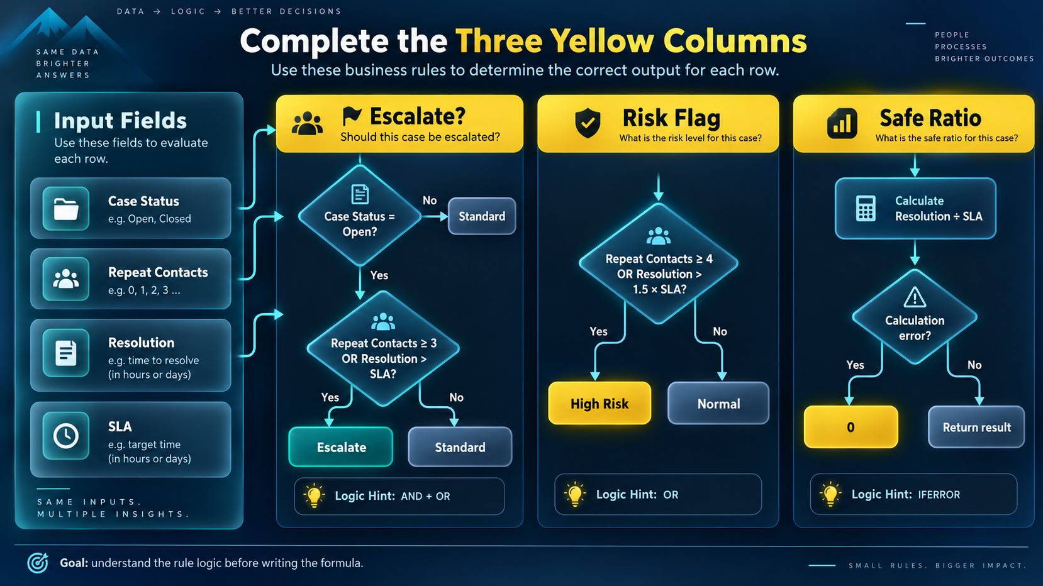
PRACTICE 02 • CASE ESCALATION DATA
APPLY THE RULE AT SCALE

Complete the three yellow columns using these business rules: Escalate? → Escalate only if the case is Open AND (Repeat Contacts ≥ 3 OR Resolution > SLA). Otherwise, return Standard. Risk Flag → Return High Risk if Repeat Contacts ≥ 4 OR Resolution is more than 1.5 × SLA. Otherwise, return Normal. Safe Ratio → Calculate Resolution ÷ SLA and use IFERROR to return 0 if the calculation fails.

YOUR MISSION • Complete Escalate?, Risk Flag and Safe Ratio.
المطلوب منك • عبّي قرار التصعيد ومؤشر الخطر والنسبة الآمنة.

Case ID | Case Status | Repeat Contacts | SLA | Resolution | Escalate? | Risk Flag | Safe Ratio
CASE-0051 | Open | 1 | 48 | 60.4
CASE-0052 | Pending Customer | 2 | 4 | 1.8
CASE-0053 | Resolved | 2 | 8 | 6.8
CASE-0054 | Open | 1 | 48 | 59.1
CASE-0055 | Pending Customer | 0 | 4 | 3.8
CASE-0056 | Open | 2 | 48 | 28.7
CASE-0057 | Open | 1 | 24 | 41.7
CASE-0058 | Open | 1 | 48 | 31.7
CASE-0059 | Resolved | 2 | 48 | 23.1
CASE-0060 | Pending Customer | 2 | 4 | 2.5
CASE-0061 | Resolved | 3 | 48 | 49.1
CASE-0062 | Open | 0 | 4 | 2.6
CASE-0063 | Resolved | 0 | 12 | 7.7
CASE-0064 | Resolved | 2 | 24 | 42.7
CASE-0065 | Open | 2 | 4 | 6.5
CASE-0066 | Open | 5 | 48 | 59.6
CASE-0067 | Pending Customer | 2 | 0 | 8.5
CASE-0068 | Open | 2 | 48 | 71.2
CASE-0069 | Resolved | 2 | 8 | 7.5
CASE-0070 | Resolved | 3 | 12 | 20.8
CASE-0071 | Resolved | 1 | 48 | 17.1
CASE-0072 | Resolved | 1 | 24 | 22
CASE-0073 | Resolved | 3 | 8 | 5.1
CASE-0074 | Open | 3 | 4 | 6.4
CASE-0075 | Pending Customer | 2 | 48 | 38.5
CASE-0076 | Resolved | 4 | 12 | 15.5
CASE-0077 | Resolved | 0 | 12 | 8.3
CASE-0078 | Open | 5 | 12 | 19.4
CASE-0079 | Pending Customer | 1 | 48 | 88.2
CASE-0080 | Resolved | 0 | 48 | 33.2

09_AGG_ANATOMY
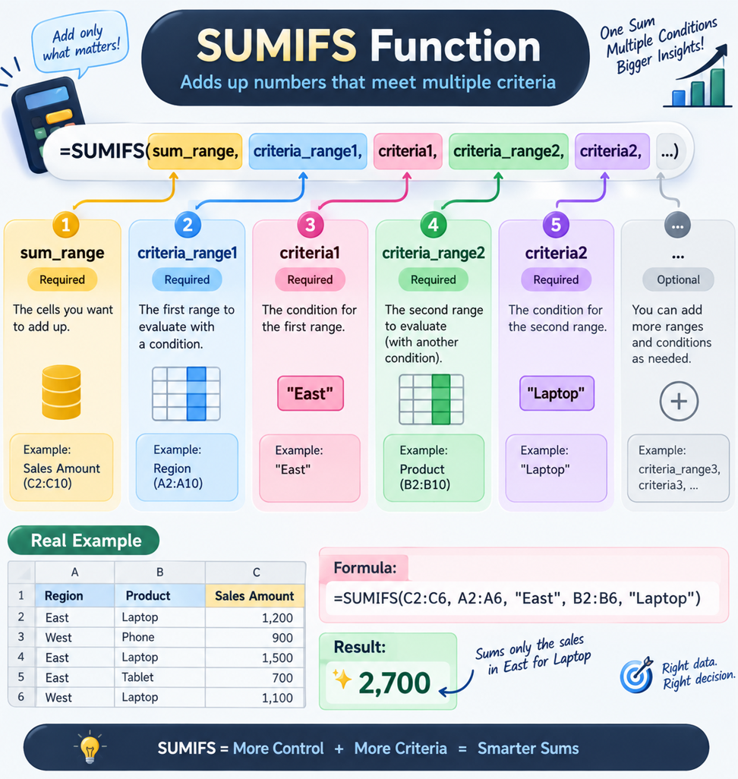
CONCEPT 03 • CONDITIONAL AGGREGATION
THREE FUNCTIONS. ONE THINKING PATTERN.

ثلاث دوال... نفس طريقة التفكير

YOUR MISSION • Understand the shared pattern behind SUMIFS, COUNTIFS and AVERAGEIFS.
المطلوب منك • افهم النمط المشترك بين SUMIFS وCOUNTIFS وAVERAGEIFS.

=SUMIFS(sum_range, criteria_range1, criteria1, criteria_range2, criteria2, ...)

sum_range |  |  | What service metric do you want to add?
 |  |  | شو العمود الرقمي اللي بدك تجمعه؟

criteria_range |  |  | Where should Excel check the condition?
 |  |  | وين Excel يدور على الشرط؟

criteria |  |  | What must be true?
 |  |  | شو القيمة أو الشرط المطلوب؟

SUMIFS |  |  | Adds values that meet all conditions.
 |  |  | تجمع القيم اللي تحقق كل الشروط.

COUNTIFS |  |  | Counts records that meet all conditions.
 |  |  | تعد السجلات اللي تحقق كل الشروط.

AVERAGEIFS |  |  | Averages values for the filtered population.
 |  |  | تحسب المتوسط بعد تطبيق الشروط.

نفس طريقة التفكير بثلاث دوال: شو الرقم؟ وين الشروط؟ وشو الشروط نفسها؟

ADVANCED CRITERIA • WHEN “=” IS NOT ENOUGH
شروط متقدمة • لما المساواة لحالها ما تكفي

BUSINESS RULE | EXCEL CRITERIA | WHAT EXCEL READS | WHY IT MATTERS
On or after the selected date | ">="&B14 | Greater than or equal to the date in B14 | The cutoff can change without rewriting the formula.
Below the selected threshold | "<"&B15 | Less than the value in B15 | Useful for CSAT, SLA, risk and service limits.
Anything except Pending | "<>"&"Pending" | Not equal to Pending | Exclude one business state while keeping the rest.

PRO TIP • The operator stays inside quotes. & connects that operator to a cell value.
اكتب معامل المقارنة داخل علامات الاقتباس، ثم استخدم & لربطه بقيمة الخلية.

