00_COVER
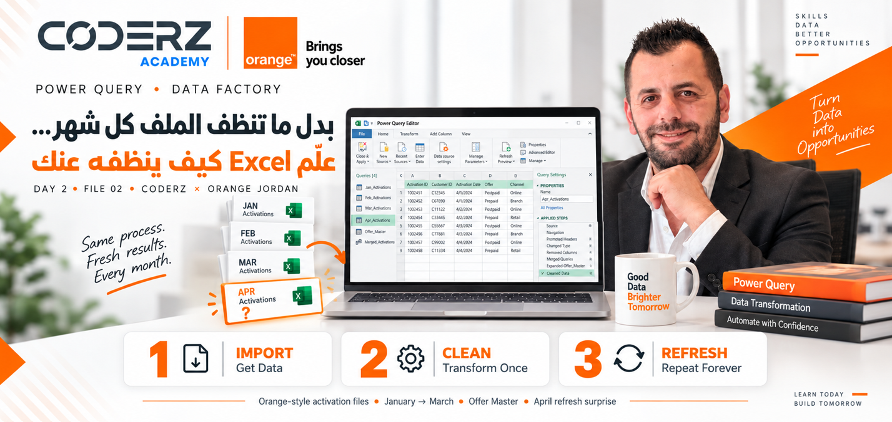


POWER QUERY • DATA FACTORY

بدل ما تنظف الملف كل شهر... علّم Excel كيف ينظفه عنك

DAY 2 • FILE 02 • CODERZ × ORANGE JORDAN

1 IMPORT Get Data | 2 CLEAN Transform Once | 3 REFRESH Repeat Forever

Orange-style activation files • January → March • Offer Master • April refresh surprise

05.01_APPEND_MERGE
