Pre_Analysis Board
PROJECT SPLIT
Category One - Independent Values
Gender
Physical Activity Level
Weather
Hydration Level
Category Two - Dependent Values
Age
Weight
Daily Water Intake
POTENTIAL INSIGHT
6. Higher physical activity levels are likely associated with increased water consumption.
7. Males may show higher average body weight compared to females, reflecting physiological and muscular differences.
8. Older age groups may show lower hydration levels, possibly linked to reduced thirst sensation or health conditions.
POTENTIAL QUESTION/ANALYSIS
1. Gender Analysis by Daily Water Intake
2. Physical Activity Level by Age
3. Weather Analysis by Daily Water Intake
4. Hydration Level by Weight
5. Physical Activity Level by Weight
6. Physical Activity Level by Daily Water Intake
7. Gender analysis by Weight
8. Hydration Level Analysis by Age

INDUSTRY TYPE
Health and Wellness Industries
STORY OF THE DATA
The data is telling a story about Daily Water Intake and Hydration level, highlighting physical activity, weather, age and weight as the key factors.
STAKEHOLDERS OF PROJECT
Public Health Agencies, Gym Directors, sports clubs, athletic trainers, and coaches
WHAT SUCCESS MEANS TO INDUSTRY
Success in the health and wellness industry means improving people’s quality of life by enabling sustained healthy behaviors, while reducing preventable diseases through adequate hydration, regular physical activity, and balanced nutrition.
POTENTIAL INSIGHT
1. A gender hydration gap could indicate the need for gender-specific hydration recommendations.
2. Physical activity may decline progressively with age, potentially due to occupational demands, health constraints, or lifestyle changes.
3. Higher temperatures are likely associated with increased daily water intake due to greater fluid loss through sweating.
4. Individuals with higher body weight may require greater water intake to achieve optimal hydration levels.
5. Individuals within a moderate weight range may display higher activity levels compared to underweight or obese groups.

In_Analysis Board
Analysis - Gender Analysis by Daily Water Intake
Observations
Male slightly lead with 42802.02 ltrs daily while Female consume 42771.31 ltrs daily
Pre-Insights
- A clear signal that both gender understood the importance of hydration.
Analysis - Weather Analysis by Daily Water Intake
Observations
Hot weather indicate highest daily water intake of 34,304.61 ltrs while the Normal weather accounts for 26,837.4 ltrs daily intake. Cold weather account for the lowest daily intake of 24,431.32 ltrs.
Pre-Insights
- Cold weather conditions may correspond with lower water consumption, which may result to an increased dehydration risk.
Analysis - Physical Activity Level by Count of Age
Observations
High physical activity clearly tops with 10,069 followed by Low physical activity individuals with 10,011, whereas the Moderate physical activity individuals shows the lowest of 9,920
Pre-Insights
- investigate why moderate physical activity shows lowest individuals and assess if there is a hidden health challenges among the individuals.

Analysis - Hydration Level by Count of Weight
Observations
Good hydration level clearly lead by 80% while Poor hydration accounts for 20%
Pre-Insights
This indicates that the majority of individuals in the dataset maintain adequate hydration. However, the one in five participants with poor hydration suggests that a notable proportion may still be at risk of dehydration.
Analysis - Physical Activity Level by Weight
Observations
High physical activity tops by 33.50% of the total weight while Low physical activity shows 33.42% of the total weight. Moderate physical activity account for 33.08% of the total weight
Pre-Insights
The minimal differences among the three groups suggest that body weight is evenly distributed regardless of physical activity level, indicating that other factors may have a greater influence on weight within this dataset.
Analysis - Physical Activity Level by Daily Water Intake
Observations
High physical activity tops with 33,462.42 ltrs of daily water intake follwed by Moderate physical activity with 28,103.23 ltrs intake daily whereas, Low physical activity account for 24,007.68 ltrs which is the lowest.
Pre-Insights
Participants with higher physical activity levels consume more water, likely due to the increased fluid loss associated with exercise and other strenuous activities. This highlights the importance of adjusting water intake according to activity level to maintain adequate hydration and support overall health and physical performance.

Analysis - Gender analysis by Weight
Observations
Female shows an average weight of 77.03kg while Male shows 76.67 kg
Pre-Insights
Analysis - Hydration Level Analysis by Age
Observations
77.99% of the total age shows Good hydration level, while 22.01% shows Poor Hydration level
Pre-Insights
This suggests that adequate hydration is common among most age groups in the dataset. However, the proportion with poor hydration highlights the need for targeted awareness and interventions to improve hydration among individuals who may be at greater risk.

Dashboard
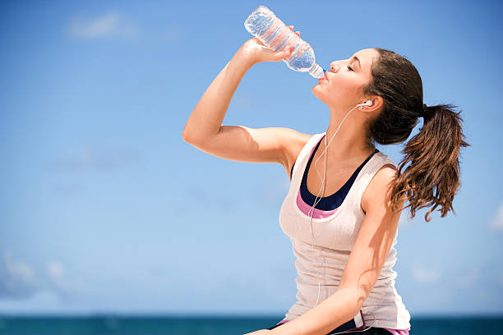
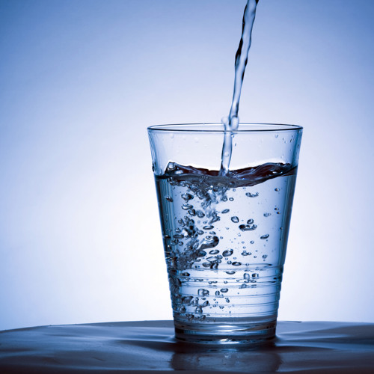
Exploratory Analysis for Daily Water Intake and Hydration Level

Dataset
Pre-Insigth
Observation
Recomm.

Total Participant
Gender Analysis by Daily Water Intake
Weather Analysis by DWI
Hydration Level by Weight
Physical Act. Level by Weight
30000
 | Total
Male | 15032
Female | 14968
 | Total
Hot | 40.1%
Normal | 31.4%
Cold | 28.6%
 | Total
Good | 80%
Poor | 20%
Average DWI (Ltrs)
 | Total
High | 33.50%
Low | 33.42%
Moderate | 33.08%
2.85
Ltrs

Average of Age
43
Yrs

Avg. Weight (kg)

76.85
Kg

Physical Activity Level by DWI
Hydration Level by Age
Gender analysis by Weight
Physical Activity Level by Count of Age
 | Total
High | 33462.42
Moderate | 28103.23
Low | 24007.68
 | Total
Good | 78%
Poor | 22%
 | Total
Female | 77.03
Male | 76.67
 | Total
High | 10069
Low | 10011
Moderate | 9920

Magaji Bashiru

Post_Analysis Observation
OBSERVATIONS
1. 14,968 female participants account for 42771.31 liters of daily water intake at an average of 2.86 ltrs per person. Among the population 5005 engaged in high physical activity, 4989 in low physical activity and 4974 engaged in a moderate physical activity with the respective daily water intake of 16623.38 liters, 11992.32 liters and 14155.61 liters. 78% of hydration by age is consider good while 22% is consider poor meanwhile, 80% hydration level by weight is consider good while 20% is consider poor. During the Hot weather daily water intake is increased by 40.3%, meanwhile on the Normal weather level only 31.4% is consume daily while during the Cold weather daily intake is reduced to 28.3%
3. 3,386 participant which include 1,732 males and 1,654 females engaged in High physical activity during the cold weather and their total daily water intake is 9744.23 ltrs at an average of 2.88 ltrs. 96% of hydration level by age is consider good while 4% is consider poor meanwhile, 97% hydration level by weight is consider good while 3% is consider poor.
2. 15,032 male participants account for 42,802.02 liters of daily water intake at an average of 2.85 ltrs per participant. The physical activity distribution include High 5064, Low 5022 and moderate 4946 with a daily water intake of 16839.04 ltrs, 12015.36 ltrs and 13947.62 ltrs respectively. During Hot weather daily water intake is increase by 39.8%, compared to Cold weather where daily intake is decreases to 31.3%, meanwhile on a Normal weather daily water intake is at 31.4%. 78% of hydration level by age is consider good while 22% is consider poor meanwhile, 80% hydration level by weight is consider good while 20% is consider poor.

4. 3,259 participant which include 1,637 males and 1,622 females engaged in low physical activity during the cold weather and their total daily water intake is 6547.11 ltrs at an average of 2.01 ltrs. 80% of hydration level by age is consider poor while 20% is consider good meanwhile, 23% hydration level by weight is consider good while 77% is consider poor.
5. 3,367 participant which include 1,682 males and 1,685 females engaged in Moderate physical activity during the cold weather and their total daily water intake is 8,139.98 ltrs at an average of 2.42 ltrs. 60% of hydration level by age is consider good while 40% is consider poor meanwhile, 63% hydration level by weight is consider good while 37% is consider poor.
6. During Hot weather 3,383 participant including 1,703 males and 1,680 females engaged in High physical activity and their total daily water intake is 13,197.8 ltrs at an average of 3.90 ltrs. hydration level by age and weight is consider 100% good.

7. During Hot weather 3,434 participant including 1,706 males and 1,728 females engaged in Low physical activity and their total daily water intake is 9987.41 ltrs at an average of 2.91 ltrs. 96% of hydration level by age is consider good while 4% is consider poor meanwhile, 97% hydration level by weight is consider good while 3% is consider poor.
8. During Hot weather 3,264 participant including 1,596 males and 1,668 females engaged in Moderate physical activity and their total daily water intake is 11,119.4 ltrs at an average of 3.41 ltrs. hydration level by age and weight is consider 100% good.
9. 3,330 participant which include 1,621 males and 1,671 females during Normal weather engaged in High physical activity and their total daily water intake is 10,520.38 ltrs at an average of 3.19 ltrs. Hydration level by age and weight are consider 100% good.

10. 3,318 participant which include 1,679 males and 1,639 females during Normal weather engaged in Low physical activity and their total daily water intake is 7,473.16 ltrs at an average of 2.25 ltrs. 43% of hydration level by age is consider good while 57% is consider poor meanwhile, 46% hydration level by weight is consider good while 54% is consider poor.
11. 3,289 participant which include 1,668 males and 1,621 females during Normal weather engaged in Moderate physical activity and their total daily water intake is 8,843.85 ltrs at an average of 2.69 ltrs. 86% of hydration level by age is consider good while 14% is consider poor meanwhile, 90% hydration level by weight is consider good while 10% is consider poor.

Post_Analysis Recommendation
RECOMMENDATIONS
1. Implement seasonal hydration guidelines, emphasizing increased water intake during hot weather and proactive hydration reminders during cold weather, where intake is consistently lower.
3. Encourage moderate physical activity as a gateway to improved hydration habits, as moderate activity groups showed substantially better hydration levels than low activity groups. Integrate also hydration prompts into fitness and wellness programs to reinforce water consumption alongside activity routines.
2. Prioritize hydration education for individuals with low physical activity, particularly in cold and normal weather, where up to 80% poor hydration by age and 77% by weight were observed and encourage minimum daily intake benchmarks (≥2.5 L) for sedentary individuals to reduce dehydration risk.

4. Adopt age and weight adjusted hydration recommendations, especially for older or heavier individuals, to prevent underhydration, using analytics-driven thresholds rather than universal intake recommendations to improve hydration accuracy.
5. Leverage wearable devices and mobile health apps to:
- Track daily water intake
- Trigger hydration reminders based on weather and activity level
- Flag dehydration risk for low-activity users
6. Employers should implement hydration policies in both indoor and outdoor workplaces, especially during cold and hot seasons by providing easy access to drinking water and visual hydration cues in offices, factories, and public spaces.

