Sheet1
Version: | 2018.08.23 | Unnamed: 2 | Unnamed: 3 | Unnamed: 4 | Unnamed: 5 | Unnamed: 6 | Unnamed: 7 | Unnamed: 8 | Unnamed: 9 | Unnamed: 10 | Unnamed: 11 | Unnamed: 12 | Unnamed: 13 | Unnamed: 14 | Unnamed: 15 | Unnamed: 16 | Unnamed: 17 | Unnamed: 18 | Unnamed: 19 | Unnamed: 20 | Unnamed: 21 | Unnamed: 22 | Unnamed: 23 | Unnamed: 24 | Unnamed: 25 | Unnamed: 26 | Unnamed: 27 | Unnamed: 28 | Unnamed: 29 | Unnamed: 30 | Unnamed: 31 | Unnamed: 32 | Unnamed: 33 | Unnamed: 34 | Unnamed: 35 | Unnamed: 36 | Unnamed: 37 | Unnamed: 38
Data file: | C:\Users\u0131228\OneDrive - KU Leuven\FODMAPinfusion study\Updates Phil\ICOF_01\ICOF1_V2_22_11_2023_1.txt |  |  |  |  |  |  |  |  |  |  |  |  |  |  |  |  |  | Post-Wake | Start FODMAP | stop FODMAP | Start meam
Seq file: | C:\Users\u0131228\OneDrive - KU Leuven\FODMAPinfusion study\Analyses Phil\HRCM_ICOF_AP_Checked\ICOF1_V2_22_11_2023 (2).seq |  |  |  |  |  |  |  |  |  |  |  |  |  |  |  |  | Ascending | 5 | 4 | 35 | 35
Channels: | 28 |  |  |  |  |  |  |  |  |  |  |  |  |  |  |  |  | Transverse | 1 | 7 | 15 | 31
Samples: | 163758 |  |  |  |  |  |  |  |  |  |  |  |  |  |  |  |  | Descending | 0 | 0 | 17 | 31
Freq (Hz): | 10 |  |  |  |  |  |  |  |  |  |  |  |  |  |  |  |  | Sigmoid | 0 | 0 | 0 | 0
Options: | Zero Above: |  | Remove Baselines: | 1 | Remove Synchronous: | 1 | Channel Smooth: |  | Sample Smooth (s): |  |  |  |  |  |  |  |  | Rectum | 0 | 0 | 0 | 0
Height Res (mm/chan): | 30 |  |  |  |  |  |  |  |  |  |  |  |  |  |  |  |  | Ascending tot in Rectum | 1 | 2 | 7 | 4
Synch. Bound (mm/s): | 300 |  |  |  |  |  |  |  |  |  |  |  |  |  |  |  |  | Transverse tot in Rectum | 0 | 0 | 4 | 0
Regions: | 0 |  |  |  |  |  |  |  |  |  |  |  |  |  |  |  |  | Descending tot in Rectum | 0 | 1 | 3 | 3
Regions Start: |  |  |  |  |  |  |  |  |  |  |  |  |  |  |  |  |  | Sigmoid tot in Rectum | 0 | 0 | 2 | 0
Regions End:
 |  |  |  |  |  |  |  |  |  |  |  |  |  |  |  |  |  | aantal long s | 0 | 1 | 8 | 20 |  | 0 | 1 | 7
 |  |  |  |  |  |  |  |  |  |  |  |  |  |  |  |  |  | aantal short s | 0 | 0 | 0 | 0 |  | 0 | 0 | 1
 |  |  |  |  |  |  |  |  |  |  |  |  |  |  |  |  |  | aantal long r | 5 | 5 | 39 | 42 |  | 2 | 3 | 22
 |  |  |  |  |  |  |  |  |  |  |  |  |  |  |  |  |  | aantal short r | 0 | 0 | 0 | 0 |  | 3 | 6 | 17
 |  |  |  |  |  |  |  |  |  |  |  |  |  |  |  |  |  | aantal long a | 2 | 4 | 27 | 31 |  | 2 | 3 | 33
 |  |  |  |  |  |  |  |  |  |  |  |  |  |  |  |  |  | aantal short a | 0 | 0 | 0 | 0 |  | 0 | 1 | 3
 |  |  |  |  |  |  |  |  |  |  |  |  |  |  |  |  |  | cyclic s | 0 | 0 | 0 | 0
 |  |  |  |  |  |  |  |  |  |  |  |  |  |  |  |  |  | cyclic r | 0 | 1 | 0 | 1
 |  |  |  |  |  |  |  |  |  |  |  |  |  |  |  |  |  | cyclic a | 0 | 0 | 6 | 6
 |  |  |  |  |  |  |  |  |  |  |  |  |  |  |  |  |  | HAPCs | 0 | 1 | 1 | 1
 |  |  |  |  |  |  |  |  |  |  |  |  |  |  |  |  |  | HARPCs | 0 | 0 | 0 | 0
 |  |  |  |  |  |  |  |  |  |  |  |  |  |  |  |  |  | Interrupted LA | 0 | 0 | 3 | 0
 |  |  |  |  |  |  |  |  |  |  | Ascending |  |  |  |  | Transverse |  |  |  |  |  |  | Descending |  |  |  |  |  |  | Sigmoid |  |  |  |  | Rectum
Sequence | Hour | Minute | Second | Sample | Ant/Ret | Vel (mm/s) | Start Chan | End Chan | Length | Start Region | 1 | 2 | 3 | 4 | 5 | 6 | 7 | 8 | 9 | 10 | 11 | 12 | 13 | 14 | 15 | 16 | 17 | 18 | 19 | 20 | 21 | 22 | 23 | 24 | 25 | 26 | 27 | 28
1 | 0 | 0 | 28 | 284 | a | 19.56135 | 2 | 12 | 11 |  |  | 13.517051 | 3.7492318 | 34.65193 | 9.415447 | 8.14155 | 8.420465 | 13.374083 | 22.363758 | 42.402702 | 35.15552 | 16.64785
2 | 0 | 24 | 5 | 14445 | r | -6.471894 | 1 | 6 | 6 |  | 16.685232 | 19.42786 | 14.599973 | 7.2324266 | 4.7421002 | 6.149237
3 | 0 | 27 | 44 | 16641 | a | 34.156593 | 3 | 27 | 25 |  |  |  | 7.7023087 | 7.7221975 | 10.82133 | 14.590489 | 27.611351 | 31.751318 | 34.862537 | 35.827175 | 9.440556 | 26.998646 | 34.02812 | 19.368904 | 4.013207 | 3.0836487 | 0 | 41.786392 | 21.59108 | 22.487312 | 23.16978 | 35.679554 | 160.2683 | 142.38579 | 234.64473 | 6.2282195 | 8.318748
4 | 0 | 43 | 40 | 26196 | r | -2.34375 | 4 | 7 | 4 |  |  |  |  | 23.274368 | 28.612244 | 69.552444 | 19.689852
5 | 0 | 50 | 23 | 30226 | r | -2.8328612 | 3 | 6 | 4 |  |  |  | 10.20686 | 26.87488 | 36.925117 | 103.96815
6 | 0 | 56 | 33 | 33932 | r | -11.952191 | 7 | 10 | 4 |  |  |  |  |  |  |  | 3.7820983 | 12.29862 | 8.215597 | 35.150177
7 | 0 | 57 | 6 | 34264 | r | -6.9930067 | 1 | 5 | 5 |  | 12.360085 | 11.633622 | 6.7756805 | 10.739017 | 38.748383
Start FODMAP | 0 | 58 | 30 | Start FODMAP | Start FODMAP | Start FODMAP | Start FODMAP | Start FODMAP | Start FODMAP
8 | 1 | 6 | 57 | 40173 | a | 32.66736 | 4 | 27 | 24 |  |  |  |  | 10.7446575 | 9.751435 | 29.469025 | 5.0044518 | 1.7283001 | 40.920906 | 45.510193 | 51.39216 | 17.067451 | 5.662081 | 30.830032 | 6.2032027 | 2.9046745 | 7.982151 | 9.464017 | 9.762667 | 13.150518 | 9.899043 | 9.465157 | 78.729126 | 208.35706 | 143.62846 | 11.524084 | 7.52016
9 | 1 | 9 | 43 | 41832 | r | -12.789281 | 3 | 8 | 6 |  |  |  | 19.158386 | 25.559822 | 9.071533 | 5.4272714 | 1.9597158 | 11.591322
10 | 1 | 9 | 56 | 41958 | r | -9.677419 | 7 | 10 | 4 |  |  |  |  |  |  |  | 14.552662 | 18.810713 | 6.41814 | 42.69213
11 | 1 | 10 | 54 | 42536 | r | -7.957559 | 2 | 5 | 4 |  |  | 18.014452 | 17.222204 | 21.263985 | 12.060024
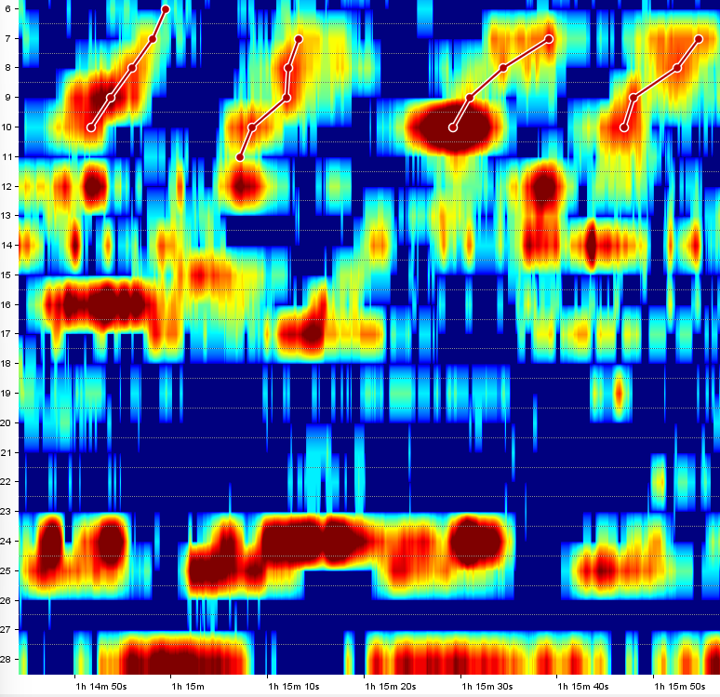
12 | 1 | 11 | 45 | 43050 | r | -10.989011 | 2 | 5 | 4 |  |  | 5.4519815 | 14.176123 | 10.030315 | 8.450707
13 | 1 | 13 | 33 | 44134 | a | 41.09589 | 10 | 13 | 4 |  |  |  |  |  |  |  |  |  |  | 33.99735 | 48.451717 | 50.746216 | 69.41687
14 | 1 | 14 | 1 | 44411 | s | 562.49994 | 17 | 25 | 9 |  |  |  |  |  |  |  |  |  |  |  |  |  |  |  |  |  | 18.390823 | 6.9502373 | 7.3706646 | 7.456173 | 6.8423786 | 6.6496468 | 5.9504204 | 104.370316 | 4.7685947
15 | 1 | 14 | 46 | 44861 | r | -15.228426 | 6 | 10 | 5 |  |  |  |  |  |  | 2.6093247 | 5.6050496 | 9.229278 | 20.074503 | 11.425112
16 | 1 | 15 | 4 | 45035 | r | -18.75 | 7 | 11 | 5 |  |  |  |  |  |  |  | 6.3942738 | 12.3265 | 11.889699 | 11.842675 | 3.956481
17 | 1 | 15 | 14 | 45144 | r | -11.152416 | 1 | 4 | 4 |  | 4.068562 | 4.3389916 | 8.763931 | 6.6029663
18 | 1 | 15 | 23 | 45229 | r | -9.036144 | 7 | 10 | 4 |  |  |  |  |  |  |  | 12.841032 | 8.919274 | 6.9546123 | 44.805504
19 | 1 | 15 | 40 | 45402 | r | -10.869564 | 7 | 10 | 4 |  |  |  |  |  |  |  | 8.669582 | 9.364277 | 11.673509 | 12.256872
20 | 1 | 17 | 24 | 46437 | a | 36.353466 | 2 | 27 | 26 |  |  | 15.358331 | 46.88718 | 30.31159 | 29.24833 | 37.090046 | 29.682121 | 26.829582 | 39.47268 | 40.863346 | 38.811592 | 40.36149 | 50.62583 | 167.95657 | 23.883984 | 40.478317 | 75.399 | 22.806137 | 22.928864 | 22.196503 | 22.20528 | 23.703922 | 181.3793 | 131.62549 | 51.330658 | 9.896643 | 9.259395
21 | 1 | 18 | 3 | 46832 | a | 12.096775 | 11 | 15 | 5 |  |  |  |  |  |  |  |  |  |  |  | 4.91255 | 47.608704 | 32.177597 | 115.25219 | 11.709852
stop FODMAP | 1 | 19 | 30 | stop FODMAP | stop FODMAP | stop FODMAP | stop FODMAP | stop FODMAP | stop FODMAP
22 | 1 | 19 | 53 | 47929 | r | -18.716576 | 10 | 15 | 6 |  |  |  |  |  |  |  |  |  |  | 8.44632 | 9.765272 | 21.869373 | 9.364433 | 77.822495 | 23.464966
23 | 1 | 20 | 45 | 48452 | a | 249.99998 | 6 | 10 | 5 |  |  |  |  |  |  | 5.723144 | 7.561724 | 7.065113 | 7.0802183 | 3.0891953
24 | 1 | 20 | 48 | 48479 | r | -16.94915 | 13 | 17 | 5 |  |  |  |  |  |  |  |  |  |  |  |  |  | 13.621619 | 78.34319 | 8.319225 | 5.4623933 | 27.702026
25 | 1 | 21 | 54 | 49135 | a | 13.704319 | 4 | 14 | 11 |  |  |  |  | 5.8168416 | 7.4828014 | 9.143141 | 9.696278 | 3.7810655 | 15.797555 | 10.612138 | 13.759377 | 10.494593 | 5.053567 | 5.012249
26 | 1 | 23 | 4 | 49837 | a | 300 | 12 | 16 | 5 |  |  |  |  |  |  |  |  |  |  |  |  | 6.8147526 | 7.016754 | 64.99137 | 7.317315 | 66.43751
27 | 1 | 23 | 10 | 49898 | r | -12.987013 | 2 | 5 | 4 |  |  | 7.32084 | 13.336817 | 14.838625 | 15.531215
28 | 1 | 23 | 21 | 50005 | a | 12.931033 | 10 | 13 | 4 |  |  |  |  |  |  |  |  |  |  | 20.100452 | 15.681616 | 16.543222 | 4.9792724
29 | 1 | 24 | 12 | 50524 | a | 30.829853 | 6 | 25 | 20 |  |  |  |  |  |  | 4.1758137 | 8.214129 | 11.022888 | 10.943791 | 8.423235 | 9.598751 | 16.806576 | 25.584393 | 115.54021 | 24.055565 | 20.143753 | 26.20789 | 14.844739 | 13.511663 | 15.922077 | 13.259777 | 14.209604 | 11.823539 | 118.73209 | 55.472416
30 | 1 | 24 | 36 | 50763 | r | -19.160583 | 1 | 6 | 6 |  | 2.1351662 | 15.402812 | 8.748392 | 22.299402 | 6.7917657 | 29.357903
31 | 1 | 25 | 33 | 51330 | s | 5040 | 18 | 25 | 8 |  |  |  |  |  |  |  |  |  |  |  |  |  |  |  |  |  |  | 13.868591 | 13.619148 | 12.920489 | 12.590333 | 27.73986 | 13.651181 | 81.52621 | 36.884514
32 | 1 | 25 | 51 | 51507 | a | 15.334572 | 5 | 15 | 11 |  |  |  |  |  | 9.568717 | 6.8777685 | 14.098403 | 14.196942 | 13.390739 | 18.19299 | 22.20238 | 24.369736 | 30.698095 | 134.13884 | 18.671713
33 | 1 | 27 | 45 | 52654 | r | -8.522727 | 2 | 6 | 5 |  |  | 11.156746 | 11.245367 | 14.52558 | 11.373202 | 21.503304
34 | 1 | 30 | 43 | 54430 | a | 26.965096 | 4 | 26 | 23 |  |  |  |  | 8.852648 | 16.454552 | 53.884468 | 15.254648 | 14.757598 | 38.371216 | 32.02536 | 34.281784 | 37.827003 | 35.979313 | 78.45047 | 21.531292 | 17.831264 | 16.185474 | 15.591564 | 16.682663 | 15.615093 | 16.594246 | 75.36399 | 16.695312 | 107.37451 | 70.84376 | 55.75644
35 | 1 | 35 | 25 | 57249 | a | 29.567856 | 1 | 25 | 25 |  | 8.45866 | 9.137521 | 9.663636 | 10.6475725 | 26.066143 | 64.23551 | 23.912691 | 24.13695 | 117.57824 | 17.061363 | 23.992193 | 24.892666 | 25.976402 | 9.104204 | 7.9597473 | 10.102587 | 33.26078 | 19.756706 | 22.95095 | 19.64952 | 18.539892 | 192.01935 | 7.7748523 | 113.26649 | 20.816467
36 | 1 | 36 | 13 | 57730 | r | -28.799997 | 15 | 22 | 8 |  |  |  |  |  |  |  |  |  |  |  |  |  |  |  | 5.870159 | 6.8687477 | 36.257122 | 20.59071 | 10.206876 | 10.205064 | 10.568194 | 14.044105
37 | 1 | 38 | 31 | 59113 | r | -22.08202 | 1 | 7 | 7 |  | 12.502333 | 7.463485 | 12.516715 | 25.979298 | 16.778027 | 42.253716 | 12.173996
38 | 1 | 40 | 12 | 60120 | r | -32.258064 | 11 | 14 | 4 |  |  |  |  |  |  |  |  |  |  |  | 4.638845 | 6.3584266 | 8.322454 | 12.348683
39 | 1 | 40 | 45 | 60449 | r | -16.853931 | 1 | 4 | 4 |  | 6.7196712 | 7.4411564 | 12.791935 | 11.584749
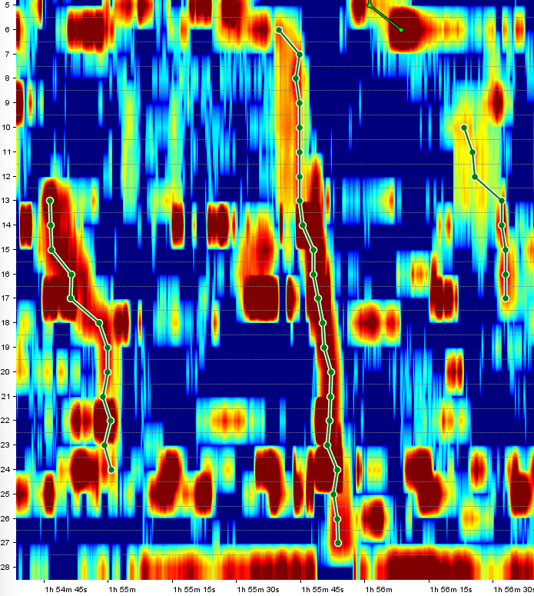
40 | 1 | 40 | 58 | 60579 | r | -21.582735 | 15 | 19 | 5 |  |  |  |  |  |  |  |  |  |  |  |  |  |  |  | 8.348106 | 13.504484 | 11.389184 | 5.331247 | 34.48002
41 | 1 | 41 | 20 | 60801 | r | -8.02139 | 1 | 4 | 4 |  | 4.07791 | 8.705652 | 7.893486 | 28.030302
42 | 1 | 45 | 45 | 63453 | a | 17.96326 | 6 | 25 | 20 |  |  |  |  |  |  | 8.51281 | 2.384212 | 4.9946012 | 12.557901 | 15.071313 | 18.230995 | 10.2984295 | 18.177542 | 72.295105 | 22.061628 | 21.931683 | 18.56649 | 35.834667 | 7.046604 | 7.869989 | 6.8729324 | 10.983716 | 7.978226 | 54.204887 | 14.378788
43 | 1 | 46 | 21 | 63808 | r | -17.64706 | 3 | 6 | 4 |  |  |  | 11.716797 | 10.147793 | 22.529715 | 10.16135
44 | 1 | 46 | 43 | 64033 | r | -7.772021 | 11 | 14 | 4 |  |  |  |  |  |  |  |  |  |  |  | 5.908202 | 8.88081 | 13.872919 | 43.63147
45 | 1 | 46 | 58 | 64183 | r | -7.444169 | 15 | 18 | 4 |  |  |  |  |  |  |  |  |  |  |  |  |  |  |  | 14.123722 | 7.650882 | 31.751402 | 43.365456
46 | 1 | 47 | 44 | 64637 | s | -630 | 17 | 24 | 8 |  |  |  |  |  |  |  |  |  |  |  |  |  |  |  |  |  | 67.37894 | 8.9210205 | 8.968317 | 8.263618 | 8.978579 | 8.792361 | 9.133371 | 146.97525
47 | 1 | 52 | 22 | 67419 | a | 28.908833 | 6 | 22 | 17 |  |  |  |  |  |  | 2.453948 | 4.44055 | 1.6788626 | 2.397129 | 2.152741 | 4.6291366 | 13.854071 | 14.626948 | 136.29878 | 14.611817 | 11.022173 | 134.02573 | 15.527029 | 17.073347 | 17.797329 | 17.429138 | 82.94787
48 | 1 | 54 | 43 | 68826 | a | 19.806093 | 13 | 24 | 12 |  |  |  |  |  |  |  |  |  |  |  |  |  | 52.19959 | 17.850437 | 18.773014 | 18.092377 | 71.44624 | 15.8054085 | 14.286272 | 13.984892 | 6.31878 | 70.62567 | 5.8593626 | 9.500333
49 | 1 | 55 | 38 | 69382 | a | 50.513405 | 6 | 27 | 22 |  |  |  |  |  |  | 10.412444 | 9.956033 | 13.156633 | 10.758928 | 11.799085 | 11.708333 | 11.964458 | 12.593297 | 140.57745 | 31.594162 | 28.969936 | 130.01797 | 26.255413 | 21.499004 | 18.194088 | 18.726654 | 7.5548716 | 42.611187 | 98.63224 | 9.025087 | 13.032693 | 12.734534
50 | 1 | 55 | 59 | 69594 | a | 23.595503 | 1 | 6 | 6 |  | 7.1277986 | 4.1201334 | 4.0134945 | 4.9234943 | 7.7480283 | 65.11283
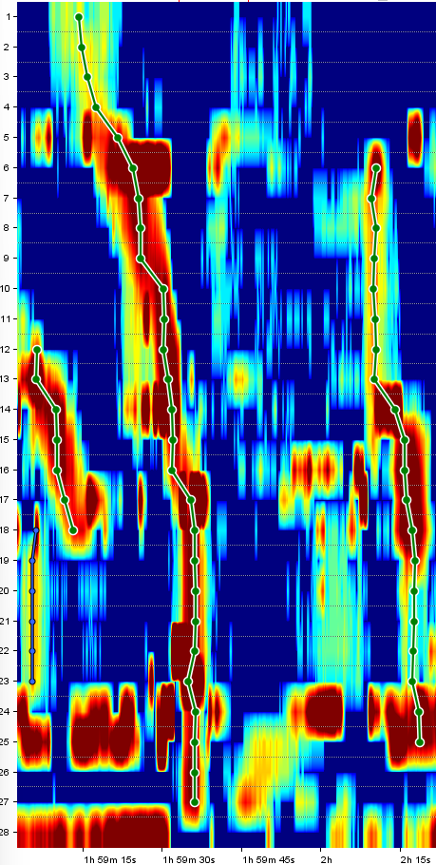
51 | 1 | 56 | 18 | 69776 | a | 19.84252 | 10 | 17 | 8 |  |  |  |  |  |  |  |  |  |  | 7.0089893 | 6.145558 | 5.6268997 | 10.080648 | 30.68406 | 7.8619356 | 14.034602 | 8.980237
52 | 1 | 57 | 49 | 70689 | r | -15.706805 | 13 | 16 | 4 |  |  |  |  |  |  |  |  |  |  |  |  |  | 45.769623 | 96.71097 | 11.3415575 | 11.58989
53 | 1 | 58 | 15 | 70951 | s | -2625 | 19 | 24 | 6 |  |  |  |  |  |  |  |  |  |  |  |  |  |  |  |  |  |  |  | 13.519577 | 13.545776 | 13.397412 | 13.257806 | 13.144885 | 44.7614
54 | 1 | 58 | 29 | 71089 | r | -51.724133 | 13 | 23 | 11 |  |  |  |  |  |  |  |  |  |  |  |  |  | 28.560932 | 6.5086684 | 11.758866 | 57.82247 | 88.46863 | 14.181999 | 10.89006 | 10.732668 | 10.206427 | 10.737734 | 10.062447
55 | 1 | 59 | 4 | 71443 | a | 26.751593 | 12 | 18 | 7 |  |  |  |  |  |  |  |  |  |  |  |  | 9.740098 | 42.24694 | 24.37262 | 21.464415 | 15.943879 | 10.69079 | 12.167126
56 | 1 | 59 | 5 | 71450 | s | -349.99997 | 18 | 23 | 6 |  |  |  |  |  |  |  |  |  |  |  |  |  |  |  |  |  |  | 23.490774 | 6.917886 | 6.351146 | 5.9403777 | 5.4186893 | 6.3151274
57 | 1 | 59 | 13 | 71533 | a | 35.074947 | 1 | 27 | 27 |  | 3.9157236 | 5.767628 | 5.039735 | 6.4846745 | 15.0969515 | 64.24506 | 18.057323 | 16.545172 | 17.102148 | 17.464567 | 23.157976 | 27.130964 | 24.984507 | 133.11694 | 16.274654 | 14.123102 | 119.0039 | 18.742502 | 18.598959 | 18.369587 | 18.602617 | 14.450979 | 83.43471 | 14.289671 | 14.518066 | 13.907291 | 14.423494
58 | 2 | 0 | 8 | 72083 | a | 52.79873 | 6 | 25 | 20 |  |  |  |  |  |  | 30.042671 | 8.517838 | 8.091619 | 8.735039 | 8.341438 | 9.045364 | 7.7821484 | 9.613167 | 62.10044 | 18.391922 | 25.843914 | 22.792067 | 22.214453 | 11.857812 | 1.2769451 | 1.9439745 | 2.4489632 | 2.754344 | 41.045124 | 2.6487694
59 | 2 | 1 | 50 | 73102 | a | 30.864197 | 14 | 18 | 5 |  |  |  |  |  |  |  |  |  |  |  |  |  |  | 21.03931 | 13.615034 | 12.348248 | 78.16905 | 27.73176
60 | 2 | 5 | 9 | 75090 | a | 21.88329 | 1 | 21 | 21 |  | 6.9579153 | 6.4412355 | 6.460663 | 5.227317 | 11.821684 | 80.3277 | 9.916835 | 38.811596 | 19.789879 | 23.994326 | 22.948486 | 33.235664 | 31.450493 | 67.01862 | 18.590494 | 15.006001 | 112.18222 | 13.450667 | 8.780056 | 8.4064865 | 7.966179
61 | 2 | 7 | 56 | 76762 | a | 18.671646 | 6 | 20 | 15 |  |  |  |  |  |  | 53.519104 | 13.187456 | 59.471542 | 31.914341 | 30.766872 | 32.171604 | 32.11503 | 31.33141 | 55.938786 | 33.20613 | 28.944893 | 100.63141 | 22.728378 | 21.325218 | 5.92899
62 | 2 | 10 | 59 | 78588 | r | -16.04278 | 15 | 18 | 4 |  |  |  |  |  |  |  |  |  |  |  |  |  |  |  | 8.06655 | 16.71339 | 18.02923 | 13.817446
63 | 2 | 11 | 13 | 78727 | a | 17.14361 | 1 | 25 | 25 |  | 4.922163 | 6.7650394 | 12.286925 | 13.208717 | 12.923255 | 10.285546 | 16.185387 | 19.19413 | 270.5134 | 31.899315 | 31.689316 | 32.91765 | 33.962475 | 47.114155 | 33.31746 | 28.750916 | 192.83995 | 26.81741 | 21.451473 | 22.179852 | 22.078108 | 20.166296 | 21.57463 | 65.21254 | 88.95518
64 | 2 | 13 | 59 | 80386 | s | 315 | 18 | 25 | 8 |  |  |  |  |  |  |  |  |  |  |  |  |  |  |  |  |  |  | 9.3154335 | 9.937683 | 12.242377 | 12.246947 | 7.030788 | 12.039715 | 23.768848 | 17.0352
65 | 2 | 15 | 50 | 81500 | a | 11.266141 | 1 | 25 | 25 |  | 7.3872004 | 6.249646 | 7.6289377 | 9.373853 | 16.762032 | 10.202761 | 14.255686 | 8.826857 | 18.447361 | 23.536087 | 24.40867 | 24.780495 | 25.132965 | 6.8739905 | 17.072918 | 50.090195 | 47.799038 | 25.765568 | 2.6710553 | 2.3928833 | 15.152805 | 13.203302 | 29.849472 | 20.57615 | 29.600918
66 | 2 | 18 | 33 | 83134 | s | 1500 | 17 | 20 | 4 |  |  |  |  |  |  |  |  |  |  |  |  |  |  |  |  |  | 8.513519 | 11.640959 | 12.906458 | 19.54134
67 | 2 | 21 | 9 | 84689 | r | -7.444169 | 1 | 5 | 5 |  | 73.37039 | 8.11096 | 7.324488 | 9.097031 | 9.186986
68 | 2 | 26 | 24 | 87839 | r | -4.587156 | 1 | 6 | 6 |  | 93.75898 | 9.354212 | 10.126446 | 22.613056 | 20.847078 | 32.14597
69 | 2 | 27 | 20 | 88404 | r | -3.8709676 | 2 | 5 | 4 |  |  | 6.86319 | 5.794959 | 8.485564 | 18.22341
70 | 2 | 31 | 44 | 91035 | r | -5.802708 | 1 | 5 | 5 |  | 77.676796 | 12.047815 | 9.77567 | 15.519586 | 30.694384
71 | 2 | 32 | 11 | 91305 | r | -5.395684 | 1 | 6 | 6 |  | 65.01834 | 9.464579 | 8.201512 | 14.57911 | 41.696495 | 34.766968
72 | 2 | 33 | 49 | 92288 | r | -10.169492 | 23 | 26 | 4 |  |  |  |  |  |  |  |  |  |  |  |  |  |  |  |  |  |  |  |  |  |  |  | 21.36628 | 19.712936 | 27.492397 | 10.75817
73 | 2 | 34 | 38 | 92781 | r | -47.727272 | 18 | 25 | 8 |  |  |  |  |  |  |  |  |  |  |  |  |  |  |  |  |  |  | 10.353822 | 9.963294 | 10.196771 | 10.801077 | 31.11467 | 12.055214 | 25.36486 | 29.770092
74 | 2 | 35 | 34 | 93342 | a | 16.166996 | 1 | 23 | 23 |  | 129.73938 | 16.507515 | 15.277284 | 12.116281 | 26.36411 | 47.619095 | 15.109913 | 13.855955 | 10.741911 | 10.349253 | 8.890512 | 86.61196 | 48.076706 | 17.947363 | 61.17765 | 11.957155 | 59.64988 | 7.048561 | 53.050625 | 8.792732 | 8.734635 | 8.633631 | 9.82638
75 | 2 | 35 | 49 | 93492 | s | 750 | 18 | 22 | 5 |  |  |  |  |  |  |  |  |  |  |  |  |  |  |  |  |  |  | 9.371262 | 10.745302 | 9.506295 | 10.797206 | 9.866199
76 | 2 | 36 | 27 | 93869 | r | -6.3444114 | 1 | 6 | 6 |  | 87.98976 | 11.468628 | 9.833227 | 11.779739 | 25.061533 | 59.502987
77 | 2 | 37 | 40 | 94604 | r | -5.1993065 | 2 | 6 | 5 |  |  | 7.956444 | 14.951688 | 19.39461 | 46.48732 | 53.60668
78 | 2 | 42 | 19 | 97391 | a | 7.434403 | 1 | 16 | 16 |  | 78.35548 | 7.3541327 | 3.364501 | 13.260643 | 34.42824 | 17.897083 | 6.8571234 | 16.410973 | 8.074621 | 7.8617506 | 8.706108 | 19.30019 | 25.067902 | 16.601248 | 13.307285 | 9.944722
79 | 2 | 43 | 31 | 98109 | a | 10.606061 | 1 | 6 | 6 |  | 56.732967 | 7.010024 | 8.48439 | 3.7040048 | 22.72921 | 15.981981
80 | 2 | 46 | 20 | 99797 | a | 7.6335883 | 22 | 25 | 4 |  |  |  |  |  |  |  |  |  |  |  |  |  |  |  |  |  |  |  |  |  |  | 26.198841 | 13.982108 | 16.420862 | 18.377235
81 | 2 | 46 | 32 | 99916 | r | -24.53271 | 1 | 6 | 6 |  | 34.340145 | 4.4713945 | 4.5408497 | 8.576601 | 14.274325 | 19.324436
82 | 2 | 46 | 46 | 100057 | a | 105 | 6 | 12 | 7 |  |  |  |  |  |  | 41.431343 | 6.8229356 | 88.27387 | 17.48207 | 19.183186 | 17.459707 | 25.06608
83 | 2 | 47 | 27 | 100474 | a | 19.647356 | 1 | 25 | 25 |  | 45.433212 | 5.3972383 | 4.1218743 | 5.6303606 | 11.776817 | 13.490299 | 11.101993 | 56.67106 | 15.267542 | 15.5287285 | 13.980743 | 42.596912 | 133.48656 | 31.92646 | 23.981344 | 90.97692 | 77.621925 | 23.78282 | 33.274345 | 25.169376 | 23.683512 | 24.84264 | 112.41586 | 25.980083 | 5.6559496
84 | 2 | 49 | 30 | 101696 | a | 12.499233 | 1 | 16 | 16 |  | 58.37571 | 8.78401 | 8.403334 | 7.015316 | 13.578556 | 38.91005 | 12.798576 | 12.122291 | 12.580387 | 12.637363 | 11.583128 | 8.783075 | 46.980602 | 7.916148 | 5.7136574 | 30.488567
85 | 2 | 51 | 56 | 103155 | a | 24.893572 | 1 | 24 | 24 |  | 23.806944 | 17.850756 | 5.5986395 | 7.8227925 | 20.515045 | 185.10559 | 16.931652 | 15.366681 | 15.391578 | 20.145412 | 42.59385 | 60.93934 | 59.503483 | 35.713 | 30.491507 | 65.049164 | 42.557777 | 33.24774 | 34.355835 | 34.54449 | 34.34549 | 26.041208 | 37.26065 | 72.757355
86 | 2 | 52 | 39 | 103585 | a | 16.04278 | 1 | 4 | 4 |  | 75.318214 | 9.214394 | 6.7407484 | 5.3252506
87 | 2 | 54 | 25 | 104651 | r | -4.622496 | 1 | 5 | 5 |  | 102.25711 | 14.726427 | 10.365459 | 8.742555 | 11.906113
88 | 2 | 57 | 13 | 106327 | r | -15.306122 | 1 | 4 | 4 |  | 80.59489 | 9.483319 | 9.425235 | 9.195068
89 | 2 | 57 | 46 | 106662 | r | -6.2206864 | 1 | 8 | 8 |  | 77.548996 | 7.1842823 | 7.968779 | 11.24751 | 49.640327 | 20.011543 | 6.135192 | 3.0986462
90 | 2 | 58 | 34 | 107140 | r | -7.4008813 | 1 | 7 | 7 |  | 25.940205 | 3.9118848 | 6.400941 | 11.89396 | 112.26898 | 25.292553 | 6.0742927
91 | 3 | 0 | 5 | 108054 | a | 23.65229 | 1 | 27 | 27 |  | 13.317046 | 20.233038 | 27.623327 | 17.942654 | 29.375187 | 44.53047 | 16.602856 | 12.464719 | 9.8449 | 26.894552 | 35.359333 | 40.22243 | 45.64009 | 10.39896 | 8.766946 | 79.752 | 12.774622 | 15.579162 | 15.126975 | 14.438556 | 15.126163 | 15.827103 | 14.157527 | 134.14412 | 52.92542 | 16.46681 | 15.522926
92 | 3 | 1 | 32 | 108919 | r | -9.523809 | 1 | 4 | 4 |  | 123.06851 | 17.872307 | 8.595045 | 14.581142
93 | 3 | 1 | 47 | 109067 | r | -8.333334 | 6 | 9 | 4 |  |  |  |  |  |  | 7.72383 | 11.058894 | 11.47448 | 11.648048
94 | 3 | 6 | 13 | 111725 | r | -11.904761 | 3 | 6 | 4 |  |  |  | 5.210965 | 20.754433 | 18.06176 | 28.135118
95 | 3 | 9 | 9 | 113487 | r | -9.587449 | 1 | 11 | 11 |  | 9.767025 | 8.671399 | 11.273293 | 18.833275 | 47.81169 | 39.180786 | 13.23349 | 12.823201 | 12.409162 | 9.450595 | 6.3177133
96 | 3 | 9 | 19 | 113585 | r | -9.513023 | 7 | 13 | 7 |  |  |  |  |  |  |  | 4.837913 | 6.3051906 | 6.8890185 | 8.827576 | 17.706078 | 8.177807 | 43.922413
97 | 3 | 12 | 38 | 115580 | a | 35.71429 | 9 | 13 | 5 |  |  |  |  |  |  |  |  |  | 59.008854 | 16.406033 | 6.3495154 | 8.626104 | 49.69086
98 | 3 | 13 | 12 | 115916 | s | -535.71423 | 14 | 23 | 10 |  |  |  |  |  |  |  |  |  |  |  |  |  |  | 7.8456736 | 9.13238 | 9.400038 | 5.2170687 | 7.7021074 | 7.6913915 | 6.9325933 | 7.5555162 | 86.95609 | 7.3384237
99 | 3 | 13 | 37 | 116173 | a | 18.509926 | 2 | 21 | 20 |  |  | 10.5529785 | 12.928236 | 15.173106 | 6.951808 | 30.133629 | 16.347847 | 14.753012 | 7.9625893 | 9.570023 | 9.6637745 | 34.414715 | 65.81276 | 12.03106 | 9.990526 | 70.65291 | 40.726303 | 11.625688 | 11.737828 | 11.334176 | 10.971713
100 | 3 | 13 | 40 | 116201 | r | -76.92307 | 13 | 16 | 4 |  |  |  |  |  |  |  |  |  |  |  |  |  | 93.33016 | 12.036083 | 18.40316 | 8.045659
101 | 3 | 14 | 45 | 116846 | r | -9.502263 | 1 | 6 | 6 |  | 5.2738085 | 5.622896 | 5.8974767 | 8.444754 | 9.088921 | 84.76719
102 | 3 | 16 | 16 | 117756 | a | 20.320057 | 6 | 18 | 13 |  |  |  |  |  |  | 63.603573 | 11.178268 | 12.68318 | 18.407368 | 22.217793 | 23.675602 | 43.235275 | 24.499987 | 36.380146 | 31.076588 | 16.306793 | 13.205547 | 5.616517
103 | 3 | 17 | 43 | 118632 | a | 13.9457655 | 1 | 8 | 8 |  | 7.928522 | 7.0053806 | 16.224367 | 21.039759 | 27.955652 | 221.70758 | 13.830442 | 13.707682
104 | 3 | 18 | 23 | 119028 | r | -12.396694 | 14 | 17 | 4 |  |  |  |  |  |  |  |  |  |  |  |  |  |  | 14.534392 | 14.086567 | 10.815615 | 56.2629
Start meam | 3 | 18 | 30 | Start meam | Start meam | Start meam | Start meam | Start meam | Start meam
105 | 3 | 18 | 58 | 119375 | s | -3000 | 6 | 10 | 5 |  |  |  |  |  |  | 7.88589 | 6.1141663 | 4.4097195 | 5.5865955 | 6.4752293
106 | 3 | 21 | 15 | 120754 | r | -16.574585 | 1 | 5 | 5 |  | 9.075523 | 9.084356 | 35.97192 | 13.988969 | 9.511621
107 | 3 | 21 | 31 | 120909 | a | 33.203884 | 6 | 24 | 19 |  |  |  |  |  |  | 7.7123785 | 11.16445 | 13.316601 | 16.529665 | 26.8302 | 49.809677 | 52.65683 | 81.47181 | 31.622673 | 17.676746 | 16.863224 | 16.01566 | 12.308666 | 12.398788 | 11.85638 | 12.058418 | 7.6035814 | 11.124825 | 3.968666
108 | 3 | 22 | 14 | 121339 | r | -6.012024 | 13 | 17 | 5 |  |  |  |  |  |  |  |  |  |  |  |  |  | 20.548355 | 45.596096 | 21.426151 | 20.906052 | 39.95312
109 | 3 | 22 | 53 | 121730 | a | 24.625782 | 1 | 16 | 16 |  | 4.0048656 | 22.733646 | 57.13451 | 50.819344 | 20.071209 | 25.33667 | 26.01007 | 58.83853 | 22.952961 | 22.307419 | 31.963562 | 32.164852 | 48.385555 | 27.039822 | 20.95123 | 14.508202
110 | 3 | 23 | 5 | 121852 | a | 100.00001 | 10 | 13 | 4 |  |  |  |  |  |  |  |  |  |  | 52.84764 | 9.157587 | 10.377782 | 7.255187
111 | 3 | 23 | 43 | 122233 | r | -6.8649883 | 5 | 8 | 4 |  |  |  |  |  | 65.60237 | 13.211414 | 11.526754 | 7.0965114
112 | 3 | 25 | 23 | 123226 | a | 21.979261 | 1 | 25 | 25 |  | 16.904152 | 66.88372 | 20.225643 | 52.81347 | 90.136566 | 31.435013 | 21.850105 | 45.568695 | 31.851097 | 33.282993 | 61.1273 | 47.620693 | 42.913143 | 101.508385 | 32.440136 | 56.20009 | 67.58786 | 7.043982 | 6.657003 | 6.822723 | 7.299949 | 251.82408 | 7.8816085 | 18.753025 | 31.649687
113 | 3 | 26 | 39 | 123991 | a | 168 | 7 | 13 | 7 |  |  |  |  |  |  |  | 2.4821653 | 6.2359295 | 4.9405804 | 5.6362534 | 4.858761 | 22.159903 | 5.837322
114 | 3 | 26 | 50 | 124102 | a | 82.67716 | 8 | 13 | 6 |  |  |  |  |  |  |  |  | 2.7818604 | 2.8997812 | 4.5350666 | 4.984948 | 3.5004735 | 5.227033
115 | 3 | 26 | 59 | 124188 | a | 42.857143 | 13 | 16 | 4 |  |  |  |  |  |  |  |  |  |  |  |  |  | 11.616027 | 11.185699 | 10.788994 | 19.143387
116 | 3 | 28 | 26 | 125060 | r | -33.962265 | 9 | 17 | 9 |  |  |  |  |  |  |  |  |  | 5.4377866 | 5.128513 | 4.6079593 | 8.619539 | 11.659371 | 19.302921 | 5.1496496 | 4.1511765 | 24.164295
117 | 3 | 29 | 21 | 125612 | a | 34.965137 | 1 | 27 | 27 |  | 10.588385 | 32.764465 | 23.986824 | 28.717533 | 77.58221 | 20.772865 | 24.99847 | 53.182518 | 31.540268 | 36.645615 | 52.093227 | 45.1998 | 56.023144 | 102.57017 | 29.74451 | 91.8911 | 21.964504 | 26.271034 | 26.985373 | 26.801846 | 26.079653 | 20.989208 | 12.592836 | 120.0475 | 11.032818 | 7.260933 | 9.017067
118 | 3 | 29 | 53 | 125930 | r | -4.918032 | 3 | 6 | 4 |  |  |  | 19.416744 | 24.685947 | 14.883772 | 2.4013643
119 | 3 | 30 | 25 | 126247 | a | 20.886076 | 8 | 17 | 10 |  |  |  |  |  |  |  |  | 4.7534733 | 12.413462 | 26.644562 | 42.04119 | 27.94654 | 25.637901 | 26.364244 | 14.007409 | 16.954866 | 34.68976
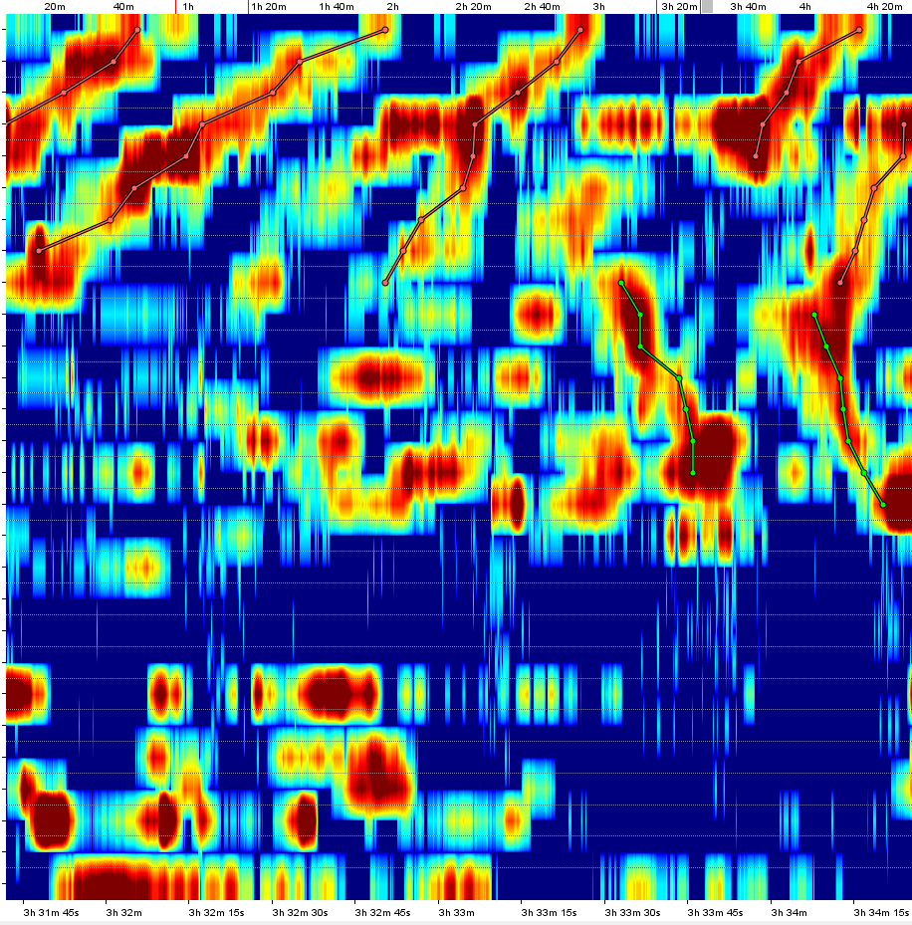
120 | 3 | 30 | 30 | 126295 | a | 20.640121 | 1 | 27 | 27 |  | 13.177172 | 11.750431 | 8.422779 | 20.168354 | 18.552122 | 18.051062 | 16.482714 | 33.9817 | 24.217228 | 21.854452 | 33.18592 | 35.1632 | 55.42937 | 52.39131 | 14.985987 | 15.1346245 | 30.64138 | 12.846825 | 12.200176 | 12.27166 | 11.546522 | 100.06004 | 6.701539 | 25.672523 | 19.507118 | 19.175438 | 1.7993236
121 | 3 | 31 | 27 | 126866 | r | -5.382315 | 1 | 8 | 8 |  | 11.2874 | 22.033886 | 11.737322 | 27.44397 | 27.044567 | 11.114383 | 5.1206408 | 6.429144
122 | 3 | 31 | 45 | 127048 | r | -3.6729338 | 1 | 8 | 8 |  | 7.5204067 | 12.819258 | 10.760277 | 17.113083 | 42.416763 | 26.36581 | 9.60312 | 37.52579
123 | 3 | 32 | 44 | 127639 | r | -6.8754773 | 1 | 9 | 9 |  | 13.53886 | 11.092387 | 19.608795 | 61.50665 | 16.051935 | 9.193505 | 7.189392 | 12.633846 | 3.5249271
124 | 3 | 33 | 26 | 128059 | a | 12.688823 | 9 | 15 | 7 |  |  |  |  |  |  |  |  |  | 14.974257 | 23.97823 | 24.310198 | 10.299847 | 7.149564 | 14.175632 | 15.787077
125 | 3 | 33 | 55 | 128350 | r | -6.8965516 | 1 | 5 | 5 |  | 9.845751 | 17.54712 | 18.10589 | 58.93107 | 39.92587
126 | 3 | 33 | 56 | 128360 | a | 15.969581 | 10 | 16 | 7 |  |  |  |  |  |  |  |  |  |  | 15.722904 | 19.807941 | 13.535162 | 17.146229 | 12.683872 | 5.781003 | 13.389599
127 | 3 | 34 | 8 | 128477 | r | -12.426036 | 4 | 9 | 6 |  |  |  |  | 25.72815 | 9.215058 | 9.102391 | 6.0064526 | 11.212092 | 20.925034
128 | 3 | 35 | 4 | 129040 | r | -166.66667 | 17 | 21 | 5 |  |  |  |  |  |  |  |  |  |  |  |  |  |  |  |  |  | 32.874905 | 6.17223 | 6.184021 | 5.870186 | 6.4035835
129 | 3 | 35 | 38 | 129382 | r | -81.5534 | 15 | 21 | 7 |  |  |  |  |  |  |  |  |  |  |  |  |  |  |  | 8.346771 | 8.693074 | 12.369716 | 9.787212 | 9.809716 | 9.553383 | 9.855106
130 | 3 | 35 | 44 | 129435 | r | -6.3829784 | 1 | 5 | 5 |  | 13.985737 | 17.142548 | 13.178355 | 9.984168 | 13.623462
131 | 3 | 35 | 44 | 129440 | a | 63.253014 | 12 | 17 | 6 |  |  |  |  |  |  |  |  |  |  |  |  | 10.58559 | 11.7123165 | 22.68282 | 22.523415 | 17.508118 | 9.123313
132 | 3 | 36 | 9 | 129693 | r | -75 | 5 | 8 | 4 |  |  |  |  |  | 26.951567 | 8.92933 | 5.072562 | 8.908649
133 | 3 | 36 | 42 | 130017 | r | -71.6792 | 14 | 25 | 12 |  |  |  |  |  |  |  |  |  |  |  |  |  |  | 21.450668 | 16.797516 | 17.117142 | 58.600414 | 3.512826 | 4.516017 | 3.4524946 | 3.5354843 | 13.195607 | 3.5334282 | 14.461526 | 8.330938
134 | 3 | 36 | 51 | 130113 | r | -5.5248623 | 1 | 5 | 5 |  | 6.8129683 | 9.782137 | 34.37427 | 55.78405 | 8.378006
135 | 3 | 37 | 27 | 130471 | r | -8.450704 | 4 | 8 | 5 |  |  |  |  | 7.9660354 | 7.400316 | 10.072058 | 13.892926 | 32.606255
136 | 3 | 38 | 24 | 131043 | s | -646.15393 | 17 | 23 | 7 |  |  |  |  |  |  |  |  |  |  |  |  |  |  |  |  |  | 12.5391865 | 12.309195 | 12.489693 | 12.306126 | 11.494894 | 187.89478 | 11.493521
137 | 3 | 38 | 30 | 131098 | a | 96.15385 | 13 | 17 | 5 |  |  |  |  |  |  |  |  |  |  |  |  |  | 33.361855 | 38.149593 | 31.855028 | 25.74942 | 26.42963
138 | 3 | 38 | 52 | 131315 | a | 53.57143 | 18 | 21 | 4 |  |  |  |  |  |  |  |  |  |  |  |  |  |  |  |  |  |  | 7.0727277 | 7.8881817 | 7.9260516 | 7.9136767
139 | 3 | 39 | 26 | 131662 | s | -600 | 18 | 21 | 4 |  |  |  |  |  |  |  |  |  |  |  |  |  |  |  |  |  |  | 5.493399 | 6.503878 | 5.733114 | 5.767635
140 | 3 | 39 | 36 | 131756 | a | 82.35294 | 11 | 17 | 7 |  |  |  |  |  |  |  |  |  |  |  | 5.626375 | 5.991789 | 19.67796 | 10.871642 | 9.85138 | 10.284124 | 37.54923
141 | 3 | 39 | 43 | 131825 | r | -6.535948 | 1 | 5 | 5 |  | 8.764267 | 12.437805 | 88.0869 | 77.592354 | 25.5904
142 | 3 | 40 | 9 | 132085 | r | -38.461536 | 9 | 14 | 6 |  |  |  |  |  |  |  |  |  | 10.695984 | 10.636605 | 12.676078 | 11.397786 | 12.134893 | 14.348481
143 | 3 | 40 | 34 | 132338 | s | -428.57144 | 17 | 21 | 5 |  |  |  |  |  |  |  |  |  |  |  |  |  |  |  |  |  | 5.471416 | 5.9100885 | 5.7824936 | 5.465893 | 5.442691
144 | 3 | 40 | 45 | 132448 | a | 300 | 15 | 18 | 4 |  |  |  |  |  |  |  |  |  |  |  |  |  |  |  | 19.558374 | 84.343216 | 36.483498 | 8.10792
145 | 3 | 41 | 12 | 132719 | a | 90.90909 | 5 | 9 | 5 |  |  |  |  |  | 16.892408 | 3.7588792 | 4.811865 | 9.599974 | 7.456397
146 | 3 | 41 | 23 | 132825 | a | 30.303032 | 13 | 17 | 5 |  |  |  |  |  |  |  |  |  |  |  |  |  | 64.94406 | 24.851683 | 23.78135 | 25.230602 | 26.103306
147 | 3 | 43 | 16 | 133955 | s | 381.81818 | 18 | 24 | 7 |  |  |  |  |  |  |  |  |  |  |  |  |  |  |  |  |  |  | 8.561923 | 9.314145 | 8.5746155 | 9.062254 | 114.92976 | 8.678886 | 86.47417
148 | 3 | 43 | 21 | 134005 | r | -8.989726 | 3 | 8 | 6 |  |  |  | 7.5764437 | 11.493445 | 16.079056 | 19.804396 | 9.733562 | 63.766396
149 | 3 | 43 | 37 | 134173 | a | 35.279297 | 9 | 23 | 15 |  |  |  |  |  |  |  |  |  | 10.502684 | 32.74203 | 43.690742 | 45.238403 | 105.88902 | 49.117775 | 32.57844 | 22.152763 | 63.843105 | 15.342074 | 15.306476 | 14.291703 | 14.676213 | 151.5934 | 14.287278
150 | 3 | 43 | 56 | 134364 | r | -85.71429 | 5 | 9 | 5 |  |  |  |  |  | 7.709072 | 3.8541598 | 8.297487 | 43.029953 | 11.957957
151 | 3 | 44 | 7 | 134465 | r | -4.807692 | 14 | 17 | 4 |  |  |  |  |  |  |  |  |  |  |  |  |  |  | 41.83358 | 16.863926 | 10.366966 | 12.79996
152 | 3 | 44 | 54 | 134944 | r | -16.133163 | 14 | 21 | 8 |  |  |  |  |  |  |  |  |  |  |  |  |  |  | 15.368164 | 9.469592 | 20.161245 | 5.3196983 | 8.380175 | 8.430836 | 7.9609947 | 8.267084
153 | 3 | 45 | 29 | 135290 | a | 21.596684 | 4 | 21 | 18 |  |  |  |  | 16.637842 | 102.36615 | 13.594286 | 14.839627 | 42.642204 | 30.403028 | 42.307545 | 47.71802 | 41.49189 | 55.78786 | 62.349266 | 38.97952 | 37.655502 | 34.26458 | 13.482184 | 13.277913 | 13.122965 | 13.984445
154 | 3 | 47 | 16 | 136360 | r | -5.7803464 | 1 | 4 | 4 |  | 7.4807687 | 10.5527725 | 13.009187 | 94.806885
155 | 3 | 47 | 41 | 136614 | a | 15.553622 | 6 | 17 | 12 |  |  |  |  |  |  | 17.724558 | 21.522257 | 36.402863 | 35.745766 | 42.414658 | 31.43793 | 27.136127 | 70.2545 | 36.08308 | 57.89447 | 37.88954 | 79.11831
156 | 3 | 50 | 20 | 138195 | r | -12.345679 | 1 | 4 | 4 |  | 9.24227 | 5.953336 | 15.515583 | 21.691814
157 | 3 | 50 | 52 | 138521 | r | -14.309415 | 2 | 25 | 24 |  |  | 6.7568007 | 11.474081 | 15.449673 | 11.213644 | 19.046932 | 23.438963 | 64.12034 | 13.943728 | 5.755998 | 3.4798822 | 3.8286538 | 5.6756167 | 69.35698 | 24.235409 | 15.115395 | 44.1857 | 8.243801 | 8.402769 | 7.2578764 | 7.61954 | 33.891586 | 7.2104692 | 67.2003 | 57.33684
158 | 3 | 51 | 16 | 138763 | r | -6.289308 | 11 | 14 | 4 |  |  |  |  |  |  |  |  |  |  |  | 6.0836596 | 26.585812 | 22.03251 | 28.84098
159 | 3 | 54 | 30 | 140696 | r | -8.174387 | 1 | 4 | 4 |  | 16.08316 | 12.715597 | 37.619022 | 75.27048
160 | 3 | 56 | 18 | 141775 | r | -4.0796504 | 8 | 14 | 7 |  |  |  |  |  |  |  |  | 22.343504 | 11.100339 | 24.113571 | 19.987343 | 19.694412 | 24.836664 | 7.8990145
161 | 3 | 56 | 36 | 141956 | r | -24.19355 | 4 | 8 | 5 |  |  |  |  | 34.10344 | 48.22217 | 19.78588 | 17.97145 | 60.964767
162 | 3 | 57 | 14 | 142337 | s | -999.99994 | 18 | 21 | 4 |  |  |  |  |  |  |  |  |  |  |  |  |  |  |  |  |  |  | 7.347681 | 6.7939835 | 6.4881153 | 6.651392
163 | 3 | 57 | 49 | 142685 | s | -4199.9995 | 15 | 21 | 7 |  |  |  |  |  |  |  |  |  |  |  |  |  |  |  | 13.482706 | 8.074792 | 9.793618 | 14.274796 | 13.961205 | 14.449013 | 14.455326
164 | 3 | 57 | 56 | 142763 | r | -109.565216 | 8 | 15 | 8 |  |  |  |  |  |  |  |  | 5.943552 | 8.25776 | 18.100548 | 19.478657 | 9.319763 | 7.012072 | 67.874695 | 14.167906
165 | 3 | 58 | 41 | 143207 | r | -7.594937 | 1 | 5 | 5 |  | 3.5543718 | 8.115708 | 23.191296 | 31.128433 | 37.4571
166 | 3 | 59 | 2 | 143421 | s | -2099.9998 | 18 | 24 | 7 |  |  |  |  |  |  |  |  |  |  |  |  |  |  |  |  |  |  | 16.30595 | 16.173882 | 16.08818 | 16.257355 | 20.563992 | 16.133137 | 9.300592
167 | 3 | 59 | 32 | 143720 | r | -270.96774 | 17 | 23 | 7 |  |  |  |  |  |  |  |  |  |  |  |  |  |  |  |  |  | 76.043945 | 6.322848 | 6.315408 | 5.8578734 | 6.1580806 | 226.36008 | 6.2749763
168 | 4 | 0 | 17 | 144165 | s | -194.44444 | 17 | 24 | 8 |  |  |  |  |  |  |  |  |  |  |  |  |  |  |  |  |  | 33.77008 | 6.1367683 | 5.2385826 | 5.2227707 | 5.2572536 | 71.00447 | 5.1339417 | 61.05361
169 | 4 | 0 | 44 | 144439 | a | 133.33334 | 17 | 23 | 7 |  |  |  |  |  |  |  |  |  |  |  |  |  |  |  |  |  | 7.3055134 | 6.1570444 | 4.1565485 | 4.166217 | 4.329999 | 108.39784 | 4.1618414
170 | 4 | 0 | 56 | 144558 | r | -22.900763 | 5 | 9 | 5 |  |  |  |  |  | 10.614922 | 9.259739 | 4.6396666 | 5.726433 | 3.5602317
171 | 4 | 1 | 8 | 144678 | r | -9.259259 | 1 | 4 | 4 |  | 7.4415455 | 7.918228 | 15.496282 | 11.9336605
172 | 4 | 1 | 22 | 144824 | a | 36.23188 | 17 | 21 | 5 |  |  |  |  |  |  |  |  |  |  |  |  |  |  |  |  |  | 34.01605 | 5.057028 | 5.0342865 | 5.023716 | 5.0139236
173 | 4 | 1 | 54 | 145136 | r | -7.668712 | 6 | 10 | 5 |  |  |  |  |  |  | 13.599773 | 12.006502 | 29.196642 | 13.863887 | 7.2574043
174 | 4 | 1 | 54 | 145139 | s | 2625 | 16 | 23 | 8 |  |  |  |  |  |  |  |  |  |  |  |  |  |  |  |  | 11.934935 | 14.482159 | 13.7103405 | 13.738464 | 13.747644 | 13.786655 | 186.53436 | 11.780413
175 | 4 | 2 | 26 | 145456 | r | -5.4585156 | 1 | 5 | 5 |  | 5.0021687 | 12.061392 | 13.967958 | 27.136374 | 24.889072
176 | 4 | 2 | 36 | 145556 | r | -91.30435 | 17 | 24 | 8 |  |  |  |  |  |  |  |  |  |  |  |  |  |  |  |  |  | 55.667248 | 14.952753 | 16.91219 | 15.945805 | 15.9302635 | 15.199509 | 16.905077 | 47.011074
177 | 4 | 5 | 28 | 147284 | a | 18.36686 | 1 | 21 | 21 |  | 15.26994 | 21.245392 | 21.389452 | 26.458033 | 44.079826 | 22.578178 | 21.160837 | 85.872284 | 37.814484 | 45.518005 | 42.03081 | 36.509953 | 44.52208 | 50.69324 | 29.512383 | 7.794593 | 26.4944 | 1.7132449 | 1.5170393 | 1.0084181 | 1.6638117
178 | 4 | 7 | 8 | 148280 | s | -437.49997 | 11 | 16 | 6 |  |  |  |  |  |  |  |  |  |  |  | 15.975724 | 15.454824 | 17.082592 | 21.63084 | 9.831804 | 19.211712
179 | 4 | 7 | 49 | 148694 | s | -221.7742 | 13 | 22 | 10 |  |  |  |  |  |  |  |  |  |  |  |  |  | 24.795818 | 20.64386 | 19.790312 | 26.930723 | 28.054726 | 10.07128 | 10.13603 | 10.120508 | 10.121431 | 9.558746
180 | 4 | 8 | 31 | 149111 | a | 52.830193 | 11 | 17 | 7 |  |  |  |  |  |  |  |  |  |  |  | 19.622902 | 32.78392 | 36.540115 | 36.7001 | 26.252296 | 15.636032 | 19.333027
181 | 4 | 9 | 5 | 149445 | a | 38.76923 | 10 | 17 | 8 |  |  |  |  |  |  |  |  |  |  | 10.749476 | 6.6413965 | 5.3800945 | 24.051857 | 28.30701 | 24.394867 | 19.960342 | 34.04497
182 | 4 | 9 | 48 | 149881 | s | -560 | 11 | 17 | 7 |  |  |  |  |  |  |  |  |  |  |  | 10.582504 | 10.376341 | 25.251196 | 10.216752 | 13.065046 | 9.776882 | 29.648247
183 | 4 | 11 | 41 | 151012 | r | -9.423187 | 13 | 23 | 11 |  |  |  |  |  |  |  |  |  |  |  |  |  | 16.095974 | 29.84861 | 19.235752 | 12.685014 | 12.453787 | 7.672243 | 7.4671907 | 7.3307304 | 7.4837513 | 17.224838 | 28.824224
184 | 4 | 12 | 0 | 151199 | r | -6.603774 | 1 | 7 | 7 |  | 12.1065235 | 14.631763 | 23.303959 | 160.88692 | 46.141293 | 9.912908 | 5.96665
185 | 4 | 13 | 9 | 151885 | a | 19.097221 | 5 | 15 | 11 |  |  |  |  |  | 54.98985 | 10.230002 | 3.8214493 | 45.24017 | 4.9070787 | 10.112755 | 19.746881 | 45.660885 | 59.889114 | 33.324917 | 14.532576
186 | 4 | 14 | 23 | 152634 | s | 10500 | 17 | 22 | 6 |  |  |  |  |  |  |  |  |  |  |  |  |  |  |  |  |  | 14.91276 | 13.862509 | 13.918758 | 14.820776 | 14.883802 | 14.527124
187 | 4 | 15 | 46 | 153455 | s | 142.85715 | 17 | 23 | 7 |  |  |  |  |  |  |  |  |  |  |  |  |  |  |  |  |  | 35.166725 | 11.004578 | 9.004349 | 10.040134 | 9.977655 | 9.9642315 | 9.994442
188 | 4 | 16 | 10 | 153702 | r | -9.49367 | 1 | 5 | 5 |  | 15.013642 | 14.145332 | 28.4678 | 220.75168 | 11.462128
189 | 4 | 16 | 29 | 153886 | a | 19.281664 | 4 | 20 | 17 |  |  |  |  | 8.155886 | 26.045357 | 4.874092 | 8.802659 | 10.752089 | 22.066004 | 21.360258 | 42.396427 | 36.105827 | 50.487347 | 122.59797 | 37.457664 | 47.919235 | 36.622757 | 5.713913 | 5.2465916 | 4.950508
190 | 4 | 17 | 54 | 154738 | r | -5.0389924 | 1 | 8 | 8 |  | 6.619973 | 11.066996 | 14.732645 | 211.64848 | 14.227985 | 8.975904 | 7.6297245 | 49.378475
191 | 4 | 18 | 42 | 155219 | a | 18.247646 | 18 | 25 | 8 |  |  |  |  |  |  |  |  |  |  |  |  |  |  |  |  |  |  | 12.376925 | 11.786258 | 11.926381 | 11.257941 | 11.519336 | 57.140785 | 108.24529 | 70.07542
192 | 4 | 19 | 4 | 155439 | r | -3.5502958 | 14 | 17 | 4 |  |  |  |  |  |  |  |  |  |  |  |  |  |  | 17.903414 | 28.748405 | 41.849907 | 32.456604
193 | 4 | 19 | 38 | 155783 | s | -3499.9998 | 18 | 23 | 6 |  |  |  |  |  |  |  |  |  |  |  |  |  |  |  |  |  |  | 23.0722 | 23.396381 | 23.952148 | 23.639648 | 22.896734 | 50.854244
194 | 4 | 19 | 59 | 155986 | s | 2099.9998 | 18 | 25 | 8 |  |  |  |  |  |  |  |  |  |  |  |  |  |  |  |  |  |  | 11.219704 | 11.100048 | 11.08499 | 11.13208 | 16.229805 | 16.338554 | 19.165024 | 20.007591
195 | 4 | 20 | 22 | 156215 | a | 17.611511 | 7 | 23 | 17 |  |  |  |  |  |  |  | 10.447491 | 8.845 | 18.474743 | 42.442142 | 26.769976 | 13.057838 | 19.758465 | 29.575224 | 15.6527 | 57.49813 | 35.50037 | 22.865093 | 21.435768 | 22.486723 | 22.002293 | 24.611057 | 67.05454
196 | 4 | 21 | 19 | 156794 | r | -6.4655166 | 1 | 6 | 6 |  | 10.113741 | 17.234652 | 24.889273 | 78.273285 | 16.238598 | 4.8595147
197 | 4 | 21 | 49 | 157091 | a | 29.13295 | 17 | 24 | 8 |  |  |  |  |  |  |  |  |  |  |  |  |  |  |  |  |  | 11.281191 | 12.215742 | 13.131002 | 13.011665 | 12.812782 | 13.358854 | 26.000603 | 63.579544
198 | 4 | 22 | 28 | 157477 | r | -12.727273 | 4 | 10 | 7 |  |  |  |  | 52.890812 | 54.506737 | 18.628225 | 17.996237 | 39.41148 | 19.33231 | 12.357115
199 | 4 | 22 | 34 | 157543 | r | -15.151516 | 11 | 14 | 4 |  |  |  |  |  |  |  |  |  |  |  | 18.825993 | 20.937445 | 35.215675 | 23.722462
200 | 4 | 23 | 26 | 158056 | a | 32.27046 | 9 | 23 | 15 |  |  |  |  |  |  |  |  |  | 20.46336 | 20.304874 | 24.0052 | 37.51687 | 47.57964 | 59.433018 | 31.90617 | 62.984673 | 27.939837 | 26.985815 | 26.9927 | 48.969025 | 34.79881 | 33.784046 | 10.832457
201 | 4 | 23 | 46 | 158258 | a | 11.163734 | 9 | 18 | 10 |  |  |  |  |  |  |  |  |  | 7.211726 | 6.438518 | 11.314109 | 14.684238 | 20.109098 | 16.119064 | 21.125362 | 13.558384 | 31.073635 | 7.8614616
202 | 4 | 24 | 26 | 158659 | s | 388.88885 | 18 | 23 | 6 |  |  |  |  |  |  |  |  |  |  |  |  |  |  |  |  |  |  | 4.950082 | 6.1139565 | 5.9819193 | 5.0644693 | 5.9558554 | 17.12793
203 | 4 | 27 | 30 | 160502 | a | 17.716024 | 6 | 22 | 17 |  |  |  |  |  |  | 10.046878 | 7.533841 | 6.971998 | 4.4515877 | 4.175164 | 4.3623495 | 26.094486 | 38.78179 | 35.8024 | 42.02474 | 33.596306 | 45.2927 | 13.349428 | 24.962196 | 17.864405 | 17.921692 | 17.868633
204 | 4 | 27 | 55 | 160745 | r | -72.26277 | 7 | 16 | 10 |  |  |  |  |  |  |  | 4.247821 | 8.893406 | 3.9040565 | 4.009858 | 5.0579634 | 10.189012 | 9.322137 | 4.0509214 | 6.101819 | 11.397368
205 | 4 | 28 | 23 | 161032 | s | 891.89185 | 4 | 14 | 11 |  |  |  |  | 15.667624 | 29.462711 | 3.499896 | 8.150543 | 5.7032166 | 6.4256506 | 6.689618 | 6.7280016 | 6.730708 | 6.6726656 | 26.134708
206 | 4 | 28 | 29 | 161091 | a | 19.858156 | 11 | 17 | 7 |  |  |  |  |  |  |  |  |  |  |  | 3.2575388 | 6.599841 | 18.079937 | 18.643093 | 24.356598 | 22.334488 | 17.160984
207 | 4 | 29 | 47 | 161870 | s | 3000 | 9 | 13 | 5 |  |  |  |  |  |  |  |  |  | 7.16415 | 6.592945 | 8.926169 | 6.5442796 | 7.9482727
208 | 4 | 30 | 53 | 162528 | a | 18.624641 | 10 | 23 | 14 |  |  |  |  |  |  |  |  |  |  | 9.597521 | 16.69392 | 16.772392 | 38.097664 | 43.604073 | 16.154291 | 43.1294 | 97.25181 | 32.059704 | 22.081577 | 25.62291 | 24.818825 | 25.617054 | 32.011986

