Lease Servicing Flow
1. Servicing in Leasing: Overview
Servicing covers all post-origination activities: contract activation, billing, collections, accounting, delinquency/NPA management, customer service, closure, and post-closure. In DDD, these are primarily handled by the ActiveAgreement aggregate root (in the L2. Servicing & Collections context), with supporting aggregates for collections cases, accounting posts, and related entities.

2. Servicing Process Flow (Typical Steps)
1. Contract Activation (post-disbursement)
2. Billing & Invoicing (periodic, ad hoc)
3. Payment Receipt & Allocation
4. Accounting Posting
5. Delinquency Detection & NPA Tagging
6. Collections Case Management
7. Customer Service (Statements, SOA, NOC)
8. Contract Revision/Restructuring
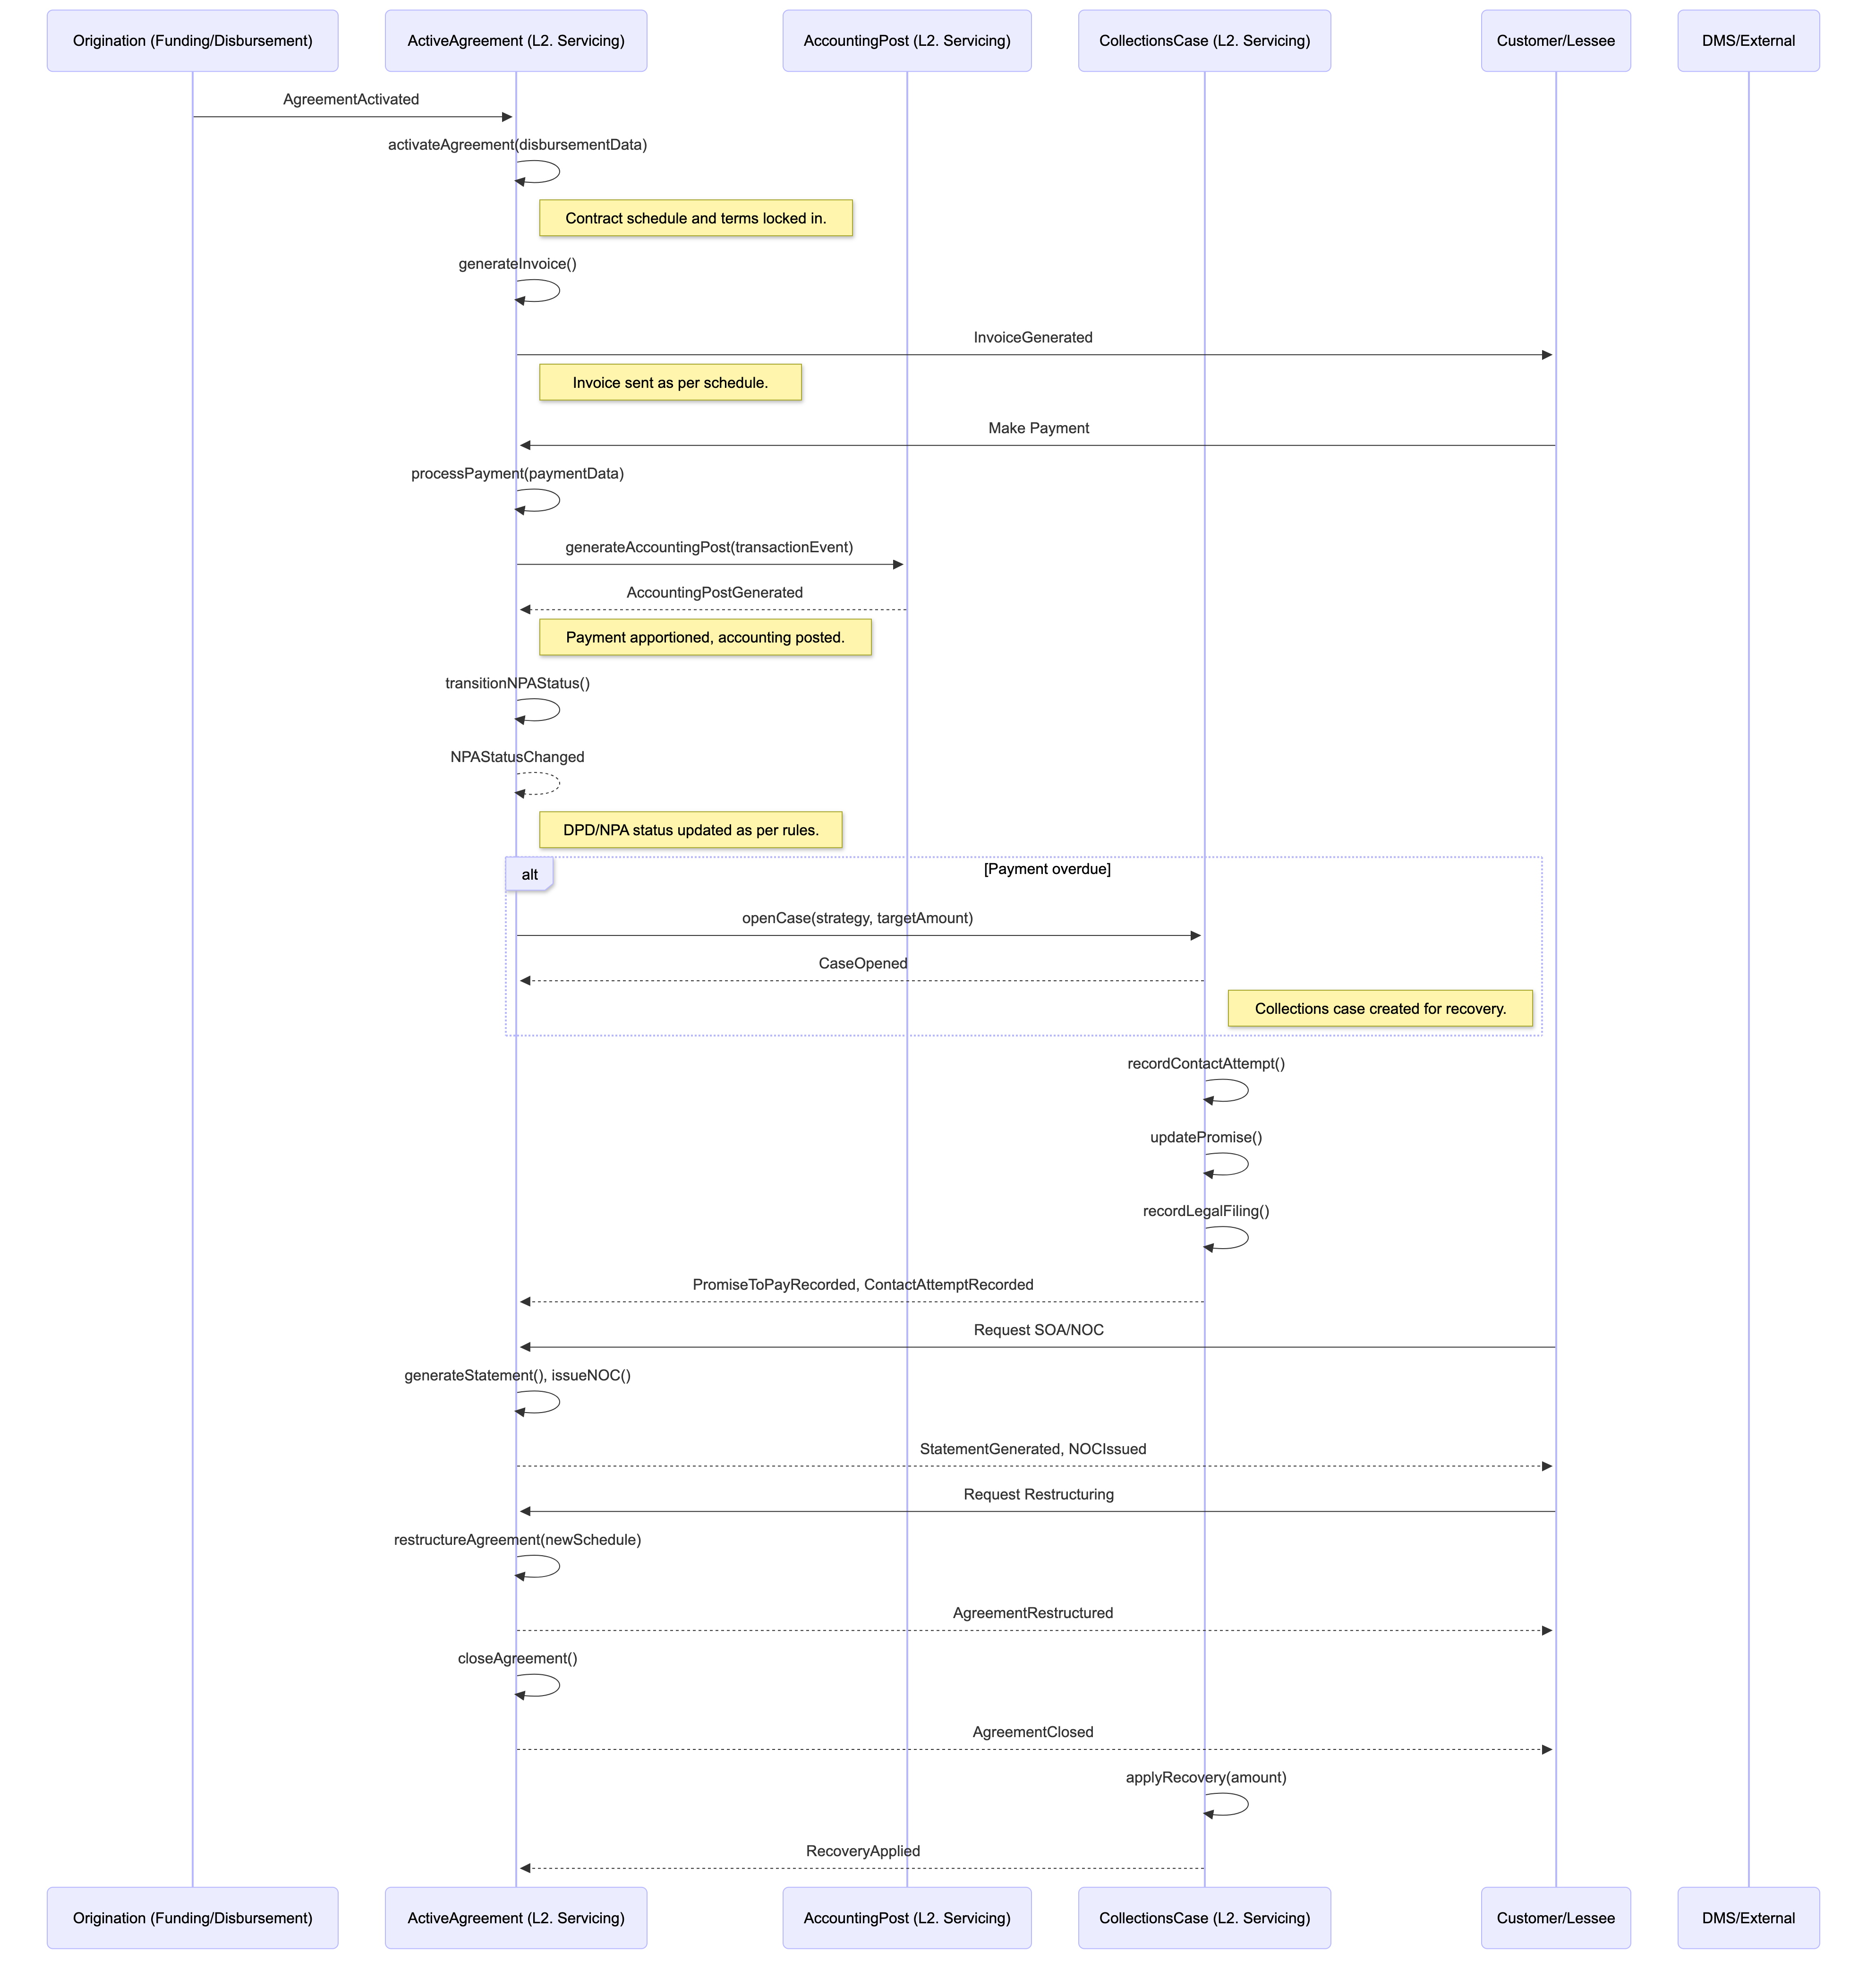
9. Closure (Normal, Pre-closure, Write-off)
10. Post-Closure Recovery

3. Servicing Matrix: Process to DDD Mapping
Servicing Event/Process | DDD Aggregate Root (Context) | Key Entities/VOs | Event(s) | Method(s) | Process Flow Note
Contract Activation | ActiveAgreement (L2) | AmortizationSchedule, ProductSnapshotReference | AgreementActivated | activateAgreement(disbursementData) | Contract moves from origination to servicing; schedule and terms locked in.
Billing & Invoicing | ActiveAgreement (L2) | AmortizationSchedule, TransactionRecord, Money | InvoiceGenerated, PaymentDue | generateInvoice(), accrueInterestAndFees() | Periodic billing as per schedule; invoices created and sent.
Payment Receipt & Allocation | ActiveAgreement (L2) | TransactionRecord, Money | PaymentApplied | processPayment(paymentData) | Receipts are apportioned to principal, interest, charges, tax.
Accounting Posting | AccountingPost (L2) | GLDebitCreditEntry, GLCode, Money | AccountingPostGenerated | generateAccountingPost(transactionEvent) | Double-entry posting for all financial events.
Delinquency/NPA Tagging | ActiveAgreement (L2) | NPAStatus, TransactionRecord | NPAStatusChanged | transitionNPAStatus() | Days past due checked; NPA status updated as per RBI rules.
Collections Case Creation | CollectionsCase (L2) | ContactAttempt, CollectionsStrategy, PromiseToPay | CaseOpened | openCase(strategy, targetAmount) | Case created when contract is delinquent; strategy assigned.
Collections Workflow | CollectionsCase (L2) | ContactAttempt, LegalFiling, PromiseToPay | ContactAttemptRecorded, PromiseToPayRecorded | recordContactAttempt(), updatePromise() | Tracks all recovery actions, promises, legal steps.
Customer Service (SOA, NOC) | ActiveAgreement (L2) | TransactionRecord, InsurancePolicy | StatementGenerated, NOCIssued | generateStatement(), issueNOC() | SOA, NOC, and other service requests handled.
Contract Revision/Restructuring | ActiveAgreement (L2) | AmortizationSchedule, TransactionRecord | AgreementRestructured | restructureAgreement(newSchedule) | Terms/schedule revised for restructuring, moratorium, etc.
Closure (Normal, Pre-closure, Write-off) | ActiveAgreement (L2) | TransactionRecord, NPAStatus | AgreementClosed, AgreementWrittenOff | closeAgreement(), writeOffAgreement() | Contract closed on maturity, pre-closure, or write-off.
Post-Closure Recovery | CollectionsCase (L2) | ContactAttempt, LegalFiling | RecoveryApplied | applyRecovery(amount) | Recovery actions for closed/written-off contracts.

