Sheet4
 | No | Yes
Female | 53449.612403 | 55267.489712
Male | 56520.14652 | 59603.174603

customer age brackets
 | No | Yes
Adolescent | 3 | 4
Middle Age | 27 | 35
Old | 14 | 6

PivotTable
Average of Income | Column Labels
Row Labels | No | Yes | Grand Total
Female | 53449.612403 | 55267.489712 | 54331.337325
Male | 56520.14652 | 59603.174603 | 58000
Grand Total | 55028.248588 | 57474.747475 | 56208.576998

commute distance per each purchased bike
Count of Purchased Bike | Column Labels
Row Labels | No | Yes | Grand Total
0-1 Miles | 171 | 207 | 378
10+ Miles | 80 | 33 | 113
1-2 Miles | 93 | 83 | 176
2-5 Miles | 67 | 95 | 162
Grand Total | 411 | 418 | 829

customer age brackets
Count of Purchased Bike | Column Labels
Row Labels | No | Yes | Grand Total
Adolescent | 3 | 4 | 7
Middle Age | 27 | 35 | 62
Old | 14 | 6 | 20
Grand Total | 44 | 45 | 89

Sheet1
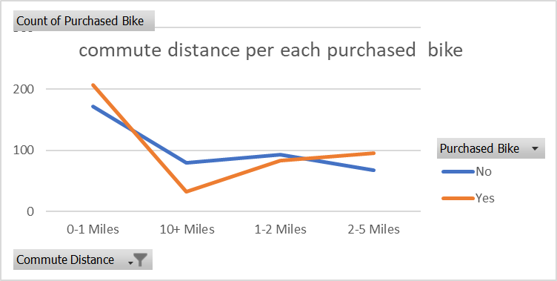
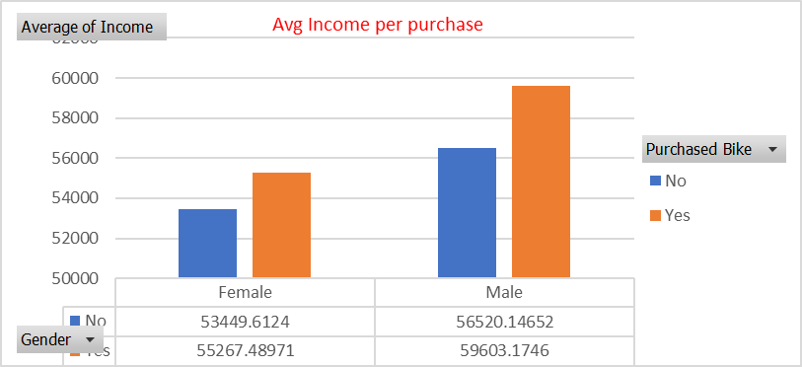
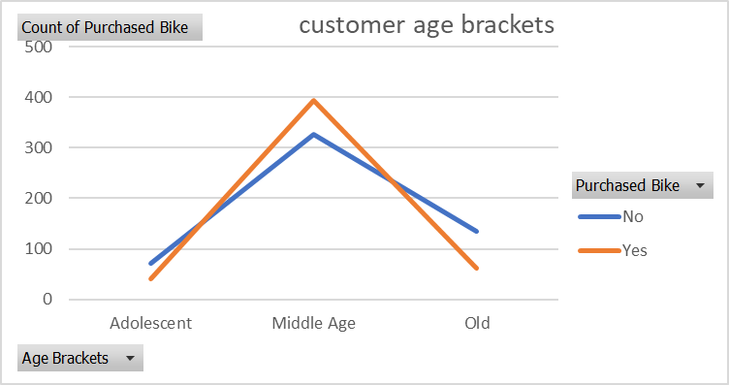
Bike sales Dashboard

